Drill
VPM-TestCase1
Description:
 | Test Auto drill Dialog Apply VPM
Pre-conditions:
 | 1. grand Repository to EveryOne Role
Procedures:
1 | use guest login, then on Portal side, open the vs 'AutoDrillFormatCheck/LMAutoDrillFormatApply1'
2 | click 'AK_Test' , then click 'to_vs' drill
 | Check: | 1. the pop dialog show data between 2024-01-01~2024-03-01

VS-TestCase1
Description:
 | Test Auto Drill diff parameter and data worksheet apply on Chart, Crosstab, Table
 | Test chart, crosstab, freehand show details autolink
Pre-conditions:
Procedures:
1 | on Portal side, open the vs 'AutoDrillFormatCheck/LMAutoDrillFormatApply1'
2 | On Table do below action, then check result one by one
 |  |  |  |  | Check Point
 | on oder_date cell |  | move mouce on any cell |  | on order_date col tooltip Check0:
 |  |  | click to web |  | on order_date col Drill Check1:
 |  |  | click to vs |  | on order_date col drill Check2
 | on state cell |  | move mouce on any cell |  | on state col tooltip Check0:
 |  |  | click to web |  | on state col Drill Check1:
 |  |  | click to vs |  | on state col Drill Check2:
3 | On Crosstab do below action, then check result one by one
 |  |  |  |  | Check Point
 | on None(order_date) cell |  | move mouce on any cell |  | on order_date col tooltip Check0:
 |  |  | click to web |  | on order_date col Drill Check1:
 |  |  | click to vs |  | on order_date col drill Check2
 | on state cell |  | move mouce on any cell |  | on state col tooltip Check0:
 |  |  | click to web |  | on state col Drill Check1:
 |  |  | click to vs |  | on state col Drill Check2:

3 | On Chart do below action, then check result one by one
 |  |  |  |  | Check Point
 | on X axis |  | move mouce on any cell |  | on state col tooltip Check0:
 |  |  | click to web |  | on state col Drill Check1:
 |  |  | click to vs |  | on state col Drill Check2:
4 | On Freehand
 | Check: | didn't support auto drill
5 | Test chart, crosstab, freehand show details autolink

VS-TestCase2
Description:
 | Test Auto Drill options apply on Chart, Crosstab, Table
Pre-conditions:
Procedures:
1 | on Portal side, open the vs 'AutoDrillFormatCheck/LMAutoDrillFormatApply2'
2 | on pop dialog selected a valid range, the click OK button . such as '2020-3-25 09:17:00' ~ '2024-1-18 00:00:00'
3 | On Table do below action, then check result one by one
 |  |  |  |  |  | Check Point
 | on fx:fduraton1 col |  | move mouce on any cell |  |  | on fduration1 col tooltip Check0:
 |  |  | click to vs no parameter pop |  |  | on fduration1 col Drill Check1
 |  |  | click to vs pop parameter |  |  | on fduration1 col Drill Check2
4 | On Crosstab do below action, then check result one by one
 |  |  |  |  |  | Check Point
 | on fx:fduation1 col |  | move mouce on any cell |  |  | on fduration1 col tooltip Check0:
 |  |  | click to vs no parameter pop |  |  | on fduration1 col Drill Check1
 |  |  | click to vs pop parameter |  |  | on fduration1 col Drill Check2
5 | On Chart do below action, then check result one by one
 |  |  |  |  |  | Check Point
 | on X axis |  | move mouce on any cell |  |  | on fduration1 col tooltip Check0:
 |  |  | click to vs no parameter pop |  |  | on fduration1 col Drill Check1
 |  |  | click to vs pop parameter |  |  | on fduration1 col Drill Check2

VS-TestCase3
Description:
 | Test Query Auto Drill diff parameter and data worksheet apply on Chart, Crosstab, Table
Pre-conditions:
Procedures:
1 | on Portal side, open the vs 'AutoDrillFormatCheck/QueryAutoDrillFormatApply1'
2 | On Table do below action, then check result one by one
 |  |  |  | CheckPoint
 | on ordertime col |  |  | on ordertime col Drill
 | on fduration col |  |  | on fduraion col Drill
 | on reseller col |  |  | on Reseller col Drill
3 | on Crosstab do below action, then check result one by one
 |  |  |  | CheckPoint
 | on ordertime col: 06:21:37 |  |  | on ordertime col Drill
 | on fduration col:03:02 |  |  | on fduraion col Drill
 | on reseller col: false_b |  |  | on Reseller col Drill
4 | on Chat do below action, then check result one by one
 |  |  |  | CheckPoint
 | on reseller col: false_b |  |  | on Reseller col Drill
 | on ordertime col: 03 |  |  | on ordertime col Drill
 | on fduration col: 02:25 |  |  | on fduraion col Drill

VS-TestCase4
Description:
 | Test Query Auto Drill diff parameter and query apply on Chart, Crosstab, Table
Pre-conditions:
Procedures:
1 | on Portal side, open the vs 'AutoDrillFormatCheck/QueryAutoDrillFormatApply2'
2 | On Table do below action, then check result one by one
 |  |  |  | CheckPoint
 | on ordertime col |  |  | on ordertime col Drill
 | on fduration col |  |  | on fduraion col Drill
 | on reseller col |  |  | on Reseller col Drill
3 | on Crosstab do below action, then check result one by one
 |  |  |  | CheckPoint
 | on ordertime col: 05:26:36 |  |  | on ordertime col Drill
 | on fduration col:04:49 |  |  | on fduraion col Drill
 | on reseller col: false_b |  |  | on Reseller col Drill
4 | on Chat do below action, then check result one by one
 |  |  |  | CheckPoint
 | on reseller col: false_b |  |  | on Reseller col Drill
 | on fduration col: 02:25 |  |  | on fduraion col Drill

VS-TestCase5
Description:
 | Test Defined Auto drill on concat table
Pre-conditions:
Procedures:
1 | on Portal side, open the vs 'AutoDrillSpecialCheck/JoinTableDrill'
2 | on 'Query2', click NJ
 | Check: | 1. show 'condrill' item, click it, will open baidu page
3 | on 'Query1', click Games
 | Check: | 1. only show 'concatDrill2' item, click it, will open baidu page
4 | on 'Query1', click NJ
 | Check: | 1. only show 'concatDrill2' item, click it, will open baidu page
5 | on 'MergeJoin', click NJ of state col
 | Check: | 1. show 'condrill' item, click it, will open baidu page
6 | on 'MergeJoin', click PA_test of state_1 col
 | Check: | 1. use source format, show as: PA_test
 |  | 2. the auto drill menue show as:

VS-TestCase6
Description:
 | Test Defined Auto drill on alias col
Pre-conditions:
Procedures:
1 | on Portal side, open the vs 'AutoDrillSpecialCheck/AliasTableDrill'
2 | on Chart, click false
 | Check: | 1. no drill menu show, open vs directory
3 | on 'Table1', click true
 | Check: | 1. only show 'aliasDrill' item, click it, will open linked vs
4 | on 'Table1', click 94
 | Check: | 1. no auto drill show
5 | on 'Table1', click 1
 | Check: | 1. only show 'aliasDrill' item, click it, will open baidu page
6 | on 'Table1', click any null cell
 | Check: | 1. show auto drill item, the auto drill same with other cell of same col and have value
7 | on 'Table2', click any null cell
 | Check: | 1. only show 'aliasDrill' item, click it, will open baidu page
8 | on 'Table2', check 94 cell
 | Check: | 1. no auto drill

VS-TestCase7
Description:
 | Test Defined Auto drill on Expression col.
Pre-conditions:
Procedures:
1 | on Portal side, open the vs 'AutoDrillSpecialCheck/ExpressionDrill'
2 | on Aggregate cell
 | Check: | 1. no auto drill
3 | when Radiobutton selected Year, Hour
 | Check; | 1. First col show auto drill
 |  | 2. Click auto drill Expression1, open baidu page
4 | when Radiobutton selected Hour of Day, Month of Year
 | Check; | 1. First col no auto drill

VS-TestCase8
Description:
 | Test Defined Auto drill on diff ws table col
Pre-conditions:
Procedures:
1 | on Portal side, open the vs 'AutoDrillSpecialCheck/CrosstabDrill'
2 | on 'Query1', click '2016' of Year(order_date)
 | Check: | 1. auto drill menu show, as below:
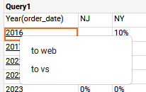

3 | on 'Unpivot', check 'state' and 'order_date' col
 | Check: | 1. no auto drill
4 | on 'Rotate', check 'state' col
 | Check: | 1. no auto drill

VS-TestCase9
Description:
 | Test subworksheet diff table type column
 | Test special chart drill link

Pre-conditions:
Procedures:
1 | on Portal side, open the vs 'DrillSubWorksheet/QueryDrillSubWorksheet'
2 | On Table do below action, then check result one by one
 |  |  |  |  | Check Point
 | on oder_datetime cell |  | click to web link1 |  | on order_datetime col Drill Check1:
 |  |  | click to web link2 |  | on order_datetime col drill Check2
 |  |  | click to vs link |  | on order_datetime col drill Check3
 | on state cell |  | click to web link1 |  | on state col Drill Check3:
 |  |  | click to vs link1 |  | on state col Drill Check4:
3 | On Crosstab do below action, then check result one by one
 |  |  |  |  | Check Point
 | on Quarter(order_datetime) cell |  | click to web link1 |  | on order_datetime col Drill Check1:
 |  |  | click to web link2 |  | on order_datetime col drill Check2
 |  |  | click to vs link |  | on order_datetime col drill Check3
 | on state cell |  | click to web link1 |  | on state col Drill Check3:
 |  |  | click to vs link1 |  | on state col Drill Check4:

3 | On Chart do below action, then check result one by one
 |  |  |  |  | Check Point
 | waterfall chart | on X axis | click to web link1 |  | on order_datetime col Drill Check1: |  | //waterfall chart total can't link
 |  |  | click to web link2 |  | on order_datetime col drill Check2
 |  |  | click to vs link |  | on order_datetime col drill Check3
 | Grannt chart | on X axis | click to web link1 |  | on order_datetime col Drill Check1:
 |  |  | click to web link2 |  | on order_datetime col drill Check2
 |  |  | click to vs link |  | on order_datetime col drill Check3
 |  | on Y axis | click to web link1 |  | on state col Drill Check3:
 |  |  | click to vs link1 |  | on state col Drill Check4:
 |  | on plot | click to web link1 |  | on order_datetime col Drill Check1:
 |  |  | click to web link2 |  | on order_datetime col drill Check2
 |  |  | click to vs link |  | on order_datetime col drill Check3
 | Scatter Contour: | on Y axis | click to vs link |  | on exp_col col Drill Check1:
 |  | on plot | click to vs link |  | on exp_col col Drill Check1:

4 | On freehand table do below action, then check result one by one
 | on state cell |  | click to web link1 |  | on state col Drill Check3:
 |  |  | click to vs link1 |  | on state col Drill Check4:
5 | check crosstab, freehand, chart show summary and details dialog drill link

VS-TestCase10
Description:
 | Test subworksheet diff table type column
 | Test special chart drill link

Pre-conditions:
Procedures:
1 | on Portal side, open the vs 'DrillSubWorksheet/LMDrillSubWorksheet'
2 | on pop dialog selected such as '1-3value'
3 | On Table do below action, then check result one by one
 |  |  |  | Check Point
 | on state cell | click to web link |  | on state col Drill Check5:
 |  | click to vs link |  | on state col Drill Check6:
4 | On Crosstab do below action, then check result one by one
 |  |  |  | Check Point
 | on state cell | click to web link |  | on state col Drill Check5:
 |  | click to vs link |  | on state col Drill Check6:

5 | On Chart do below action, then check result one by one
 |  |  |  |  |  | Check Point
 | Icicle | Select ‘USA West' |  |  |  | on region col Drill Check1:
 | Tree | Select 'WA' |  | click to web link |  | on state col Drill Check5:
 |  |  |  | click to vs link |  | on state col Drill Check6:
 | Map | Select 'WA' |  | click to web link |  | on state col Drill Check5:
 | Contour Map |  |  | click to vs link |  | on state col Drill Check6:
6 | check crosstab, freehand, chart show summary and details dialog drill link

VS-TestCase11
Description:
 | Test cube source auto drill
 | Test different dataview

Pre-conditions:
Procedures:
1 | on Portal side, open the vs 'AutoDrillFormatCheck/CubeAutoDrillFormatApply'
2 | On Crosstab and Chart do below action, then check result one by one
 |  |  |  |  | Check Point
 | on Calendar Year cell |  | click to web link |  | cube dim col Drill Check1
 |  |  | click to vs link |  | cube dim col Drill Check2
 | on Country cell |  | click to web link |  | cube dim col Drill Check3
 |  |  | click to vs link |  | cube dim col Drill Check4
3 | check crosstab, freehand, chart show summary and details dialog drill link

UserFormat
UserFormat
Description:
 | Test LM,Worksheet,Cube soruce user format load and apply

Pre-conditions:
 | In EM/Presentation/Look and Feel pane, click user format, select userformat.xml, click apply

Procedures:
1 | In portal, follow the steps:
 |  | Actions
 | LM | open Examples/Orders/Data Model/Order Model, expand Order node, select Num column
 | Worksheet | open drillwss/SQLQuery, click edit query, switch to Fields pane, select customer_id
 | Cube | open XMLA, expand Adventure Works/Sales Summary node, select 'Order Quantity' column
2 | Click Format pane, select Number Type, dropdown Custom Format combobx
 | CheckPoint1: | custom user foramt can load
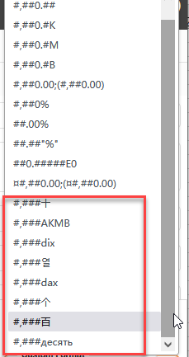

3 | Select #,###百 format in LM
 | CheckPoint2: | user format can apply rightly in table, crosstab, chart
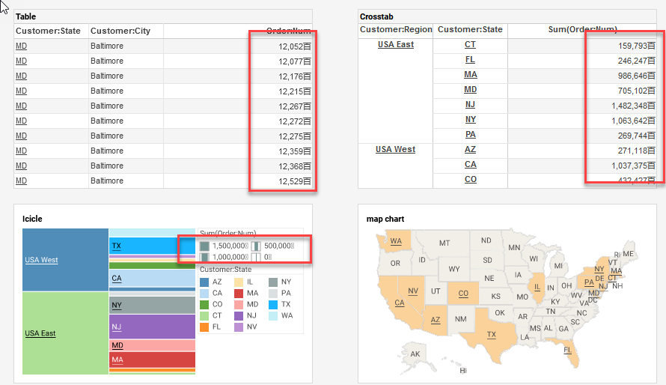

4 | Select #,###dix format in worksheet-edit query
 | CheckPoint3: | user format can apply rightly in table, crosstab,freehand, chart
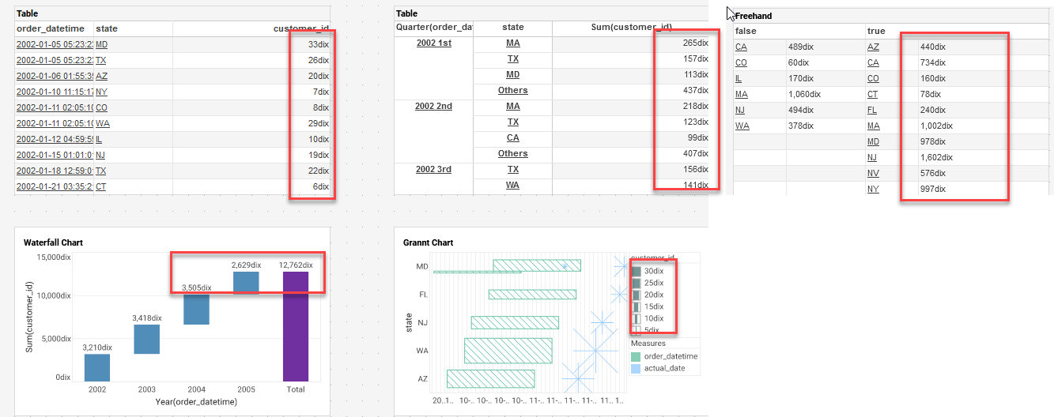

5 | Select #,###dix format in cube
 | CheckPoint4: | user format can apply rightly in crosstab,chart
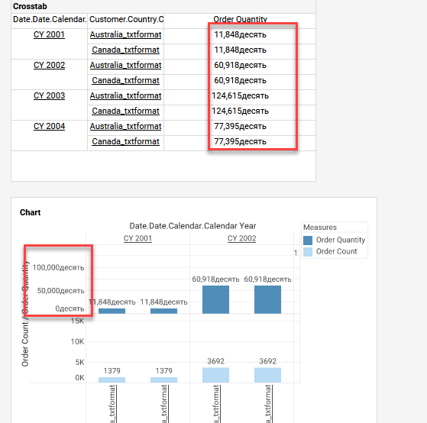

6 | In crosstab, select a cell, then click show details
 | In chart, click show summary data or show details
 | CheckPoint5: | can apply rightly in show summary and details dialog

DrillCheck
LM Drill Check:
 | on order_date col tooltip Check0: |  | on state col tooltip Check0:
 | 1. move mouce on order date col cell,the tooltip show as: |  | 1. move mouce on state col cell,the tooltip show as:

 | on order_date col Drill Check1: |  | on state col Drill Check1:
 | 1. open baidu page, the URL show as: |  | 1. pop 'Please select a row' dialog, click any row, then click OK button
 |  |  | 2. open baidu page, the URL show as:

 | on order_date col drill Check2:
 | 1. open 'LinkVS', the vs show as below
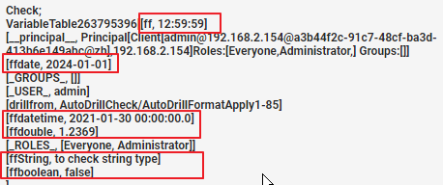

 |  |  | on state col Drill Check2:
 |  |  | 1. pop 'Please select a row' dialog, click any row, then click OK button
 |  |  | 2. open 'LinkVS', the vs show as below:
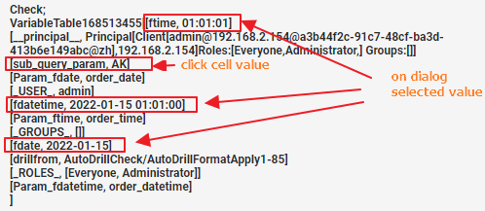

 | on fduration1 col tooltip Check0:
 | 1. move mouce on fduration1 col cell,the tooltip show as:

 | on fduration1 col Drill Check1
 | 1. click 'to vs no parameter pop' drill.
 | Check: | 1. no parameter dialog pop up
 |  | 2. the vs show below parameter:

 | on fduration1 col Drill Check2
 | 1. click 'to vs to pop parameter' drill.
 | Check: | 1. pop 'Enter parameter' Dialog
 | 2. ckick OK to close dialog
 | Check: | 1. the parameter info didn't include 'pstart' and 'pend' parameter

Query Drill Check:
 | on fduraion col Drill |  |  | on ordertime col Drill
 | 1. move mouce on fduration col cell,the tooltip show as: |  |  | 1. move mouce on fduration col cell,the tooltip show as:

 | 2. click 'to web' |  |  | 2. click 'to web'
 | Check: | 1. pop 'Please select a row' dialog, selected any row, click OK button |  | Check: | 1. pop 'Please select a row' dialog, selected any row, click OK button
 |  | 2. open baidu page, the URL include below info: |  |  | 2. open baidu page, the URL include below info:

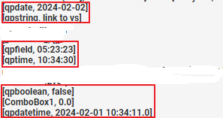
 | 3.click 'to vs' |  |  | 3.click 'to vs'
 | Check: | 1. pop 'Please select a row' dialog, selected any row, click OK button |  | Check: | 1. open linked vs, check vs parameter as below:
 |  | 2. open linked vs, check vs parameter as below:
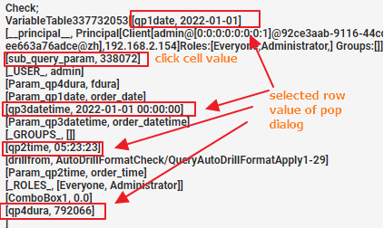

 | on Reseller col Drill Check:
 | 1. move mouce on fduration col cell,the tooltip show as:

 | 2. click 'to disable vs para'
 | Check: | 1, open linked vs, no parameter dialog pop up
 |  | 2. vs include below parameter

 | 3. click 'to enable vs para'
 | Check: | 1. open linked vs, pop up 'enter parameter' dialog
 |  | 2. selected a proper value for 'type', and input '0' for 'pdiscount', click ok button
 |  | 3. vs include below parameter

 | on order_datetime col Drill Check1:
 | 1. pop 'Please select a row' dialog, click 1st row, then click OK button
 | 2. open baidu page, the URL show as:
 |  | date=2022-03-13 00%3A00%3A00&sub_query_param=2005-10-25 02%3A10%3A15.0&id=33&Param_date=ORDERS1.ORDER_DATE&Param_id=CUSTOMER_ID_1
 | on order_datetime col drill Check2
 | 1. pop 'Please select a row' dialog, click 2nd row, then click OK button
 | 2. open baidu page, the URL show as:
 |  | adress=COMPANY_NAME&col=Daycare One&sub_query_param=2002-01-05 05%3A23%3A23.0&Param_adress=ADDRESS&Param_col=123 Summer Rd.

 | on order_datetime col drill Check3
 | 1. pop 'Please select a row' dialog, click 1st row, then click OK button
 | 2. open 'LinkVS', the vs show as below:
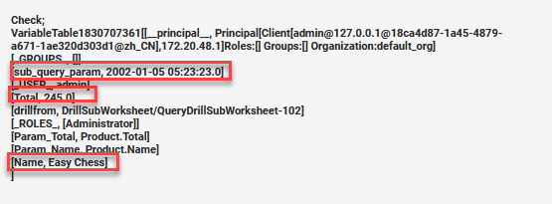

 | on state col Drill Check3:
 | 1. Select web link, pop 'Please select a row' dialog, click 1st row, then click OK button
 | 2. open baidu page, the URL show as:
 |  | date_part=3&sub_query_param=MD&num_range=<5&date_range=2022-01-01 00%3A00%3A00&formula=66&Param_date_part=date_part&Param_num_range=num_range&Param_date_range=Date Range&Param_formula=formula

 | on state col Drill Check4:
 | 1. select 'MD' to link, pop 'Please select a row' dialog, click 2nd row, then click OK button
 | 2. open 'LinkVS', the vs show as below:
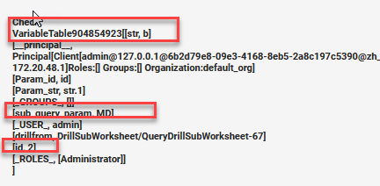

 | on state col Drill Check5:
 | 1. pop 'Please select a row' dialog, click 2nd row, then click OK button
 | 2. open baidu page, the URL show as:
 |  | para4=372.0&para3=25.0&sub_query_param=WA&para2=4月&para1=2022&Param_para4=1&Param_para3=0&Param_para2=MonthOfYear(ORDER_DATE)&Param_para1=Year(ORDER_DATE)
 | on state col Drill Check6
 | 1. pop 'Please select a row' dialog, click 2nd row, then click OK button
 | 2. open 'LinkVS', in parameter dialog, select '1st half of last year' and '0.1',the vs show as below:
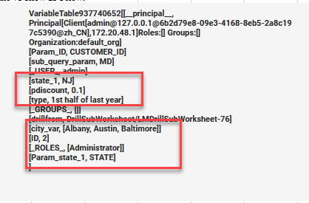

 |  |  |  |  |  | Bug #65906

 | on region col Drill Check1:
 | 1 click region link, open baidu page, the URL show as:
 |  | https://www.baidu.com/?Region=USA%20West

 | on exp_col col Drill Check1:
 | 1 Y axis, select '70' or select plot '70', open 'LinkVS', the vs show as below:

 | cube source autodrill:
 | cube dim col Drill Check1
 | 1. move mouce on fduration col cell,the tooltip show as:

 | 2.click web link, open baidu page,the URL show as:
 |  | https://www.baidu.com/?date=CY%202001

 | cube dim col Drill Check2
 | 1.click 'vs link',in parameter dialog, select '1st half of last year' and '0.1',the vs show as below:
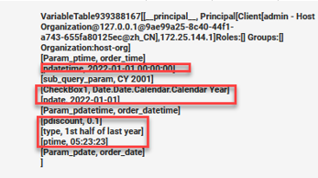

 | cube dim col Drill Check3
 | 1. move mouce on fduration col cell,the tooltip show as:

 | 2. Click web link, pop 'Please select a row' dialog, click 2nd row, then click OK button
 |  | pcol2=4月&pcol1=2022&sub_query_param=Australia&CheckBox1=Date.Date.Calendar.Calendar Year&pcol3=25.0&Param_pcol2=MonthOfYear(ORDER_DATE)&Param_pcol1=Year(ORDER_DATE)&Param_pcol3=0
 | cube dim col Drill Check4
 | 1.click 'vs link',the vs show as below:

