Calculate
Calculation
 | 1)重点Check crosstab Trend&Comparison change,percent,moving, value of,runnning total all types
 | Type: | Percent
 |  | Change
 |  | Running
 |  | Silding
 |  | Value of

 | 2)结合不同的bindinginfo, then coverd properties和action relation进行组合测试

AutoCase: Assemly\CrosstabCase\Crosstab_Calculate_Case.groovy |  |  |  |  |  |  | Total: 23条case
Note: every calculate by columns and rows at the same times |  |  |  |  |  | Bug #51147
1 Percent
 | algorithm: | mea value在subTotal/grandTotal里的占比
 |  | percent |  |  | combination test:
 |  | of | subTotal |  | subTotal | rows
 |  |  | grandTotal |  | subTotal | columns
 |  | By | columns |  | grandTotal | columns
 |  |  | rows |  | grandTotal | rows

 | Caculate: | percent of subTotal: |  | outer header value/subTotal |  |  | CA: 37/57=65%

 |  | percent of grandTotal: |  | outer header value/grandTotal |  |  | CA:37/79=47%

 | Others: | source: | model, query, ws(nagative)
 |  | binding: | covered diff crosstab structure&dim&aggregate options(include nagative)
 |  |  | row total&column total: show
 |  |  | Summarize: show
 |  | properties: | diff binding display check on side by side
 |  |  | shrink to fit
 |  | actions: | sidebyside relation radiobutton
 |  |  | sort column
 |  |  | expand Hierarchy
 |  |  | drill filter
 | BindingInfo |  |  |  |  |  |  | PropertiesInfo |  | ActionInfo
 | Row/Col/Summary |  | DimOptions |  | MeasureOptions
 | query |  | columns:Manual |  | aggregate: Sum |  |  | Summary side by side |  | Home |  | VSName: Calculate/Percent/Vpecent1
 | Null+2D(boolean)+2M |  | sort: by value(Desc&topN |  | percent of subTotal by columns |  |  | true/false(radiobutton) |  | sidebyside |  | AutoCase: Assembly\CrosstabCase\Crosstab_Calculate_Case\Vpecent1
 | 2D+Null+2M |  | Summarize: show |  | aggregate: Max |  |  | format(row/mea) |  | sort1
 |  |  | row total: show |  | percent of grandTotal by rows
 |  |  |  |  | TopN&others
 | ws(nagative):Null+2D+2M |  | none |  | aggregate: Max |  |  | Merge expand cells:fasle |  | NamedGroup |  | VSName: Calculate/Percent/Vpecent2
 |  |  | Summarize: show |  | percent of subTotal by columns |  |  | format(sub/grand total) |  |  |  | AutoCase: Assembly\CrosstabCase\Crosstab_Calculate_Case\Vpecent2
 |  |  | column total: show |  | percent of grandTotal by rows
 | model |  |  |  |  |  |  | shrink to fit |  | drillfilter |  | VSName: Calculate/Percent/Vpecent3 |  |  |  |  | Bug #51147
 | 2D(year)+Null+2M |  | Summarize: show |  | percent of subTotal by rows |  |  |  |  | sidebyside |  | AutoCase: Assembly\CrosstabCase\Crosstab_Calculate_Case\Vpecent3
 | 1D+2D(year)+2M |  | row&co total: show |  | percent of grandTotal by rows&columns |  |  |  |  | expand

2 Change
 | algorithm: | previous,Next, first,last(和前一个/后一个/第一/最后一个value进行比较的差值
 |  | form previous row series: |  |  |  |  |  | form next Region: 以Region为基准减去next region value |  |  |  |  | form first row series:减去第一个row value
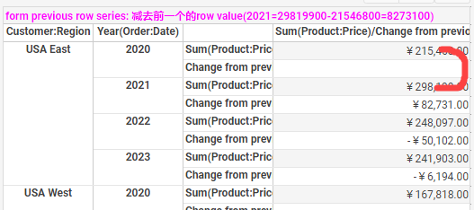
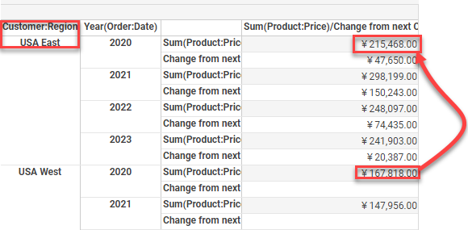
 |  |  |  |  |  |  |  |  |  |  |  |  | form last row series:减去最后一个row value

 | Calculate: | change | as percent(true,false)
 |  | value of | check row/col series/all rows/cols
 |  | From | check all from type(previous,Next, first,last)
 |  |  | date diff level: previous year,quarter, week
 | Others: | source: | model. Query, ws
 |  | binding: | covered diff crosstab structure&dim&aggregate options(include nagative)
 |  |  | group calcfield(string+date)
 |  |  | drillMembers
 |  |  | dynamic binding
 |  | properties: | diff binding display check on side by side
 |  |  | shrink to fit
 |  | actions: | sidebyside relation radiobutton
 |  |  | expand Hierarchy
 |  |  | filter relaiton selectlionTree
 |  |  | adhocfilter
 |  |  | namegroup
 | BindingInfo |  |  |  |  |  | PropertiesInfo |  | ActionInfo
 | Row/Col/Summary |  |  | MeasureOptions
 | model |  |  | aggregate: Sum |  |  |  |  | drilldown |  |  | VSName: Calculate/Change/Vchange1
 | 2D(String+level:Year)+Null+2M |  |  | Trend: none+change form previous |  |  |  |  |  |  |  | AutoCase: Assembly\CrosstabCase\Crosstab_Calculate_Case\Vchange1
 |  |  |  | (覆盖了所有的value of rows)
 | model |  |  | aggregate: Sum |  |  | Summary side by side |  | bookmark: |  |  | VSName: Calculate/Change/Vchange2
 | Null+2D(level:Year)+2M |  |  | change from previous |  |  | true/false(radiobutton) |  | sidebyside |  |  | AutoCase: Assembly\CrosstabCase\Crosstab_Calculate_Case\Vchange2
 |  |  |  | (覆盖了所有的value of columns)
 | model(pdate) |  |  | change from previous |  |  | Summary side by side |  | sidebyside |  |  | VSName: Calculate/Change/Vchange3
 | 1D+D(level:Year)+2M |  |  | (覆盖了所有的value of row&columns) |  |  | true/false(radiobutton) |  | hidecolumn |  |  | AutoCase: Assembly\CrosstabCase\Crosstab_Calculate_Case\Vchange3
 |  |  |  | TopN&others
 | 1D+2D(boolean+level:Year)+2M |  |  | aggregate: Nthlargest |  |  | Summary side by side |  | bookmark: |  |  | VSName: Calculate/Change/Vchange4
 | row: string calfield |  |  | percent of subtotal by columns |  |  | true/false(radiobutton) |  | sidebyside |  |  | AutoCase: Assembly\CrosstabCase\Crosstab_Calculate_Case\Vchange4
 | column: date calfield |  |  | change from (previous,Next, first,last)
 | dynamic binding |  |  | (覆盖了所有的value of row&columns)
 | rows: Manual
 | ws |  |  | aggregate: Nthlargest,Sum |  |  |  |  | filter1 |  |  | VSName: Calculate/Change/Vnegative
 | 2D+Null+2M |  |  | change from previous(as percent) |  |  |  |  | nameGroup |  |  | AutoCase: Assembly\CrosstabCase\Crosstab_Calculate_Case\Vnegative
 | rows: Manual,level: quarter fo year
 | query |  |  | chagne from first |  |  | shrink to fit |  | adhocfilter1 |  |  | VSName: Calculate/Change/Vchange5
 | 3D+Null+2M |  |  | 覆盖了所有的value of (row&columns) |  |  |  |  |  |  |  | AutoCase: Assembly\CrosstabCase\Crosstab_Calculate_Case\Vchange5
 | row&columns: drillMembers
 | Null+3D+M |  |  |  |  |  |  |  |  |  |  | VSName: Calculate/Change/Vchange6
 | ws |  |  | change from previous year,quarter, week |  |  |  |  | expand |  |  | AutoCase: Assembly\CrosstabCase\Crosstab_Calculate_Case\Vchange6
 | 2D(level:Quarter/Month/Day)+Null+2M |  |  |  |  |  |  |  | sidebyside
 | level: year(Quarter/Month/Day)
 | model |  |  | change from first |  |  |  |  |  |  |  | VSName: Calculate/Change/OthersCalc
 | 1D+2D+3M |  |  | %change from first |  |  |  |  |  |  |  | AutoCase: Assembly\CrosstabCase\Crosstab_Calculate_Case\OthersCalc
 |  |  |  | percent of subtotal by columns
 |  |  |  | running average
 |  |  |  | TopN&others&grand total

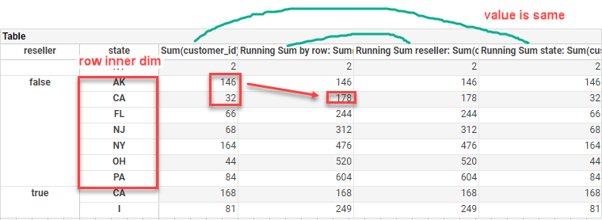
3 Running
 | algorithm:
 |  | row/column inner Dimension |  |  |  |  |  |  | row inner dim default/state/reseller
 |  | row/col的累加值

 | Calculate: | running
 |  | aggregate | by radiobutton change diff aggregate type
 |  | break by: | row/column inner Dimension
 |  |  | all rows/cols
 |  | Reset at: | none, year, quarter, month,hour, minute
 | Others: | source: | model, query, ws(date/time/string/boolean/num)
 |  | binding: | dynamic binding&calcfield
 |  |  | covered diff aggregate type
 |  |  | covered diff date level
 |  |  | row total&column total: show
 |  | properties: | by radiobutton change true/false
 |  |  | Fill Blank cell with Zero
 |  |  | shrink to fit
 |  | actions: | sidebyside relation radiobutton
 |  |  | filter data by adhoc filter/selection list
 |  |  | relation chart brush
 |  |  | collapse, expand
 | BindingInfo |  |  |  |  |  |  | PropertiesInfo |  | ActionInfo
 | Row/Col/Summary |  |  | MeasureOptions
 | ws:1D(level:quarter)+D+2M |  |  | Variance | row running inner dim(year) |  |  | Summary side by side |  | filter data by adhoc filter |  | VSName: Calculate/Change/Vrunningtotal1
 | 1D(level:month)+D+2M |  |  | Variance(pop) | row running inner dim(quater) |  |  | true/false(radiobutton) |  |  |  | AutoCase: Assembly\CrosstabCase\Crosstab_Calculate_Case\Running1
 | 1D(level:day)+D+2M |  |  | PthPercentile |  |  |  |  |  | bookmark:
 | 1D(level:quarter)+D+2M |  |  | Variance | row running inner dim(none) |  |  |  |  | sidebyside
 | 1D(level:month)+D+2M |  |  | Variance(pop)
 | 1D(level:day)+D+2M |  |  | PthPercentile | row running inner dim(week)
 | D+1D(level:week)+2M |  |  | Std Deviation | columnrunning inner dim(month)
 | ws:D(level:minute)+Null+2M |  |  |  | row running sum of hour, none |  |  |  |  | expand |  | VSName: Calculate/Running/Vrunningtotal2
 | D(leve:second)+Null+2M |  |  |  | row running sum of minute, none |  |  |  |  |  |  | AutoCase: Assembly\CrosstabCase\Crosstab_Calculate_Case\Running2
 | query:3D+Null+2M |  |  |  | running sum of all rows |  |  | Summary side by side |  | filter data by selectionlist |  | VSName: Calculate/Running/Vrunningtotal3
 |  |  |  |  | running sum of all cols |  |  | true/false(radiobutton) |  | bookmark: |  | AutoCase: Assembly\CrosstabCase\Crosstab_Calculate_Case\Running3
 | 2D+D+2M |  |  |  | running sum of all cols&rows |  |  | Fill Blank cell with Zero |  | sidebyside
 | model:2D(level:quarter of year)+Null+2M |  |  |  | running sum of |  |  | Summary side by side |  | sidebyside |  | VSName: Calculate/Running/Vrunningtotal4
 | D+2D(level:month of year)+2M |  |  |  | (覆盖了all break by rows&columns) |  |  | true/false(radiobutton) |  |  |  | AutoCase: Assembly\CrosstabCase\Crosstab_Calculate_Case\Running4
 | level:quarter of year,month of year
 | ws:1D(checkbox)+1D+3M(calfiled) |  |  |  | running sum of row |  |  | shrink to fit |  | bookmrk:morerows |  | VSName: Calculate/Running/crosstab dynamic binding
 |  |  |  |  |  |  |  | Fill Blank cell with Zero |  | set highlight&format |  | AutoCase: Assembly\CrosstabCase\Crosstab_Calculate_Case\RunningTotalcalcfield

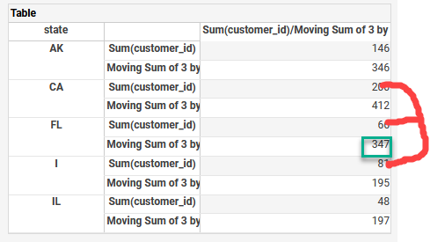
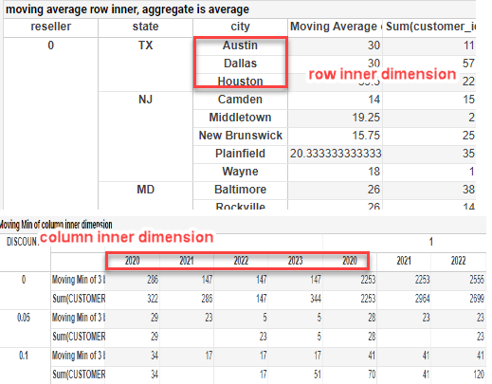
4 Silding
 | algorithm:
 |  | 前几个value+自己目前的value+后几个value的总和 |  |  |  |  |  |  |  |  |  |  |  |  |  |  |  |  | range:小区间
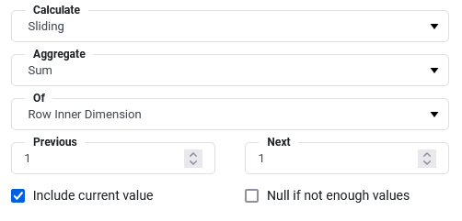

 |  | aggregate is Average: 相加的平均值
 |  | (146+200+66)/3=137.33333
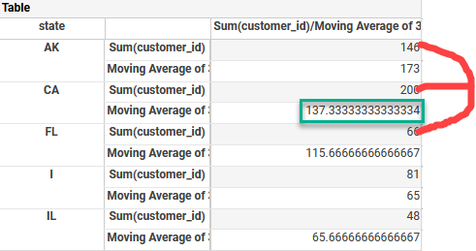

 | Calculate: | sliding
 |  | aggregate | by radiobutton change diff aggregate type
 |  | of | row/column inner Dimension
 |  | previous,next
 |  | include current value
 |  | null if not enough values
 | Others: | source: | model, query
 |  | binding: | covered diff aggregate type
 |  |  | row&column binding calfield
 |  | properties: | by radiobutton change true/false
 |  |  | Fill Blank cell with Zero
 |  |  | Summary side by side
 |  |  | Merge expand cells
 |  | actions: | filer relation for radibutton, calendar
 | BindingInfo |  |  |  |  | PropertiesInfo |  | ActionInfo
 | Row/Col/Summary |  | MeasureOptions
 | model:1D+2D(year)+2M |  | aggregate: Min |  |  | Summary side by side |  | properties |  |  |  | VSName: Calculate/Sliding/Vsliding1
 |  |  | moving Min column inner |  |  |  |  | filter1(by calendar) |  |  |  | AutoCase: Assembly\CrosstabCase\Crosstab_Calculate_Case\Vsliding1
 | query:1D+1D(boolean)+2M |  | aggregate: Min |  |  | Fill Blank cell with Zero |  | sidebyside |  |  |  | VSName: Calculate/Sliding/Vsliding2
 |  |  | moving count row inner |  |  |  |  |  |  |  |  | AutoCase: Assembly\CrosstabCase\Crosstab_Calculate_Case\Vsliding2
 |  |  | include current value
 | 3D+Null+2M |  | aggregate: Sum |  |  | Summary side by side
 |  |  | moving average row inner
 |  |  | null if not enough values
 | query |  | moving sum colum inner |  |  | Fill Blank cell with Zero |  | radiobutton去改变aggregate |  |  |  | VSName:Calculate/Sliding/Vsliding3
 | 1D+1D(year)+2M |  | include current value |  |  |  |  | count,distinctCount |  |  |  | AutoCase: Assembly\CrosstabCase\Crosstab_Calculate_Case\Vsliding3
 | row&column binding calfield |  | Null if not enough values |  |  |  |  | Median,product,mode
 |  |  |  |  |  |  |  | concat,Std Deviation

5 Value of
 | algorithm:
 |  | value of first: 拿第一个value |  |  |  |  |  |  | value of last: 拿最后一个value

 |  | value of previous:拿前一个value |  |  |  |  |  |  | value of next:拿前一个value
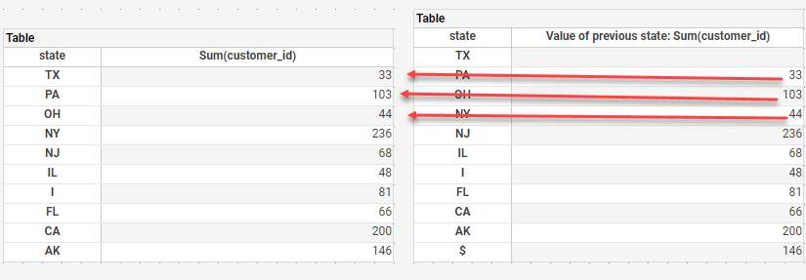
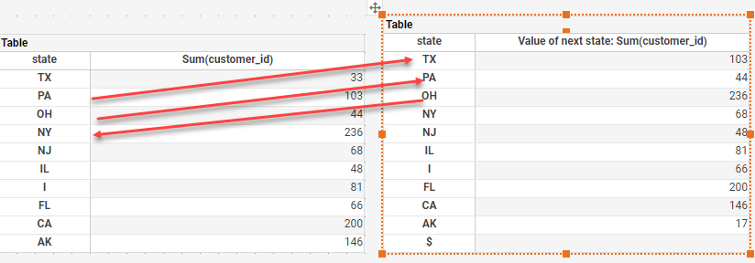

 | Calculate: | value of
 |  | value of | row/column series |  | //inner dimension(row/col)的value一样
 |  |  | all rows/columns
 |  | From | check all from type(previous,Next, first,last)
 |  |  | date diff level: previous year,quarter, week
 | Others: | source: | oracle physical table, model, ws
 |  | binding: | expression, calfield
 |  |  | row total&column total: show
 |  | properties: | by radiobuton check on side by side
 |  | actions: | expand
 |  |  | cellsize
 |  |  | hide column
 |  |  | relation filter by selectionlist, seletiontree, canlendar
 | BindingInfo |  |  |  |  |  |  |  | PropertiesInfo |  | ActionInfo
 | Row/Col/Summary |  | DimOptions |  | MeasureOptions
 | oracle physical table |  |  |  | none |  |  |  | Summary side by side |  | sidebyside |  | VSName:Calculate/ValueOf/Vvalueof1
 | 3D+Null+5M |  |  |  | value of first(覆盖了所有的value of rows) |  |  |  | true/false(radiobutton) |  |  |  | AutoCase: Assembly\CrosstabCase\Crosstab_Calculate_Case\Vvalueof1
 | 1D+3D+5M |  |  |  | aggregate: Max |  |  |  |  |  | relation selectionlist |  | VSName:Calculate/ValueOf/Vvalueof2
 | rows: expression column |  |  |  | value of last(覆盖了所有的value of cols&rows) |  |  |  |  |  | hide column |  | AutoCase: Assembly\CrosstabCase\Crosstab_Calculate_Case\Vvalueof2
 | Null+3D+5M |  | colum: boolean calcfield |  | aggregate: Average(calcfiedl) |  |  |  |  |  | bookmark:
 |  |  |  |  | value of next(覆盖了所有的value of columns) |  |  |  |  |  | expand, cellsize
 | 3D(level:year)+Null+5M |  |  |  | aggregate: Count+Distinct Count |  |  |  | Summary side by side |  | sidebyside |  | VSName:Calculate/ValueOf/Vvalueof3
 |  |  |  |  | none,value of previous |  |  |  | true/false(radiobutton) |  |  |  | AutoCase: Assembly\CrosstabCase\Crosstab_Calculate_Case\Vvalueof3 |  |  |  |  | Bug | 同时给rows和columns做的时候，有一列data不显示
 |  |  |  |  | (覆盖了所有的value of cols&rows)
 | 1D(level:quarter+1D+2M |  | level: year(Quarter/Month/Day) |  | value of previous year,quarter, week |  |  |  | date format |  |  |  | VSName:Calculate/ValueOf/Vvalueof4
 | 1D(level:month)+1D+2M |  |  |  |  |  |  |  | highlight |  |  |  | AutoCase: Assembly\CrosstabCase\Crosstab_Calculate_Case\Vvalueof4
 | 2D(leve:day)+Null+2M

6.以下主要是根据发现的一些bug，针对others计算补充了四个case
 |  | 1.对于数据，只考虑数据本身，不考虑数据源
 |  |  | a.DataType |  | Date,Datetime,Time,Int,Double,Boolean
 |  |  | b.formula |  | vs | calcfield,component binding
 |  |  |  |  | ws | groupAggTableColumn,groupAggCrosstabColumn,formula,date/number range
 |  |  | c.数据的内容 |  | 空值,
 |  | 2.crosstab 结构，只考虑
 |  |  | Row/Column+Aggregate |  |  | 如bug#56918 ,跟crosstab结构有关,只有只binding row或者column时才重现,1.show grand total后others计算正确;2.rows/columns都binding时数据others计算正确
 |  |  | Row+Column+Aggregate
 |  | 3.aggregate+trend comparison |  |  | aggregate只考虑常用的函数，Sum,Average,Max,Min,Count,Distinct Count,FIrst,Last,Median,Mode,Concat
 |  |  |  |  | aggregate和trend and comparison组合
 |  | 4.其他
 |  |  | a.加入number format的测试
 |  |  | b.加入date format的测试 |  |  |  | //根据一些bug发现，设置了date format可能会出现一些问题
 |  |  | c.结合 named group，grand total |  |  | eg，inner column做group，check running total by inner col
 |  |  | d.highlight

 | structure |  |  | DimOptions |  | MeasureOptions |  |  | Name | OthersInfo |  | ActionInfo
 | 2Row+Aggregate |  |  | show summarize |  | Sum,Count,Average |  |  | crosstab1 | number format |  |  |  | VSName:Calculate/OthersGroupCalc/OthersCalc1
 |  |  |  | outer Row:TopN&Others |  | PercentOfGrand/SubTotal |  |  | crosstab2 | date format |  |  |  | AutoCase: Assembly\CrosstabCase\Crosstab_Calculate_Case\OthersCalc1
 | Column+Aggregate |  |  | Column:TopN&Others |  | Change from previousDataGroup |  |  |  | Column:named group |  |  |  | bug#56918,bug #56908
 |  |  |  |  |  | %Change from previous |  |  |  | highlight on Others
 |  |  |  |  |  |  |  |  |  | highlight on groups
 | Row+Column+Aggregate |  |  | Rows:TopN&Others |  | Change from last by column: Max |  |  | crosstab1 | Wrap text |  | bk1:filterothers |  | VSName:Calculate/OthersGroupCalc/OthersCalc2
 | Row: ws formula(Int) |  |  | Col:TopN&Others |  | Change from first ColumnName: Min |  |  | crosstab2 | Text format |  |  |  | AutoCase: Assembly\CrosstabCase\Crosstab_Calculate_Case\OthersCalc2
 |  |  |  |  |  | Change from next by row: Median |  |  |  |  |  |  |  | bug#57670,Bug #57746 |  | //value of跟change of似乎走的一个逻辑,这块发现的问题都是一样的,改好一个另外一个也就好了
 |  |  |  |  |  | Value of last by row: Average
 |  |  |  |  |  | Value of first by column: Average
 |  |  |  |  |  | Value of next by column: Mode
 | 2Column+Aggregate |  |  | inner column:TopN |  | running sum by inner column |  |  |  | inner column named group |  | bk1:filterdate |  | VSName:Calculate/OthersGroupCalc/OthersCalc3
 | ws crosstab |  |  | outer column:TopN&Others |  | value of previous Month:first with date |  |  |  | hide column |  |  |  | AutoCase: Assembly\CrosstabCase\Crosstab_Calculate_Case\OthersCalc3
 |  |  |  |  |  | Moving Average
 | 2Row+Aggregate |  |  | inner rows:TopN |  | Value of previous:sum |  |  | crosstab1 | outer/inner row named group |  |  |  | VSName:Calculate/OthersGroupCalc/OthersCalc4
 | nul value |  |  | outer rows:TopN&Others |  | Moving Max by row: DistinctCount |  |  |  | highlight on null |  |  |  | AutoCase: Assembly\CrosstabCase\Crosstab_Calculate_Case\OthersCalc4
 |  |  |  |  |  | Moving Concat by row: DistinctCount |  |  |  | highlight on Others
 |  |  |  |  |  | Moving Median by row: Average |  |  |  | row total
 | component binding |  |  |  |  | Average |  |  | crosstab2 | text format
 |  |  |  |  |  | Change from first by row: Sum |  |  |  | percent format
 |  |  |  |  |  | % Change from first by row: Sum |  |  |  | currency format
 |  |  |  |  |  | Moving Concat of 3 by row:None |  |  |  | text format

7 Comparison total calculation |  |  |  | //refer to Bug #62730
 | 以前的逻辑： | set trend&comparison，group&grand total不参与计算
 |  | DC和crosstab一样，group&grand total不参与计算
 | 目前的逻辑：
 |  | 1 Add 'Compute Trend and Comparison for Totals' in properties
 |  | a. check off 'Compute Trend and Comparison for Totals',group&grand total不参与计算，保持原来的逻辑
 |  | b. check on 'Compute Trend and Comparison for Totals', set trend&comparison, row&col group and grand total都参与计算

 |  | 2 DC改动: | a. Change1: row/col grand total aggregate隐藏的周期不参与计算 |  |  |  |  |  |  | // 'Compute Trend and Comparison for Totals'是否check on无关
 |  |  | 1). check diff date level |  | //only covered some way |  |  |  |  | //only effect standard period,custom didn't hidden column
 |  |  | 2). check some action effect |  |  |  |  |  |  | //能够filter some data，check隐藏的data不应该被计算
 |  |  | top&bottom, condition, adhoc filter, hide column |  |  |  |  |  |  | //check后，only topNbottom有影响
 |  | eg:

 |  |  | b.check on 'Compute Trend and Comparison for Totals',row&col group&grand total trend&comparison参与计算(standard&cumtom period走的都是crosstab trend&comparsion的逻辑)
 |  |  | 1)Change2: 1st row&column group&grand total change previous value should be calculate |  |  |  |  |  |  | //唯一不同crosstab:standard period 存在辅助的第一个period
 |  |  | 2)Top&bottom N effect |  |  |  |  |  |  | //因为会隐藏一些data，隐藏data不被计算

 | 分析： | 1. normal crosstab
 |  | 主要check不同结构下不同类型的trend&comparsion row&col group and grand total data计算是否正确
 |  | 1.1. crosstab的结构(RG1,RG2,CG1,CG2 group total, row&col grand total)
 |  |  | row header | column header | measure
 |  |  | n | 0 | n
 |  |  | 0 | n | n
 |  |  | n | n | n

 |  | 1.2. Trend&comparison, 以下因素有影响，需要覆盖 |  |  |  |  |  | //break不同的col，group total计算level会不一样，data会不一样
 |  |  | 1) Change&Change%&Value of
 |  |  |  | Value of |  | From |  | //value of跟change of是继承关系,这块发现的问题都是一样的,改好一个另外一个也就好了
 |  |  | Row | Row Series |  | Frist |  | //only one total, previous&next计算不出来显示空, first/last total 显示current value
 |  |  |  | RG1 |  | Previous
 |  |  |  | RG2 |  | Next
 |  |  | Column | Column Series |  | Last
 |  |  |  | CG1
 |  |  |  | CG2

 |  |  | 2) Running&Compound growth |  |  |  |  | //是继承关系,这块发现的问题都是一样的,改好一个另外一个也就好了
 |  |  | Break by
 |  |  | Row Inner Dimension |  |  |  |  | //row group total显示current value
 |  |  | RG1
 |  |  | RG2
 |  |  | Column Inner Dimension
 |  |  | CG1
 |  |  | CG2 |  |  |  |  | //reset at no effect

 |  |  | 3) Sliding
 |  |  | of
 |  |  | Row Inner Dimension
 |  |  | Column Inner Dimension

 |  |  | 4) Percent: | total以前就参与计算，保持原来的逻辑 |  |  |  | //needn't case

 |  | 2. DC crosstab
 |  | //针对change1(hide column total不被计算）和change2(1st total需要被计算因为存在辅助period)进行check
 |  | 2.1 covered row and column group&grand total
 |  | special: | a. date col as group total
 |  |  | b. no date col as group total |  |  |  |  | eg: row: no date col(as group total)+date col
 |  | 2.2. covered some diff date period
 |  | 2.3. topN&bottomN exsit effect |  |  |  |  |  | //因为会隐藏一些data，隐藏data不被计算

 |  | structure |  | DimOptions |  |  | MeasureOptions |  |  | Name | OthersInfo |  | ActionInfo
 |  | 3Row+Aggregate |  | Row Group&Grand Total |  |  | Change from frist by row series |  |  | crosstab1 |  |  | highlight(group&grand total) |  | VSName:Calculate/ComparisonTotal/Change&Value_Total1
 |  |  |  |  |  |  | Change from previous by(RG1) |  |  |  |  |  |  |  | AutoCase: Assembly\CrosstabCase\Crosstab_Calculate_Case\Change&Value_Total1
 |  |  |  |  |  |  | Change from next by(RG2)
 |  |  |  |  |  |  | %Change from last by end row
 |  | 3Column+Aggregate |  | Column Group&Grand Total |  |  | Average |  |  | crosstab1 |  |  |  |  | VSName:Calculate/ComparisonTotal/Change&Value_Total2
 |  |  |  |  |  |  | Vlaue of previous Column serties |  |  |  |  |  |  |  | AutoCase: Assembly\CrosstabCase\Crosstab_Calculate_Case\Change&Value_Total2
 |  |  |  |  |  |  | Vlaue of first by RG1
 |  |  |  |  |  |  | Value of last by RG2
 |  |  |  |  |  |  | Value of next by end col
 |  | Row+2Column+Aggregate |  | binding calcfield |  |  | Change from frist by row series |  |  | crosstab2 |  |  | number format(group&grand total)
 |  |  |  | set topN&others |  |  | Value of last by RG1
 |  | 3Row+Aggregate |  | Row Group&Grand Total |  |  | Running(Average) break row reset |  |  | crosstab1 |  |  |  |  | VSName:Calculate/ComparisonTotal/Running&Compound_Total
 |  |  |  |  |  |  | Running(Sum) break RG1 |  |  |  |  |  |  |  | AutoCase: Assembly\CrosstabCase\Crosstab_Calculate_Case\Running&Compound_Total
 |  |  |  |  |  |  | Running(Count) break end row
 |  |  |  |  |  |  | Compound growth break by Column Series |  |  | crosstab2
 |  |  |  |  |  |  | Compound growth break by CG1
 |  | 2Row+1Column+Aggregate |  | binding calcfiled |  |  | Running Total break by col |  |  | crosstab3 |  |  | calender filter
 |  | 2Row+1Column+Aggregate |  | Row Group&Grand Total |  |  | Sliding-NthLargest |  |  | crosstab1 | side by side |  | selection filter |  | VSName:Calculate/ComparisonTotal/Sliding_Total
 |  |  |  |  |  |  | Column Inner Dimension |  |  |  |  |  |  |  | AutoCase: Assembly\CrosstabCase\Crosstab_Calculate_Case\Sliding_Total
 |  |  |  | Row&Column Group&Grand Total |  |  | Row Inner Dimension |  |  | crosstab2 | check off sort others last
 |  | 2Row+2Column+Aggregate |  | set topN&others |  |  | Count
 |  | 2Row+1(Date)+Aggregate |  | Row&Column Group&Grand total |  |  | Change&Value |  |  | crosstab1 | Comparison for Totals false |  |  |  | VSName:Calculate/ComparisonTotal/DC_Total1
 |  | 2Row(Date)+1Column+Aggregate |  | Set TopN |  |  |  |  |  | crosstab2 |  |  |  |  | AutoCase: Assembly\CrosstabCase\Crosstab_Calculate_Case\DC_Total1
 |  | 1(Date)+2Row+Aggregate |  | Set BottomN |  |  | Change&Value |  |  | crosstab1 | Comparison for Totals true |  | add annotation |  | VSName:Calculate/ComparisonTotal/DC_Total2
 |  | 2Row(Date)+1Column+Aggregate |  |  |  |  |  |  |  | crosstab2 | side by side |  |  |  | AutoCase: Assembly\CrosstabCase\Crosstab_Calculate_Case\DC_Total2

DateComparsion
AutoCase: Assemly\CrosstabCase\Crosstab_DateComparison_Case.groovy file |  |  |  |  |  | Total:28条case
Precondition:set system date is 2021-11-08, dc's default status:todate & inclusive is true, today&inclusive is true

covered crosstab structure: |  |  |  |  |  |  |  |  |  |  |  |  |  |  |  |  | 简称
 |  | Rows+Cols+Aggregates |  |  |  |  |  |  |  |  |  |  |  | From Beginning of Each Year to Current Day of Year |  |  | FromTo
 |  | 1D(date)/Null/1M |  |  |  |  |  |  |  |  |  |  |  | Include Year For End Date |  |  | Include
 |  | Null/1D(date)/more M |  |  |  |  |  |  |  |  |  |  |  | Inclusive |  |  | Inclusive
 |  | 1D/1D(date)/1M |  |  | //这种保证生成的runtime是扩展的date column右侧 |  |  |  |  |  |  |  |  | Use Range End Date |  |  | Use end date
 |  | 1D+1D(Date)/Null/1M
 |  | 1D(Year)/1D(Month)/1M |  |  | //先找rows上的date col，rows上没有再check cols上有没有date col, 如果both binding same date cols, 只保留rows上date col
covered variable&expression, calcfield in binding pane

1 Standard Periods:
 | crosstab conditon logic is the same to chart, so every period-interval test a way
 | 这里是按照level展开的结构去分析的, level相同的放在了一个vs上进行测试,Xtodate/SameX and for each交叉测试
 | Rule: | period and compare data as condition to filter data, period as compare period,以granularity为准，找最相邻的level作为date level去分组。
 |  | if period&context相同并且interval&Granularity相同，Granularity直接决定datelevel
 |  | IntervalType |  |  | Result
 |  | All |  |  | 用periods filter data, Granularity & period组合作为date level去展示filter出的数据
 |  | xtodate by context & granularity |  |  | period作为第一个range & interval by context再去细分range，然后去filter数据(Xtodate的todate为每个interval type的截止时间), 以granularity为准，找最相邻的level作为date level去分组。
 |  | samex by context & granularity |  |  | period作为第一个range & interval by context再细分rang后去filter数据(same的todate只定位当前interval type的时间，截止到interval type的最后一天)， 找最相邻的level作为date level去分组。

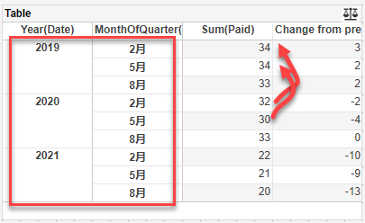
 |  | Precondition:current date:20211108 |  |  |  |  |  | Year-MonthTodate-Year-Month: |  |  |  |  |  | Year-MonthTodate-Quarter-Month:
 |  | Year-All-Quarter: |  |  |  |  |  | Today is 20211108
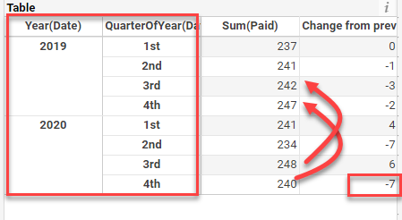

 | Note:end date is 2021-11-08. some case covered side by side for aggregate
 | Level structure |  | Periods-Compare Data Of-Granularity |  |  | Row+Col+Agg |  |  | FromTo | Include | Use end date | Inclusive | Display |  | ActionInfo
 | Year |  | Years-All-Year |  |  | D + D(date) +M |  |  | TRUE | TRUE |  |  | Vlaue Only |  |  | VSName: Calculate/DateComparison/Interval-Year
 |  |  | Years-YearToDate-Year-Year |  |  | D(Year) + D(week) + M |  |  |  | TRUE | TRUE | FALSE | Change&Value |  |  | AutoCase: Assembly\CrosstabCase\Crosstab_DataComparsion_Case\Interval-Year
 |  |  | Years-YearToDate-Year-Year |  |  | Date(year连续但有空值) + Null + M |  |  |  | FALSE | 2021-11-01 | TRUE | %Change&Value
 | Quarter |  | Quarters-All-Quarter |  |  | DDate+ Null +M |  |  | FALSE | TRUE |  |  | Change&Value |  |  | VSName: Calculate/DateComparison/Interval-Quarter
 |  |  | Years-QuarterToDate|SameQuarter-Year-Quarter |  |  | Date +_ Null + MM |  |  | TRUE | TRUE | 2021-12-06 |  | Change |  |  | AutoCase: Assembly\CrosstabCase\Crosstab_DataComparsion_Case\Interval-Quarter
 |  |  | Quarters-QuarterToDate-Quarter-Quarter |  |  | Date +_ Null + M |  |  | FALSE | TRUE | TRUE | TRUE | %Change&Value
 | Month |  | Months-All-Month |  |  | DDate+ Null +M |  |  | FALSE | FALSE |  |  | Change&Value |  | bk1:NamedGroup | VSName: Calculate/DateComparison/Interval-Month
 |  |  | Years-MonthToDate|SameMonth-Year-Month |  |  | Date + Null + M |  |  | TRUE | TRUE | 2021-05-06 |  | %Change |  |  | AutoCase: Assembly\CrosstabCase\Crosstab_DataComparsion_Case\Interval-Month
 |  |  | Quarters-MonthToDate|SameMonth-Quarter-Month |  |  | Date + Null + M |  |  |  | TRUE | 2021-11-02 | TRUE | Change
 |  |  | Months-MonthToDate|SameMonth-Month-Month |  |  | Date(month exsit null, as time is true) + Null + M |  |  | FALSE | TRUE | TRUE | TRUE | %Change&Value
 | Week |  | Weeks-All-Week |  |  | Ddate(Week exsit null,不连续)+ Null +M |  |  | FALSE | TRUE |  |  | Vlaue Only |  |  | VSName: Calculate/DateComparison/Interval-Week
 |  |  | Years-WeekToDate|SameWeek-Year-Week |  |  | Date + Null + M |  |  | FALSE | TRUE | 2021-11-10 | TRUE | Change&Value |  |  | AutoCase: Assembly\CrosstabCase\Crosstab_DataComparsion_Case\Interval-Week
 |  |  | Quarters-WeekToDate|SameWeek-Quarter-Week |  |  | Date + Null + M |  |  | FALSE | FALSE | 2021-10-02 | TRUE | %Change&Value
 |  |  | Months-WeekToDate|SameWeek-Month-Week |  |  | DD(Date) + Null + M |  |  | FALSE | TRUE | 2021-10-06 |  | Change |  | set format for week col
 |  |  | Weeks-WeekToDate|SameWeek-Week-Week |  |  | Null + D + MM |  |  | FALSE | TRUE | 2021-11-08 | FALSE | %Change
 | Day |  | Days-All-Day |  |  | DateD + D + M |  |  |  | TRUE |  |  | Vlaue Only |  |  | VSName: Calculate/DateComparison/Interval-Day
 |  |  | Years-SameDay-Year-Day |  |  | Null + Date(calcfield) + M(calcfield) |  |  | FALSE | TRUE | 2021-05-06 |  | Change&Value |  |  | AutoCase: Assembly\CrosstabCase\Crosstab_DataComparsion_Case\Interval-Day
 |  |  | Quarters-SameDay-Quarter-Day |  |  | D + Null + M |  |  | FALSE | TRUE | 2021-05-06 |  | %Change
 |  |  | Months-SameDay-Month-Day |  |  | Date + Null + M |  |  | TRUE | TRUE | 2021-11-03 |  | Change
 |  |  | Weeks-SameDay-Week-Day |  |  | Date(week不连续) + Null + M |  |  | FALSE | TRUE | TRUE |  | %Change&Value
 | Year+QuarterOfYear |  | Years-All-Quarter |  |  | DDate+ Null +M |  |  | TRUE | FALSE |  |  | %Change&Value |  |  | VSName: Calculate/DateComparison/Year-Quarter
 |  |  |  |  |  | Null + Date +M |  |  | TRUE | FALSE |  |  | Change&Value
 |  |  | Years-YearToDate-Year-Quarter |  |  | Date + Null + M |  |  |  | TRUE | 2021-11-02 | TRUE | Change |  |  | AutoCase: Assembly\CrosstabCase\Crosstab_DataComparsion_Case\Year-Quarter
 |  |  | Years-QuarterToDate-Quarter-Quarter |  |  | Date + Null + M |  |  | TRUE | TRUE | TRUE | FALSE | Change&Value
 | Year+MonthOfYear |  | Years-All-Month |  |  | Date(month exsit null) +Null + M |  |  | TRUE | TRUE |  |  | Change&Value |  | bk1: annotation
 | Year+MonthOfQuarter |  | Years-QuarterToDate-Quarter-Month |  |  | Date + Null + M |  |  | TRUE | FALSE | 2021-10-02 | FALSE | Change |  | edit value&change header cell | VSName: Calculate/DateComparison/Year-Month
 |  |  | Years-SameMonth-Quarter-Month |  |  | Date + Null + M |  |  | FALSE | TRUE | 2021-09-08 |  | %Change |  |  | AutoCase: Assembly\CrosstabCase\Crosstab_DataComparsion_Case\Year-Month
 | Year+WeekOfYear |  | Years-All-Week |  |  | Date + Null + M |  |  | FALSE | TRUE |  |  | Value |  | bk1: sort
 | Year+WeekOfMonth |  | Years-MonthToDate-Month-Week |  |  | Date + Null + M |  |  | TRUE | TRUE | TRUE | TRUE | Change&Value |  | diff level: highlight | VSName: Calculate/DateComparison/Year-Week
 | Year+WeekOfQuarter |  | Years-SameWeek-Quarter-Week |  |  | Date + Null + M |  |  | TRUE | TRUE | 2021-11-08 |  | %Change&Value |  | set cell size | AutoCase: Assembly\CrosstabCase\Crosstab_DataComparsion_Case\Year-Week
 | Year+WeekOfYear |  | Years-YearToDate-Year-Week |  |  | D + Date + M |  |  | TRUE |  | 2021-11-13 | TRUE | Change&Value
 | Year+DayOfYear |  | Years-All-Day |  |  | Date + Null + M |  |  | FALSE | TRUE |  |  | Change&Value |  | adhoc filter for diff level | VSName: Calculate/DateComparison/Year-Day
 | Year+DayOfWeek |  | Years-WeekToDate-Year-Day |  |  | Date + Null + M |  |  | FALSE | TRUE | 2021-11-05 | TRUE | Change&Value |  | highlight | AutoCase: Assembly\CrosstabCase\Crosstab_DataComparsion_Case\Year-Day
 |  |  | Years-YearToDate-Year-Day |  |  | Null + Ddate + M |  |  |  | TRUE | 2021-10-08 | TRUE | %Change&Value
 | Year+DayOfMonth |  | Year-SameMonth-Quarter-Day: |  |  | Date + Null + M |  |  | FALSE | TRUE | 2021-10-02 |  | Change
 | Year+DayOfQuarter |  | Yesr -QuarterToDate -Year -Day |  |  | Null + Date + M |  |  | FALSE | TRUE | 2021-11-13 | TRUE
 | Quarter+MonthOfQuarter |  | Quarters-All-Month |  |  | Date + Null + M |  |  | TRUE | TRUE |  |  | %Change |  | bk1: binding1 | VSName: Calculate/DateComparison/Quarter-Month
 |  |  | Quarters-QuarterToDate-Quarter-Month |  |  | D(variable) + Null + M |  |  | TRUE | TRUE | 2021-10-06 | TRUE | Change&Value |  | bk2: binding2 | AutoCase: Assembly\CrosstabCase\Crosstab_DataComparsion_Case\Quarter-Month
 |  |  | Quarters-MonthToDate-Month-Month |  |  | Date(calcfield) + Null + M(calcfield) |  |  | TRUE | FALSE | TRUE | FALSE | %Change&Value
 | Quarter+WeekOfQuarter |  | Quarters-All-Week |  |  | Date + Null + M |  |  | TRUE | TRUE |  |  | Change |  |  | VSName: Calculate/DateComparison/Quarter-Week;
 |  |  | Quarters-QuarterToDate-Quarter--Week |  |  | Null + Date + M |  |  | FALSE | TRUE | 2021-10-20 | TRUE | %Change |  |  | AutoCase: Assembly\CrosstabCase\Crosstab_DataComparsion_Case\Quarter-Week
 |  |  | Quarters-MonthToDate-Quarter-Week |  |  | Date(expression) + Null + M |  |  | TRUE | TRUE | 2021-11-06 | TRUE | Change&Value
 |  |  | Quarters-SameWeek-Quarter-Week |  |  | Date + Null + M |  |  | TRUE | TRUE | 2021-10-01 |  | value only
 | Quarter+DayOfQuarter |  | Quarters-All-Day |  |  | Date + Null + M |  |  | FALSE | TRUE |  |  | Change&Value |  | bk1:sort, bk2: adhoc_filter | VSName: Calculate/DateComparison/Quarter-Day
 |  |  | Quarter-QuarterToDate-Quarter-Day |  |  | Date + Null + M |  |  | TRUE |  | 2021-01-08 | TRUE | %Change&Value |  | diff level: highlight | AutoCase: Assembly\CrosstabCase\Crosstab_DataComparsion_Case\Quarter-Day
 | Quarter+DayOfWeek |  | Quarters-WeekToDate-Month-Day |  |  | Date + Null + M |  |  | TRUE | FALSE | 2021-10-15 | TRUE | Change&Value
 | Month+WeekOfMonth |  | Months-All-Week |  |  | Date + Null + M |  |  | FALSE | TRUE |  |  | Change |  | Merge Expanded Cells false | VSName: Calculate/DateComparison/Month-Week
 |  |  | Months-MonthToDate-Month-Week |  |  | Date + Null + M |  |  | TRUE | FALSE | 2021-11-05 | TRUE | %Change&Value |  |  | AutoCase: Assembly\CrosstabCase\Crosstab_DataComparsion_Case\Month-Week
 | Month+DayOfMonth |  | Months-All-Day |  |  | Date + Null + M |  |  | FALSE | FALSE |  |  | Change&Value |  |  | VSName: Calculate/DateComparison/Month-Day
 |  |  | Months-MonthToDate-Month-Day |  |  | Date + Null + M |  |  | TRUE |  | 2021-10-04 | FALSE | %Change |  |  | AutoCase: Assembly\CrosstabCase\Crosstab_DataComparsion_Case\Month-Day
 | Month+DayOfWeek |  | Months-WeekToDate-Week-Day |  |  | Date + Null + M |  |  | TRUE | TRUE | 2021-11-05 | TRUE | Change
 | Week+DayOfWeek |  | Weeks-All-Day |  |  | Date + Null + M |  |  | FALSE | TRUE |  |  | Change&Value |  | format, highlight | VSName: Calculate/DateComparison/Week-Day
 |  |  | Weeks-WeekToDate-Week-Day |  |  | Date + Null + M |  |  | TRUE | FALSE | TRUE | TRUE | %Change&Value |  | Fill Blank Cell With Zero | AutoCase: Assembly\CrosstabCase\Crosstab_DataComparsion_Case\Week-Day

2 Custom Period:
 | custom range as condition to filter data, Granularity as date level to group data
 | 只展现5种level结构:Year, Quarter, Month, Week, Day

 | Level structure |  |  | Granularity | Row+Col+Agg | Display
 | Year | 逐年的,不连续 |  | Year | Date + D + M | Change&Value |  |  |  | VSName:Calculate/DateComparison/Custom/Year
 |  | 跨年的 |  |  | Date + D + M | Change |  |  |  | AutoCase: Assembly\CrosstabCase\Crosstab_DataComparsion_Case\Year
 |  | 跨年，range范围右包含 |  |  | Date + Null + M | %Change
 |  | range diff(全包含) |  |  | Date + D + M | %Change
 |  | range重叠 |  |  | Date + Null + M | Change&Value
 | Quarter | 逐季度 |  | Quarter | Date + Null + M | Change&Value |  |  |  | VSName:Calculate/DateComparison/Custom/Quarter
 |  | 逐年的 |  |  | Date + Null + M | %Change&Value |  |  |  | AutoCase: Assembly\CrosstabCase\Crosstab_DataComparsion_Case\Quarter
 |  | 单个range跨年跨季度 |  |  | Date + Null + M | Change&Value
 |  | range diff |  |  | Date + Null + M | %Change
 | Month | 逐月的 |  | Month | DDate + Null + M | Change&Value
 |  | month有超出 |  |  | Date + Null + M | %Change&Value |  |  |  | VSName: Calculate/DateComparison/Custom/Month
 |  | 跨年跨月的 |  |  | Date + Null + MM | Change |  | bk1: adhocfilter |  | AutoCase: Assembly\CrosstabCase\Crosstab_DataComparsion_Case\Month
 |  | 同年跨月的 |  |  | Date + Null + M | %Change
 | Week | 逐个week对比 |  | Week | Date + Null + M | Change
 |  | 跨年跨季度 |  |  | Date + Null + M | %Change
 |  | 跨年相同月的week |  |  | Date + Null + M | %Change&Value |  |  |  | VSName:Calculate/DateComparison/Custom/Week
 |  | 跨月跨week |  |  | D _ Date + M | Change&Value |  |  |  | AutoCase: Assembly\CrosstabCase\Crosstab_DataComparsion_Case\Week
 |  | 跨年跨week |  |  | Date + Null + M | %Change |  |  |  | // the case add print layout,if the columns are too narrow, we use FIT_CONTENT_PAGE instead of FIT_PAGE(Bug #65687)
 | Day | 起始年不唯一 |  | Day | Date + Null + M | Change
 |  | 起始年唯一 |  |  | Date + Null + M | Change&Value |  |  |  | VSName:Calculate/DateComparison/Custom/Day
 |  | 单个range跨年： |  |  | Date + Null + M | %Change&Value |  |  |  | AutoCase: Assembly\CrosstabCase\Crosstab_DataComparsion_Case\Day

3 Others
 | 3.1 variable&expression
 | check position:
 | Type1: | previous |  | radiobutton
 |  | periods |  | radiobutton
 |  | compare data of and for each |  | checkbox
 |  | Today |  | combobox_calendar
 |  | Granularity |  | radiobutton
 | Type2: | custom period date |  | combobox_calendar
 |  | custom interval |  | radiobutton/checkbox
 | //covered standard&custom periods
 | CaseInfo |  |  | ActionInfo
 | Type1 binding radiobutton |  |  | bk1:Variable1 |  | VSName:Calculate/DateComparison/Special/Variable1
 | Today binding combobox_calendar |  |  | bk2:Variable2 |  | AutoCase: Assembly\CrosstabCase\Crosstab_DataComparsion_Case\Variable1
 | Change&Value
 | custom binding dynamic |  |  | bk1:sort |  | VSName:Calculate/DateComparison/Special/Variable2
 | custom period date binding combobox |  |  |  |  | AutoCase: Assembly\CrosstabCase\Crosstab_DataComparsion_Case\Variable2
 | customg granularity checkbox

 | 3.2 Others
 | 1 check binding element, can apply dc
 | 2 check elemet by script can apply and share dc
 | 3 check as time series apply in standard and cumstom periods:
 | 4 apply in printlayout
 | 5 check dc and shared dc apply in embedded vs
 | 6 set dc, crosstab cell annotation position display
 |  | single level: year,quarter,month, week and day,as time series can apply
 |  | xtodate & samex & customperiod, as time series is false in code. so change as time series on binding ui, chart no changed
 |  | //special: period&context相同并且interval&Granularity相同, it's single level, as time apply(Months-MonthToDate-Month-Month)
 | CaseInfo
 | 1.crosstab5 binding dc data of crosstab4dc data, then set dc |  |  |  |  |  | VSName:Calculate/DateComparison/Special/Element_binding
 | 2.crosstab6 binding dc data of crosstab4dc data, then set dc |  |  |  |  |  | AutoCase: Assembly\CrosstabCase\Crosstab_DataComparsion_Case\Element_binding

 | crosstab by script can apply dc |  |  |  |  |  | VSName:Calculate/DateComparison/Special/Script
 | can share from dc |  |  |  |  |  | AutoCase: Assembly\CrosstabCase\Crosstab_DataComparsion_Case\Script
 | crosstab6's as time series is true<standard period_xtodate & only a month level>
 | crosstab1's as time series is true<standard period_normal> |  |  |  |  |  | VSName:Calculate/DateComparison/Special/TimeSeries
 | crosstab2's as time series is true<standard period_xtodate> |  |  |  |  |  | AutoCase: Assembly\CrosstabCase\Crosstab_DataComparsion_Case\TimeSeries
 | crosstab3's as time series is true<custom period>
 | custom interval
 | check standard and custom DC&shared DC apply in embedded vs |  |  |  |  |  | VSName:Calculate/DateComparison/Special/EmbeddedVS
 |  |  |  |  |  |  | AutoCase: Assembly\CrosstabCase\Crosstab_DataComparsion_Case\EmbeddedVS
 | set dc, check crosstab diff path cell annotation position |  |  |  |  |  | VSName:Calculate/DateComparison/Special/Annotation
 | <runtime col & original col> |  |  |  |  |  | AutoCase: Assembly\CrosstabCase\Crosstab_DataComparsion_Case\Annotation

