2019-12-26
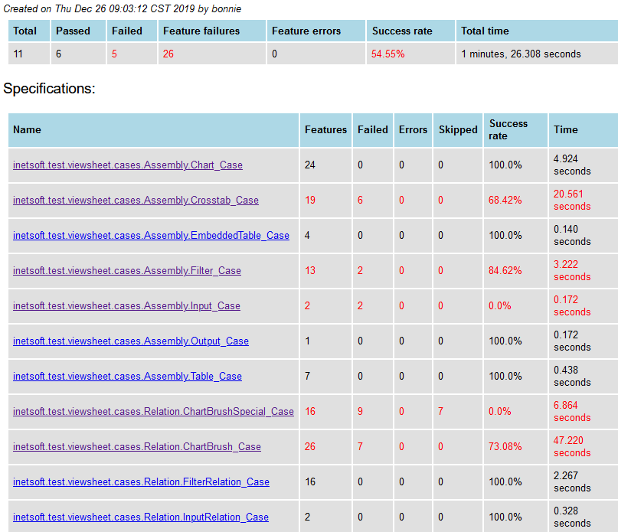

Report for inetsoft.test.viewsheet.cases.Assembly.Crosstab_Case

 | CM9_2_1 | Issue #38279 NPE
 | CM9_2_4 | Issue #38279 NPE
 | CM9_3_3 | Issue #38222 the crosstab show 'Grand Total' when group null value
 | CM9_3_4 | Issue #38222 the crosstab show 'Grand Total' when group null value
 | CM9_3_7 | Issue #38222 the crosstab show 'Grand Total' when group null value
 | CM9_3_9 | Issue #38274 miss data when freehand use crosstab binding

Report for inetsoft.test.viewsheet.cases.Assembly.Filter_Case
 |  |  |  | 100%
 | RangeSlider_CM7_3_1 |  | 替换exp
 | RangeSlider_CM7_4_1 |  | 精度问题,替换exp

Report for inetsoft.test.viewsheet.cases.Assembly.Input_Case
 | CM3_1 | groovy文件没有添加比对的文件名
 | CM3_2 | groovy文件没有添加比对的文件名
 |  |  |  | 100%
Report for inetsoft.test.viewsheet.cases.Relation.ChartBrush_Case
 |  |  |  | 100%
 | RM3_1_13 | 之前有bug,现在像素问题,替换exp
 | RM3_1_17 | 像素问题
 | RM3_1_19 | 之前bug,现在像素问题
 | RM3_1_20 | 像素问题
 | RM3_1_21 | 之前bug,现在像素问题
 | RM3_1_25 | 之前bug,现在像素问题
 | RM3_1_26 | 像素问题

Report for inetsoft.test.viewsheet.cases.Relation.ChartBrushSpecial_Case

 | RM3_1_30 ~ 32, 34, 34_1, 37, 2_2, 2_3 have bug

2019-12-27
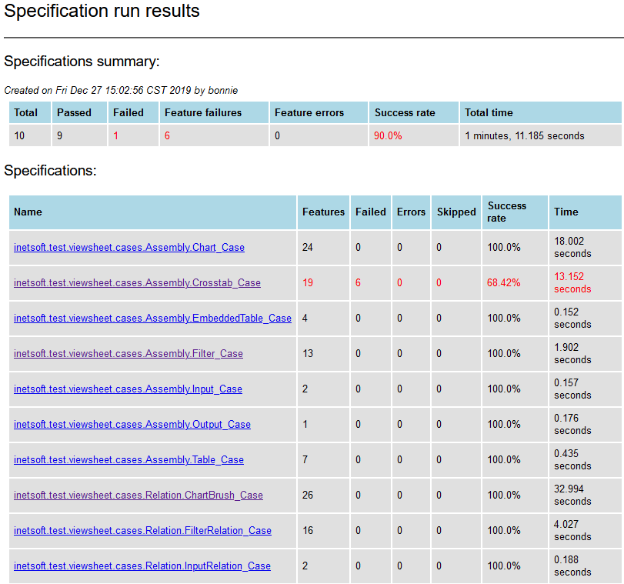

Report for inetsoft.test.viewsheet.cases.Assembly.Crosstab_Case
 | all pending bug

2019-01-08
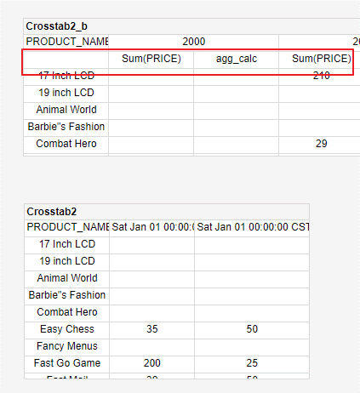

Report for inetsoft.test.viewsheet.cases.Assembly.Crosstab_Case
CM9_3_9 | Bug Table binding crosstab 丢失了一行数据

Report for inetsoft.test.viewsheet.cases.Assembly.Chart_Case
CM10_4_5 |  | 以前Tfield的col不会显示到show data中,现在显示了,合理, 替换exp

Report for inetsoft.test.viewsheet.cases.Relation.ChartBrush_Case
RM3_1_8 |  | 之前有bug,少显示了一个measure, 替换exp
RM3_1_10 |  | text size问题, 替换exp
RM3_1_11 |  | text size问题, 替换exp
RM3_1_15 |  | date format问题,之前存在bug, 替换exp
RM3_1_18 |  | 之前有bug,少显示了一个measure, 替换exp

Report for inetsoft.test.viewsheet.cases.Relation.ChartBrushSpecial_Case
maintain all case

