OvewView
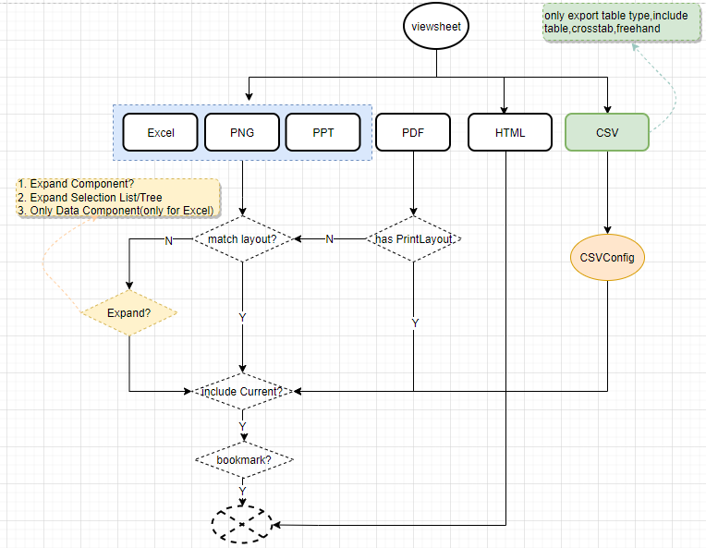
 |  |  |  | 1. Options
 |  |  |  | 1) DataSize
 |  |  |  | a. Match Layout(defalu is true): The closest possible match between the appearance of the exported copy and the original dashboard
 |  |  |  | b. Expand Component: Fully expand scrolling tables, scrolling charts
 |  |  |  | c. Expand SelectionList/Tree: Full expand Selection list and tree when have scroll
 |  |  |  | d. Only DataComponent（For Excel):only export table to excel
 |  |  |  | 2) CSVOptions(for CSV)
 |  |  |  | a. Delimiter,是用来设置table column的分隔符
 |  |  |  | b. Quote,是用来设置table column的引号
 |  |  |  | c. Keep Header,是用来设置table的header是否保持
 |  |  |  | 3) Content
 |  |  |  | Current View(default is true): include the current state of the dashboard in the exported file.
 |  |  |  | 4) Bookmark
 |  |  |  | (Home)
 |  |  |  | other bookmarks

 |  |  |  | 2. Diff Export Type on Basic Rule
 |  |  |  | 1) for Excel， 将element 所有信息交给excel，由excel自己来处理，由此会有以下几种情况
 |  |  |  | a. Excel完全不支持，那么就直接忽略掉
 |  |  |  | b. excel支持，但是展示方式或者算法与产品中不一样，以excel为主
 |  |  |  | c. 在match layout的时候，element之间的布局，有可能无法完全一致，尽量接近
 |  |  |  | d.在only data element的时候，只显示数据，不keep format，bookmark... | //merge Feature #34279 by jane in 13.3
 |  |  |  | 2) for PNG, PDF, PPT，直接element存成image，放到png，pdf，ppt中,以PDF为准
 |  |  |  | a. 尽量与产品一致
 |  |  |  | b. If VS have print Layout,PDF 则直接导出PrintLayout内容. PrintLayout的导出以Report为基准

 |  |  |  | 3) for HTML, 获得element的所有信息，然后缴由html进行处理，由此会有以下几种情况
 |  |  |  | a. Html完全不支持，那么就直接忽略掉
 |  |  |  | b. Html支持，但是展示方式或者算法与产品中不一样，以html为主
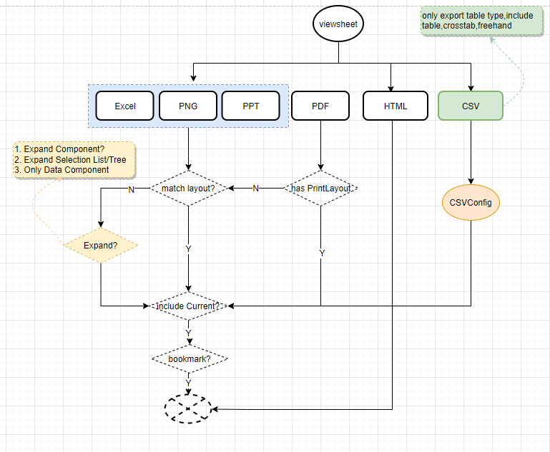
 |  |  |  | c. 在match layout的时候，element之间的布局，有可能无法完全一致，尽量接近

 |  |  |  | 4) for CSV
 |  |  |  | // only导出VS中的各种Table,包括Table,Crosstab,FreehandTable

3. Use URL to Export VS
eg: http://localhost:8080/sree/export/viewsheet/global/Table/Table1?outtype=XLSX&match=true&current=false&bookmarks=bkname1,bkname2

Options |  | Param and Value
format |  | outtype = PPT,PDF,PPTX,XLS,XLSX,VSO,CSV
match layout |  | match=true
expand element |  | match=false
current view |  | current=true
 |  | current=false
bookmarks |  | bookmarks=bkname1,bkname2

controller\ExportController.java

4. For Diff Componnet, some Basic Rule

1)For selection, 有5种选择的状态，但是并不是所有的选择状态可以被导出，
能被导出：
 | a. 选中
 | b. 关联选中
不会被导出的
 | a. 没选中
 | b. 无关联选中

2) For Chart
to Excel: 如果Excel POI支持,导出为Excel Chart,否则为PNG |  |  | //didn't support
to Other: 都为PNG,

VSInfo
 | font |  |  | 比较重要的属性，测试必须覆盖
 | @HTML, @EXCEL,@PNG |  |  | 需要验证这几种style

想法： | 1. 这个sheet里list 一些基本属性的测试， 与导出的格式无关
 | 2. 不同的格式，遵循自己的rule，区别对待
 | 3. 如果存为Image,测个通路即可,如果是单独画的,需要重点测试
 | 4. Element Level只点测试match layout的情况. Expand的相关内容单独测试
 | 5. 不同Element在不同的导出Type的情况如下:

 |  |  |  | Excel | PPT | PNG | PDF | PDF with PL | HTML | CSV
 | DataView | Table/Crosstab |  | √E | √E | √E | √E | √E | √E | √E
 |  | Freehand |  | √E | √E | √E | √E | √E | √E | √E
 |  | Chart |  | √I | √I | √I | √I | √E | √I | × |  | √E | 导出Element,并需要Check
 | Filter | SelectionList/Tree |  | √E | √I | √I | √I | √E | √E | × |  | √I | 导出为Image,测试通路
 |  | RangeSlider |  | √I | √I | √I | √I | √E | √I | × |  | √P | Excel POI | //didn't support after 13.3
 |  | Calendar |  | √I | √I | √I | √I | √E | √I | × |  | × | 不支持
 |  | SelectionConatiner |  | √E | √I | √I | √I | √E | √E | ×
 | Output | Text |  | √E | √I | √I | √I | √E | √E | ×
 |  | Image |  | √I | √I | √I | √I | √I | √I | ×
 |  | Gauge |  | √I | √I | √I | √I | √I | √I | ×
 | Form | Slider |  | √I | √I | √I | √I | √E | √I | ×
 |  | Spinner |  | √I | √I | √I | √I | √E | √I | ×
 |  | CheckBox,Radiobutton |  | √I | √I | √I | √I | √E | √E | ×
 |  | Combobox |  | √I | √I | √I | √I | √E | √E | ×
 |  | TextInput |  | √E | √I | √I | √I | √E | √E | ×
 |  | Submit |  | × | × | × | × | × | √E | ×
 |  | Upload |  | × | × | × | × | × | × | ×
 | Shape | Line |  | √E | √I | √I | √I | √E | √E | ×
 |  | Rectangle |  | √E | √I | √I | √I | √E | √E | ×
 |  | Oval |  | √E | √I | √I | √I | √E | √E | ×

 | Others: Tab,Group,EmbeddedVS 根据不同的Componnet有不同的支持,仅做通路测试

Part1: Export Options
// only Excel, PNG, PDF, PPT support, HTML and PDF with PrintLayout unsupport, CSV only check on table type
// 'Export All Tabbed Tables' only support in excel match layout and expand components |  |  |  |  |  |  |  | --add v13.7 feature#52845 by june
 |  |  |  | Excel | PPT|PNG|PDF | PDF With PrintLayout | HTML | CSV | Result
 | Match Layout |  |  | √ | √ | × | × | × | The closest possible match between the appearance of the exported copy and the original dashboard
 | Expand Component |  |  | √ | √ | × | × | × | show all data in scrolled table, chart, selection list, selection tree, selection conrtainer
 |  | Expand Selection List/Tree |  | √ | √ | × | × | × | expand SelectionList and tree to show all items
 |  | Only Data Elements |  | √ | × | × | × | × | 导出table/crosstab/freehand的数据到每个sheet里. 命名为:CurrenView.TableView1.. Format and others info missed |  |  |  |  |  | ********
 | Export All Tabbed Tables |  |  | √ | × | × | × | × | 在导出当前view中的table的同时会导出tab中当前不可见的所有的table到excel不同的sheet中
 | Current View |  |  | √ | √ | √ | × | √ | include current vs viewsheet, if as false, will not include
 | Bookmark |  |  | √ | √ | √ | × | √ | include selected bookmarks

 | example about current view and bookmark:
 | Pre-condition: the vs have 3 bookmarks, bk1(as default), bk2, bk2
 | Action: | 1. select all bookmarks, bk1(as default), bk2, bk2
 |  | 2. open vs and switch any bk, and do some action, such as brush, note: the vs status did not include any status
 | Check: | current is true, export to excel, will have 5 sheet, thay are current view, home, bk1(as default), bk2, bk2
 |  | current is false, export to excel, will have 4 sheet, they are hoem, home, bk1(as default), bk2, bk2

 | csv option see toCSV sheet

Part2: Element Level
1. Common Info
// check on diff datapath
 | Format Info |  |  |  |  | Format Model:
 | Font |  |  |  |  | FM1: | use default style and format
 | Font Color |  |  |  |  | FM2: | Arial Black-11-bold-italic, blue, yellow, alpha:50, Left - Top,
 | Backgroud |  |  |  |  | FM3: | wrapText, with border
 | Alpha |  |  |  |  | FM4 | date(yyyy.MM,dd), current, text({0}_aa, {0,date})
 | Alignment | Horizontal , Vertical Aligment, Auto |  |  |  | FM5 | css
 | Border |  |  |  |  | FM6: | presenter
 | Round Corner
 | WrapText
 | Format | None, Date, Currentcy, Percent,Number,Text, Duration
 | CSS
 | Presenter

 | Common Properties
 | visible
 | enable |  |  |  |  | // if enable option as false, the Filter selected value should be None
 | title

2. DataView
 | Auto分析:
 | 1. for Chart, 是导出png的, 所以PNg和HTML随机挑选一种即可, 重点测试PNG, PDF with PrintLayout 两种格式
 | 2. for table, HTML使用html元素, 需要测试PNG, HTML, PDF with PrintLayout 三种格式
 | 注意: table的PDF with PrintLayout测试,见:VSExport-PrintLayout.xls, auto case见: Print_Case.groovy |  |  |  |  |  |  |  |  |  |  | //这里仅仅涉及HTML和PNG

2.1 Table |  |  |  |  |  |  |  | AutoCase:
 | Check List: |  |  |  |  |  |  | Com_Table_Case.groovy/CTable_CTable1~CTable3 |  |  |  | total: 3
 | Properties | shink to fit, max row
 | Layout： | default
 |  | resize table header
 |  | resize table col header
 |  | resize detail on v and H
 | dataPath | table title
 |  | table col title
 |  | detail path
 | FormatInfo

 | Others:
 | 1. embedded table cell value changed by form |  |  |  |  | CTable_CTable1
 | 2. set col width and row height by script |  |  |  |  | CTable_CTable2

 | Special check:
 | Action1:create a form table and set col to all col type, then preview it and edit the cell value |  |  |  |  |  |  |  | ********
 | Check: the value is modified value and column backgroud is yellow

 | Action2: add and delete row, edit cell value
 | Check: the value show rigjly and backgroud is blue

 | 注意:
 | 1. embedded table,form table编辑之后的导出,需要manual check. Auto无法验证
2.2 Crosstab
 | Check List: |  |  |  |  |  |  |  |  | AutoCase:
 | Properties | shink to fit, fillBlank, Summary side by side,merge expand cell |  |  |  |  |  |  |  | Com_Table_Case.groovy/CTable_Table1
 | Layout： | default |  |  |  |  |  |  |  | Com_Table_Case.groovy/CTable_Crosstab1
 |  | resize table header |  |  |  |  |  |  |  | Com_Table_Case.groovyCTable_CrosstabBind1
 |  | resize table col header |  |  |  |  |  |  |  | Com_Table_Case.groovy/CTable* |  |  |  | //total:21
 |  | resize detail on v and H
 |  | drill on date or hierachy
 | dataPath | table title
 |  | table col title
 |  | aggregate path
 |  | group total and grand total
 |  | row|Col group header
 |  | other text
 | FormatInfo

2.3 Freehand |  |  |  |  |  |  |  |  |  | AutoCase:
 | Check List: |  |  |  |  |  |  |  |  | Com_Table_Case.groovy/CTable* |  |  |  | //total:21
 | Properties | shink to fit
 |  | set col and row header
 | Layout： | default |  |  |  |  |  |  |  |  |  | 问题:
 |  | resize table header |  |  |  |  |  |  |  |  |  | Freehand2 case中,Table1画的似乎不对,导出png,excl,html是对的,但是因为case无意义,可以忽略
 |  | resize table col header
 |  | resize detail on v and H
 | Merge Cell | only V merge
 |  | only H merge
 |  | V + H Merge
 | FormatInfo

2.4 Chart
note: | 1) If Chart支持Excel中的Chart POI, 导出为Excel Chart. 添加case到POI中 |  |  |  |  |  |  |  |  |  |  |  |  | AutoCase:
 | 2) If Chart在所有的Format中都导出为PNG,那么这里仅仅做一个简单的通路测试. Auto case中png 和HTML格式仅仅挑选一种进行. 随机 |  |  |  |  |  |  |  |  |  |  |  |  | Com_CChart_Case.groovy/* | //total: 20

 | Chart Type-Radar |  |  | AutoCaseCovered:

 | Binding |  |  | Action or Properties |  |  | PNG,PDF,PPT | HTML | PrintLayout
 | Radar(1Y+1Break) |  |  | with Highlight/Hyperlink |  |  | √ | √ | √ |  | Com_CChart_Case.groovy/CChart_CRadar1
 | with Visual(Color,Shape,Size, Text) |  |  | show point as true |  |  | √ | √ | √ |  | Com_CChart_Case.groovy/CChart_CRadar2
 |  |  |  | diff format |  |  | √ | √ | √
 |  |  |  | drill down filter, drill down |  |  | √ | √ | √

3. Filter(SelectionList, SelectionTree, SelectionConatiner)
//range slider and calendar treate with image, so uncase on the mode
分析:
 |  | PNG,PDF,PPT | Excel | Html
 | SelectionList | √I | √E | √E |  | × | 不会导出
 | SelectionTree | √I | √E | √E |  | √I | 可以导出.导出为Image
 | RangeSlider | √I | √I | √I |  | √E | 可以导出.导出为Element
 | Calendar | √I | √I | √I
 | Container | √I | √E | √E

 | Rule:
 | 1) If Enable is false, the selected vlaue will be one when export as any type

 | 1. SelectionList and SelectionTree
 | ToExcel | 1)只能导出选中,包含选中, 不选中以及其他三种种状态
 |  | 2)Scroll 隐藏的,用More显示
 |  | 3)Exoand Data 为true时,导出所有的数据

 | ToHtml | 1)只能导出选中状态,其他状态都导出为不选中状态
 |  |  |  |  |  |  |  |  | 问题:
 |  |  |  |  |  |  |  |  | 1. 包含选中也属于选中的一种,应该也导出为选中状态. 但是feature实现初期没有考虑的,暂时忽略. Pending 客户

 |  | 2) 单选的时候,导出的类型为Radiobutton

 | 2. Selection Container
 | to Excel | a. container title height will be keep(如果height < 20px的整数倍，去小，比如height是36px，导出后的height为20px，height是41px，导出的height为40px)
 |  | b. the sub-selection height use default grid height（20px),不会match vs中的height
 |  | c. the format include aligment 和color，vs本身有问题，导出也有问题，暂时不考虑
 | to PNG | the sub-selection height use default grid height（20px),不会match vs中的height

 | to HTML | the sub-selection height use default grid height（20px),不会match vs中的height

 | 遗留的问题：
 |  | a. wrap text在excl中用了，但是grid的height没有做调整，将来实现

Testing |  |  |  |  |  |  |  |  |  | AutoCase:
 |  |  |  |  |  |  |  |  |  | Com_Filter_Case.groovy/* |  |  | //total:2
 | 1) Selection List
 | Properties | dropdown + height |  |  |  |  |  |  |  | 问题:
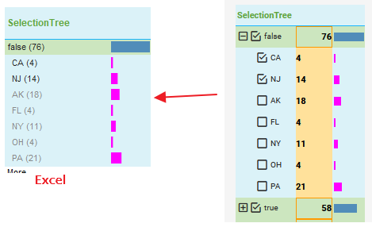
 |  | Hide others |  |  |  |  |  |  |  | 1. List或者Tree上Text的background color导出到Excel中丢失, 认为是OK的.因为在Excel中Text是以()显示,不会有单独的区域. 如下:
 |  | bar, text
 | Laryout | default
 |  | resize title
 |  | resize item
 |  | resize text and bar
 | DataPath | title
 |  | item
 |  | text
 |  | bar
 | FormatInfo
 |  |  |  |  |  |  |  |  |  | 2. 当RangSlider在Conatiner里显示时,VS只能给整个RangSlide四周设置border,但是导出之后有所不同. 用法比较少,暂时忽略
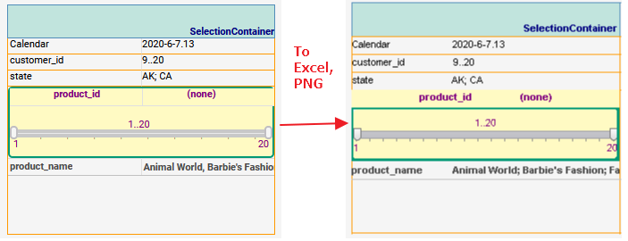
 | 2)Selection Tree
 | Properties | dropdown + height
 |  | Hide others
 |  | bar, text
 | Laryout | default
 |  | resize title
 |  | resize diff level item
 |  | resize text and bar
 | DataPath | title
 |  | diff level item
 |  | text |  |  |  |  |  |  |  | 3. 如果sub-rangeslider需要滑动scroll才能展现所有,导出png时,有可能无法导出.合理
 |  | bar
 | FormatInfo

 | 3). selection Conatainer.

 | Layout | only show current view
 |  | only added rangsloder and selection list
 |  | current view + selectionlist + range sldier
 | DataPath | Title
 |  | current view title
 |  | selection titile
 |  | selection item
 | Scroll | no scroll
 |  | only sub-selection scroll
 |  | only container scroll
 |  | sub-selection + conatienr scroll

4. Form
//only to HTML as use html element, others use image
Rule: | 1. CheckBox,Radiobutton,用HTML画的,不能交互
 | 2. Combobox直接使用html元素Selector, 可以交互
 | 3. Spinner使用的html元素<input type="number"/>,可以交互
 | 4. TextInput使用的时Html元素TextArea,可以交互
 | 5. Submit使用Html的元素,<Input type="button"/>,可以交互

 |  | png,PDF,PPT | Excel | Html
 | Spinner | √I | √I | √I
 | CheckBox | √I | √I | √E |  |  | × | 不会导出
 | Radiobutton | √I | √I | √E |  |  | √I | 可以导出.导出为Image
 | Combobox | √I | √I | √E |  |  | √E | 可以导出.导出为Element
 | TextInput | √I | √E | √E
 | Upload | × | × | ×
 | Submit | × | × | √E

Testing
 | @HTML
 | TextInput
 | Proeprties | 换行符 |  | press 'Enter' key
 | /Options |  |  | TextInput1.value = "this is \n a\n multi line\n test"
 |  | Inset Border, multi line
 |  | 不同的style |  | 不同的style导出到html时,只是将值导出,不影响导出的展示
 | Format | font color |  | ok
 |  | backgroud color |  | ok
 |  | Aligment |  | bug | unapply, html可以支持,这里应该处理. Html使用text-align:center |  |  |  |  |  | 报到13.3上
 |  | Round Corner |  | unsupport | 没找到textarea相关属性,有可能无法支持,可以暂时忽略
 |  | Border |  | ok

 | CheckBox,Radiobutton,Combox, submit
 | options |  |  | 没什么特殊的,简单覆盖
 | Format | font|background color |  | ok
 |  | alpha |  | ok
 |  | Alignment |  | ok
 |  | Border |  | ok
 |  | Round Corner |  | ok
 |  | WarpText |  | bug | CheckBox,Radiobutton no work, Submit is ok |  |  |  |  | 从12.1 开始,wrap text似乎一直无法work,暂时忽略
 |  | Format |  | ok

5. Output and Shape

 |  | PNG,PDF,PPT | Excel | Html
 | Text | √I | √E | √E |  |  | × | 不会导出
 | Image | √I | √I | √I |  |  | √I | 可以导出.导出为Image
 | Gauge | √I | √I | √I |  |  | √E | 可以导出.导出为Element
 | Line | √I | √E | √I
 | Rectangle | √I | √E | √I
 | Oval | √I | √E | √I

Testing
 | Text |  | @Excel | @HTML
 | Options | 换行 |  | TextInput1.value = "this is \n a\n multi line\n test"
 |  | AutoSize |  | 显示所有的信息
 |  | Embed As URL |  | 显示utl中的内容
 | Fomat | font|background color |  | ok
 |  | alpha |  | ok
 |  | Alignment |  | ok
 |  | Border |  | ok
 |  | Round Corner |  | ok
 |  | WarpText |  | ok

 | Line,Rectangle, Oval |  | @Excel
 | Options | line,fill style |  | ok
 |  | round color
 |  | shadow
 |  | arrow

6. Other Componnet
Group,embedded vs 走个通路即可,不需要单独测试
tab: | 注意测试 'Export All Tabbed Tables’option的应用
 | //rules:1.在match layout和expand components下都支持
 | 2.check on会导出tab里的所有table
 | 3.支持normal table,embedded table,form table,embedded formtable,freehand table,crosstab在tab上的导出
 | 4.excel 中sheet的顺序按照vs tab里的排序导出
 | Test：
 |  | a..vs/tab 存在其他assembly
 |  | b.tab存在groupcontainer
 |  | c.embbed vs
 |  | d.多个tab

Part3. Viewsheet Layout

1. Viewsheet self layout

2. Other Layout

2.1 Mobile 和Print layout的影响

Part4. Expand Data and Bookmarks
// 仅仅考虑数据展开的应用

1. Filter Expand
Note: | 1) only Selection Tree and Selection List can expand. List or Tree in Container did not expand, So Ignore it

Part5 Others Options

1) Hyperlink 应该支持

 |  |  | PDF | Excel | Html | PNG,PPT, | ToCSV
 | Hyperlink | WebLink | √ | √ | √ | ? | × |  | √ | 支持
 |  | AssetLink | × | × | × | × | × |  | × | 不支持
 |  |  |  |  |  |  |  |  | ? | 不确定

ToCSV
 | note://csv format only for table,crosstab,freehand table
To CSV Analysis:
 | Export type control:
 | 1. control on EM\Export Menu option
 | 2. control by script: thisViewsheet.setActionVisible("CSV", false)
 | 3. check on Export Dialog, Email Dialog, Simple Schedule Dialog, EM and Portal Schedule Page
 | Export rule:
 | 1. only support table,crosstab,freehand and even if its within group,tab,embedded vs
 |  |  |  |  | UI-table load | zip file
 |  | in group,tab,embedded vs |  |  | √ | √
 |  | as flyover |  |  | √ | √
 |  | as datatip view |  |  | × | ×
 |  | as popcomponent |  |  | × | ×
 |  | visible: hide or hide on print and export |  |  | × | ×
 |  | Note: UI need check VSExport, Email, Simple Schedule Dialog and EM. Portal task page

 | 2. support export one or all table type in vs
 | 3. export as zip and include all csv
 | 4. support store diff bookmark data
 | 5. 命名规则:
 |  | Normal(include Tab,Group): |  | bookmarkName(Current View)_tableName.csv
 |  | In Embedded VS: |  | bookmarkName(Current View)_embedded vs name_tableName.csv
 | 6. archive and URL
 |  | //http://hostname:8080//export/viewsheet/global/DashboardPath/DashboardName?outtype=csv

UI
 | option explain:
 | 1.对于Delimiter,是用来设置table column的分隔符
 | 2.对于Quote,是用来设置table column的引号
 | 3.对于Keep Header,是用来设置table的header是否保持

 | default UI and status

 |  |  |  |  |  |  |  | Note:
 |  |  |  |  |  |  |  | 1. show right when existed same name in vs and embedded vs
 |  |  |  |  |  |  |  | 2. didn't support table should not show

 | UI Relation:
 | 1) Tab Delimited and Delimiter 只能选择一个,选中tab时,另外一个disable掉
 | 2) Export All Tables

 |  | TRUE |  | export all tables
 |  | FALSE |  | show Assemblies Pane

 |  | All Assembly Pane Load
 |  | // default load all tables include in tab, group, embedded vs
 |  | other situation see below Apply model

Apply
 | 1) csv options
 |  | Delimiter | Tab | Quote | KeepHeader | Export All Table | Bookmarks
 |  | , | FALSE | null | TRUE | TRUE | diff multi bookmark | ToCSV_Case,groovy\toCSV_Normal_Case1
 |  | ; | FALSE | " | TRUE | TRUE | Home | ToCSV_Case,groovy\toCSV_Special_Case1
 |  | null | TRUE | ' | FALSE | some one | someone of bookmark | ToCSV_Case,groovy\toCSV_Special_Case2

 | 2) vs situations
 |  |  |  |  |  | Check
 |  | diff bookmark to store diff data |  |  |  | the selected bookmark export to diff csv file and data is bookmark data |  | ToCSV_Case,groovy\toCSV_Normal_Case1
 |  | vs table name same with embedded vs name |  |  |  | export dialog and export zip file include all file |  | ToCSV_Case,groovy\toCSV_Special_Case1
 |  | table as datatip view, flyover |  |  |  | the table which as datatipview didn't show in dialog and can not export in zip |  | ToCSV_Case,groovy\toCSV_Special_Case2
 |  | table in group as popComponent |  |  |  | the table which as popComponent didn't show in dialog and can not export in zip |  | ToCSV_Case,groovy\toCSV_Special_Case2
 |  | visible: hide or hide on export and print |  |  |  | the hide and hide on export and print table didn’t export to zip file |  | ToCSV_Case,groovy\toCSV_Special_Case3
 |  | Crosstab have hide column |  |  |  | the hide column show on csv file |  | ToCSV_Case,groovy\toCSV_Special_Case3
 |  | Crosstab with piriod dimension and dynamic value |  |  |  | the crosstab value is right |  | ToCSV_Case,groovy\toCSV_Normal_Case2
 |  | Cell use presenter format and multi-header |  |  |  | presenter and multi-header cell show value in csv |  | ToCSV_Case,groovy\toCSV_Normal_Case2
 |  | table and group include table in tab |  |  |  | only show and export current table |  | ToCSV_Case,groovy\toCSV_Special_Case4

UI Manual Check
// 1. should check on VSExport, Email. Simple Schedule, Portal and EM task page
// 2. open it, then check table load

 | Case1: open 'toCSV/toCSV2' vs, then check table name load on VSExport, Email. Simple Schedule, Portal and EM task page
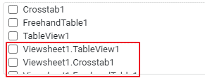

 | Case2: open 'toCSV/toCSV3' vs, then check table name load on VSExport, Email. Simple Schedule, Portal and EM task page

 | Case3: open 'toCSV/toCSV4' vs, then check table name load on VSExport, Email. Simple Schedule, Portal and EM task page

