Component-Case
Note
 | Model |  |  | Total
 | Viewsheet Manual Case |  |  | 2 |  | Note:
 | Dataview_Table Manual Case |  |  | 5 |  | 1. all manual case env same with auto
 | Dataview_Chart Manual Case |  |  | 10
 | Selection Manual Case |  |  | 5
 | Form Manual Case |  |  | 4
 | Output Manual Case |  |  | 4
 | GroupContainer Manual Case |  |  | 1
 |  |  |  | 31 |  | 2. all manual case should be executed one by one

Viewsheet Manual Case

TestCase-Viewsheet1
Description:
 | Test Viewsheet object script
Pre-conditions:

Procedures:
1 | on portal side, open Manual/Viewsheet/VS_Action
 | Check Point: | 1. the toolar show none.

 |  | 2. the Text show as bloe:

 |  | 3. the second Text show as, the X, Y can be any value

TestCase-Export Action Visible
Description:
 | Test Export Action Visible
Pre-conditions:

Procedures:
1 | on portal side, open Manual/Viewsheet/VS_ExportAction
 | Check Point: | 1. the text show as: this action visible is:false
 |  | 2. on Email, Export, Simple Schedule dialog, No 'Excel' show
 |  | Email: |  | Export: |  | schedule:
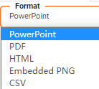

2 | select HTML on Export Type, click Refresh Button
 | Check Point: | 1. the text show as: this action visible is:false
 |  | 2. on Email, Export, Simple Schedule dialog, No 'Excel, HTML' show
3 | select PDF on Export Type, click Refresh Button
 | Check Point: | 1. the text show as: this action visible is:false
 |  | 2. on Email, Export, Simple Schedule dialog, No 'Excel, HTML,PDF' show
4 | select PNG on Export Type, click Refresh Button
 | Check Point: | 1. the text show as: this action visible is:false
 |  | 2. on Email, Export, Simple Schedule dialog, No 'Excel, HTML,PDF,PNG(Embedded PNG)' show
5 | select PowerPoint on Export Type, click Refresh Button
 | Check Point: | 1. the text show as: this action visible is:false
 |  | 2. on Email, Export ,Simple Schedule dialog, No 'Excel, HTML,PDF,PNG(Embedded PNG), PowerPoint' show
6 | select Snapshot on Export Type, click Refresh Button
 | Check Point: | 1. the text show as: this action visible is:false
 |  | 2. on Export dialog, No 'Excel, HTML,PDF,PNG(Embedded PNG), PowerPoint,Snapshot' show
7 | select CSV on Export Type, click Refresh Button
 | Check Point: | 1. the text show as: this action visible is:false
 |  | 2. on Email dialog, No format load
 |  | 3.Simple Schedule,Export icon not show
TestCase-Viewsheet2
Description:
 | Test Viewsheet schdule action script
Pre-conditions:

Procedures:
1 | on portal side, open Manual/Viewsheet/VS_Schedule
2 | open viewsheet properties and modify the script email address to a valid address(below red rectangle), then save the vs

3 | new a task name with 'schTask1', and select the vs
4 | input another emails address, then run the task
 | Check Point: | 1. the user1 can get email
 |  | 2. the task ui set email address can not get email
 |  | 3. Text1 show 'the task name is:schTask1
5 | new a task name with 'schTask2', and select the vs
6 | input another emails address, then run the task
 | Check Point: | 1. the user2 and user3 all can get email
 |  | 2. the task ui set email address can not get email
 |  | 3. Text1 show 'the task name is:schTask2'
7 | new a task name with 'schTask3', and select the vs
8 | input another emails address, then run the task
 | Check Point: | 1. the user4 can not get email
 |  | 2. the task ui set email get email |  |  |  | 不会去check ui上的email，ignore
 |  | 3. Text1 show 'the task name is:schTask3'

Dataview_Chart Manual Case

TestCase_ChartTooltip
Description:
 | Test Viewsheet flyover script
Pre-conditions:

Procedures:
1 | on portal side, open Manual/Chart/TestCase-ChartTooltip
2 | on 'Chart', move move "CA bar
 | Check Point: | tooltip will display like below:
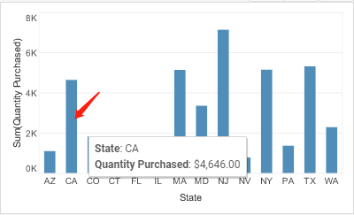

TestCase_ChartFlyover
Description:
 | Test Viewsheet flyover script
Pre-conditions:

Procedures:
1 | on portal side, open Manual/Chart/TestCase_ChartFlyover
2 | on 'Chart', move move any bar and click
 | Check Point: | 1. the flyover show right

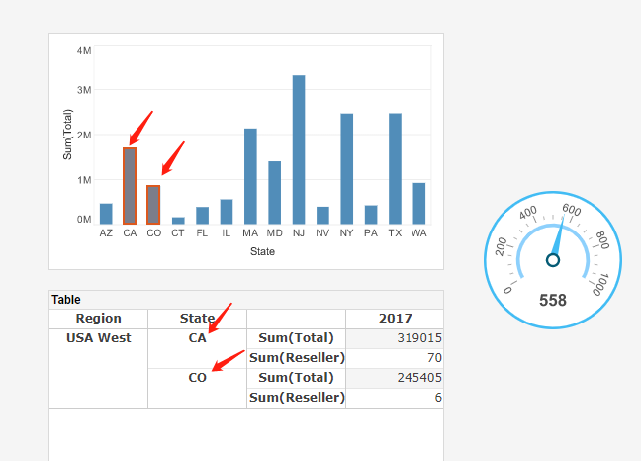

TestCase_ChartTipView
Description:
 | Test Viewsheet flyover script
Pre-conditions:

Procedures:
1 | on portal side, open Manual/Chart/TestCase-ChartTipView
2 | on 'Chart', move move any bar
 | Check Point: | 1. the tip view show right

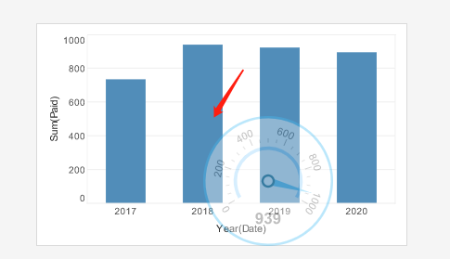

TestCase-dataConditions
Description:
 | Test Viewsheet dataConditions script
Pre-conditions:

Procedures:
1 | on portal side, open Manual/Chart/TestCase_DataCondition
2 | on 'Chart', click any Element VO
 | Check Point: | 1. Table title show right condition
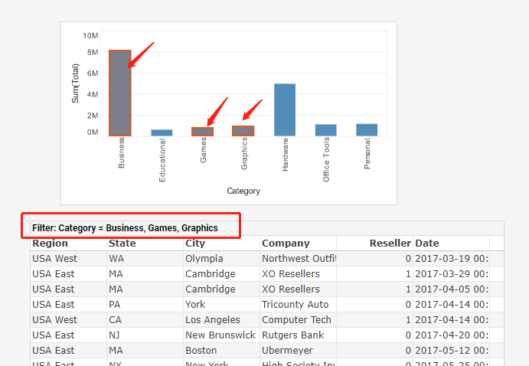

TestCase-Highlight
Description:
 | Test Viewsheet highlight script
Pre-conditions:

Procedures:
1 | on portal side, open Manual/Chart/TestCase_ChartHightlight
2 | Click on image,pop alert
 | Check Point: | pop alert on viewsheet

TestCase-coordiantesetFullMap
Description:
 | Test Viewsheet coordiantesetFullMap script
Pre-conditions:

Procedures:
1 | on portal side, open Manual/Chart/TestCase_coordiantesetFullMap
2 | Select "AZ","CA,"CO"
 | Check Point: | These area has been zoomed like this:

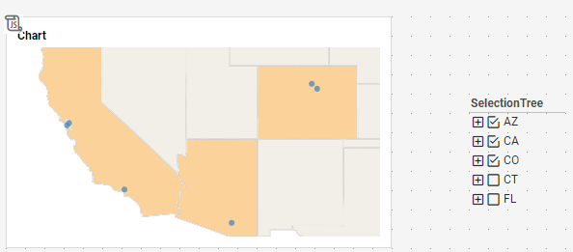

TestCase-drillEnabled
Description:
 | Test Viewsheet drillEnabled script
Pre-conditions:

Procedures:
1 | on portal side, open Manual/Chart/TestCase_DrillEnabled
 | Check Point: | State and Orderdate column Drill down icon is visible
2 | Preview this viewsheet,click text
 | Check Point: | Drill down icon all invisible

TestCase-Padding
Description:
 | Test Viewsheet padding script
Pre-conditions:

Procedures:
1 | on portal side, open Manual/Chart/TestCase_Padding
2 | Preview this viewsheet,click Image
 | Check Point: | Chart Padding be applied on chart
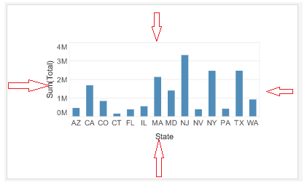

TestCase_SetAction
Description:
 | Test Viewsheet setAction script
Pre-conditions:

Procedures:
1 | on portal side, open Manual/Chart/TestCase_SetAction
2 | Preview this viewsheet,click Image
 | Check Point: | On chart right menu and mini toolbar show should be display consitent with the text display
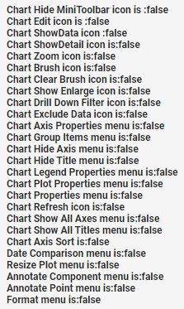

TestCase_ChartHyperlink
Description:
 | Test Viewsheet hyperlink script
Pre-conditions:

Procedures:
1 | on portal side, open Manual/Chart/TestCase_ChartHyperlink
2 | Preview this viewsheet,,click "AZ"bar on chart
 | Check Point: | it can link successful,url should be
 |  | https://www.baidu.com/?test=AZ
3 | On Chart2,Click any bar
 | Check Point: | it can link forlink viewsheet ,chart display lick below:
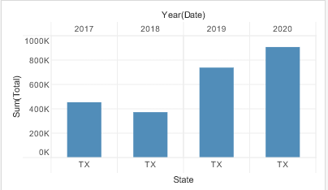

Dataview_Table Manual Case

TestCase-FlyOver1
Description:
 | Test Viewsheet flyover, tipview script
Pre-conditions:

Procedures:
1 | on portal side, open Manual/Table/Table_Action1
2 | on 'Table', move move any cell and click
 | Check Point: | 1. the flyover show right
 |  | 2. the tipview show right

3 | on 'Crosstab', mouse move any cell
 | Check Point: | 1. the flyover show right
 |  | 2. the tipview show right

4 | on 'Freehand', mouse move any cell
 | Check Point: | 1. the flyover show right
 |  | 2. the tipview show right
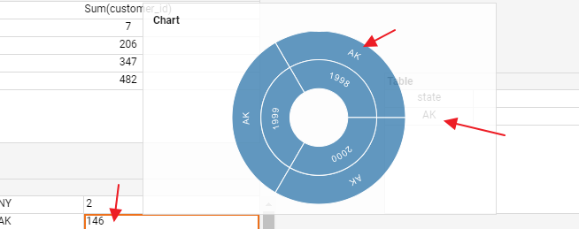

TestCase-dataConditions
Description:
 | Test Viewsheet dataConditions script
Pre-conditions:

Procedures:
1 | on portal side, open Manual/Table/Table_Action2
2 | on 'Chart', click any Element VO
 | Check Point: | 1. Table title show right condition
 |  | 2. Crosstab title show right condition
 |  | 3. Freehand title show right condition
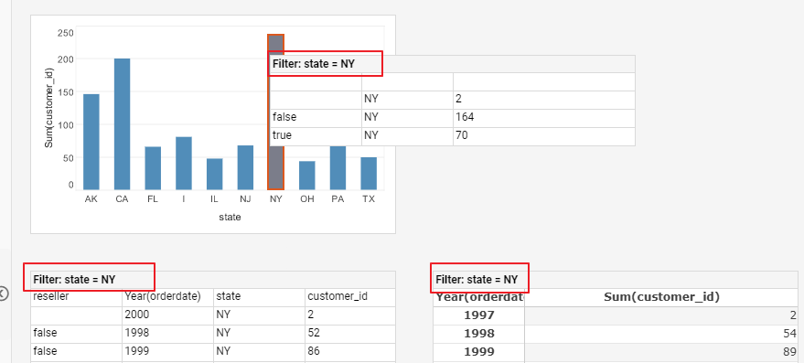

TestCase-hyperlink
Description:
 | Test Viewsheet setHyperlink script
Pre-conditions:

Procedures:
1 | on portal side, open Manual/Table/Table_Action3_hyperlink
2 | on Table, click null cell
 | Check Point: | show as below, click it. Open baidu page

3 | on Table, click '2000' cell
 | Check Point: | can open right page
4 | on Table, click 'NY' cell
 | Check Point: | no hyperlink show
5 | on Crosstab, click '1997 3rd' and '4', as below

 | Check Point: | 1. open baidu page, URL show as 'https://www.baidu.com/?state=NJ'
 |  | 2. open vs page.
6 | on Freehand, click '2' and 'I' cell, as below

 | Check Point: | 1. open baidu page, URL show as https://www.baidu.com/
 |  | 2. open vs page, the vs include below info

TestCase-form
Description:
 | Test Viewsheet form script
Pre-conditions:
 | Radiobutton default value is True
Procedures:
1 | on portal side, open Manual/Table/Table_Action5_form
 | Check Point: | 1. can edit cell value
2 | right click any cell
 | Check Point: | 1. The Right Menu show as

 |  | 2. Insert, Append, Delete Row work well
3 | select False on Radiobutton
 | Check Point: | 1. can't edit cell value
 |  | 2. right Menu no 'Inser Row', 'Append Row', 'Delete Row(s)'. As below

TestCase-actionvisible
Description:
 | Test Viewsheet table,crosstab,freehand ActionVisible script
Pre-conditions:

Procedures:
1 | on portal side, open Manual/Table/Table_Action4_actionVisble
2 | Check below CheckPoint
 |  |  |  |  | Check
 | on Table | click table |  |  | no any mini bar icon and right menu show
 |  | click any Cell of customer_id column
 | on Crosstab | click crosstab |  |  | no any mini bar icon and right menu show
 |  | click any aggregate Cell
 |  | click 1997 3rd cell |  |  | no cell icon show. Like Drill down|up.
 | On Freehand | click any group cell |  |  | no any mini bar icon and right menu show
 |  | click any aggregate Cell

Selection Manual Case

TestCase-ActionVisible
Description:
 | Test Selection action visible script
Pre-conditions:

Procedures:
1 | on portal side, open Manual/Selection/Selection_ActionVisible
2 | on all Selection List
 | Check Point:

3 | on Selection Tree
 | Check Point:

4 | on all RangeSlider, right click
 | Check Point: | 1. right menu no any action show

5 | on portal side, open Manual/Selection/Selection_ActionVisible2
6 | on all Calendar, and move mouse on it
 | Check Point: | 1. minibar no any action show

TestCase-ListTreeScript
Description:
 | Test Selection List/Tree Visible script
Pre-conditions:
 | all raduo button faluse selected false, only expandAll is true
Procedures:
1 | on portal side, open Manual/Selection/ListTree1
 | Check Point: | the Tree expand all item
2 | select dropdown as true
 | Check Point: | List and Tree show as

3 | select dropdown as false, signleSelection as True
 | Check Point: | List and Tree show as |  |  |  |  |  | Bug #54409(ignore)

 |  |  |  |  |  |  |  | //reseller selectionTree1 no select by default(ignore)

4 | Try to select value on List and Tree
 | Check Point: | 1. List only select one value
 |  | 2. Tree only select one value
5 | select singleSelection as false, wrap as True
 | Check Point: | List and Tree show as

TestCase-submitOnChange
Description:
 | Test Selection SubmitOnChange script
Pre-conditions:
 | SubmitOnChange Radiobutton Select Value is true
Procedures:
1 | on portal side, open Manual/Selection/Selection_submitOnChange
2 | on 'SubmitOnChange', select false
3 | move mouse on 'state' selection list
 | Check Point: | the 'Apply' icon show

4 | on 'state' selection list, select 'AK_Little Rock'
 | Check Point: | The Two table didn't be filter
5 | click 'Apply' button on 'state'
 | Check Point: | The Two table be filter right
6 | on 'state' selection list, click Clear button, then click Apply button. To make show all datas
7 | move mouse on 'reseller' selection tree
 | Check Point: | the 'Apply' icon show

8 | on 'reseller' selection tree, select 'false-AK'
 | Check Point: | The Two table didn't be filter
9 | click 'Apply' button on 'reseller'
 | Check Point: | only First table be filter right

TestCase-Calendar
Description:
 | Test Calendar script
Pre-conditions:
 | all radiobutton is false
Procedures:
1 | on portal side, open Manual/Selection/Selection_Calendar
2 | select below action and check result
 | Action |  | Check Point:
 | daySelected | FALSE | default select one week
 |  | TRUE | only select one day
 | signleSelect | FALSE | can select multi value by 'Ctrl'
 |  | TRUE | only select one value
 | year | FALSE | show Year View
 |  | TRUE | Show Month view
 | dropdown | FALSE | calendar show
 |  | TRUE | calendar hide
 | submitOnchange | FALSE | show Apply icon on minibar
 |  | TRUE | no Apply incon on minibar
 | doubleCalendar | FALSE | one calendar
 |  | TRUE | two calendar
 | period | FALSE

 |  | TRUE

TestCase-Selection Container
Description:
 | Test Selection Container script
Pre-conditions:

Procedures:
1 | on portal side, open Manual/Selection/Selection_Conatiner
 | Check Point: | no SelectionContainer2 show
2 | on showCurrentSelection, selected 'true', then click 'AK'
 | Check Point: | SelectionContainer2' show
3 | drag selection list 'state' to selection Container to add selection list
 | Check Point: | add in successful
5 | on Radiobutton, select false. Then selection list 'state' to selection Container to add selection list
 | Check Point: | can not add in
6 | on composer to open container properties and add below script to it
 |  | setActionVisible('Unselect All', false)
 |  | setActionVisible('Add Filter', false)
 |  | setActionVisible('Show Enlarged', false)
7 | save the vs and open on portal side
 | Check Point: | minibar no action icon show

Form Manual Case

TestCase-Combox
Description:
 | Test Combox script
Pre-conditions:

Procedures:
1 | on portal side, open Manual/Form/Combox_bind
 | Check Point: | the first combox show as:
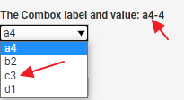

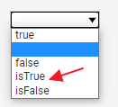
2 | expaned second combox
 | Check Point: | the combox show as

3 | expaned the third combox
 | Check Point: | the combox range is 2020-11-01~2020-11-30, as below
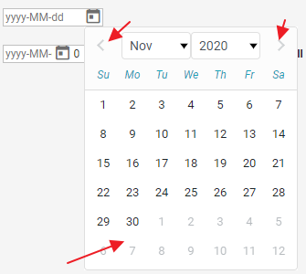

4 | expand the forth combox
 | Check Point: | the combox range is 2020-11-01~2020-11-30, as below
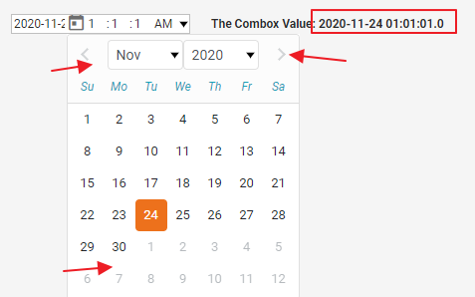

TestCase-Spinner
Description:
 | Test Spinner script
Pre-conditions:

Procedures:
1 | on portal side, open Manual/Form/Spinner
2 | move forcus to spinner
 | Check Point: | the spinner show 10
3 | press 'UP' arrow on keyboard
 | Check Point: | the spinner value show as: 20, 40, 60
4 | press 'Down' arrow on keyboard
 | Check Point: | the spinner value show as: 100,80,60,40,20
5 | click vs
 | Check Point: | the spinner value same with text value

TestCase- Upload
Description:
 | Test Spinner script
Pre-conditions:

Procedures:
1 | on portal side, open Manual/Form/UpLoad
 | Check Point: | the Text and upload show as below

2 | click Upload button to load any file, such as a PNG
 | Check Point: | the Text show right info

TestCase- SubmitOnClick
Description:
 | Test all form assemblies SubmitOnClick script
Pre-conditions:
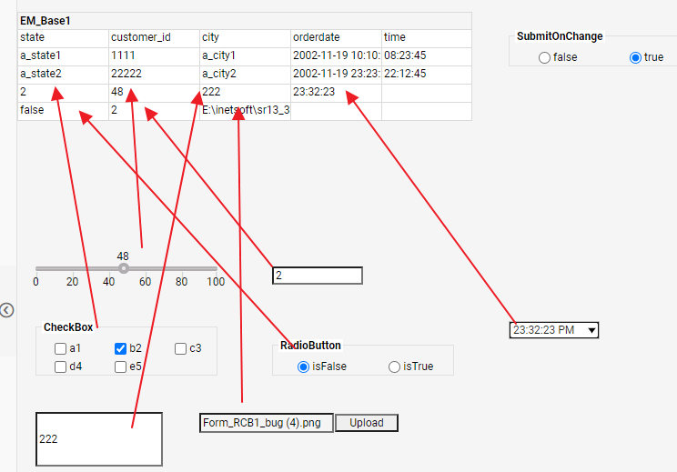
 | submitOnChange Radiobutton is true
Procedures:
1 | on portal side, open Manual/Form/Forms_Submit
2 | chane all form assembly value,
 | Check Point: | the table cell value change immediately
3 | reopen vs
4 | click false on SubmitONChange Radiobutton
 | Check Point: | 1. the table last row cell value no change
 |  | 2. submit button is enable
5 | click Submit Button
 | Check Point: | the table cell value change immediately

TestCase- refreshAfterSubmit |  |  |  |  |  |  | Bug #57856
Description:
 | Test all form assemblies refreshAfterSubmit script
Pre-conditions:
 | RefreshIs Radiobutton is true
Procedures:
1 | on portal side, open Manual/Form/Form_Refresh
2 | check on Eric on Check box
 | Check Point: | 1. Crosstab and Chart all refresh, and show Eric value
3 | check on 'false' on Refresh is RB
4 | check off 'Annie' on Check box
 | Check Point: | 1. Crosstab and Chart didn't refresh, Annie still show
5 | click refresh on vs toolbar or right menu
 | Check Point: | 1. Crosstab and Chart all refresh, and no Annie value show.

Output Manual Case

TestCase-ImageActions
Description:
 | Test Image Hyperlink and popComponent script
Pre-conditions:

Procedures:
1 | on portal side, open Manual/OutPut/Image_Actions
2 | on first Image, click twice
 | Check Point: | open linked vs and all info show rightly
3 | on second Image
 | Check Point: | 1. the Image and Chart Show
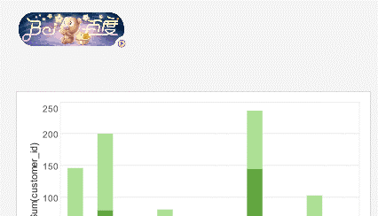

4 | on second Image, Click once
 | Check Point: | 1. the Chart hide
 |  | 2. the image alpha is 50,


5 | on second Image, reclick it on left-top corner.
 | Check Point:
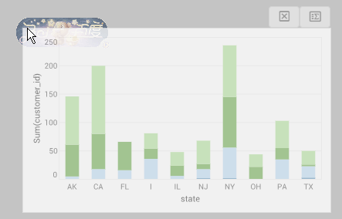

TestCase-GaugeActions
Description:
 | Test Gauge Hyperlink, dataConditions script
Pre-conditions:

Procedures:
1 | on portal side, open Manua/OutPut/Gauge_Actions
2 | click on frist gauge
 | Check Point: | open linked_vs, include below info

3 | move mouse on Chart
 | Check Point: | the Gauge be filter and Chart title show filter condition. As below
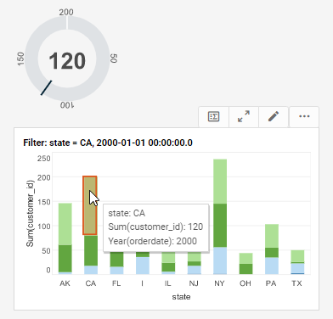

TestCase-TextActions
Description:
 | Test Text Hyperlink, dataConditions, popcomponnet, url script
Pre-conditions:

Procedures:
1 | on portal side, open Manua/OutPut/Text_Actions
2 | click on 'Link Me'
 | Check Point: | no response
3 | reclick on 'Link Me'
 | Check Point: | 1. open linked_vs
4 | mouse move on Chart Element VO
 | Check Point: | the chart show as below
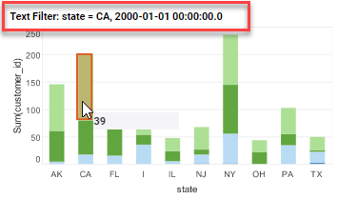

5 | click on 'to URL'
 | Check Point: | 1. the embedded hao123 page show
 |  | 2. the V and H scroll bar work well
6 | click on 'popComponnet'
 | Check Point: | 1. GroupContainer in vs be hided
7 | Reclick on 'popComponnet'
 | Check Point: | 1. GroupConatienr show as popComponent, and it's position is center of vs
 |  | 2. alpha apply right. As below
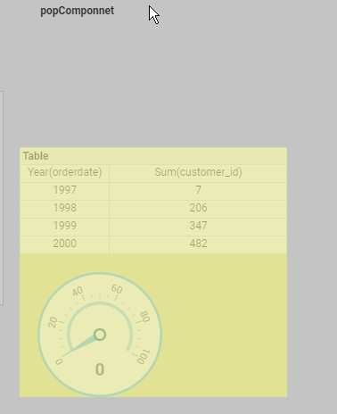

TestCase-SubmitActions
Description:
 | Test Submit Button refreshAfterSubmit script
Pre-conditions:

Procedures:
1 | on portal side, open Manual/OutPut/Submit_Action
2 | select 'AK' on selection List, then click 'Submit Refresh:True' button
 | Check Point: | 1. the Table be filter immediately, and only show AK datas
3 | reopen the vs
4 | select 'CA' on selection List, then click 'Submit Refresh:False' button
 | Check Point: | 1. The Table data no changed. |  |  |  |  | Check point: Table be filter immeidately.
5 | click Refresh Button on vs toolbar |  |  |  |  |  | //当属性是false的时候, 应该不刷新vs的. 但是实际刷新了, 验证13.6也是一样. 有可能是变动. 暂时Ignore吧
 | Check Point: | 1. The Table only show CA datas

GroupContainer Manual Case

TestCase-GroupConatiner
Description:
 | Test animate script on GroupConatiner
Pre-conditions:

Procedures:
1 | on portal side, open Manua/Others/GroupConatiner
 | Check Point: | 1. Radiobutton is false
 |  | 2. the gif didn’t Flashing
2 | select true on Radiobutton
 | Check Point: | the gif is Flashing

OtherScript-Case
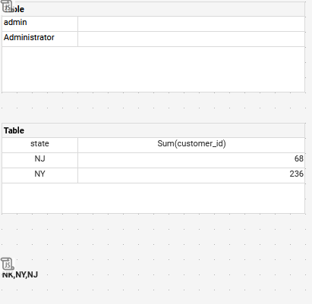
Note
 | Model |  | Total
 | ScriptEngile |  | 5
 | ScriptScope |  | 10
 | OtherSpecialScript |  | 6
 |  |  | 21

ScriptEngile

TestCase-Script_Order1
Description:
 | Test SriptEngine Execute order
Pre-conditions:

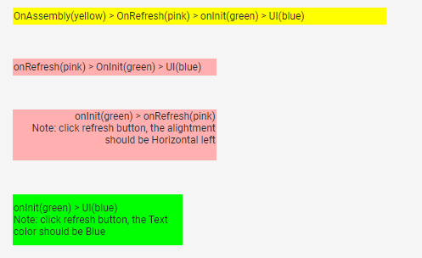
Procedures:
1 | on portal side, open Manual/ScriptOrder/Script_Order1
 | Check Point: | the vs show as below:

2 | click Refresh button
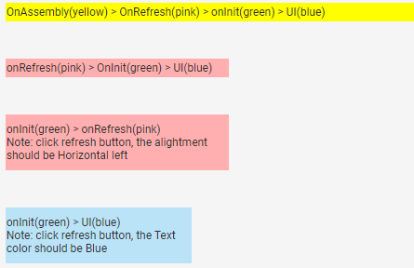

TestCase-Script_Order4
Description:
 | Test SriptEngine Execute order
Pre-conditions:

Procedures:
1 | on portal side, open Manual/ScriptOrder/Script_Orde4
 | Check Point: | 1. chart backgroud is pink
2 | mouse move on Chart and Crosstab
 | Check Point: | datatipview and flyover work well
3 | On Crosstab, click '62' value
 | Check Point: | hyperlink(www.baidu.com) open right,

TestCase-Script_Order_OneWay1
Description:
 | Test SriptEngine Execute order
Pre-conditions:

Procedures:
1 | on composer side, open Manual/ScriptOrder/Script_Order_OneWay1
2 | set Text info as below by UI
 |  | Text Value: test order
 |  | backgroud: green
 |  | border-color: double line-red
 |  | aligment: right
3 | Check below info wich same with Text
 | Check Point: | 1. chart xTitle = green
 |  | 2. Freehand data[1][0] = 'test order'
 |  | 3. select list aligment = right
 |  | 4. rectangle backgrtoud: green
 |  | 5. checkbox border: doule line -red

TestCase-Script_Order_OneWay2
Description:
 | Test SriptEngine Execute order
Pre-conditions:

Procedures:
1 | on composer side, open Manual/ScriptOrder/Script_Order_OneWay2
2 | preview it
 | Check Point: | 1. Crosstab hyperlink work well
 |  | 2. Chart show as below
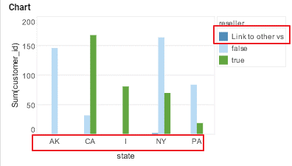

 |  | 3. viewsheet tool bar Export button didn't show
3 | on composer, select Text, open properties dialog and changed Visible is show |  |  | //Note: text is disable, can't see better
4 | then open format and edit alpha=7
 | Check Point: | 1 viewsheet tool bar Export button show
 |  | 2. Chart show as below
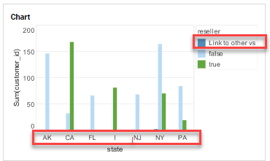

TestCase-Script_Order_circle1
Description:
 | Test SriptEngine Execute order
Pre-conditions:

Procedures:
1 | on composer side, open Manual/ScriptOrder/Script_Order_circle1
2 | change Text1 value
 | Check Point: | both value change
3 | change Text2 value
 | Check Point: | both value not change

ScriptScope

TestCase-Scope1
Description:
 | Test common properties by script
Pre-conditions:
 | selection list no selected value
Procedures:
1 | on portal side, open Manual/OtherScript/scope1
 | Check Point: | 1. the table show
2 | select 'AK' on SelectionList
 | Check Point: | 1. the table hide
3 | select 'AK' and 'CA' on SelectionList
 | Check Point: | 1. the table show
4 | export as PNG
 | Check Point: | 1. the table hide

TestCase-Scope2
Description:
 | Test use script to control format info
Pre-conditions:

Procedures:
1 | on portal side, open Manual/OtherScript/scope2
 | Check Point: | 1. the first table and text show as:
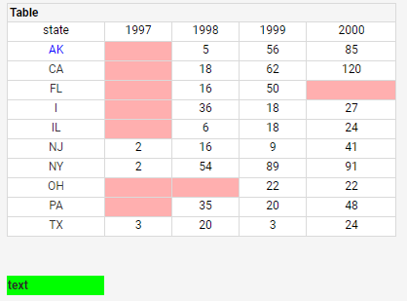

2 | Select diff value on Radiobutton
 | Check Point: | 1. the second table cell background and forground change rightly
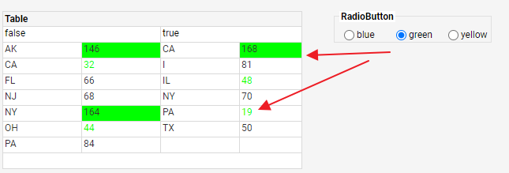

TestCase-Scope3
Description:
 | Test use script to control Chart binding
Pre-conditions:

Procedures:
1 | on portal side, open Manual/OtherScript/scope3
2 | change Xfield,ColorDateLevel RadioButton
 | Check Point: | the first bar show show rightly
3 | change Checkbox value
 | Check Point: | the map chart show rightly
4 | check off Checkbox all value
 | Check Point: | Chart show data(Bug #57639)

TestCase-Scope4
Description:
 | Test use script to control Chart binding
Pre-conditions:

Procedures:
1 | on portal side, open Manual/OtherScript/scope4
 | Check Point: | 1. the table background color is green
 |  | 2. the table title is null
2 | on TextInput Input '3', and press Enter key
 | Check Point: | the table show as below

3 | on TextInput Input '10', and press Enter key
 | Check Point: | the table show as below

TestCase-Scope5
Description:
 | Test script usage on diff scope
Pre-conditions:

Procedures:
1 | on portal side, open Manual/OtherScript/scope5
 | Check Point: | 1. the selection no select
 |  | 2. the text and Chart show as below
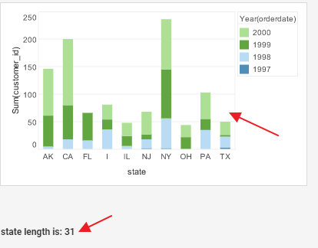

2 | click Element VO to open hyperlink
 | Check Point: | the baidu page opened, and URL include parameter name and value

3 | select AK value on Selection List
 | Check Point: | 1. show info as below

 |  | 2. Chart and Text show as below
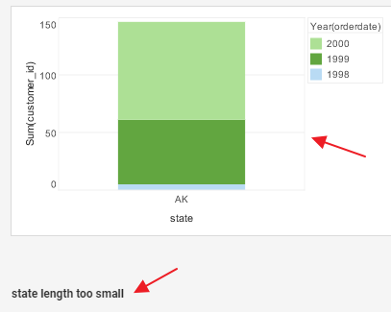

3 | check on preivew and export as PNG
 | Check Point: | the Chart and Text show rightly

TestCase-Scope6
Description:
 | Test script usage on diff scope
Pre-conditions:

Procedures:
1 | on portal side, open Manual/OtherScript/scope6 |  |  |  |  | Bug #53885
2 | move mouse on Chart
 | Check Point: | 1. the Crosstab as tipview show right
3 | move mouse on Crosstab
 | Check Point: | 1. the Gauge data change right
 |  | 2. see below check
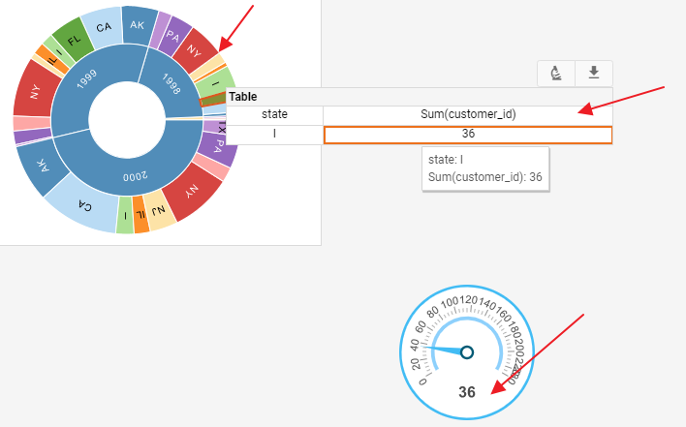

TestCase-ScopePara1
Description:
 | Test use script to set and get all parameters
Pre-conditions:

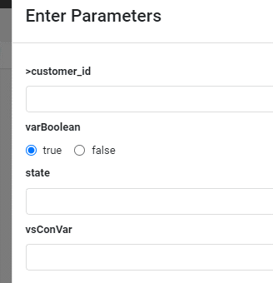
Procedures:
1 | on portal side, open Manual/OtherScript/scopePara1
 | Check Point: | the pop up parameter dialog show as:

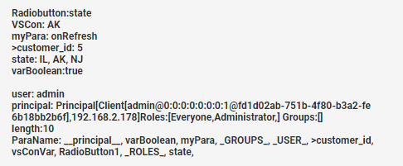
2 | click OK to close Dialog
 | Check Point: | The Text Value show as below

3 | click Edit button to open the vs on composer
 | Check Point: | the left binding tree show as:

4 | open Option\Script tab, expaned Parameter Node
 | Check Point: | the below parameter name show:
 |  | _GROUPS_ | <customer_id
 |  | _ROLES_ | Radiobutton1
 |  | _USER_ | myPara
 |  | __pricipal__ | state
 |  | lenth | varBoolean
 |  | parameterNames | varConVar

TestCase-ScopePara2
Description:
 | Test use script to set and get all parameters
Pre-conditions:

Procedures:
1 | on portal side, open Manual/OtherScript/scopePara2
 | Check Point: | 1. no parameter dialog show
 |  | 2. table and text value show as below:
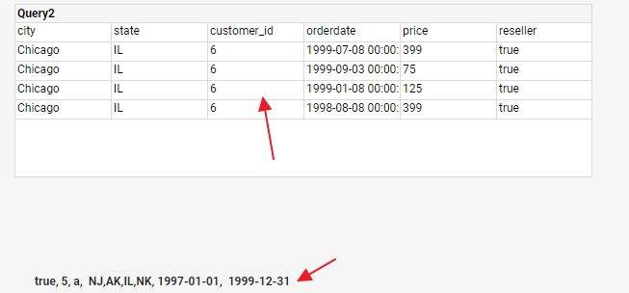

TestCase-ScopePara3
Description:
 | Test use script to set and get all parameters
Pre-conditions:

Procedures:
1 | on portal side, open Manual/OtherScript/scopePara3
 | Check Point: | the chart X,Color show right data with two Radiobutton
2 | select 'city' on Radiobutton1 and 'reseller' on Radiobutton2
 | Check Point: | the vs show as below
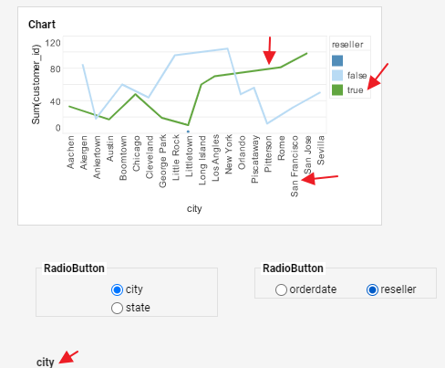

TestCase-ScopePara4
Description:
 | Test pass script parameter by URL when export or display viewsheet
Pre-conditions:

Procedures:
1 | open 'http://localhost:8090/sree/app/viewer/view/global/Manual/OtherScript/scopePara4?myPara=testaaa'
 | Check Point: | the text value show as below

2 | open http://localhost:8080/sree/export/viewsheet/global/Manual/OtherScript/scopePara4?outtype=PNG&myPara=testbbb
 | Check Point: | the export PNG text value is 'testbbb'

OtherSpecialScript

TestCase-Confirm
Description:
 | Test Confirm script usage
Pre-conditions:

Procedures:
1 | on portal side, open Manual/OtherScript/sConfirm
2 | click on Submit
 | Check Point: | show below confrim dialog


3 | click Yes button
 | Check Point: | 1. table show as below

 |  | 2. SelectionList change to disable
 |  | 3. Radiobutton didn't see
4 | click Refresh button
 | Check Point: | table all cell no backgroud color
5 | click Submit Button and Click No
 | Check Point: | table show as below

TestCase-Event
Description:
 | Test Event script usage
Pre-conditions:

Procedures:
1 | on portal side, open Manual/OtherScript/sEvent
 | Check Point: | The Text value is Text
2 | select TX on Selection List
 | Check Point: | the Text show as below

3 | select orderdate on Radiobuttpn
 | Check Point: | the Text show as below
 |  |  |  |  | Note: Bug #62609 之后, 13.5~13.8 所有版本都改对了

4 | input value on text input
 | Check Point: | the Text show as below

5 | edit any cell on Form Table,click 'Enter'
 | Check Point: | the Table and Text show as below. The num is rowIdx and col Idx of edit cell
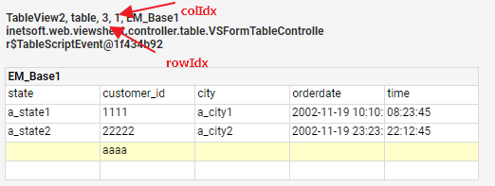

TestCase-pviewsheet
Description:
 | Test pviewsheet script usage
Pre-conditions:

Procedures:
1 | on portal side, open Manual/OtherScript/pViewsheet
2 | select 'Link to VS' text
 | Check Point: | The VS Text value should show as:

TestCase-saveworksheet
Description:
 | Test saveworksheet(), applychanges() script usage
Pre-conditions:

Procedures:
1 | on portal side, open Manual/OtherScript/saveworksheet
2 | modify any cell value as below

3 | click Submit1 button
 | Check Point: | 1. the value be save to ws and vs refresh to get new data. As below

 | Note: you can modify the cell value to orginal value then submit to make sure base ws no change

TestCase-appendRow
Description:
 | Test appendRow(), setCellValue() script usage
Pre-conditions:

Procedures:
1 | on portal side, open Manual/OtherScript/appendRows
2 | the table show as below

3 | click appendData button
 | Check Point: | the table show as below

 | Note: you can remove the row and cell value from worksheet after the case finished

TestCase-scriptAction
Description:
 | Test graph.script.action.support setting property control graph action
Pre-conditions:

Procedures:
1 | In composer,new viewsheet drag chart to component pane
2 | Open properties dialog,input script like this
 |  | dataset = [["State", "Quantity"], ["NJ", 200], ["NY", 300]];
 |  | graph = new EGraph();
 |  | var elem = new LineElement("State", "Quantity");
 |  | graph.addElement(elem);
3 | Click ok button,and save this viewsheet named "graphaction"
 | Check Point: | Select chart x axis label on line point in plot area,Brush,Zoom,Show detail should be invisiable ,datatip View,flyover should be disabled
4 | Setting "graph.script.action.support = true"in sree.properties dialog
5 | In composer,open "graphaction" viewsheet
 | Check Point: | Select chart x axis label on line point in plot area ,Brush,Zoom should be visiable on mini toolbar
6 | Change datasource by Options banding Data Worksheet/chartUI
7 | Banding state column on chart x axis ,"customer_id"column on Chart1
8 | New Crosstab banding state column to row column and "customer_id"column to Aggreagte column
9 | Select one point on plot area(下图）
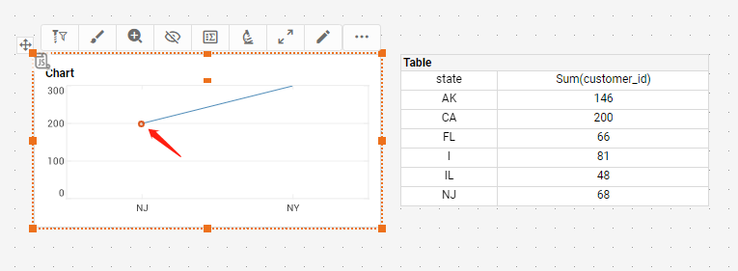

 | Check Point: | This action will be work well on real banding

 | Note:All mini toolbar,datatip view,flyover all work well on real banding

TestCase-parameterScript
Description:
 | Test parameter trigger script
Pre-conditions:

Procedures:
1 | on portal side, open Manual/OtherScript/Script_Order_OneWay4
2 | In parameter dialog, input 'NK,NY,NJ', click ok button
 | Check Point: | show as below

