Overview
VSScript Engine:
ViewsheetSandbox

 |  |  | executeScript(VSAssembly)
ViewsheetScope

 |  |  | execute(script statement, VSAScriptable)
JavaScriptEnv

 |  |  | compile(script statement)
 |  |  | exec(script, scriptable)
JavaScriptEngine

VSAScriptable
 |  |  | exec(script, scriptable) |  | properties | 1.橘色部分properties是被自动化覆盖,加粗部分property表示从父类继承
 |  |  |  |  | action | 2. 桃色部分action是被自动化覆盖,加粗部分property表示从父类继承
 |  |  |  |  | function | 3. 蓝色部分functions是被自动化覆盖
 |  |  | change Info
VSAssemblyInfo

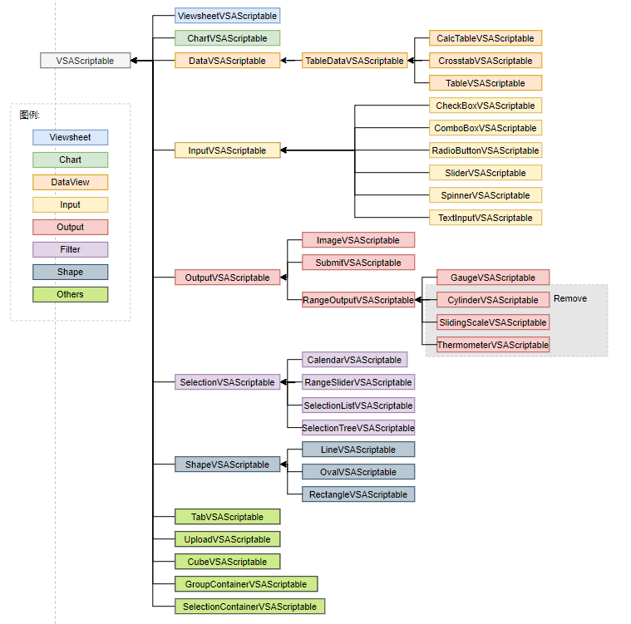

 | VSAScriptable | ViewsheetVSAScriptable
 |  | ChartVSAScriptable
 |  | DataVSAScriptable
 |  |  | TableDataVSAScriptable
 |  |  |  | CalcTableVSAScriptable
 |  |  |  | CrosstabVSAScriptable
 |  |  |  | TableVSAScriptable
 |  | InputVSAScriptable
 |  |  | CheckBoxVSAScriptable
 |  |  | ComboBoxVSAScriptable
 |  |  | RadioButtonVSAScriptable
 |  |  | SliderVSAScriptable
 |  |  | SpinnerVSAScriptable
 |  |  | TextInputVSAScriptable
 |  | OutputVSAScriptable
 |  |  | ImageVSAScriptable
 |  |  | RangeOutputVSAScriptable
 |  |  |  | GaugeVSAScriptable
 |  |  |  | CylinderVSAScriptable
 |  |  |  | SlidingScaleVSAScriptable
 |  |  |  | ThermometerVSAScriptable
 |  |  | SubmitVSAScriptable
 |  |  | TextVSAScriptable

 |  | SelectionVSAScriptable
 |  |  | CalendarVSAScriptable
 |  |  | RangeSliderVSAScriptable
 |  |  | SelectionListVSAScriptable
 |  |  | SelectionTreeVSAScriptable
 |  | ShapeVSAScriptable
 |  |  | LineVSAScriptable
 |  |  | OvalVSAScriptable
 |  |  | RectangleVSAScriptable
 |  | TabVSAScriptable
 |  | UploadVSAScriptable
 |  | CubeVSAScriptable
 |  | GroupContainerVSAScriptable
 |  | SelectionContainerVSAScriptable

Common Script Useage
StyleConstant.* : inetsoft\report\StyleConstants.java

 | Access Java in Script
 | type | importPackage('packageName')
 |  | packageName:
 |  |  | java.awt | inetsoft.graph.*
 |  |  | java.text | inetsoft.report
 |  |  | java.util | inetsoft.report.lens
 |  |  | java.sql | inetsoft.report.filter
 |  |  |  | inetsoft.uql
 |  |  |  | inetsoft.report.painter.

 | Example: | importPackage(inetsoft.report);
 |  | var link = new Hyperlink("www.baidu.com", Hyperlink.WEB_LINK)
 |  | link.setTargetFrame("_blank")
 |  | setHyperlink(2, link);

 | Properties
 | Color | Type | java.awt.Color |  | java.awt.Color.BLUE
 |  |  | number (hex) |  | 0xFF0000
 |  |  | string (color name) |  | red'
 |  |  | array [r,g,b] |  | [255,0,0]
 |  |  | JSON {r:#,g:#,b:#} |  | {r:255,g:0,b:0}
 |  | Example: | background = java.awt.Color.lightGray;
 | Border | Type | Array of Line Style
 |  |  | StyleConstant.* : inetsoft\report\StyleConstants.java |  |  |  |  |  |  | Border Style
 |  | Example: | borders = [StyleConstant.DOUBLE_LINE,StyleConstant.NO_BORDER, StyleConstant.THIN_LINE, StyleConstant.NO_BORDER];
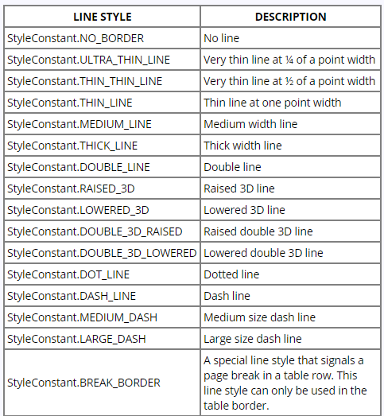
 | Font | Type | java.awt.Font
 |  | Example | font = java.awt.Font('Verdana',java.awt.Font.BOLD, 35)
 |  |  | or
 |  |  | importClass( java.awt.Font);
 |  |  | Text1.font = Font('Verdana', Font.BOLD,13);
 | format | Type | StyleConstant.DATE_FORMAT for date display
 | formatSpec |  | StyleConstant.DECIMAL_FORMAT for number display
 |  |  | StyleConstant.MESSAGE_FORMAT for text display
 |  |  | StyleConstant.PERCENT_FORMAT for fraction display
 |  |  | StyleConstant.CURRENCY_FORMAT for locale-adapting currency display
 |  | Example | format = StyleConstant.DECIMAL_FORMAT;
 |  |  | formatSpec = "#,###.00";
 | aligment | Type | Horizontal Alignment |  |  | Vertical Alignment
 |  |  | StyleConstant.H_LEFT or LEFT_ALIGNMENT = 1 |  |  | StyleConstant.V_TOP
 |  |  | StyleConstant.H_CENTER |  |  | StyleConstant.V_CENTER
 |  |  | StyleConstant.H_RIGHT |  |  | StyleConstant.V_BOTTOM
 |  |  | StyleConstant.H_CURRENCY |  |  | StyleConstant.V_BASELINE
 |  | Example | alignment = StyleConstant.H_CENTER | StyleConstant.V_CENTER;
 |  |  | or
 |  |  | aligment = 4|32
 | size | Type | a java.awt.Dimension object:
 |  |  | java.awt.Dimension(width,height)
 |  | Example | size = java.awt.Dimension(700,400)
 | position | Type | a java.awt.Point
 |  |  | java.awt.Point(horizontal,vertical)
 |  | Example | position = java.awt.Point(400,90)

 | actions:
 | setHyperlink(row, col, hyperlink) | Parameter | row: row index
 |  |  | col: col index
 |  |  | hyperlink: string or inetsoft.report.Hyperlink.Ref object
 |  | Example | setHyperlink(1,0,"www.baidu.com")
 |  |  | setHyperlink(1, 1, "Tutorial/Ad Hoc");
 |  |  | setHyperlink(1, 1, null); // remove hyperlink
 |  |  | var link = new inetsoft.report.Hyperlink("www.baidu.com", inetsoft.report.Hyperlink.WEB_LINK); |  |  |  |  | REPORT_LINK
 |  |  | link.setParameterField("state", "NJ"); |  |  |  |  | WEB_LINK
 |  |  | link.setTargetFrame("_blank"); |  |  |  |  | ARCHIVE_LINK
 |  |  | setHyperlink(1,0,link); |  |  |  |  | DRILL_LINK
 |  |  |  |  |  |  |  | VIEWSHEET_LINK
 | setPresenter(row,col,presenter) | Parameter | row: row index
 |  |  | col: col index |  |  |  | \\\inetsoft\report\painter\*
 |  |  | presenter: name of Presenter |  |  |  | BarPresenter
 |  | Example | setPresenter(0,0,"HeaderPresenter"); |  |  |  | IconCounterPresenter |  | 似乎有些presenter没有正确应用?
 |  |  |  |  |  |  | BooleanPresenter
 |  |  |  |  |  |  | Bar2Presenter
 |  |  |  |  |  |  | ButtonPresenter
 |  |  |  |  |  |  | ShadowPresenter
 |  |  | TODO: persentangfe 所有内容需要重新加case

Remove Script
//Seems some script be Remove from 13.3, you can get detail info from previous newtest

 | rowCount | Combox的item的数目, UI上以及移除,script 也移除
 | addAction | 在viewsheet toolbar上添加自定义的icon. UI的功能移除,script 移除

