Registry Workflow Diagram
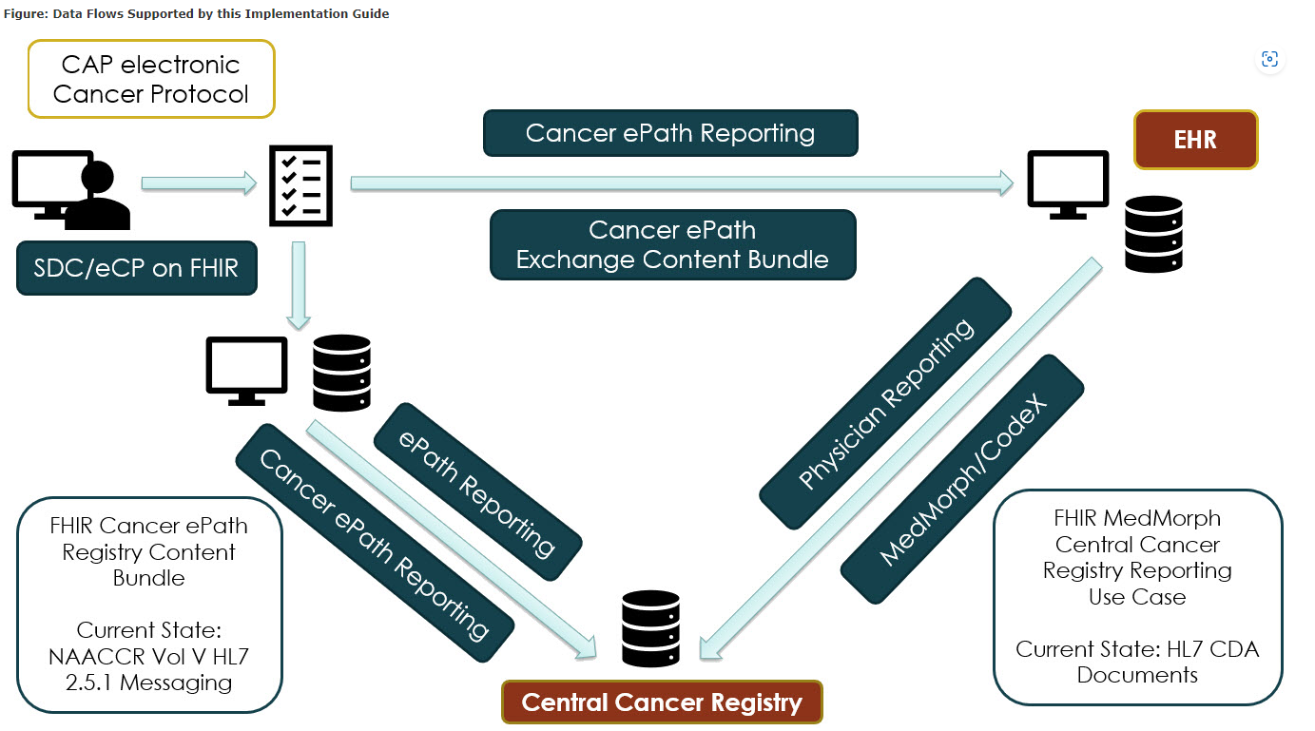
https://hl7.org/fhir/us/cancer-reporting/STU1.0.1/background.html

