Registry Workflow Diagram
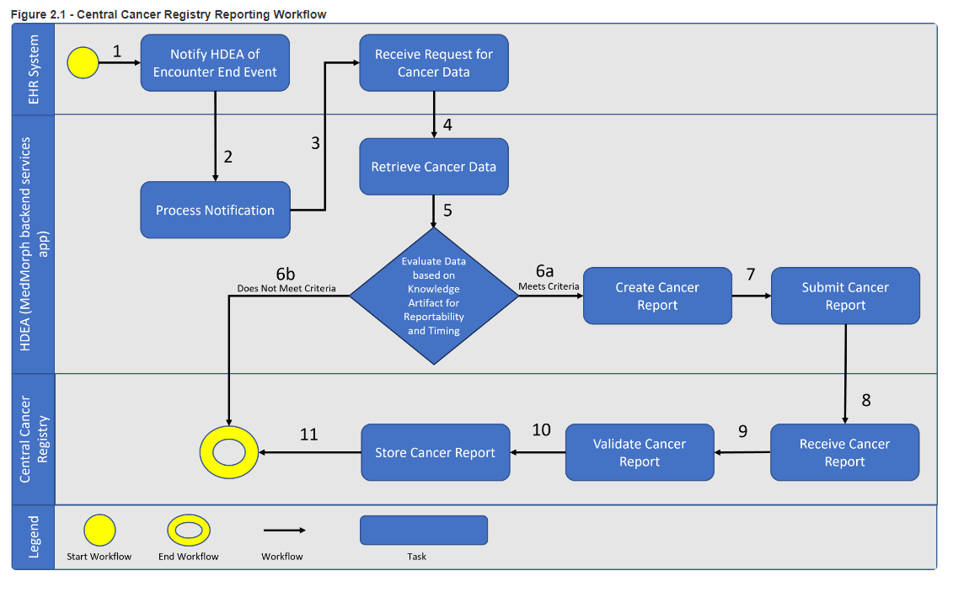
https://www.hl7.org/fhir/us/central-cancer-registry-reporting/2022Jan/usecases.html

