Sheet1
Sample of loose stone |  |  |  |  |  |  |  |  |  |  |  |  |  |  | Shape | Color | Clarity
Diamond ID | Description | Shape | Size | Color | Clarity | Cut | Polish | Symm | Fluor | Lab | Certificate No | Vendor Stock Number | Price/ct | Total Price | Asscher | D | IF
LD21611581119 | Asscher DIAMOND 0.5DVVS1GIA | Asscher | 0.5 | D | VVS1 | Ideal |  |  | N | GIA |  |  | 2995 | 1497.5 | Baguette | E | VVS1
LD31611581119 | Baguette DIAMOND 0.8EVS2GIA | Baguette | 0.8 | E | VS2 | Ideal |  |  | N | GIA |  |  | 2996 | 2396.8 | Cushion | F | VVS2
LD41611581119 | Cushion DIAMOND 1.2FSI2GIA | Cushion | 1.2 | F | SI2 | Ideal |  |  | N | GIA |  |  | 2997 | 3596.4 | Emerald | G | VS1
LD51611581119 | Emerald DIAMOND 1.5GSI1GIA | Emerald | 1.5 | G | SI1 | Ideal |  |  | N | GIA |  |  | 2998 | 4497 | Heart | H | VS2
LD61611581119 | Heart DIAMOND 1.6HVS2GIA | Heart | 1.6 | H | VS2 | Ideal |  |  | N | GIA |  |  | 2999 | 4798.4 | Marquise | I | SI1
LD71611581119 | Marquise DIAMOND 1IVVS1GIA | Marquise | 1 | I | VVS1 | Ideal |  |  | N | GIA |  |  | 3000 | 3000 | Mix | J | SI2
LD81611581119 | Mix DIAMOND 1.4DVVS2GIA | Mix | 1.4 | D | VVS2 | Ideal |  |  | N | GIA |  |  | 1999 | 2798.6 | Oval | K | I1
LD91611581119 | Oval DIAMOND 0.7FVS1GIA | Oval | 0.7 | F | VS1 | Ideal |  |  | N | GIA |  |  | 2000 | 1400 | Pear | L | I2
LD101611581119 | Pear DIAMOND 1.2GVS1GIA | Pear | 1.2 | G | VS1 | Ideal |  |  | N | GIA |  |  | 4000 | 4800 | Princess |  | I3
LD111611581119 | Princess DIAMOND 0.75HVVS1GIA | Princess | 0.75 | H | VVS1 | Ideal |  |  | N | GIA |  |  | 4001 | 3000.75 | Radiant
LD121611581119 | Round DIAMOND 1.2JVS1GIA | Princess | 1.2 | J | VS1 | Ideal |  |  | N | GIA |  |  | 1450 | 1740 | Round
LD131611581119 | Round DIAMOND 1.25DVS2GIA | Princess | 1.25 | D | VS2 | Ideal |  |  | N | GIA |  |  | 1600 | 2000 | Trilliant
LD141611581119 | Round DIAMOND 1.3KSI2GIA | Princess | 1.3 | K | SI2 | Ideal |  |  | N | GIA |  |  | 1500 | 1950
LD151611581119 | Round DIAMOND 1.5LSI1GIA | Princess | 1.5 | L | SI1 | Ideal |  |  | N | GIA |  |  | 1550 | 2325
LD161611581119 | Round DIAMOND 1.6FVVS1GIA | Princess | 1.6 | F | VVS1 | Ideal |  |  | N | GIA |  |  | 1650 | 2640
LD171611581119 | Radiant DIAMOND 0.9EVS2GIA | Radiant | 0.9 | E | VS2 | Ideal |  |  | N | GIA |  |  | 4002 | 3601.8 | Clarity it has to be in this order
LD181611581119 | Round DIAMOND 0.5JSI2GIA | Round | 0.5 | J | SI2 | Ideal |  |  | N | GIA |  |  | 1200 | 600
LD191611581119 | Round DIAMOND 0.75EVVS1GIA | Round | 0.75 | E | VVS1 | Ideal |  |  | N | GIA |  |  | 1200 | 900 | If a product have a center stone example below it will
LD201611581119 | Round DIAMOND 0.85FVVS2GIA | Round | 0.85 | F | VVS2 | Ideal |  |  | N | GIA |  |  | 1250 | 1062.5
LD211611581119 | Round DIAMOND 0.95GVS1GIA | Round | 0.95 | G | VS1 | Ideal |  |  | N | GIA |  |  | 1300 | 1235
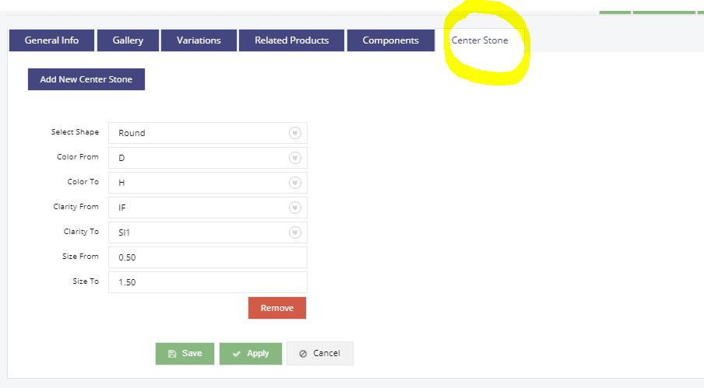
LD221611581119 | Round DIAMOND 1HVS1GIA | Round | 1 | H | VS1 | Ideal |  |  | N | GIA |  |  | 1350 | 1350
LD231611581119 | Round DIAMOND 1.1IVS1GIA | Round | 1.1 | I | VS1 | Ideal |  |  | N | GIA |  |  | 1400 | 1540
LD241611581119 | Round DIAMOND 1.2JVS1GIA | Round | 1.2 | J | VS1 | Ideal |  |  | N | GIA |  |  | 1450 | 1740
LD251611581119 | Round DIAMOND 1.25DVS2GIA | Round | 1.25 | D | VS2 | Ideal |  |  | N | GIA |  |  | 1600 | 2000
LD261611581119 | Round DIAMOND 1.3KSI2GIA | Round | 1.3 | K | SI2 | Ideal |  |  | N | GIA |  |  | 1500 | 1950
LD271611581119 | Round DIAMOND 1.5LSI1GIA | Round | 1.5 | L | SI1 | Ideal |  |  | N | GIA |  |  | 1550 | 2325
LD281611581119 | Round DIAMOND 1.6FVVS1GIA | Round | 1.6 | F | VVS1 | Ideal |  |  | N | GIA |  |  | 1650 | 2640
LD291611581119 | Round DIAMOND 1.8EVVS2GIA | Round | 1.8 | E | VVS2 | Ideal |  |  | N | GIA |  |  | 1700 | 3060
LD301611581119 | Round DIAMOND 2KVS1GIA | Round | 2 | K | VS1 | Ideal |  |  | N | GIA |  |  | 1750 | 3500
LD311611581119 | Round DIAMOND 3.5GVS1GIA | Round | 3.5 | G | VS1 | Ideal |  |  | N | GIA |  |  | 1850 | 6475
LD321611581119 | Round DIAMOND 5HVS1GIA | Round | 5 | H | VS1 | Ideal |  |  | N | GIA |  |  | 1900 | 9500
LD331611581119 | Round DIAMOND 5.22FVS1GIA | Round | 5.22 | F | VS1 | Ideal |  |  | N | GIA |  |  | 1950 | 10179
LD341611581119 | Round DIAMOND 5.5IVS1GIA | Round | 5.5 | I | VS1 | Ideal |  |  | N | GIA |  |  | 1800 | 9900
LD351611581119 | Round DIAMOND 6.65EVS1GIA | Round | 6.65 | E | VS1 | Ideal |  |  | N | GIA |  |  | 2000 | 13300
LD361611581119 | Round DIAMOND 10.5DVS1GIA | Round | 10.5 | D | VS1 | Ideal |  |  | N | GIA |  |  | 2050 | 21525
LD371611581119 | Trilliant DIAMOND 0.88IVS2GIA | Trilliant | 0.88 | I | VS2 | Ideal |  |  | N | GIA |  |  | 1202 | 1057.76
LD381611581119 | Round DIAMOND 0.5JSI2GIA | Oval | 0.5 | J | SI2 | Ideal |  |  | N | GIA |  |  | 1200 | 600
LD391611581119 | Round DIAMOND 0.75EVVS1GIA | Oval | 0.75 | E | VVS1 | Ideal |  |  | N | GIA |  |  | 1200 | 900
LD401611581119 | Round DIAMOND 0.85FVVS2GIA | Oval | 0.85 | F | VVS2 | Ideal |  |  | N | GIA |  |  | 1250 | 1062.5
LD411611581119 | Round DIAMOND 0.95GVS1GIA | Oval | 0.95 | G | VS1 | Ideal |  |  | N | GIA |  |  | 1300 | 1235
LD421611581119 | Round DIAMOND 1HVS1GIA | Oval | 1 | H | VS1 | Ideal |  |  | N | GIA |  |  | 1350 | 1350
LD431611581119 | Round DIAMOND 1.1IVS1GIA | Oval | 1.1 | I | VS1 | Ideal |  |  | N | GIA |  |  | 1400 | 1540
LD441611581119 | Round DIAMOND 1.2JVS1GIA | Oval | 1.2 | J | VS1 | Ideal |  |  | N | GIA |  |  | 1450 | 1740
LD451611581119 | Round DIAMOND 1.25DVS2GIA | Oval | 1.25 | D | VS2 | Ideal |  |  | N | GIA |  |  | 1600 | 2000
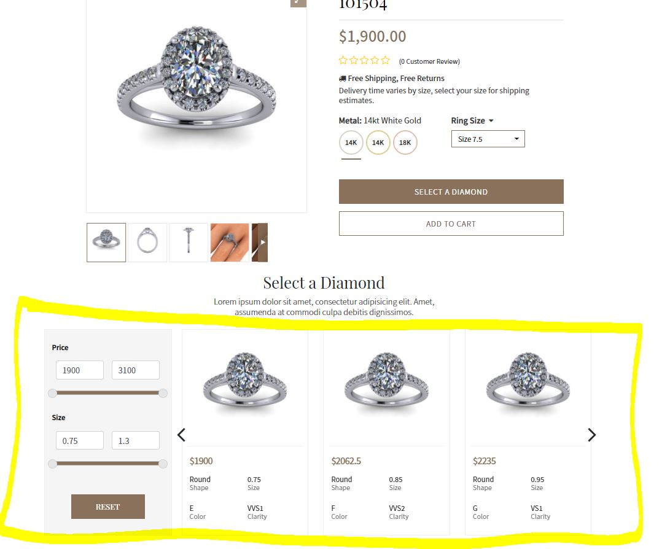
LD461611581119 | Round DIAMOND 1.3KSI2GIA | Oval | 1.3 | K | SI2 | Ideal |  |  | N | GIA |  |  | 1500 | 1950
LD471611581119 | Round DIAMOND 1.5LSI1GIA | Oval | 1.5 | L | SI1 | Ideal |  |  | N | GIA |  |  | 1550 | 2325
LD481611581119 | Round DIAMOND 1.6FVVS1GIA | Oval | 1.6 | F | VVS1 | Ideal |  |  | N | GIA |  |  | 1650 | 2640
LD491611581119 | Round DIAMOND 1.8EVVS2GIA | Oval | 1.8 | E | VVS2 | Ideal |  |  | N | GIA |  |  | 1700 | 3060
LD501611581119 | Round DIAMOND 2KVS1GIA | Oval | 2 | K | VS1 | Ideal |  |  | N | GIA |  |  | 1750 | 3500
LD511611581119 | Round DIAMOND 3.5GVS1GIA | Oval | 3.5 | G | VS1 | Ideal |  |  | N | GIA |  |  | 1850 | 6475
LD521611581119 | Round DIAMOND 5HVS1GIA | Oval | 5 | H | VS1 | Ideal |  |  | N | GIA |  |  | 1900 | 9500
LD531611581119 | Round DIAMOND 5.22FVS1GIA | Oval | 5.22 | F | VS1 | Ideal |  |  | N | GIA |  |  | 1950 | 10179
LD541611581119 | Round DIAMOND 5.5IVS1GIA | Oval | 5.5 | I | VS1 | Ideal |  |  | N | GIA |  |  | 1800 | 9900
LD551611581119 | Round DIAMOND 6.65EVS1GIA | Oval | 6.65 | E | VS1 | Ideal |  |  | N | GIA |  |  | 2000 | 13300
LD561611581119 | Round DIAMOND 10.5DVS1GIA | Oval | 10.5 | D | VS1 | Ideal |  |  | N | GIA |  |  | 2050 | 21525
LD571611581119 | Round DIAMOND 0.5JSI2GIA | Pear | 0.5 | J | SI2 | Ideal |  |  | N | GIA |  |  | 1200 | 600
LD581611581119 | Round DIAMOND 0.75EVVS1GIA | Pear | 0.75 | E | VVS1 | Ideal |  |  | N | GIA |  |  | 1200 | 900
LD591611581119 | Round DIAMOND 0.85FVVS2GIA | Pear | 0.85 | F | VVS2 | Ideal |  |  | N | GIA |  |  | 1250 | 1062.5
LD601611581119 | Round DIAMOND 0.95GVS1GIA | Pear | 0.95 | G | VS1 | Ideal |  |  | N | GIA |  |  | 1300 | 1235
LD611611581119 | Round DIAMOND 1HVS1GIA | Pear | 1 | H | VS1 | Ideal |  |  | N | GIA |  |  | 1350 | 1350
LD621611581119 | Round DIAMOND 1.1IVS1GIA | Pear | 1.1 | I | VS1 | Ideal |  |  | N | GIA |  |  | 1400 | 1540
LD631611581119 | Round DIAMOND 1.2JVS1GIA | Pear | 1.2 | J | VS1 | Ideal |  |  | N | GIA |  |  | 1450 | 1740
LD641611581119 | Round DIAMOND 1.25DVS2GIA | Pear | 1.25 | D | VS2 | Ideal |  |  | N | GIA |  |  | 1600 | 2000
LD651611581119 | Round DIAMOND 1.3KSI2GIA | Pear | 1.3 | K | SI2 | Ideal |  |  | N | GIA |  |  | 1500 | 1950
LD661611581119 | Round DIAMOND 1.5LSI1GIA | Pear | 1.5 | L | SI1 | Ideal |  |  | N | GIA |  |  | 1550 | 2325
LD671611581119 | Round DIAMOND 1.6FVVS1GIA | Pear | 1.6 | F | VVS1 | Ideal |  |  | N | GIA |  |  | 1650 | 2640
LD681611581119 | Round DIAMOND 1.8EVVS2GIA | Pear | 1.8 | E | VVS2 | Ideal |  |  | N | GIA |  |  | 1700 | 3060
LD691611581119 | Round DIAMOND 2KVS1GIA | Pear | 2 | K | VS1 | Ideal |  |  | N | GIA |  |  | 1750 | 3500
LD701611581119 | Round DIAMOND 3.5GVS1GIA | Pear | 3.5 | G | VS1 | Ideal |  |  | N | GIA |  |  | 1850 | 6475
LD711611581119 | Round DIAMOND 5HVS1GIA | Pear | 5 | H | VS1 | Ideal |  |  | N | GIA |  |  | 1900 | 9500
LD721611581119 | Round DIAMOND 5.22FVS1GIA | Pear | 5.22 | F | VS1 | Ideal |  |  | N | GIA |  |  | 1950 | 10179
LD731611581119 | Round DIAMOND 5.5IVS1GIA | Pear | 5.5 | I | VS1 | Ideal |  |  | N | GIA |  |  | 1800 | 9900
LD741611581119 | Round DIAMOND 6.65EVS1GIA | Pear | 6.65 | E | VS1 | Ideal |  |  | N | GIA |  |  | 2000 | 13300
LD751611581119 | Round DIAMOND 10.5DVS1GIA | Pear | 10.5 | D | VS1 | Ideal |  |  | N | GIA |  |  | 2050 | 21525

