Sheet1
NAME | BLOOD GROUP | IMAGE
SANTOSH | B+ | 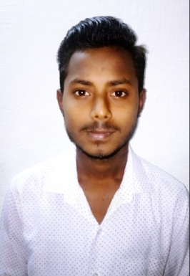
NAME | BLOOD GROUP | IMAGE
RAKTIM BHOUMICK | B+ | 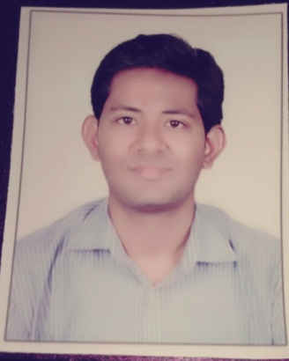
NAME | BLOOD GROUP | IMAGE
DEEPAK | A+ | 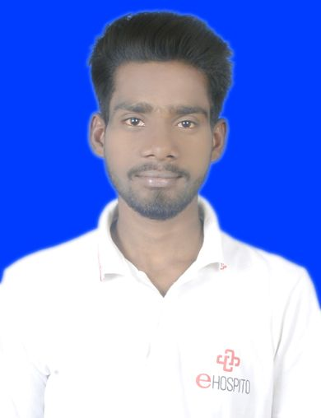
NAME | BLOOD GROUP | IMAGE
ARVIND | A+ | 