Clean
To Solve for Present Value/Purchase Price
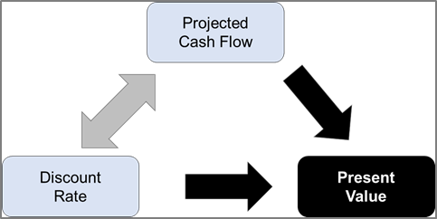
NOI to Cap | 2,664,733
Base Cap Rate | 6.65%
Base Exit Value | 40,071,173
Sale Expenses | (400,712)
Net Reversion Proceeds | 39,670,461

 | Year 0 | Year 1 | Year 2 | Year 3 | Year 4 | Year 5 | Year 6 | Year 7 | Year 8 | Year 9 | Year 10

NCF |  | 1,948,579 | 2,007,036 | 1,836,607 | 2,129,264 | 2,193,142 | 2,258,937 | 2,326,705 | 1,801,246 | 2,468,401 | 2,542,453
Reversion |  |  |  |  |  |  |  |  |  |  | 39,670,461
Total Cash Flow | - | 1,948,579 | 2,007,036 | 1,836,607 | 2,129,264 | 2,193,142 | 2,258,937 | 2,326,705 | 1,801,246 | 2,468,401 | 42,212,914
PV of Cash Flow | - | 1,821,102 | 1,753,023 | 1,499,218 | 1,624,405 | 1,563,680 | 1,505,225 | 1,448,955 | 1,048,342 | 1,342,647 | 21,458,905

Sum of Cash Flows | 61,182,831
Present Value of Cash Flows | 35,065,501
Discount Rate | 7.00%

To Solve for UIRR Given Purchase Price
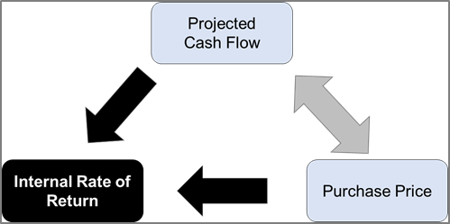
NOI to Cap | 2,664,733
Base Cap Rate | 6.65%
Base Exit Value | 40,071,173
Sale Expenses | (400,712)
Net Reversion Proceeds | 39,670,461

 | Year 0 | Year 1 | Year 2 | Year 3 | Year 4 | Year 5
Purchase Price | (35,065,501)
NCF |  | 1,948,579 | 2,007,036 | 1,836,607 | 2,129,264 | 2,193,142 | 2,258,937 | 2,326,705 | 1,801,246 | 2,468,401 | 2,542,453
Reversion |  |  |  |  |  |  |  |  |  |  | 39,670,461
Total Cash Flow | (35,065,501) | 1,948,579 | 2,007,036 | 1,836,607 | 2,129,264 | 2,193,142 | 2,258,937 | 2,326,705 | 1,801,246 | 2,468,401 | 42,212,914

Unlevered IRR | 7.00%

