Fluidigm Basics
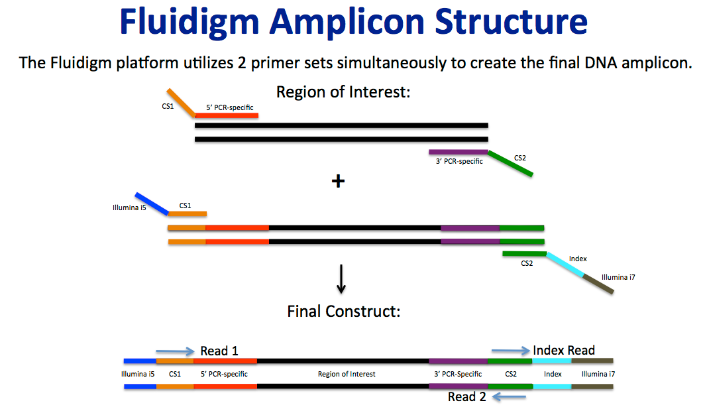
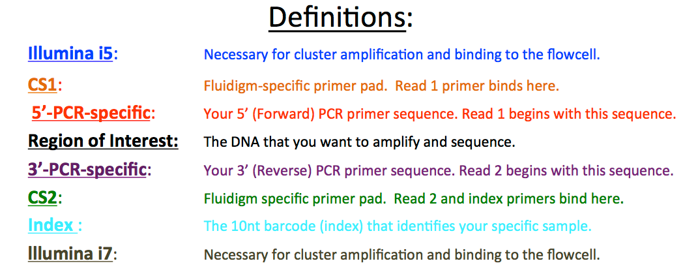
Thanks for choosing Illumina sequencing combined with Fluidigm sample preparation at the University of Illinois Keck Center!

Below is some basic information on how these amplicons are constructed and the directionality of the sequencing reads.
Please be sure to look over this well so that you can properly process your data!

Sample-Primer Info
Trace file of final pool:

Fluidigm Pools 1-3:
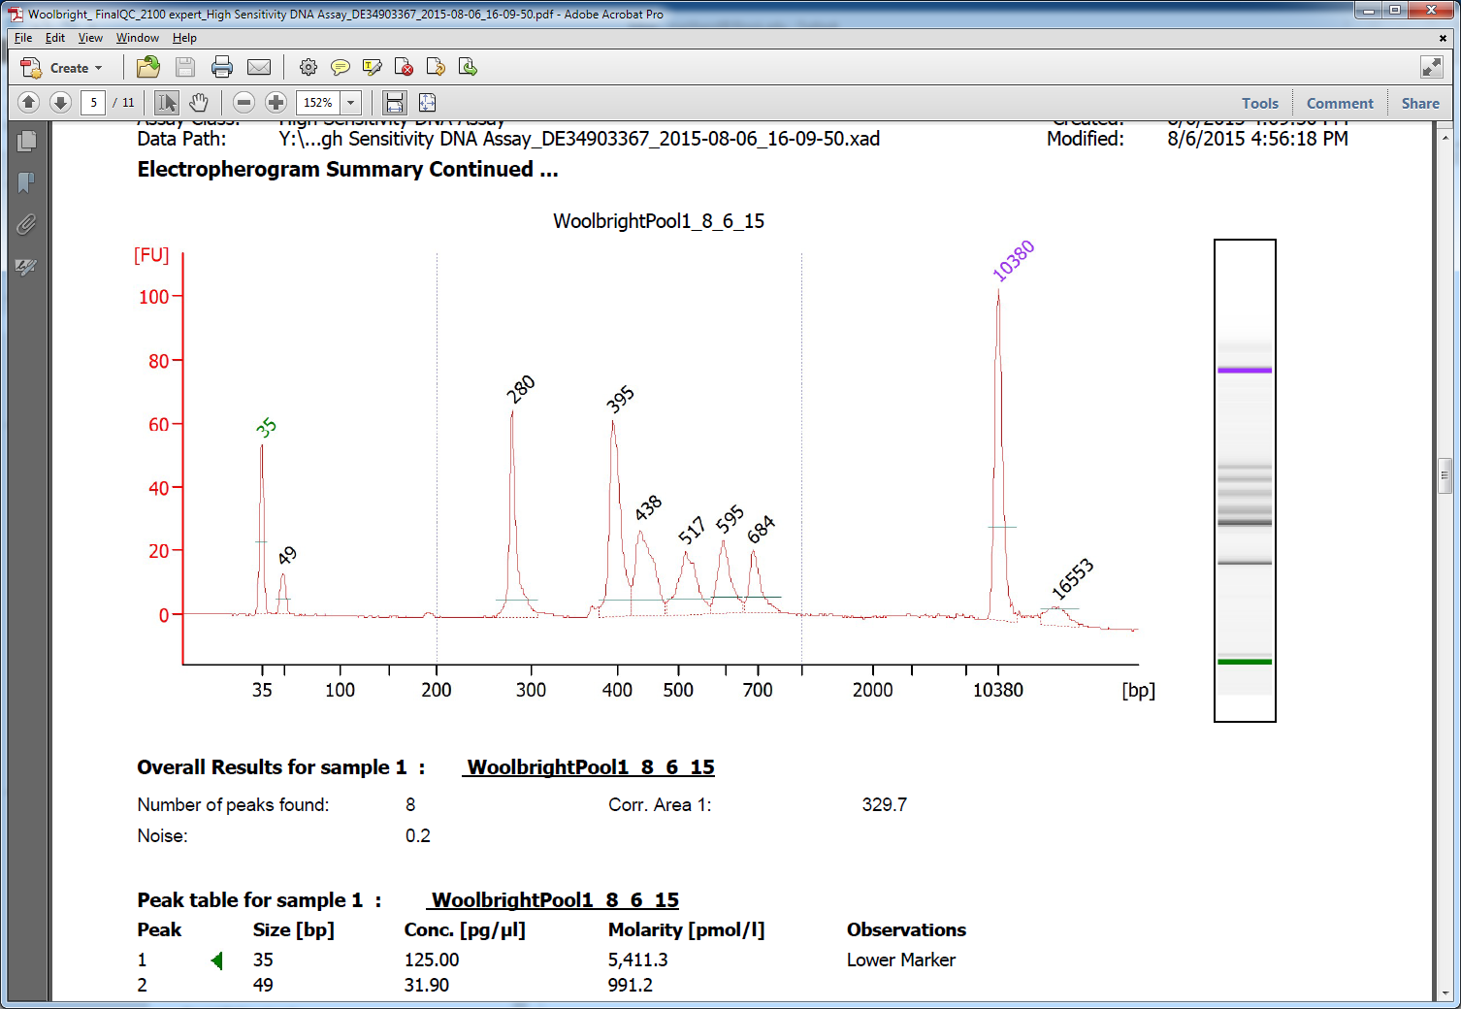
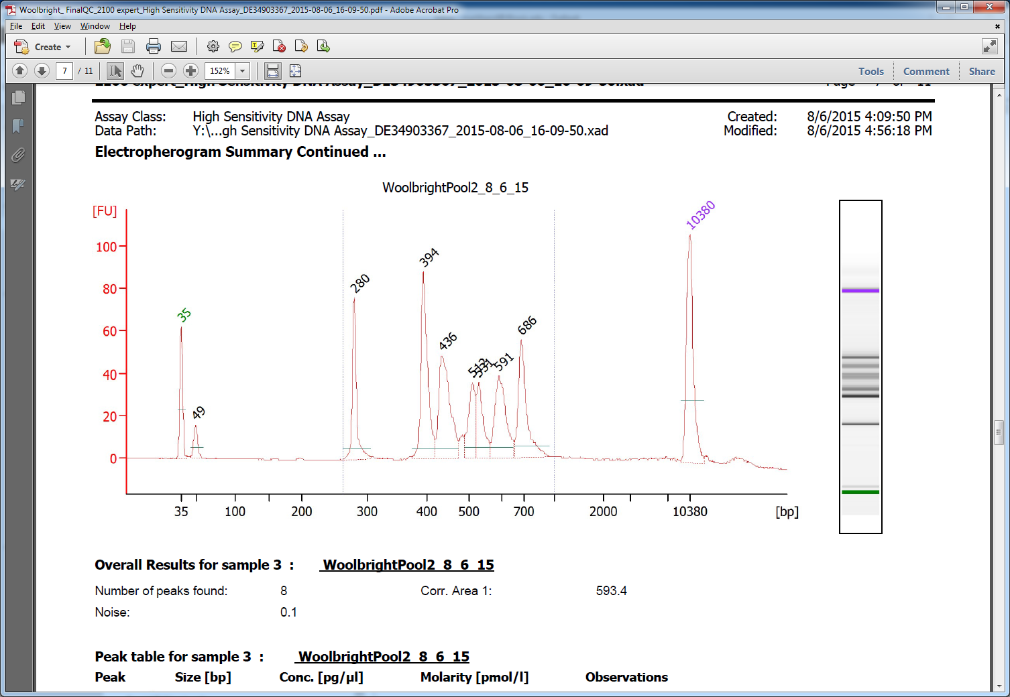
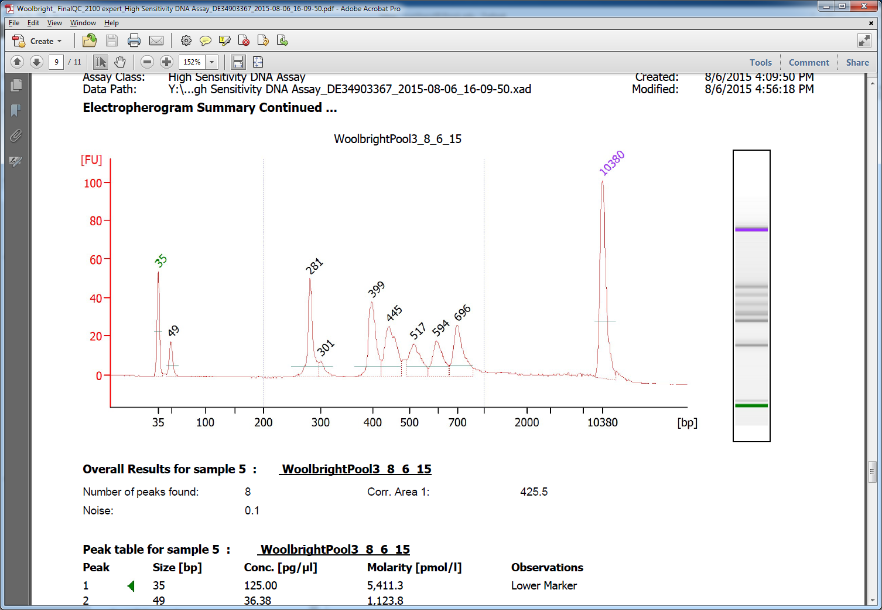

PCR specific primers used on this pool and expected lengths (includes ~106nt for Illumina adaptors, Fluidigm CS1/2 sequences, and index):

Primer target: | Primer name: | Locus-specific primer sequence: | Expected length(nt) of amplified region including locus-specific primer sequences: | Expected total fragment length(nt) with index andIllumina adaptors:

16S_V4new | 16s v4-515Fn | 5'-GTGYCAGCMGCCGCGGTAA | 292 | 398
 | 16s v4-806Rn | 5'-GGACTACNVGGGTWTCTAAT

8) ITS3-4 | ITS3F | 5'-GCATCGATGAAAACGCAGC | 356+ variable | 462+ variable
 | ITS4R | 5'-TCCTCCGCTTATTGATATGC

9) Eukaryotic 18S | Euk_1391f | 5'-GTACACACCGCCCGTC | 95-175 | 200-280
 | EukBr | 5'-TGATCCTTCTGCAGGTTCACCTAC

NS31_AML2 | NS31 | 5'-TTGGAGGGCAAGTCTGGTGCC | ~571 | ~677
 | AML2 | 5'-GAACCCAAACACTTTGGTTTCC

Plant ITS | Plant_ITS2_F | 5'-ATGCGATACTTGGTGTGAAT | 494 | 600
 | Plant_ITS4_R | 5'-GGACTACVSGGGTATCTAAT

Sequences of Fluidigm CS1 and CS2:
 | CS1 | 5'-ACACTGACGACATGGTTCTACA
 | CS2 | 5'-TACGGTAGCAGAGACTTGGTCT

Sequences of Illumina i5 and i7 regions:
 | i5 | 5'-AATGATACGGCGACCACCGAGATCT
 | i7 | 5'-CAAGCAGAAGACGGCATACGAGAT-XXXXXXXXXX
 |  | (XXXXXXXXXX denotes index sequence placement)

