Paso1
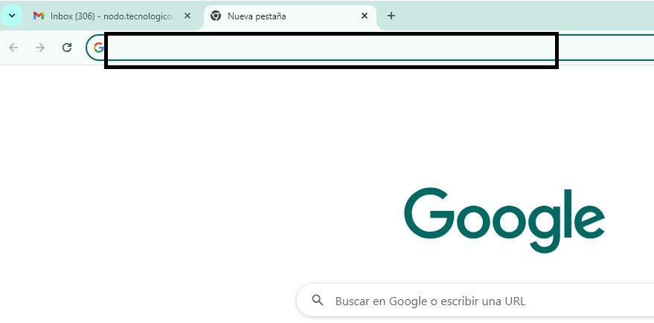

SERVIDOR WEB
REQUEST
HTML

INTERNET
CSS

JAVASCRIPT

RESPONSE

REQUEST

