Paso1
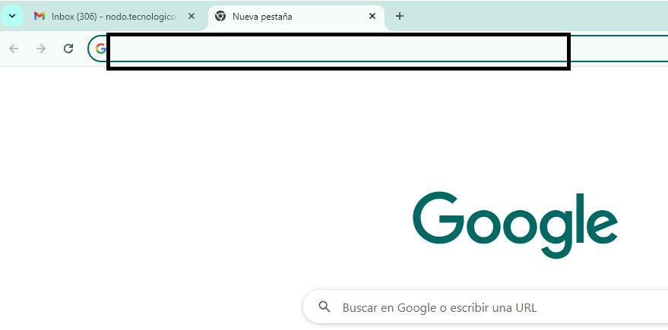

SERVIDOR WEB
REQUEST
HTML

CSS

INTERNET
JAVASCRIPT

RESPONSE

REQUEST

