Paso1
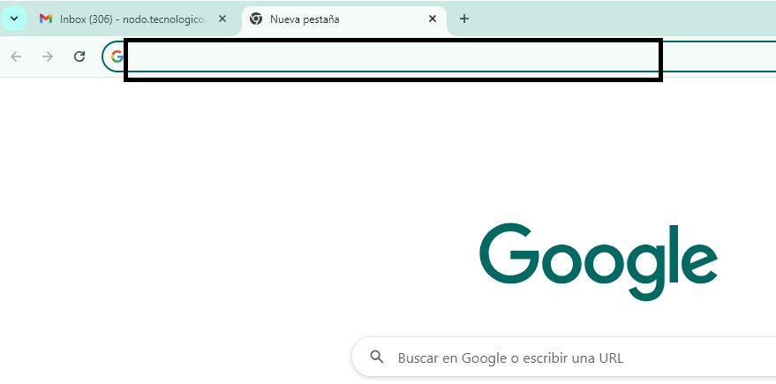
SERVIDOR WEB

REQUEST
HTML

CSS
INTERNET

JAVASCRIPT

RESPONSE

