Sheet1
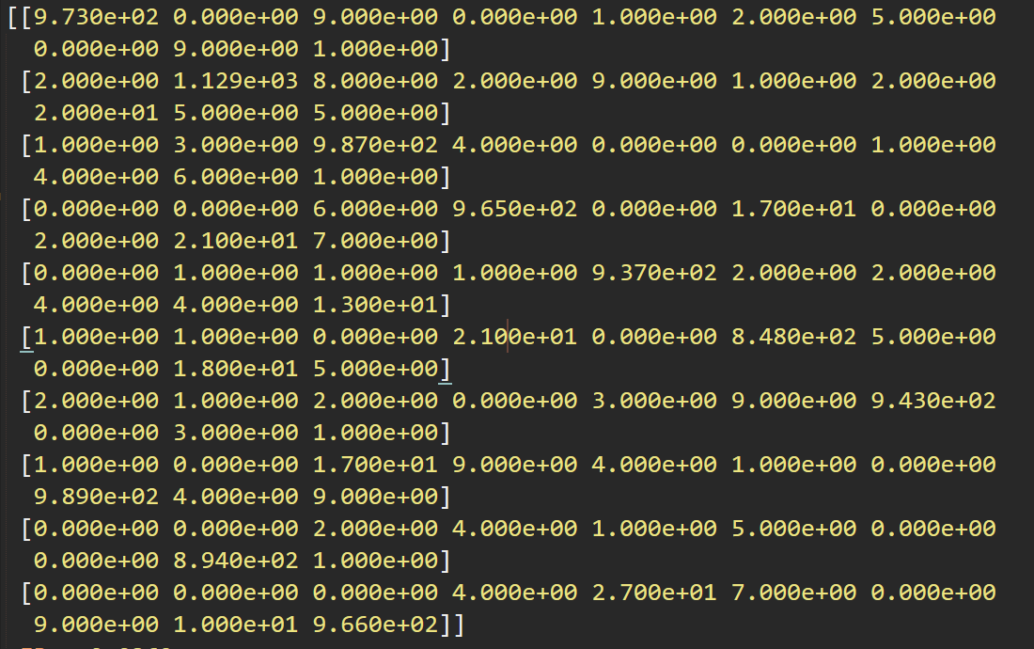
9.73E+02 | 0.00E+00 | 9.00E+00 | 0.00E+00 | 1.00E+00 | 2.00E+00 | 5.00E+00 | 0.00E+00 | 9.00E+00 | 1.00E+00
2.00E+00 | 1.13E+03 | 8.00E+00 | 2.00E+00 | 9.00E+00 | 1.00E+00 | 2.00E+00 | 2.00E+01 | 5.00E+00 | 5.00E+00
1.00E+00 | 3.00E+00 | 9.87E+02 | 4.00E+00 | 0.00E+00 | 0.00E+00 | 1.00E+00 | 4.00E+00 | 6.00E+00 | 1.00E+00
0.00E+00 | 0.00E+00 | 6.00E+00 | 9.65E+02 | 0.00E+00 | 1.70E+01 | 0.00E+00 | 2.00E+00 | 2.10E+01 | 7.00E+00
[0.000e+00 | 1.00E+00 | 1.00E+00 | 1.00E+00 | 9.37E+02 | 2.00E+00 | 2.00E+00 | 4.00E+00 | 4.00E+00 | 1.300e+01]
[1.000e+00 | 1.00E+00 | 0.00E+00 | 2.10E+01 | 0.00E+00 | 8.48E+02 | 5.00E+00 | 0.00E+00 | 1.80E+01 | 5.000e+00]
[2.000e+00 | 1.00E+00 | 2.00E+00 | 0.00E+00 | 3.00E+00 | 9.00E+00 | 9.43E+02 | 0.00E+00 | 3.00E+00 | 1.000e+00]
[1.000e+00 | 0.00E+00 | 1.70E+01 | 9.00E+00 | 4.00E+00 | 1.00E+00 | 0.00E+00 | 9.89E+02 | 4.00E+00 | 9.000e+00]
[0.000e+00 | 0.00E+00 | 2.00E+00 | 4.00E+00 | 1.00E+00 | 5.00E+00 | 0.00E+00 | 0.00E+00 | 8.94E+02 | 1.000e+00]
[0.000e+00 | 0.00E+00 | 0.00E+00 | 4.00E+00 | 2.70E+01 | 7.00E+00 | 0.00E+00 | 9.00E+00 | 1.00E+01 | 9.660e+02]

ER: 0.0369
Runtime: 12575.04906320571899414062

