Kmeans normalizado
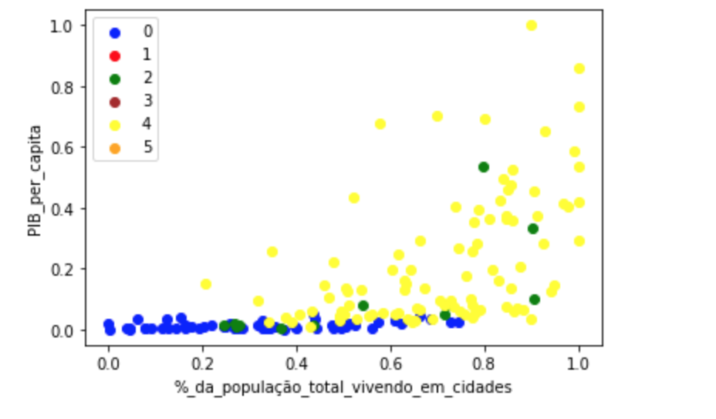
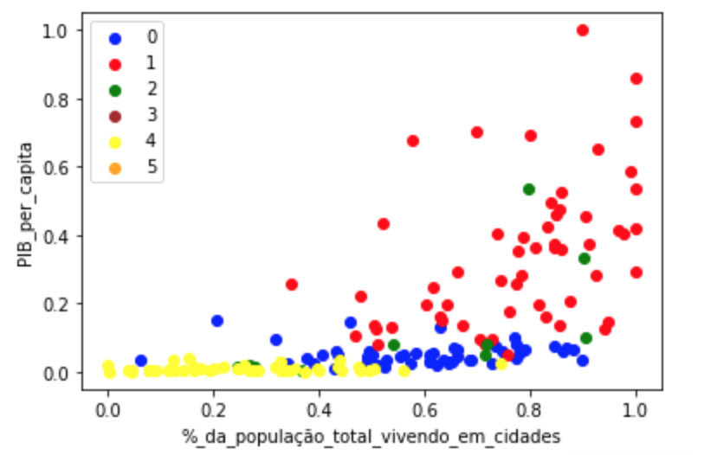
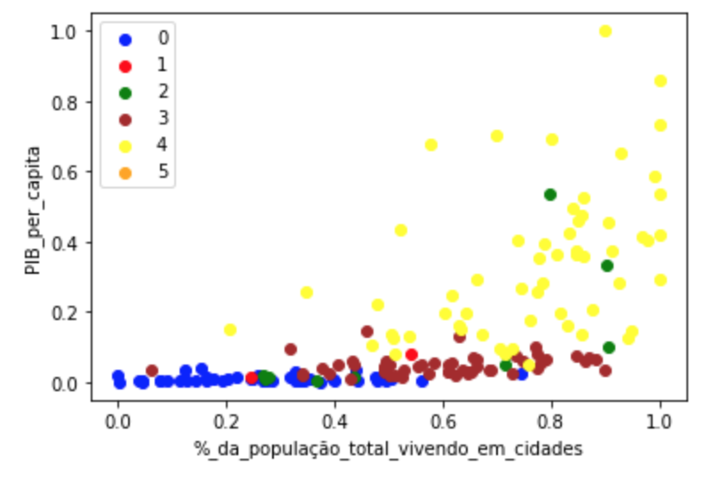
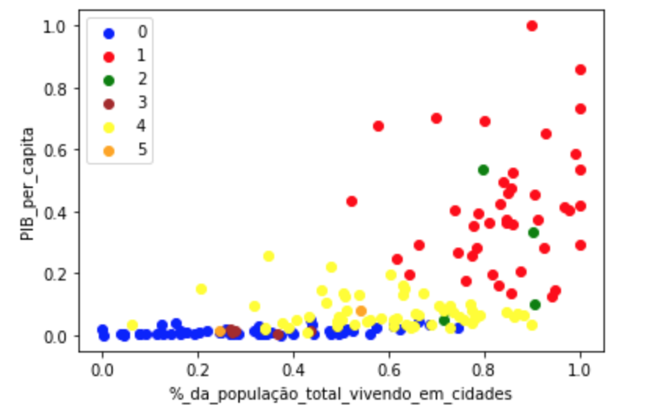
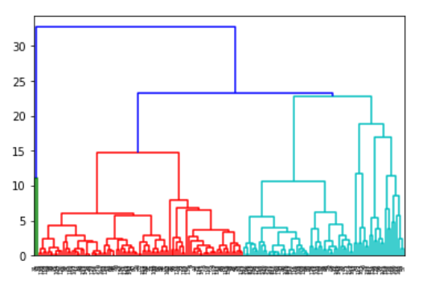
Cenário | Execução | Número de Clusters | Índice Silhouette | Índice Calinski Harabasz | Índice Davies Bouldin
1 | K-Means/ Método do Cotovelo | 2 | 0.37976236313 | 89.008930895 | 1.1217864631
2 | K-Means/ Método do Cotovelo | 3 | 0.4026714004 | 85.161409087 | 1.0513129974
3 | K-Means/ Método do Cotovelo | 4 | 0.29926684688 | 74.475242303 | 1.2144838675
4 | K-Means/ Método do Cotovelo | 5 | 0.30936464172 | 71.481897681 | 1.1037950456
5 | K-Means/ Método do Cotovelo | 6 | 0.28797740687 | 64.444742553 | 1.2949111095
6 | K-Means/ Método do Cotovelo | 7 | 0.33170003438 | 62.491741033 | 0.96350526802
7 | K-Means/ Método do Cotovelo | 8 | 0.28953382648 | 61.23827027 | 1.1355563828
8 | K-Means/ Método do Cotovelo | 9 | 0.29043571914 | 60.876774347 | 1.1488089746
9 | K-Means/ Método do Cotovelo | 10 | 0.28186335892 | 63.536576815 | 1.0768281752
10 | K-Means/ Método do Cotovelo | 15 | 0.29499286188 | 55.997330226 | 0.89925448325
11 | K-Means/ Método do Cotovelo | 20 | 0.27883103116 | 58.978384875 | 0.77399796548
12 | K-Means/ Método do Cotovelo | 25 | 0.29183439708 | 62.793261286 | 0.77573855453

k=3 |  | k=4 |  | k=5

