PERSONALISED FLAG
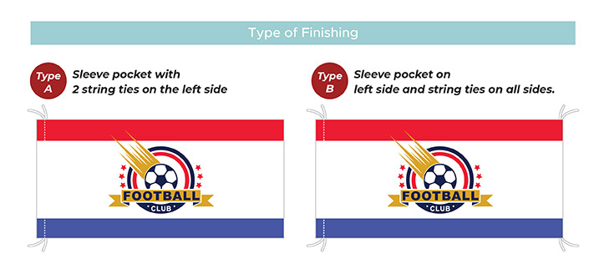
Type A - Sleeve Pocket with 2 string ties on the left side
Size | 3 x 6ft (4C + 0C)
Qty | RM
1 - 3 Pcs | 255
4 - 10 Pcs | 225
*Per Piece / Per Design
Type B - Sleeve Pocket on left side and string ties on all sides
Size | 3 x 6ft (4C + 0C)
Qty | RM
1 - 3 Pcs | 270
4 - 10 Pcs | 240

