Sheet1
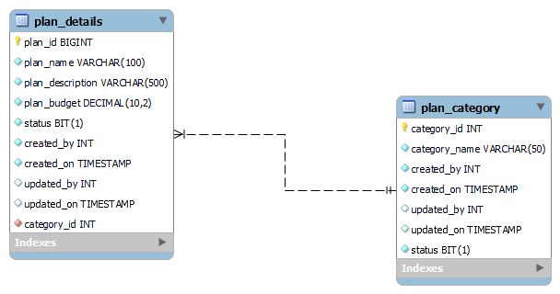
Database schemas for Travel Plan APIs Service

1. Plan Details :

Column Name | Datatype | Description
plan_id | bigint | primary key & auto increment
plan_name plan_description | varchar | name of the plan
plan_description | varchar | Description of plan
plan_budget | Decimal | Budget of plan
status | bit | Status of plan:Active/Inactive
created_by | int | Who is created this plan
created_on | timestamp | when this plan is created
updated_by | int | Who is updated this plan
updated_on | timestamp | When plan is updated
category_id | int | Foreign key from plan_category

2. Plan Category :

Column Name | Datatype | Description
category_id | int | primary key & auto increment
category_name | varchar | name of the category
status | bit | Status of cat.:Active/Inactive
created_by | int | Who is created this category
created_on | timestamp | when this category is created
updated_by | int | Who is updated this category
updated_on | timestamp | When category is updated

EER Diagram

