Interface
Team Number | 1114 |  | Full Name | Innovation First International/General Motors St. Catharines Powertrain & Governor Simcoe Secondary School
 |  |  | Nick Name | Simbotics
 |  |  | Rookie Year | 2003
 |  |  | Location | St. Catharines, ON Canada
Enter the team number here. Do not modify any other cells.
 |  |  | Division | Newton

 |  |  | Calculated World District-System Ranking
 |  |  | 60 (120.9 Points)

 |  |  | Regional 1 | Greater Toronto East |  |  |  | Awards 1 | Motorola Quality Award
 |  |  | Regional 2 | Waterloo
 |  |  | Regional 3 | Windsor Essex Great Lakes

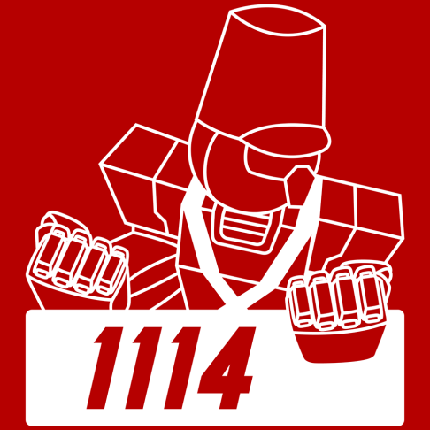
 |  |  | Finish 1 | Semi Finalist |  |  |  | Awards 2 | GM Industrial Design Award
 |  |  | Finish 2 | Semi Finalist
 |  |  | Finish 3 | Regional Winner

 |  |  | Record 1 (W-L-T) | 10-0-0 |  |  |  | Awards 3 | Woodie Flowers Finalist Award
 |  |  | Record 2 | 11-2-0 |  |  |  |  | FIRST Dean's List Finalist Award
 |  |  | Record 3 | 11-0-0 |  |  |  |  | GM Industrial Design Award

 |  |  | Seed 1 | 1 | 100.0%
 |  |  | Seed 2 | 3 | 93.3%
 |  |  | Seed 3 | 1 | 100.0%

 |  |  | Draft Position 1 | Alliance Captain 1
 |  |  | Draft Position 2 | 1st pick
 |  |  | Draft Position 3 | Alliance Captain 1

 |  |  |  | Team | Regional | Regional Rank | Regional Percentile | Champs Rank | Champs Percentile | World Rank | World Percentile
 |  | OPR 1 |  | 152.1 | 28.8 | 1 | 100.0% | 1 | 100.0% | 1 | 100.0%
 |  | OPR 2 |  | 112.7 | 43.5 | 2 | 96.7% | 16 | 98.0% | 16 | 99.7%
 |  | OPR 3 |  | 94.5 | 35.8 | 3 | 95.0% | 52 | 93.4% | 62 | 98.6%

 |  | Assist OPR 1 |  | 37.6 | 4.0 | 1 | 100.0% | 32 | 96.0% | 35 | 99.2%
 |  | Assist OPR 2 |  | 26.3 | 10.7 | 7 | 80.0% | 113 | 85.4% | 157 | 96.5%
 |  | Assist OPR 3 |  | 40.0 | 9.2 | 1 | 100.0% | 25 | 96.9% | 27 | 99.4%

 |  | Auto OPR 1 |  | 32.7 | 8.6 | 1 | 100.0% | 19 | 97.7% | 29 | 99.4%
 |  | Auto OPR 2 |  | 24.4 | 12.3 | 3 | 93.3% | 114 | 85.3% | 194 | 95.6%
 |  | Auto OPR 3 |  | 20.6 | 12.0 | 5 | 90.0% | 225 | 70.8% | 491 | 88.9%

 |  | Truss&Catch OPR 1 |  | 19.5 | 4.1 | 2 | 97.9% | 36 | 95.4% | 51 | 98.9%
 |  | Truss&Catch OPR 2 |  | 23.1 | 6.6 | 2 | 96.7% | 12 | 98.6% | 16 | 99.7%
 |  | Truss&Catch OPR 3 |  | 19.2 | 5.2 | 3 | 95.0% | 39 | 95.0% | 56 | 98.8%

