Form
发盘页面
C:\Users\868379\Projects\EMMA2\Source Code\EMMA_2008\E2Extract\forms\frmBillingTape.frm
显示TBILLINGSUMMARY表的内容
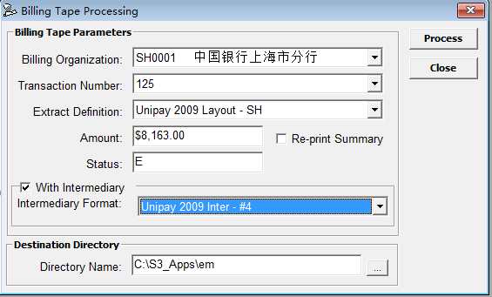
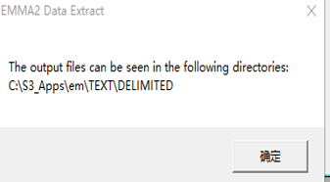

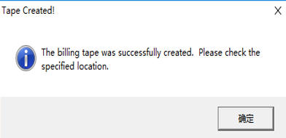

UpdateBillSummary逻辑
sSQL = "select BILLING_STATUS_CD from TBILLINGSUMMARY where BILLING_STATUS_CD in ('T','E') and BILLING_ORG_CD='" & BillOrg & "' and BILLING_TRANS_NO=" & CStr(BillNo)
Set oRec = oDB.GetDisconnectedRecordset(sSQL)

If (oRec Is Nothing) Then
GoTo EXIT_SUB
End If

sSQL = "SELECT PROCESS_FEE_AMT, TRANS_FEE_AMT FROM TBILLORG WHERE BILLING_ORG_CD='" & BillOrg & "'"
Set oRec = oDB.GetDisconnectedRecordset(sSQL)
If Not (oRec Is Nothing) Then
cProcFee = oRec.Fields("TRANS_FEE_AMT").value
cTransFee = oRec.Fields("PROCESS_FEE_AMT").value
oRec.Close
End If

sSQL = " SELECT BILLING_ORG_CD, BILLING_TRANS_NO, POLICYCERT_NO, BILLED_ON_DATE," & _
" SUM(BILLING_AMT) AS AMOUNT" & _
" FROM TBILLTRXN " & _
" WHERE BILLING_ORG_CD ='" & BillOrg & "'" & _
" AND BILLING_TRANS_NO =" & CStr(BillNo) & _
" GROUP BY BILLING_ORG_CD, BILLING_TRANS_NO, POLICYCERT_NO, BILLED_ON_DATE, ORIGINAL_BILL_DATE"

cTotalFee = (cProcFee + (lCnt * cTransFee)) | 总费用 = Process费 + 交易笔数*交易费
cTotal = cNetAmount - cTotalFee | 总金额 = 所有交易的金额总和 - 总费用

sSQL = "UPDATE TBILLINGSUMMARY SET "
sSQL = sSQL & "TAPE_NET_AMT = " & CStr(cNetAmount) & ", " |  | 交易总金额
sSQL = sSQL & "TAPE_TRANS_CNT = " & CStr(lCnt) & ", " |  | 交易笔数
sSQL = sSQL & "FEES_ON_TAPE_AMT = " & CStr(cTotalFee) & ", " |  | 总费用
sSQL = sSQL & "TAXES_TOTAL_AMT = 0.00, "
sSQL = sSQL & "RUN_DATE = '" & Format(Now(), "MM/DD/YYYY HH:NN:SS AM/PM") & "', "
sSQL = sSQL & "TOTAL_BILL_AMT = " & CStr(cTotal) & ", " |  | 账单总金额
sSQL = sSQL & "FILE_NAME = '" & FileName & "', "
sSQL = sSQL & "BILLING_STATUS_CD = 'T' " |  | 更新后的状态都为T
sSQL = sSQL & "WHERE BILLING_ORG_CD = '" & BillOrg & "' "
sSQL = sSQL & "AND BILLING_TRANS_NO = " & CStr(BillNo)

If sStat = "E" Or (sStat = "T" And Me.chkReprint.value = 1) Then |  |  |  |  | 如果Summary更新前的状态是E，或者Re-print勾上
sSQL = "BILLING_ORG_CD='" & BillOrg & "' and BILLING_TRANS_NO=" & CStr(BillNo)
If Not oPrintJob.InserPrintJob("RJ4", sSQL, gtEDB.UserID, gtEDB.UserBranch, CORE_PRINTQUEUE) Then |  |  |  |  |  | 添加打印Job：RJ4
MsgBox oPrintJob.Status
MsgBox "Error encountered while RJ4 report to the print jobs... Please try the reprint option."
End If

Select Case gCountry
Case "CHN" |  |  |  |  | 如果是CHN
sSQL = BillOrg & "," & CStr(BillNo)
If Not CHNQueueJobs(oPrintJob, sSQL, bEPRP, BillOrg, BillNo) Then |  |  |  |  |  | 再执行 CHNQueueJobs
MsgBox "Error encountered while adding the required print jobs... Please try the reprint option." |  |  |  |  |  | 添加多个打印Job
End If
End Select
End If

CHNQueueJobs逻辑

If CheckPayMethod(strBillOrg, lngBillNo, "BANK", "", "'N','',' '") Then
If Not .InserPrintJob("WSM_RPT1", NewCriteria & ",0,BANK", gtEDB.UserID, gtEDB.UserBranch, CORE_PRINTQUEUE) Then GoTo EXIT_ERROR |  |  |  |  |  |  | 添加打印Job：WSM_RPT1
If IncludeEPRP Then
If Not .InserPrintJob("WSM_RPT1", NewCriteria & ",1,BANK", gtEDB.UserID, gtEDB.UserBranch, CORE_PRINTQUEUE) Then GoTo EXIT_ERROR
End If
End If

If CheckPayMethod(strBillOrg, lngBillNo, "BANK", "M", "'E','R','S'") Then
If Not .InserPrintJob("WSM_RPT2", NewCriteria & ",M", gtEDB.UserID, gtEDB.UserBranch, CORE_PRINTQUEUE) Then GoTo EXIT_ERROR |  |  |  |  |  |  | 添加打印Job：WSM_RPT2
End If

If CheckPayMethod(strBillOrg, lngBillNo, "BANK", "A", "'E','R','S'") Then
If Not .InserPrintJob("WSM_RPT2", NewCriteria & ",A", gtEDB.UserID, gtEDB.UserBranch, CORE_PRINTQUEUE) Then GoTo EXIT_ERROR
End If

sSQL = "SELECT 1 FROM TBILLTRXN a, TCAMPAIGNBILLFREQ B"
sSQL = sSQL & " WHERE A.BILLING_ORG_CD ='" & Trim(strBillOrg) & "' "
sSQL = sSQL & " AND A.BILLING_TRANS_NO = " & Trim(CStr(lngBillNo))
sSQL = sSQL & " AND A.METH_OF_PAYM_CD = '" & strMethod & "' " |  |  | BANK
sSQL = sSQL & " AND B.CAMPAIGN_CD = A.CAMPAIGN_CD "
sSQL = sSQL & " AND B.METH_OF_PAYM_CD = A.METH_OF_PAYM_CD "
sSQL = sSQL & " AND B.BANK_CD = A.BANK_CD "
sSQL = sSQL & " AND B.METH_OF_PAYM_CD = A.METH_OF_PAYM_CD "
sSQL = sSQL & " AND B.BILL_INTERVAL_CD = A.BILL_INTERVAL_CD "

If Len(Trim(strBillInterval)) > 0 Then
sSQL = sSQL & " AND A.BILL_INTERVAL_CD = '" & strBillInterval & "'" |  |  | N, M, A
End If
If Len(Trim(sContribType)) > 0 Then
sSQL = sSQL & " AND B.CONTRIB_TYPE IN (" & sContribType & ")" |  |  | 'E','R','S'
End If

初期化

Me.txtAmount.Text = Trim(Right(Me.cmbTransactionNo.Text, 25))
Me.txtStatus.Text = Trim(Mid(Me.cmbTransactionNo.Text, 301, 2))

If Me.txtStatus.Text = "C" Then
Me.chkIntermediary.Enabled = False | 状态为C时，不能选择Intermediary，中介
Else
Me.chkIntermediary.Enabled = True
End If

Proccess按钮

sCur = Trim(Mid(Me.cmbBillOrg.Text, 301, 3))
sBillOrg = Trim(Left(Me.cmbBillOrg.Text, 7))
iBillNo = CLng(Trim(Left(Me.cmbTransactionNo.Text, 300)))
iExtractDef = CLng(Trim(Mid(Me.cmbExtractDef.Text, 301)))
sDir = Trim(Me.txtDir.Text)

If Not CreatingBillingTape(sBillOrg, iBillNo, iExtractDef, sDir, frmDataExtract, lInterMed) Then |  |  |  | 发盘处理
MsgBox ERROR_NO_BILLTAPE, vbCritical, "Tape not created!"
ChangeStatus ERROR_NO_TARGET_DIR, Errors
Else
Call UpdateBillSummary(sBillOrg, iBillNo, "Multiple File Name", sCur) |  |  |  | 更新Summary
MsgBox BILLTAPE_CREATED, vbInformation, "Tape Created!"
Call FixScreen
End If

