执行Batch的权限
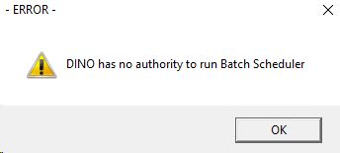

C:\Users\868379\Documents\Dino\EMMA_2008\EBTCHSTR\EBTCH.BAS
If fncGetUserGroup() Then
' get sGNewUserNameVar for pnlMessage2
iDummy = fncGCheckSecurity()
If Trim(UCase(sGUserGroup)) = "BATCHSCH" = True Or UCase$(sGUserId) = "SA" Then |  | 用户必须是 Batchsch 的Group，或者用户名为 SA
iGRunAccess = True |  | 才能执行Batch操作
subGWriteBatchLog 0, IGINPROGRESS, fncGLoadStringVB("Started Successfully| 1180")
frmBatchStart.Show
Else
MsgBox UCase(sGUserId) & " " & fncGLoadStringVB("has no authority to run Batch Scheduler| 3910"), MB_ICONEXCLAMATION, fncGLoadStringVB("- ERROR -| 370")
subGCloseSQL
End
End If
Else
subGCloseSQL
End
End If

Function fncGetUserGroup()

subGResetSql (iGsqlconn)
sGSQL = "SELECT USER_GROUP_CD FROM TSECURTY WHERE REF_GROUP_CD = '" & sGRefGroup & "' AND "
sGSQL = sGSQL & "USERID_CD = '" & sGUserId & "'"
If fncGExecuteSQLStatement(iGsqlconn, sGSQL) Then
Do While SqlResults(iGsqlconn) <> NOMORERESULTS
Do While SqlNextRow(iGsqlconn) <> NOMOREROWS
sGUserGroup = Trim$(SqlData(iGsqlconn, 1))
Loop
Loop
fncGetUserGroup = True
Else
MsgBox fncGLoadStringVB("Error retrieving security details from tsecurty!| 2800"), MB_ICONSTOP, fncGLoadStringVB("- SQL ERROR -| 13")
fncGetUserGroup = False
End If

End Function

SELECT * FROM tuserid WHERE userid_cd = 'dino'

UPDATE tuserid SET user_group = 'BATCHSCH'
WHERE | userid_cd = 'dino'

SELECT * FROM TSECURTY WHERE userid_cd = 'dino'

UPDATE TSECURTY SET user_group_cd = 'BATCHSCH'
WHERE | userid_cd = 'dino'

Form
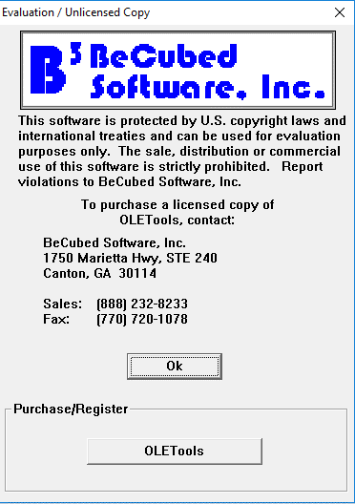
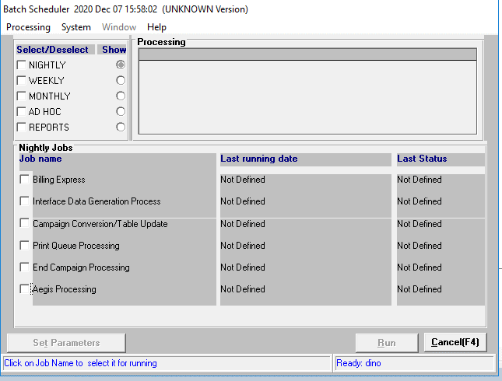

 | NIGHTLY| 3280

 | WEEKLY| 714

 | MONTHLY| 717

 | AD HOC| 3281

 | REPORTS| 3316

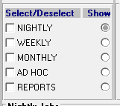
C:\Users\868379\Documents\Dino\EMMA_2008\EBTCHSTR\ebtchabt.frm
Private Sub chkGroup_Click(index As Integer, Value As Integer)

Dim i, iJobs, iStart

If Not CBool(chkGroup(index).Tag) Then 'RK vb4
chkGroup(index).Tag = True
Me.Refresh
Exit Sub
End If

Select Case index |  | 设置执行Job的开始和结束Index
Case 0
iStart = 0 |  |  | 0 |  | Global Const IGALLJOBS = 18 ' current number of jobs to run minus 1 'CDC-1387 changed 17 to 18 'ns 970214
iJobs = IGALLNIGHTJOBS - 1 |  |  | 7 |  | Global Const IGALLNIGHTJOBS = 8 ' current number of jobs to run
Case 1 |  |  |  |  | Global Const IGALLWEEKJOBS = 1 ' current number of jobs to run
iStart = IGALLNIGHTJOBS |  |  | 8 |  | Global Const IGALLMONTHJOBS = 4 ' current number of jobs to run
iJobs = IGALLNIGHTJOBS + IGALLWEEKJOBS - 1 |  |  | 8 |  | Global Const IGALLADHOCJOBS = 3 ' current number of jobs to run 'CDC-1387 changed 2 to 3
Case 2 |  |  |  |  | Global Const IGALLREPORTJOBS = 3 ' current number of jobs to run 'ns 970214
iStart = IGALLNIGHTJOBS + IGALLWEEKJOBS |  |  | 9
iJobs = IGALLNIGHTJOBS + IGALLWEEKJOBS + IGALLMONTHJOBS - 1 |  |  | 12
Case 3
iStart = IGALLNIGHTJOBS + IGALLWEEKJOBS + IGALLMONTHJOBS |  |  | 13
iJobs = IGALLNIGHTJOBS + IGALLWEEKJOBS + IGALLMONTHJOBS + IGALLADHOCJOBS - 1 |  |  | 15
Case 4
iStart = IGALLNIGHTJOBS + IGALLWEEKJOBS + IGALLMONTHJOBS + IGALLADHOCJOBS |  |  |  | 16
iJobs = IGALLNIGHTJOBS + IGALLWEEKJOBS + IGALLMONTHJOBS + IGALLADHOCJOBS + IGALLREPORTJOBS - 1 |  |  |  | 18
End Select

If Value = -1 And Not iGFatalErrorFlag And iFSystemAccessOK Then
chkGroup(index).FontBold = True
Me.Refresh
For i = iStart To iJobs
If Chkjobs(i).Caption = "BOOKING" Then 'CR1891
'Only enable Premium booking for THAI version
If UCase$(sGEmmaVers) = "THA" Then Chkjobs(i).Value = True
ElseIf Chkjobs(i).Caption <> "ECAMLAPS" Then
'This is necessary because ECAMLAPS is not permanently removed from the program
'EMAUS9700008 Begin
'chkjobs(i).Value = True
If sGEmmaVers = "AUS" And Chkjobs(i).Caption = "AEE2UPD" Then
Chkjobs(i).Value = False
Else
'<8888888888888888888888888888>
'TWNRDC-0025.JMB.20031125 - BEGIN
If Chkjobs(i).Enabled Or Chkjobs(i).Visible Then
Chkjobs(i).Value = True |  | 把对应的Job给勾上
End If
'TWNRDC-0025.JMB.20031125 - END
'<8888888888888888888888888888>
End If
'EMAUS9700008 End

End If
Next i
Else
chkGroup(index).FontBold = False
Me.Refresh
For i = iStart To iJobs
Chkjobs(i).Value = False
Next i
If iGFatalErrorFlag Or Not iFSystemAccessOK Then
chkGroup(index).Tag = False
chkGroup(index).Value = False
End If
End If

End Sub

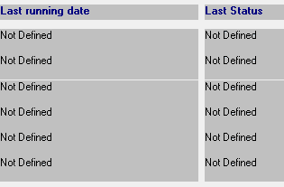
Lat running date和Last Status是从已执行的Log中取的值，默认在D盘
STANDARD\BATCHLOG.BAS
Global Const BATCH_PROCESS_LOGNAME = "D:\ebtchstr.log"
Global Const BATCH_PROCESS_ERRNAME = "D:\ebtchstr.err"
Global Const BATCH_PROCESS_LOGNAME_PL = "D:\eplbatch.log"
Global Const BATCH_PROCESS_ERRNAME_PL = "D:\eplbatch.err"
Global Const sGLogFileNameOut = "D:\EBTCHSTR.OUT"
Global Const sGLogFileNameOutPL = "D:\EPLBATCH.OUT"
'tpa
Global Const sGLogFileNameOutTPA = "D:\TPA.OUT"
Global Const TPA_PROCESS_LOGNAME = "D:\tpa.log"
Global Const TPA_PROCESS_ERRNAME = "D:\tpa.err"
'Upd By LiXia ITSR013622(EMMA2-2016 Change C Drive to D Drive) 2019/12/05 End

Global Const sGTPAApplicationName = "TPA"
Global Const sGBatchApplicationName = "EBTCHSTR"
Global Const sGBatchApplicationNamePL = "EPLBATCH"

C:\Users\868379\Documents\Dino\EMMA_2008\EBTCHSTR\ebtchabt.frm
Open BATCH_PROCESS_LOGNAME For Input Shared As #iFileNumber
lError = Err
sErrorMessage = Error$(Err)
On Error GoTo 0
If lError = 0 Then
' set last running date & respond code
'PHD200068954.Begin
'If the loop count of reading file is over 32767, the index variable will overflow.
'It seems there is no obvious usage for the index variable.
'So remove this variable increasing to avoid overflow when reading larger log file.
'index = 1
'PHD200068954.End
Do While Not EOF(iFileNumber)
On Error Resume Next
Input #iFileNumber, sGBatch_Process_JobName, sGBatch_Process_TimeStamp, sGBatch_Process_UserLogin, sGBatch_Process_DBName, iGBatch_Process_RespondCd, lGBatch_Process_SqlErr, sGBatch_Process_SqlMsg
On Error GoTo 0
For i = 0 To IGALLJOBS
If Trim$(sGBatch_Process_JobName) = Trim$(Chkjobs(i).Caption) Then
sBatchTimeStamp = fncGFormatDateSerial(sGBatch_Process_TimeStamp)
If sBatchTimeStamp <> "" Then
lblLastRunningDate(i).Caption = Mid$(sBatchTimeStamp, 1, 25)
LblLastStatus(i).Caption = fncGetReturnDescription(iGBatch_Process_RespondCd)
Else
lblLastRunningDate(i).Caption = fncGLoadStringVB("Error reading Batch Log| 4482")
LblLastStatus(i).Caption = fncGLoadStringVB("Error reading Batch Log| 4482")
End If
Else

Sheet2
