Logon
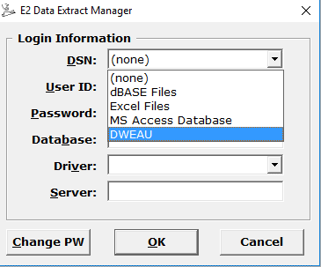

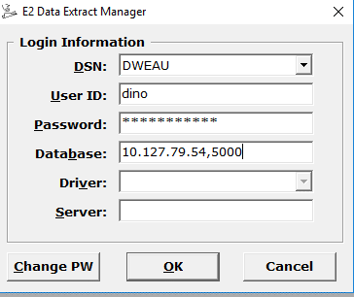
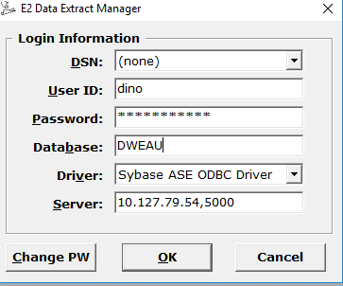

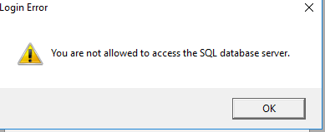

有对密码的加密处理
C:\Users\868379\Projects\EMMA2\Source Code\EMMA_2008\E2Extract\forms\frmLogon.frm
If Len(strUser) < 2 Then
MsgBox SQL_LOGIN_REQ_FIELDS
Exit Sub
End If

If Len(strPass) < 8 Then
txtPWD.SetFocus
MsgBox "PASSWORD must have at least 8 characters"
Exit Sub
End If

' If blnCipher Then
blnCore = True
strPass = fncGEnAndDeCipher(strPass, 0) |  |  | encryption处理
' End If
'PHD200047503.End

If Connect(strDsn, strDriver, strServer, strUser, strPass, strDB) Then
frmDataExtract.UserName = strUser
frmDataExtract.DatabaseName = IIf(Len(strDB) = 0, strDsn, strDB)

gtEDB.Database = strDB
gtEDB.Driver = strDriver
gtEDB.DSN = strDsn
gtEDB.Password = strPass
gtEDB.Server = strServer
gtEDB.UserID = strUser
gtEDB.UserBranch = getUserBranch(strUser)

'PHD200047503.Begin
If Not SecurityCheck() Then |  |  | 安全验证 | exec S3_Permissions_By_AppName '061000', 'dino', 'E2Extract'
Exit Sub
End If
'PHD200047503.End
'PHD200077021 Begin
CheckExpiry strUser
'PHD200077021 End

CREATE PROC S3_Permissions_By_AppName
( @ref_group_cd | char(6) = "", | '061000', 'dino', 'E2Extract'
@userid_cd | char(8) = "",
@program_name | char(8) = ""
)
as
BEGIN

Declare @suspend_flag char (1),
 | @expiry_dt datetime,
 | @last_used_dt datetime

IF @ref_group_cd = "" or @userid_cd = "" or @program_name = ""
BEGIN
 | SELECT "" AS ref_group_cd, "" AS Program_name, "" AS menu_item_name, "" AS userid_cd, "" AS user_group_cd,
 | "Get Permission failed. @ref_group_cd or @userid_cd or @program_name is not valid " AS status
 | /* RAISERROR 30001 "Get Permission failed. @ref_group_cd or @userid_cd or @program_name is not valid " */
 | RETURN -901
END

IF NOT EXISTS ( SELECT userid_cd |  |  | 1. tuserid表中存在该用户
FROM tuserid
WHERE userid_cd = @userid_cd)
BEGIN
 | SELECT "" AS ref_group_cd, "" AS Program_name, "" AS menu_item_name, "" AS userid_cd, "" AS user_group_cd,
 | "User has no permission to access S3 Applications. Use Security Admin to Add User!" AS status
 | /* RAISERROR 30003 "User has no permission to access S3 Applications. Use Security Admin to Add User!" */
 | RETURN -903
END

SELECT @suspend_flag = USER_SUSPEND_FG,
 | @expiry_dt = PASSWORD_EXP_DATE,
 | @last_used_dt = last_used_dt
FROM tuserid
WHERE userid_cd = @userid_cd

IF (@suspend_flag <> "N") |  |  | 2. tuserid表中的 USER_SUSPEND_FG = ‘N’
BEGIN
 | SELECT "" AS ref_group_cd, "" AS Program_name, "" AS menu_item_name, "" AS userid_cd, "" AS user_group_cd,
 | "User Id is suspended to login to S3 Applications, Contact your advisor!" AS status
 | /* RAISERROR 30004 "User Id is suspended to login to S3 Applications, Contact your advisor!" */
 | RETURN -904
END

IF ( @expiry_dt < getdate() ) |  |  | 3. 不能过期
BEGIN
 | SELECT "" AS ref_group_cd, "" AS Program_name, "" AS menu_item_name, "" AS userid_cd, "" AS user_group_cd,
 | "User password is expired, Please change your password!" AS status
 | /* RAISERROR 30005 "User password is expired, Please change your password!" */
 | RETURN -905
END

IF ( dateadd(day, 30, @last_used_dt) < getdate())
BEGIN
UPDATE tuserid
SET USER_SUSPEND_FG = "Y",
 | last_used_dt = getdate()
WHERE userid_cd = @userid_cd

IF ( @@error = 0 )
BEGIN
COMMIT TRANSACTION
END

 | SELECT "" AS ref_group_cd, "" AS Program_name, "" AS menu_item_name, "" AS userid_cd, "" AS user_group_cd,
 | "User ID Suspended - Not used for more than 30 days!" AS status
/* RAISERROR 30005 "User ID Suspended - Not used for more than 30 days!" */
RETURN -905
END
/* --'Wangjie 20150210 Begin
IF ( datediff(day, getdate(), @expiry_dt) < 6 ) |  |  | 3. 不能在6天之内过期
BEGIN
 | SELECT "" AS ref_group_cd, "" AS Program_name, "" AS menu_item_name, "" AS userid_cd, "" AS user_group_cd,
 | "User password is about to expire, please change your password!" AS status
 | /* RAISERROR 30006 "User password is about to expire, please change your password!" */
 | RETURN -906
END
*/ --'Wangjie 20150210 End
UPDATE tuserid
SET last_used_dt = getdate()
WHERE userid_cd = @userid_cd

IF ( @@error = 0 )
BEGIN
COMMIT TRANSACTION
END

SELECT s.ref_group_cd, a.Program_name, a.menu_item_name, s.userid_cd, s.user_group_cd, "Success" AS status
FROM taccess a, tsecurty s
WHERE s.userid_cd = @userid_cd
and s.ref_group_cd = @ref_group_cd
and a.program_name = @program_name
and a.ref_group_cd =* s.ref_group_cd
and a.user_group_cd =* s.user_group_cd

END

GO

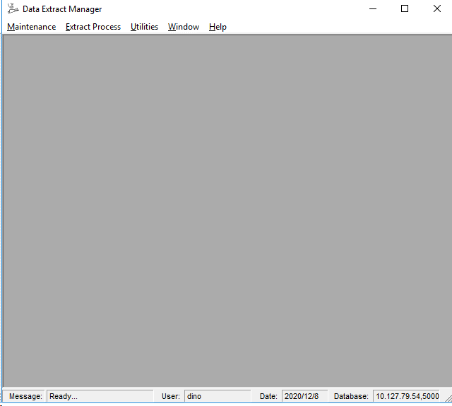

Private Function getUserBranch(ByVal strUserId As String) As String
Dim oCon As CSDdB
Dim oRec As Recordset

Set oCon = MakeDBCon()
Set oRec = oCon.GetDisconnectedRecordset("select USER_BRANCH_CD from tuserid where userid_cd = '" & Trim(strUserId) & "'")

If Not (oRec Is Nothing) Then
With oRec
.MoveFirst
getUserBranch = Trim(oRec.Fields("USER_BRANCH_CD").value)
.Close
End With
End If

Set oRec = Nothing
Set oCon = Nothing
End Function

BillingTape
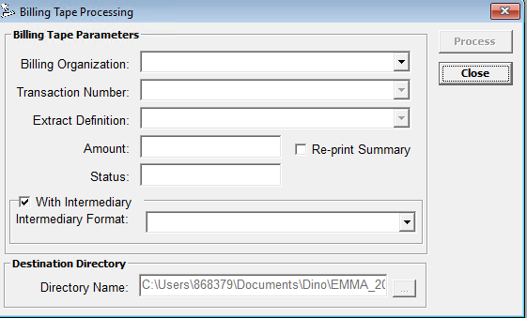
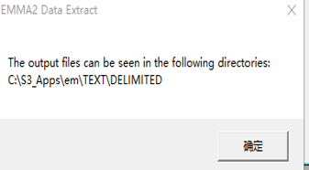
发盘页面
C:\Users\868379\Projects\EMMA2\Source Code\EMMA_2008\E2Extract\forms\frmBillingTape.frm
显示TBILLINGSUMMARY表的内容
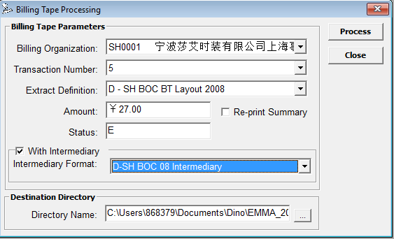
 |  |  |  | 项目名 |  |  | 表名 |  |  |  | 列名
 |  |  |  | Billing Organization |  |  | tbillorg |  |  |  | BILLING_ORG_CD/BILLING_ORG_NAME
 |  |  |  | Transaction Number |  |  | TBILLINGSUMMARY |  |  |  | BILLING_TRANS_NO
 |  |  |  | Extract Definition |  |  | MDB\ExtracDb.mdb\LayoutDef |  |  |  | LayID/Name
 |  |  |  | Amount |  |  | TBILLINGSUMMARY |  |  |  | TAPE_NET_AMT
 |  |  |  | Status |  |  | TBILLINGSUMMARY |  |  |  | BILLING_STATUS_CD
 |  |  |  | Intermediary Format |  |  | MDB\ExtracDb.mdb\ResponseDef |  |  |  | Name/ResponseID

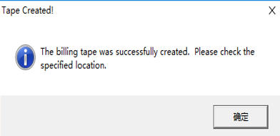

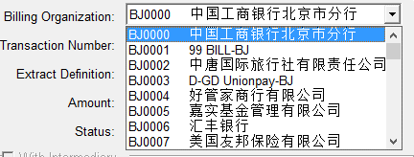
获取组织信息Billing Organization
Private Sub FixBillOrg()
'Tina.Tian 2009-05-25 PHD200104789 Begin
'Const GET_BILL_ORG = "select BILLING_ORG_CD,BILLING_ORG_NAME, CURRENCY_CD from tbillorg order by BILLING_ORG_NAME,BILLING_ORG_CD"
Const GET_BILL_ORG = "select BILLING_ORG_CD,BILLING_ORG_NAME, CURRENCY_CD from tbillorg order by BILLING_ORG_CD,BILLING_ORG_NAME"
'Tina.Tian 2009-05-25 PHD200104789 End
Dim oCon As CSDdB
Dim oRec As ADODB.Recordset

Set oCon = MakeDBCon()
Set oRec = oCon.GetDisconnectedRecordset(GET_BILL_ORG)

If Not (oRec Is Nothing) Then
With oRec
Me.cmbBillOrg.Clear
.MoveFirst
Do While Not .EOF
Me.cmbBillOrg.AddItem String100(Left(Trim(.Fields(0).value) & Space(10), 10) & " " & .Fields(1).value) & Trim(.Fields(2).value)
.MoveNext
Loop
.Close
End With
End If
Set oRec = Nothing
Set oCon = Nothing
End Sub

选择Org后，获取 Billing Summery信息
Private Sub cmbBillOrg_Click()
Const SQL_GET_TRANS_NO = "select A.BILLING_ORG_CD, A.BILLING_TRANS_NO, A.TAPE_NET_AMT, A.BILLING_STATUS_CD from TBILLINGSUMMARY A order by A.billing_org_cd, A.BILLING_TRANS_NO"
Dim sSQL As String
Dim sCond As String
Dim oCon As CSDdB
Dim oRec As ADODB.Recordset
Dim sCur As String

With Me.cmbTransactionNo
.Clear
.Enabled = False
End With
Me.cmdProcess.Enabled = False
Me.cmbExtractDef.Enabled = False
Me.chkIntermediary.Enabled = False
Me.txtDir.Enabled = False
Me.cmdDir.Enabled = False
Me.txtAmount.Text = ""
Me.txtStatus.Text = ""

If Me.cmbBillOrg.ListIndex > -1 Then
sCond = "A.BILLING_ORG_CD='" & Trim(Left(Me.cmbBillOrg.Text, 6)) & "'"

sCur = Trim(Mid(Me.cmbBillOrg.Text, 301, 3))
sSQL = FixQueryStatements(SQL_GET_TRANS_NO, sCond)

Set oCon = MakeDBCon()
Set oRec = oCon.GetDisconnectedRecordset(sSQL)

If Not (oRec Is Nothing) Then
With oRec
.MoveFirst
Do While Not .EOF

Me.cmbTransactionNo.AddItem String100(CStr(.Fields(1).value)) & .Fields(3).value & " " & Right(Space(25) & Format(IIf(IsNull(.Fields(2).value), 0, .Fields(2).value), "currency"), 25)
' Me.cmbTransactionNo.AddItem String100(CStr(.Fields(1).Value)) & .Fields(3).Value & " " & Right(Space(25) & CurrencyFormat(IIf(IsNull(.Fields(2).Value), 0, .Fields(2).Value), sCur), 25)
.MoveNext
Loop
.Close
End With
End If
End If

select A.BILLING_ORG_CD, A.BILLING_TRANS_NO, A.TAPE_NET_AMT, A.BILLING_STATUS_CD from TBILLINGSUMMARY A
order by A.billing_org_cd, A.BILLING_TRANS_NO
WHERE A.BILLING_ORG_CD='SH0001'

从MDB中获取Extract Definition信息，LayoutDef 表，且 bt=true
Private Sub FixExtract()
Dim oRec As ADODB.Recordset
Dim oLayDef As New LayoutDefs

Set oLayDef.Database = OpenExtractDefinition()
Set oRec = oLayDef.RetrieveBTRecords()

If Not (oRec Is Nothing) Then
With oRec
Me.cmbExtractDef.Clear
.MoveFirst
Do While Not .EOF

Me.cmbExtractDef.AddItem String100(.Fields(1).value) & Trim(CStr(.Fields(0).value))
.MoveNext
Loop
.Close
End With
End If
Set oRec = Nothing
Set oLayDef = Nothing

End Sub

SELECT * FROM LayoutDef where bt = true order by BT,MRTC,name

选中Layout后，获取Response Layout |  |  |  |  |  |  | 注意，只有状态不是C的TranNo才能选择Response Layout
Private Sub FixInterMediary(ByVal lngLayId As Long) |  |  |  |  |  |  | Private Sub cmbTransactionNo_Click()
Dim oMed As New ResponseDefinition |  |  |  |  |  |  | Me.txtAmount.Text = Trim(Right(Me.cmbTransactionNo.Text, 25))
Dim oRec As ADODB.Recordset |  |  |  |  |  |  | Me.txtStatus.Text = Trim(Mid(Me.cmbTransactionNo.Text, 301, 2))
Set oMed.Database = OpenExtractDefinition() |  |  |  |  |  |  | Me.chkIntermediary.value = vbUnchecked
 |  |  |  |  |  |  | Me.cmbIntermediary.ListIndex = -1
Me.cmbIntermediary.Clear |  |  |  |  |  |  | If Me.txtStatus.Text = "C" Then
Set oRec = oMed.RetrieveRecords(lngLayId) |  |  |  |  |  |  | Me.chkIntermediary.Enabled = False
If Not (oRec Is Nothing) Then |  |  |  |  |  |  | Else
With oRec |  |  |  |  |  |  | Me.chkIntermediary.Enabled = True
.MoveFirst |  |  |  |  |  |  | End If
Do While Not .EOF |  |  |  |  |  |  | Call chkIntermediary_Click
Me.cmbIntermediary.AddItem String100(.Fields("Name").value) & Trim(.Fields("ResponseID").value) |  |  |  |  |  |  | End Sub
.MoveNext
Loop
.Close
End With
End If
Set oRec = Nothing
Set oMed = Nothing
End Sub

SELECT * FROM ResponseDef WHERE LayId = 90 order by NAME

Proccess按钮

sCur = Trim(Mid(Me.cmbBillOrg.Text, 301, 3))
sBillOrg = Trim(Left(Me.cmbBillOrg.Text, 7))
iBillNo = CLng(Trim(Left(Me.cmbTransactionNo.Text, 300)))
iExtractDef = CLng(Trim(Mid(Me.cmbExtractDef.Text, 301)))
sDir = Trim(Me.txtDir.Text)

If Not CreatingBillingTape(sBillOrg, iBillNo, iExtractDef, sDir, frmDataExtract, lInterMed) Then |  |  |  | 发盘处理
MsgBox ERROR_NO_BILLTAPE, vbCritical, "Tape not created!"
ChangeStatus ERROR_NO_TARGET_DIR, Errors
Else
Call UpdateBillSummary(sBillOrg, iBillNo, "Multiple File Name", sCur) |  |  |  | 更新Summary处理
MsgBox BILLTAPE_CREATED, vbInformation, "Tape Created!"
Call FixScreen
End If

E:\Projects\EMMA_2008\E2Extract\Codes\StartUp.bas
Public Function CreatingBillingTape(ByVal BillingOrgCd As String, _
ByVal TransactionNo As Long, _
ByVal ExtractDefinition As Long, _
ByVal TargetDir As String, _
Optional ByVal xform As Form, _
Optional ByVal lInterMediaryID As Long = -1) As Boolean
Dim oQResults As New QueryResults
Dim oLayDef As New LayoutDefs
Dim oLayRec As New LayoutRecords
Dim oRec As ADODB.Recordset
Dim oQResult As QueryResult
Dim oQDetail As QueryResult
Dim sCondition As String
Dim sSPCondition As String
Dim sFileName As String

Dim sExcel As String
Dim oWriter As New LayoutWriter

Const GEN_RETRIVEDEF = "Retrieving the Billing Tape Query Definition and Layout..."
Const GEN_RETRIEVEREC = "Processing the records to be written..."
Const GEN_WRITERECORDS = "Writing the required Billing Tape Files..."

On Error Resume Next

sCondition = "A.BILLING_ORG_CD='" & BillingOrgCd & "' AND A.BILLING_TRANS_NO = " & CStr(TransactionNo)
sSPCondition = " @BILLING_ORG_CD='" & BillingOrgCd & "', @BILLING_TRANS_NO=" & CStr(TransactionNo)

'PHD200057519.Begin 2006/03/15
sGSF_DiskNo = CStr(TransactionNo)
'PHD200057519.End 2006/03/15

ChangeStatus GEN_RETRIVEDEF, Flash
CreatingBillingTape = False
 |  |  |  |  |  |  | C:\Users\868379\Projects\EMMA2\Source Code\EMMA_2008\E2Extract\Classes\LayoutRecords.cls
Set oQResults.Database = OpenExtractDefinition() |  |  |  |  |  |  | Const SQL_SELECT_RECORDID = "SELECT * FROM LayoutRecords WHERE LayRecID = [LayRecID]"
Set oLayDef.Database = OpenExtractDefinition()
Set oLayRec.Database = OpenExtractDefinition() |  |  |  |  |  |  | sSQL = SQL_SELECT_RECORDID
With oWriter |  |  |  |  |  |  | sSQL = Replace(sSQL, TAG_LAYRECID, CStr(RecId))
Set .Database = OpenExtractDefinition()
.Directory = TargetDir |  |  |  |  |  |  | Set oRec = oCon.GetDisconnectedRecordset(sSQL)
.LayoutID = ExtractDefinition
End With |  |  |  |  |  |  | LayoutRecords
 |  |  |  |  |  |  | LayRecID | LayID | Seq | Type | QryID | InExcel | InText | IndBF | InXML
 |  |  |  |  |  |  | 146 | 90 | 1 | D | 47 | FALSE | TRUE | FALSE | FALSE
Set oRec = oLayRec.RetrieveRecords(ExtractDefinition) |  | SH BOC BT Layout Credit对应的LayoutRecords
If (oRec Is Nothing) Then |  |  |  |  |  |  | C:\Users\868379\Projects\EMMA2\Source Code\EMMA_2008\E2Extract\Classes\LayoutDefs.cls
MsgBox oLayRec.Status, vbCritical, "Processing Error" |  |  |  |  |  |  | Const SQL_SELECT_LAYID = "SELECT * FROM LayoutDef WHERE LayID = [LayID]"
GoTo EXIT_FUNCTION
End If |  |  |  |  |  |  | sSQL = SQL_SELECT_LAYID
 |  |  |  |  |  |  | sSQL = Replace(sSQL, TAG_LAYID, CStr(LayoutID))
If Not oLayDef.RetrieveLayout(ExtractDefinition) Then |  | SH BOC BT Layout Credit对应的LayoutDef
MsgBox oLayRec.Status, vbCritical, "Processing Error" |  |  |  |  |  |  | Set oRec = oCon.GetDisconnectedRecordset(sSQL)
GoTo EXIT_FUNCTION |  |  |  |  |  |  | LayoutDef
End If |  |  |  |  |  |  | LayID | Name | Description | MakeExcel | MakedBF | MakeDeli | MakeFix | MakeMix | MRTC | BT | FIX_FILE | AsFunction | ExcelTemplate
 |  |  |  |  |  |  | 90 | D - SH BOC BT Layout 2008 | SH BOC Debit BT Layout | FALSE | FALSE | FALSE | TRUE | FALSE | FALSE | TRUE | BOC_D.txt | FALSE
If Len(Trim(oLayDef.ExcelTemplate)) > 0 Then
sExcel = Trim(App.Path) & "\MDB\" & Trim(oLayDef.ExcelTemplate) & ".XLS"
Else |  |  |  |  |  |  | C:\Users\868379\Projects\EMMA2\Source Code\EMMA_2008\E2Extract\Codes\StartUp.bas
sExcel = gsExcelTemplate |  | \MDB\TEMPLATE.XLS |  |  |  |  | gsExcelTemplate = App.Path & "\MDB\TEMPLATE.XLS"
End If

 |  |  |  |  |  |  | C:\Users\868379\Projects\EMMA2\Source Code\EMMA_2008\E2Extract\Classes\LayoutDefs.cls
 |  |  |  |  |  |  | Public Property Get FileName() As String
'---------------------------- create file name (static or function generated) |  |  |  |  |  |  | FileName = sFile
If oLayDef.AsFunction Then |  |  |  |  |  |  | End Property
If Len(oLayDef.FileName) > 0 Then
sFileName = FunctionCaller(oLayDef.FileName) |  |  |  |  |  |  | sFile = IIf(IsNull(.Fields("FIX_FILE").Value), "", .Fields("FIX_FILE").Value)
End If
Else |  |  |  |  |  |  | C:\Users\868379\Projects\EMMA2\Source Code\EMMA_2008\E2Extract\Codes\SpecificFunctions.bas
sFileName = oLayDef.FileName |  | BOC_D.txt |  |  |  |  | Case "GZUNIPAYName()"
End If |  |  |  |  |  |  | 'Dim OrgCD As String
 |  |  |  |  |  |  | OrgCD = Left(Trim(frmBillingTape.cmbBillOrg.Text), 2)
'--------------- just making sure that the function or the name stored in mdb is ok |  |  |  |  |  |  | FunctionCaller = GZUNIPAYName(GZUnipayNo, OrgCD)
If Len(sFileName) = 0 Then
sFileName = "" |  |  |  |  |  |  | Function GZUNIPAYName(ByVal GZUnipayNo As String, ByVal OrgCD As String) As String
End If |  |  |  |  |  |  | GZUNIPAYName = GZUnipayNo & "_S02" & Format(Now(), "YYYYMMDD") & "_" & UCase(OrgCD) & Format(GetGZUNIPAYSerial(), "000") & ".TXT"
 |  |  |  |  |  |  | End Function
'------------------------------------ load up the collection --------------------
'currently assume 1 detail
With oRec |  | 取LayoutRecords信息
.MoveFirst |  |  |  |  |  |  | LayoutRecords
Do While Not .EOF |  |  |  |  |  |  | LayRecID | LayID | Seq | Type | QryID | InExcel | InText | IndBF | InXML
Set oQResult = oQResults.Add(.Fields("LayRecID").value, .Fields("Seq").value) |  |  |  |  |  |  | 146 | 90 | 1 | D | 47 | FALSE | TRUE | FALSE | FALSE
DoEvents
If oQResult Is Nothing Then
GoTo EXIT_FUNCTION
End If

If .Fields("Type").value = "D" Then 'save the detail
DoEvents
Set oQDetail = oQResults(.Fields("Seq").value) |  | 把Type是D的作为查询条件保存
End If
.MoveNext
Set oQResult = Nothing
Loop
DoEvents
.Close
End With

'-------------- PREPARE DETAIL QUERY FOR AGGREGATE FUNCTION
ChangeStatus GEN_RETRIEVEREC, Flash
With oQDetail
If lInterMediaryID > 0 Then
.IgnoreIntermediary = False
Else
.IgnoreIntermediary = True
End If
If Not .PrepareOutputRecordset(MakeDBCon(), sCondition, xform, False, sSPCondition) Then
If .NoRecords Then
CreatingBillingTape = True
End If
MsgBox .Status, vbCritical, "Processing Error"
GoTo EXIT_FUNCTION
End If
End With

'-------------- PREPARE OTHER RECORD TYPE
For Each oQResult In oQResults
ChangeStatus GEN_RETRIEVEREC & ".", Flash
With oQResult
DoEvents
If Len(.DetailRecordType) = 0 Or .DetailRecordType <> "Detail" Then
Set .UseDetail = oQDetail.OutputRecords
ChangeStatus GEN_RETRIEVEREC & "..", Messages |  |  |  |  |  |  | C:\Users\868379\Projects\EMMA2\Source Code\EMMA_2008\E2Extract\Classes\LayoutWriter.cls
If Not .PrepareOutputRecordset(MakeDBCon(), sCondition, xform) Then |  |  |  |  |  |  | If .MakeFixed Then
MsgBox .Status, vbCritical, "Processing Error" |  |  |  |  |  |  | sFileName = BillingOrg
GoTo EXIT_FUNCTION |  |  |  |  |  |  | If Not WriteTXT(oResults, TargetDir & FIXED_DIR & "\" & IIf(bTarget, TargetFile, sFileName & "_" & Format(Now(), "ddmmyy_hhnnss") & ".TXT")) Then
End If |  |  |  |  |  |  | Exit Function
DoEvents |  |  |  |  |  |  | End If
End If |  |  |  |  |  |  | sDirectories = sDirectories & TargetDir & FIXED_DIR & vbCrLf
End With |  |  |  |  |  |  | DoEvents
ChangeStatus GEN_RETRIEVEREC, Flash |  |  |  |  |  |  | End If
Set oQResult = Nothing |  |  |  |  |  |  | If .MakeMixed Then
Next |  |  |  |  |  |  | DoEvents
 |  |  |  |  |  |  | sFileName = BillingOrg
ChangeStatus GEN_WRITERECORDS, Flash |  |  |  |  |  |  | If Not WriteTXT(oResults, TargetDir & MIXED_DIR & "\" & IIf(bTarget, TargetFile, sFileName & "_" & Format(Now(), "ddmmyy_hhnnss") & ".TXT"), 2) Then
With oWriter |  |  |  |  |  |  | Exit Function
Set .QueryResults = oQResults |  |  |  |  |  |  | End If
If Not .WriteFiles(BillingOrgCd, TargetDir, sExcel, sFileName) Then |  |  |  |  |  |  | sDirectories = sDirectories & TargetDir & MIXED_DIR & vbCrLf
MsgBox .Status, vbCritical, "Processing Error" |  |  |  |  |  |  | End If
Exit Function |  |  |  |  |  |  | If .MakeDelimited Then
End If |  |  |  |  |  |  | sFileName = BillingOrg
MsgBox "The output files can be seen in the following directories: " & vbCrLf & oWriter.OutputDirectoryList |  |  |  |  |  |  | DoEvents
End With |  |  |  |  |  |  | If Not WriteTXT(oResults, TargetDir & DELI_DIR & "\" & IIf(bTarget, TargetFile, sFileName & "_" & Format(Now(), "ddmmyy_hhnnss") & ".TXT"), 1) Then
CreatingBillingTape = True |  |  |  |  |  |  | Exit Function
 |  |  |  |  |  |  | End If
 |  |  |  |  |  |  | sDirectories = sDirectories & TargetDir & DELI_DIR & vbCrLf
If lInterMediaryID > 0 Then |  |  |  |  |  |  | End If
ChangeStatus "Processing Intermediary records...", Flash
Call CommitIntermediary(lInterMediaryID, oQDetail.IntermediaryRecords, BillingOrgCd, TransactionNo) |  |  |  |  |  |  | If TextType = 0 Or TextType = 2 Then 'make fixed |  |  |  |  |  |  | '0 - fixed , 1-delimited, 2-mixed
End If |  |  |  |  |  |  | Select Case .LayoutStyle
 |  |  |  |  |  |  | Case "Left"
 |  |  |  |  |  |  | vValue = Left(vValue & String(.LayoutLength, Chr(.PadChar)), .LayoutLength)
 |  |  |  |  |  |  | Case "Right"
EXIT_FUNCTION: |  |  |  |  |  |  | vValue = Right(String(.LayoutLength, Chr(.PadChar)) & vValue, .LayoutLength)
On Error GoTo 0 |  |  |  |  |  |  | Case "Center"
Set oQResult = Nothing |  |  |  |  |  |  | dblAny = Int((.LayoutLength - Len(vValue)) / 2)
Set oQDetail = Nothing |  |  |  |  |  |  | vValue = String(dblAny, Chr(.PadChar)) & vValue & String(dblAny, Chr(.PadChar))
Set oRec = Nothing |  |  |  |  |  |  | vValue = vValue & String(.LayoutLength - Len(vValue), Chr(.PadChar))
Set oLayRec = Nothing |  |  |  |  |  |  | End Select
Set oLayDef = Nothing |  |  |  |  |  |  | End If
Set oQResults = Nothing

End Function

成功后
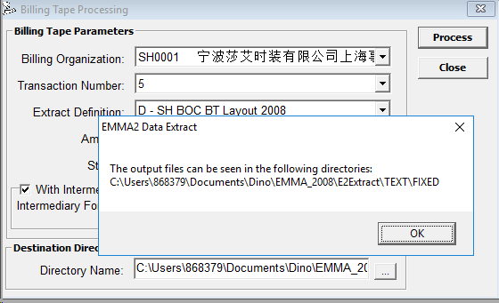
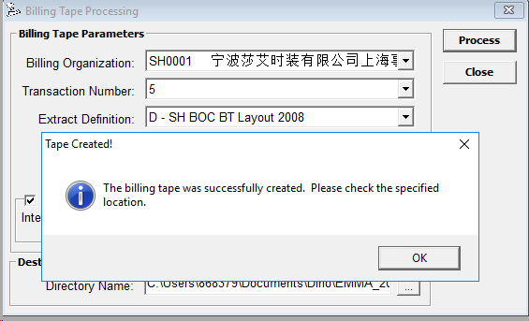

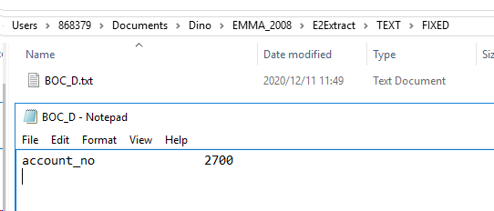

UpdateBillSummary逻辑
sSQL = "select BILLING_STATUS_CD from TBILLINGSUMMARY where BILLING_STATUS_CD in ('T','E') and BILLING_ORG_CD='" & BillOrg & "' and BILLING_TRANS_NO=" & CStr(BillNo)
Set oRec = oDB.GetDisconnectedRecordset(sSQL)

If (oRec Is Nothing) Then
GoTo EXIT_SUB
End If

sSQL = "SELECT PROCESS_FEE_AMT, TRANS_FEE_AMT FROM TBILLORG WHERE BILLING_ORG_CD='" & BillOrg & "'"
Set oRec = oDB.GetDisconnectedRecordset(sSQL)
If Not (oRec Is Nothing) Then
cProcFee = oRec.Fields("TRANS_FEE_AMT").value
cTransFee = oRec.Fields("PROCESS_FEE_AMT").value
oRec.Close
End If

sSQL = " SELECT BILLING_ORG_CD, BILLING_TRANS_NO, POLICYCERT_NO, BILLED_ON_DATE," & _ |  |  |  |  |  |  |  |  |  |  |  | SELECT BILLING_ORG_CD, BILLING_TRANS_NO, POLICYCERT_NO,
" SUM(BILLING_AMT) AS AMOUNT" & _ |  |  |  |  |  |  |  |  |  |  |  | BILLED_ON_DATE, SUM(BILLING_AMT) AS AMOUNT
" FROM TBILLTRXN " & _ |  |  |  |  |  |  |  |  |  |  |  | FROM TBILLTRXN
" WHERE BILLING_ORG_CD ='" & BillOrg & "'" & _ |  |  |  |  |  |  |  |  |  |  |  | WHERE BILLING_ORG_CD ='SH0001' AND BILLING_TRANS_NO =5
" AND BILLING_TRANS_NO =" & CStr(BillNo) & _ |  |  |  |  |  |  |  |  |  |  |  | GROUP BY BILLING_ORG_CD, BILLING_TRANS_NO, POLICYCERT_NO, BILLED_ON_DATE, ORIGINAL_BILL_DATE
" GROUP BY BILLING_ORG_CD, BILLING_TRANS_NO, POLICYCERT_NO, BILLED_ON_DATE, ORIGINAL_BILL_DATE"

cTotalFee = (cProcFee + (lCnt * cTransFee)) | 总费用 = Process费 + 交易笔数*交易费
cTotal = cNetAmount - cTotalFee | 总金额 = 所有交易的金额总和 - 总费用

sSQL = "UPDATE TBILLINGSUMMARY SET "
sSQL = sSQL & "TAPE_NET_AMT = " & CStr(cNetAmount) & ", " |  | 交易总金额
sSQL = sSQL & "TAPE_TRANS_CNT = " & CStr(lCnt) & ", " |  | 交易笔数
sSQL = sSQL & "FEES_ON_TAPE_AMT = " & CStr(cTotalFee) & ", " |  | 总费用
sSQL = sSQL & "TAXES_TOTAL_AMT = 0.00, "
sSQL = sSQL & "RUN_DATE = '" & Format(Now(), "MM/DD/YYYY HH:NN:SS AM/PM") & "', "
sSQL = sSQL & "TOTAL_BILL_AMT = " & CStr(cTotal) & ", " |  | 账单总金额
sSQL = sSQL & "FILE_NAME = '" & FileName & "', "
sSQL = sSQL & "BILLING_STATUS_CD = 'T' " |  | 更新后的状态都为T
sSQL = sSQL & "WHERE BILLING_ORG_CD = '" & BillOrg & "' "
sSQL = sSQL & "AND BILLING_TRANS_NO = " & CStr(BillNo)

If sStat = "E" Or (sStat = "T" And Me.chkReprint.value = 1) Then |  |  |  |  | 如果Summary更新前的状态是E，或者Re-print勾上
sSQL = "BILLING_ORG_CD='" & BillOrg & "' and BILLING_TRANS_NO=" & CStr(BillNo)
If Not oPrintJob.InserPrintJob("RJ4", sSQL, gtEDB.UserID, gtEDB.UserBranch, CORE_PRINTQUEUE) Then |  |  |  |  |  | 添加打印Job：RJ4
MsgBox oPrintJob.Status
MsgBox "Error encountered while RJ4 report to the print jobs... Please try the reprint option."
End If

Select Case gCountry
Case "CHN" |  |  |  |  | 如果是CHN
sSQL = BillOrg & "," & CStr(BillNo)
If Not CHNQueueJobs(oPrintJob, sSQL, bEPRP, BillOrg, BillNo) Then |  |  |  |  |  | 再执行 CHNQueueJobs
MsgBox "Error encountered while adding the required print jobs... Please try the reprint option." |  |  |  |  |  | 添加多个打印Job
End If
End Select
End If

CHNQueueJobs逻辑

If CheckPayMethod(strBillOrg, lngBillNo, "BANK", "", "'N','',' '") Then
If Not .InserPrintJob("WSM_RPT1", NewCriteria & ",0,BANK", gtEDB.UserID, gtEDB.UserBranch, CORE_PRINTQUEUE) Then GoTo EXIT_ERROR |  |  |  |  |  |  |  |  |  | 添加打印Job：WSM_RPT1
If IncludeEPRP Then
If Not .InserPrintJob("WSM_RPT1", NewCriteria & ",1,BANK", gtEDB.UserID, gtEDB.UserBranch, CORE_PRINTQUEUE) Then GoTo EXIT_ERROR
End If
End If

If CheckPayMethod(strBillOrg, lngBillNo, "BANK", "M", "'E','R','S'") Then
If Not .InserPrintJob("WSM_RPT2", NewCriteria & ",M", gtEDB.UserID, gtEDB.UserBranch, CORE_PRINTQUEUE) Then GoTo EXIT_ERROR |  |  |  |  |  |  |  |  |  | 添加打印Job：WSM_RPT2
End If

If CheckPayMethod(strBillOrg, lngBillNo, "BANK", "A", "'E','R','S'") Then
If Not .InserPrintJob("WSM_RPT2", NewCriteria & ",A", gtEDB.UserID, gtEDB.UserBranch, CORE_PRINTQUEUE) Then GoTo EXIT_ERROR
End If

sSQL = "SELECT 1 FROM TBILLTRXN a, TCAMPAIGNBILLFREQ B"
sSQL = sSQL & " WHERE A.BILLING_ORG_CD ='" & Trim(strBillOrg) & "' "
sSQL = sSQL & " AND A.BILLING_TRANS_NO = " & Trim(CStr(lngBillNo))
sSQL = sSQL & " AND A.METH_OF_PAYM_CD = '" & strMethod & "' " |  |  | BANK
sSQL = sSQL & " AND B.CAMPAIGN_CD = A.CAMPAIGN_CD "
sSQL = sSQL & " AND B.METH_OF_PAYM_CD = A.METH_OF_PAYM_CD "
sSQL = sSQL & " AND B.BANK_CD = A.BANK_CD "
sSQL = sSQL & " AND B.METH_OF_PAYM_CD = A.METH_OF_PAYM_CD "
sSQL = sSQL & " AND B.BILL_INTERVAL_CD = A.BILL_INTERVAL_CD "

If Len(Trim(strBillInterval)) > 0 Then
sSQL = sSQL & " AND A.BILL_INTERVAL_CD = '" & strBillInterval & "'" |  |  | N, M, A
End If
If Len(Trim(sContribType)) > 0 Then
sSQL = sSQL & " AND B.CONTRIB_TYPE IN (" & sContribType & ")" |  |  | 'E','R','S'
End If

结束后：

BillingResponse
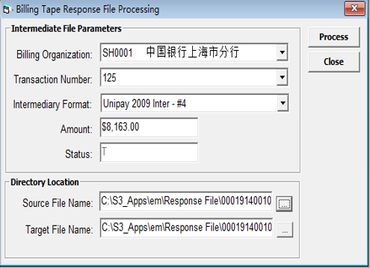

C:\Users\868379\Projects\EMMA2\Source Code\EMMA_2008\E2Extract\forms\frmBillingResponse.frm
Sub ProcessResponse(ByVal IResId As Long, ByVal sBillOrg As String, ByVal lBillRun As Long, ByVal ResFile As String, ByVal OutFile As String)

Const GET_TRANSACTION = "SELECT * FROM [REPONSEID] WHERE BILLING_ORG_CD ='[BILLING_ORG_CD]' AND BILLING_TRANS_NO =[BILLING_TRANS_NO] ORDER BY POLICYCERT_NO, BILLED_ON_DATE DESC"

Const UPDATE_TRANSACTION = "UPDATE [REPONSEID] SET EMMA_REJ_CD = '[EMMAREJECT]', [REPONSEFIELD]= '[RESPONSE_VALUE]', MATCHED_FG = TRUE WHERE BILLING_ORG_CD ='[BILLING_ORG_CD]' AND BILLING_TRANS_NO =[BILLING_TRANS_NO] AND RecordId = [RecordId]"
Const RESET_TRANSACTION = "UPDATE [REPONSEID] SET EMMA_REJ_CD = '', MATCHED_FG = FALSE WHERE BILLING_ORG_CD ='[BILLING_ORG_CD]' AND BILLING_TRANS_NO =[BILLING_TRANS_NO]"

ChangeStatus "Preparing for Response File Matching process..."

sProcLog = ResFile & ".log"
bProcessed = False

Call oTxtFile.OpenFile(sProcLog, ForWriting, True)
oTxtFile.WriteToFile (Format(Now(), "Long Date") & " Response file conversion started.")

' -------------- locate header info
Set oRespLay.Database = OpenExtractDefinition()
If Not oRespLay.RetrieveResponseDefinition(IResId) Then
MsgBox "The Intermediary Definition is not existing!", vbCritical, App.Title
GoTo CLEAN_UP
End If

With oRespLay
iHeadCount = .HeadCount
iFootCount = .FootCount
End With
' Set oRespLay = Nothing

ChangeStatus "Loading components for the process..."

oTxtFile.WriteToFile (Format(Now(), "Long Date") & " Loading Response File Layout...")
'----------------- load in collection so that it is much faster
Set oResLay.Database = OpenExtractDefinition()
Set oRec = oResLay.RetrieveRecords(IResId)
If oRec Is Nothing Then
MsgBox "The Intermediary Layout Definition is not existing!", vbCritical, App.Title
GoTo CLEAN_UP
End If

'PHD200051048.Begin
Set oLayTemp.Database = OpenExtractDefinition()
bDelimited = False
If oLayTemp.RetrieveLayout(oRespLay.LayoutID) Then
bDelimited = oLayTemp.MakeDelimited
Else
MsgBox "Unable to access Layout Definition!", vbCritical, App.Title
GoTo CLEAN_UP
End If
'PHD200051048.End

oTxtFile.WriteToFile (Format(Now(), "Long Date") & " Loading Intermediary definition.")
With oRec
.MoveFirst
Do While Not .EOF
Set oResField = New RespFieldDefinition

oResField.FieldSequence = .Fields("ResponseID").value
oResField.FieldName = .Fields("FieldName").value
oResField.FieldPos = .Fields("fPosition").value
oResField.FieldLength = .Fields("fLength").value
oResField.FieldType = .Fields("fType").value
oResField.FieldResponse = .Fields("ReponseField").value
oResField.ByteCount = .Fields("ByteCount").value

'PHD200051048.Begin
oResField.Delimiter = IIf(IsNull(.Fields("Delimiter").value), 0, .Fields("Delimiter").value)
' If Not bDelimited Then
' bDelimited = oResField.Delimiter <> 0
' End If
'PHD200051048.End

If .Fields("ReponseField").value Then
sStatusField = oResField.FieldName
End If

oColLay.Add oResField, oResField.FieldName
.MoveNext
Loop
.Close
End With
Set oRec = Nothing

ChangeStatus "Loading Intermediary records..."
oTxtFile.WriteToFile (Format(Now(), "long date") & " Loading Intermediary records...")

'--------------GET THE BILLING TRANSACTIONS and check for transaction
Set oInterTable = OpenIntermediary(IResId)

sSQL = Replace(RESET_TRANSACTION, "[REPONSEID]", Format(IResId, FILEID_FORMAT))
sSQL = Replace(sSQL, "[BILLING_ORG_CD]", Trim(UCase(sBillOrg)))
sSQL = Replace(sSQL, "[BILLING_TRANS_NO]", CStr(lBillRun))

If Not oInterTable.ExecuteNoResults(sSQL) Then
MsgBox "Error encountered during initialization of the Intermediary file!", vbCritical, App.Title
GoTo CLEAN_UP
End If

sSQL = Replace(GET_TRANSACTION, "[REPONSEID]", Format(IResId, FILEID_FORMAT))
sSQL = Replace(sSQL, "[BILLING_ORG_CD]", Trim(UCase(sBillOrg)))
sSQL = Replace(sSQL, "[BILLING_TRANS_NO]", CStr(lBillRun))

'PHD200065257.Begin - 08/21/2006
'Set oRec = oInterTable.GetDisconnectedRecordset(sSQL)
Set oRec = oInterTable.SP_GetRecordSet(sSQL)
'PHD200065257.End

If oRec Is Nothing Then
MsgBox "There are no Intermediary Records for the Billing Organization/Billing Transaction!", vbCritical, App.Title
GoTo CLEAN_UP
End If

ChangeStatus "Loading Response file content..."
oTxtFile.WriteToFile (Format(Now(), "long date") & " Loading Responsfile contents...")
'---------------------- load text to collection for easy processing
With oTxtResp
If Not .OpenFile(ResFile) Then
MsgBox "There Response File could be not open, aborting process!", vbCritical, App.Title
GoTo CLEAN_UP
End If
lProcess = 0
Do While Not .EndofFile
lProcess = lProcess + 1
sSQL = .ReadFromFile()
oLineCol.Add sSQL, CStr(lProcess)
Loop
.CloseFile
End With
Set oTxtResp = Nothing

'--------------------------- the matching part------------------
'------------- we us the line on collection so just take away the footer and header
ChangeStatus "Starting the Matching process..."
oTxtFile.WriteToFile (Format(Now(), "long date") & " Matching started...")
bGenerate = True

For lProcess = iHeadCount + 1 To (oLineCol.Count - iFootCount)

'------------------------- setup text value
Set oResField = Nothing
Set oResField = New RespFieldDefinition
bByte = False
'---------- load text line to collection of field representative

If Not bDelimited Then 'PHD200051048

For Each oResField In oColLay
With oResField

'----------------- PHD200049275.begin (Baste)
' If .ByteCount Or bByte Then
' vVar = MidB(StrConv(oLineCol(lProcess), vbFromUnicode), .FieldPos, .FieldLength)
' vVar = Trim(StrConv(vVar, vbUnicode))
' bByte = True
' Else
' vVar = Mid(oLineCol(lProcess), .FieldPos, .FieldLength)
' End If

If .ByteCount Or bByte Then
bByte = True
End If
vVar = ExtractByteValue(oLineCol(lProcess), .FieldPos, .FieldLength, bByte)
.FieldValue = Trim(vVar)
'----------------- PHD200049275.end

End With
Next

'PHD200051048.Begin - for Handling delimited Response files
Else
sData = oLineCol(lProcess)
For Each oResField In oColLay
With oResField
'-------------------PHD200092725 - begin
If .Delimiter = 0 Then
vVar = Mid(sData, 1, .FieldLength)
sData = Mid(sData, .FieldLength + 1)
Else
'-------------------PHD200092725 - end
lPos = InStr(1, sData, Chr(.Delimiter))
vVar = Mid(sData, 1, lPos - 1)
sData = Mid(sData, lPos + 1)
End If 'PHD200092725 added
.FieldValue = vVar
End With
Next

End If
'PHD200051048.End

ChangeStatus "Processing Line: " & CStr(lProcess)

With oRespLay
Select Case True
Case .UNIPAY
If UCase(oColLay(sStatusField).FieldValue) = "00" Then GoTo NEXT_RECORD
Case .ICBC

If IsNumeric(oColLay(sStatusField).FieldValue) Then
If Val(oColLay(sStatusField).FieldValue) = 0 Then
GoTo NEXT_RECORD
End If
Else
If oColLay(sStatusField).FieldValue = "" Then GoTo NEXT_RECORD
End If
Case .ABC
If UCase(oColLay(sStatusField).FieldValue) = "Y" Then GoTo NEXT_RECORD
End Select
End With

bInvalidCode = False

With oRec
.MoveFirst
' -------------------------- use the intermediary record set to traverse the text file
Do While Not oRec.EOF
' ------------ no need to process matched records
bMatched = False
bNoMatch = False
'PHD200065257.Begin - 08/21/2006
'If Not IsMatched(oInterTable, Format(IResId, FILEID_FORMAT), sBillOrg, CStr(lBillRun), CStr(.Fields("RecordId").value)) Then
If oRec("MATCHED_FG") = False Then
'PHD200065257.End
'----------- find exact match
DoEvents
For Each oResField In oColLay
With oResField
Select Case UCase(Trim(oResField.FieldType))
Case "C"
vVar = Trim(.FieldValue)
vDbVar = Trim(oRec.Fields(oResField.FieldName).value)
Case "D"
If IsDate(.FieldValue) Then
vVar = CDate(.FieldValue)
Else
vVar = Now()
End If

vDbVar = oRec.Fields(oResField.FieldName).value
Case "Y"
vVar = CBool(.FieldValue)
vDbVar = oRec.Fields(oResField.FieldName).value

Case "N"
If IsNumeric(.FieldValue) Then
vVar = CDbl(.FieldValue)
Else
vVar = 0
End If
vDbVar = oRec.Fields(oResField.FieldName).value
End Select
End With

If oResField.FieldName <> sStatusField Then
If vDbVar = vVar Then
bMatched = True
If Not bNoMatch Then
sStatusValue = oColLay.Item(sStatusField).FieldValue
End If
Else
bNoMatch = True
Exit For
End If
DoEvents
Else
'PHD200051048.Begin
If bDelimited Then
If oResField.FieldLength = 0 Then
sStat = CStr(oColLay.Item(sStatusField).FieldValue)
Else
sStat = Left(CStr(oColLay.Item(sStatusField).FieldValue), oResField.FieldLength)
End If
Else
'PHD200051048.End

sStat = CStr(oColLay.Item(sStatusField).FieldValue)

End If 'PHD200051048

sStat = Trim(GetMapEMMaRejectCodes(sBillOrg, sStat))
If Len(sStat) = 0 Then
ChangeStatus "Return File Rejection Code:" & CStr(vVar) & "<-- Invalid rejection code seen on file!"
'PHD200065257.Begin - 08/21/2006
'oTxtFile.WriteToFile (Format(Now(), "Long Date") & " Return File Rejection Code:" & vVar & "<-- Invalid rejection code seen on file!")
'PHD200065257.End
bInvalidCode = True
Else
If bMatched And Not bNoMatch Then
'PHD200051048.Begin
If bDelimited Then
If oResField.FieldLength = 0 Then
sStatusValue = CStr(oColLay.Item(sStatusField).FieldValue)
Else
sStatusValue = Left(CStr(oColLay.Item(sStatusField).FieldValue), oResField.FieldLength)
End If
Else
'PHD200051048.End
sStatusValue = Trim(oColLay.Item(sStatusField).FieldValue)
End If 'PHD200051048
End If
End If
End If
Next
bProcessed = True
If bMatched And Not bNoMatch And Not bInvalidCode Then
Exit Do
End If
End If
.MoveNext
Loop

' ---------- we got a match then update the response table
If bMatched And Not bNoMatch And Not bInvalidCode Then

sStat = GetMapEMMaRejectCodes(sBillOrg, sStatusValue)
If sStat = "OK" Then
sStat = ""
End If

ChangeStatus "Matched Found for Line Number:" & CStr(lProcess)
sSQL = Replace(UPDATE_TRANSACTION, "[REPONSEID]", Format(IResId, FILEID_FORMAT))
sSQL = Replace(sSQL, "[BILLING_ORG_CD]", Trim(UCase(sBillOrg)))
sSQL = Replace(sSQL, "[BILLING_TRANS_NO]", CStr(lBillRun))
sSQL = Replace(sSQL, "[RecordId]", CStr(.Fields("RecordId").value))
sSQL = Replace(sSQL, "[REPONSEFIELD]", sStatusField)
sSQL = Replace(sSQL, "[RESPONSE_VALUE]", sStatusValue)
sSQL = Replace(sSQL, "[EMMAREJECT]", sStat)
ChangeStatus "Update Intermediary records!"

If Not oInterTable.ExecuteNoResults(sSQL) Then
MsgBox "There Response File could be not open, aborting process!", vbCritical, App.Title
Exit For
End If
'PHD200065257.Begin - 08/21/2006
oRec.Requery
'PHD200065257.End
DoEvents
Else
'PHD200065257.Begin - 08/21/2006
If bInvalidCode Then
oTxtFile.WriteToFile (Format(Now(), "Long Date") & " Invalid rejection code is seen in the row: " & lProcess)
Else
oTxtFile.WriteToFile (Format(Now(), "Long Date") & " The Response file contains invalid rejection record in the row: " & lProcess)
End If

'PHD200065257.End
bGenerate = False
End If
NEXT_RECORD:
End With
Next
oRec.Close
Set oInterTable = Nothing

If bGenerate Then
If IsValidReponseFile(IResId, Trim(UCase(sBillOrg)), CStr(lBillRun), oTxtFile) Then
ChangeStatus "Creating the Rejection File on the Application Folder!"
If Not CreateRejectFile(sBillOrg, lBillRun, IResId, OutFile, oTxtFile) Then
MsgBox "Error encountered during the creation of the Rejection file!", vbCritical, App.Title
Else
MsgBox "Response file conversion completed! Auto-Rejection File can be seen on the specified Target Directory with a .REJ extension.", vbInformation, App.Title
End If
Else
MsgBox "The Response file contains invalid rejection records, please see the log file for more details.", vbInformation, App.Title
End If
Else
If Not bProcessed Then
MsgBox "The Billing Transaction specified was previously processed!", vbCritical, App.Title
Else

oTxtFile.WriteToFile (Format(Now(), "Long Date") & " The file does not contain any matching record... aborting process.")

MsgBox "The file does not contain any matching records, please check the content of the file if it adheres to the response file layout, if it contains the correct set of records and check the Billing Organization Rejection Codes.", vbCritical, Me.Caption
MsgBox "The Rejection file was not created, please see the log file for more details!", vbCritical, App.Title
End If
End If

CLEAN_UP:

oTxtFile.WriteToFile ("Processing done.")
oTxtFile.CloseFile

If Not bMatched Then
MsgBox "Error encountered during the processing, please see the processing log: " & sProcLog, vbCritical, App.Title
End If

Set oResLay = Nothing
Set oLineCol = Nothing
Set oRespLay = Nothing

Set oRec = Nothing
Set oTxtFile = Nothing

'PHD200051048.Begin
Set oLayTemp = Nothing
'PHD200051048.End
End Sub

