1
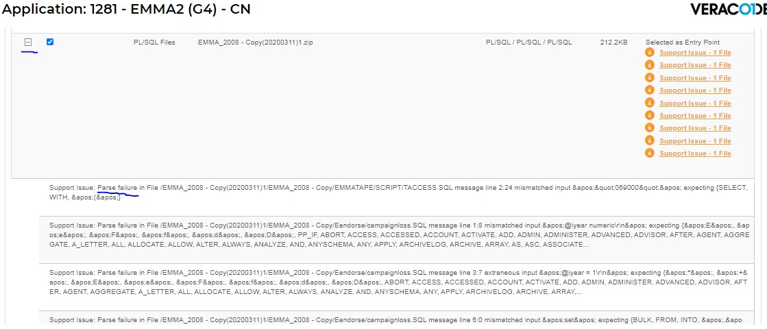

 |  |  |  |  |  | EMMATAPE\SCRIPT\TACCESS.SQL |  | Line 2: 24 mismatched input &apos;&quot;069000&apos; expecting {select,with,&apos;(&apos;}
 |  |  |  |  |  | E2Extract\SCRIPT\TACCESS.SQL |  | Line 2:7 mismatched input &apos;&quot;069000&apos; expecting {select,with,&apos;(&apos;}
 |  |  |  |  |  | Eendorse\campaignloss.SQL |  | Line 1:8 mismatched input &apos;@iyear numeric\r\n&apos; expecting {&apos;E&apos;, &apos;e&apos;,
 |  |  |  |  |  |  |  | Line 3:7 extraneous input &apos;@iyear = 1\r\n&apos; expecting {&apos;"&apos;, &apos;+&apos;,
 |  |  |  |  |  |  |  | Line 6:0 mismatched input &apos;set&apos; expecting {BULK, FROM, INTO, &apos;,&apos;

SQL中应该是单引号，而不是双引号
Line 2: 24 mismatched input &apos;&quot;069000&apos; expecting {select,with,&apos;(&apos;}
EMMATAPE\SCRIPT\TACCESS.SQL
E2Extract\SCRIPT\TACCESS.SQL
---- INSERT ON tusergrp
INSERT tusergrp VALUES ("069000","E2EXTRACT","EXTRACT GROUP","SA","E2", GETDATE())
GO
---- INSERT ON TACCESS
insert taccess values ("069000","E2EXTRACT","QRYDEF","QRYDEF","SA","E2",getdate())
insert taccess values ("069000","E2EXTRACT","LAYDEF","LAYDEF","SA","E2",getdate())
insert taccess values ("069000","E2EXTRACT","BILEXT","BILEXT","SA","E2",getdate())
insert taccess values ("069000","E2EXTRACT","COREXT","COREXT","SA","E2",getdate())
GO
--- ACCESS FOR FULLAU
insert taccess values ("069000","FULLAUTH","QRYDEF","QRYDEF","SA","E2",getdate())
insert taccess values ("069000","FULLAUTH","LAYDEF","LAYDEF","SA","E2",getdate())
insert taccess values ("069000","FULLAUTH","BILEXT","BILEXT","SA","E2",getdate())
insert taccess values ("069000","FULLAUTH","COREXT","COREXT","SA","E2",getdate())
GO

修改方法：
1.删除这两个文件，因为没有被用到。
2.双引号改成单引号

campaignloss.SQL message line 1:8 |  |  |  |  | campaignloss.SQL message line 3:7 |  | campaignloss.SQL message line 6:0
mismatched input &apos;@iyear numeric\r\n&apos; expecting {&apos;E&apos;, &apos;e&apos;, |  |  |  |  | extraneous input &apos;@iyear = 1\r\n&apos; expecting {&apos;"&apos;, &apos;+&apos;, |  | mismatched input &apos;set&apos; expecting {BULK, FROM, INTO, &apos;,&apos;
&apos;F&apos;, &apos;f&apos;, &apos;D&apos;, PP_IF, ABORT, ACCESSED, ACCOUNT, ACTIVATE, |  |  |  |  | &apos;E&apos;, &apos;e&apos;, &apos;F&apos;, &apos;f&apos;, &apos;d&apos;, &apos;D&apos;,
ADD, ADMIN ADMINISTER, ADVANCED, ADVISOR, AFTER, AGENT, AGGREGATE, A_LETTER, ALL, ALLOCATE, |  |  |  |  | ABORT, ACCESSED, ACCOUNT, ACTIVATE, ADD, ADMIN ADMINISTER, ADVANCED, ADVISOR, AFTER,
ALLOW, ALTER, ALWAYS, ANLYZE, AND, ANYSCHEMA, ANY, APPLY, ARCHIVELOG, ARCHIVE, ARRAY, |  |  |  |  | AGENT, AGGREGATE, A_LETTER, ALL, ALLOCATE, ALLOW, ALTER, ALWAYS, ANLYZE, AND, ANYSCHEMA,
AS, ASC, ASSOCIATE… |  |  |  |  | ANY, APPLY, ARCHIVELOG, ARCHIVE, ARRAY...
Eendorse\campaignloss.SQL
declare @iyear numeric

select @iyear = 1

update tcamptestfig
set loss_paid_1st_amt = isnull(loss_paid_1st_amt,0) + case @iyear when 1 then 1 else 0 end,
loss_paid_2nd_amt = isnull(loss_paid_2nd_amt,0) + case @iyear when 2 then 1 else 0 end,
loss_paid_3rd_amt = isnull(loss_paid_3rd_amt,0) + case @iyear when 3 then 1 else 0 end,
loss_paid_4th_amt = isnull(loss_paid_4th_amt,0) + case @iyear when 4 then 1 else 0 end,
loss_paid_5th_amt = isnull(loss_paid_5th_amt,0) + case @iyear when 5 then 1 else 0 end,
loss_paid_6th_amt = isnull(loss_paid_6th_amt,0) + case @iyear when 6 then 1 else 0 end,
loss_paid_7th_amt = isnull(loss_paid_7th_amt,0) + case @iyear when 7 then 1 else 0 end,
loss_paid_8th_amt = isnull(loss_paid_8th_amt,0) + case @iyear when 8 then 1 else 0 end,
loss_paid_9th_amt = isnull(loss_paid_9th_amt,0) + case @iyear when 9 then 1 else 0 end,
loss_paid_10th_amt = isnull(loss_paid_10th_amt,0) + case @iyear when 10 then 1 else 0 end

from

where
campaign_cd = '000001'
and camp_test_cd = '001'

Iyear =
 | case
 |  | when DATEDIFF(yy,a.TEST_LAUNCH_DATE,getdate()) <= 0 then 1
 |  | when DATEDIFF(yy,a.TEST_LAUNCH_DATE,getdate()) > 10 then 10
 |  | else
 |  |  | case
 |  |  |  | when datediff(dd,dateadd(yy,DATEDIFF(yy,a.TEST_LAUNCH_DATE,getdate()),a.TEST_LAUNCH_DATE),getdate())
 |  |  |  | < 0 then DATEDIFF(yy,a.TEST_LAUNCH_DATE,getdate()) + 1

 |  |  |  | else DATEDIFF(yy,a.TEST_LAUNCH_DATE,getdate())
 |  |  | end

 | end

修改方法：
1.删除这个文件，因为没有被用到。

2
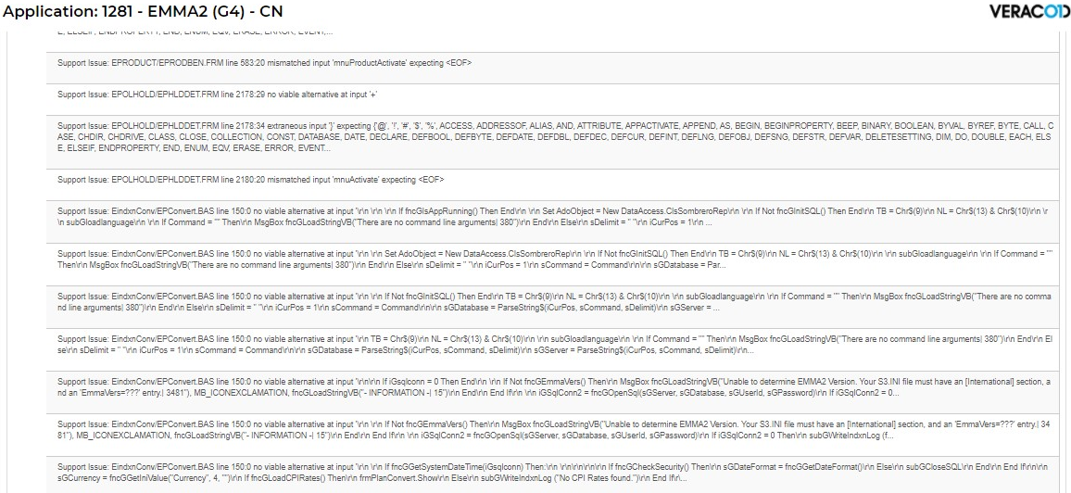

 | EPRODUCT/EPRODBEN.FRM | line 583:20 mismatched input 'mnuProductActivate' expecting <EOF>
 | EPOLHOLD\EPHLDDET.FRM | Line 2178:29 no viable alternative at input '+'
 |  | Line 2178:34 extraneous input '}' expecting {'@', '!',
 |  | Line 2180:20 mismatched input 'mnuActivate' expecting <EOF>
 | EindxnConv\EPConvert.BAS | Line 150:0 no viable alternative at input
 |  | Line 150:0 no viable alternative at input
 |  | Line 150:0 no viable alternative at input
 |  | Line 150:0 no viable alternative at input
 |  | Line 150:0 no viable alternative at input
 |  | Line 150:0 no viable alternative at input
 |  | Line 150:0 no viable alternative at input
 |  | Line 150:0 no viable alternative at input

EPRODUCT/EPRODBEN.FRM line 583:20 mismatched input 'mnuProductActivate' expecting <EOF>
Begin VB.Menu mnuProductDelete
Caption = "&Delete| 71"
Enabled = 0 'False
Shortcut = +{DEL}
End
Begin VB.Menu mnuProductActivate
Caption = "Acti&vate| 214"
Enabled = 0 'False
End
Begin VB.Menu mnuSep2
Caption = "-"
End
Begin VB.Menu mnuProductPrint
Caption = "&Print Screen| 215"
Shortcut = ^P
End

修改方法：
不改。
这是VB自动生成的代码，同时也不知道怎么修改

EPOLHOLD\EPHLDDET.FRM line 2178:29 no viable alternative at input '+'
EPOLHOLD\EPHLDDET.FRM line 2178:34 extraneous input '}' expecting {'@', '!',
EPOLHOLD\EPHLDDET.FRM line 2180:20 mismatched input 'mnuActivate' expecting <EOF>
Begin VB.Menu mnuDelete
Caption = "&Delete| 71"
Enabled = 0 'False
Shortcut = +{DEL}
End
Begin VB.Menu mnuActivate
Caption = "Acti&vate| 214"
Enabled = 0 'False
End

修改方法：
1.删除文件，没有任何地方被用到
2.不改。
这是VB自动生成的代码，同时也不知道怎么修改

EindxnConv\EPConvert.BAS line 150:0 no viable alternative at input '\r\n \r\n \r\n If fncGIsAppRunning() Then End
\r\n \r\n Set AdoObject = New DataAccess.ClsSombreroRep
Sub Main()

Dim i
Dim iCurPos As Long, iResult As Integer, sCommand As String, sDelimit As String
Dim lngNULLPointer As Long
Dim iCharCounter As Integer

'Set OCX = frmSqlError!Sqlocxdb1.object
If fncGIsAppRunning() Then End
'Load frmSqlError 'HK??
Set AdoObject = New DataAccess.ClsSombreroRep 'HK??

If Not fncGInitSQL() Then End 'HK??
TB = Chr$(9)
NL = Chr$(13) & Chr$(10)

subGloadlanguage

If Command = "" Then
MsgBox fncGLoadStringVB("There are no command line arguments| 380") ' uncomment if from EMMA main menu
End
Else
sDelimit = " "
iCurPos = 1
sCommand = Command

sGDatabase = ParseString$(iCurPos, sCommand, sDelimit)
sGServer = ParseString$(iCurPos, sCommand, sDelimit)
sGUserId = ParseString$(iCurPos, sCommand, sDelimit)
sGPassword = ParseString$(iCurPos, sCommand, sDelimit)
sGUserGroup = ParseString$(iCurPos, sCommand, sDelimit)
iGsqlconn = fncGOpenSql(sGServer, sGDatabase, sGUserId, sGPassword)
End If

If iGsqlconn = 0 Then End

If Not fncGEmmaVers() Then
MsgBox fncGLoadStringVB("Unable to determine EMMA2 Version. Your S3.INI file must have an [International] section, and an 'EmmaVers=???' entry.| 3481"), MB_ICONEXCLAMATION, fncGLoadStringVB("- INFORMATION -| 15")
End
End If

iGSqlConn2 = fncGOpenSql(sGServer, sGDatabase, sGUserId, sGPassword)
If iGSqlConn2 = 0 Then
subGWriteIndxnLog (fncGLoadStringVB("Connection to SQL failed - program aborted| 3814"))
End
End If

iGSQLConnIns = fncGOpenSql(sGServer, sGDatabase, sGUserId, sGPassword)
If iGSQLConnIns = 0 Then
subGWriteIndxnLog (fncGLoadStringVB("Connection to SQL failed - program aborted| 3814"))
End
End If

If fncGGetSystemDateTime(iGsqlconn) Then:

' call the check security module to enable the menu items available to this user
' when the menus have been enabled, show the selection window

If fncGCheckSecurity() Then
sGDateFormat = fncGGetDateFormat()
Else
subGCloseSQL
End
End If

sGCurrency = fncGGetIniValue("Currency", 4, "")
If fncGLoadCPIRates() Then
frmPlanConvert.Show
Else
subGWriteIndxnLog ("No CPI Rates found.")
End If

End Sub

疑问：
代码是86行，为什么扫描结果是 150 行？

分析：
单独的End语句是结束程序，一般不这么写

修改方法：
将End语句替换成 Exit Sub

3
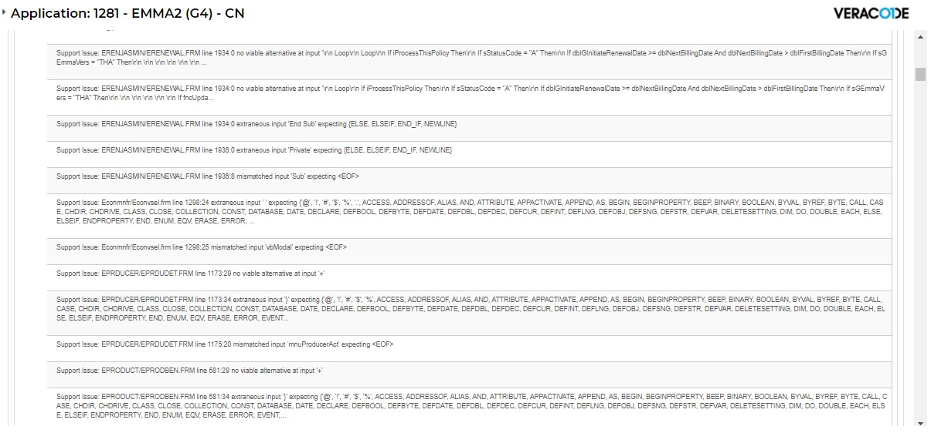

 |  |  |  | ERENJASMIN\ERENEWAL.FRM | Line 1934:0 no viable alternative at input '\r\n Loop\r\n Loop\r\n If iProcessThisPolicy Then\r\n If sStatusCode = "A"
 |  |  |  |  | Line 1934:0 no viable alternative at input '\r\n Loop\r\n If iProcessThisPolicy Then\r\n If sStatusCode = "A"
 |  |  |  |  | Line 1934:0 extraneous input 'End Sub' expecting {ELSE,
 |  |  |  |  | Line 1936:0 extraneous input 'Private' expecting {ELSE,
 |  |  |  |  | Line 1936:8 mismatched input 'Sub' expecting <EOF>
 |  |  |  | Econmnfr/Econvsel.frm | Line 1298:24 extraneous input ‘ ’ expecting { '@', '!'
 |  |  |  |  | Line 1298:25 mismatched input
 |  |  |  | EPRODUCER/EPRDUDET.FRM | Line 1173:29 no viable alternative at input
 |  |  |  |  | Line 1173:34 extraneous input
 |  |  |  |  | Line 1175:20 mismatched input
 |  |  |  | EPRODUCT/EPRODBEN.FRM | Line 581:29 no viable alternative at input
 |  |  |  |  | Line 581:34 extraneous input

If 缺少对应的End If
ERENJASMIN\ERENEWAL.FRM line 1934:0 no viable alternative at input '\r\n Loop\r\n Loop\r\n If iProcessThisPolicy Then\r\n If sStatusCode = "A"
ERENJASMIN\ERENEWAL.FRM line 1934:0 no viable alternative at input '\r\n Loop\r\n If iProcessThisPolicy Then\r\n If sStatusCode = "A"
ERENJASMIN\ERENEWAL.FRM line 1934:0 extraneous input 'End Sub' expecting {ELSE,
Private Sub subProcessANonPHOLPolicy(sPolicyNumber As String)

Dim sPolicyHolderNumber As String, lPolicyHolderNumber As Long, sStatusCode As String
Dim sNextBillingDate As String, dblNextBillingDate As Double
Dim sFirstBillingDate As String, dblFirstBillingDate As Double, sPlanNo As String
Dim iErrorNo As Integer, iProcessThisPolicy As Integer, sCampaignCd As String
Dim sTemp As String
Dim bPreRenewalFG As Boolean 'RDC19990095
' For each non-'PHOL' type Annually paying TPAYMENTDETS row, retrieve
' the policy information
'
subGResetSql iGSQLConnUpdate
sGSQL = "SELECT a.STATUS_CD, "
If sGEmmaVers = "THA" Then '##CR1446 |  | 1
sGSQL = sGSQL & "convert(Char(12),POLICY_REN_DATE, " & iGConvertDate & ") , " 'RKvb4d
Else
sGSQL = sGSQL & "convert(Char(12),NXT_BILLING_DATE, " & iGConvertDate & ") , " 'RKvb4d
End If |  | 1
'sGSQL = sGSQL & "POLICY_HOLDER_NO, CONVERT(CHAR, END_EFF_DATE, 9), " '???
sGSQL = sGSQL & "POLICY_HOLDER_NO, CONVERT(CHAR, END_EFF_DATE, " & iGConvertDate & ") , " 'RKvb4d
sGSQL = sGSQL & "CONVERT(CHAR, END_EFF_DATE, 108), "
sGSQL = sGSQL & "convert(Char(12),FIRST_BILLED_DATE," & iGConvertDate & ") " 'RKvb4d
If sGEmmaVers = "THA" Then '##CR1446 |  | 2
'sGSQL = sGSQL & ", PLAN_NO, CAMPAIGN_CD" 'AUSPCR98033 by HAC(Sep 24 1998)
sGSQL = sGSQL & ", PLAN_NO" 'AUSPCR98033 by HAC(Sep 24 1998)
End If |  | 2
sGSQL = sGSQL & ", B.CAMPAIGN_CD" 'AUSPCR98033 by HAC(Sep 24 1998)
If bGPreRenewalDoc Then sGSQL = sGSQL & ",a.PRE_RENEWAL_FG " 'RDC19990095 |  | 3 | End if
sGSQL = sGSQL & " FROM TPOLICYCERT a, TPOLICYCERTRIDER b "
sGSQL = sGSQL & "WHERE a.POLICYCERT_NO = '" & sPolicyNumber & "' "
sGSQL = sGSQL & " AND b.POLICYCERT_NO = '" & sPolicyNumber & "' "
sGSQL = sGSQL & " AND a.POLICYCERT_NO = b.POLICYCERT_NO AND RIDER_NO = 0 "
sGSQL = sGSQL & " AND LATEST_VERSION_FG = 'Y'"
sGSQL = sGSQL & " AND a.STATUS_CD = 'A' " 'RDC19990095
If fncGExecuteSQLStatementDebug(iGSQLConnUpdate, sGSQL) Then |  | 4
iProcessThisPolicy = False
'
' This selection MUST return only one row for the following
' processing to work. It should as it is only retrieving one row
' from TPOLICYCERTRIDER (rider 0, latest_version_fg = 'Y'), joined to
' TPOLICYCERT
'
' We must process all of the results for this SQL statement as the
' processing that follows uses THE SAME CONNECTION to perform
' updates, and the select results must be exhausted first ...
'
Do While SqlResults%(iGSQLConnUpdate) <> NOMORERESULTS
Do While SqlNextRow%(iGSQLConnUpdate) <> NOMOREROWS
sStatusCode = SqlData$(iGSQLConnUpdate, 1)
'
' If this TPOLICYCERT row ISN'T cancelled, then we need
' to consider it ...
'
If sStatusCode <> "C" Then |  | 5
sNextBillingDate = SqlData$(iGSQLConnUpdate, 2)
sPolicyHolderNumber = SqlData$(iGSQLConnUpdate, 3)
'AUSPCR98033.BEGIN
If sGEmmaVers = "THA" Then |  | 6
sCampaignCd = SqlData$(iGSQLConnUpdate, 8) 'AUSPCR98033 by HAC(Sep 24 1998)
Else
sCampaignCd = SqlData$(iGSQLConnUpdate, 7) 'AUSPCR98033 by HAC(Sep 24 1998)
End If |  | 6
'AUSPCR98033.END

'RDC19990095.BEGIN
If bGPreRenewalDoc And sGEmmaVers = "THA" Then |  | 7
bPreRenewalFG = Not UCase(Trim$(SqlData$(iGSQLConnUpdate, 9))) = "Y"
Else
bPreRenewalFG = Not UCase(Trim$(SqlData$(iGSQLConnUpdate, 8))) = "Y"
End If |  | 7
'RDC19990095.END

' If there is a next billing date consider this
' PHOL policy
'
If sNextBillingDate <> "" Then |  | 8
On Error Resume Next
dblNextBillingDate = DateValue(sNextBillingDate)
iErrorNo = Err
On Error GoTo 0
'
' If there was no error in converting the
' next billing date, then consider this
' policy
'
If iErrorNo = 0 Then |  | 9
sGRenewalDate = Format$(dblNextBillingDate, sGMediumDateFormat)
' dblGRenewalDate = dblNextBillingDate 'RKfeb
'
' Firstly, convert the policy holder number from string to
' a long value
' |  | 10
If sPolicyHolderNumber = "" Then
lPolicyHolderNumber = 0
Else
lPolicyHolderNumber = CLng(sPolicyHolderNumber)
End If |  | 10
'
' Now endeavour to convert the First Billing Date
'
sFirstBillingDate = SqlData$(iGSQLConnUpdate, 6)
If sFirstBillingDate <> "" Then |  | 11
On Error Resume Next
dblFirstBillingDate = DateValue(sFirstBillingDate)
iErrorNo = Err
On Error GoTo 0
If iErrorNo = 0 Then |  | 12
sTemp = SqlData$(iGSQLConnUpdate, 4) & " " & SqlData$(iGSQLConnUpdate, 5)
sGPOLICYRIDER_END_EFF_DATE = Format$(QPTrim$(sTemp), VERY_LONG_SERVER_DATE_FMT)
If sGEmmaVers = "THA" Then '##CR1446 & ##CR1405 |  | 13
sPlanNo = SqlData$(iGSQLConnUpdate, 7)
sCampaignCd = SqlData$(iGSQLConnUpdate, 8)
End If |  | 13
iProcessThisPolicy = True
End If |  | 12
End If |  | 11
End If |  | 9
End If |  | 8
End If |  | 5
Loop
Loop
If iProcessThisPolicy Then |  | 14
If sStatusCode = "A" Then |  | 15
If dblGInitiateRenewalDate >= dblNextBillingDate And dblNextBillingDate > dblFirstBillingDate Then |  | 16
If sGEmmaVers = "THA" Then '##CR1446 |  | 17
'
' Thailand specific...................
' Update Pol_Exp_Date and Policy_Ren_Date,
' Get document name from somewhere & trigger it if found
'
If fncUpdateTBOOKTRXN(sPolicyNumber) Then ' CR#1543 |  | 18
If fncUpdateDates(sPolicyNumber) Then |  | 19
If fncPrintSchedule(sPolicyNumber, sPlanNo, sCampaignCd) Then |  | 20
lGNumberNONPHOLPoliciesSentReminder = lGNumberNONPHOLPoliciesSentReminder + 1
If iGDebugMode Then |  | 21
subGDisplayMessage iGInformationMessage, sPolicyNumber, fncGLoadStringVB("Printed Schedule (non-PHOL) - Calculated Renewal Date| 4094") & " = '" & sGRenewalDate & "', " & fncGLoadStringVB("Processing Date| 1262") & " = '" & sGFormattedProcessingDate & "'"
End If |  | 21
Else
subGDisplayMessage iGErrorMessage, sPolicyNumber, fncGLoadStringVB("COULD NOT Print Schedule (non-PHOL) - Calculated Renewal Date| 5653") & " = '" & sGRenewalDate & "', " & fncGLoadStringVB("Processing Date| 1262") & " = '" & sGFormattedProcessingDate & "'"
End If |  | 20
Else
subGDisplayMessage iGInformationMessage, sPolicyNumber, fncGLoadStringVB("Update of policy dates failed (non-PHOL) - Calculated Renewal Date| 5654") & " = '" & sGRenewalDate & "', " & fncGLoadStringVB("Processing Date| 1262") & " = '" & sGFormattedProcessingDate & "'"
End If |  | 19
Else
subGDisplayMessage iGErrorMessage, sPolicyNumber, fncGLoadStringVB("Update of policy Annual Booking Premium Table failed (non-PHOL) - Calculated Renewal Date| 5531") & " = '" & sGRenewalDate & "', " & fncGLoadStringVB("Processing Date| 1262") & " = '" & sGFormattedProcessingDate & "'"
End If |  | 18
Else
'
' Initiate Request for Debit Reminder Letter
'
' Firstly, check that we haven't printed a document of this
' type 'recently'. To do this we have allowed 90 days,
' because an annual payer may fail the first billing, and
' then fail the second billing, but within 90 days they
' should if this is case have been cancelled ...
'
If Not fncGDocumentRecentlyPrinted(sPolicyNumber, sGRenewalNoticeDocumentName, 90) Then |  | 22
' If fncGPrintRenewalNotice(sPolicyNumber) Then ' AUSUAT-0112 : TOConnell 2000.04.14
If fncGPrintRenewalNotice(sPolicyNumber, sCampaignCd) Then ' AUSUAT-0112 : TOConnell 2000.04.14 |  | 23
lGNumberNONPHOLPoliciesSentReminder = lGNumberNONPHOLPoliciesSentReminder + 1
subGFileInsert NONPHOLDFILE, "NOTICE" & sPolicyNumber & "," & sGPOLICYRIDER_END_EFF_DATE & "," & sNextBillingDate 'RDCTEST0001
If iGDebugMode Then |  | 24
subGDisplayMessage iGInformationMessage, sPolicyNumber, fncGLoadStringVB("Printed Renewal Reminder Notice (non-PHOL) - Calculated Renewal Date| 4094") & " = '" & sGRenewalDate & "', " & fncGLoadStringVB("Processing Date| 1262") & " = '" & sGFormattedProcessingDate & "'"
End If |  | 24
Else
subGDisplayMessage iGErrorMessage, sPolicyNumber, fncGLoadStringVB("COULD NOT Print Renewal Reminder Notice (non-PHOL) - Calculated Renewal Date| 4095") & " = '" & sGRenewalDate & "', " & fncGLoadStringVB("Processing Date| 1262") & " = '" & sGFormattedProcessingDate & "'"
End If |  | 23
Else
subGDisplayMessage iGInformationMessage, sPolicyNumber, fncGLoadStringVB("Renewal Reminder (non-PHOL) Notice NOT PRINTED - due to recent document being printed - Calculated Renewal Date| 4095") & " = '" & sGRenewalDate & "', " & fncGLoadStringVB("Processing Date| 1262") & " = '" & sGFormattedProcessingDate & "'"
End If |  | 22
End If |  | 17
'RDC19990095.BEGIN
If bGPreRenewalDoc Then |  | 25
If fncGReSetPreRenewalFlag(sPolicyNumber, "N") Then:
End If
ElseIf bGPreRenewalDoc Then |  | 25
If iGPreRenewalDaysBeforeRDate > 0 And bPreRenewalFG And DateValue(sGPreRenewalEndDate) >= DateValue(sNextBillingDate) Then |  | 26
If fncGPrintAllFormLetters("PRERE", sPolicyNumber, 0, sGPOLICYRIDER_END_EFF_DATE, 0, sGUserId, "", "", 1, 0, iGSQLConnUpdate) Then |  | 27
lGNONPHOLPoliciesSentPreRenewalCount = lGNONPHOLPoliciesSentPreRenewalCount + 1
subGFileInsert NONPHOLDFILE, "PRE-RE" & sPolicyNumber & "," & sGPOLICYRIDER_END_EFF_DATE & "," & sNextBillingDate 'RDCTEST0001
If fncGReSetPreRenewalFlag(sPolicyNumber, "Y") Then |  | 28
subGFileInsert NONPHOLDFILE, "PRE-RE, set the pre-renewal flag to 'Y'." 'RDCTEST0001
End If |  | 28
Else
If fncGAutoPrintTriggerProcess(sPolicyNumber, 0, sGPOLICYRIDER_END_EFF_DATE, 0, STNRDPRERENEWALDOC, sGUserId, "", "", 1, 0, iGSQLConnUpdate) Then |  | 29
lGPHOLPoliciesSentPreRenewalCount = lGPHOLPoliciesSentPreRenewalCount + 1
subGFileInsert DIRPHOLDFILE, "STDPRE-RE" & sPolicyNumber & "," & sGPOLICYRIDER_END_EFF_DATE & "," & sNextBillingDate 'RDCTEST0001
If fncGReSetPreRenewalFlag(sPolicyNumber, "Y") Then |  | 30
subGFileInsert DRNNFILE, "STDPRE-RE, set the pre-renewal flag to 'Y'" 'RDCTEST0001
End If |  | 30
End If |  | 29
End If |  | 27
End If |  | 26
'RDC19990095.END
End If |  | 16
End If |  | 15
End If |  | 14
End If |  | 4

End Sub

修改方法：
1.函数的第三个IF，添加End If语句
2.删除文件，没有被用到

ERENJASMIN\ERENEWAL.FRM line 1936:0 extraneous input 'Private' expecting {ELSE,
ERENJASMIN\ERENEWAL.FRM line 1936:8 mismatched input 'Sub' expecting <EOF>
Private Sub subProcessAPHOLPolicy(sPolicyNumber As String)

修改方法：
同上，删除文件

Econmnfr/Econvsel.frm | Line 1298:24 extraneous input ‘ ’ expecting { '@', '!'
 | Line 1298:25 mismatched input

Private Sub mnuRun_Click()

Dim iChkTableIndex, iFlag
iFlag = 0
'SGP19990020.BEGIN
bGDirSuccess = False
frmGetDirectory.Show vbModal
If Not bGDirSuccess Then
Exit Sub
End If
'SGP19990020.END
For iChkTableIndex = 0 To 4
If chkTable(iChkTableIndex).Value = -1 Then
If iFlag = 0 Then
lstTable.AddItem sGDatabase & " " & Format$(Now, sGMediumDateFormat) & " " & Format$(Now, "hh:mm:ss")
iFlag = 1
End If
sGTableName = Trim$(chkTable(iChkTableIndex).Caption)
sGFileName = sGSourceNames(iChkTableIndex)
lstTable.AddItem " "
lstTable.AddItem fncGLoadStringVB("Source| 3949") & ": " & " " & sGFileName
lstTable.AddItem fncGLoadStringVB("Target| 3950") & ": " & " " & sGTableName
If fncTableStru() = True Then
subConvert (iChkTableIndex)

Else
subGWriteBatchLog 0, 5, sGTableName & fncGLoadStringVB("Can Not Open Table| 1608")
End If
chkTable(iChkTableIndex) = 0

End If
Next iChkTableIndex

'SGP19990006.BEGIN
If bECONMNFRAutoRun Then
If fncUpdateRIEffDates() Then:
End If
'SGP19990006.END
'PHIRDC-0206.begin
If bGLogSuccess Then
If iGSuccessFlag Then
subGWriteBatchLog 0, 0, fncGLoadStringVB("Completed Successfully| 1602")
End If
End If
'PHIRDC-0206.end
End Sub

修改方法：
未知

EPRODUCER/EPRDUDET.FRM | Line 1173:29 no viable alternative at input
 | Line 1173:34 extraneous input
 | Line 1175:20 mismatched input
 | Line 581:29 no viable alternative at input
 | Line 581:34 extraneous input

Begin VB.Menu mnuProducerDel
Caption = "&Delete| 71"
Enabled = 0 'False
Shortcut = +{DEL}
End
Begin VB.Menu mnuProducerAct
Caption = "Acti&vate| 214"
Enabled = 0 'False
End

修改方法：
不改。
这是VB自动生成的代码，同时也不知道怎么修改

EPRODUCT/EPRODBEN.FRM | Line 581:29 no viable alternative at input
 | Line 581:34 extraneous input

Begin VB.Menu mnuProductDelete
Caption = "&Delete| 71"
Enabled = 0 'False
Shortcut = +{DEL}
End
Begin VB.Menu mnuProductActivate
Caption = "Acti&vate| 214"
Enabled = 0 'False
End
Begin VB.Menu mnuSep2
Caption = "-"
End
Begin VB.Menu mnuProductPrint
Caption = "&Print Screen| 215"
Shortcut = ^P
End

修改方法：
不改。
这是VB自动生成的代码，同时也不知道怎么修改

4
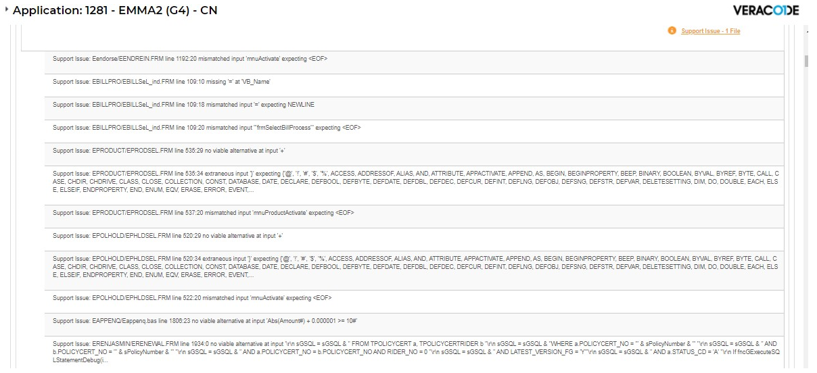

 |  | eendorse/EENDREIN.FRM | Line 1192:20 mismatched input
 |  | EBILLPRO/EBILLSel_ind.FRM | Line 109:10 missing '=' at 'VB_Name'
 |  |  | Line 109:18 mismatched input
 |  |  | Line 109:20 mismatched input 'frmSelectBillProcess' expecting <EOF>
 |  | EPRODUCT/EPRODSEL.FRM | Line 535:29 no viable alternative at input
 |  |  | Line 535:34 extraneous input
 |  |  | Line 537:20 mismatched input
 |  | EPOLHOLD/EPHLDSEL.FRM | Line 520:29 no viable alternative at input
 |  |  | Line 520:34 extraneous input
 |  |  | Line 522:20 mismatched input
 |  | EAPPENQ/Eappenq.bas | Line 1806:23 no viable alternative at input 'Abs(Amount#) + 0.000001 >= 10 #
 |  | ERENJASMIN/ERENEWAL.FRM | Line 1930:0 extraneous input

eendorse/EENDREIN.FRM | Line 1192:20 mismatched input ‘mnuActivate’ expecting <EOF>

Begin VB.Menu mnuDelete
Caption = "&Delete| 71"
Enabled = 0 'False
Shortcut = +{DEL}
End
Begin VB.Menu mnuActivate
Caption = "Acti&vate| 214"
Enabled = 0 'False
End

修改方法：
不改。
这是VB自动生成的代码，同时也不知道怎么修改

EBILLPRO/EBILLSel_ind.FRM | Line 109:10 missing '=' at 'VB_Name'
 | Line 109:18 mismatched input
 | Line 109:20 mismatched input 'frmSelectBillProcess' expecting <EOF>

Begin VB.Menu mnuAbout
Caption = "About| 80"
End
End
End
Attribute VB_Name = "frmSelectBillProcess"
Attribute VB_GlobalNameSpace = False
Attribute VB_Creatable = False
Attribute VB_PredeclaredId = True
Attribute VB_Exposed = False

修改方法：
不改。
这是VB自动生成的代码，同时也不知道怎么修改

EPRODUCT/EPRODSEL.FRM | Line 535:29 no viable alternative at input
 | Line 535:34 extraneous input
 | Line 537:20 mismatched input

Begin VB.Menu mnuProductDelete
Caption = "&Delete| 71"
Enabled = 0 'False
Shortcut = +{DEL}
End
Begin VB.Menu mnuProductActivate
Caption = "Acti&vate| 214"
Enabled = 0 'False
End

修改方法：
不改。
这是VB自动生成的代码，同时也不知道怎么修改

EPOLHOLD/EPHLDSEL.FRM | Line 520:29 no viable alternative at input
 | Line 520:34 extraneous input
 | Line 522:20 mismatched input

Begin VB.Menu mnuDelete
Caption = "&Delete| 71"
Enabled = 0 'False
Shortcut = +{DEL}
End
Begin VB.Menu mnuActivate
Caption = "Acti&vate| 214"
Enabled = 0 'False
End

修改方法：
不改。
这是VB自动生成的代码，同时也不知道怎么修改

EAPPENQ/Eappenq.bas | Line 1806:23 no viable alternative at input 'Abs(Amount#) + 0.000001 >= 10 #

Static Function QPRound$(Amount#, Places%)

Dim Amt$, Lead%, Dec$, Plus$, Mask$

'External routines required: ASCII%
' FUsing

Amt$ = str$(Amount#) 'first convert into a string
Lead% = 1 'allow one leading digit

Do While Abs(Amount#) + 0.000001 >= 10# ^ Lead%
Lead% = Lead% + 1 'get number of leading digits
Loop 'the .000001# avoids a QB bug w/80x87

Dec$ = Mid$(".", Abs(Places% = 0) + 1) 'make a "." if needed
Plus$ = Mid$("+", Sgn(Amount#) + 2) 'make a "+" if needed
Mask$ = Plus$ + String$(Lead% + 1, "#") + Dec$ + String$(Places%, "#") '+1
Mask$ = FUsing$(Amt$, Mask$) 'let Chris do the dirty work

If Ascii%(Mask$) = 48 Then 'if there's a leading zero
Mask$ = Mid$(Mask$, 2) 'strip it
End If

QPRound$ = LTrim$(Mask$) 'assign the function

End Function

修改方法：
老的VB代码写法，现在此函数已没有被引用，删除。

ERENJASMIN/ERENEWAL.FRM | Line 1930:0 extraneous input

End If
End If
End If
End If

If和End If配对问题

修改方法：
1.函数的第三个IF，添加End If语句
2.删除文件，没有被用到

5
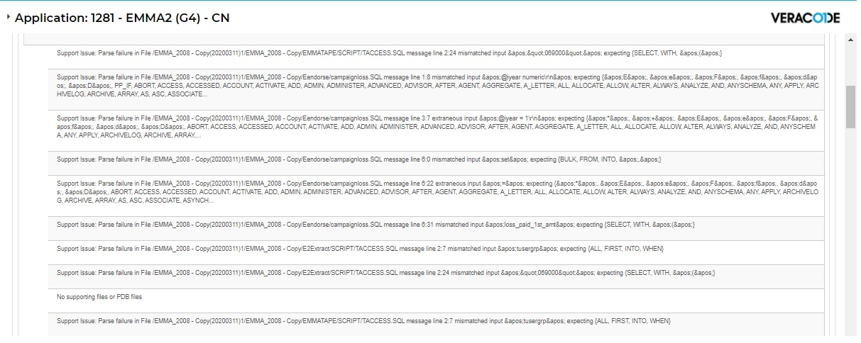

 |  | EMMATAPE\SCRIPT\TACCESS.SQL | Line 2:24 mismatched input &apos;&quot;069000&apos; expecting {select,with,&apos;(&apos;}
 |  | Eendorse\campaignloss.SQL | Line 1:8 mismatched input &apos;@iyear numeric\r\n&apos; expecting {&apos;E&apos;, &apos;e&apos;,
 |  |  | Line 3:7 extraneous input &apos;@iyear = 1\r\n&apos; expecting {&apos;"&apos;, &apos;+&apos;,
 |  |  | Line 6:0 mismatched input &apos;set&apos; expecting {BULK, FROM, INTO, &apos;,&apos;
 |  |  | Line 6:22 extraneous input
 |  |  | Line 6:31 mismatched input &apos;set&apos; expecting {BULK, FROM, INTO, &apos;,&apos;
 |  | E2Extract\SCRIPT\TACCESS.SQL | Line 2:7 mismatched input &apos;&quot;069000&apos; expecting {select,with,&apos;(&apos;}
 |  |  | Line 2:24 mismatched input &apos;&quot;069000&apos; expecting {select,with,&apos;(&apos;}
 |  |  | No supporting files or PDB files
 |  | EMMATAPE\SCRIPT\TACCESS.SQL | Line 2:7 mismatched input &apos;tusergrp&apos;

EMMATAPE\SCRIPT\TACCESS.SQL
Eendorse\campaignloss.SQL
E2Extract\SCRIPT\TACCESS.SQL

修改方法：
1.删除这三个文件，因为没有被用到。

 | No supporting files or PDB files

未知错误

