执行Batch的权限
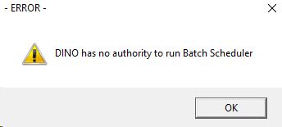

C:\Users\868379\Documents\Dino\EMMA_2008\EBTCHSTR\EBTCH.BAS
If fncGetUserGroup() Then
' get sGNewUserNameVar for pnlMessage2
iDummy = fncGCheckSecurity()
If Trim(UCase(sGUserGroup)) = "BATCHSCH" = True Or UCase$(sGUserId) = "SA" Then |  | 用户必须是 Batchsch 的Group，或者用户名为 SA
iGRunAccess = True |  | 才能执行Batch操作
subGWriteBatchLog 0, IGINPROGRESS, fncGLoadStringVB("Started Successfully| 1180")
frmBatchStart.Show
Else
MsgBox UCase(sGUserId) & " " & fncGLoadStringVB("has no authority to run Batch Scheduler| 3910"), MB_ICONEXCLAMATION, fncGLoadStringVB("- ERROR -| 370")
subGCloseSQL
End
End If
Else
subGCloseSQL
End
End If

Function fncGetUserGroup()

subGResetSql (iGsqlconn)
sGSQL = "SELECT USER_GROUP_CD FROM TSECURTY WHERE REF_GROUP_CD = '" & sGRefGroup & "' AND "
sGSQL = sGSQL & "USERID_CD = '" & sGUserId & "'"
If fncGExecuteSQLStatement(iGsqlconn, sGSQL) Then
Do While SqlResults(iGsqlconn) <> NOMORERESULTS
Do While SqlNextRow(iGsqlconn) <> NOMOREROWS
sGUserGroup = Trim$(SqlData(iGsqlconn, 1))
Loop
Loop
fncGetUserGroup = True
Else
MsgBox fncGLoadStringVB("Error retrieving security details from tsecurty!| 2800"), MB_ICONSTOP, fncGLoadStringVB("- SQL ERROR -| 13")
fncGetUserGroup = False
End If

End Function

SELECT * FROM tuserid WHERE userid_cd = 'dino'

UPDATE tuserid SET user_group = 'BATCHSCH'
WHERE | userid_cd = 'dino'

SELECT * FROM TSECURTY WHERE userid_cd = 'dino'

UPDATE TSECURTY SET user_group_cd = 'BATCHSCH'
WHERE | userid_cd = 'dino'

Form
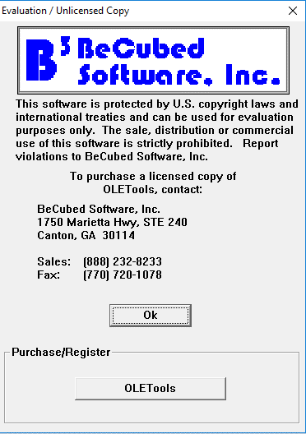
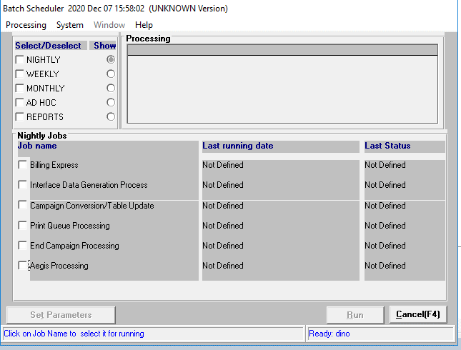

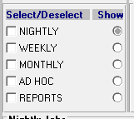
C:\Users\868379\Documents\Dino\EMMA_2008\EBTCHSTR\ebtchabt.frm
Private Sub chkGroup_Click(index As Integer, Value As Integer)

Dim i, iJobs, iStart

If Not CBool(chkGroup(index).Tag) Then 'RK vb4
chkGroup(index).Tag = True
Me.Refresh
Exit Sub
End If

Select Case index | 设置执行Job的开始和结束Index
Case 0
iStart = 0 |  | 0 |  | Global Const IGALLJOBS = 18 ' current number of jobs to run minus 1 'CDC-1387 changed 17 to 18 'ns 970214
iJobs = IGALLNIGHTJOBS - 1 |  | 7 |  | Global Const IGALLNIGHTJOBS = 8 ' current number of jobs to run
Case 1 |  |  |  | Global Const IGALLWEEKJOBS = 1 ' current number of jobs to run
iStart = IGALLNIGHTJOBS |  | 8 |  | Global Const IGALLMONTHJOBS = 4 ' current number of jobs to run
iJobs = IGALLNIGHTJOBS + IGALLWEEKJOBS - 1 |  | 8 |  | Global Const IGALLADHOCJOBS = 3 ' current number of jobs to run 'CDC-1387 changed 2 to 3
Case 2 |  |  |  | Global Const IGALLREPORTJOBS = 3 ' current number of jobs to run 'ns 970214
iStart = IGALLNIGHTJOBS + IGALLWEEKJOBS |  | 9
iJobs = IGALLNIGHTJOBS + IGALLWEEKJOBS + IGALLMONTHJOBS - 1 |  | 12
Case 3
iStart = IGALLNIGHTJOBS + IGALLWEEKJOBS + IGALLMONTHJOBS |  | 13
iJobs = IGALLNIGHTJOBS + IGALLWEEKJOBS + IGALLMONTHJOBS + IGALLADHOCJOBS - 1 |  | 15
Case 4
iStart = IGALLNIGHTJOBS + IGALLWEEKJOBS + IGALLMONTHJOBS + IGALLADHOCJOBS |  |  | 16
iJobs = IGALLNIGHTJOBS + IGALLWEEKJOBS + IGALLMONTHJOBS + IGALLADHOCJOBS + IGALLREPORTJOBS - 1 |  |  | 18
End Select

If Value = -1 And Not iGFatalErrorFlag And iFSystemAccessOK Then
chkGroup(index).FontBold = True
Me.Refresh
For i = iStart To iJobs
If Chkjobs(i).Caption = "BOOKING" Then 'CR1891
'Only enable Premium booking for THAI version
If UCase$(sGEmmaVers) = "THA" Then Chkjobs(i).Value = True
ElseIf Chkjobs(i).Caption <> "ECAMLAPS" Then
'This is necessary because ECAMLAPS is not permanently removed from the program
'EMAUS9700008 Begin
'chkjobs(i).Value = True
If sGEmmaVers = "AUS" And Chkjobs(i).Caption = "AEE2UPD" Then
Chkjobs(i).Value = False
Else
'<8888888888888888888888888888>
'TWNRDC-0025.JMB.20031125 - BEGIN
If Chkjobs(i).Enabled Or Chkjobs(i).Visible Then
Chkjobs(i).Value = True | 把对应的Job给勾上
End If
'TWNRDC-0025.JMB.20031125 - END
'<8888888888888888888888888888>
End If
'EMAUS9700008 End

End If
Next i
Else
chkGroup(index).FontBold = False
Me.Refresh
For i = iStart To iJobs
Chkjobs(i).Value = False
Next i
If iGFatalErrorFlag Or Not iFSystemAccessOK Then
chkGroup(index).Tag = False
chkGroup(index).Value = False
End If
End If

End Sub

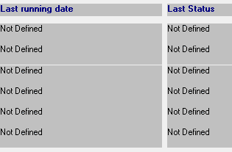
Lat running date和Last Status是从已执行的Log中取的值，默认在D盘
STANDARD\BATCHLOG.BAS
Global Const BATCH_PROCESS_LOGNAME = "D:\ebtchstr.log"
Global Const BATCH_PROCESS_ERRNAME = "D:\ebtchstr.err"
Global Const BATCH_PROCESS_LOGNAME_PL = "D:\eplbatch.log"
Global Const BATCH_PROCESS_ERRNAME_PL = "D:\eplbatch.err"
Global Const sGLogFileNameOut = "D:\EBTCHSTR.OUT"
Global Const sGLogFileNameOutPL = "D:\EPLBATCH.OUT"
'tpa
Global Const sGLogFileNameOutTPA = "D:\TPA.OUT"
Global Const TPA_PROCESS_LOGNAME = "D:\tpa.log"
Global Const TPA_PROCESS_ERRNAME = "D:\tpa.err"
'Upd By LiXia ITSR013622(EMMA2-2016 Change C Drive to D Drive) 2019/12/05 End

Global Const sGTPAApplicationName = "TPA"
Global Const sGBatchApplicationName = "EBTCHSTR"
Global Const sGBatchApplicationNamePL = "EPLBATCH"

C:\Users\868379\Documents\Dino\EMMA_2008\EBTCHSTR\ebtchabt.frm
Open BATCH_PROCESS_LOGNAME For Input Shared As #iFileNumber
lError = Err
sErrorMessage = Error$(Err)
On Error GoTo 0
If lError = 0 Then
' set last running date & respond code
'PHD200068954.Begin
'If the loop count of reading file is over 32767, the index variable will overflow.
'It seems there is no obvious usage for the index variable.
'So remove this variable increasing to avoid overflow when reading larger log file.
'index = 1
'PHD200068954.End
Do While Not EOF(iFileNumber)
On Error Resume Next
Input #iFileNumber, sGBatch_Process_JobName, sGBatch_Process_TimeStamp, sGBatch_Process_UserLogin, sGBatch_Process_DBName, iGBatch_Process_RespondCd, lGBatch_Process_SqlErr, sGBatch_Process_SqlMsg
On Error GoTo 0
For i = 0 To IGALLJOBS
If Trim$(sGBatch_Process_JobName) = Trim$(Chkjobs(i).Caption) Then
sBatchTimeStamp = fncGFormatDateSerial(sGBatch_Process_TimeStamp)
If sBatchTimeStamp <> "" Then
lblLastRunningDate(i).Caption = Mid$(sBatchTimeStamp, 1, 25)
LblLastStatus(i).Caption = fncGetReturnDescription(iGBatch_Process_RespondCd)
Else
lblLastRunningDate(i).Caption = fncGLoadStringVB("Error reading Batch Log| 4482")
LblLastStatus(i).Caption = fncGLoadStringVB("Error reading Batch Log| 4482")
End If
Else

Flow
非生产环境，先跳过以下两项，不然会运行错误 | 去掉勾
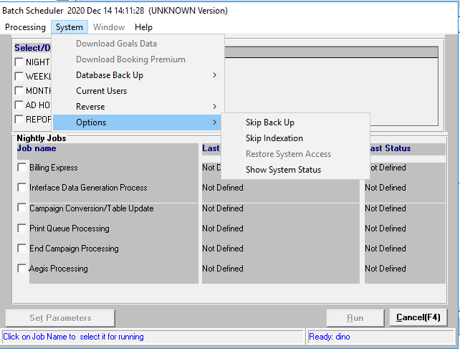
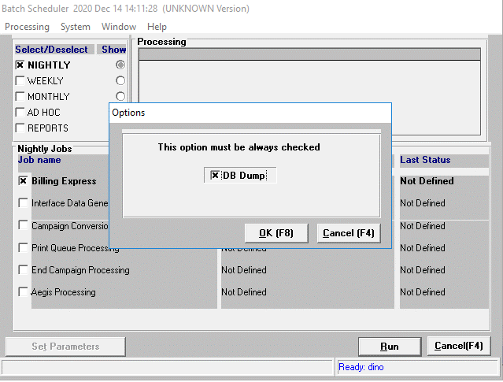

执行Billing Batch
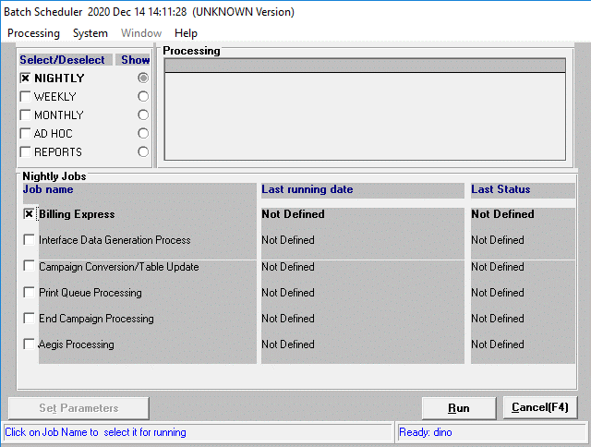

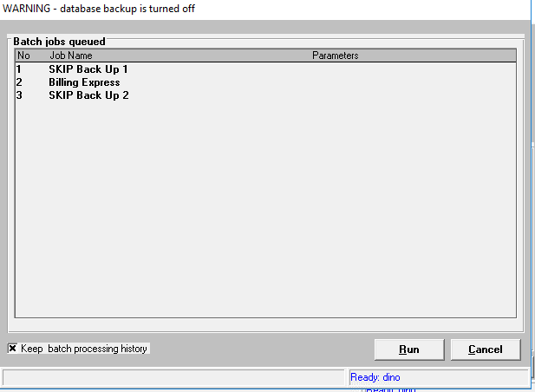

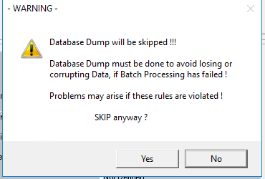

如果没有一个Org的状态是Ready，在勾选Billing Express时，会弹以下错误（需要先在Billing Parameter界面设置）
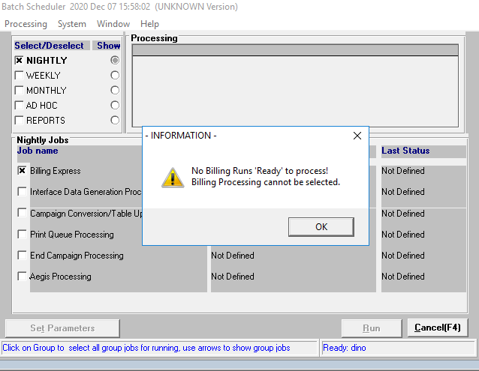

 | SELECT convert(Char(12),MAX(BILLNG_RUN_TO_DATE), 101)
 | FROM TBILLORG WHERE BILL_RUN_STATUS_CD = 'R'

执行Shell
EBILEXPS DWEAU 10.127.79.54,5000 dino Password01! BATCHSCH 1

C:\Users\868379\Documents\Dino\EMMA_2008\EBTCHSTR\EBTCHSTR.FRM
sShellString = Chkjobs(iChkTableIndex).Caption & " " & sGDatabase & " " & sGServer & " " & sGUserId & " " & sGPassword & " " & sGUserGroup & " " & SGAppLang & ""

If sShellString <> "" Then

On Error Resume Next
gStart.cb = Len(gStart)
iTempShell = CreateProcessA(0&, sShellString, 0&, 0&, 1&, _
NORMAL_PRIORITY_CLASS, 0&, 0&, gStart, gProc)
lError = Err ' error code
sErrorMessage = Error
On Error GoTo 0

ebilexps.exe
修改启动参数
Command32="cheap 248 SA 123456 BATCHSCH ENG"
改为
Command32="DWEAU 10.127.79.54,5000 dino Password01! BATCHSCH 1"

1. Create Intermediate Table
C:\Users\868379\Documents\Dino\EMMA_2008\ebilexps\ebilexps.bas
函数名
Private Function fncCreateIntermediateTable() As Boolean

IF EXISTS (SELECT NAME FROM SYSOBJECTS WHERE NAME = 'TINTRBILL') DROP TABLE TINTRBILL

获取是否要Conserve_Billing
SELECT DEFAULT_VALUE_TXT, * FROM TCOUNTRYSPECIFIC
WHERE
 | COUNTRY_CD = 'CHN'
 | AND TAG_CD = 'CONSERVE_BILLING'

如果Conserve_Billing = Y
 | IF EXISTS (SELECT NAME FROM SYSOBJECTS WHERE NAME = 'TMPTINTRBILL') DROP TABLE TMPTINTRBILL

 | 按Billing开始到结束的Day，往 TMPTINTRBILL 表中插入数据
 | INSERT TMPTINTRBILL
 | SELECT 'SH0001',1
 | WHERE NOT EXISTS (SELECT 1 FROM TMPTINTRBILL WHERE BILLING_ORG_CD = 'SH0001' AND ACTDAY = 1)

 | INSERT TMPTINTRBILL
 | SELECT 'SH0001',2
 | WHERE NOT EXISTS (SELECT 1 FROM TMPTINTRBILL WHERE BILLING_ORG_CD = 'SH0001' AND ACTDAY = 2)

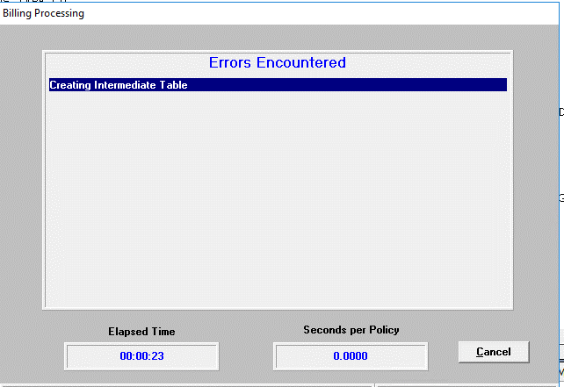
SELECT
 | A.BILLING_ORG_CD,
 | B.BILLNG_RUN_TO_DATE,
 | isnull(billing_trans_no, 0) + 1 as billing_trans_no,
 | a.POLICYCERT_NO,
 | a.NAMED_INSURED_NO,
 | a.RIDER_NO,
 | a.PRODUCT_CD,
 | p.ACCOUNT_NO,
 | CASE WHEN p.METH_OF_PAYM_CD = 'BANK' THEN p.DEBIT_ACCT_NAME
 |  | WHEN p.METH_OF_PAYM_CD = 'CRED' THEN p.CREDIT_ACCT_NAME
 |  | ELSE a.ACCOUNT_NAME END as ACCOUNT_NAME,
 | a.BILLING_AMT,
 | a.BILLING_DATE,
 | a.next_billing_date,
 | a.TRANS_TYPE_CD,
 | p.METH_OF_PAYM_CD,
 | a.CAMPAIGN_CD,
 | a.CAMP_TEST_CD,
 | a.PLAN_NO,
 | a.POLICY_HOLDER_NO,
 | p.BANK_CD,
 | a.SCHED_SECTION_CD,
 | a.TERR_CD,
 | p.BILL_INTERVAL_CD,
 | a.BENEFIT_AMT,
 | a.BASE_CAMPAIGN_CD,
 | a.BASE_PLAN_NO,
 | C.PLAN_NAME,
 | p.BSB_NO,
 | RECORD_TYPE,
 | DEBTORS_REFERENCE,
 | p.BANK_DETS_CHGD_FG,
 | A.INSTALLMENT_NO ,
 | CASE A.TRANS_TYPE_CD
 |  | WHEN 'PD' THEN 'PM'
 |  | WHEN 'RJ' THEN 'PM'
 |  | ELSE TRANS_TYPE_CD END AS TAPE_TRANS_TYPE_CD ,
 | a.Original_Bill_Date
INTO TINTRBILL
FROM TBILLORGENDT A, TBILLORG B, TPLANDETS C , tpaymentdets p, tpolicycert t
WHERE A.BILLING_ORG_CD = B.BILLING_ORG_CD
 | AND B.BILL_RUN_STATUS_CD = 'R' AND t.status_cd<>'P'
 | AND A.POLICYCERT_NO=T.POLICYCERT_NO AND A.BILLING_DATE < DATEADD(DD, 1, B.BILLNG_RUN_TO_DATE)
 | AND C.PLAN_NO = A.BASE_PLAN_NO
 | AND C.END_EFF_DATE =
 |  | (SELECT MAX(D.END_EFF_DATE) FROM TPLANDETS D WHERE D.PLAN_NO = A.BASE_PLAN_NO)
 | AND p.policycert_no = a.policycert_no
 | And p.END_EFF_DATE =
 |  | (SELECT MAX(END_EFF_DATE) FROM tpaymentdets p1
 |  | WHERE p1.policycert_no = p.policycert_no AND p1.END_EFF_DATE < DATEADD(DD, 1, B.BILLNG_RUN_TO_DATE) )

注意，会出现以下错误：
You can't run SELECT INTO in this database. Please check with the Database Owner., Error 268, Line 1
执行以下命令开启Select into功能
--Use master
SP_DBOPTION DWEAU,'SELECT INTO',TRUE

index错误
SELECT TOP 100 * FROM TBILLORGENDT

DBCC REINDEX(TBILLORGENDT)

SELECT TOP 100 * FROM TPLANDETS

DBCC REINDEX(TPLANDETS)

SELECT TOP 100 * FROM tpaymentdets

DBCC REINDEX(tpaymentdets)

SELECT TOP 100 * FROM tpolicycert

DBCC REINDEX(tpolicycert)

SELECT * FROM TINTRBILL

再按以下条件Insert一遍
INSERT INTO TINTRBILL
SELECT 。。。。。。
FROM TBILLORGENDT A, TBILLORG B, TPLANDETS C , tpaymentdets p, tpolicycert t
WHERE A.BILLING_ORG_CD = B.BILLING_ORG_CD
 | AND B.BILL_RUN_STATUS_CD = 'R' AND t.status_cd='P'
 | AND A.TRANS_TYPE_CD='PM' AND INSTALLMENT_NO=1
 | AND A.POLICYCERT_NO=T.POLICYCERT_NO AND C.PLAN_NO = A.BASE_PLAN_NO
 | AND C.END_EFF_DATE = (
 |  | SELECT MAX(D.END_EFF_DATE) FROM TPLANDETS D WHERE D.PLAN_NO = A.BASE_PLAN_NO)
 | AND p.policycert_no = a.policycert_no AND P.LATEST_VERSION_FG='Y'

再赋所有权限给所有用户
GRANT ALL ON TINTRBILL TO PUBLIC

如果需要Conserve=Y，再按以下条件执行Insert
 | INSERT INTO TINTRBILL
 | SELECT 。。。。。。
 | FROM TBILLORGENDT A, TBILLORG B, TPLANDETS C , tpaymentdets p,TMPTINTRBILL q, TPOLICYCERT T
 | WHERE A.BILLING_ORG_CD = B.BILLING_ORG_CD
 |  | AND B.BILL_RUN_STATUS_CD = 'R'
 |  | AND A.POLICYCERT_NO=T.POLICYCERT_NO
 |  | AND T.STATUS_CD<>'P'
 |  | AND (a.Original_Bill_Date is null OR ltrim(a.Original_Bill_Date) = '')
 |  | AND A.BILLING_DATE < DATEADD(DD, 1, B.BILLNG_RUN_TO_DATE)
 |  | AND C.PLAN_NO = A.BASE_PLAN_NO
 |  | AND C.END_EFF_DATE = (
 |  |  | SELECT MAX(D.END_EFF_DATE) FROM TPLANDETS D WHERE D.PLAN_NO = A.BASE_PLAN_NO)
 |  | AND p.policycert_no = a.policycert_no AND A.TRANS_TYPE_CD = 'RJ'
 |  | AND p.END_EFF_DATE = (
 |  |  | SELECT MAX(END_EFF_DATE) FROM tpaymentdets p1 WHERE p1.policycert_no = p.policycert_no AND p1.END_EFF_DATE < DATEADD(DD, 1, B.BILLNG_RUN_TO_DATE) )
 |  | AND B.BILLING_ORG_CD = q.BILLING_ORG_CD
 |  | AND DATEPART(DAY,A.BILLING_DATE) = q.ACTDAY

再创建Index
CREATE INDEX XTINTRBILL ON TINTRBILL (POLICYCERT_NO)

Private Function fncRegenStoredProc() As Boolean

2.创建E2Billing SP
函数名
Private Function fncRegenStoredProc() As Boolean

IF EXISTS (SELECT NAME FROM SYSOBJECTS WHERE NAME = 'E2BILLING')
DROP PROCEDURE E2BILLING

CREATE PROCEDURE E2BILLING;1
 | @USERID_CD CHAR(8)
as begin
 | INSERT INTO TBILLTRXN
 |  | ( BILLING_ORG_CD, BILLING_TRANS_NO, POLICYCERT_NO ,NAMED_INSURED_NO, RIDER_NO,
 |  | PRODUCT_CD, ACCOUNT_NO ,ACCOUNT_NAME, BILLING_AMT, BILLED_ON_DATE, TRANS_TYPE_CD ,
 |  | METH_OF_PAYM_CD, CAMPAIGN_CD,CAMP_TEST_CD, PLAN_NO ,POLICY_HOLDER_NO, BANK_CD,
 |  | DEBIT_CREDIT_CD, RE_PRESENT_FG ,SCHED_SECTION_CD, TERR_CD, BANK_DETS_CHGD_FG, BILL_INTERVAL_CD ,
 |  | BENEFIT_AMT, SOURCE_SYSTEM_ID, TIMESTAMP, USERID_CD, REJECT_FG, BSB_NO )
 | SELECT BILLING_ORG_CD, BILLING_TRANS_NO, POLICYCERT_NO , NAMED_INSURED_NO, RIDER_NO,
 |  | PRODUCT_CD, ACCOUNT_NO , ACCOUNT_NAME, BILLING_AMT, BILLING_DATE ,
 |  | CASE TRANS_TYPE_CD WHEN 'PD' THEN 'PM' WHEN 'RJ' THEN 'PM' ELSE TRANS_TYPE_CD END ,
 |  | METH_OF_PAYM_CD, CAMPAIGN_CD,CAMP_TEST_CD,PLAN_NO , POLICY_HOLDER_NO, BANK_CD ,
 |  | CASE TRANS_TYPE_CD WHEN 'RP' THEN 'C' ELSE 'D' END , CASE TRANS_TYPE_CD WHEN 'RJ' THEN 'Y' ELSE '' END ,
 |  | SCHED_SECTION_CD, TERR_CD, BANK_DETS_CHGD_FG, BILL_INTERVAL_CD, BENEFIT_AMT,'E2', GetDate(), @USERID_CD
 |  | , 'N' , BSB_NO ,Original_Bill_Date
 | FROM TINTRBILL

 | SELECT 'Billing Transactions Created: ' , @@ROWCOUNT AS BILL_TRAN_CNT
End

CREATE PROCEDURE E2BILLING;2
AS BEGIN
 | UPDATE TPOLICYCERT
 | SET NXT_BILLING_DATE =
 |  | (SELECT MAX(NEXT_BILLING_DATE)
 |  | FROM TINTRBILL B
 |  | WHERE B.POLICYCERT_NO = TPOLICYCERT.POLICYCERT_NO)
 | WHERE EXISTS
 |  | (SELECT DISTINCT C.POLICYCERT_NO FROM TINTRBILL C
 |  | WHERE C.POLICYCERT_NO = TPOLICYCERT.POLICYCERT_NO
 |  |  | AND C.TRANS_TYPE_CD IN ('PM','PD'))

 | select 'No of Policies Updated: ', @@ROWCOUNT AS POL_CNT
End

CREATE PROCEDURE E2BILLING;3
AS BEGIN

DECLARE @CNT1 INT,@CNT2 INT,@CNT3 INT

 | UPDATE TBILLORGENDT
 | SET BILLING_DATE = DATEADD(YY,1,BILLING_DATE),
 |  | NEXT_BILLING_DATE = DateAdd(YY, 1, NEXT_BILLING_DATE)
 | FROM TPOLICYCERT P, tbillorg g ,TBILLORGENDT
 | WHERE TRANS_TYPE_CD = 'PM'
 |  | AND TBILLORGENDT.POLICYCERT_NO=P.POLICYCERT_NO
 |  | and g.BILLING_ORG_CD = TBILLORGENDT.BILLING_ORG_CD
 |  | and g.BILL_RUN_STATUS_CD='R'
 |  | AND ( (P.STATUS_CD='P' AND INSTALLMENT_NO=1) OR (BILLING_DATE < DATEADD(DD, 1, G.BILLNG_RUN_TO_DATE) AND P.STATUS_CD<>'P') )

 | SELECT @CNT1 = @@ROWCOUNT

 | DELETE TBILLORGENDT
 | FROM TBILLORGENDT A,tpolicycert t
 | WHERE A.POLICYCERT_NO=T.POLICYCERT_NO
 |  | AND T.STATUS_CD<>'P'
 |  | AND BILLING_DATE < (
 |  |  | SELECT DATEADD(DD, 1, b.BILLNG_RUN_TO_DATE) FROM TBILLORG B
 |  |  | Where b.BILLING_ORG_CD = A.BILLING_ORG_CD
 |  |  |  | AND b.BILL_RUN_STATUS_CD = 'R'
 |  |  |  | AND A.TRANS_TYPE_CD <> 'RJ')

 | SELECT @CNT2 = @@ROWCOUNT

 | DELETE TBILLORGENDT
 | FROM TBILLORGENDT A, TBILLORG B, TPLANDETS C , tpaymentdets p,TMPTINTRBILL q,tpolicycert t
 | WHERE A.BILLING_ORG_CD = B.BILLING_ORG_CD
 |  | AND B.BILL_RUN_STATUS_CD = 'R'
 |  | AND A.POLICYCERT_NO=T.POLICYCERT_NO
 |  | AND T.STATUS_CD<>'P'
 |  | AND A.BILLING_DATE < DATEADD(DD, 1, B.BILLNG_RUN_TO_DATE)
 |  | AND C.PLAN_NO = A.BASE_PLAN_NO
 |  | AND C.END_EFF_DATE = (SELECT MAX(D.END_EFF_DATE) FROM TPLANDETS D WHERE D.PLAN_NO = A.BASE_PLAN_NO)
 |  | AND p.policycert_no = a.policycert_no AND A.TRANS_TYPE_CD = 'RJ'
 |  | AND (A.Original_Bill_Date is null or ltrim(A.Original_Bill_Date) = '')
 |  | and p.END_EFF_DATE = (SELECT MAX(END_EFF_DATE) FROM tpaymentdets p1 where p1.policycert_no = p.policycert_no)
 |  | AND B.BILLING_ORG_CD = q.BILLING_ORG_CD AND DATEPART(DAY,A.BILLING_DATE) = q.ACTDAY

 | SELECT @CNT3 = @CNT2 + @@ROWCOUNT

 | SELECT
 |  | 'Rows Updated in TBILLORGENDT: ',
 |  | @CNT1 AS BILLORG_UPD_CNT,
 |  | 'Rows Deleted from TBILLORGENDT: ',
 |  | @CNT3 AS BILLORG_DEL_CNT
End

CREATE PROCEDURE E2BILLING;4
 | @COUNTRYCD CHAR(3)
AS begin
BEGIN TRAN
 | DELETE FROM TMPGST
COMMIT TRAN

DECLARE @BILLORG CHAR(6), @TERRCD CHAR(5), @PRODCD CHAR(6)
DECLARE @BILLDATE char(10)
DECLARE @CHARGEPCT FLOAT
DECLARE csr1 cursor FOR

 | select DISTINCT BILLING_ORG_CD, CONVERT(CHAR(10), BILLNG_RUN_TO_DATE, 101) , TERR_CD, PRODUCT_CD
 | from TINTRBILL B

 | OPEN csr1
 |  | FETCH csr1 into @BILLORG, @BILLDATE, @TERRCD, @PRODCD
 |  | while (@@sqlstatus = 0)
 |  |  | begin
 |  |  |  | EXEC E2_GET_GST @COUNTRYCD, @PRODCD, @TERRCD, @BILLDATE, @chargepct OUTPUT
 |  |  |  | INSERT INTO TMPGST VALUES (@BILLORG, @PRODCD, @TERRCD, @CHARGEPCT)

 |  |  |  | fetch csr1 into @BILLORG, @BILLDATE, @TERRCD, @PRODCD
 |  |  | End
 | Close csr1

 | deallocate cursor csr1
 | INSERT INTO TTAPE
 |  | (BILLING_ORG_CD, BILLING_TRANS_NO, POLICYCERT_NO,
 |  | ACCOUNT_NAME, ACCOUNT_NO, BANK_CD, BSB_NO, BILLED_ON_DATE, PREMIUM_AMT,
 |  | GST_CHARGE_AMT,PLAN_NO, PLAN_NAME, CAMPAIGN_CD, THIS_PERIOD_NO, DEBTORS_REFERENCE, BILL_INTERV
 |  | AL_CD, METH_OF_PAYM_CD, RECORD_TYPE, TRANS_TYPE_CD, BANK_DETS_CHGD_FG)
 | SELECT B.BILLING_ORG_CD, B.BILLING_TRANS_NO , B.POLICYCERT_NO, B.ACCOUNT_NAME, B.ACCOUNT_NO, B.BANK_CD, B.BSB_NO,
 |  | B.BILLING_DATE, (SUM(B.BILLING_AMT) - (ROUND(SUM(B.BILLING_AMT) * MIN(A.CHARGE_PCT) /100, 2))),
 |  | ROUND(SUM(B.BILLING_AMT) * MIN(A.CHARGE_PCT) /100, 2),
 |  | B.BASE_PLAN_NO, B.PLAN_NAME, B.BASE_CAMPAIGN_CD, ISNULL(MAX(B.INSTALLMENT_NO),0),
 |  | B.DEBTORS_REFERENCE , B.BILL_INTERVAL_CD, B.METH_OF_PAYM_CD, MIN(B.RECORD_TYPE),
 |  | B.TAPE_TRANS_TYPE_CD, B.BANK_DETS_CHGD_FG
 | FROM TMPGST A, TINTRBILL B
 | Where B.BILLING_ORG_CD = A.BILLING_ORG_CD AND B.PRODUCT_CD = A.PRODUCT_CD AND B.TERR_CD = A.TERR_CD
 | GROUP BY B.BILLING_ORG_CD, B.BILLING_TRANS_NO, B.POLICYCERT_NO, b.ACCOUNT_NAME, B.ACCOUNT_NO, B.BANK_CD,
 |  | B.BSB_NO, B.BILLING_DATE, B.BASE_PLAN_NO, B.PLAN_NAME,B.BASE_CAMPAIGN_CD, B.DEBTORS_REFERENCE,
 |  | B.BILL_INTERVAL_CD, B.METH_OF_PAYM_CD, B.TAPE_TRANS_TYPE_CD, B.BANK_DETS_CHGD_FG
 | Having Sum(B.BILLING_AMT) <> 0

 | SELECT 'Tape Transactions Created: ', @@ROWCOUNT AS TAPE_TRAN_CNT
End

CREATE PROCEDURE E2BILLING;5
AS BEGIN
 | UPDATE TPAYMENTDETS
 | SET BANK_DETS_CHGD_FG = 'N'
 | WHERE EXISTS (
 |  | SELECT DISTINCT C.POLICYCERT_NO
 |  | FROM TINTRBILL C
 |  | WHERE C.POLICYCERT_NO = TPAYMENTDETS.POLICYCERT_NO)

 | SELECT 'Payment transactions updated: ', @@ROWCOUNT AS PAYMENTDETS_CNT
End

CREATE PROCEDURE E2BILLING;6
AS BEGIN
 | DELETE TBILLORGENDT
 | FROM TBILLORGENDT A,tpolicycert t
 | WHERE A.POLICYCERT_NO = T.POLICYCERT_NO
 |  | AND T.STATUS_CD = 'P'
 |  | AND A.BILLING_DATE <
 |  |  | (SELECT DATEADD(DD, 1, b.BILLNG_RUN_TO_DATE) FROM TBILLORG B
 |  |  | Where b.BILLING_ORG_CD = A.BILLING_ORG_CD AND b.BILL_RUN_STATUS_CD = 'R' AND A.TRANS_TYPE_CD = 'RJ')
 |  | AND (A.Original_Bill_Date is not null and ltrim(A.Original_Bill_Date) != '')

 | SELECT 'Rows Deleted from TBILLORGENDT: ', @@ROWCOUNT AS BILLORGENDT_DEL_CNT
End

给所有人授于执行E2Billing的权限
GRANT EXECUTE ON E2BILLING TO PUBLIC

3.执行E2BILLING SP
对应函数
Sub subGProcessBillingTransactions()

分别调用ebillsvr.exe执行6个SP
ebillsvr.exe 10.127.79.54,5000~DWEAU~dino~Password01!~Step1~exec E2BILLING;1 dino
ebillsvr.exe 10.127.79.54,5000~DWEAU~dino~Password01!~Step2~exec E2BILLING;2
ebillsvr.exe 10.127.79.54,5000~DWEAU~dino~Password01!~Step3~exec E2BILLING;3
ebillsvr.exe 10.12779.54,5000~DWEAU~dino~Password01!~Step4~exec E2BILLING;4 <Co
ebillsvr.exe 10.127.79.54,5000~DWEAU~dino~Password01!~Step5~exec E2BILLING;5
ebillsvr.exe 10.127.79.54,5000~DWEAU~dino~Password01!~Step6~exec E2BILLING;6

4.初期化TBILLINGSUMMARY
对应函数
Sub subUpdateBillingRecords()

UPDATE TBILLINGSUMMARY
SET TAPE_NET_AMT = 0,
 | TAPE_TRANS_CNT = 0,
 | BANK_CD = '',
 | FEES_ON_TAPE_AMT = 0,
 | TAXES_TOTAL_AMT = 0,
 | TOTAL_BILL_AMT = 0,
 | BILLING_STATUS_CD = 'E',
 | UPLOAD_STATUS_CD = 'N',
 | ELECT_MEDIA_CD = '',
 | REJECT_CNT = 0,
 | REJECT_AMT = 0,
 | REJECT_AFTER_CLOSE_CNT = 0,
 | REJECT_AFTER_CLOSE_AMT = 0
WHERE BILLING_ORG_CD = 'SH0001' AND BILLING_TRANS_NO = 1

5.按Org写Log

