odbc
DWEAU | [DWEAU]
10.127.79.54,5000 | master=NLWNSCK,10.127.79.54,5000
DWEAU | query=NLWNSCK,10.127.79.54,5000

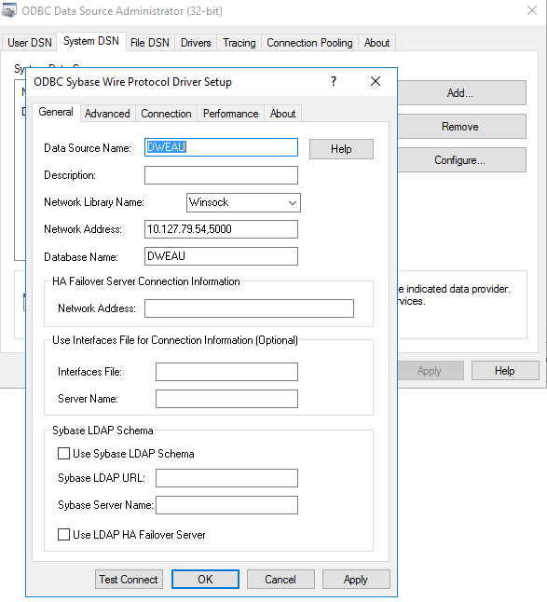

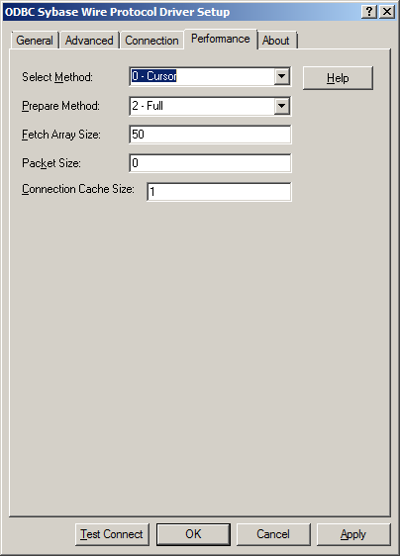

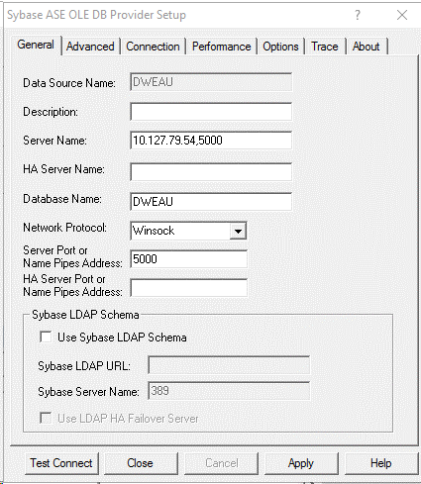

1）32位：%windir%\syswow64\odbcad32.exe
2）64位：%windir%\system32\odbcad32.exe

Error1
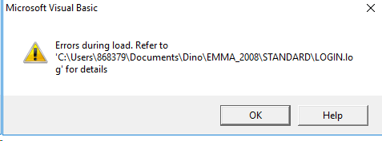

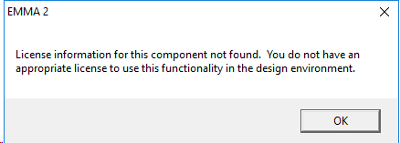

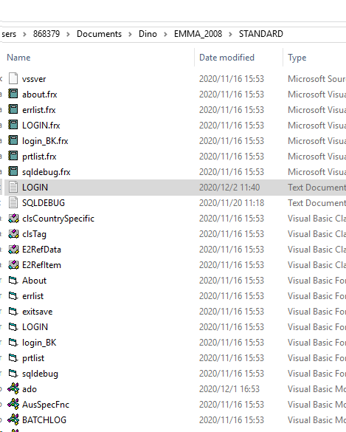

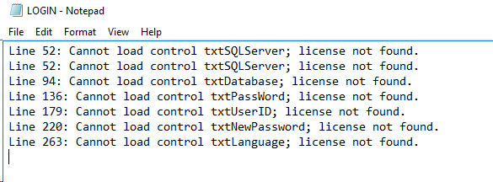

Error2
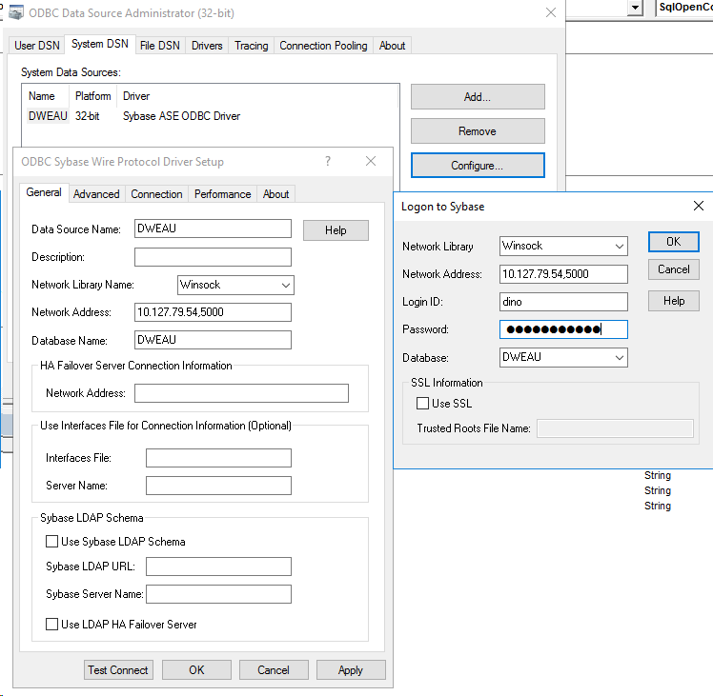

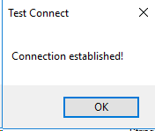

Login Error
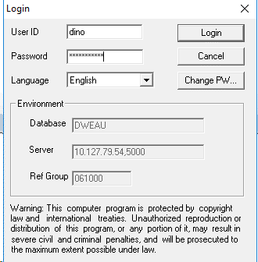

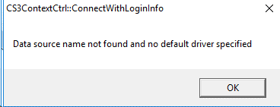

跳过Login，代码写死
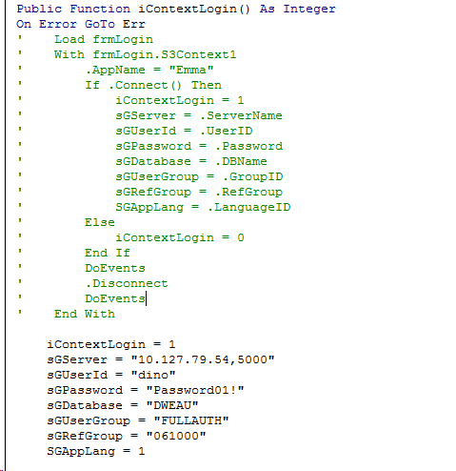

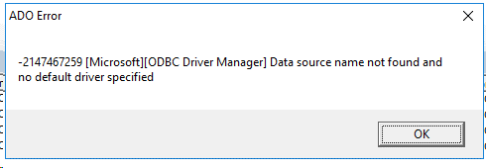

原因及解决办法：
1. s3.ini配置有误
解决：
[Common]
 | RefGroupCd=061000
 | OfficeId=061001

 | ProspectServer=PHSYBUX11
 | ProspectDB=CHPRINT3
 | Emmaserver=10.127.79.54,5000
 | EmmaDB=DWEAU

 | SCONSOLEServer=<Name of Server running the Orion database>
 | SCONSOLEDB=<Name of Orion database>

 | OdbcDriver=sybase ase odbc driver | 加上此行

2. EMMA库，有两张表，需要加上user信息（注意：dgoald等其它库也有一样的表，要指定DWEAU）
解决：
INSERT INTO tuserid
SELECT ref_group_cd, 'dino', user_group, userid_typ_cd, 'Dino Ding', user_name_ext, user_company_cd, user_branch_cd, issuing_co_cd,
pol_iss_off_cd, pol_iss_off_sub_cd, over_auth_flag, country_cd, prod_source_cd, manager_cd, dept_cd, manager_type_cd, language_id,
user_override_amt, user_sub_branch, user_initial, 'Password01!', user_supvr_cd, user_country_cd, job_title_cd, address_id, phone_id,
dept_name, source_system_id, timestamp, PRODUCER_CD, EMPLOYEE_NO, EMPLOYEE_NAME, '2022/1/1', USER_SUSPEND_FG, CREATOR_USERID_CD,
MANAGED_BY, EXTERNAL_USER_FG, UPDATE_AUTH_CD, review_auth_cd, last_used_dt, EXTRN_USR_OFF_CD, unmasked_fg
FROM tuserid WHERE userid_cd = 'SZWSPE07'

SELECT * FROM tuserid WHERE userid_cd = 'dino'

INSERT INTO dbo.TSECURTY
SELECT '061000', 'dino', USER_GROUP_CD, CREATOR_USERID_CD, SOURCE_SYSTEM_ID, TIMESTAMP
FROM | TSECURTY WHERE userid_cd = 'U8918913'

SELECT * FROM TSECURTY WHERE userid_cd = 'dino'

