Ticket
(ADD / EDIT) TICKET
 |  |  |  |  |  |  | Button untuk upload Image
Building Name | : |  |  | V | 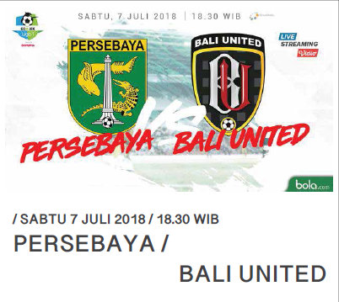 Image |  | Button remove image, muncul jika image sudah ada
 |  |  |  |  |  |  | Radio Button
Event Name | : |  |  |  |  |  | Datetimepicker
 |  |  |  |  |  | Limit tiket disii jika ada batasan untuk pemesanan. Dan limit tiket bisa dipilih per pemesanan atau per akun.
Schedule | : |  |  | V |  | Misal maksimum order = 10
 |  |  |  |  |  |  | Jika limit pemesanan per order maka setiap pemesanan tiket hanya bisa 10. Kalo user ingin melakukan lbh dari 10 tiket maka harus dibagi menjadi beberapa order.
Price | :
 |  |  |  |  |  |  | Jika limit pemesanan per akun maka setiap user/ akun hanya bisa melakukan pemesanan tiket 10 untuk setiap event.
Quantity | :
 |  |  |  |  |  | Due Date Order : Waktu terakhir pembelian ticket
Limit Ticket | : |  |  |  |  | Reedem Date : Waktu penukaaran tiket elektronik dengan ticket tercetak

Limit Ticket To | : | Order | Account |  | Upload Image

Due Date Order | : |  |  | V | Remove Image

Reedem Date | : |  |  | V

Submit

 |  |  |  |  |  |  |  | Table building dan Picture disesuaikan dengan table existing

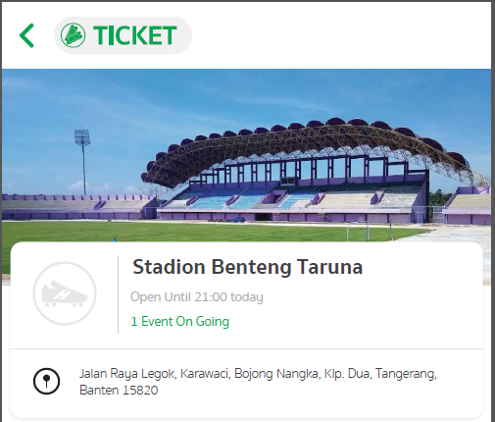
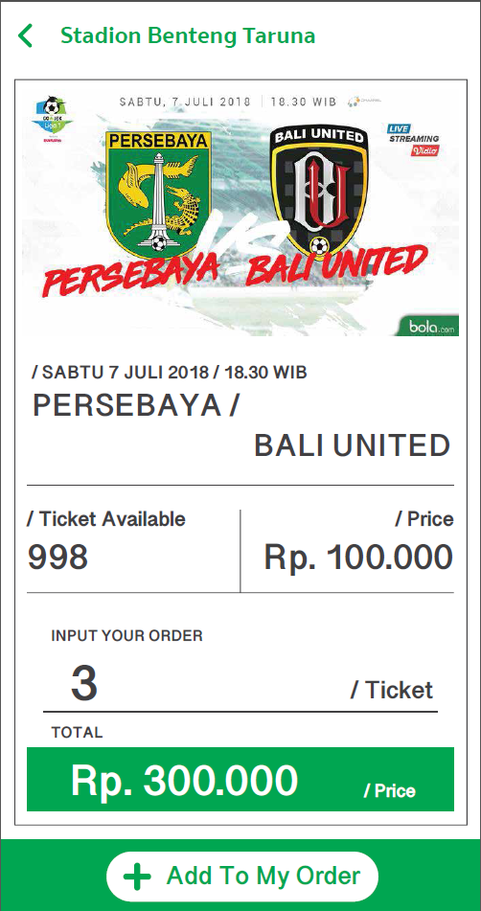
/ Redeem Date
Senin, 02 Juli 2018
Mockup APK
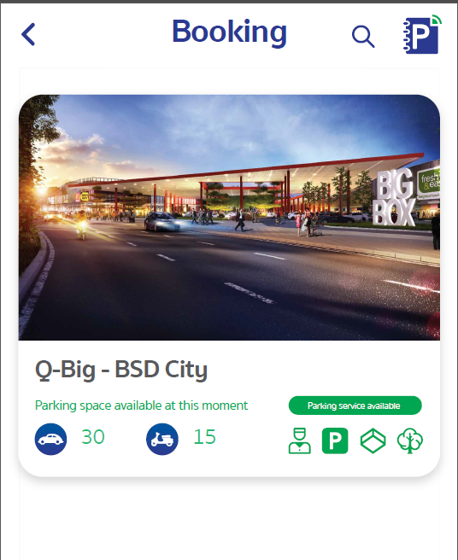
Book Ticket

Book Ticket
Pilih Pertandingan

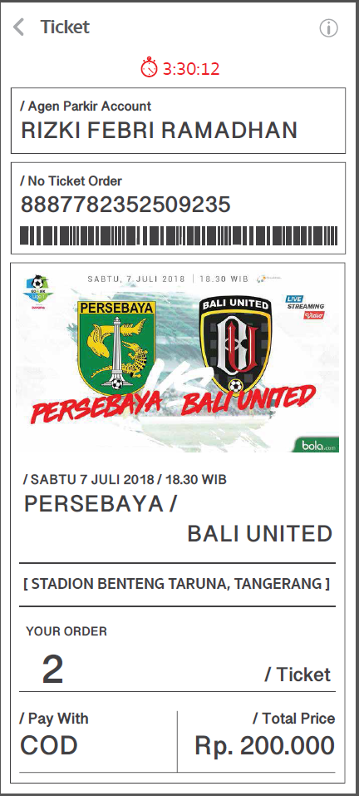
/ Redeem Date
Senin, 02 Juli 2018

3:30:12 adalah countdown untuk pembayaran jika belum dilakukan pembayaran

