Config DB POS KDS
CONFIG DB POS UNTUK KDS
No. | Feature | Changes | Screen Capture | Status
1 | Sales Type | Ubah type def TDEF : 804400
 | Dine In, Ultah DI, Fieldtrip DI menggunakan Tray | √ option bit 1,10,14
2 | System RVC Option Bit | √ option bit 4,7,10,11,14,16,20,21,22,23,24,25,26,31,33,34,36,39,42,43,44,50,52,53,54,55,56,57,61,66,67,68,71,72,74,77,85,88,89,91,94,97,100,110,111,120,151,154,155,182,185,213 | 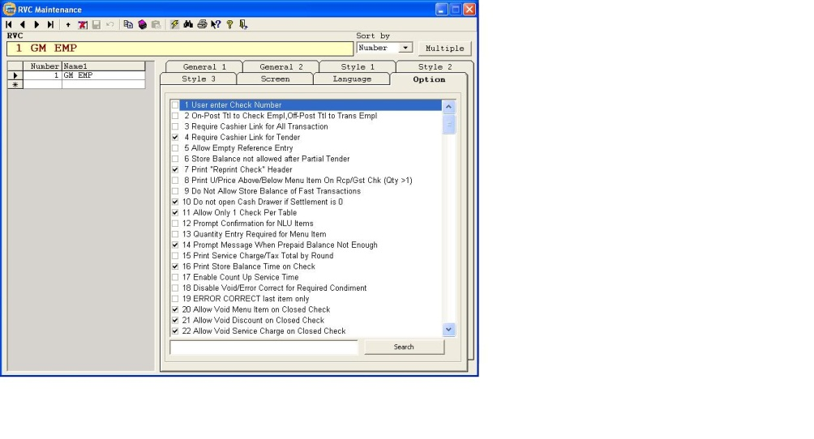
3 | System Option Bit | √ option bit 1,3,4,5,12,53,197,211
4 | PC Table Type Def | √ option bit 1,6,15 | 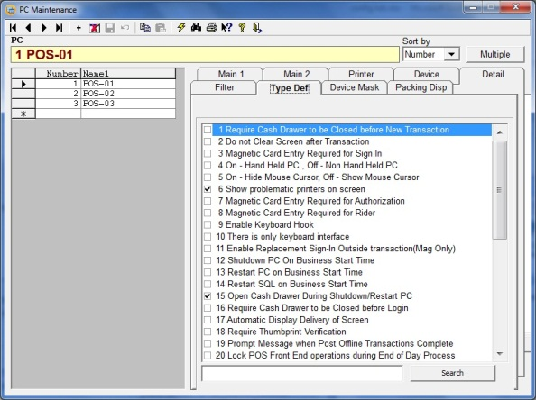
5 | PC Table Device Mask | POS-01 : √ option bit 11,31,41,42
 |  | POS-02 : √ option bit 12,31,41,42
 |  | POS-03 : √ option bit 13,32,41,42 *Disesuaikan
 |  |  | 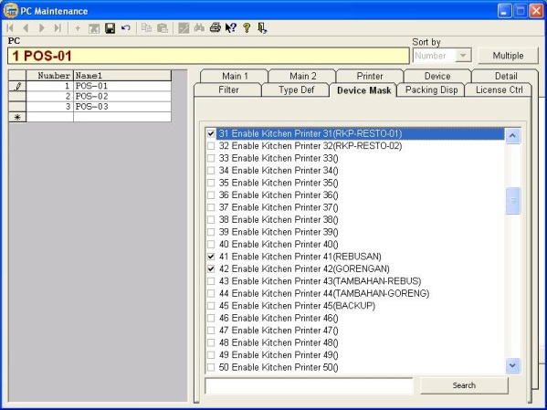
6 | TS Config - 2 TBL_LAYOUT_GSM-S01 (Take Out Button) | Type : 18 Macro, Obj Num : 161 Take Out, Next Screen : 2 TBL_Layout_takeout | 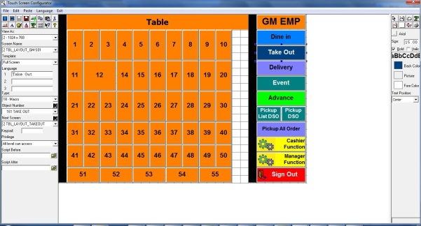
 | Macro - 161 Take Out | 1. 91 Function - Keyboard : 12 Clear 2. 92 Function - Touchscreen : 9 TS Next Screen 3. 19 Sales Type Object Number : 2 Take Out 4. 20 Trans Type Object Number : 2 Take Out | 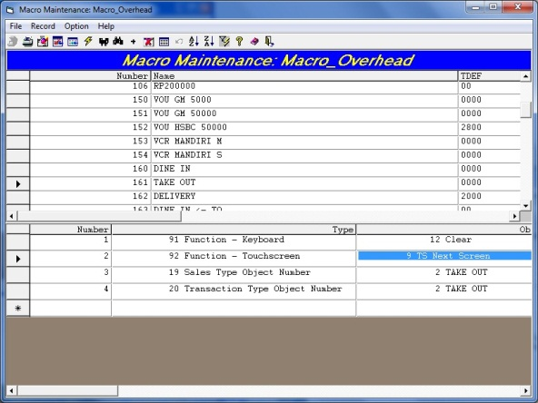
7 | TS Config - 1 MENU MAIN MAKANAN-REG | Type : 9 Menu Item SLU Group Obj Num : 81 INFO Next Screen : 1 MENU MAIN MAKANAN-REG | 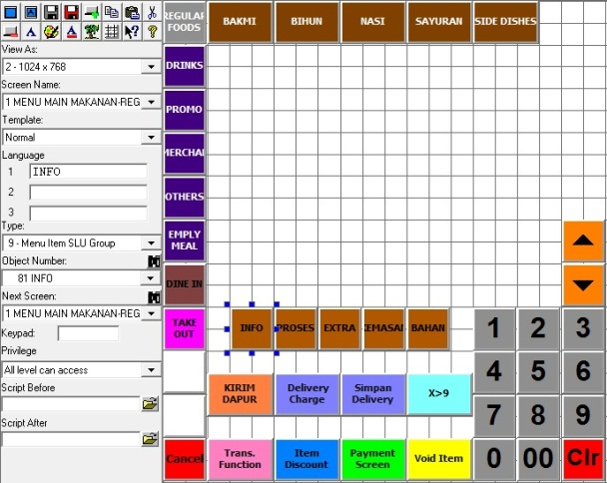
8 | Kitchen Printer | Name : 41 Rebusan TDEF : 000868600000 Printer : 33 KDS Backup Printer : 45 Backup Name : 42 Gorengan TDEF : 000868600000 Printer : 33 KDS Backup Printer : 45 Backup Name : 45 Backup TDEF : 058400600000 Printer : 11 RKP FOOD 01 Backup Printer : 12 RKP FOOD 02 | 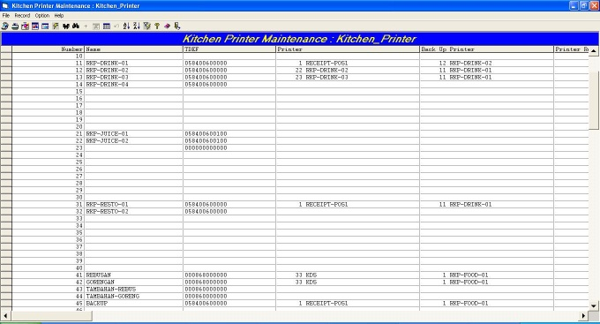
9 | Menu Item | 1. Detail 1 (Name 2) 2. Detail 3 (KDS Colour & Tray) 3. Type Def (Option Bit 58 ON) 4. Tax & Printer (Rebusan & Gorengan ON) | Configuration : See Attachment
10 | Remove Button POS | 1. Remove Move Table 2. Remove Overring Check | 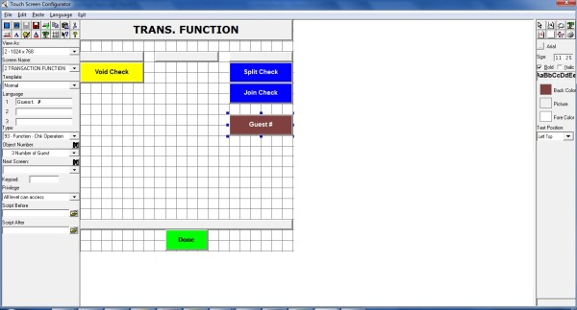 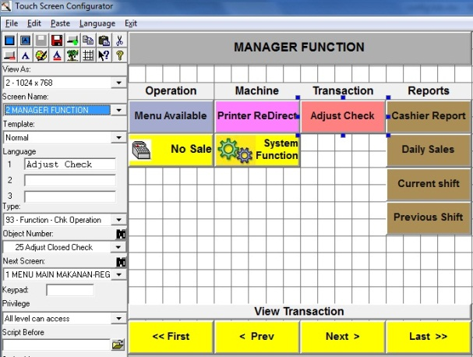
11 | Add Button Tambah | 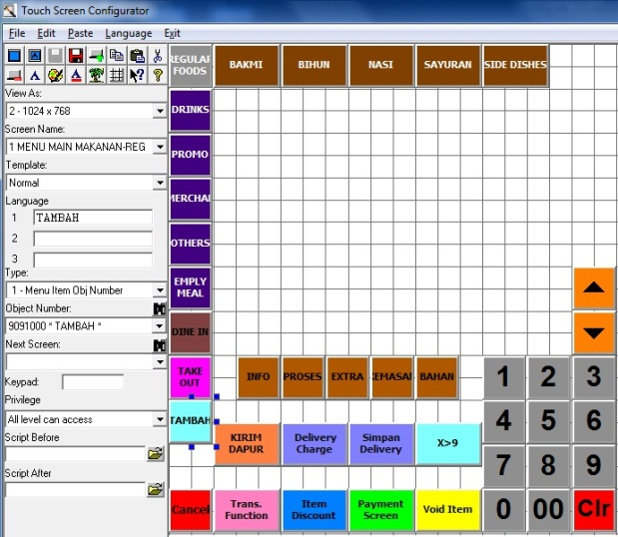 Type : 1. Menu Item Obj Number Obj Num : 9091001 * TAMBAH * Tambahkan pada : 1. MENU MAIN EMPL MEAL . . (sampai dengan) . 1 MENU MAIN PROMO ULTAH

