AnnualSciProd
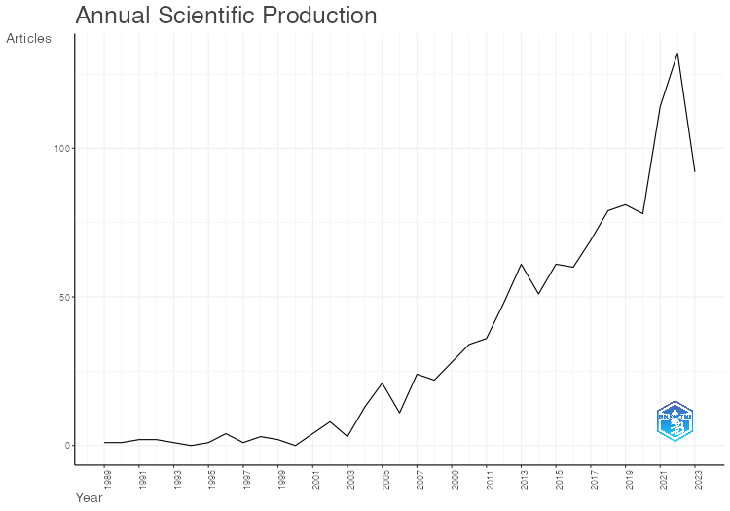
Year | Articles
1989 | 1
1990 | 1
1991 | 2
1992 | 2
1993 | 1
1994 | 0
1995 | 1
1996 | 4
1997 | 1
1998 | 3
1999 | 2
2000 | 0
2001 | 4
2002 | 8
2003 | 3
2004 | 13
2005 | 21
2006 | 11
2007 | 24
2008 | 22
2009 | 28
2010 | 34
2011 | 36
2012 | 48
2013 | 61
2014 | 51
2015 | 61
2016 | 60
2017 | 69
2018 | 79
2019 | 81
2020 | 78
2021 | 114
2022 | 132
2023 | 92

AnnualCitPerYear
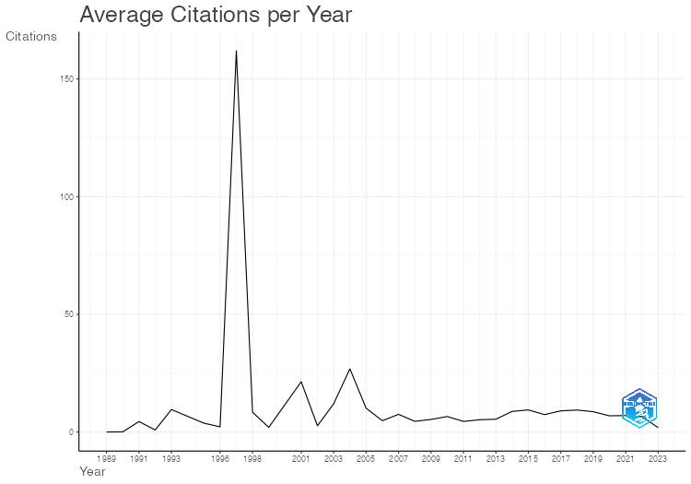
Year | MeanTCperArt | N | MeanTCperYear | CitableYears
1989 | 0 | 1 | 0 | 35
1990 | 2 | 1 | 0.06 | 34
1991 | 147 | 2 | 4.45 | 33
1992 | 27.5 | 2 | 0.86 | 32
1993 | 296 | 1 | 9.55 | 31
1995 | 109 | 1 | 3.76 | 29
1996 | 62 | 4 | 2.21 | 28
1997 | 4373 | 1 | 161.96 | 27
1998 | 218 | 3 | 8.38 | 26
1999 | 50 | 2 | 2 | 25
2001 | 491 | 4 | 21.35 | 23
2002 | 58 | 8 | 2.64 | 22
2003 | 252 | 3 | 12 | 21
2004 | 536.85 | 13 | 26.84 | 20
2005 | 192.14 | 21 | 10.11 | 19
2006 | 86.45 | 11 | 4.8 | 18
2007 | 127.62 | 24 | 7.51 | 17
2008 | 72.68 | 22 | 4.54 | 16
2009 | 79.89 | 28 | 5.33 | 15
2010 | 92.24 | 34 | 6.59 | 14
2011 | 58.56 | 36 | 4.5 | 13
2012 | 62.48 | 48 | 5.21 | 12
2013 | 59.87 | 61 | 5.44 | 11
2014 | 87.59 | 51 | 8.76 | 10
2015 | 84.48 | 61 | 9.39 | 9
2016 | 59.1 | 60 | 7.39 | 8
2017 | 62.93 | 69 | 8.99 | 7
2018 | 56.04 | 79 | 9.34 | 6
2019 | 43.16 | 81 | 8.63 | 5
2020 | 27.54 | 78 | 6.88 | 4
2021 | 20.99 | 114 | 7 | 3
2022 | 13.14 | 132 | 6.57 | 2
2023 | 1.85 | 92 | 1.85 | 1

ThreeFieldsPlot
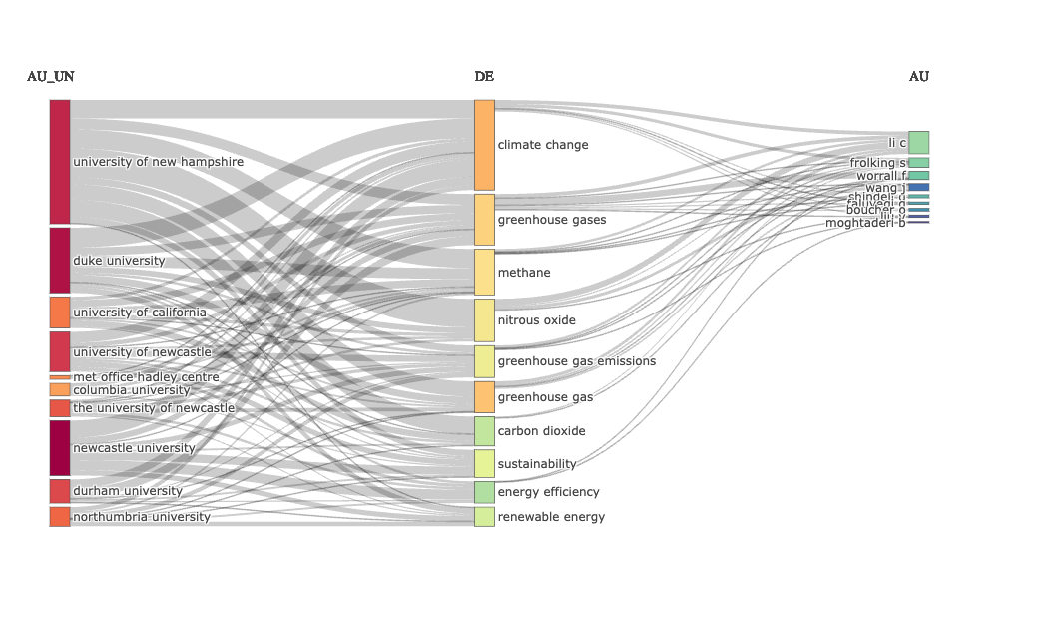

MostRelSources
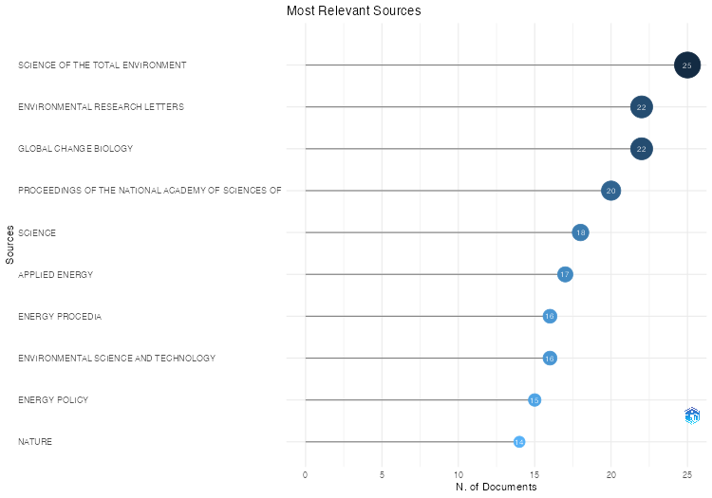
Sources | Articles
SCIENCE OF THE TOTAL ENVIRONMENT | 25
ENVIRONMENTAL RESEARCH LETTERS | 22
GLOBAL CHANGE BIOLOGY | 22
PROCEEDINGS OF THE NATIONAL ACADEMY OF SCIENCES OF THE UNITED STATES OF AMERICA | 20
SCIENCE | 18
APPLIED ENERGY | 17
ENERGY PROCEDIA | 16
ENVIRONMENTAL SCIENCE AND TECHNOLOGY | 16
ENERGY POLICY | 15
NATURE | 14
BIOGEOCHEMISTRY | 13
JOURNAL OF CLEANER PRODUCTION | 13
JOURNAL OF ENVIRONMENTAL MANAGEMENT | 12
AGRICULTURE, ECOSYSTEMS AND ENVIRONMENT | 11
RENEWABLE AND SUSTAINABLE ENERGY REVIEWS | 11
ATMOSPHERIC CHEMISTRY AND PHYSICS | 10
ENERGY | 10
ENERGY CONVERSION AND MANAGEMENT | 10
GEOPHYSICAL RESEARCH LETTERS | 10
SUSTAINABILITY (SWITZERLAND) | 10
CLIMATIC CHANGE | 9
ECOLOGICAL APPLICATIONS | 9
BIOGEOSCIENCES | 8
BULLETIN OF THE AMERICAN METEOROLOGICAL SOCIETY | 8
ENERGIES | 8
JOURNAL OF CLIMATE | 8
PLOS ONE | 8
FOREST ECOLOGY AND MANAGEMENT | 7
GCB BIOENERGY | 7
GLOBAL BIOGEOCHEMICAL CYCLES | 7
ADVANCES IN AGRONOMY | 6
ENERGY AND FUELS | 6
JOURNAL OF GEOPHYSICAL RESEARCH: BIOGEOSCIENCES | 6
LAND USE POLICY | 6
NATURE COMMUNICATIONS | 6
AMBIO | 5
APPLIED THERMAL ENGINEERING | 5
HYDROLOGICAL PROCESSES | 5
NATURE GEOSCIENCE | 5
RETHINKING URBAN TRANSITIONS: POLITICS IN THE LOW CARBON CITY | 5
SCIENTIFIC DATA | 5
ATMOSPHERIC ENVIRONMENT | 4
BIORESOURCE TECHNOLOGY | 4
EARTH AND PLANETARY SCIENCE LETTERS | 4
EARTH'S FUTURE | 4
ECOSPHERE | 4
ENERGY AND BUILDINGS | 4
ENVIRONMENTAL MANAGEMENT | 4
ENVIRONMENTAL SCIENCE AND POLLUTION RESEARCH | 4
FUEL | 4
JOURNAL OF ENVIRONMENTAL QUALITY | 4
LIMNOLOGY AND OCEANOGRAPHY | 4
MITIGATION AND ADAPTATION STRATEGIES FOR GLOBAL CHANGE | 4
SCIENTIFIC REPORTS | 4
SOIL BIOLOGY AND BIOCHEMISTRY | 4
SUSTAINABLE CITIES AND SOCIETY | 4
ACS SYMPOSIUM SERIES | 3
ANNUAL REVIEW OF ENVIRONMENT AND RESOURCES | 3
ARCHITECTURAL SCIENCE REVIEW | 3
BIOMASS AND BIOENERGY | 3
CARBON BALANCE AND MANAGEMENT | 3
CARBON MANAGEMENT | 3
CHEMICAL ENGINEERING JOURNAL | 3
CITIES | 3
CLIMATE DYNAMICS | 3
CLIMATE POLICY | 3
ECOLOGICAL MODELLING | 3
ECOSYSTEMS | 3
ENERGY ECONOMICS | 3
ENERGY EFFICIENCY | 3
ENVIRONMENT INTERNATIONAL | 3
ENVIRONMENTAL AND CLIMATE TECHNOLOGIES | 3
ENVIRONMENTAL HEALTH PERSPECTIVES | 3
ENVIRONMENTAL POLLUTION | 3
FORESTS | 3
FRONTIERS IN ECOLOGY AND THE ENVIRONMENT | 3
FRONTIERS IN MARINE SCIENCE | 3
FRONTIERS IN SUSTAINABLE FOOD SYSTEMS | 3
GREEN ENERGY AND TECHNOLOGY | 3
JOURNAL OF BUILDING ENGINEERING | 3
JOURNAL OF FOREST ECONOMICS | 3
JOURNAL OF HYDROLOGY | 3
NPJ CLIMATE AND ATMOSPHERIC SCIENCE | 3
PROCEEDINGS OF THE BIENNIAL INTERNATIONAL PIPELINE CONFERENCE, IPC | 3
PROCEEDINGS OF THE INSTITUTION OF MECHANICAL ENGINEERS, PART A: JOURNAL OF POWER AND ENERGY | 3
PROCEEDINGS OF THE INTERNATIONAL CONFERENCE ON OFFSHORE MECHANICS AND ARCTIC ENGINEERING - OMAE | 3
RENEWABLE ENERGY | 3
SUSTAINABILITY (UNITED STATES) | 3
TRANSPORTATION RESEARCH RECORD | 3
WASTE: A HANDBOOK FOR MANAGEMENT | 3
WATER RESOURCES RESEARCH | 3
WILEY INTERDISCIPLINARY REVIEWS: CLIMATE CHANGE | 3
18TH WORLD IMACS CONGRESS AND MODSIM 2009 - INTERNATIONAL CONGRESS ON MODELLING AND SIMULATION: INTERFACING MODELLING AND SIMULATION WITH MATHEMATICAL AND COMPUTATIONAL SCIENCES, PROCEEDINGS | 2
2022 7TH INTERNATIONAL CONFERENCE ON ENVIRONMENT FRIENDLY ENERGIES AND APPLICATIONS: RENEWABLE AND SUSTAINABLE ENERGY SYSTEMS, HYBRID TRANSPORTATION SYSTEMS, ENERGY TRANSITION, AND ENERGY SECURITY, EFEA 2022 - PROCEEDINGS | 2
5TH ASIA-PACIFIC CONFERENCE ON COMBUSTION, ASPACC 2005: CELEBRATING PROF. BOB BILGER'S 70TH BIRTHDAY | 2
ACS CATALYSIS | 2
AGRICULTURAL AND FOREST METEOROLOGY | 2
AGRICULTURAL SYSTEMS | 2
AGRONOMY | 2
APPLIED AND ENVIRONMENTAL MICROBIOLOGY | 2
AUSTRALASIAN INSTITUTE OF MINING AND METALLURGY PUBLICATION SERIES | 2
BIOSCIENCE | 2
BMJ GLOBAL HEALTH | 2
BRITISH JOURNAL OF ANAESTHESIA | 2
BUSINESS STRATEGY AND THE ENVIRONMENT | 2
CARBON CYCLING IN NORTHERN PEATLANDS | 2
CHEMOSPHERE | 2
CLIMATE CHANGE: OBSERVED IMPACTS ON PLANET EARTH, THIRD EDITION | 2
CLIMATE CHANGE: OBSERVED IMPACTS ON PLANET EARTH: SECOND EDITION | 2
CRITICAL REVIEWS IN ENVIRONMENTAL SCIENCE AND TECHNOLOGY | 2
E3S WEB OF CONFERENCES | 2
EARTH SURFACE PROCESSES AND LANDFORMS | 2
EARTH SYSTEM SCIENCE DATA | 2
ECOLOGICAL INDICATORS | 2
ENERGY AND ENVIRONMENT | 2
ENERGY CONVERSION AND MANAGEMENT: X | 2
ENERGY REPORTS | 2
FRONTIERS IN EARTH SCIENCE | 2
FRONTIERS IN ENVIRONMENTAL SCIENCE | 2
FRONTIERS IN MICROBIOLOGY | 2
GEOFORUM | 2
GEOGRAPHY REVIEW | 2
GLOBAL ENVIRONMENTAL CHANGE | 2
GLOBAL POLICY | 2
HYDROLOGY AND EARTH SYSTEM SCIENCES | 2
IEEE ACCESS | 2
INTERNATIONAL JOURNAL OF APPLIED EARTH OBSERVATION AND GEOINFORMATION | 2
INTERNATIONAL JOURNAL OF CLIMATOLOGY | 2
INTERNATIONAL JOURNAL OF ELECTRICAL POWER AND ENERGY SYSTEMS | 2
INTERNATIONAL JOURNAL OF HYDROGEN ENERGY | 2
INTERNATIONAL JOURNAL OF LIFE CYCLE ASSESSMENT | 2
ISIJ INTERNATIONAL | 2
JOURNAL OF ARCHITECTURAL ENGINEERING | 2
JOURNAL OF ENERGY STORAGE | 2
JOURNAL OF FORESTRY | 2
JOURNAL OF GEOPHYSICAL RESEARCH: ATMOSPHERES | 2
JOURNAL OF GREEN BUILDING | 2
JOURNAL OF HAZARDOUS MATERIALS | 2
JOURNAL OF THE AIR AND WASTE MANAGEMENT ASSOCIATION | 2
JOURNAL OF THE SCIENCE OF FOOD AND AGRICULTURE | 2
JPHYS MATERIALS | 2
LAND | 2
NATURE CLIMATE CHANGE | 2
OCEAN ENGINEERING | 2
PHILOSOPHICAL TRANSACTIONS OF THE ROYAL SOCIETY A: MATHEMATICAL, PHYSICAL AND ENGINEERING SCIENCES | 2
PROCEEDINGS OF THE AIR AND WASTE MANAGEMENT ASSOCIATION'S ANNUAL CONFERENCE AND EXHIBITION, AWMA | 2
PROCEEDINGS OF THE INSTITUTION OF CIVIL ENGINEERS: URBAN DESIGN AND PLANNING | 2
PROGRESS IN ENERGY AND COMBUSTION SCIENCE | 2
QUATERNARY SCIENCE REVIEWS | 2
REVIEW OF EUROPEAN, COMPARATIVE AND INTERNATIONAL ENVIRONMENTAL LAW | 2
RSC ADVANCES | 2
SCIENCE ADVANCES | 2
SCIENCE AND TECHNOLOGY OF ADVANCED MATERIALS | 2
SIMULATION AND GAMING | 2
SOIL USE AND MANAGEMENT | 2
SUSTAINABLE REAL ESTATE IN THE DEVELOPING WORLD | 2
THE LANCET PLANETARY HEALTH | 2
THE POTENTIAL OF U.S. FOREST SOILS TO SEQUESTER CARBON AND MITIGATE THE GREENHOUSE EFFECT | 2
TRANSACTIONS OF THE ASABE | 2
URBAN ECOSYSTEMS | 2
WASTE MANAGEMENT | 2
WATER, AIR, AND SOIL POLLUTION | 2
11TH ASIA-PACIFIC CONFERENCE ON COMBUSTION, ASPACC 2017 | 1
11TH INTERNATIONAL SYMPOSIUM ON PRACTICAL DESIGN OF SHIPS AND OTHER FLOATING STRUCTURES, PRADS 2010 | 1
2010 INTERNATIONAL POWER ELECTRONICS CONFERENCE - ECCE ASIA -, IPEC 2010 | 1
2011 IEEE VEHICLE POWER AND PROPULSION CONFERENCE, VPPC 2011 | 1
2014 IEEE TRANSPORTATION ELECTRIFICATION CONFERENCE AND EXPO: COMPONENTS, SYSTEMS, AND POWER ELECTRONICS - FROM TECHNOLOGY TO BUSINESS AND PUBLIC POLICY, ITEC 2014 | 1
2014 WORLD CONGRESS ON SUSTAINABLE TECHNOLOGIES, WCST 2014 | 1
2015 IEEE CONFERENCE ON CONTROL AND APPLICATIONS, CCA 2015 - PROCEEDINGS | 1
2016 AUSTRALIAN CONTROL CONFERENCE, AUCC 2016 | 1
2019 IEEE CONGRESS ON EVOLUTIONARY COMPUTATION, CEC 2019 - PROCEEDINGS | 1
2019 IEEE PES INNOVATIVE SMART GRID TECHNOLOGIES ASIA, ISGT 2019 | 1
2019 SMART GIRD CONFERENCE, SGC 2019 | 1
2021 9TH IEEE INTERNATIONAL CONFERENCE ON SMART ENERGY GRID ENGINEERING, SEGE 2021 | 1
30TH HYDROLOGY AND WATER RESOURCES SYMPOSIUM, HWRS 2006 | 1
3RD GENERATION BIOFUELS: DISRUPTIVE TECHNOLOGIES TO ENABLE COMMERCIAL PRODUCTION | 1
41ST INTERNATIONAL CONGRESS AND EXPOSITION ON NOISE CONTROL ENGINEERING 2012, INTER-NOISE 2012 | 1
5TH ASIA-PACIFIC CONFERENCE ON UNSATURATED SOILS 2012 | 1
6TH INT. CONGRESS ON THE SCIENCE AND TECHNOLOGY OF IRONMAKING 2012, ICSTI 2012 - INCLUDING PROCEEDINGS FROM THE 42ND IRONMAKING AND RAW MATERIALS SEMINAR, AND THE 13TH BRAZILIAN SYMP. ON IRON ORE | 1
ABSORPTION-BASED POST-COMBUSTION CAPTURE OF CARBON DIOXIDE | 1
ACADEMY OF MANAGEMENT JOURNAL | 1
ACCOUNTING RESEARCH JOURNAL | 1
ACM INTERNATIONAL CONFERENCE PROCEEDING SERIES | 1
ACME | 1
ACS MATERIALS LETTERS | 1
ACS OMEGA | 1
ACS SUSTAINABLE CHEMISTRY AND ENGINEERING | 1
ACTA HORTICULTURAE | 1
ADVANCED MATERIALS INTERFACES | 1
ADVANCES IN RADIATION ONCOLOGY | 1
ADVANCES IN STEAM TURBINES FOR MODERN POWER PLANTS | 1
ADVANCES IN WATER RESOURCES | 1
AGRICULTURAL ECONOMICS | 1
AGRICULTURAL WATER MANAGEMENT | 1
AIN SHAMS ENGINEERING JOURNAL | 1
AIP CONFERENCE PROCEEDINGS | 1
AIR AND WASTE MANAGEMENT ASSOCIATION - 1ST INTERNATIONAL GREENHOUSE GAS MEASUREMENT SYMPOSIUM 2009 | 1
AIR AND WASTE MANAGEMENT ASSOCIATION, A AND WMA - FINDING COMMON GROUND ON CLIMATE CHANGE MITIGATION AND ADAPTATION | 1
AIR QUALITY, ATMOSPHERE AND HEALTH | 1
AMERICAN ECONOMIC REVIEW | 1
AMERICAN JOURNAL OF HUMAN BIOLOGY | 1
ANAESTHESIA | 1
ANNALS OF APPLIED BIOLOGY | 1
ANNALS OF BOTANY | 1
ANNALS OF THE NEW YORK ACADEMY OF SCIENCES | 1
ANNALS OF TROPICAL MEDICINE AND PARASITOLOGY | 1
ANNUAL REVIEW OF RESOURCE ECONOMICS | 1
ANNUAL REVIEWS IN CONTROL | 1
ANTARCTIC SCIENCE | 1
ANTIQUITY | 1
APPLIED SCIENCES (SWITZERLAND) | 1
AQUATIC CONSERVATION: MARINE AND FRESHWATER ECOSYSTEMS | 1
ARCTIC HYDROLOGY, PERMAFROST AND ECOSYSTEMS | 1
ASIAN REVIEW OF ACCOUNTING | 1
ASSOCIATION OF RESEARCHERS IN CONSTRUCTION MANAGEMENT, ARCOM 2019 - PROCEEDINGS OF THE 35TH ANNUAL CONFERENCE | 1
ATMOSPHERE | 1
AUSTRALASIAN TRANSPORT RESEARCH FORUM, ATRF 2012 - PROCEEDINGS | 1
AUSTRALIAN JOURNAL OF CROP SCIENCE | 1
AUSTRALIAN JOURNAL OF STRUCTURAL ENGINEERING | 1
AUSTRALIAN ZOOLOGIST | 1
AUTOMATION IN CONSTRUCTION | 1
BALANCING GREENHOUSE GAS BUDGETS: ACCOUNTING FOR NATURAL AND ANTHROPOGENIC FLOWS OF CO2 AND OTHER TRACE GASES | 1
BIO-BASED MATERIALS AND WASTE FOR ENERGY GENERATION AND RESOURCE MANAGEMENT: PRESENT AND EMERGING WASTE MANAGEMENT PRACTICES: VOLUME 5 OF ADVANCED ZERO WASTE TOOLS | 1
BIODIVERSITAS | 1
BIOENERGY RESOURCES AND TECHNOLOGIES | 1
BIOFUELS | 1
BIOMASS CONVERSION AND BIOREFINERY | 1
BIOREMEDIATION AND BIOECONOMY | 1
BIORESOURCES | 1
BIOTECHNOLOGY FOR BIOFUELS | 1
BIOTROPICA | 1
BJGP OPEN | 1
BMJ OPEN | 1
BMJ OPEN GASTROENTEROLOGY | 1
BMJ OPEN QUALITY | 1
BMJ OPEN SPORT AND EXERCISE MEDICINE | 1
BMJ SURGERY, INTERVENTIONS, AND HEALTH TECHNOLOGIES | 1
BOTANICA MARINA | 1
BOUNDARY-LAYER METEOROLOGY | 1
BRITISH ACCOUNTING REVIEW | 1
BRITISH JOURNAL OF SURGERY | 1
BRITTLE MATRIX COMPOSITES 12 - PROCEEDINGS OF THE 12TH INTERNATIONAL SYMPOSIUM ON BRITTLE MATRIX COMPOSITES, BMC 2019 | 1
BUILDING AND ENVIRONMENT | 1
BUILDING RESEARCH AND INFORMATION | 1
BUILDINGS | 1
BUILT ENVIRONMENT | 1
CANADIAN JOURNAL OF SOIL SCIENCE | 1
CANADIAN JOURNAL OF URBAN RESEARCH | 1
CASE STUDIES ON TRANSPORT POLICY | 1
CELL REPORTS PHYSICAL SCIENCE | 1
CHEMENGINEERING | 1
CHEMICAL ENGINEERING AND PROCESSING - PROCESS INTENSIFICATION | 1
CHEMICAL ENGINEERING AND TECHNOLOGY | 1
CHEMICAL GEOLOGY | 1
CHEST | 1
CITIES AND CLIMATE CHANGE | 1
CLAYS AND CLAY MINERALS | 1
CLEAN TECHNOLOGIES AND ENVIRONMENTAL POLICY | 1
CLEANER ENGINEERING AND TECHNOLOGY | 1
CLIMATE | 1
CLIMATE SMART DEVELOPMENT IN ASIA: TRANSITION TO LOW CARBON AND CLIMATE RESILIENT ECONOMIES | 1
COAL AND PEAT FIRES: A GLOBAL PERSPECTIVE | 1
COASTAL MANAGEMENT | 1
COMPOSITES SCIENCE AND TECHNOLOGY | 1
COMPUTERS AND ELECTRONICS IN AGRICULTURE | 1
CONFERENCE ON HUMAN FACTORS IN COMPUTING SYSTEMS - PROCEEDINGS | 1
CONSTRUCTION AND BUILDING MATERIALS | 1
CONTINENTAL SHELF RESEARCH | 1
CORROSION | 1
CURRENT DERMATOLOGY REPORTS | 1
CURRENT OPINION IN ENVIRONMENTAL SUSTAINABILITY | 1
CURRENT PROBLEMS IN PEDIATRIC AND ADOLESCENT HEALTH CARE | 1
CURRENT SCIENCE | 1
DATA-CENTRIC ENGINEERING | 1
DEEP-SEA RESEARCH PART II: TOPICAL STUDIES IN OCEANOGRAPHY | 1
DEFECT AND DIFFUSION FORUM | 1
DIGITAL TECHNOLOGY AND SUSTAINABILITY: ENGAGING THE PARADOX | 1
DIVERSITY AND DISTRIBUTIONS | 1
DUKE ENVIRONMENTAL LAW AND POLICY FORUM | 1
E-ENERGY 2019 - PROCEEDINGS OF THE 10TH ACM INTERNATIONAL CONFERENCE ON FUTURE ENERGY SYSTEMS | 1
EARTH SYSTEMS AND ENVIRONMENT | 1
EARTH-SCIENCE REVIEWS | 1
ECOLOGICAL ENGINEERING | 1
ECOLOGY | 1
ECOLOGY AND EVOLUTION | 1
ECOSYSTEM HEALTH AND SUSTAINABILITY | 1
EG-ICE 2010 - 17TH INTERNATIONAL WORKSHOP ON INTELLIGENT COMPUTING IN ENGINEERING | 1
ELEMENTA | 1
EMBO REPORTS | 1
ENCYCLOPEDIA OF ELECTROCHEMICAL POWER SOURCES | 1
ENCYCLOPEDIA OF ENERGY, NATURAL RESOURCE, AND ENVIRONMENTAL ECONOMICS | 1
ENCYCLOPEDIA OF FOOD SECURITY AND SUSTAINABILITY | 1
ENCYCLOPEDIA OF SMART MATERIALS | 1
ENDOSCOPY | 1
ENERGY ADVANCES | 1
ENERGY AND ENVIRONMENTAL SCIENCE | 1
ENERGY FOR SUSTAINABLE DEVELOPMENT | 1
ENERGY JOURNAL | 1
ENERGY RESEARCH AND SOCIAL SCIENCE | 1
ENERGY STORAGE MATERIALS | 1
ENERGY WORLD | 1
ENGINEERED SCIENCE | 1
ENVIRONMENT AND PLANNING C: POLITICS AND SPACE | 1
ENVIRONMENT AND URBANIZATION | 1
ENVIRONMENT PROTECTION ENGINEERING | 1
ENVIRONMENT SYSTEMS AND DECISIONS | 1
ENVIRONMENT, DEVELOPMENT AND SUSTAINABILITY | 1
ENVIRONMENTAL CHEMISTRY LETTERS | 1
ENVIRONMENTAL MICROBIOLOGY REPORTS | 1
ENVIRONMENTAL MODELING AND ASSESSMENT | 1
ENVIRONMENTAL MONITORING AND ASSESSMENT | 1
ENVIRONMENTAL PROGRESS AND SUSTAINABLE ENERGY | 1
ENVIRONMENTAL RESEARCH | 1
ENVIRONMENTAL RESEARCH COMMUNICATIONS | 1
ENVIRONMENTAL REVIEWS | 1
ENVIRONMENTAL SCIENCE AND POLICY | 1
ENVIRONMENTAL SCIENCE: WATER RESEARCH AND TECHNOLOGY | 1
EOS, TRANSACTIONS AMERICAN GEOPHYSICAL UNION | 1
EPILEPSIA | 1
EPILEPSIA OPEN | 1
ERJ OPEN RESEARCH | 1
ESTUARIES AND COASTS | 1
ESTUARINE, COASTAL AND SHELF SCIENCE | 1
ETHICAL THEORY AND MORAL PRACTICE | 1
EUROPEAN ACCOUNTING REVIEW | 1
EUROPEAN ECONOMIC REVIEW | 1
EUROPEAN ENVIRONMENT | 1
EUROPEAN JOURNAL OF OPERATIONAL RESEARCH | 1
EUROPEAN JOURNAL OF SOIL SCIENCE | 1
EUROPEAN SPACE AGENCY, (SPECIAL PUBLICATION) ESA SP | 1
EXPOSITORY TIMES | 1
FACILITIES | 1
FIELD CROPS RESEARCH | 1
FISHERIES RESEARCH | 1
FOOD POLICY | 1
FOODS | 1
FORESTRY | 1
FRESHWATER BIOLOGY | 1
FROM MATERIALS TO STRUCTURES: ADVANCEMENT THROUGH INNOVATION - PROCEEDINGS OF THE 22ND AUSTRALASIAN CONFERENCE ON THE MECHANICS OF STRUCTURES AND MATERIALS, ACMSM 2012 | 1
FRONTIERS IN CLIMATE | 1
FRONTIERS IN ENERGY | 1
FRONTIERS IN FORESTS AND GLOBAL CHANGE | 1
FRONTIERS IN IMMUNOLOGY | 1
FRONTIERS IN PSYCHOLOGY | 1
FRONTIERS IN PUBLIC HEALTH | 1
FRONTIERS IN VETERINARY SCIENCE | 1
FRONTLINE GASTROENTEROLOGY | 1
FUEL PROCESSING TECHNOLOGY | 1
FUTURE INTERNET | 1
GENDER, PLACE AND CULTURE | 1
GEOCHIMICA ET COSMOCHIMICA ACTA | 1
GEODERMA REGIONAL | 1
GEOLOGICAL SOCIETY SPECIAL PUBLICATION | 1
GEOLOGICAL STORAGE OF CARBON DIOXIDE (CO2): GEOSCIENCE, TECHNOLOGIES, ENVIRONMENTAL ASPECTS AND LEGAL FRAMEWORKS | 1
GEOLOGY | 1
GEOPHYSICAL MONOGRAPH SERIES | 1
GEOSCIENTIFIC MODEL DEVELOPMENT | 1
GEOTECHNICAL ENGINEERING | 1
GEOTECHNICAL ENGINEERING FOR INFRASTRUCTURE AND DEVELOPMENT - PROCEEDINGS OF THE XVI EUROPEAN CONFERENCE ON SOIL MECHANICS AND GEOTECHNICAL ENGINEERING, ECSMGE 2015 | 1
GLOBAL PIPELINE MONTHLY | 1
GLOBAL SUSTAINABILITY | 1
GREEN CHEMISTRY | 1
GREEN CITYNOMICS: THE URBAN WAR AGAINST CLIMATE CHANGE | 1
GUT | 1
HANDBOOK OF DISASTER RISK REDUCTION & MANAGEMENT: CLIMATE CHANGE AND NATURAL DISASTERS | 1
HANDBOOK OF SMART MATERIALS, TECHNOLOGIES, AND DEVICES: APPLICATIONS OF INDUSTRY 4.0: VOLUME 1-3 | 1
IEEE PERVASIVE COMPUTING | 1
IEEE POWER AND ENERGY SOCIETY GENERAL MEETING | 1
IEEE TRANSACTIONS ON INDUSTRIAL ELECTRONICS | 1
IEEE TRANSACTIONS ON INDUSTRY APPLICATIONS | 1
IEEE TRANSACTIONS ON TRANSPORTATION ELECTRIFICATION | 1
IET CONFERENCE PUBLICATIONS | 1
IET SMART GRID | 1
IFAC PROCEEDINGS VOLUMES (IFAC-PAPERSONLINE) | 1
INDUSTRIAL AND ENGINEERING CHEMISTRY RESEARCH | 1
INTEGRATED COMMUNICATIONS, NAVIGATION AND SURVEILLANCE CONFERENCE, ICNS | 1
INTEGRATED ENVIRONMENTAL ASSESSMENT AND MANAGEMENT | 1
INTELLIGENT TRANSPORTATION SOCIETY OF AMERICA - 12TH WORLD CONGRESS ON INTELLIGENT TRANSPORT SYSTEMS 2005 | 1
INTERNATIONAL ENVIRONMENTAL AGREEMENTS: POLITICS, LAW AND ECONOMICS | 1
INTERNATIONAL JOURNAL FOR CRIME, JUSTICE AND SOCIAL DEMOCRACY | 1
INTERNATIONAL JOURNAL OF ACCOUNTING | 1
INTERNATIONAL JOURNAL OF COAL GEOLOGY | 1
INTERNATIONAL JOURNAL OF CONSTRUCTION MANAGEMENT | 1
INTERNATIONAL JOURNAL OF ENERGY RESEARCH | 1
INTERNATIONAL JOURNAL OF ENVIRONMENTAL RESEARCH AND PUBLIC HEALTH | 1
INTERNATIONAL JOURNAL OF EPIDEMIOLOGY | 1
INTERNATIONAL JOURNAL OF GLOBAL ENERGY ISSUES | 1
INTERNATIONAL JOURNAL OF GREEN ENERGY | 1
INTERNATIONAL JOURNAL OF GREENHOUSE GAS CONTROL | 1
INTERNATIONAL JOURNAL OF HUMAN COMPUTER STUDIES | 1
INTERNATIONAL JOURNAL OF INNOVATION AND SUSTAINABLE DEVELOPMENT | 1
INTERNATIONAL JOURNAL OF LOW-CARBON TECHNOLOGIES | 1
INTERNATIONAL JOURNAL OF MANAGEMENT EDUCATION | 1
INTERNATIONAL JOURNAL OF MULTICRITERIA DECISION MAKING | 1
INTERNATIONAL JOURNAL OF PRODUCTION ECONOMICS | 1
INTERNATIONAL JOURNAL OF SMART GRID AND CLEAN ENERGY | 1
INTERNATIONAL JOURNAL OF SOCIAL WELFARE | 1
INTERNATIONAL JOURNAL OF SUSTAINABILITY IN HIGHER EDUCATION | 1
INTERNATIONAL JOURNAL OF URBAN AND REGIONAL RESEARCH | 1
INTERNATIONAL MATERIALS REVIEWS | 1
INTERNATIONAL OCEAN DISCOVERY PROGRAM: PRELIMINARY REPORTS | 1
INTERNATIONAL REAL ESTATE REVIEW | 1
INTERNATIONAL SERIES ON PUBLIC POLICY | 1
IOP CONFERENCE SERIES: EARTH AND ENVIRONMENTAL SCIENCE | 1
ISME JOURNAL | 1
JOHNSON MATTHEY TECHNOLOGY REVIEW | 1
JOM | 1
JOURNAL OF ADVANCES IN MODELING EARTH SYSTEMS | 1
JOURNAL OF AGRICULTURAL AND ENVIRONMENTAL ETHICS | 1
JOURNAL OF AGRICULTURE, FOOD SYSTEMS, AND COMMUNITY DEVELOPMENT | 1
JOURNAL OF BACTERIOLOGY | 1
JOURNAL OF BIOGEOGRAPHY | 1
JOURNAL OF CIVIL ENGINEERING AND MANAGEMENT | 1
JOURNAL OF DAIRY SCIENCE | 1
JOURNAL OF ENVIRONMENTAL CHEMICAL ENGINEERING | 1
JOURNAL OF ENVIRONMENTAL LAW | 1
JOURNAL OF ENVIRONMENTAL MONITORING | 1
JOURNAL OF ENVIRONMENTAL PLANNING AND MANAGEMENT | 1
JOURNAL OF ENVIRONMENTAL SCIENCE AND HEALTH - PART B PESTICIDES, FOOD CONTAMINANTS, AND AGRICULTURAL WASTES | 1
JOURNAL OF ENVIRONMENTAL SCIENCES (CHINA) | 1
JOURNAL OF EXPERIMENTAL BOTANY | 1
JOURNAL OF GEOPHYSICAL RESEARCH | 1
JOURNAL OF GEOPHYSICAL RESEARCH ATMOSPHERES | 1
JOURNAL OF GEOPHYSICAL RESEARCH: EARTH SURFACE | 1
JOURNAL OF GEOPHYSICAL RESEARCH: OCEANS | 1
JOURNAL OF HAZARDOUS, TOXIC, AND RADIOACTIVE WASTE | 1
JOURNAL OF HEPATOLOGY | 1
JOURNAL OF INDUSTRIAL ECOLOGY | 1
JOURNAL OF INFRASTRUCTURE SYSTEMS | 1
JOURNAL OF INTEGRATIVE ENVIRONMENTAL SCIENCES | 1
JOURNAL OF MATERIALS CHEMISTRY A | 1
JOURNAL OF MEMBRANE SCIENCE | 1
JOURNAL OF PHYSICAL CHEMISTRY A | 1
JOURNAL OF PHYSICS: CONFERENCE SERIES | 1
JOURNAL OF PLANNING EDUCATION AND RESEARCH | 1
JOURNAL OF PURCHASING AND SUPPLY MANAGEMENT | 1
JOURNAL OF SUSTAINABLE METALLURGY | 1
JOURNAL OF TELECOMMUNICATION, ELECTRONIC AND COMPUTER ENGINEERING | 1
JOURNAL OF TEXTILE AND APPAREL, TECHNOLOGY AND MANAGEMENT | 1
JOURNAL OF TRANSPORT AND LAND USE | 1
JOURNAL OF TRANSPORT GEOGRAPHY | 1
LAND RESOURCES MONITORING, MODELING, AND MAPPING WITH REMOTE SENSING | 1
LANDSCAPE AND URBAN PLANNING | 1
LECTURE NOTES IN ELECTRICAL ENGINEERING | 1
LECTURE NOTES OF THE INSTITUTE FOR COMPUTER SCIENCES, SOCIAL-INFORMATICS AND TELECOMMUNICATIONS ENGINEERING, LNICST | 1
LOCAL ENVIRONMENT | 1
MAGAZINE OF CONCRETE RESEARCH | 1
MAINTENANCE, SAFETY, RISK, MANAGEMENT AND LIFE-CYCLE PERFORMANCE OF BRIDGES - PROCEEDINGS OF THE 9TH INTERNATIONAL CONFERENCE ON BRIDGE MAINTENANCE, SAFETY AND MANAGEMENT, IABMAS 2018 | 1
MANAGEMENT OF ENVIRONMENTAL QUALITY: AN INTERNATIONAL JOURNAL | 1
MATERIALS | 1
MATERIALS TODAY CHEMISTRY | 1
MBIO | 1
MEDICAL TEACHER | 1
METHODS IN BIOGEOCHEMISTRY OF WETLANDS | 1
MICROBIAL BIOTECHNOLOGY | 1
MINERALOGICAL MAGAZINE | 1
MINERALS ENGINEERING | 1
MINING TECHNOLOGY: TRANSACTIONS OF THE INSTITUTE OF MINING AND METALLURGY | 1
MODSIM07 - LAND, WATER AND ENVIRONMENTAL MANAGEMENT: INTEGRATED SYSTEMS FOR SUSTAINABILITY, PROCEEDINGS | 1
MOLECULES | 1
MSYSTEMS | 1
MUOGRAPHY: EXPLORING EARTH'S SUBSURFACE WITH ELEMENTARY PARTICLES | 1
NANO-MICRO LETTERS | 1
NATURAL MINERAL NANOTUBES PROPERTIES AND APPLICATIONS | 1
NEW PHYTOLOGIST | 1
NJAS - WAGENINGEN JOURNAL OF LIFE SCIENCES | 1
NPJ CLEAN WATER | 1
NUTRIENT CYCLING IN AGROECOSYSTEMS | 1
NUTRITION JOURNAL | 1
OCEAN-ATMOSPHERE INTERACTIONS OF GASES AND PARTICLES | 1
OECOLOGIA | 1
OFFSHORE EUROPE CONFERENCE - PROCEEDINGS | 1
ORGANIC GEOCHEMISTRY | 1
OUTLOOK ON AGRICULTURE | 1
PACIFIC ACCOUNTING REVIEW | 1
PACIFIC BASIN FINANCE JOURNAL | 1
PALAEOGEOGRAPHY, PALAEOCLIMATOLOGY, PALAEOECOLOGY | 1
PALAEOWORLD | 1
PALEOCEANOGRAPHY AND PALEOCLIMATOLOGY | 1
PERMAFROST AND PERIGLACIAL PROCESSES | 1
PETROLEUM GEOLOGY CONFERENCE PROCEEDINGS | 1
PLANNING FOR CLIMATE CHANGE: STRATEGIES FOR MITIGATION AND ADAPTATION FOR SPATIAL PLANNERS | 1
PLANT AND SOIL | 1
PLANT ECOLOGY | 1
PLEA 2008 - TOWARDS ZERO ENERGY BUILDING: 25TH PLEA INTERNATIONAL CONFERENCE ON PASSIVE AND LOW ENERGY ARCHITECTURE, CONFERENCE PROCEEDINGS | 1
PLOS BIOLOGY | 1
POLYGENERATION WITH POLYSTORAGE: FOR CHEMICAL AND ENERGY HUBS | 1
PROCEEDINGS - 22ND INTERNATIONAL CONGRESS ON MODELLING AND SIMULATION, MODSIM 2017 | 1
PROCEEDINGS - WINTER SIMULATION CONFERENCE | 1
PROCEEDINGS OF 2014 AUSTRALIAN CONTROL CONFERENCE, AUCC 2014 | 1
PROCEEDINGS OF CONFERENCE: AIR CONDITIONING AND THE LOW CARBON COOLING CHALLENGE - WINDSOR 2008 CONFERENCE | 1
PROCEEDINGS OF INSTITUTION OF CIVIL ENGINEERS: ENERGY | 1
PROCEEDINGS OF THE 2015 IEEE 19TH INTERNATIONAL CONFERENCE ON COMPUTER SUPPORTED COOPERATIVE WORK IN DESIGN, CSCWD 2015 | 1
PROCEEDINGS OF THE 2019 CONFERENCE ON ARTIFICIAL LIFE: HOW CAN ARTIFICIAL LIFE HELP SOLVE SOCIETAL CHALLENGES, ALIFE 2019 | 1
PROCEEDINGS OF THE 34TH HYDROLOGY AND WATER RESOURCES SYMPOSIUM, HWRS 2012 | 1
PROCEEDINGS OF THE ASME TURBO EXPO | 1
PROCEEDINGS OF THE CONFLUENCE 2020 - 10TH INTERNATIONAL CONFERENCE ON CLOUD COMPUTING, DATA SCIENCE AND ENGINEERING | 1
PROCEEDINGS OF THE INSTITUTION OF CIVIL ENGINEERS: SMART INFRASTRUCTURE AND CONSTRUCTION | 1
PROCEEDINGS OF THE INTERNATIONAL CONFERENCE ON ESTUARINE AND COASTAL MODELING | 1
PROCESS INTENSIFICATION FOR GREEN CHEMISTRY: ENGINEERING SOLUTIONS FOR SUSTAINABLE CHEMICAL PROCESSING | 1
PROCESSES | 1
PROFESSIONAL GEOGRAPHER | 1
QUARTERLY JOURNAL OF THE ROYAL METEOROLOGICAL SOCIETY | 1
RECORD OF CONFERENCE PAPERS - ANNUAL PETROLEUM AND CHEMICAL INDUSTRY CONFERENCE | 1
REMOTE SENSING OF ENVIRONMENT | 1
REVIEW OF ENVIRONMENTAL ECONOMICS AND POLICY | 1
REVIEWS OF GEOPHYSICS | 1
RILEM BOOKSERIES | 1
RINA, ROYAL INSTITUTION OF NAVAL ARCHITECTS - POWER AND PROPULSION ALTERNATIVES FOR SHIPS 2017, PAPERS | 1
RINA, ROYAL INSTITUTION OF NAVAL ARCHITECTS - SHIP DESIGN AND OPERATION FOR ENVIRONMENTAL SUSTAINABILITY - PAPERS | 1
RISK ANALYSIS | 1
RISK GOVERNANCE: THE ARTICULATION OF HAZARD, POLITICS AND ECOLOGY | 1
RMD OPEN | 1
SEDIMENTOLOGY | 1
SENSORS | 1
SENSORS (SWITZERLAND) | 1
SEPARATION AND PURIFICATION TECHNOLOGY | 1
SMART CITIES | 1
SMART GRID | 1
SMART INNOVATION, SYSTEMS AND TECHNOLOGIES | 1
SMART, RESILIENT AND TRANSITION CITIES: EMERGING APPROACHES AND TOOLS FOR A CLIMATE-SENSITIVE URBAN DEVELOPMENT | 1
SOCIETIES | 1
SOIL AND TILLAGE RESEARCH | 1
SOIL SCIENCE AND PLANT NUTRITION | 1
SOILS AND FOUNDATIONS | 1
SOLAR ENERGY | 1
SOLAR ENERGY HARVESTING, CONVERSION, AND STORAGE: MATERIALS, TECHNOLOGIES, AND APPLICATIONS | 1
SPE JOURNAL | 1
SPE OFFSHORE EUROPE CONFERENCE PROCEEDINGS | 1
SPE/AAPG/SEG ASIA PACIFIC UNCONVENTIONAL RESOURCES TECHNOLOGY CONFERENCE, APUR 2021 | 1
SPE/AAPG/SEG ASIA PACIFIC UNCONVENTIONAL RESOURCES TECHNOLOGY CONFERENCE, ASIA PACIFIC URTEC 2021 | 1
SPRINGER PROCEEDINGS IN PHYSICS | 1
SPRINGERBRIEFS IN APPLIED SCIENCES AND TECHNOLOGY | 1
STOCHASTIC ENVIRONMENTAL RESEARCH AND RISK ASSESSMENT | 1
STORING ENERGY: WITH SPECIAL REFERENCE TO RENEWABLE ENERGY SOURCES | 1
SURVEYS IN GEOPHYSICS | 1
SUSTAINABILITY AND CLIMATE CHANGE | 1
SUSTAINABILITY SCIENCE | 1
SUSTAINABLE CHEMISTRY FOR CLIMATE ACTION | 1
SUSTAINABLE ENERGY TECHNOLOGIES AND ASSESSMENTS | 1
SUSTAINABLE PRODUCTION AND CONSUMPTION | 1
TECHNOLOGICAL FORECASTING AND SOCIAL CHANGE | 1
THE FUTURE OF NATIONAL INFRASTRUCTURE: A SYSTEM-OF-SYSTEMS APPROACH | 1
THE LANCET | 1
THE LANCET CHILD AND ADOLESCENT HEALTH | 1
THE ROUTLEDGE HANDBOOK OF URBANIZATION AND GLOBAL ENVIRONMENTAL CHANGE | 1
THE WATER-FOOD-ENERGY NEXUS: PROCESSES, TECHNOLOGIES, AND CHALLENGES | 1
TMS ANNUAL MEETING | 1
TRANSACTIONS OF THE INSTITUTIONS OF MINING AND METALLURGY, SECTION C: MINERAL PROCESSING AND EXTRACTIVE METALLURGY | 1
TRANSLATIONAL ANIMAL SCIENCE | 1
TRANSPORT AND ENERGY PROCESSES 2017 - CORE PROGRAMMING AREA AT THE 2017 AICHE ANNUAL MEETING | 1
TRANSPORT POLICY | 1
TRANSPORTATION, LAND USE, PLANNING, AND AIR QUALITY: SELECTED PAPERS OF THE TRANSPORTATION, LAND USE, PLANNING, AND AIR QUALITY CONFERENCE 2009 | 1
TRENDS IN PARASITOLOGY | 1
UBICOMP 2013 ADJUNCT - ADJUNCT PUBLICATION OF THE 2013 ACM CONFERENCE ON UBIQUITOUS COMPUTING | 1
URBAN ENERGY TRANSITION | 1
URBAN FORESTRY AND URBAN GREENING | 1
VADOSE ZONE JOURNAL | 1
VALUING ECOSYSTEM SERVICES: METHODOLOGICAL ISSUES AND CASE STUDIES | 1
VISUALIZATION IN ENGINEERING | 1
WASTE AND BIOMASS VALORIZATION | 1
WASTE MANAGEMENT AND RESEARCH | 1
WATER AND CLIMATE CHANGE: SUSTAINABLE DEVELOPMENT, ENVIRONMENTAL AND POLICY ISSUES | 1
WATER RESEARCH | 1
WETLANDS ECOLOGY AND MANAGEMENT | 1
WORLD JOURNAL OF PEDIATRIC SURGERY | 1
WORLD SCIENTIFIC ENCYCLOPEDIA OF CLIMATE CHANGE: CASE STUDIES OF CLIMATE RISK, ACTION, AND OPPORTUNITY (IN 3 VOLUMES) | 1
WSUD 2012 - 7TH INTERNATIONAL CONFERENCE ON WATER SENSITIVE URBAN DESIGN: BUILDING THE WATER SENSITIVE COMMUNITY, FINAL PROGRAM AND ABSTRACT BOOK | 1

MostRelAuthors
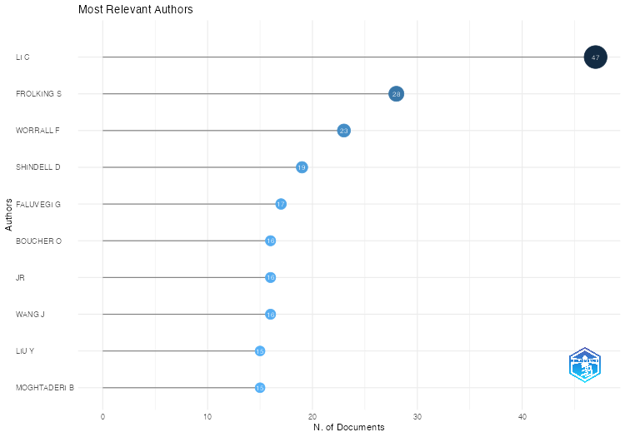
Authors | Articles | Articles Fractionalized
LI C | 47 | 9.7698412698
FROLKING S | 28 | 4.6711195724
WORRALL F | 23 | 6.1049704828
SHINDELL D | 19 | 2.1898933998
FALUVEGI G | 17 | 1.6346123282
BOUCHER O | 16 | 0.77652225627
JR | 16 | 0.3785246683
WANG J | 16 | 1.2092757869
LIU Y | 15 | 1.4665909133
MOGHTADERI B | 15 | 4.0333333333
SMITH JE | 15 | 3.6206349206
HEATH LS | 14 | 3.6095238095
MYHRE G | 14 | 0.97322673308
SALAS W | 14 | 1.9551587302
LAMARQUE J-F | 13 | 0.86449657435
MCDOWELL WH | 13 | 3.053505291
SMITH P | 13 | 1.1553741866
TAKEMURA T | 13 | 0.80100451086
HEIDRICH O | 12 | 1.4618045113
JACKSON RB | 12 | 2.3734300813
WANG H | 12 | 1.3331634064
BERNHARDT ES | 11 | 2.8392857143
DENG J | 11 | 1.8857142857
SAMSET BH | 11 | 0.73672377244
VOULGARAKIS A | 11 | 0.64620653106
WANG Y | 11 | 1.9451286262
WOODALL CW | 11 | 2.3261904762
MARZBAND M | 10 | 1.903968254
MURRAY BC | 10 | 2.475
ROSKILLY AP | 10 | 2.0928571429
SHINDELL DT | 10 | 1.4848343685
VAN DER WERF GR | 10 | 0.23393450356
WANG L | 10 | 0.48162953902
WANG M | 10 | 0.14483708619
ANDREWS T | 9 | 0.48246384101
BROWN R | 9 | 0.34829620568
DAWSON R | 9 | 2.4856709957
DOMKE GM | 9 | 1.95
III | 9 | 0.018611622689
KIM H | 9 | 0.22166187905
LIU H | 9 | 0.076867634256
OLIVIÉ D | 9 | 0.48246384101
VARNER RK | 9 | 0.92038220893
ZHANG H | 9 | 1.5130952381
ZHANG Y | 9 | 1.5237484737
BOLAN N | 8 | 0.86554834055
DAWSON RJ | 8 | 1.0594627595
FEELY RA | 8 | 0.025601170223
GALIK CS | 8 | 3.1166666667
HUANG Y | 8 | 0.67346563461
JONES PD | 8 | 0.12607398346
KASOAR M | 8 | 0.39913050767
KIRKEVÅG A | 8 | 0.44743308229
LI H | 8 | 1.3547619048
MÜHLE J | 8 | 0.091885949274
NAIDU R | 8 | 1.044022644
SCAMBOS TA | 8 | 0.091885949274
SMITH R | 8 | 0.47953216374
TALLEY NJ | 8 | 0.41387559809
VALLERO DA | 8 | 7.5
WANNINKHOF R | 8 | 0.025601170223
YIN X | 8 | 0.086391443779
ZHANG P | 8 | 0.12607398346
ALFARO EJ | 7 | 0.014962872351
AMADOR JA | 7 | 0.014962872351
ATWOLI L | 7 | 0.36842105263
BARREIRA S | 7 | 0.014962872351
BECKER A | 7 | 0.014962872351
BELL GD | 7 | 0.014962872351
BENEDETTI A | 7 | 0.014962872351
BENFIELD T | 7 | 0.36842105263
BERRY DI | 7 | 0.014962872351
BHATT US | 7 | 0.014962872351
BISSOLLI P | 7 | 0.014962872351
BLAKE ES | 7 | 0.014962872351
BLUNDEN J | 7 | 0.014962872351
BOSILOVICH MG | 7 | 0.014962872351
BOSURGI R | 7 | 0.36842105263
BOX JE | 7 | 0.014962872351
BURT TP | 7 | 1.6325396825
CAMARGO SJ | 7 | 0.014962872351
CAPPELEN J | 7 | 0.014962872351
CHAMBERS DP | 7 | 0.014962872351
COLWELL S | 7 | 0.014962872351
DEMIRCAN M | 7 | 0.014962872351
DERKSEN C | 7 | 0.014962872351
DIAMOND HJ | 7 | 0.014962872351
DOLMAN AJ | 7 | 0.096468052119
DROZDOV DS | 7 | 0.014962872351
DUTTON GS | 7 | 0.014962872351
ELKINS JW | 7 | 0.014962872351
FENIMORE C | 7 | 0.014962872351
FETTWEIS X | 7 | 0.014962872351
FIOLETOV VE | 7 | 0.014962872351
FOGT RL | 7 | 0.014962872351
FOLEY A | 7 | 0.54607769424
FOSTER MJ | 7 | 0.014962872351
GANTER C | 7 | 0.014962872351
GOBRON N | 7 | 0.014962872351
GODLEE F | 7 | 0.36842105263
GOLDENBERG SB | 7 | 0.014962872351
H BAQUI A | 7 | 0.36842105263
HALL BD | 7 | 0.014962872351
HALPERT MS | 7 | 0.014962872351
HAMBURG SP | 7 | 0.88473748474
HANCOCKS S | 7 | 0.36842105263
HARRIS I | 7 | 0.022898467521
HEGERL GC | 7 | 1.7928571429
HIDALGO HG | 7 | 0.014962872351
HODNEBROG Ø | 7 | 0.41979960466
HOLMES RM | 7 | 0.24638715378
HORTON R | 7 | 0.36842105263
HUNTLEY B | 7 | 1.2962909992
JIN X | 7 | 0.17980138545
JOHNSON B | 7 | 0.014962872351
JOHNSON GC | 7 | 0.014962872351
JUMAUX G | 7 | 0.014962872351
KAISER JW | 7 | 0.014962872351
KELLER LM | 7 | 0.014962872351
KNAFF JA | 7 | 0.014962872351
KORSHUNOVA NN | 7 | 0.014962872351
KRATZ DP | 7 | 0.014962872351
L'HEUREUX M | 7 | 0.014962872351
LANDER MA | 7 | 0.014962872351
LANDSEA CW | 7 | 0.014962872351
LAYBOURN-LANGTON L | 7 | 0.36842105263
LAZZARA MA | 7 | 0.014962872351
LEULIETTE E | 7 | 0.014962872351
LI X | 7 | 1.2813852814
LIN I-I | 7 | 0.014962872351
LOEB NG | 7 | 0.014962872351
LONG CS | 7 | 0.014962872351
LORREY AM | 7 | 0.014962872351
LUMPKIN R | 7 | 0.014962872351
LUO J-J | 7 | 0.014962872351
LYMAN JM | 7 | 0.014962872351
MANNING DAC | 7 | 1.9109649123
MARENGO JA | 7 | 0.014962872351
MCBRIDE C | 7 | 0.014962872351
MCVICAR TR | 7 | 0.014962872351
MEARS CA | 7 | 0.014962872351
MERRIFIELD MA | 7 | 0.014962872351
MITCHUM GT | 7 | 0.014962872351
MONTEIRO CA | 7 | 0.36842105263
MONTZKA SA | 7 | 0.089183246571
MOTE T | 7 | 0.014962872351
NASH ER | 7 | 0.014962872351
NEWMAN PA | 7 | 0.014962872351
NOETZLI J | 7 | 0.014962872351
NORMAN I | 7 | 0.36842105263
OSBORN TJ | 7 | 0.11226016965
PASCH RJ | 7 | 0.014962872351
PATRICK K | 7 | 0.36842105263
PELTO MS | 7 | 0.014962872351
PENG L | 7 | 1.07083558
PEROVICH D | 7 | 0.014962872351
PEZZA AB | 7 | 0.014962872351
PHILLIPS D | 7 | 0.014962872351
PRAITIES N | 7 | 0.36842105263
RAJEEVAN M | 7 | 0.014962872351
RECKIEN D | 7 | 0.55704260652
REID P | 7 | 0.014962872351
RICHARDSON CJ | 7 | 2.0263157895
RICHTER-MENGE J | 7 | 0.014962872351
RIKKERT MGMO | 7 | 0.36842105263
ROBINSON DA | 7 | 0.014962872351
RODELL M | 7 | 0.014962872351
ROMANOVSKY VE | 7 | 0.07108369906
RONCHAIL J | 7 | 0.014962872351
RUBIN EJ | 7 | 0.36842105263
SAHNI P | 7 | 0.36842105263
SANTEE ML | 7 | 0.014962872351
SAWAENGPHOKHAI P | 7 | 0.014962872351
SAYOURI A | 7 | 0.014962872351
SCHMID C | 7 | 0.014962872351
SENSOY S | 7 | 0.014962872351
SHI L | 7 | 0.15511731251
SIEGEL DA | 7 | 0.014962872351
SINGH G | 7 | 0.82543290043
SRIVASTAVA AK | 7 | 0.014962872351
STAMMERJOHN S | 7 | 0.014962872351
STEINBRECHT W | 7 | 0.014962872351
STEPHENSON TS | 7 | 0.014962872351
SWEET W | 7 | 0.13726016965
TAYLOR MA | 7 | 0.014962872351
TIMMERMANS M-L | 7 | 0.014962872351
TOBIN S | 7 | 0.014962872351
TREWIN BC | 7 | 0.014962872351
TURALE S | 7 | 0.36842105263
VAN AS D | 7 | 0.014962872351
VAN DE WAL RSW | 7 | 0.014962872351
VINU A | 7 | 0.82543290043
VÁZQUEZ D | 7 | 0.36842105263
WANG C | 7 | 0.70349860019
WEBER M | 7 | 0.014962872351
WELLER RA | 7 | 0.014962872351
WELLER SR | 7 | 2.45
WILBER AC | 7 | 0.014962872351
WILLETT KM | 7 | 0.014962872351
WONG T | 7 | 0.014962872351
YU L | 7 | 0.014962872351
ALBATAYNEH A | 6 | 1.5333333333
ALLAN R | 6 | 0.012260169648
ALTERMAN D | 6 | 1.5333333333
ALVES LM | 6 | 0.012260169648
ARNDT DS | 6 | 0.013134718786
ATTALLA M | 6 | 1.75
AZORIN-MOLINA C | 6 | 0.012260169648
BARICHIVICH J | 6 | 0.012260169648
BARINGER MO | 6 | 0.012866436292
BERRISFORD P | 6 | 0.013134718786
BLENKINSOP S | 6 | 0.37459558529
BOYER T | 6 | 0.012260169648
BROMWICH DH | 6 | 0.013134718786
BULKELEY H | 6 | 2.375
CAMPBELL JD | 6 | 0.012260169648
CARTER BR | 6 | 0.012260169648
CHEN J | 6 | 0.5754705065
CHRISTENSEN TR | 6 | 0.39709121768
CHRISTIANSEN HH | 6 | 0.012260169648
CHRISTY JR | 6 | 0.012260169648
CHUNG E-S | 6 | 0.012260169648
CLEM KR | 6 | 0.012260169648
COLDEWEY-EGBERS M | 6 | 0.012260169648
COOPER OR | 6 | 0.012260169648
CRILL P | 6 | 0.72373353597
DAVIES RJ | 6 | 1.1761904762
DAVIS SM | 6 | 0.012260169648
DAWOOD N | 6 | 1.4166666667
DE JEU RAM | 6 | 0.012260169648
DE LAAT J | 6 | 0.012260169648
DEGENSTEIN D | 6 | 0.012260169648
DI GIROLAMO L | 6 | 0.012260169648
DLUGOKENCKY EJ | 6 | 0.013134718786
DOHAN K | 6 | 0.013134718786
DONAT MG | 6 | 0.012260169648
DORIGO WA | 6 | 0.012260169648
DUNN RJH | 6 | 0.012260169648
FAMIGLIETTI JS | 6 | 0.013134718786
FAUSTO RS | 6 | 0.012260169648
FLEMMING J | 6 | 0.012260169648
FORSTER PM | 6 | 0.28901146005
FRANZ BA | 6 | 0.012260169648
FRITH SM | 6 | 0.012260169648
FROIDEVAUX L | 6 | 0.012260169648
GALLOWAY JN | 6 | 0.84090909091
GERLAND S | 6 | 0.012260169648
GONI G | 6 | 0.012260169648
GUPTA SK | 6 | 0.012260169648
HAGOS S | 6 | 0.012260169648
HAHN S | 6 | 0.012260169648
HAIMBERGER L | 6 | 0.012260169648
HALL JW | 6 | 0.98803418803
HAMLINGTON BD | 6 | 0.012260169648
HANNA E | 6 | 0.012260169648
HEIDINGER AK | 6 | 0.013134718786
HEIM RR | 6 | 0.012260169648
HENDRICKS S | 6 | 0.012260169648
HUANG B | 6 | 0.012260169648
HURST DF | 6 | 0.012260169648
IALONGO I | 6 | 0.012260169648
IJAMPY JA | 6 | 0.012260169648
INNESS A | 6 | 0.012260169648
ISAKSEN K | 6 | 0.012260169648
ISHII M | 6 | 0.012260169648
JEVREJEVA S | 6 | 0.012260169648
JOHNSEN B | 6 | 0.012260169648
KABIDI K | 6 | 0.013134718786
KENNEDY J | 6 | 0.012260169648
KHOLODOV AL | 6 | 0.012260169648
KHOSHKAM M | 6 | 0.013134718786
KIM S-J | 6 | 0.012260169648
KIRKHAM MB | 6 | 0.58777056277
KLOTZBACH PJ | 6 | 0.012260169648
KRUGER A | 6 | 0.013134718786
KRUK MC | 6 | 0.013134718786
LAKATOS M | 6 | 0.012260169648
LAKKALA K | 6 | 0.012260169648
LI J | 6 | 0.91547619048
LI Y | 6 | 0.49004329004
LIESER JL | 6 | 0.012260169648
LOCARNINI R | 6 | 0.012260169648
LOVE-BROTAK SE | 6 | 0.012260169648
LOYOLA D | 6 | 0.012260169648
LUO L | 6 | 2.4166666667
LUOJUS K | 6 | 0.012260169648
MA Z | 6 | 1.2053571429
MALKOVA GV | 6 | 0.012260169648
MARRA JJ | 6 | 0.012260169648
MASSOM RA | 6 | 0.012260169648
MAYER M | 6 | 0.012260169648
MEIER W | 6 | 0.013134718786
MEKONNEN A | 6 | 0.012260169648
MERCHANT CJ | 6 | 0.012260169648
MEREDITH MP | 6 | 0.081860587512
MIRALLES DG | 6 | 0.012260169648
MISCH DJ | 6 | 0.012260169648
MORICE C | 6 | 0.012260169648
MUDRYK L | 6 | 0.012260169648
MULLAN AB | 6 | 0.013134718786
NEREM RS | 6 | 0.012260169648
NIETO JJ | 6 | 0.012260169648
OVERLAND J | 6 | 0.013134718786
PETROPAVLOVSKIKH I | 6 | 0.012260169648
REAGAN J | 6 | 0.012260169648
RICHARDSON AD | 6 | 0.27019443089
RIDDLE DB | 6 | 0.012260169648
ROSENLOF KH | 6 | 0.012260169648
ROTH C | 6 | 0.012260169648
SCHLESINGER WH | 6 | 0.71541835358
SCHRECK CJ | 6 | 0.012260169648
SHAWKI D | 6 | 0.28901146005
SHIKLOMANOV AI | 6 | 0.012978745367
SHIKLOMANOV NI | 6 | 0.012260169648
SIMA F | 6 | 0.012260169648
SIMMONS AJ | 6 | 0.012260169648
SMEETS CJPP | 6 | 0.012260169648
SMITH SL | 6 | 0.012260169648
SPENCE JM | 6 | 0.012866436292
STACKHOUSE PW | 6 | 0.012260169648
STELLA JL | 6 | 0.012260169648
STENGEL M | 6 | 0.012260169648
STJERN CW | 6 | 0.34129904175
STRELETSKIY DA | 6 | 0.012260169648
SUN-MACK S | 6 | 0.012260169648
SWART S | 6 | 0.012260169648
SÁNCHEZ-LUGO A | 6 | 0.013134718786
TANG Q | 6 | 2.4166666667
TANK SE | 6 | 0.040579072967
TEDESCO M | 6 | 0.012260169648
TRACHTE K | 6 | 0.012260169648
TROTMAN AR | 6 | 0.012260169648
TSCHUDI M | 6 | 0.012260169648
VAN DER SCHALIE R | 6 | 0.012260169648
VAN DER SCHRIER G | 6 | 0.012260169648
VAN MEERBEECK CJ | 6 | 0.012260169648
VEASEY SW | 6 | 0.012260169648
VERBURG P | 6 | 0.033687830037
VINCENT LA | 6 | 0.013134718786
VOSE RS | 6 | 0.012260169648
WANG R | 6 | 0.32257538327
WANG S-H | 6 | 0.013134718786
WANG X | 6 | 1.475
WIJFFELS SE | 6 | 0.013134718786
WILD JD | 6 | 0.012260169648
WOOLWAY RI | 6 | 0.012260169648
XUE Y | 6 | 0.013134718786
YU Y | 6 | 0.82882205514
ZHANG Q | 6 | 0.39494565718
ZHAO G | 6 | 0.012260169648
ZHAO L | 6 | 0.28638919709
ZIEMKE JR | 6 | 0.012260169648
ACKERMAN SA | 5 | 0.011038282727
ANDERSON J | 5 | 0.13983728804
AUSTIN KG | 5 | 0.64967532468
AZIMOV U | 5 | 1.8333333333
BAKER JS | 5 | 1.0909090909
BARR S | 5 | 1.3214285714
BAXTER S | 5 | 0.010432016083
BELMONT M | 5 | 0.010432016083
BOLAN NS | 5 | 0.92619047619
BULYGINA ON | 5 | 0.011038282727
CALDERÓN B | 5 | 0.010432016083
CIAIS P | 5 | 0.16202394926
CROUCH J | 5 | 0.011038282727
DE EYTO E | 5 | 0.010432016083
DE GREGORIO HURTADO S | 5 | 0.33370927318
DOKULIL MT | 5 | 0.010432016083
DOMINGUES CM | 5 | 0.010432016083
DONG S | 5 | 0.010163733589
ELKHARRIM M | 5 | 0.010276042664
ESPINOZA JC | 5 | 0.010432016083
EVANS CD | 5 | 0.53274826059
FENG H | 5 | 1.0928571429
FENG Z | 5 | 0.010432016083
FERON PHM | 5 | 1.6706349206
FLÄSCHNER D | 5 | 0.2495161701
FOWLER HJ | 5 | 0.56944444444
FRANCIS SD | 5 | 0.010432016083
FREY RA | 5 | 0.010432016083
GENELETTI D | 5 | 0.26704260652
GRIFFIN J | 5 | 0.010432016083
GROOß J-U | 5 | 0.010276042664
GRUBER A | 5 | 0.010432016083
GUGLIEMIN M | 5 | 0.017264151453
GUNN JS | 5 | 1.5833333333
HANSSEN-BAUER I | 5 | 0.010276042664
HOWDEN NJK | 5 | 1.2277777778
INGRAHAM P | 5 | 0.50396825397
IVERSEN T | 5 | 0.30518793064
JIMÉNEZ C | 5 | 0.010432016083
JOHN V | 5 | 0.010432016083
JONES CD | 5 | 0.2688973064
JOSEPH S | 5 | 0.54166666667
KASIBHATLA PS | 5 | 0.57042124542
KATO S | 5 | 0.010432016083
KILLICK R | 5 | 0.010432016083
KORHONEN J | 5 | 0.010432016083
LANKHORST M | 5 | 0.010163733589
LEACH AM | 5 | 0.75757575758
LI S | 5 | 0.99166666667
LI W | 5 | 1.1186868687
LIU S | 5 | 0.61587301587
LUQUE-AYALA A | 5 | 2.125
MANN PJ | 5 | 0.41614676173
MARCHENKO SS | 5 | 0.010432016083
MARSZELEWSKI W | 5 | 0.010432016083
MARTENS B | 5 | 0.010432016083
MARTÍNEZ-GÜINGLA R | 5 | 0.010432016083
MAY L | 5 | 0.010432016083
MAZLOFF M | 5 | 0.010432016083
MCCABE MF | 5 | 0.010163733589
MCCLELLAND JW | 5 | 0.010276042664
MCGREE S | 5 | 0.011150591802
MEINEN CS | 5 | 0.010882309308
MELILLO J | 5 | 0.31284857413
MENGISTU TSIDU G | 5 | 0.010432016083
MENZEL WP | 5 | 0.010432016083
MONSELESAN D | 5 | 0.010432016083
NATALI SM | 5 | 0.39190433749
OLAZABAL M | 5 | 0.26704260652
ORRU H | 5 | 0.25441102757
OYUNJARGAL L | 5 | 0.010432016083
PATERSON AM | 5 | 0.010432016083
PAZOUKI K | 5 | 1.25
PEARCE PR | 5 | 0.010432016083
PERKINS-KIRKPATRICK SE | 5 | 0.010163733589
PIETRAPERTOSA F | 5 | 0.26704260652
PINTY B | 5 | 0.010432016083
POTTER JD | 5 | 0.83703703704
PUXTY G | 5 | 1.0833333333
RACE J | 5 | 1.2095238095
RAZUVAEV VN | 5 | 0.17572082241
REIMER C | 5 | 0.010432016083
REVADEKAR JV | 5 | 0.010432016083
RICH VI | 5 | 0.2509832273
RUSAK JA | 5 | 0.010432016083
RÉMY S | 5 | 0.010432016083
SALLÉE J-B | 5 | 0.010432016083
SALVIA M | 5 | 0.26704260652
SCHLADOW SG | 5 | 0.010432016083
SCHMID M | 5 | 0.010432016083
SCHÄDEL C | 5 | 0.24187381246
SELKIRK HB | 5 | 0.010432016083
SHARP M | 5 | 0.011038282727
SHORT M | 5 | 1.6428571429
STEWART MG | 5 | 2.0833333333
STRAHAN S | 5 | 0.010163733589
TAMAR G | 5 | 0.010163733589
THOMAN RL | 5 | 0.010163733589
TOZER L | 5 | 4
TRETIAKOV M | 5 | 0.010276042664
VAN DER A RJ | 5 | 0.011150591802
VEGH T | 5 | 1.7833333333
WADE CM | 5 | 0.71590909091
WAGNER W | 5 | 0.011038282727
WALSH CL | 5 | 0.7047008547
WALSH J | 5 | 0.011038282727
WALTERS BF | 5 | 1.0833333333
WANG S | 5 | 1.2595238095
WATANABE S | 5 | 0.010432016083
WEYHENMEYER GA | 5 | 0.010432016083
WHITEWOOD R | 5 | 0.011038282727
WOLKEN G | 5 | 0.011038282727
WOOD EF | 5 | 0.010432016083
WU J | 5 | 0.33713933307
XU J | 5 | 0.51291237498
ZAMBRANO E | 5 | 0.010432016083
ZHANG L | 5 | 0.57333762334
ZHOU L | 5 | 0.11452452996
ABT RC | 4 | 1.45
ALLAN RP | 4 | 0.089242049941
ANDREASSEN LM | 4 | 0.0083355800246
BANZON V | 4 | 0.0090541557432
BEDKA KM | 4 | 0.0083355800246
BEERLING DJ | 4 | 0.29141414141
BEHRENFELD MJ | 4 | 0.0090541557432
BELLOUIN N | 4 | 0.01654701448
BHOGAL A | 4 | 0.66944444444
BIDEGAIN M | 4 | 0.0090541557432
BOOTHROYD IM | 4 | 0.72777777778
BRAATHEN GO | 4 | 0.0083355800246
BRITO AF | 4 | 0.95202020202
BUCHHOLZ T | 4 | 1.3666666667
BURGESS D | 4 | 0.0083355800246
CALLAGHAN TV | 4 | 0.20805984556
CAMPBELL JL | 4 | 0.60658914729
CANADELL JG | 4 | 0.15108118832
CHANDLER E | 4 | 0.0081796066054
CHANTON JP | 4 | 0.21252168884
CHEN X | 4 | 0.48095238095
CLARK JS | 4 | 0.82401656315
COELHO CAS | 4 | 0.0086114193104
COOLEY D | 4 | 0.66666666667
COPLAND L | 4 | 0.0083355800246
COVEY C | 4 | 0.089242049941
CRILL PM | 4 | 0.26609311741
CROSBIE T | 4 | 0.80952380952
CROWLEY TJ | 4 | 0.69285714286
CUI J | 4 | 1.1666666667
DEGASPERI CL | 4 | 0.0084478890992
DOROODCHI E | 4 | 1.1666666667
DUCEY MJ | 4 | 0.93333333333
EPSTEIN HE | 4 | 0.0086114193104
FARRELL S | 4 | 0.0083355800246
FELIU E | 4 | 0.18370927318
FOGARTY CT | 4 | 0.0090541557432
FOLLAND C | 4 | 0.0083355800246
FORBES BC | 4 | 0.0086114193104
GLUYAS JG | 4 | 0.64285714286
GRAHAM DW | 4 | 1.0666666667
GRAHAM PW | 4 | 1.5833333333
GRANDY AS | 4 | 0.48611111111
HAAS C | 4 | 0.0086114193104
HANSEN K | 4 | 0.0083355800246
HARVEY A | 4 | 1.1666666667
HAVLIK P | 4 | 0.39743589744
HEIL A | 4 | 0.0090541557432
HILBURN K | 4 | 0.0090541557432
HO M | 4 | 0.72619047619
HO S-PB | 4 | 0.0084478890992
HU Z-Z | 4 | 0.0081796066054
JOHANSSON M | 4 | 0.33035714286
JONASSON S | 4 | 0.22861295681
JOSEPH AC | 4 | 0.0081796066054
KARAKOTI A | 4 | 0.46666666667
KAZEMI A | 4 | 0.0083355800246
KELLER M | 4 | 0.74166666667
KENNEDY EM | 4 | 0.93452380952
KERR K | 4 | 0.0083355800246
KILSBY CG | 4 | 0.43333333333
KIMBERLAIN TB | 4 | 0.0090541557432
KOBAYASHI S | 4 | 0.0090541557432
KOHLER J | 4 | 0.0083355800246
KRAMAROVA N | 4 | 0.0083355800246
KUMAR A | 4 | 0.0090541557432
LANDSCHÜTZER P | 4 | 0.01654701448
LATTA G | 4 | 0.78333333333
LI B | 4 | 0.15555839556
LI T | 4 | 0.20590871661
LIKENS GE | 4 | 0.35576923077
LIU J | 4 | 0.5124697997
LIU L | 4 | 0.39663814709
LUO J | 4 | 0.32290640394
MADDUX BC | 4 | 0.0090541557432
MARCELLIN V | 4 | 0.0083355800246
MARLAND G | 4 | 0.26522766985
MCCARTHY M | 4 | 0.0083355800246
METZL N | 4 | 0.015280024469
MISSELBROOK T | 4 | 0.24475806452
MOODY CS | 4 | 1.25
O'NEEL S | 4 | 0.0083355800246
OBERSTEINER M | 4 | 0.33076923077
OECHEL W | 4 | 0.21964285714
OHREL SB | 4 | 0.54924242424
OLANDER LP | 4 | 1.5833333333
OLEFELDT D | 4 | 0.23674560733
OPPENHEIMER M | 4 | 0.34188034188
PARK T | 4 | 0.089242049941
PASCUAL-RAMÍREZ R | 4 | 0.0083355800246
PAULIK C | 4 | 0.0083355800246
PITTS MC | 4 | 0.0090541557432
POULTER B | 4 | 0.39991568715
PROSHUTINSKY A | 4 | 0.0090541557432
QIU J | 4 | 0.57777777778
QUEGAN S | 4 | 0.0090541557432
QUINTANA J | 4 | 0.0090541557432
RAHIMZADEH F | 4 | 0.0090541557432
RAYNOLDS MK | 4 | 0.0086114193104
REAY D | 4 | 1.1428571429
REEDMAN LJ | 4 | 1.1166666667
RENWICK JA | 4 | 0.0090541557432
RICHARDSON TB | 4 | 0.19593786698
RIMMER A | 4 | 0.0083355800246
RINTOUL S | 4 | 0.015280024469
SABINE CL | 4 | 0.0090541557432
SARKAR B | 4 | 0.43535353535
SCHEMM J | 4 | 0.0090541557432
SCHUUR EAG | 4 | 0.203412274
SEND U | 4 | 0.0083355800246
SHAVER G | 4 | 0.22861295681
SILLMANN J | 4 | 0.18736496413
SINGH BP | 4 | 0.34015151515
SMITH A | 4 | 0.0086114193104
SPRAIN M | 4 | 0.0083355800246
SUTTON AJ | 4 | 0.01654701448
TANG T | 4 | 0.27654625068
THOMPSON P | 4 | 0.0083355800246
THOMSON L | 4 | 0.0083355800246
ULLAH S | 4 | 0.49563492063
UPSTILL-GODDARD RC | 4 | 0.5670995671
VELICOGNA I | 4 | 0.0083355800246
WAGNER T | 4 | 0.73703703704
WAHR J | 4 | 0.0090541557432
WALKER DA | 4 | 0.0086114193104
WALKER S | 4 | 0.84429824561
WALKER SL | 4 | 0.72142857143
WALL J | 4 | 1.1166666667
WANG D | 4 | 0.67424242424
WANG G | 4 | 0.49206349206
WANG Z | 4 | 0.39254926108
WILSON RM | 4 | 0.21252168884
WOUTERS B | 4 | 0.0083355800246
XIA X | 4 | 0.4873015873
YANG Q | 4 | 0.52543290043
YOUNG SH | 4 | 0.0081796066054
ZANGANEH J | 4 | 1.0833333333
ZHANG J | 4 | 0.52142857143
ZHANG S | 4 | 0.4873015873
ZHANG X | 4 | 0.53095238095
ZHENG X | 4 | 0.46111111111
ZULLI P | 4 | 0.45119047619
AARON-MORRISON AP | 3 | 0.0063514530405
ABBOTT BW | 3 | 0.11638361638
ABER JD | 3 | 0.39166666667
ADAMS NG | 3 | 0.0063514530405
ADLER R | 3 | 0.0059087166077
ADLER RF | 3 | 0.0063514530405
ALAHMAD M | 3 | 0.73333333333
ALBANIL A | 3 | 0.0063514530405
ALI H | 3 | 0.86111111111
ALLEN MR | 3 | 0.62037037037
ALLPORT A | 3 | 0.54166666667
AMBROSE BJ | 3 | 0.0063514530405
ANDREWS J | 3 | 0.75
ARENDT A | 3 | 0.0063514530405
ARZHANOVA NM | 3 | 0.0063514530405
ARÉVALO J | 3 | 0.0063514530405
ASCHAN MM | 3 | 0.0063514530405
BAKER J | 3 | 0.425
BALDOCCHI D | 3 | 0.35825734549
BALZAN MV | 3 | 0.11228070175
BARDIN MU | 3 | 0.0063514530405
BARRACLOUGH D | 3 | 0.33611111111
BASTVIKEN D | 3 | 0.49166666667
BATTY M | 3 | 0.24835164835
BAZO J | 3 | 0.0063514530405
BEACH RH | 3 | 0.49166666667
BECK HE | 3 | 0.0059087166077
BERNHARD G | 3 | 0.0063514530405
BERNHARD GH | 3 | 0.0059087166077
BETTOLLI ML | 3 | 0.0063514530405
BILL BD | 3 | 0.0063514530405
BILLHEIMER S | 3 | 0.0063514530405
BIRDSEY RA | 3 | 0.66666666667
BJÖRN LO | 3 | 0.20535714286
BLACK H | 3 | 0.33611111111
BLUNT MJ | 3 | 0.45238095238
BOUDET D | 3 | 0.0063514530405
BUCHMANN N | 3 | 0.26063829787
BUTTERBACH-BAHL K | 3 | 0.44444444444
CAME R | 3 | 0.26984126984
CAMPBELL EE | 3 | 0.30202020202
CAPARROS-MIDWOOD D | 3 | 1
CARDENAS LM | 3 | 0.3125
CARLSON AE | 3 | 0.1592421915
CARRASCO G | 3 | 0.0063514530405
CARREA L | 3 | 0.0059087166077
CHAMEIDES W | 3 | 0.23076923077
CHAMEIDES WL | 3 | 1.4
CHAPIN T | 3 | 0.20535714286
CHENG L | 3 | 0.0059087166077
CHERNOV Y | 3 | 0.20535714286
CHINI LP | 3 | 0.22174940898
CHUNG D | 3 | 0.0063514530405
CHURCH JM | 3 | 0.099649122807
CINQUE K | 3 | 0.0063514530405
CLAY GD | 3 | 1.1666666667
CLEAR AK | 3 | 0.91666666667
COELHO CA | 3 | 0.0063514530405
COGLEY JG | 3 | 0.0063514530405
COMBER R | 3 | 0.91666666667
CONTOSTA AR | 3 | 0.81111111111
COSCA CE | 3 | 0.0063514530405
COWIE A | 3 | 0.29761904762
COY L | 3 | 0.0059087166077
CREASON J | 3 | 0.29924242424
CROSS JN | 3 | 0.0063514530405
CROTWELL MJ | 3 | 0.0063514530405
DAVIDSON EA | 3 | 0.34397163121
DAVIS KF | 3 | 0.5
DAYSTAR J | 3 | 0.63333333333
DECHARME B | 3 | 0.014562887496
DEEV A | 3 | 0.30833333333
DELL'AMICO M | 3 | 0.91666666667
DESJARDINS RL | 3 | 0.42063492063
DESTIN D | 3 | 0.0063514530405
DI GIUSEPPE F | 3 | 0.0063514530405
DING W | 3 | 0.25873015873
DOGRU M | 3 | 1.7
DOLGOV AV | 3 | 0.0063514530405
DOMINGUES R | 3 | 0.0059087166077
DONNELLY L | 3 | 0.3203030303
DORICH CD | 3 | 0.36868686869
DORTCH Q | 3 | 0.0063514530405
DOUCETTE G | 3 | 0.0063514530405
DOWNIE M | 3 | 0.86666666667
DUCKLOW H | 3 | 0.0063514530405
DURRE I | 3 | 0.0059087166077
DURÁN-QUESADA AM | 3 | 0.0063514530405
EBRAHIM A | 3 | 0.0063514530405
ERNAKOVICH J | 3 | 0.14458874459
ETIENNE-LEBLANC S | 3 | 0.0063514530405
EVANS TE | 3 | 0.0063514530405
EWING J | 3 | 0.50396825397
FATEH S | 3 | 0.0063514530405
FEDAEFF N | 3 | 0.0063514530405
FEKETE BM | 3 | 0.13518133518
FIROUZI M | 3 | 0.5
FLACKE J | 3 | 0.1880952381
FLAMOS A | 3 | 0.11228070175
FOKAIDES PA | 3 | 0.11228070175
FONSECA C | 3 | 0.0063514530405
FOSSHEIM M | 3 | 0.0063514530405
FOUNTAIN A | 3 | 0.0063514530405
FRUMHOFF PC | 3 | 0.3170995671
GARDNER KH | 3 | 0.78333333333
GARZOLI S | 3 | 0.0063514530405
GILBERT K | 3 | 0.0063514530405
GILSON J | 3 | 0.0059087166077
GOLDEN JS | 3 | 0.76666666667
GOMEZ RS | 3 | 0.0063514530405
GOSLING SN | 3 | 0.150997151
GOTO A | 3 | 0.0063514530405
GRAFAKOS S | 3 | 0.099649122807
GRANT BB | 3 | 0.42063492063
GROSSE G | 3 | 0.16526610644
GUARD CC | 3 | 0.0063514530405
GUO L | 3 | 0.42316017316
GUTIÉRREZ JM | 3 | 0.0063514530405
HAKKARAINEN J | 3 | 0.0063514530405
HAMMER G | 3 | 0.0059087166077
HAQUE N | 3 | 0.30833333333
HARVEY AP | 3 | 0.41071428571
HAYEE B | 3 | 0.3203030303
HAYHOE K | 3 | 0.35757575758
HAYWARD JA | 3 | 0.81666666667
HEIKKILÄ A | 3 | 0.0063514530405
HELTON AM | 3 | 0.7037037037
HEMMING DL | 3 | 0.0059087166077
HENZE DK | 3 | 0.16373626374
HERNÁNDEZ M | 3 | 0.0063514530405
HILLIER J | 3 | 0.26374269006
HINKLEY J | 3 | 0.55
HO S-P | 3 | 0.0065149832517
HODGKINS SB | 3 | 0.14109311741
HOUGHTON RA | 3 | 0.12028742068
HU S | 3 | 0.65476190476
HUBERT D | 3 | 0.0059087166077
HUELSING HK | 3 | 0.0063514530405
HUFFMAN GJ | 3 | 0.0063514530405
HUGELIUS G | 3 | 0.13674560733
HUGHES C | 3 | 0.0063514530405
HUGHES PN | 3 | 0.73333333333
HURTT G | 3 | 0.22962962963
HYDE WT | 3 | 0.59285714286
IMS RA | 3 | 0.20535714286
INGVALDSEN RB | 3 | 0.0063514530405
IOANNOU BI | 3 | 0.11228070175
ITOH M | 3 | 0.20472290472
JACOBS JM | 3 | 0.575
JAHANSHAHI S | 3 | 0.30833333333
JOHANNESEN E | 3 | 0.0063514530405
JOHNSON TL | 3 | 0.49166666667
JOLLY D | 3 | 0.20535714286
KAMMEN DM | 3 | 0.23076923077
KEESSTRA S | 3 | 0.20476190476
KELLETT CM | 3 | 0.86666666667
KENDON M | 3 | 0.0063514530405
KHARIN V | 3 | 0.14307359307
KIEM AS | 3 | 2.0178571429
KIM D | 3 | 0.18423913043
KOVACS KM | 3 | 0.0063514530405
KUDELA R | 3 | 0.0063514530405
KYRIAZAKIS I | 3 | 0.69607843137
LANTZ K | 3 | 0.0063514530405
LAVADO-CASIMIRO W | 3 | 0.0059087166077
LAW R | 3 | 1
LEE J | 3 | 0.66666666667
LEHMANN S | 3 | 3
LEMONS P | 3 | 0.0063514530405
LI CS | 3 | 0.525
LI D | 3 | 0.49166666667
LI L | 3 | 0.86111111111
LI Z | 3 | 0.028630661402
LILLEY W | 3 | 0.72619047619
LILLY A | 3 | 0.33611111111
LIU C | 3 | 0.35
LIU X | 3 | 0.65757575758
LIU Z | 3 | 0.22456575682
LO MONACO C | 3 | 0.0063514530405
LOPEZ-CAPEL E | 3 | 0.61666666667
LYDERSEN C | 3 | 0.0063514530405
LÓPEZ ÁLVAREZ LA | 3 | 0.0063514530405
MA L | 3 | 0.39761904762
MABERLY SC | 3 | 0.0063514530405
MALHEIROS RAMOS A | 3 | 0.0063514530405
MANNEY G | 3 | 0.0063514530405
MANNEY GL | 3 | 0.0059087166077
MAQBOOL R | 3 | 0.95
MARVIN S | 3 | 1
MASAKI Y | 3 | 0.21581196581
MATA MM | 3 | 0.0063514530405
MATHIESON JG | 3 | 0.30833333333
MATHIS JT | 3 | 0.0063514530405
MATOSOVIĆ M | 3 | 0.11228070175
MATVEYEVA N | 3 | 0.20535714286
MAYCOCK T | 3 | 0.0063514530405
MCCALLEY CK | 3 | 0.15989010989
MCGEE J | 3 | 1.5
MCGUIRE AD | 3 | 0.37549019608
MEGHARAJ M | 3 | 0.7
MENÉNDEZ M | 3 | 0.0063514530405
MINNIS P | 3 | 0.0063514530405
MISTELBAUER T | 3 | 0.0063514530405
MOHAMMADI-IVATLOO B | 3 | 0.50952380952
MONTEIRO P | 3 | 0.0063514530405
MORA N | 3 | 0.0059087166077
MORSE JL | 3 | 0.91666666667
MOSTAFA AE | 3 | 0.0059087166077
MURDIYARSO D | 3 | 0.26966873706
MURPHY AJ | 3 | 0.83333333333
MURRAY B | 3 | 0.42692307692
MÜLLER R | 3 | 0.0059087166077
NAVEIRA-GARABATO AC | 3 | 0.0063514530405
NEWELL RG | 3 | 1.1666666667
NORBY RJ | 3 | 0.14874601003
NORMAN R | 3 | 0.7
OGLE SM | 3 | 0.28888888889
ORRU K | 3 | 0.099649122807
OSBORNE S | 3 | 0.0063514530405
PACALA SW | 3 | 0.51111111111
PAGE A | 3 | 0.75
PAN Y | 3 | 0.2268115942
PANCOST RD | 3 | 0.25681725682
PANIKOV N | 3 | 0.20535714286
PARINUSSA RM | 3 | 0.0063514530405
PARK E-H | 3 | 0.0063514530405
PARKER D | 3 | 0.0063514530405
PARRINGTON M | 3 | 0.0063514530405
PARSONS AR | 3 | 0.0063514530405
PEACOCK M | 3 | 0.14663714948
PETERS W | 3 | 0.11320240044
PETROPOULOS E | 3 | 0.36785714286
PHAN AN | 3 | 1.0833333333
PHILLIPS C | 3 | 0.0059087166077
PIZER WA | 3 | 1
PO-CHEDLEY S | 3 | 0.0059087166077
PONS MR | 3 | 0.0063514530405
PORTER AO | 3 | 0.0063514530405
PRIMICERIO R | 3 | 0.0063514530405
PURKEY SG | 3 | 0.0059087166077
RAGNAUTH S | 3 | 0.29924242424
RAIMI D | 3 | 1.1666666667
RAMANATHAN V | 3 | 0.4
RANDERSON JT | 3 | 0.22756410256
RANDRIAMAROLAZA L | 3 | 0.0063514530405
REES RM | 3 | 0.18179824561
RICHARDSON T | 3 | 0.14570517202
RICKER R | 3 | 0.0059087166077
RIDGEWAY P | 3 | 0.30833333333
RIFFLER M | 3 | 0.0063514530405
RILEY WJ | 3 | 0.12139614771
RODRIGUEZ CAMINO E | 3 | 0.0059087166077
RODRÍGUEZ SOLÍS JL | 3 | 0.0063514530405
RUDOLPH V | 3 | 0.5
RUSTAD LE | 3 | 1.273255814
RÖSNER B | 3 | 0.0059087166077
SAATCHI S | 3 | 0.13866761498
SALESKA SR | 3 | 0.15989010989
SATO H | 3 | 0.0063590098325
SCANLON T | 3 | 0.0059087166077
SCHADE JD | 3 | 0.56944444444
SCHENZINGER V | 3 | 0.0059087166077
SCHMIDTKO S | 3 | 0.0063514530405
SEARCHINGER TD | 3 | 0.23076923077
SEEVAM P | 3 | 0.86666666667
SETZER A | 3 | 0.0063514530405
SHAO X | 3 | 0.54285714286
SHAW A | 3 | 0.0063514530405
SHINE KP | 3 | 0.22361111111
SIAS JE | 3 | 0.575
SIGNORINI SR | 3 | 0.0063514530405
SILVER WL | 3 | 0.46897163121
SIMOES SG | 3 | 0.11228070175
SKOG KE | 3 | 0.42619047619
SMALLBONE A | 3 | 0.7
SMITH C | 3 | 0.53718546132
SMITH CJ | 3 | 0.60795454545
SMITH RG | 3 | 0.48333333333
SMITH WN | 3 | 0.42063492063
SOFIEVA V | 3 | 0.0059087166077
SOMERVILLE MA | 3 | 0.30833333333
SPARKS TH | 3 | 0.0059087166077
SPILLANE S | 3 | 0.0059087166077
SPYRIDAKI N-A | 3 | 0.11228070175
STABLEFORTH W | 3 | 0.3203030303
STACKE T | 3 | 0.21581196581
STENNETT-BROWN R | 3 | 0.0063514530405
STOLLE F | 3 | 0.43376623377
STRAUSS J | 3 | 0.13674560733
SUN G | 3 | 0.58333333333
TALLEY LD | 3 | 0.0063514530405
TANG J | 3 | 0.2625
TANS P | 3 | 0.14541789715
TEUBNER K | 3 | 0.0063514530405
TFAILY MM | 3 | 0.16252168884
THACKERAY SJ | 3 | 0.0059087166077
THOMAS SM | 3 | 0.28465608466
TIAN H | 3 | 0.059459846694
TIRNANES JA | 3 | 0.0063514530405
TOURPALI K | 3 | 0.0059087166077
TRAINER VL | 3 | 0.0063514530405
TREAT CC | 3 | 0.26834733894
TRETTIN C | 3 | 0.91666666667
TRIÑANES JA | 3 | 0.0059087166077
TUBIELLO F | 3 | 0.37174940898
TYE MR | 3 | 0.0059087166077
TØMMERVIK H | 3 | 0.0059087166077
VAHIDINASAB V | 3 | 0.73333333333
VAN ZWIETEN L | 3 | 0.24924242424
VENKATESWARLU K | 3 | 0.7
VIGNESWARAN B | 3 | 0.0063514530405
VOLKOV D | 3 | 0.0063514530405
VÖMEL H | 3 | 0.0059087166077
WADA Y | 3 | 0.21581196581
WAKE C | 3 | 0.49285714286
WALKER JT | 3 | 0.67619047619
WALL TF | 3 | 0.65
WALSH JE | 3 | 0.17059125629
WANG B | 3 | 0.0059087166077
WARD JK | 3 | 0.91666666667
WEBSTER M | 3 | 0.0059087166077
WESTBERRY TK | 3 | 0.0059087166077
WHITE SD | 3 | 0.83333333333
WHITTINGHAM MJ | 3 | 0.39444444444
WIDLANSKY MJ | 3 | 0.0059087166077
WILLIAMS A | 3 | 0.26096491228
WILLIAMS DJ | 3 | 1
WILLIAMS MJM | 3 | 0.0063514530405
WILLIE S | 3 | 0.0063514530405
WILLS RBH | 3 | 2
WISSER D | 3 | 0.21581196581
WOODALL C | 3 | 0.52777777778
WOODBURY PB | 3 | 0.50250626566
WU Y | 3 | 0.54761904762
WYMORE AS | 3 | 0.6
WÅHLIN A | 3 | 0.0063514530405
XIAO J | 3 | 0.54761904762
XIAO X | 3 | 0.50396825397
XU X | 3 | 0.28787878788
XUE L | 3 | 0.325
YAMADA R | 3 | 0.0063514530405
YANG L | 3 | 0.39166666667
YANG Y | 3 | 0.1553030303
YELURIPATI JB | 3 | 0.27202380952
YIM S-Y | 3 | 0.0063514530405
YOUNG T | 3 | 0.0063514530405
YU H | 3 | 0.35
ZAHID H | 3 | 0.0063514530405
ZHANG H-M | 3 | 0.0059087166077
ZHANG R | 3 | 0.34195402299
ZHAO J | 3 | 0.43452380952
ZHOU X | 3 | 0.0066272923263
ZHU Z | 3 | 0.0059087166077
ABBAS A | 2 | 0.29166666667
ABBASI QH | 2 | 0.325
ABDULAI RT | 2 | 1
ABEDI M | 2 | 0.33333333333
ABRAM S | 2 | 0.35
ACHEAMPONG AO | 2 | 0.75
ADES M | 2 | 0.0039245896236
ADGER WN | 2 | 0.75
ADHYA TK | 2 | 0.21428571429
AKUBO SA | 2 | 0.7
ALDECO LS | 2 | 0.0040805630428
ALIAGA-NESTARES V | 2 | 0.0040805630428
ALIN SR | 2 | 0.012466451437
ALLAHHAM A | 2 | 0.45
ALLEN JRM | 2 | 0.038302277433
ALLEN M | 2 | 0.21978021978
ALMOND S | 2 | 0.45
ALVAREZ RA | 2 | 0.4
AMAL R | 2 | 0.3125
AMROUCHE F | 2 | 0.30952380952
ANAND P | 2 | 0.17410714286
ANDERSEN A | 2 | 0.0039245896236
ANDERSON B | 2 | 0.24285714286
ANENBERG SC | 2 | 0.1380952381
ANGIOLINI L | 2 | 0.25396825397
ANTHONY S | 2 | 0.12916666667
ANVARI-MOGHADDAM A | 2 | 0.39285714286
ARDÓN M | 2 | 0.66666666667
ARGÜEZ A | 2 | 0.003812280549
ARNELL NW | 2 | 0.13247863248
AROSIO C | 2 | 0.0039245896236
ARTZ RRE | 2 | 0.15725806452
ATKINSON A | 2 | 0.080357142857
ATLAR M | 2 | 0.66666666667
AWUAH KGB | 2 | 1
AYLETT A | 2 | 0.20192307692
AZMY K | 2 | 0.25396825397
BADDELEY R | 2 | 0.070303030303
BAEZ J | 2 | 0.0045308562676
BAHADUR R | 2 | 0.33333333333
BAIRD AJ | 2 | 0.091081593928
BAKKER DCE | 2 | 0.10154738878
BANGE HW | 2 | 0.59090909091
BANNINK A | 2 | 0.057189542484
BARAKAT B | 2 | 0.325
BARBATO RA | 2 | 0.16346153846
BARDIN MYU | 2 | 0.003812280549
BARNES J | 2 | 0.27777777778
BARON JS | 2 | 0.225
BARR SL | 2 | 0.17692307692
BASSO B | 2 | 0.4
BASU AS | 2 | 0.1380952381
BASU B | 2 | 0.1380952381
BAUBLYS KA | 2 | 0.33333333333
BAUER SE | 2 | 0.14673913043
BEAULIEU JJ | 2 | 0.17989417989
BELL D | 2 | 1.3333333333
BELL M | 2 | 0.3125
BELL MJ | 2 | 0.45833333333
BENFEY PN | 2 | 0.4
BENHELAL E | 2 | 0.66666666667
BENTLEY M | 2 | 1.0089285714
BERBERIAN A | 2 | 0.4
BETTS R | 2 | 0.21111111111
BHATT S | 2 | 0.1380952381
BHATTACHARJYA S | 2 | 0.17692307692
BIELICKI JM | 2 | 0.29166666667
BIRD N | 2 | 0.14761904762
BOCK O | 2 | 0.0039245896236
BODDEY RM | 2 | 0.14761904762
BOHRER G | 2 | 0.052747252747
BOLES S | 2 | 0.25396825397
BOND-LAMBERTY B | 2 | 0.12174940898
BOPP L | 2 | 0.019566869301
BOUSQUET P | 2 | 0.049533799534
BRAID AL | 2 | 0.13333333333
BRAND U | 2 | 0.25396825397
BRASLAVSKY JH | 2 | 0.53333333333
BREWER S | 2 | 0.056067588326
BRINGAS FG | 2 | 0.0039245896236
BROWN S | 2 | 0.15714285714
BUEHLER SA | 2 | 0.0039245896236
BUHRE BJP | 2 | 0.4
BUONOCORE JJ | 2 | 0.20833333333
BURDEN A | 2 | 0.091081593928
BURFORD N | 2 | 0.83333333333
BURNS R | 2 | 0.25
BURTON A | 2 | 0.19444444444
BUSH RT | 2 | 0.375
BUTLER G | 2 | 0.58333333333
BUTT TE | 2 | 0.45833333333
BYERS EA | 2 | 0.44444444444
CAI Y | 2 | 0.17424242424
CALDERON B | 2 | 0.0045308562676
CALDERON C | 2 | 1
CALVIN KV | 2 | 0.17777777778
CAO Y | 2 | 0.27142857143
CAREY JW | 2 | 0.25396825397
CARNEY S | 2 | 0.14835164835
CARRAS JN | 2 | 0.5
CARUTHERS AH | 2 | 0.21111111111
CASTNER EA | 2 | 0.25757575758
CERRI CC | 2 | 0.41666666667
CERRI CEP | 2 | 0.41666666667
CHADWICK D | 2 | 0.12916666667
CHAKRABORTI S | 2 | 0.1380952381
CHAPMAN PJ | 2 | 0.091081593928
CHASE L | 2 | 0.12916666667
CHATTERJEE A | 2 | 0.27564102564
CHAVE J | 2 | 0.05962458594
CHEDDADI R | 2 | 0.038302277433
CHEN L | 2 | 0.0039245896236
CHEN Z | 2 | 0.18333333333
CHENG S | 2 | 0.17777777778
CHENG VYS | 2 | 0.0039245896236
CHEVALLIER F | 2 | 0.029869067103
CHIONG R | 2 | 0.41666666667
CHOUDHARY A | 2 | 0.5
CLARK DB | 2 | 0.13247863248
CLARK PU | 2 | 0.14336917563
COLLATZ GJ | 2 | 0.20833333333
COMER-WARNER SA | 2 | 0.26785714286
COMMANE R | 2 | 0.17261904762
CONANT RT | 2 | 0.11722488038
CONVEY P | 2 | 0.080357142857
CONWAY W | 2 | 0.29166666667
COOPER JM | 2 | 0.58333333333
COOPER WT | 2 | 0.091093117409
COSCA C | 2 | 0.0039245896236
COTTON M | 2 | 0.45
COTTRELL A | 2 | 0.34090909091
COUSINS A | 2 | 0.42424242424
COWIE AL | 2 | 0.26666666667
CRAWFORD DF | 2 | 0.13333333333
CROPPER M | 2 | 0.15384615385
CUEVAS-GARCÍA R | 2 | 0.26785714286
CUMMING A | 2 | 0.091081593928
CURRAN M | 2 | 0.026785714286
CUTTLE S | 2 | 0.25
D'AMATO AW | 2 | 0.41666666667
DAI Z | 2 | 0.26666666667
DANKERS R | 2 | 0.13247863248
DAVE EV | 2 | 0.45
DAVE N | 2 | 0.22619047619
DAVID TILMAN G | 2 | 0.15384615385
DAVIS SC | 2 | 0.29761904762
DAWOOD H | 2 | 0.41666666667
DAWOOD S | 2 | 0.58333333333
DAY SJ | 2 | 0.5
DE QUEIROZ AR | 2 | 0.53333333333
DEAKIN M | 2 | 0.32142857143
DEANGELO BJ | 2 | 0.36666666667
DEBNATH KB | 2 | 0.64285714286
DECAROLIS JF | 2 | 0.53333333333
DEL PRADO A | 2 | 0.12916666667
DELVECCHIA AG | 2 | 0.47619047619
DESAI AR | 2 | 0.024924012158
DESPRAT S | 2 | 0.030365769496
DHURMEA KR | 2 | 0.0039245896236
DLUGOGORSKI BZ | 2 | 0.47619047619
DODSON J | 2 | 0.041666666667
DOHERTY SJ | 2 | 0.16346153846
DONOGHUE DNM | 2 | 0.64285714286
DORREPAAL E | 2 | 0.16346153846
DOWNIE MJ | 2 | 0.58333333333
DRUCKENMILLER ML | 2 | 0.0039245896236
DRURY CF | 2 | 0.27777777778
EBI KL | 2 | 0.16666666667
EDGINGTON P | 2 | 0.21111111111
ELLIOTT J | 2 | 0.047930283224
ELLIOTT LK | 2 | 0.4
ELNAHASS M | 2 | 0.58333333333
EMANUEL K | 2 | 0.16137566138
EMERY KA | 2 | 0.33333333333
...

MostRelAffiliations
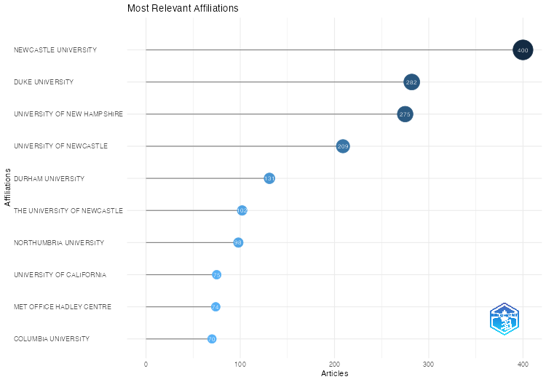
Affiliation | Articles
NEWCASTLE UNIVERSITY | 400
DUKE UNIVERSITY | 282
UNIVERSITY OF NEW HAMPSHIRE | 275
UNIVERSITY OF NEWCASTLE | 209
DURHAM UNIVERSITY | 131
THE UNIVERSITY OF NEWCASTLE | 102
NORTHUMBRIA UNIVERSITY | 98
UNIVERSITY OF CALIFORNIA | 75
MET OFFICE HADLEY CENTRE | 74
COLUMBIA UNIVERSITY | 70
UNIVERSITY OF LEEDS | 62
USDA FOREST SERVICE | 60
COLLEGE PARK | 58
UNIVERSITY OF MARYLAND | 57
TEESSIDE UNIVERSITY | 55
UNIVERSITY OF OXFORD | 54
NOAA/NESDIS NATIONAL CENTERS FOR ENVIRONMENTAL INFORMATION | 50
NASA GODDARD SPACE FLIGHT CENTER | 48
CSIRO ENERGY TECHNOLOGY | 47
UNIVERSITY OF EAST ANGLIA | 46
UNIVERSITY OF COLORADO | 45
EUROPEAN CENTRE FOR MEDIUM-RANGE WEATHER FORECASTS | 44
IMPERIAL COLLEGE LONDON | 42
UNIVERSITY OF ALASKA FAIRBANKS | 39
UNIVERSITY OF READING | 39
NORWEGIAN METEOROLOGICAL INSTITUTE | 37
UNIVERSITY OF ABERDEEN | 37
COLORADO STATE UNIVERSITY | 36
NASA LANGLEY RESEARCH CENTER | 35
UNIVERSITY OF BIRMINGHAM | 35
UNIVERSITY OF QUEENSLAND | 35
VIENNA UNIVERSITY OF TECHNOLOGY | 34
THE OHIO STATE UNIVERSITY | 33
UNIVERSITY OF COLORADO BOULDER | 32
UNIVERSITY OF DURHAM | 31
UNIVERSITY OF WASHINGTON | 31
UNIVERSITY OF WISCONSIN-MADISON | 31
NASA GODDARD INSTITUTE FOR SPACE STUDIES | 30
NATIONAL CENTERS FOR ENVIRONMENTAL INFORMATION | 30
UNIVERSITY OF NEW SOUTH WALES | 30
NATIONAL OCEANOGRAPHY CENTRE | 29
UNIVERSITY OF BRISTOL | 29
UNIVERSITY OF SHEFFIELD | 29
...

MostGlobCitDocs
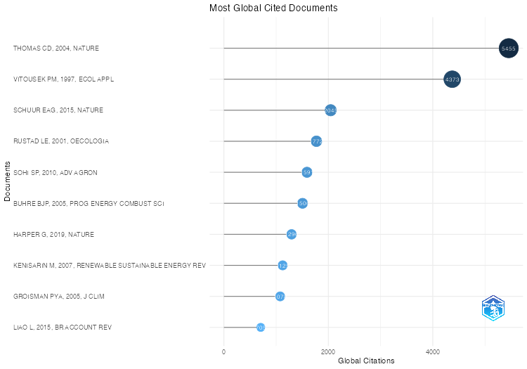
Paper | DOI | Total Citations | TC per Year | Normalized TC
THOMAS CD, 2004, NATURE | 10.1038/nature02121 | 5455 | 272.75 | 10.161197879
VITOUSEK PM, 1997, ECOL APPL | 10.1890/1051-0761(1997)007[0737:HAOTGN]2.0.CO;2 | 4373 | 161.96296296 | 1
SCHUUR EAG, 2015, NATURE | 10.1038/nature14338 | 2045 | 227.22222222 | 24.208228217
RUSTAD LE, 2001, OECOLOGIA | 10.1007/s004420000544 | 1772 | 77.043478261 | 3.6089613035
SOHI SP, 2010, ADV AGRON | 10.1016/S0065-2113(10)05002-9 | 1591 | 113.64285714 | 17.249362245
BUHRE BJP, 2005, PROG ENERGY COMBUST SCI | 10.1016/j.pecs.2005.07.001 | 1506 | 79.263157895 | 7.8379182156
HARPER G, 2019, NATURE | 10.1038/s41586-019-1682-5 | 1296 | 259.2 | 30.027459954
KENISARIN M, 2007, RENEWABLE SUSTAINABLE ENERGY REV | 10.1016/j.rser.2006.05.005 | 1125 | 66.176470588 | 8.8148873653
GROISMAN PYA, 2005, J CLIM | 10.1175/JCLI3339.1 | 1078 | 56.736842105 | 5.6104089219
LIAO L, 2015, BR ACCOUNT REV | 10.1016/j.bar.2014.01.002 | 705 | 78.333333333 | 8.3456239084
FENN ME, 1998, ECOL APPL | 10.1890/1051-0761(1998)008[0706:NEINAE]2.0.CO;2 | 652 | 25.076923077 | 2.9908256881
YVON-DUROCHER G, 2014, NATURE | 10.1038/nature13164 | 598 | 59.8 | 6.8274009402
WANG H, 2003, PROG ENERGY COMBUST SCI | 10.1016/S0360-1285(03)00042-X | 593 | 28.238095238 | 2.3531746032
HUNTER MC, 2017, BIOSCIENCE | 10.1093/biosci/bix010 | 533 | 76.142857143 | 8.4700598802
PRUDHOMME C, 2014, PROC NATL ACAD SCI U S A | 10.1073/pnas.1222473110 | 514 | 51.4 | 5.8683680322
BEAULIEU JJ, 2011, PROC NATL ACAD SCI U S A | 10.1073/pnas.1011464108 | 505 | 38.846153846 | 8.624288425
ALVAREZ RA, 2012, PROC NATL ACAD SCI U S A-a | 10.1073/pnas.1202407109 | 501 | 41.75 | 8.018672891
VAN DER WERF GR, 2004, SCIENCE | 10.1126/science.1090753 | 482 | 24.1 | 0.89783636624
DUTTON A, 2015, SCI | 10.1126/science.aaa4019 | 457 | 50.777777778 | 5.409858335
PUXTY G, 2009, ENVIRON SCI TECHNOL | 10.1021/es901376a | 440 | 29.333333333 | 5.5073759499
CHRISTENSEN TR, 2004, GEOPHYS RES LETT | 10.1029/2003GL018680 | 416 | 20.8 | 0.77489611692
FRIEDLINGSTEIN P, 2022, EARTH SYS SCI DATA | 10.5194/essd-14-1917-2022 | 413 | 206.5 | 31.421325648
VIJAY V, 2016, PLOS ONE | 10.1371/journal.pone.0159668 | 382 | 47.75 | 6.4636209814
CLARK PU, 2012, PROC NATL ACAD SCI U S A | 10.1073/pnas.1116619109 | 378 | 31.5 | 6.0500166722
GULLISON RE, 2007, SCIENCE | 10.1126/science.1136163 | 355 | 20.882352941 | 2.7815866797
SEARCHINGER TD, 2009, SCIENCE | 10.1126/science.1178797 | 351 | 23.4 | 4.3933839964
FRIELER K, 2017, GEOSCIENTIFIC MODEL DEV | 10.5194/gmd-10-4321-2017 | 333 | 47.571428571 | 5.2918010134
BULKELEY H, 2013, CITIES AND CLIMATE CHANGE | 10.4324/9780203077207 | 331 | 30.090909091 | 5.5287513691
FU R, 2013, PROC NATL ACAD SCI U S A | 10.1073/pnas.1302584110 | 331 | 30.090909091 | 5.5287513691
HAGEMANN N, 2017, NAT COMMUN | 10.1038/s41467-017-01123-0 | 325 | 46.428571429 | 5.1646706587
MCKINLEY DC, 2011, ECOL APPL | 10.1890/10-0697.1 | 323 | 24.846153846 | 5.5161290323
FROLKING S, 2011, ENVIRON REV | 10.1139/a11-014 | 313 | 24.076923077 | 5.3453510436
O'BRIEN CL, 2017, EARTH SCI REV | 10.1016/j.earscirev.2017.07.012 | 311 | 44.428571429 | 4.942192538
WIK M, 2016, NAT GEOSCI | 10.1038/ngeo2578 | 311 | 38.875 | 5.2622673435
JACKSON RB, 2014, ANNU REV ENVIRON RESOUR | 10.1146/annurev-environ-031113-144051 | 307 | 30.7 | 3.5050369375
HEGERL GC, 2006, NATURE | 10.1038/nature04679 | 307 | 17.055555556 | 3.5509989485
RECKIEN D, 2018, J CLEAN PROD | 10.1016/j.jclepro.2018.03.220 | 306 | 51 | 5.4605827874
WRIGHT C, 2017, ACAD MANAGE J | 10.5465/amj.2015.0718 | 297 | 42.428571429 | 4.7197144173
MARTIKAINEN PJ, 1993, | 10.1038/366051a0 | 296 | 9.5483870968 | 1
HUNTLEY B, 1991, ANN BOT | 10.1093/oxfordjournals.aob.a088205 | 294 | 8.9090909091 | 2
JACOB DJ, 2010, ATMOS CHEM PHYS | 10.5194/acp-10-5191-2010 | 285 | 20.357142857 | 3.0899234694
VAN DER WERF GR, 2008, PROC NATL ACAD SCI U S A | 10.1073/pnas.0803375105 | 283 | 17.6875 | 3.8936835522
LI C, 2005, CLIM CHANGE | 10.1007/s10584-005-6791-5 | 281 | 14.789473684 | 1.4624535316
...

MostFreqWords
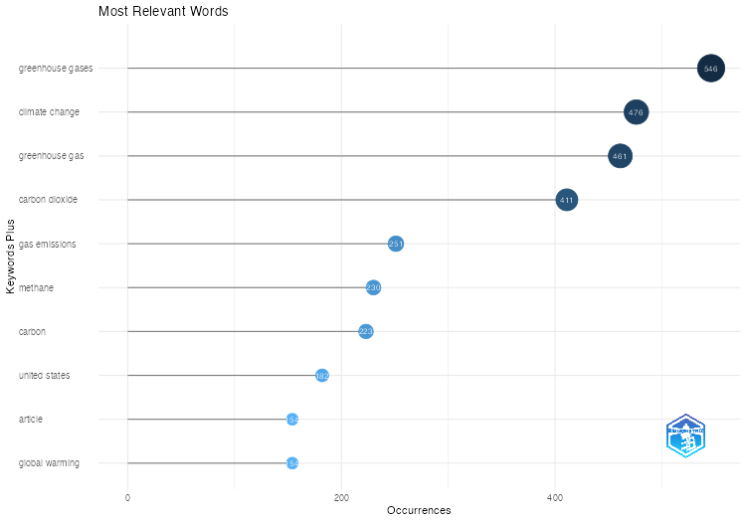
Words | Occurrences
greenhouse gases | 546
climate change | 476
greenhouse gas | 461
carbon dioxide | 411
gas emissions | 251
methane | 230
carbon | 223
united states | 182
article | 154
global warming | 154
nitrous oxide | 136
greenhouse effect | 130
carbon sequestration | 111
emission control | 105
soil | 104
carbon emission | 95
carbon footprint | 92
agriculture | 88
biomass | 88
environmental impact | 85
united kingdom | 85
nitrogen | 84
forestry | 83
ecosystem | 82
land use | 81
human | 80
sustainable development | 80
priority journal | 78
air pollution | 69
energy efficiency | 69
fossil fuels | 65
china | 64
life cycle | 60
biodiversity | 54
denitrification | 51
nitrogen oxides | 51
temperature | 49
carbon cycle | 48
environmental monitoring | 48
biogeochemistry | 47
australia | 45
uncertainty analysis | 44
organic carbon | 43
...

WordCloud
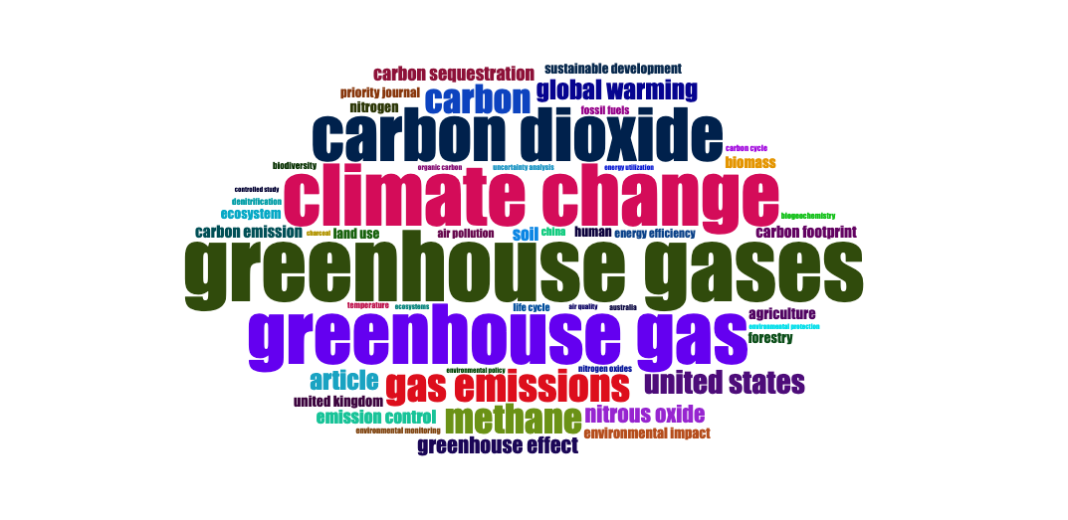
Terms | Frequency
greenhouse gases | 546
climate change | 476
greenhouse gas | 461
carbon dioxide | 411
gas emissions | 251
methane | 230
carbon | 223
united states | 182
article | 154
global warming | 154
nitrous oxide | 136
greenhouse effect | 130
carbon sequestration | 111
emission control | 105
soil | 104
carbon emission | 95
carbon footprint | 92
agriculture | 88
biomass | 88
environmental impact | 85
united kingdom | 85
nitrogen | 84
forestry | 83
ecosystem | 82
land use | 81
human | 80
sustainable development | 80
priority journal | 78
air pollution | 69
energy efficiency | 69
fossil fuels | 65
china | 64
life cycle | 60
biodiversity | 54
denitrification | 51
nitrogen oxides | 51
temperature | 49
carbon cycle | 48
environmental monitoring | 48
biogeochemistry | 47
australia | 45
uncertainty analysis | 44
organic carbon | 43
air quality | 42
ecosystems | 42
energy utilization | 42
environmental policy | 41
environmental protection | 41
...

TreeMap
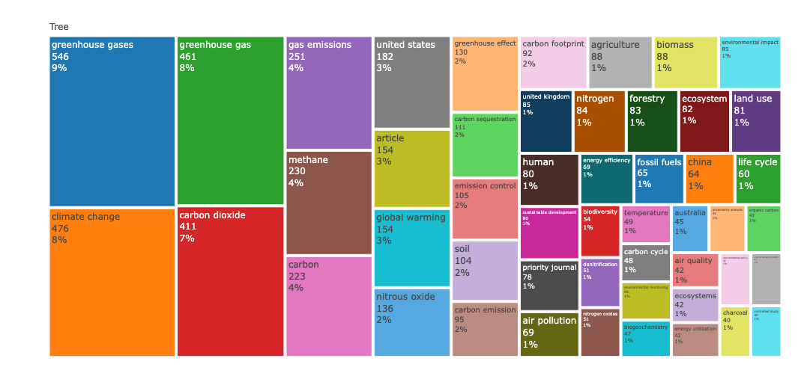
Terms | Frequency
greenhouse gases | 546
climate change | 476
greenhouse gas | 461
carbon dioxide | 411
gas emissions | 251
methane | 230
carbon | 223
united states | 182
article | 154
global warming | 154
nitrous oxide | 136
greenhouse effect | 130
carbon sequestration | 111
emission control | 105
soil | 104
carbon emission | 95
carbon footprint | 92
agriculture | 88
biomass | 88
environmental impact | 85
united kingdom | 85
nitrogen | 84
forestry | 83
ecosystem | 82
land use | 81
human | 80
sustainable development | 80
priority journal | 78
air pollution | 69
energy efficiency | 69
fossil fuels | 65
china | 64
life cycle | 60
biodiversity | 54
denitrification | 51
nitrogen oxides | 51
temperature | 49
carbon cycle | 48
environmental monitoring | 48
biogeochemistry | 47
australia | 45
uncertainty analysis | 44
organic carbon | 43
air quality | 42
ecosystems | 42
energy utilization | 42
environmental policy | 41
environmental protection | 41
...

WordFreqOverTime
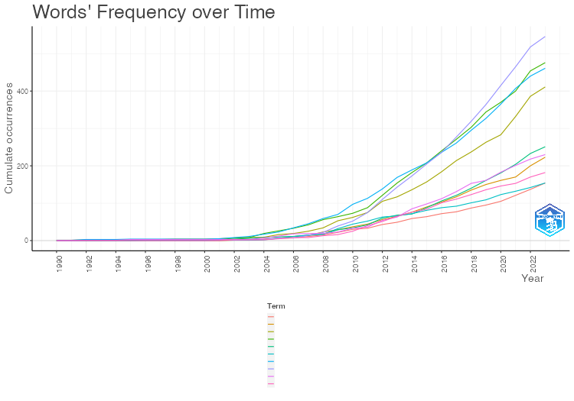
METHANE | CARBON | UNITED STATES | ARTICLE | GLOBAL WARMING
0 | 0 | 0 | 0 | 0
0 | 0 | 0 | 0 | 0
1 | 0 | 0 | 0 | 1
1 | 0 | 0 | 0 | 1
1 | 0 | 0 | 0 | 1
3 | 0 | 0 | 1 | 1
3 | 0 | 0 | 1 | 1
3 | 0 | 0 | 1 | 1
3 | 0 | 0 | 1 | 1
3 | 0 | 0 | 1 | 1
3 | 0 | 0 | 1 | 1
3 | 0 | 0 | 1 | 1
3 | 1 | 2 | 2 | 1
3 | 1 | 2 | 2 | 1
7 | 3 | 2 | 4 | 2
12 | 6 | 5 | 6 | 6
18 | 11 | 8 | 7 | 11
19 | 14 | 8 | 11 | 15
19 | 23 | 13 | 15 | 17
23 | 29 | 16 | 22 | 32
33 | 37 | 25 | 30 | 44
36 | 44 | 40 | 33 | 52
54 | 56 | 51 | 43 | 63
63 | 65 | 65 | 49 | 66
85 | 76 | 76 | 59 | 72
98 | 90 | 84 | 64 | 81
112 | 103 | 101 | 72 | 88
131 | 117 | 111 | 77 | 92
153 | 135 | 123 | 87 | 101
161 | 150 | 136 | 95 | 109
183 | 161 | 146 | 105 | 123
201 | 170 | 153 | 121 | 132
218 | 200 | 170 | 137 | 142
230 | 223 | 182 | 154 | 154

TrendTopics
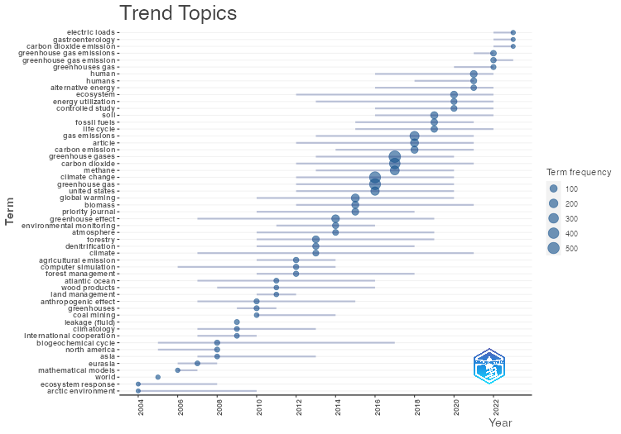
item | freq | year_q1 | year_med | year_q3
arctic environment | 5 | 2004 | 2004 | 2010
ecosystem response | 5 | 2004 | 2004 | 2008
world | 6 | 2005 | 2005 | 2005
mathematical models | 6 | 2006 | 2006 | 2007
eurasia | 11 | 2006 | 2007 | 2008
biogeochemical cycle | 18 | 2005 | 2008 | 2017
north america | 15 | 2005 | 2008 | 2008
asia | 10 | 2007 | 2008 | 2013
climatology | 13 | 2007 | 2009 | 2013
leakage (fluid) | 13 | 2009 | 2009 | 2009
international cooperation | 11 | 2007 | 2009 | 2010
anthropogenic effect | 16 | 2007 | 2010 | 2015
greenhouses | 15 | 2009 | 2010 | 2011
coal mining | 9 | 2010 | 2010 | 2014
atlantic ocean | 12 | 2007 | 2011 | 2016
land management | 8 | 2010 | 2011 | 2012
wood products | 8 | 2008 | 2011 | 2016
agricultural emission | 23 | 2010 | 2012 | 2014
computer simulation | 21 | 2006 | 2012 | 2014
forest management | 20 | 2010 | 2012 | 2018
forestry | 83 | 2010 | 2013 | 2019
denitrification | 51 | 2010 | 2013 | 2018
climate | 39 | 2007 | 2013 | 2021
greenhouse effect | 130 | 2007 | 2014 | 2019
environmental monitoring | 48 | 2011 | 2014 | 2016
atmosphere | 34 | 2010 | 2014 | 2019
global warming | 154 | 2010 | 2015 | 2020
biomass | 88 | 2012 | 2015 | 2021
priority journal | 78 | 2010 | 2015 | 2018
climate change | 476 | 2012 | 2016 | 2020
greenhouse gas | 461 | 2012 | 2016 | 2020
united states | 182 | 2012 | 2016 | 2020
greenhouse gases | 546 | 2013 | 2017 | 2020
carbon dioxide | 411 | 2012 | 2017 | 2021
methane | 230 | 2013 | 2017 | 2020
gas emissions | 251 | 2013 | 2018 | 2021
article | 154 | 2012 | 2018 | 2021
carbon emission | 95 | 2014 | 2018 | 2021
soil | 104 | 2016 | 2019 | 2022
fossil fuels | 65 | 2015 | 2019 | 2021
life cycle | 60 | 2015 | 2019 | 2022
ecosystem | 82 | 2012 | 2020 | 2022
energy utilization | 42 | 2013 | 2020 | 2022
...

CollabNet
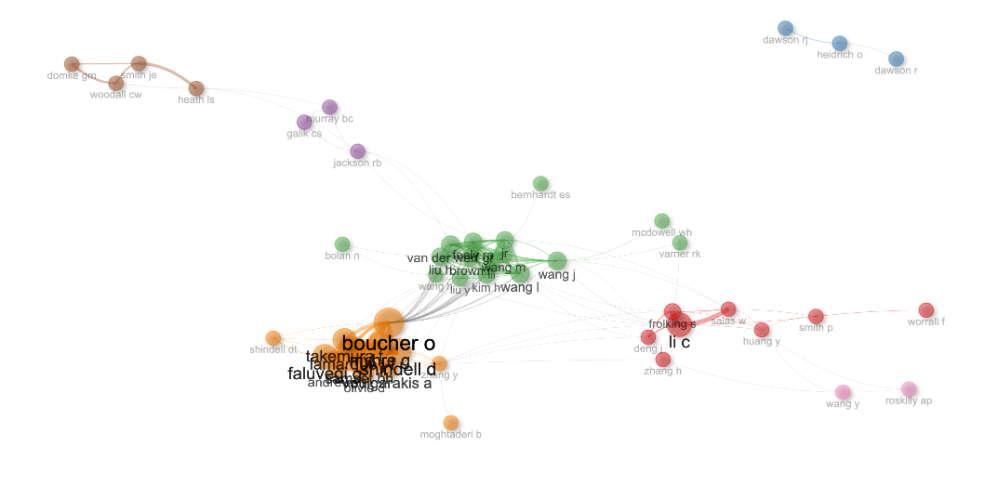
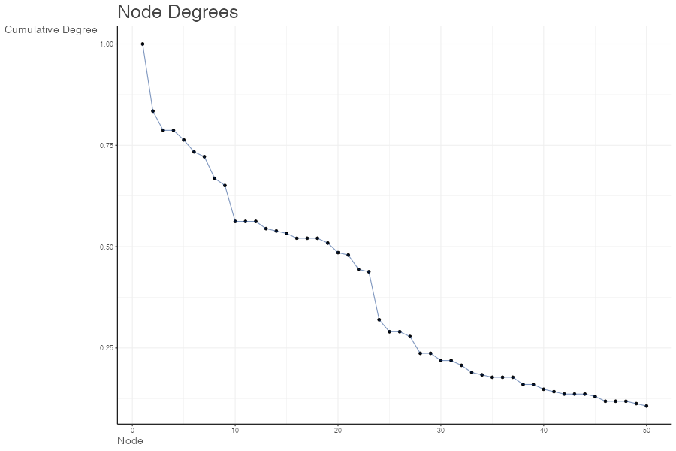
params | values
normalize | association
Title | Author Collaboration network
type | auto
label | TRUE
labelsize | 2
label.cex | TRUE
label.color | FALSE
label.n | 50
halo | FALSE
cluster | walktrap
community.repulsion | 0.05
size | 5
size.cex | TRUE
curved | FALSE
noloops | TRUE
remove.multiple | FALSE
remove.isolates | TRUE
edgesize | 15
edges.min | 1
alpha | 0.7
verbose | FALSE

Node | Cluster | Betweenness | Closeness | PageRank
li c | 1 | 83.534425634 | 0.010101010101 | 0.036567933337
frolking s | 1 | 14.412234844 | 0.0096153846154 | 0.024560067006
worrall f | 1 | 0 | 0.0058139534884 | 0.0072455801864
salas w | 1 | 27.154566317 | 0.0093457943925 | 0.019774699451
smith p | 1 | 44 | 0.0078125 | 0.014768314223
deng j | 1 | 1.4215091493 | 0.0093457943925 | 0.01470488329
zhang h | 1 | 22.453117775 | 0.0094339622642 | 0.0077292650761
huang y | 1 | 63.561395549 | 0.0088495575221 | 0.014697011694
heidrich o | 2 | 1 | 0.5 | 0.029784886928
dawson r | 2 | 0 | 0.33333333333 | 0.011500275786
dawson rj | 2 | 0 | 0.33333333333 | 0.019939327082
jr | 3 | 156.40565749 | 0.012048192771 | 0.030474402928
wang j | 3 | 182.50893163 | 0.011627906977 | 0.030474056782
liu y | 3 | 6.4433842345 | 0.011111111111 | 0.019131153548
mcdowell wh | 3 | 0 | 0.0078125 | 0.0057360392666
wang h | 3 | 33.69384451 | 0.011235955056 | 0.015243686114
bernhardt es | 3 | 0 | 0.007874015748 | 0.0034536978608
van der werf gr | 3 | 76.097675415 | 0.011494252874 | 0.029783823901
wang l | 3 | 52.171552711 | 0.011235955056 | 0.031890819977
wang m | 3 | 0.25981205086 | 0.010638297872 | 0.027949532233
brown r | 3 | 0.25981205086 | 0.010638297872 | 0.027949532233
iii | 3 | 0.20784964069 | 0.010638297872 | 0.025385645006
kim h | 3 | 35.08408968 | 0.010869565217 | 0.025935895776
liu h | 3 | 20.076099807 | 0.010752688172 | 0.029527858255
...

CountrySciProd
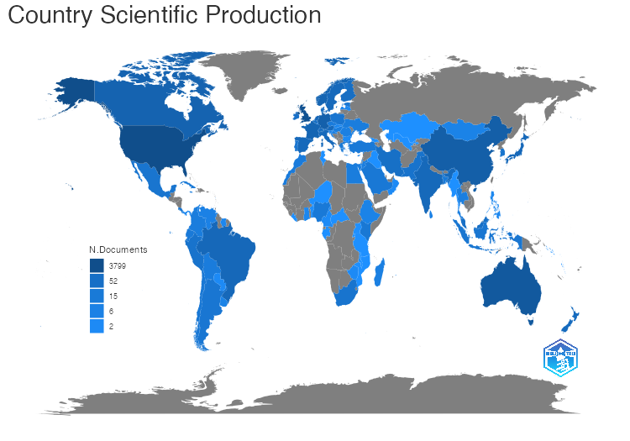
region | Freq
USA | 3799
UK | 2184
AUSTRALIA | 936
CHINA | 439
GERMANY | 364
CANADA | 253
FRANCE | 202
NORWAY | 196
NETHERLANDS | 143
JAPAN | 132
BRAZIL | 128
INDIA | 121
ITALY | 116
SPAIN | 115
SWEDEN | 110
AUSTRIA | 100
NEW ZEALAND | 89
DENMARK | 73
SWITZERLAND | 71
FINLAND | 65
BELGIUM | 58
MALAYSIA | 53
IRAN | 50
IRELAND | 46
PAKISTAN | 34
PERU | 34
SOUTH KOREA | 31
SOUTH AFRICA | 29
MEXICO | 27
POLAND | 26
PORTUGAL | 25
COSTA RICA | 24
INDONESIA | 23
SINGAPORE | 23
ARGENTINA | 22
ESTONIA | 20
KENYA | 19
CHILE | 18
SAUDI ARABIA | 18
CUBA | 17
GREECE | 17
NIGERIA | 16
TURKEY | 16
...

