11781743-done-PFS-Figures
patient | figure | pfs_months | censored | ATM | BRIP1 | CDK12 | CHEK2 | FANCA | NBN | PALB2 | RAD51 | RAD51B | RAD54L | BRCA2 | BRCA1
39 | 3A | 22.012872527 | censored | Bg
7 | 3A | 13.897156123 | progressed | Ug
33 | 3A | 12.819293028 | censored | Ug
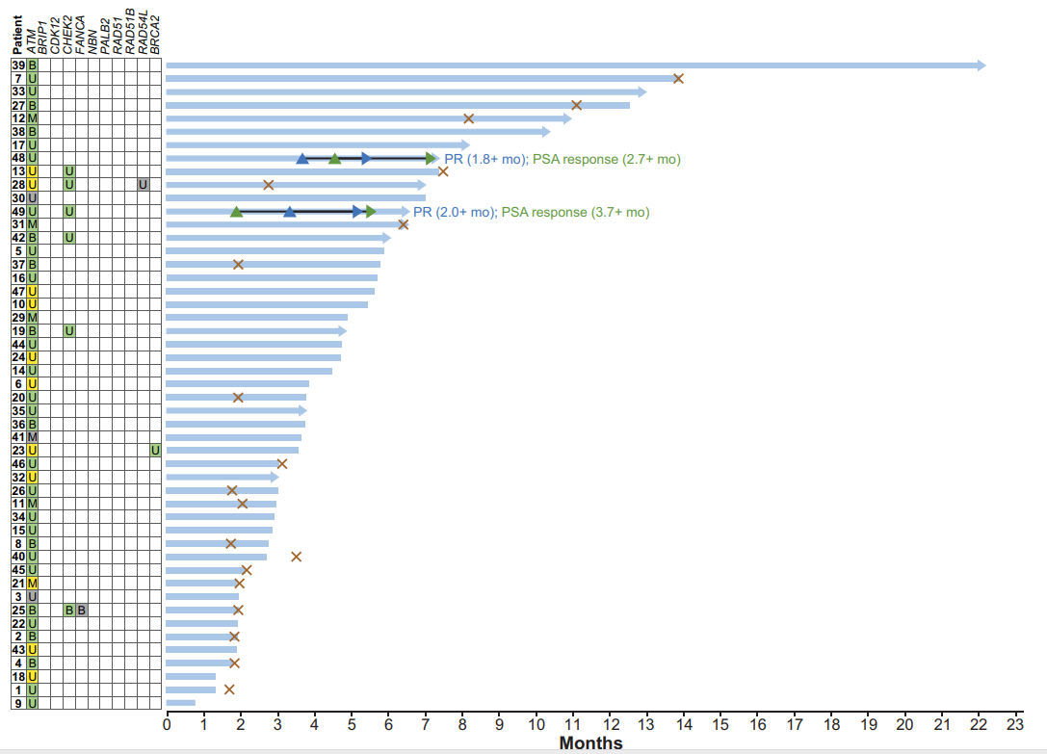
27 | 3A | 11.135758373 | progressed | Bg
12 | 3A | 8.216218288 | progressed | Mg
38 | 3A | 10.245641681 | censored | Bg
17 | 3A | 8.0435867701 | censored | Ug
48 | 3A | 7.2384604057 | censored | Ug
13 | 3A | 7.5301265343 | progressed | Uy |  |  | Ug
28 | 3A | 2.7810081962 | progressed | Uy |  |  | Ug |  |  |  |  |  | Un
30 | 3A | 7.0479274713 | censored | Un
49 | 3A | 6.4007627673 | censored | Ug |  |  | Ug
31 | 3A | 6.4425978195 | progressed | Mg
42 | 3A | 5.8849773383 | censored | Bg |  |  | Ug
5 | 3A | 5.9190386615 | censored | Ug
37 | 3A | 1.9757017384 | progressed | Bg
16 | 3A | 5.7438662462 | censored | Ug
47 | 3A | 5.6660118556 | censored | Uy
10 | 3A | 5.4859735682 | censored | Uy
29 | 3A | 4.9361268743 | censored | Mg
19 | 3A | 4.6928318781 | censored | Bg |  |  | Ug
44 | 3A | 4.7755521772 | censored | Ug
24 | 3A | 4.7512226783 | censored | Uy
14 | 3A | 4.5225253829 | censored | Ug
6 | 3A | 3.894824294 | censored | Uy
20 | 3A | 1.9708357935 | progressed | Ug
35 | 3A | 3.6174679746 | censored | Ug
36 | 3A | 3.797506262 | censored | Bg
41 | 3A | 3.685590621 | censored | Mn
23 | 3A | 3.6077362304 | censored | Uy |  |  |  |  |  |  |  |  |  | Ug
46 | 3A | 3.1629813776 | progressed | Ug
32 | 3A | 2.8535216846 | censored | Uy
26 | 3A | 1.8102612858 | progressed | Ug
11 | 3A | 2.0876175251 | progressed | Mg
34 | 3A | 2.9557055814 | censored | Ug
15 | 3A | 2.9070466419 | censored | Ug
8 | 3A | 1.7810657619 | progressed | Bg
40 | 3A | 2.7464719157 | censored | Ug
45 | 3A | 2.2092649103 | progressed | Ug
21 | 3A | 1.9951652997 | progressed | My
3 | 3A | 1.9922574428 | censored | Un
25 | 3A | 1.9805677562 | progressed | Bg |  |  | Bg | Bn
22 | 3A | 1.9679279366 | censored | Ug
2 | 3A | 1.8686519695 | progressed | Bg
43 | 3A | 1.9387325583 | censored | Uy
4 | 3A | 1.8783839322 | progressed | Bg
18 | 3A | 1.3645563 | censored | Uy
1 | 3A | 1.3 | censored | Ug
9 | 3A | 0.81470962068 | censored | Ug
56 | 3B | 12.828547896 | censored |  |  | Bn
62 | 3B | 7.4918760658 | progressed |  |  | Bn | Ug
64 | 3B | 8.1299435304 | progressed |  |  | Bn
61 | 3B | 1.9252866008 | progressed |  |  | Bn
51 | 3B | 5.6117836003 | censored |  |  | Mn
58 | 3B | 3.7514799717 | progressed |  |  | Un
57 | 3B | 4.7756950209 | censored |  |  | Bn
63 | 3B | 4.5891596005 | censored |  |  | Bn
54 | 3B | 4.2157677014 | censored |  |  | Un
55 | 3B | 3.6205727092 | censored |  |  | Bn
59 | 3B | 3.5806726599 | progressed |  |  | Mn
60 | 3B | 2.7844319785 | censored |  |  | Mn | By
53 | 3B | 1.9976465037 | progressed |  |  | Bn
50 | 3B | 1.9354145068 | progressed |  |  | Un
52 | 3B | 1.6448087127 | censored |  |  | Bn
62 | 3C | 7.3962315113 | progressed |  |  | Bn | Ug
13 | 3C | 7.4038108924 | progressed | Uy |  |  | Ug
28 | 3C | 2.7064928494 | progressed | Uy |  |  | Ug |  |  |  |  |  | Un
49 | 3C | 6.2800414705 | censored | Ug |  |  | Ug
42 | 3C | 5.7194050555 | censored | Bg |  |  | Ug
19 | 3C | 4.57729564 | censored | Bg |  |  | Ug
66 | 3C | 4.406756051 | censored |  |  |  | By | Bn | By
68 | 3C | 3.6651491366 | censored |  |  |  | Uy |  |  |  |  |  |  | Ug
60 | 3C | 2.759668613 | censored |  |  | Mn | By
25 | 3C | 1.9046575981 | progressed | Bg |  |  | Bg | Bn
67 | 3C | 1.6680145467 | censored |  | Mg |  | Mg
65 | 3C | 1.0438351944 | censored |  |  |  | Uy
77 | 3D | 13.637895179 | censored |  |  |  |  | Mn
78 | 3D | 13.570876327 | censored |  | My
76 | 3D | 12.930006505 | censored |  |  |  |  |  |  | By
75 | 3D | 7.5601040377 | censored |  |  |  |  |  |  |  |  | Un
72 | 3D | 7.4093109559 | censored |  |  |  |  |  | By
28 | 3D | 2.6665206373 | progressed | Uy |  |  | Ug |  |  |  |  |  | Un
74 | 3D | 6.4542894787 | censored |  |  |  |  |  |  | Uy
66 | 3D | 4.4185854454 | censored |  |  |  | By | Bn | By
71 | 3D | 3.4635637909 | censored |  |  |  |  |  | Ug
73 | 3D | 3.6646210116 | censored |  |  |  |  |  | Mg
70 | 3D | 2.7514862583 | censored |  |  |  |  | Un
69 | 3D | 2.0980504048 | censored
25 | 3D | 1.8455370767 | progressed | Bg |  |  | Bg | Bn
67 | 3D | 1.5954074194 | censored |  | Mg |  | Mg

11781739-done-figure-1B
patient_id | psa_updown | BRCA1 | BRCA2 | psa_response | Ongoing
1 | up |  | somatic | FALSE
2 | up | somatic |  | FALSE
3 | up |  | somatic | FALSE
4 | up |  | somatic | FALSE
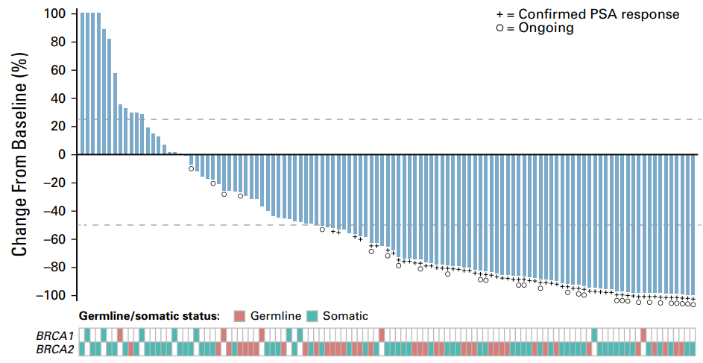
5 | up | somatic |  | FALSE
6 | up |  | somatic | FALSE
7 | up |  | somatic | FALSE
8 | up | germline |  | FALSE
9 | up |  | somatic | FALSE
10 | up |  | germline | FALSE
11 | up |  | somatic | FALSE
12 | up | somatic |  | FALSE
13 | up |  | somatic | FALSE
14 | up |  | somatic | FALSE
15 | up |  | somatic | FALSE
16 | up |  | somatic | FALSE
17 | up |  | somatic | FALSE
18 | up | somatic |  | FALSE
19 | up |  | somatic | FALSE
20 | up |  | somatic | FALSE
21 | down |  | somatic |  | TRUE
22 | down | somatic |  | FALSE
23 | down |  | somatic | FALSE
24 | down |  | somatic | FALSE
25 | down |  | somatic |  | TRUE
26 | down |  | germline | FALSE
27 | down | germline |  |  | TRUE
28 | down |  | germline | FALSE
29 | down |  | somatic | FALSE
30 | down |  | germline |  | TRUE
31 | down |  | germline | FALSE
32 | down |  | germline | FALSE
33 | down |  | germline | FALSE
34 | down | germline |  | FALSE
35 | down |  | somatic | FALSE
36 | down |  | somatic | FALSE
37 | down |  | somatic | FALSE
38 | down |  | germline | FALSE
39 | down | somatic |  | FALSE
40 | down |  | somatic | FALSE
41 | down | somatic |  | FALSE
42 | down |  | germline | FALSE
43 | down |  | somatic | FALSE
44 | down |  | germline | FALSE
45 | down |  | somatic |  | TRUE
46 | down |  | germline | TRUE
47 | down |  | germline | TRUE
48 | down |  | germline | TRUE
49 | down |  | germline | TRUE
50 | down |  | somatic | TRUE
51 | down |  | germline | TRUE
52 | down |  | germline | TRUE
53 | down |  | somatic | TRUE
54 | down |  | germline | TRUE | TRUE
55 | down |  | somatic | TRUE
56 | down | germline |  | TRUE
57 | down |  | somatic | TRUE | TRUE
58 | down |  | somatic | TRUE
59 | down |  | somatic | TRUE | TRUE
60 | down |  | somatic | TRUE
61 | down |  | somatic | TRUE
62 | down |  | germline | TRUE
63 | down |  | germline | TRUE | TRUE
64 | down |  | germline | TRUE
65 | down |  | somatic | TRUE
66 | down |  | germline | TRUE
67 | down |  | germline | TRUE
68 | down |  | somatic | TRUE | TRUE
69 | down |  | somatic | TRUE
70 | down |  | somatic | TRUE
71 | down |  | germline | TRUE
72 | down |  | germline | TRUE
73 | down |  | germline | TRUE
74 | down |  | somatic | TRUE | TRUE
75 | down |  | somatic | TRUE | TRUE
76 | down |  | germline | TRUE
77 | down |  | germline | TRUE
78 | down |  | germline | TRUE
79 | down |  | germline | TRUE
80 | down |  | somatic | TRUE
81 | down |  | somatic | TRUE | TRUE
82 | down |  | somatic | TRUE | TRUE
83 | down |  | somatic | TRUE
84 | down |  | germline | TRUE
85 | down |  | somatic | TRUE | TRUE
86 | down |  | germline | TRUE
87 | down |  | somatic | TRUE
88 | down |  | germline | TRUE
89 | down |  | somatic | TRUE
90 | down |  | somatic | TRUE | TRUE
91 | down |  | somatic | TRUE
92 | down |  | somatic | TRUE | TRUE
93 | down |  | somatic | TRUE | TRUE
94 | down |  | germline | TRUE
95 | down | somatic |  | TRUE
96 | down |  | somatic | TRUE
97 | down |  | somatic | TRUE
98 | down |  | somatic | TRUE
99 | down |  | somatic | TRUE | TRUE
100 | down |  | somatic | TRUE | TRUE
101 | down |  | somatic | TRUE | TRUE
102 | down |  | somatic | TRUE
103 | down |  | germline | TRUE | TRUE
104 | down | germline |  | TRUE
105 | down |  | somatic | TRUE | TRUE
106 | down |  | germline | TRUE
107 | down |  | somatic | TRUE | TRUE
108 | down |  | germline | TRUE
109 | down |  | somatic | TRUE | TRUE
110 | down |  | germline | TRUE | TRUE
111 | down |  | germline | TRUE | TRUE
112 | down |  | somatic | TRUE | TRUE
113 | down |  | somatic | TRUE | TRUE

11781739-done-figure-S3
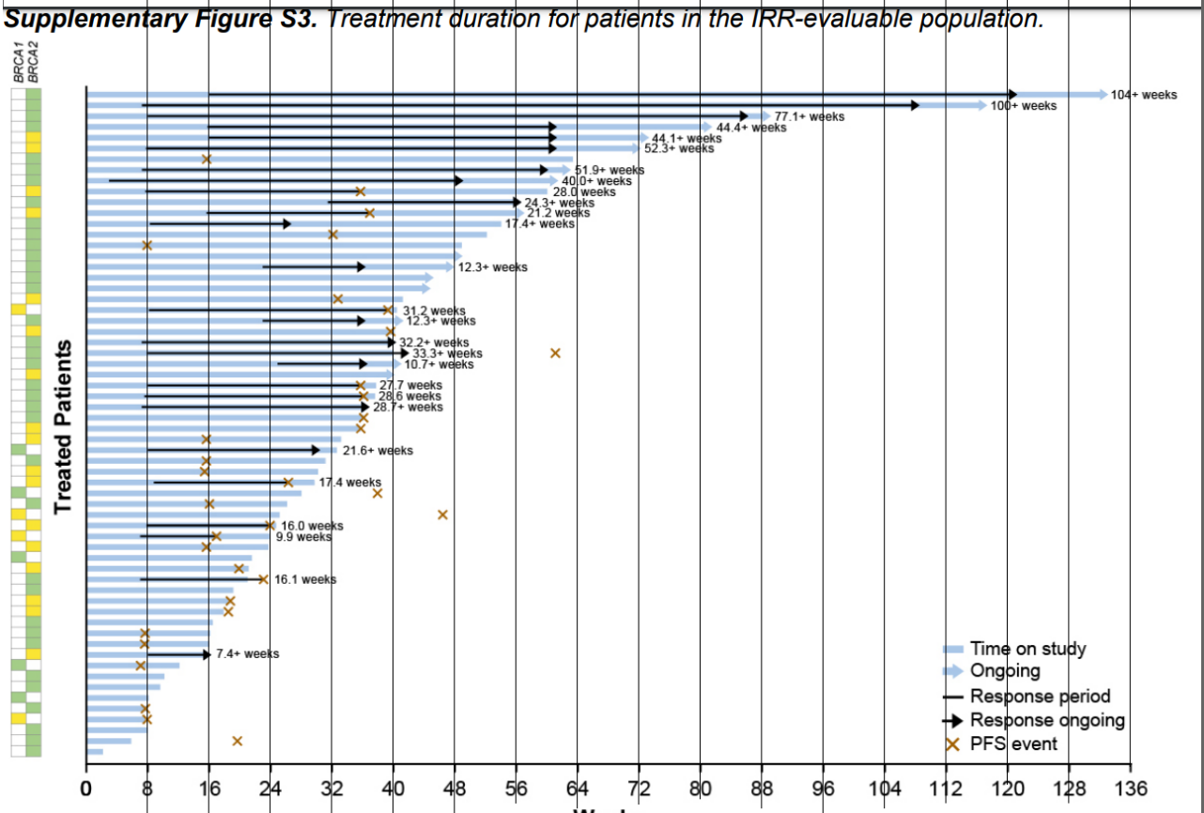
patient_id | pfs_weeks | censored | BRCA1 | BRCA2
1 | 133 | censored | n | g
2 | 117 | censored | n | g
3 | 89 | censored | n | g
4 | 81 | censored | n | g
5 | 73 | censored | n | y
6 | 72 | censored | n | y
7 | 16 | progressed | n | g
8 | 63 | censored | n | g
9 | 61 | censored | n | g
10 | 36 | progressed | n | y
11 | 57 | censored | n | g
12 | 37 | progressed | n | y
13 | 54 | censored | n | g
14 | 33 | progressed | n | g
15 | 8 | progressed | n | g
16 | 48 | censored | n | g
17 | 47 | censored | n | g
18 | 45 | censored | n | g
19 | 44 | censored | n | g
20 | 33 | progressed | n | y
21 | 40 | progressed | y | n
22 | 41 | censored | n | g
23 | 40 | progressed | n | y
24 | 40 | censored | n | g
25 | 42 | censored | n | g
26 | 41 | censored | n | g
27 | 40 | censored | n | y
28 | 36 | progressed | n | g
29 | 37 | progressed | n | g
30 | 37 | censored | n | g
31 | 37 | progressed | n | g
32 | 36 | progressed | n | y
33 | 16 | progressed | n | y
34 | 33 | censored | g | n
35 | 16 | progressed | n | g
36 | 16 | progressed | n | y
37 | 27 | progressed | n | y
38 | 28 | censored | g | n
39 | 16 | progressed | n | g
40 | 26 | censored | y | n
41 | 24 | progressed | n | y
42 | 17 | progressed | y | n
43 | 16 | progressed | n | y
44 | 22 | censored | g | n
45 | 20 | progressed | n | y
46 | 23 | progressed | n | g
47 | 20 | censored | n | g
48 | 19 | progressed | n | y
49 | 19 | progressed | n | y
50 | 17 | censored | n | g
51 | 8 | progressed | n | g
52 | 8 | progressed | n | g
53 | 16 | censored | n | y
54 | 7 | progressed | g | n
55 | 10 | censored | n | g
56 | 10 | censored | n | g
57 | 8 | censored | g | n
58 | 8 | progressed | n | g
59 | 8 | progressed | y | n
60 | 8 | censored | n | g
61 | 6 | censored | n | g
62 | 2 | censored | n | g

11781750-done-table-s5
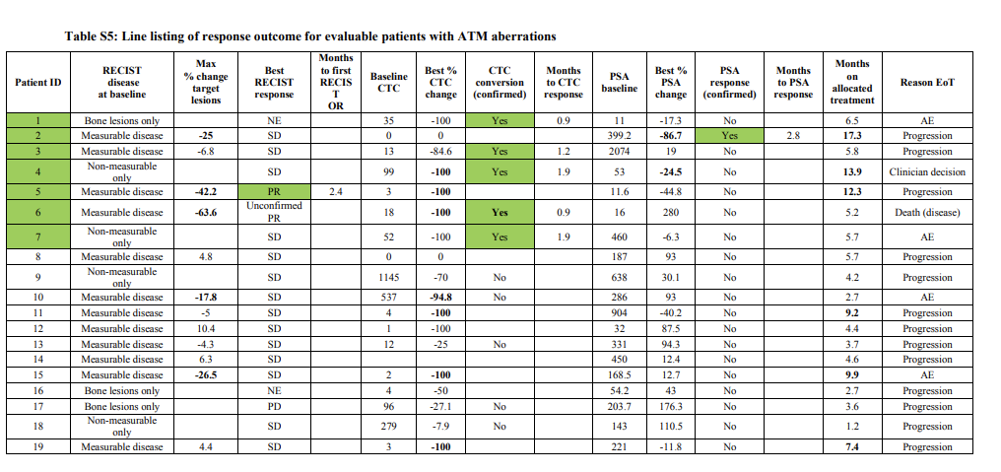
Patient ID | gene_alteration | RECIST disease at baseline | Max % change target lesions | Best RECIST response | Months to first RECISTOR | Baseline CTC | Best % CTC change | CTC conversion (confirmed) | Months to CTC response | PSA baseline | Best % PSA change | PSA response (confirmed) | Months to PSA response | Months on allocated treatment | Reason EoT
1 | ATM | bone-lesions only |  | NE |  | 35 | -100 | yes | 0.9 | 11 | -17.3 | no |  | 6.5 | AE
2 | ATM | measurable disease | -25 | SD |  | 0 | 0 |  |  | 399.2 | -86.7 | yes | 2.8 | 17.3 | progression
3 | ATM | measurable disease | -6.8 | SD |  | 13 | -84.6 | yes | 1.2 | 2074 | 19 | no |  | 5.8 | progression
4 | ATM | non-measurable disease |  | SD |  | 99 | -100 | yes | 1.9 | 53 | -24.5 | no |  | 13.9 | clinician decision
5 | ATM | measurable disease | -42.2 | PR | 2.4 | 3 | -100 |  |  | 11.6 | -44.8 | no |  | 12.3 | progression
6 | ATM | measurable disease | -63.6 | unconfirmed PR |  | 18 | -100 | yes | 0.9 | 16 | 280 | no |  | 5.2 | death (disease)
7 | ATM | non-measurable disease |  | SD |  | 52 | -100 | yes | 1.9 | 460 | -6.3 | no |  | 5.7 | AE
8 | ATM | measurable disease | 4.8 | SD |  | 0 | 0 |  |  | 187 | 93 | no |  | 5.7 | progression
9 | ATM | non-measurable disease |  | SD |  | 1145 | -70 | no |  | 638 | 30.1 | no |  | 4.2 | progression
10 | ATM | measurable disease | -17.8 | SD |  | 537 | -94.8 | no |  | 286 | 93 | no |  | 2.7 | AE
11 | ATM | measurable disease | -5 | SD |  | 4 | -100 |  |  | 904 | -40.2 | no |  | 9.2 | progression
12 | ATM | measurable disease | 10.4 | SD |  | 1 | -100 |  |  | 32 | 87.5 | no |  | 4.4 | progression
13 | ATM | measurable disease | -4.3 | SD |  | 12 | -25 | no |  | 331 | 94.3 | no |  | 3.7 | progression
14 | ATM | measurable disease | 6.3 | SD |  |  |  |  |  | 450 | 12.4 | no |  | 4.6 | progression
15 | ATM | measurable disease | -26.5 | SD |  | 2 | -100 |  |  | 168.5 | 12.7 | no |  | 9.9 | AE
16 | ATM | bone-lesions only |  | NE |  | 4 | -50 |  |  | 54.2 | 43 | no |  | 2.7 | progression
17 | ATM | bone-lesions only |  | PD |  | 96 | -27.1 | no |  | 203.7 | 176.3 | no |  | 3.6 | progression
18 | ATM | non-measurable disease |  | SD |  | 279 | -7.9 | no |  | 143 | 110.5 | no |  | 1.2 | progression
19 | ATM | measurable disease | 4.4 | SD |  | 3 | -100 |  |  | 221 | -11.8 | no |  | 7.4 | progression

11781750-done-table-s6
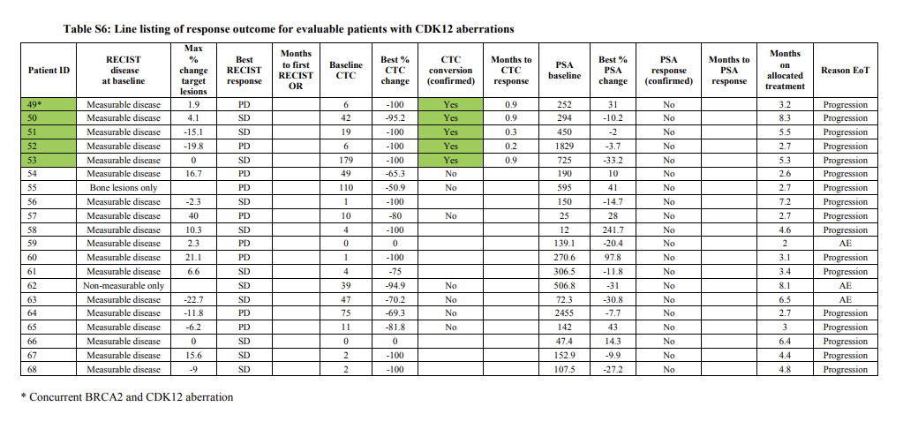
Patient ID | gene_alteration | RECIST disease at baseline | Max % change target lesions | Best RECIST response | Months to first RECISTOR | Baseline CTC | Best % CTC change | CTC conversion (confirmed) | Months to CTC response | PSA baseline | Best % PSA change | PSA response (confirmed) | Months to PSA response | Months on allocated treatment | Reason EoT
49* | CDK12 | measurable disease | 1.9 | PD |  | 6 | -100 | yes | 0.9 | 252 | 31 | no |  | 3.2 | progression
50 | CDK12 | measurable disease | 4.1 | SD |  | 42 | -95.2 | yes | 0.9 | 294 | -10.2 | no |  | 8.3 | progression
51 | CDK12 | measurable disease | -15.1 | SD |  | 19 | -100 | yes | 0.3 | 450 | -2 | no |  | 5.5 | progression
52 | CDK12 | measurable disease | -19.8 | PD |  | 6 | -100 | yes | 0.2 | 1829 | -3.7 | no |  | 2.7 | progression
53 | CDK12 | measurable disease | 0 | SD |  | 179 | -100 | yes | 0.9 | 725 | -33.2 | no |  | 5.3 | progression
54 | CDK12 | measurable disease | 16.7 | PD |  | 49 | -65.3 | no |  | 190 | 10 | no |  | 2.6 | progression
55 | CDK12 | bone lesions only |  | PD |  | 110 | -50.9 | no |  | 595 | 41 | no |  | 2.7 | progression
56 | CDK12 | measurable disease | -2.3 | SD |  | 1 | -100 |  |  | 150 | -14.7 | no |  | 7.2 | progression
57 | CDK12 | measurable disease | 40 | PD |  | 10 | -80 | no |  | 25 | 28 | no |  | 2.7 | progression
58 | CDK12 | measurable disease | 10.3 | SD |  | 4 | -100 |  |  | 12 | 241.7 | no |  | 4.6 | progression
59 | CDK12 | measurable disease | 2.3 | PD |  | 0 | 0 |  |  | 139.1 | -20.4 | no |  | 2 | AE
60 | CDK12 | measurable disease | 21.1 | PD |  | 1 | -100 |  |  | 270.6 | 97.8 | no |  | 3.1 | progression
61 | CDK12 | measurable disease | 6.6 | SD |  | 4 | -75 |  |  | 306.5 | -11.8 | no |  | 3.4 | progression
62 | CDK12 | non-measurable disease |  | SD |  | 39 | -94.9 | no |  | 506.8 | -31 | no |  | 8.1 | AE
63 | CDK12 | measurable disease | -22.7 | SD |  | 47 | -70.2 | no |  | 72.3 | -30.8 | no |  | 6.5 | AE
64 | CDK12 | measurable disease | -11.8 | PD |  | 75 | -69.3 | no |  | 2455 | -7.7 | no |  | 2.7 | progression
65 | CDK12 | measurable disease | -6.2 | PD |  | 11 | -81.8 | no |  | 142 | 43 | no |  | 3 | progression
66 | CDK12 | measurable disease | 0 | SD |  | 0 | 0 |  |  | 47.4 | 14.3 | no |  | 6.4 | progression
67 | CDK12 | measurable disease | 15.6 | SD |  | 2 | -100 |  |  | 152.9 | -9.9 | no |  | 4.4 | progression
68 | CDK12 | measurable disease | -9 | SD |  | 2 | -100 |  |  | 107.5 | -27.2 | no |  | 4.8 | progression

11781747-done-figure-1
patient_id | weeks_on_treatment | clinical_response | biomarker_positive | BRCA2 | ATM | FANCA | CHEK2 | BRCA1 | PALB2 | HDAC2 | RAD51 | MLH3 | ERCC3 | MRE11 | NBN
17 | 24 | TRUE | TRUE | frameshift,single_copy_deletion | none | none | none | none | none | none | none | none | single_copy_deletion | none | none
15 | 36 | TRUE | TRUE | frameshift,germline,single_copy_deletion | none | none | none | none | none | none | none | none | none | none | none
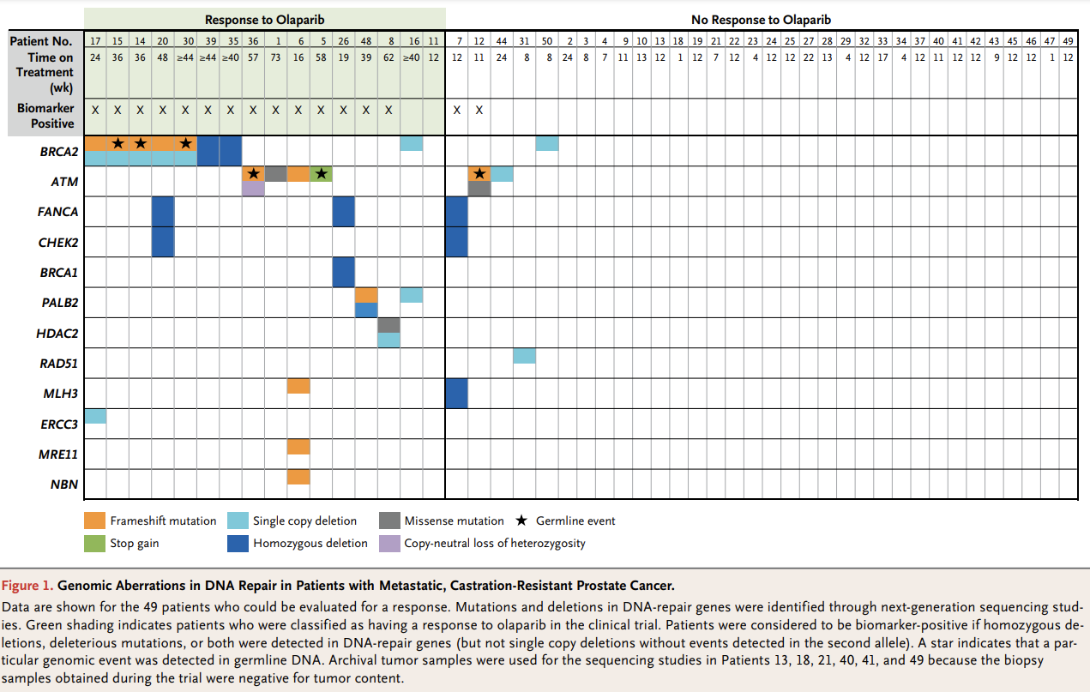
14 | 36 | TRUE | TRUE | frameshift,germline,single_copy_deletion | none | none | none | none | none | none | none | none | none | none | none
20 | 48 | TRUE | TRUE | frameshift,single_copy_deletion | none | homozygous_deletion | homozygous_deletion | none | none | none | none | none | none | none | none
30 | 44+ | TRUE | TRUE | frameshift,single_copy_deletion,germline_event | none | none | none | none | none | none | none | none | none | none | none
39 | 44+ | TRUE | TRUE | homozygous_deletion | none | none | none | none | none | none | none | none | none | none | none
35 | 40+ | TRUE | TRUE | homozygous_deletion | none | none | none | none | none | none | none | none | none | none | none
36 | 57 | TRUE | TRUE | none | frameshift_mutation,germline_event,copy_neutral_loss_of_heterozygosity | none | none | none | none | none | none | none | none | none | none
1 | 73 | TRUE | TRUE | none | missense_mutation | none | none | none | none | none | none | none | none | none | none
6 | 16 | TRUE | TRUE | none | frameshift_mutation | none | none | none | none | none | none | frameshift_mutation | none | frameshift_mutation | frameshift_mutation
5 | 58 | TRUE | TRUE | none | stop_gain,germline_event | none | none | none | none | none | none | none | none | none | none
26 | 19 | TRUE | TRUE | none | none | homozygous_deletion | none | homozygous_deletion | none | none | none | none | none | none | none
48 | 39 | TRUE | TRUE | none | none | none | none | none | frameshift_mutation,single_copy_deletion | none | none | none | none | none | none
8 | 62 | TRUE | TRUE | none | none | none | none | none | none | missense_mutation,single_copy_deletion | none | none | none |  | none
16 | 40+ | TRUE | FALSE | single_copy_deletion | none | none | none | none | single_copy_deletion | none | none | none | none | none | none
11 | 12 | TRUE | FALSE | none | none | none | none | none | none | none | none | none | none | none | none
7 | 12 | FALSE | TRUE | none | none | homozygous_deletion | homozygous_deletion | none | none | none | none | homozygous_deletion | none | none | none
12 | 11 | FALSE | TRUE | none | missense_mutation,germline_event,frameshift_mutation | none | none | none | none | none | none | none | none | none | none
44 | 24 | FALSE | FALSE | none | single_copy_deletion | none | none | none | none | none | none | none | none | none | none
31 | 8 | FALSE | FALSE | none | none | none | none | none | none | none | single_copy_deletion | none | none | none | none
50 | 8 | FALSE | FALSE | single_copy_deletion | none | none | none | none | none | none | none | none | none | none | none
2 | 24 | FALSE | FALSE | none | none | none | none | none | none | none | none | none | none | none | none
3 | 8 | FALSE | FALSE | none | none | none | none | none | none | none | none | none | none | none | none
4 | 7 | FALSE | FALSE | none | none | none | none | none | none | none | none | none | none | none | none
9 | 11 | FALSE | FALSE | none | none | none | none | none | none | none | none | none | none | none | none
10 | 13 | FALSE | FALSE | none | none | none | none | none | none | none | none | none | none | none | none
13 | 12 | FALSE | FALSE | none | none | none | none | none | none | none | none | none | none | none | none
18 | 1 | FALSE | FALSE | none | none | none | none | none | none | none | none | none | none | none | none
19 | 12 | FALSE | FALSE | none | none | none | none | none | none | none | none | none | none | none | none
21 | 7 | FALSE | FALSE | none | none | none | none | none | none | none | none | none | none | none | none
22 | 12 | FALSE | FALSE | none | none | none | none | none | none | none | none | none | none | none | none
23 | 4 | FALSE | FALSE | none | none | none | none | none | none | none | none | none | none | none | none
24 | 12 | FALSE | FALSE | none | none | none | none | none | none | none | none | none | none | none | none
25 | 12 | FALSE | FALSE | none | none | none | none | none | none | none | none | none | none | none | none
27 | 22 | FALSE | FALSE | none | none | none | none | none | none | none | none | none | none | none | none
28 | 13 | FALSE | FALSE | none | none | none | none | none | none | none | none | none | none | none | none
29 | 4 | FALSE | FALSE | none | none | none | none | none | none | none | none | none | none | none | none
32 | 12 | FALSE | FALSE | none | none | none | none | none | none | none | none | none | none | none | none
33 | 17 | FALSE | FALSE | none | none | none | none | none | none | none | none | none | none | none | none
34 | 4 | FALSE | FALSE | none | none | none | none | none | none | none | none | none | none | none | none
37 | 12 | FALSE | FALSE | none | none | none | none | none | none | none | none | none | none | none | none
40 | 11 | FALSE | FALSE | none | none | none | none | none | none | none | none | none | none | none | none
41 | 12 | FALSE | FALSE | none | none | none | none | none | none | none | none | none | none | none | none
42 | 12 | FALSE | FALSE | none | none | none | none | none | none | none | none | none | none | none | none
43 | 9 | FALSE | FALSE | none | none | none | none | none | none | none | none | none | none | none | none
45 | 12 | FALSE | FALSE | none | none | none | none | none | none | none | none | none | none | none | none
46 | 12 | FALSE | FALSE | none | none | none | none | none | none | none | none | none | none | none | none
47 | 1 | FALSE | FALSE | none | none | none | none | none | none | none | none | none | none | none | none
49 | 12 | FALSE | FALSE | none | none | none | none | none | none | none | none | none | none | none | none

11781747-done-table-2
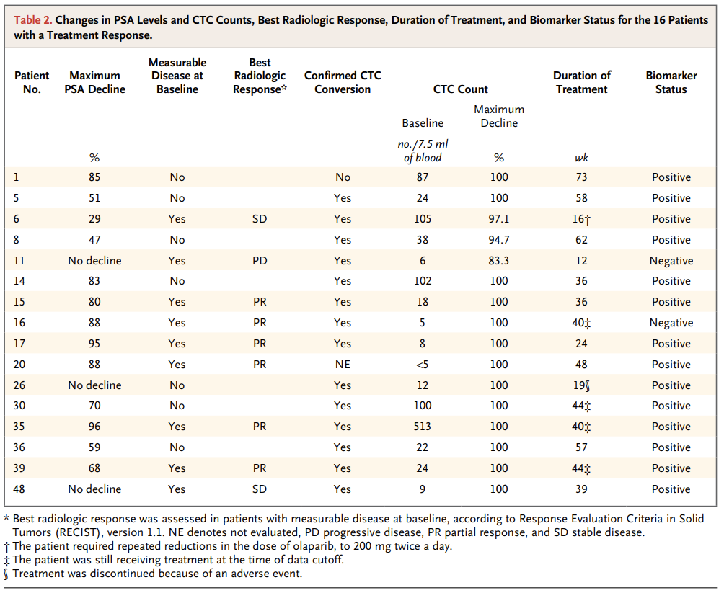
patient_id | max_psa_decline | measurable_disease_at_baseline | best_radiologic_response | confirmed_ctc_conversion | ctc_count_baseline | ctc_count_max_decline | duration_treatment | biomarker_status
1 | 85 | No |  | No | 87 | 100 | 73 | Positive
5 | 51 | No |  | Yes | 24 | 100 | 58 | Positive
6 | 29 | Yes | SD | Yes | 105 | 97.1 | 16† | Positive
8 | 47 | No |  | Yes | 38 | 94.7 | 62 | Positive
11 | no decline | Yes | PD | Yes | 6 | 83.3 | 12 | Negative
14 | 83 | No |  | Yes | 102 | 100 | 36 | Positive
15 | 80 | Yes | PR | Yes | 18 | 100 | 36 | Positive
16 | 88 | Yes | PR | Yes | 5 | 100 | 40‡ | Negative
17 | 95 | Yes | PR | Yes | 8 | 100 | 24 | Positive
20 | 88 | Yes | PR | NE | <5 | 100 | 48 | Positive
26 | no decline | No |  | Yes | 12 | 100 | 19§ | Positive
30 | 70 | No |  | Yes | 100 | 100 | 44‡ | Positive
35 | 96 | Yes | PR | Yes | 513 | 100 | 40‡ | Positive
36 | 59 | No |  | Yes | 22 | 100 | 57 | Positive
39 | 68 | Yes | PR | Yes | 24 | 100 | 44‡ | Positive
48 | no decline | Yes | SD | Yes | 9 | 100 | 39 | Positive

11781748-Figure-2
patient_id | TP53 | RB1 | MDM2 | CDKN2A | CDKN1B | MYC | CCND1 | PTEN | PIK3R1 | PIK3CA | PIK3CB | AKT1 | APC | CTNNB1 | RNF43 | BRCA2 | BRCA1 | ATM | CDK12 | MSH2 | MSH6 | MLH1 | FANCA | FOXA1 | FOXP1 | ZBTB16 | KMT2C | KMT2D | CHD1 | KDM6A | SPOP | NKX3-1 | ZFHX3
30 | 1 2 2 | 2 2 2 | 0 0 0 | 0 0 0 | 2 2 2 | 2 2 2 | 2 2 2 | 4 4 4 | 2 2 2 | 3 3 3 | 3 3 3 | 3 3 3 | 2 2 2 | 0 0 0 | 0 0 0 | 0 0 0 | 0 0 0 | 1 1 3 | 0 0 0 | 0 0 0 | 0 0 0 | 0 0 0 | 2 2 2 | 2 2 2 | 7 2 2 | 0 0 0 | 3 3 3 | 0 0 0 | 2 2 2 | 3 3 3 | 0 0 0 | 4 4 4 | 2 2 2
92 | 0 0 0 | 0 0 0 | 3 3 3 | 0 0 0 | 2 2 2 | 3 3 3 | 3 3 3 | 0 0 0 | 3 3 3 | 0 0 0 | 3 3 3 | 3 3 3 | 3 3 3 | 0 0 0 | 0 0 0 | 3 3 3 | 0 0 0 | 0 0 0 | 7 0 0 | 0 0 0 | 0 0 0 | 0 0 0 | 2 2 2 | 6 2 2 | 0 0 0 | 3 3 3 | 3 3 3 | 0 0 0 | 0 0 0 | 2 2 2 | 0 0 0 | 2 2 2 | 2 2 2
85 | 1 2 2 | 2 2 2 | 0 0 0 | 3 3 3 | 2 2 2 | 5 5 5 | 0 0 0 | 0 0 0 | 0 0 0 | 1 0 0 | 0 0 0 | 0 0 0 | 0 0 0 | 3 3 3 | 3 3 3 | 2 2 2 | 3 3 3 | 0 0 0 | 3 3 3 | 2 2 2 | 2 2 2 | 3 3 3 | 2 2 2 | 2 2 2 | 3 3 3 | 0 0 0 | 2 2 2 | 0 0 0 | 0 0 0 | 0 0 0 | 3 3 3 | 4 4 4 | 1 1 2
94 | 1 2 2 | 0 0 0 | 0 0 0 | 2 2 2 | 4 4 4 | 2 2 2 | 0 0 0 | 2 2 2 | 2 2 2 | 0 0 0 | 0 0 0 | 0 0 0 | 0 0 0 | 0 0 0 | 0 0 0 | 0 0 0 | 0 0 0 | 2 2 2 | 0 0 0 | 0 0 0 | 0 0 0 | 0 0 0 | 2 2 2 | 2 2 2 | 2 2 2 | 0 0 0 | 0 0 0 | 0 0 0 | 2 2 2 | 5 5 5 | 0 0 0 | 4 4 4 | 2 2 2
177 | 7 2 2 | 7 2 2 | 2 2 2 | 2 2 2 | 0 0 0 | 3 3 3 | 0 0 0 | 4 4 4 | 1 1 2 | 3 3 3 | 3 3 3 | 3 3 3 | 7 7 0 | 2 2 2 | 3 3 3 | 8 8 2 | 3 3 3 | 3 3 3 | 3 3 3 | 0 0 0 | 0 0 0 | 2 2 2 | 2 2 2 | 2 2 2 | 2 2 2 | 3 3 3 | 2 2 2 | 0 0 0 | 2 2 2 | 0 0 0 | 3 3 3 | 2 2 2 | 2 2 2
59 | 7 2 2 | 2 2 2 | 0 0 0 | 0 0 0 | 0 0 0 | 0 0 0 | 0 0 0 | 7 7 2 | 2 2 2 | 0 0 0 | 0 0 0 | 3 3 3 | 7 7 2 | 0 0 0 | 0 0 0 | 8 8 2 | 0 0 0 | 0 0 0 | 0 0 0 | 3 3 3 | 0 0 0 | 0 0 0 | 2 2 2 | 0 0 0 | 0 0 0 | 0 0 0 | 0 0 0 | 0 0 0 | 2 2 2 | 0 0 0 | 0 0 0 | 2 2 2 | 7 7 2
48 | 1 6 2 | 2 2 2 | 0 0 0 | 0 0 0 | 0 0 0 | 3 3 3 | 0 0 0 | 1 1 2 | 2 2 2 | 0 0 0 | 3 3 3 | 0 0 0 | 2 2 2 | 2 2 2 | 2 2 2 | 7 7 2 | 0 0 0 | 0 0 0 | 0 0 0 | 2 2 2 | 2 2 2 | 2 2 2 | 2 2 2 | 2 2 2 | 6 2 2 | 0 0 0 | 3 3 3 | 0 0 0 | 2 2 2 | 0 0 0 | 0 0 0 | 4 4 4 | 2 2 2
46 | 1 2 2 | 2 2 2 | 3 3 3 | 4 4 4 | 2 2 2 | 5 5 5 | 3 3 3 | 0 0 0 | 2 2 2 | 0 0 0 | 3 3 3 | 5 5 5 | 0 0 0 | 0 0 0 | 3 3 3 | 2 2 2 | 0 0 0 | 0 0 0 | 0 0 0 | 0 0 0 | 0 0 0 | 0 0 0 | 2 2 2 | 2 2 2 | 0 0 0 | 3 3 3 | 0 0 0 | 0 0 0 | 0 0 0 | 5 5 5 | 3 3 3 | 2 2 2 | 2 2 2
136 | 2 2 2 | 2 2 2 | 0 0 0 | 2 2 2 | 0 0 0 | 0 0 0 | 0 0 0 | 0 0 0 | 2 2 2 | 0 0 0 | 0 0 0 | 0 0 0 | 6 6 2 | 0 0 0 | 2 2 2 | 0 0 0 | 2 2 2 | 0 0 0 | 2 2 2 | 0 0 0 | 0 0 0 | 2 2 2 | 2 2 2 | 2 2 2 | 0 0 0 | 0 0 0 | 3 3 3 | 0 0 0 | 0 0 0 | 7 7 0 | 0 0 0 | 2 2 2 | 2 2 2
55 | 4 4 4 | 2 2 2 | 0 0 0 | 4 4 4 | 6 4 4 | 3 3 3 | 0 0 0 | 2 2 2 | 0 0 0 | 3 3 3 | 3 3 3 | 3 3 3 | 2 2 2 | 0 0 0 | 0 0 0 | 0 0 0 | 0 0 0 | 0 0 0 | 0 0 0 | 2 2 2 | 2 2 2 | 0 0 0 | 0 0 0 | 1 2 2 | 0 0 0 | 0 0 0 | 4 4 4 | 0 0 0 | 0 0 0 | 0 0 0 | 0 0 0 | 2 2 2 | 2 2 2
52 | 1 0 0 | 2 2 2 | 0 0 0 | 3 3 3 | 0 0 0 | 5 5 5 | 0 0 0 | 2 2 2 | 0 0 0 | 0 0 0 | 0 0 0 | 5 5 5 | 2 2 2 | 3 3 3 | 0 0 0 | 0 0 0 | 0 0 0 | 2 2 2 | 0 0 0 | 0 0 0 | 0 0 0 | 0 0 0 | 2 2 2 | 1 0 0 | 0 0 0 | 0 0 0 | 0 0 0 | 0 0 0 | 2 2 2 | 0 0 0 | 0 0 0 | 2 2 2 | 2 2 2
146 | 1 0 0 | 2 2 2 | 0 0 0 | 2 2 2 | 4 4 4 | 3 3 3 | 0 0 0 | 7 6 2 | 2 2 2 | 2 2 2 | 5 5 5 | 0 0 0 | 0 0 0 | 0 0 0 | 0 0 0 | 2 2 2 | 0 0 0 | 0 0 0 | 0 0 0 | 3 3 3 | 3 3 3 | 0 0 0 | 0 0 0 | 0 0 0 | 0 0 0 | 0 0 0 | 0 0 0 | 0 0 0 | 0 0 0 | 0 0 0 | 0 0 0 | 0 0 0 | 0 0 0
180 | 7 2 2 | 2 2 2 | 3 3 3 | 0 0 0 | 7 2 2 | 3 3 3 | 0 0 0 | 2 2 2 | 2 2 2 | 3 3 3 | 3 3 3 | 0 0 0 | 0 0 0 | 2 2 2 | 3 3 3 | 8 8 2 | 3 3 3 | 0 0 0 | 0 0 0 | 2 2 2 | 2 2 2 | 0 0 0 | 0 0 0 | 0 0 0 | 0 0 0 | 0 0 0 | 0 0 0 | 0 0 0 | 0 0 0 | 0 0 0 | 0 0 0 | 2 2 2 | 2 2 2
71 | 0 0 0 | 2 2 2 | 0 0 0 | 0 0 0 | 7 0 0 | 0 0 0 | 2 2 2 | 0 0 0 | 2 2 2 | 0 0 0 | 0 0 0 | 0 0 0 | 2 2 2 | 3 3 3 | 0 0 0 | 3 3 3 | 0 0 0 | 0 0 0 | 0 0 0 | 0 0 0 | 0 0 0 | 3 3 3 | 0 0 0 | 2 2 2 | 0 0 0 | 2 2 2 | 3 3 3 | 0 0 0 | 4 4 4 | 0 0 0 | 1 1 0 | 0 0 0 | 2 2 2
77 | 0 0 0 | 0 0 0 | 3 3 3 | 0 0 0 | 2 2 2 | 0 0 0 | 2 2 2 | 1 1 4 | 2 2 2 | 3 3 3 | 3 3 3 | 0 0 0 | 0 0 0 | 0 0 0 | 2 2 2 | 0 0 0 | 0 0 0 | 0 0 0 | 0 0 0 | 3 3 3 | 3 3 3 | 0 0 0 | 0 0 0 | 2 2 2 | 0 0 0 | 0 0 0 | 3 3 3 | 3 3 3 | 4 4 4 | 0 0 0 | 1 1 0 | 2 2 2 | 0 0 0
168 | 1 2 2 | 0 0 0 | 0 0 0 | 2 2 2 | 0 0 0 | 3 3 3 | 0 0 0 | 4 4 4 | 2 2 2 | 0 0 0 | 0 0 0 | 0 0 0 | 2 2 2 | 0 0 0 | 2 2 2 | 0 0 0 | 2 2 2 | 0 0 0 | 0 0 0 | 0 0 0 | 0 0 0 | 0 0 0 | 2 2 2 | 2 2 2 | 2 2 2 | 0 0 0 | 0 0 0 | 0 0 0 | 2 2 2 | 0 0 0 | 0 0 0 | 2 2 2 | 2 2 2
193 | 1 2 2 | 2 2 2 | 0 0 0 | 2 2 2 | 2 2 2 | 0 0 0 | 0 0 0 | 0 0 0 | 2 2 2 | 0 0 0 | 0 0 0 | 0 0 0 | 2 2 2 | 0 0 0 | 0 0 0 | 2 2 2 | 2 2 2 | 0 0 0 | 0 0 0 | 0 0 0 | 0 0 0 | 0 0 0 | 2 2 2 | 2 2 2 | 0 0 0 | 0 0 0 | 0 0 0 | 0 0 0 | 2 2 2 | 3 3 3 | 0 0 0 | 2 2 2 | 2 2 2
151 | 7 2 2 | 2 2 2 | 0 0 0 | 0 0 0 | 0 0 0 | 3 3 3 | 2 2 2 | 2 2 2 | 2 2 2 | 0 0 0 | 0 0 0 | 0 0 0 | 7 7 2 | 0 0 0 | 2 2 2 | 2 2 2 | 0 0 0 | 0 0 0 | 0 0 0 | 0 0 0 | 0 0 0 | 0 0 0 | 0 0 0 | 0 0 0 | 0 0 0 | 0 0 0 | 0 0 0 | 0 0 0 | 2 2 2 | 3 3 3 | 0 0 0 | 2 2 2 | 0 0 0
26 | 1 0 0 | 2 2 2 | 0 0 0 | 0 0 0 | 0 0 0 | 0 0 0 | 3 3 3 | 0 0 0 | 0 0 0 | 0 0 0 | 0 0 0 | 0 0 0 | 2 2 2 | 0 0 0 | 0 0 0 | 0 0 0 | 0 0 0 | 2 2 2 | 0 0 0 | 0 0 0 | 0 0 0 | 0 0 0 | 0 0 0 | 1 0 0 | 0 0 0 | 2 2 2 | 0 0 0 | 0 0 0 | 2 2 2 | 0 0 0 | 0 0 0 | 2 2 2 | 0 0 0
18 | 7 2 2 | 2 2 2 | 0 0 0 | 0 0 0 | 2 2 2 | 0 0 0 | 0 0 0 | 2 2 2 | 2 2 2 | 0 0 0 | 0 0 0 | 0 0 0 | 7 7 2 | 0 0 0 | 0 0 0 | 2 2 2 | 0 0 0 | 0 0 0 | 0 0 0 | 0 0 0 | 0 0 0 | 0 0 0 | 3 3 3 | 0 0 0 | 0 0 0 | 0 0 0 | 0 0 0 | 0 0 0 | 1 2 2 | 0 0 0 | 0 0 0 | 2 2 2 | 0 0 0
20 | 0 0 0 | 0 0 0 | 0 0 0 | 0 0 0 | 2 2 2 | 3 3 3 | 3 3 3 | 0 0 0 | 0 0 0 | 1 0 0 | 0 0 0 | 0 0 0 | 0 0 0 | 0 0 0 | 0 0 0 | 0 0 0 | 0 0 0 | 1 1 2 | 0 0 0 | 2 2 2 | 2 2 2 | 0 0 0 | 0 0 0 | 0 0 0 | 0 0 0 | 0 0 0 | 0 0 0 | 0 0 0 | 0 0 0 | 0 0 0 | 0 0 0 | 2 2 2 | 0 0 0
58 | 2 2 2 | 0 0 0 | 0 0 0 | 0 0 0 | 0 0 0 | 3 3 3 | 0 0 0 | 2 2 2 | 2 2 2 | 0 0 0 | 0 0 0 | 0 0 0 | 7 7 2 | 0 0 0 | 0 0 0 | 0 0 0 | 0 0 0 | 0 0 0 | 0 0 0 | 0 0 0 | 0 0 0 | 0 0 0 | 2 2 2 | 0 0 0 | 0 0 0 | 2 2 2 | 0 0 0 | 0 0 0 | 2 2 2 | 0 0 0 | 0 0 0 | 2 2 2 | 7 7 2
35 | 1 0 0 | 2 2 2 | 0 0 0 | 0 0 0 | 2 2 2 | 0 0 0 | 0 0 0 | 0 0 0 | 2 2 2 | 0 0 0 | 3 3 3 | 0 0 0 | 0 0 0 | 0 0 0 | 0 0 0 | 2 2 2 | 0 0 0 | 0 0 0 | 0 0 0 | 2 2 2 | 2 2 2 | 0 0 0 | 0 0 0 | 0 0 0 | 0 0 0 | 0 0 0 | 0 0 0 | 0 0 0 | 2 2 2 | 0 0 0 | 0 0 0 | 2 2 2 | 2 2 2
99 | 1 2 2 | 2 2 2 | 0 0 0 | 0 0 0 | 2 2 2 | 3 3 3 | 0 0 0 | 2 2 2 | 7 7 2 | 0 0 0 | 0 0 0 | 0 0 0 | 0 0 0 | 0 0 0 | 0 0 0 | 2 2 2 | 0 0 0 | 0 0 0 | 0 0 0 | 0 0 0 | 0 0 0 | 0 0 0 | 2 2 2 | 0 0 0 | 0 0 0 | 0 0 0 | 0 0 0 | 7 7 0 | 0 0 0 | 1 1 0 | 0 0 0 | 2 2 2 | 2 2 2
111 | 2 2 2 | 0 0 0 | 0 0 0 | 0 0 0 | 2 2 2 | 5 5 5 | 0 0 0 | 6 6 4 | 2 2 2 | 0 0 0 | 0 0 0 | 3 3 3 | 0 0 0 | 0 0 0 | 2 2 2 | 0 0 0 | 2 2 2 | 0 0 0 | 2 2 2 | 0 0 0 | 0 0 0 | 0 0 0 | 0 0 0 | 3 3 3 | 0 0 0 | 0 0 0 | 0 0 0 | 0 0 0 | 2 2 2 | 3 3 3 | 0 0 0 | 2 2 2 | 0 0 0
72 | 1 1 2 | 2 2 2 | 0 0 0 | 0 0 0 | 2 2 2 | 0 0 0 | 0 0 0 | 4 4 4 | 0 0 0 | 0 0 0 | 0 0 0 | 0 0 0 | 0 0 0 | 0 0 0 | 0 0 0 | 0 0 0 | 1 1 0 | 0 0 0 | 0 0 0 | 0 0 0 | 0 0 0 | 0 0 0 | 0 0 0 | 1 0 0 | 0 0 0 | 0 0 0 | 0 0 0 | 7 7 0 | 0 0 0 | 0 0 0 | 0 0 0 | 2 2 2 | 6 6 2
109 | 1 0 0 | 0 0 0 | 0 0 0 | 0 0 0 | 0 0 0 | 0 0 0 | 0 0 0 | 2 2 2 | 0 0 0 | 1 5 5 | 0 0 0 | 0 0 0 | 0 0 0 | 0 0 0 | 0 0 0 | 0 0 0 | 0 0 0 | 0 0 0 | 0 0 0 | 0 0 0 | 0 0 0 | 0 0 0 | 0 0 0 | 7 0 0 | 0 0 0 | 0 0 0 | 0 0 0 | 0 0 0 | 0 0 0 | 3 3 3 | 0 0 0 | 2 2 2 | 2 2 2
98 | 1 7 0 | 0 0 0 | 0 0 0 | 0 0 0 | 0 0 0 | 0 0 0 | 0 0 0 | 0 0 0 | 0 0 0 | 0 0 0 | 0 0 0 | 0 0 0 | 0 0 0 | 0 0 0 | 1 0 0 | 0 0 0 | 1 1 0 | 7 7 0 | 0 0 0 | 2 2 2 | 2 2 2 | 1 7 0 | 0 0 0 | 0 0 0 | 0 0 0 | 0 0 0 | 7 7 0 | 0 0 0 | 0 0 0 | 0 0 0 | 0 0 0 | 7 7 0 | 7 7 0
124 | 7 2 2 | 0 0 0 | 0 0 0 | 0 0 0 | 0 0 0 | 0 0 0 | 0 0 0 | 7 7 2 | 2 2 2 | 0 0 0 | 0 0 0 | 0 0 0 | 2 2 2 | 0 0 0 | 0 0 0 | 2 2 2 | 0 0 0 | 0 0 0 | 0 0 0 | 0 0 0 | 0 0 0 | 0 0 0 | 2 2 2 | 0 0 0 | 1 0 0 | 0 0 0 | 0 0 0 | 0 0 0 | 2 2 2 | 0 0 0 | 0 0 0 | 2 2 2 | 2 2 2
44 | 1 0 0 | 0 0 0 | 0 0 0 | 0 0 0 | 0 0 0 | 0 0 0 | 0 0 0 | 0 0 0 | 0 0 0 | 0 0 0 | 0 0 0 | 0 0 0 | 0 0 0 | 2 2 2 | 0 0 0 | 2 2 2 | 0 0 0 | 0 0 0 | 0 0 0 | 2 2 2 | 2 2 2 | 0 0 0 | 0 0 0 | 0 0 0 | 2 2 2 | 0 0 0 | 0 0 0 | 0 0 0 | 0 0 0 | 0 0 0 | 0 0 0 | 2 2 2 | 2 2 2
37 | 0 0 0 | 0 0 0 | 0 0 0 | 0 0 0 | 6 2 2 | 0 0 0 | 0 0 0 | 2 2 2 | 7 7 2 | 2 2 2 | 0 0 0 | 0 0 0 | 7 7 2 | 0 0 0 | 0 0 0 | 0 0 0 | 0 0 0 | 0 0 0 | 0 0 0 | 0 0 0 | 0 0 0 | 0 0 0 | 0 0 0 | 6 0 0 | 0 0 0 | 0 0 0 | 0 0 0 | 0 0 0 | 2 2 2 | 0 0 0 | 0 0 0 | 2 2 2 | 2 2 2
156 | 7 0 0 | 2 2 2 | 0 0 0 | 0 0 0 | 2 2 2 | 5 5 5 | 5 5 5 | 5 5 5 | 2 2 2 | 3 3 3 | 0 0 0 | 0 0 0 | 0 0 0 | 0 0 0 | 0 0 0 | 2 2 2 | 2 2 2 | 0 0 0 | 7 2 2 | 0 0 0 | 0 0 0 | 0 0 0 | 2 2 2 | 6 2 2 | 0 0 0 | 0 0 0 | 0 0 0 | 0 0 0 | 2 2 2 | 0 0 0 | 3 3 3 | 2 2 2 | 2 2 2
129 | 0 0 0 | 0 0 0 | 0 0 0 | 0 0 0 | 2 2 2 | 0 0 0 | 3 3 3 | 2 2 2 | 0 0 0 | 0 0 0 | 0 0 0 | 0 0 0 | 0 0 0 | 3 3 3 | 0 0 0 | 0 0 0 | 0 0 0 | 2 2 2 | 0 0 0 | 0 0 0 | 0 0 0 | 3 3 3 | 0 0 0 | 0 0 0 | 2 2 2 | 0 0 0 | 0 0 0 | 0 0 0 | 0 0 0 | 0 0 0 | 0 0 0 | 2 2 2 | 0 0 0
172 | 7 0 0 | 0 0 0 | 0 0 0 | 0 0 0 | 0 0 0 | 0 0 0 | 0 0 0 | 2002-02-02 | 0 0 0 | 0 0 0 | 0 0 0 | 0 0 0 | 0 0 0 | 0 0 0 | 0 0 0 | 0 0 0 | 0 0 0 | 0 0 0 | 0 0 0 | 0 0 0 | 0 0 0 | 0 0 0 | 0 0 0 | 0 0 0 | 0 0 0 | 0 0 0 | 0 0 0 | 0 0 0 | 2002-02-02 | 0 0 0 | 0 0 0 | 2002-02-02 | 0 0 0
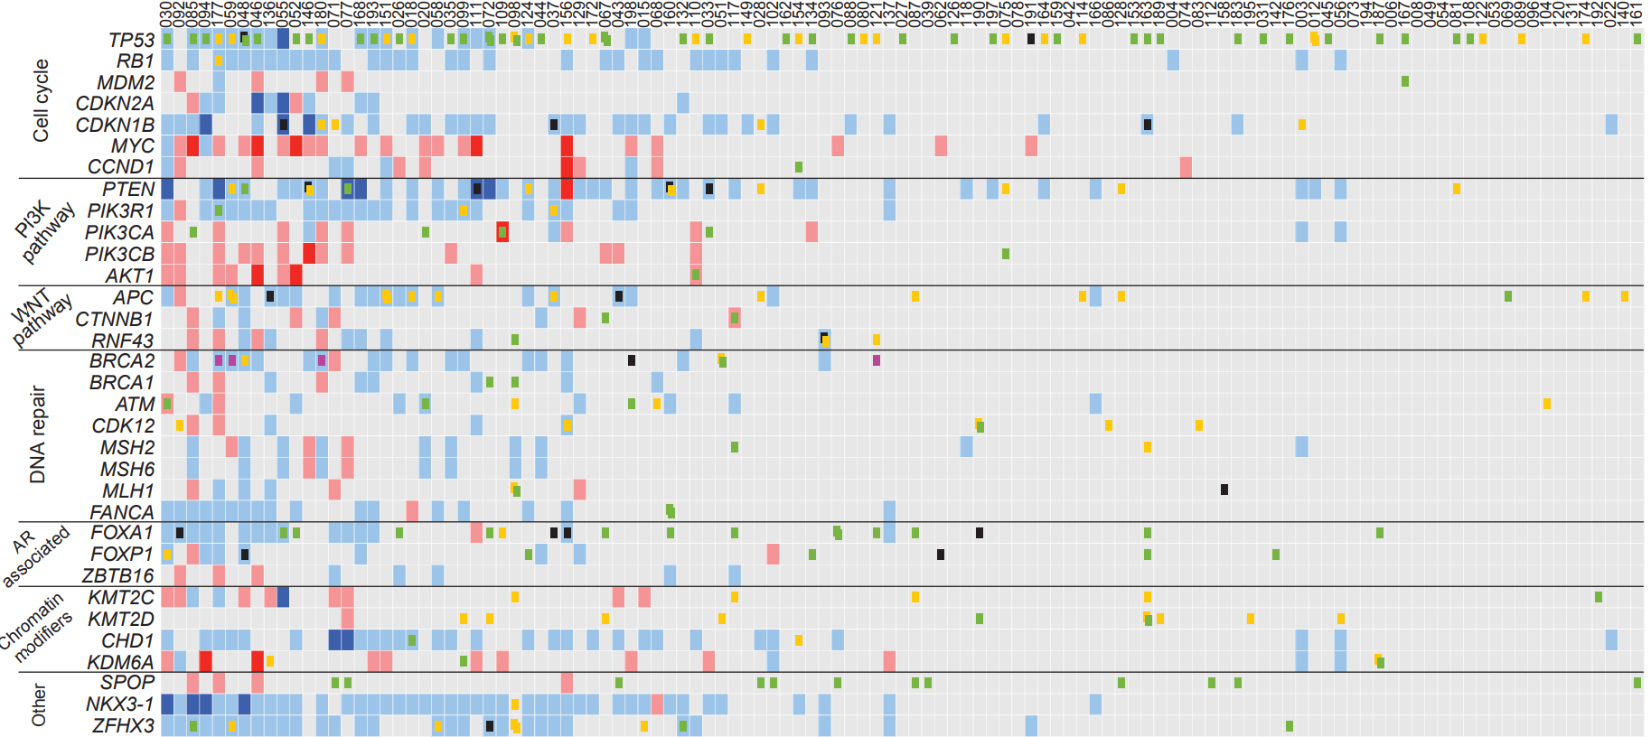
67 | 2000-01-01 | 2002-02-02 | 0 0 0 | 0 0 0 | 0 0 0 | 0 0 0 | 0 0 0 | 2002-02-02 | 0 0 0 | 0 0 0 | 2003-03-03 | 0 0 0 | 0 0 0 | 2000-01-01 | 0 0 0 | 0 0 0 | 0 0 0 | 0 0 0 | 0 0 0 | 0 0 0 | 0 0 0 | 0 0 0 | 0 0 0 | 1 0 0 | 0 0 0 | 0 0 0 | 0 0 0 | 2000-07-07 | 0 0 0 | 0 0 0 | 0 0 0 | 0 0 0 | 0 0 0
43 | 0 0 0 | 2002-02-02 | 0 0 0 | 0 0 0 | 2002-02-02 | 0 0 0 | 0 0 0 | 0 0 0 | 2002-02-02 | 0 0 0 | 2003-03-03 | 0 0 0 | 2002-06-06 | 0 0 0 | 0 0 0 | 0 0 0 | 0 0 0 | 0 0 0 | 0 0 0 | 0 0 0 | 0 0 0 | 0 0 0 | 0 0 0 | 0 0 0 | 0 0 0 | 0 0 0 | 2003-03-03 | 0 0 0 | 2002-02-02 | 0 0 0 | 2000-01-01 | 2002-02-02 | 0 0 0
198 | 2002-02-02 | 0 0 0 | 0 0 0 | 0 0 0 | 2 2 2 | 3 3 3 | 2 2 2 | 2 2 2 | 2 2 2 | 0 0 0 | 0 0 0 | 0 0 0 | 2 2 2 | 0 0 0 | 0 0 0 | 6 6 0 | 0 0 0 | 1 1 0 | 0 0 0 | 0 0 0 | 0 0 0 | 0 0 0 | 0 0 0 | 0 0 0 | 0 0 0 | 0 0 0 | 0 0 0 | 0 0 0 | 0 0 0 | 3 3 3 | 0 0 0 | 2 2 2 | 0 0 0
15 | 2002-02-02 | 2002-02-02 | 0 0 0 | 0 0 0 | 2 2 2 | 0 0 0 | 0 0 0 | 0 0 0 | 0 0 0 | 0 0 0 | 0 0 0 | 0 0 0 | 0 0 0 | 0 0 0 | 0 0 0 | 0 0 0 | 0 0 0 | 0 0 0 | 0 0 0 | 0 0 0 | 0 0 0 | 0 0 0 | 0 0 0 | 0 0 0 | 0 0 0 | 0 0 0 | 3 3 3 | 0 0 0 | 2 2 2 | 0 0 0 | 0 0 0 | 2 2 2 | 7 7 0
68 | 0 0 0 | 2002-02-02 | 0 0 0 | 0 0 0 | 0 0 0 | 3 3 3 | 3 3 3 | 2 2 2 | 0 0 0 | 0 0 0 | 0 0 0 | 0 0 0 | 0 0 0 | 0 0 0 | 0 0 0 | 0 0 0 | 2 2 2 | 7 7 0 | 0 0 0 | 0 0 0 | 0 0 0 | 0 0 0 | 0 0 0 | 0 0 0 | 0 0 0 | 0 0 0 | 0 0 0 | 0 0 0 | 2 2 2 | 0 0 0 | 0 0 0 | 3 3 3 | 0 0 0
160 | 0 0 0 | 0 0 0 | 0 0 0 | 0 0 0 | 2 2 2 | 0 0 0 | 0 0 0 | 7 6 2 | 0 0 0 | 0 0 0 | 0 0 0 | 0 0 0 | 0 0 0 | 0 0 0 | 0 0 0 | 0 0 0 | 0 0 0 | 2 2 2 | 0 0 0 | 0 0 0 | 0 0 0 | 0 0 0 | 1 1 0 | 1 0 0 | 0 0 0 | 2 2 2 | 0 0 0 | 0 0 0 | 0 0 0 | 0 0 0 | 0 0 0 | 2 2 2 | 0 0 0
132 | 1 0 0 | 0 0 0 | 0 0 0 | 2 2 2 | 0 0 0 | 0 0 0 | 0 0 0 | 2 2 2 | 0 0 0 | 0 0 0 | 0 0 0 | 0 0 0 | 0 0 0 | 0 0 0 | 0 0 0 | 2 2 2 | 0 0 0 | 0 0 0 | 0 0 0 | 0 0 0 | 0 0 0 | 0 0 0 | 0 0 0 | 0 0 0 | 0 0 0 | 0 0 0 | 0 0 0 | 0 0 0 | 0 0 0 | 0 0 0 | 0 0 0 | 2 2 2 | 1 1 2
110 | 7 0 0 | 2002-02-02 | 0 0 0 | 0 0 0 | 0 0 0 | 0 0 0 | 0 0 0 | 0 0 0 | 0 0 0 | 3 3 3 | 3 3 3 | 1 1 3 | 0 0 0 | 0 0 0 | 2 2 2 | 0 0 0 | 0 0 0 | 0 0 0 | 0 0 0 | 0 0 0 | 0 0 0 | 0 0 0 | 0 0 0 | 0 0 0 | 0 0 0 | 0 0 0 | 0 0 0 | 0 0 0 | 2 2 2 | 0 0 0 | 0 0 0 | 0 0 0 | 2 2 2
33 | 1 0 0 | 2002-02-02 | 0 0 0 | 0 0 0 | 2 2 2 | 0 0 0 | 0 0 0 | 6 6 2 | 0 0 0 | 1 0 0 | 0 0 0 | 0 0 0 | 0 0 0 | 0 0 0 | 0 0 0 | 0 0 0 | 0 0 0 | 0 0 0 | 0 0 0 | 0 0 0 | 0 0 0 | 0 0 0 | 0 0 0 | 0 0 0 | 0 0 0 | 0 0 0 | 0 0 0 | 0 0 0 | 0 0 0 | 3 3 3 | 0 0 0 | 2 2 2 | 0 0 0
51 | 0 0 0 | 2002-02-02 | 0 0 0 | 0 0 0 | 2 2 2 | 0 0 0 | 0 0 0 | 0 0 0 | 0 0 0 | 0 0 0 | 0 0 0 | 0 0 0 | 0 0 0 | 0 0 0 | 0 0 0 | 1 7 0 | 0 0 0 | 0 0 0 | 0 0 0 | 0 0 0 | 0 0 0 | 0 0 0 | 0 0 0 | 0 0 0 | 0 0 0 | 0 0 0 | 0 0 0 | 7 7 0 | 0 0 0 | 0 0 0 | 0 0 0 | 2 2 2 | 0 0 0
117 | 0 0 0 | 2002-02-02 | 0 0 0 | 0 0 0 | 0 0 0 | 0 0 0 | 0 0 0 | 2 2 2 | 0 0 0 | 0 0 0 | 0 0 0 | 0 0 0 | 0 0 0 | 1 1 3 | 0 0 0 | 0 0 0 | 0 0 0 | 2 2 2 | 0 0 0 | 1 0 0 | 0 0 0 | 0 0 0 | 0 0 0 | 1 0 0 | 0 0 0 | 2 2 2 | 7 7 0 | 0 0 0 | 0 0 0 | 0 0 0 | 0 0 0 | 0 0 0 | 0 0 0
149 | 7 0 0 | 0 0 0 | 0 0 0 | 0 0 0 | 2 2 2 | 0 0 0 | 0 0 0 | 0 0 0 | 0 0 0 | 0 0 0 | 0 0 0 | 0 0 0 | 0 0 0 | 0 0 0 | 0 0 0 | 0 0 0 | 0 0 0 | 0 0 0 | 0 0 0 | 0 0 0 | 0 0 0 | 0 0 0 | 0 0 0 | 0 0 0 | 0 0 0 | 0 0 0 | 0 0 0 | 0 0 0 | 0 0 0 | 0 0 0 | 0 0 0 | 0 0 0 | 0 0 0
28 | 0 0 0 | 0 0 0 | 0 0 0 | 0 0 0 | 7 0 0 | 0 0 0 | 0 0 0 | 7 7 0 | 0 0 0 | 0 0 0 | 0 0 0 | 0 0 0 | 7 7 0 | 0 0 0 | 0 0 0 | 0 0 0 | 0 0 0 | 0 0 0 | 0 0 0 | 0 0 0 | 0 0 0 | 0 0 0 | 0 0 0 | 0 0 0 | 0 0 0 | 0 0 0 | 0 0 0 | 0 0 0 | 2 2 2 | 0 0 0 | 1 1 0 | 0 0 0 | 0 0 0
102 | 0 0 0 | 2002-02-02 | 0 0 0 | 0 0 0 | 2 2 2 | 0 0 0 | 0 0 0 | 0 0 0 | 0 0 0 | 0 0 0 | 0 0 0 | 0 0 0 | 2 2 2 | 0 0 0 | 0 0 0 | 0 0 0 | 0 0 0 | 0 0 0 | 0 0 0 | 0 0 0 | 0 0 0 | 0 0 0 | 0 0 0 | 0 0 0 | 3 3 3 | 0 0 0 | 0 0 0 | 0 0 0 | 2 2 2 | 2 2 2 | 1 1 0 | 0 0 0 | 0 0 0
162 | 1 0 0 | 0 0 0 | 0 0 0 | 0 0 0 | 0 0 0 | 0 0 0 | 0 0 0 | 0 0 0 | 0 0 0 | 0 0 0 | 0 0 0 | 0 0 0 | 0 0 0 | 0 0 0 | 0 0 0 | 0 0 0 | 0 0 0 | 0 0 0 | 0 0 0 | 0 0 0 | 0 0 0 | 0 0 0 | 0 0 0 | 0 0 0 | 0 0 0 | 0 0 0 | 0 0 0 | 0 0 0 | 0 0 0 | 0 0 0 | 0 0 0 | 0 0 0 | 0 0 0
154 | 7 0 0 | 0 0 0 | 0 0 0 | 0 0 0 | 0 0 0 | 0 0 0 | 1 1 0 | 2 2 2 | 0 0 0 | 0 0 0 | 0 0 0 | 0 0 0 | 0 0 0 | 0 0 0 | 0 0 0 | 0 0 0 | 0 0 0 | 0 0 0 | 0 0 0 | 0 0 0 | 0 0 0 | 0 0 0 | 0 0 0 | 0 0 0 | 0 0 0 | 0 0 0 | 0 0 0 | 0 0 0 | 7 0 0 | 0 0 0 | 0 0 0 | 2 2 2 | 0 0 0
134 | 1 0 0 | 2002-02-02 | 0 0 0 | 0 0 0 | 0 0 0 | 0 0 0 | 0 0 0 | 2 2 2 | 0 0 0 | 3 3 3 | 0 0 0 | 0 0 0 | 0 0 0 | 0 0 0 | 0 0 0 | 0 0 0 | 0 0 0 | 0 0 0 | 0 0 0 | 0 0 0 | 0 0 0 | 0 0 0 | 0 0 0 | 0 0 0 | 1 0 0 | 0 0 0 | 0 0 0 | 0 0 0 | 0 0 0 | 0 0 0 | 0 0 0 | 0 0 0 | 0 0 0
93 | 0 0 0 | 0 0 0 | 0 0 0 | 0 0 0 | 0 0 0 | 0 0 0 | 0 0 0 | 0 0 0 | 0 0 0 | 0 0 0 | 0 0 0 | 0 0 0 | 0 0 0 | 0 0 0 | 7 6 2 | 2 2 2 | 0 0 0 | 0 0 0 | 0 0 0 | 0 0 0 | 0 0 0 | 0 0 0 | 0 0 0 | 0 0 0 | 0 0 0 | 0 0 0 | 0 0 0 | 0 0 0 | 0 0 0 | 0 0 0 | 0 0 0 | 2 2 2 | 2 2 2
76 | 0 0 0 | 0 0 0 | 0 0 0 | 0 0 0 | 0 0 0 | 3 3 3 | 0 0 0 | 0 0 0 | 0 0 0 | 0 0 0 | 0 0 0 | 0 0 0 | 0 0 0 | 0 0 0 | 0 0 0 | 0 0 0 | 0 0 0 | 0 0 0 | 0 0 0 | 0 0 0 | 0 0 0 | 0 0 0 | 0 0 0 | 1 1 0 | 0 0 0 | 0 0 0 | 0 0 0 | 0 0 0 | 2 2 2 | 0 0 0 | 1 1 0 | 0 0 0 | 0 0 0
88 | 1 0 0 | 0 0 0 | 0 0 0 | 0 0 0 | 2 2 2 | 0 0 0 | 0 0 0 | 0 0 0 | 0 0 0 | 0 0 0 | 0 0 0 | 0 0 0 | 0 0 0 | 0 0 0 | 0 0 0 | 0 0 0 | 0 0 0 | 0 0 0 | 0 0 0 | 0 0 0 | 0 0 0 | 0 0 0 | 0 0 0 | 0 0 0 | 0 0 0 | 0 0 0 | 0 0 0 | 0 0 0 | 0 0 0 | 0 0 0 | 0 0 0 | 0 0 0 | 0 0 0
80 | 7 0 0 | 0 0 0 | 0 0 0 | 0 0 0 | 0 0 0 | 0 0 0 | 0 0 0 | 0 0 0 | 0 0 0 | 0 0 0 | 0 0 0 | 0 0 0 | 0 0 0 | 0 0 0 | 0 0 0 | 0 0 0 | 0 0 0 | 0 0 0 | 0 0 0 | 0 0 0 | 0 0 0 | 0 0 0 | 0 0 0 | 0 0 0 | 0 0 0 | 0 0 0 | 0 0 0 | 0 0 0 | 0 0 0 | 0 0 0 | 0 0 0 | 0 0 0 | 0 0 0
121 | 7 0 0 | 0 0 0 | 0 0 0 | 0 0 0 | 0 0 0 | 0 0 0 | 0 0 0 | 0 0 0 | 0 0 0 | 0 0 0 | 0 0 0 | 0 0 0 | 0 0 0 | 0 0 0 | 7 0 0 | 8 8 0 | 0 0 0 | 0 0 0 | 0 0 0 | 0 0 0 | 0 0 0 | 0 0 0 | 0 0 0 | 1 0 0 | 0 0 0 | 0 0 0 | 0 0 0 | 0 0 0 | 0 0 0 | 0 0 0 | 0 0 0 | 0 0 0 | 0 0 0
137 | 0 0 0 | 0 0 0 | 0 0 0 | 0 0 0 | 2 2 2 | 0 0 0 | 0 0 0 | 2 2 2 | 2 2 2 | 0 0 0 | 0 0 0 | 0 0 0 | 0 0 0 | 0 0 0 | 0 0 0 | 0 0 0 | 0 0 0 | 0 0 0 | 0 0 0 | 0 0 0 | 0 0 0 | 0 0 0 | 2 2 2 | 2 2 2 | 0 0 0 | 0 0 0 | 0 0 0 | 0 0 0 | 0 0 0 | 3 3 3 | 0 0 0 | 2 2 2 | 2 2 2
27 | 1 0 0 | 0 0 0 | 0 0 0 | 0 0 0 | 0 0 0 | 0 0 0 | 0 0 0 | 0 0 0 | 0 0 0 | 0 0 0 | 0 0 0 | 0 0 0 | 0 0 0 | 0 0 0 | 0 0 0 | 0 0 0 | 0 0 0 | 0 0 0 | 0 0 0 | 0 0 0 | 0 0 0 | 0 0 0 | 0 0 0 | 0 0 0 | 0 0 0 | 0 0 0 | 0 0 0 | 0 0 0 | 0 0 0 | 0 0 0 | 0 0 0 | 0 0 0 | 0 0 0
87 | 0 0 0 | 0 0 0 | 0 0 0 | 0 0 0 | 0 0 0 | 0 0 0 | 0 0 0 | 0 0 0 | 0 0 0 | 0 0 0 | 0 0 0 | 0 0 0 | 7 7 0 | 0 0 0 | 0 0 0 | 0 0 0 | 0 0 0 | 0 0 0 | 0 0 0 | 0 0 0 | 0 0 0 | 0 0 0 | 0 0 0 | 1 0 0 | 0 0 0 | 0 0 0 | 7 7 0 | 0 0 0 | 0 0 0 | 0 0 0 | 1 1 0 | 0 0 0 | 0 0 0
39 | 0 0 0 | 0 0 0 | 0 0 0 | 0 0 0 | 0 0 0 | 0 0 0 | 0 0 0 | 0 0 0 | 0 0 0 | 0 0 0 | 0 0 0 | 0 0 0 | 0 0 0 | 0 0 0 | 0 0 0 | 0 0 0 | 0 0 0 | 0 0 0 | 0 0 0 | 0 0 0 | 0 0 0 | 0 0 0 | 0 0 0 | 0 0 0 | 0 0 0 | 0 0 0 | 0 0 0 | 0 0 0 | 0 0 0 | 0 0 0 | 1 1 0 | 0 0 0 | 0 0 0
62 | 0 0 0 | 0 0 0 | 0 0 0 | 0 0 0 | 0 0 0 | 3 3 3 | 0 0 0 | 0 0 0 | 0 0 0 | 0 0 0 | 0 0 0 | 0 0 0 | 0 0 0 | 0 0 0 | 0 0 0 | 0 0 0 | 0 0 0 | 0 0 0 | 0 0 0 | 0 0 0 | 0 0 0 | 0 0 0 | 0 0 0 | 0 0 0 | 6 0 0 | 0 0 0 | 0 0 0 | 0 0 0 | 0 0 0 | 0 0 0 | 0 0 0 | 0 0 0 | 0 0 0
126 | 1 0 0 | 0 0 0 | 0 0 0 | 0 0 0 | 0 0 0 | 0 0 0 | 0 0 0 | 0 0 0 | 0 0 0 | 0 0 0 | 0 0 0 | 0 0 0 | 0 0 0 | 0 0 0 | 0 0 0 | 0 0 0 | 0 0 0 | 0 0 0 | 0 0 0 | 0 0 0 | 0 0 0 | 0 0 0 | 0 0 0 | 0 0 0 | 0 0 0 | 0 0 0 | 0 0 0 | 0 0 0 | 0 0 0 | 0 0 0 | 0 0 0 | 0 0 0 | 0 0 0
118 | 0 0 0 | 0 0 0 | 0 0 0 | 0 0 0 | 0 0 0 | 0 0 0 | 0 0 0 | 2 2 0 | 0 0 0 | 0 0 0 | 0 0 0 | 0 0 0 | 0 0 0 | 0 0 0 | 0 0 0 | 0 0 0 | 0 0 0 | 0 0 0 | 0 0 0 | 2 2 0 | 0 0 0 | 0 0 0 | 0 0 0 | 0 0 0 | 0 0 0 | 0 0 0 | 0 0 0 | 0 0 0 | 0 0 0 | 0 0 0 | 0 0 0 | 0 0 0 | 0 0 0
190 | 0 0 0 | 0 0 0 | 0 0 0 | 0 0 0 | 0 0 0 | 0 0 0 | 0 0 0 | 0 0 0 | 0 0 0 | 0 0 0 | 0 0 0 | 0 0 0 | 0 0 0 | 0 0 0 | 0 0 0 | 0 0 0 | 0 0 0 | 0 0 0 | 1 7 0 | 0 0 0 | 0 0 0 | 0 0 0 | 0 0 0 | 6 0 0 | 0 0 0 | 0 0 0 | 0 0 0 | 1 1 0 | 0 0 0 | 0 0 0 | 0 0 0 | 0 0 0 | 0 0 0
197 | 1 0 0 | 0 0 0 | 0 0 0 | 0 0 0 | 0 0 0 | 0 0 0 | 0 0 0 | 2 2 2 | 0 0 0 | 0 0 0 | 0 0 0 | 0 0 0 | 0 0 0 | 0 0 0 | 0 0 0 | 0 0 0 | 0 0 0 | 0 0 0 | 0 0 0 | 0 0 0 | 0 0 0 | 0 0 0 | 0 0 0 | 0 0 0 | 0 0 0 | 0 0 0 | 0 0 0 | 0 0 0 | 0 0 0 | 0 0 0 | 0 0 0 | 0 0 0 | 0 0 0
75 | 7 0 0 | 0 0 0 | 0 0 0 | 0 0 0 | 0 0 0 | 0 0 0 | 0 0 0 | 7 7 0 | 0 0 0 | 0 0 0 | 1 0 0 | 0 0 0 | 0 0 0 | 0 0 0 | 0 0 0 | 0 0 0 | 0 0 0 | 0 0 0 | 0 0 0 | 0 0 0 | 0 0 0 | 0 0 0 | 0 0 0 | 0 0 0 | 0 0 0 | 0 0 0 | 0 0 0 | 0 0 0 | 0 0 0 | 0 0 0 | 0 0 0 | 0 0 0 | 0 0 0
78 | 0 0 0 | 0 0 0 | 0 0 0 | 0 0 0 | 0 0 0 | 0 0 0 | 0 0 0 | 0 0 0 | 0 0 0 | 0 0 0 | 0 0 0 | 0 0 0 | 0 0 0 | 0 0 0 | 0 0 0 | 0 0 0 | 0 0 0 | 0 0 0 | 0 0 0 | 0 0 0 | 0 0 0 | 0 0 0 | 0 0 0 | 0 0 0 | 0 0 0 | 0 0 0 | 0 0 0 | 0 0 0 | 0 0 0 | 0 0 0 | 0 0 0 | 0 0 0 | 0 0 0
191 | 6 0 0 | 0 0 0 | 0 0 0 | 0 0 0 | 0 0 0 | 3 3 3 | 0 0 0 | 0 0 0 | 0 0 0 | 0 0 0 | 0 0 0 | 0 0 0 | 0 0 0 | 0 0 0 | 0 0 0 | 0 0 0 | 0 0 0 | 0 0 0 | 0 0 0 | 0 0 0 | 0 0 0 | 0 0 0 | 0 0 0 | 0 0 0 | 0 0 0 | 0 0 0 | 0 0 0 | 0 0 0 | 0 0 0 | 0 0 0 | 0 0 0 | 0 0 0 | 2 2 2
164 | 7 0 0 | 0 0 0 | 0 0 0 | 0 0 0 | 2 2 2 | 0 0 0 | 0 0 0 | 2 2 2 | 0 0 0 | 0 0 0 | 0 0 0 | 0 0 0 | 0 0 0 | 0 0 0 | 0 0 0 | 0 0 0 | 0 0 0 | 0 0 0 | 0 0 0 | 0 0 0 | 0 0 0 | 0 0 0 | 0 0 0 | 0 0 0 | 0 0 0 | 0 0 0 | 0 0 0 | 0 0 0 | 0 0 0 | 0 0 0 | 0 0 0 | 0 0 0 | 0 0 0
159 | 1 0 0 | 0 0 0 | 0 0 0 | 0 0 0 | 0 0 0 | 0 0 0 | 0 0 0 | 0 0 0 | 0 0 0 | 0 0 0 | 0 0 0 | 0 0 0 | 0 0 0 | 0 0 0 | 0 0 0 | 0 0 0 | 0 0 0 | 0 0 0 | 0 0 0 | 0 0 0 | 0 0 0 | 0 0 0 | 0 0 0 | 0 0 0 | 0 0 0 | 0 0 0 | 0 0 0 | 0 0 0 | 0 0 0 | 0 0 0 | 0 0 0 | 0 0 0 | 0 0 0
42 | 0 0 0 | 0 0 0 | 0 0 0 | 0 0 0 | 0 0 0 | 0 0 0 | 0 0 0 | 0 0 0 | 0 0 0 | 0 0 0 | 0 0 0 | 0 0 0 | 0 0 0 | 0 0 0 | 0 0 0 | 0 0 0 | 0 0 0 | 0 0 0 | 0 0 0 | 0 0 0 | 0 0 0 | 0 0 0 | 0 0 0 | 0 0 0 | 0 0 0 | 0 0 0 | 0 0 0 | 0 0 0 | 0 0 0 | 0 0 0 | 0 0 0 | 0 0 0 | 0 0 0
114 | 7 0 0 | 0 0 0 | 0 0 0 | 0 0 0 | 0 0 0 | 0 0 0 | 0 0 0 | 0 0 0 | 0 0 0 | 0 0 0 | 0 0 0 | 0 0 0 | 7 7 0 | 0 0 0 | 0 0 0 | 0 0 0 | 0 0 0 | 0 0 0 | 0 0 0 | 0 0 0 | 0 0 0 | 0 0 0 | 0 0 0 | 0 0 0 | 0 0 0 | 0 0 0 | 0 0 0 | 0 0 0 | 0 0 0 | 0 0 0 | 0 0 0 | 0 0 0 | 0 0 0
166 | 0 0 0 | 0 0 0 | 0 0 0 | 0 0 0 | 0 0 0 | 0 0 0 | 0 0 0 | 2 2 2 | 0 0 0 | 0 0 0 | 0 0 0 | 0 0 0 | 2 2 2 | 0 0 0 | 0 0 0 | 0 0 0 | 0 0 0 | 2 2 2 | 0 0 0 | 0 0 0 | 0 0 0 | 0 0 0 | 0 0 0 | 0 0 0 | 0 0 0 | 0 0 0 | 0 0 0 | 0 0 0 | 0 0 0 | 0 0 0 | 0 0 0 | 2 2 2 | 0 0 0
86 | 0 0 0 | 0 0 0 | 0 0 0 | 0 0 0 | 0 0 0 | 0 0 0 | 0 0 0 | 0 0 0 | 0 0 0 | 0 0 0 | 0 0 0 | 0 0 0 | 0 0 0 | 0 0 0 | 0 0 0 | 0 0 0 | 0 0 0 | 0 0 0 | 7 0 0 | 0 0 0 | 0 0 0 | 0 0 0 | 0 0 0 | 0 0 0 | 0 0 0 | 0 0 0 | 0 0 0 | 0 0 0 | 0 0 0 | 0 0 0 | 0 0 0 | 0 0 0 | 0 0 0
128 | 0 0 0 | 0 0 0 | 0 0 0 | 0 0 0 | 0 0 0 | 0 0 0 | 0 0 0 | 7 7 0 | 0 0 0 | 0 0 0 | 0 0 0 | 0 0 0 | 7 7 0 | 0 0 0 | 0 0 0 | 0 0 0 | 0 0 0 | 0 0 0 | 0 0 0 | 0 0 0 | 0 0 0 | 0 0 0 | 0 0 0 | 0 0 0 | 0 0 0 | 0 0 0 | 0 0 0 | 0 0 0 | 0 0 0 | 0 0 0 | 1 1 0 | 0 0 0 | 0 0 0
153 | 1 0 0 | 0 0 0 | 0 0 0 | 0 0 0 | 0 0 0 | 0 0 0 | 0 0 0 | 0 0 0 | 0 0 0 | 0 0 0 | 0 0 0 | 0 0 0 | 0 0 0 | 0 0 0 | 0 0 0 | 0 0 0 | 0 0 0 | 0 0 0 | 0 0 0 | 0 0 0 | 0 0 0 | 0 0 0 | 0 0 0 | 0 0 0 | 0 0 0 | 0 0 0 | 0 0 0 | 0 0 0 | 0 0 0 | 0 0 0 | 0 0 0 | 0 0 0 | 0 0 0
163 | 1 0 0 | 0 0 0 | 0 0 0 | 0 0 0 | 6 2 0 | 0 0 0 | 0 0 0 | 0 0 0 | 0 0 0 | 0 0 0 | 0 0 0 | 0 0 0 | 0 0 0 | 0 0 0 | 0 0 0 | 0 0 0 | 0 0 0 | 0 0 0 | 0 0 0 | 7 0 0 | 0 0 0 | 0 0 0 | 0 0 0 | 1 0 0 | 1 0 0 | 0 0 0 | 7 7 0 | 1 7 0 | 0 0 0 | 0 0 0 | 0 0 0 | 0 0 0 | 0 0 0
189 | 1 0 0 | 0 0 0 | 0 0 0 | 0 0 0 | 0 0 0 | 0 0 0 | 0 0 0 | 0 0 0 | 0 0 0 | 0 0 0 | 0 0 0 | 0 0 0 | 0 0 0 | 0 0 0 | 0 0 0 | 0 0 0 | 0 0 0 | 0 0 0 | 0 0 0 | 0 0 0 | 0 0 0 | 0 0 0 | 0 0 0 | 0 0 0 | 0 0 0 | 0 0 0 | 0 0 0 | 7 7 0 | 0 0 0 | 0 0 0 | 0 0 0 | 0 0 0 | 0 0 0
4 | 0 0 0 | 2002-02-02 | 0 0 0 | 0 0 0 | 0 0 0 | 0 0 0 | 0 0 0 | 0 0 0 | 0 0 0 | 0 0 0 | 0 0 0 | 0 0 0 | 0 0 0 | 0 0 0 | 0 0 0 | 0 0 0 | 0 0 0 | 0 0 0 | 0 0 0 | 0 0 0 | 0 0 0 | 0 0 0 | 0 0 0 | 0 0 0 | 0 0 0 | 0 0 0 | 0 0 0 | 0 0 0 | 0 0 0 | 0 0 0 | 0 0 0 | 0 0 0 | 0 0 0
74 | 0 0 0 | 0 0 0 | 0 0 0 | 0 0 0 | 0 0 0 | 0 0 0 | 3 3 3 | 0 0 0 | 0 0 0 | 0 0 0 | 0 0 0 | 0 0 0 | 0 0 0 | 0 0 0 | 0 0 0 | 0 0 0 | 0 0 0 | 0 0 0 | 0 0 0 | 0 0 0 | 0 0 0 | 0 0 0 | 0 0 0 | 0 0 0 | 0 0 0 | 0 0 0 | 0 0 0 | 0 0 0 | 0 0 0 | 0 0 0 | 0 0 0 | 0 0 0 | 0 0 0
83 | 0 0 0 | 0 0 0 | 0 0 0 | 0 0 0 | 0 0 0 | 0 0 0 | 0 0 0 | 0 0 0 | 0 0 0 | 0 0 0 | 0 0 0 | 0 0 0 | 0 0 0 | 0 0 0 | 0 0 0 | 0 0 0 | 0 0 0 | 0 0 0 | 7 0 0 | 0 0 0 | 0 0 0 | 0 0 0 | 0 0 0 | 0 0 0 | 0 0 0 | 0 0 0 | 0 0 0 | 0 0 0 | 0 0 0 | 0 0 0 | 0 0 0 | 0 0 0 | 0 0 0
112 | 0 0 0 | 0 0 0 | 0 0 0 | 0 0 0 | 0 0 0 | 0 0 0 | 0 0 0 | 0 0 0 | 0 0 0 | 0 0 0 | 0 0 0 | 0 0 0 | 0 0 0 | 0 0 0 | 0 0 0 | 0 0 0 | 0 0 0 | 0 0 0 | 0 0 0 | 0 0 0 | 0 0 0 | 0 0 0 | 0 0 0 | 0 0 0 | 0 0 0 | 0 0 0 | 0 0 0 | 0 0 0 | 0 0 0 | 0 0 0 | 1 1 0 | 0 0 0 | 0 0 0
158 | 0 0 0 | 0 0 0 | 0 0 0 | 0 0 0 | 0 0 0 | 0 0 0 | 0 0 0 | 0 0 0 | 0 0 0 | 0 0 0 | 0 0 0 | 0 0 0 | 0 0 0 | 0 0 0 | 0 0 0 | 0 0 0 | 0 0 0 | 0 0 0 | 0 0 0 | 0 0 0 | 0 0 0 | 6 6 0 | 0 0 0 | 0 0 0 | 0 0 0 | 0 0 0 | 0 0 0 | 0 0 0 | 0 0 0 | 0 0 0 | 0 0 0 | 0 0 0 | 0 0 0
183 | 1 0 0 | 0 0 0 | 0 0 0 | 0 0 0 | 2 2 0 | 0 0 0 | 0 0 0 | 0 0 0 | 0 0 0 | 0 0 0 | 0 0 0 | 0 0 0 | 0 0 0 | 0 0 0 | 0 0 0 | 0 0 0 | 0 0 0 | 0 0 0 | 0 0 0 | 0 0 0 | 0 0 0 | 0 0 0 | 0 0 0 | 0 0 0 | 0 0 0 | 0 0 0 | 0 0 0 | 0 0 0 | 0 0 0 | 0 0 0 | 1 1 0 | 0 0 0 | 0 0 0
195 | 0 0 0 | 0 0 0 | 0 0 0 | 0 0 0 | 0 0 0 | 0 0 0 | 0 0 0 | 0 0 0 | 0 0 0 | 0 0 0 | 0 0 0 | 0 0 0 | 0 0 0 | 0 0 0 | 0 0 0 | 0 0 0 | 0 0 0 | 0 0 0 | 0 0 0 | 0 0 0 | 0 0 0 | 0 0 0 | 0 0 0 | 0 0 0 | 0 0 0 | 0 0 0 | 0 0 0 | 7 7 0 | 0 0 0 | 0 0 0 | 0 0 0 | 0 0 0 | 0 0 0
31 | 1 0 0 | 0 0 0 | 0 0 0 | 0 0 0 | 0 0 0 | 0 0 0 | 0 0 0 | 0 0 0 | 0 0 0 | 0 0 0 | 0 0 0 | 0 0 0 | 0 0 0 | 0 0 0 | 0 0 0 | 0 0 0 | 0 0 0 | 0 0 0 | 0 0 0 | 0 0 0 | 0 0 0 | 0 0 0 | 0 0 0 | 0 0 0 | 0 0 0 | 0 0 0 | 0 0 0 | 0 0 0 | 0 0 0 | 0 0 0 | 0 0 0 | 0 0 0 | 0 0 0
142 | 0 0 0 | 0 0 0 | 0 0 0 | 0 0 0 | 0 0 0 | 0 0 0 | 0 0 0 | 0 0 0 | 0 0 0 | 0 0 0 | 0 0 0 | 0 0 0 | 0 0 0 | 0 0 0 | 0 0 0 | 0 0 0 | 0 0 0 | 0 0 0 | 0 0 0 | 0 0 0 | 0 0 0 | 0 0 0 | 0 0 0 | 0 0 0 | 1 0 0 | 0 0 0 | 0 0 0 | 0 0 0 | 0 0 0 | 0 0 0 | 0 0 0 | 0 0 0 | 0 0 0
176 | 1 0 0 | 0 0 0 | 0 0 0 | 0 0 0 | 0 0 0 | 0 0 0 | 0 0 0 | 0 0 0 | 0 0 0 | 0 0 0 | 0 0 0 | 0 0 0 | 0 0 0 | 0 0 0 | 0 0 0 | 0 0 0 | 0 0 0 | 0 0 0 | 0 0 0 | 0 0 0 | 0 0 0 | 0 0 0 | 0 0 0 | 0 0 0 | 0 0 0 | 0 0 0 | 0 0 0 | 0 0 0 | 0 0 0 | 0 0 0 | 0 0 0 | 0 0 0 | 1 1 0
3 | 0 0 0 | 2002-02-02 | 0 0 0 | 0 0 0 | 7 0 0 | 0 0 0 | 0 0 0 | 2 2 2 | 0 0 0 | 2 2 2 | 0 0 0 | 0 0 0 | 0 0 0 | 0 0 0 | 0 0 0 | 0 0 0 | 0 0 0 | 0 0 0 | 0 0 0 | 2 2 2 | 0 0 0 | 0 0 0 | 0 0 0 | 0 0 0 | 0 0 0 | 0 0 0 | 0 0 0 | 0 0 0 | 2 2 2 | 2 2 2 | 0 0 0 | 0 0 0 | 0 0 0
12 | 2000-07-07 | 0 0 0 | 0 0 0 | 0 0 0 | 0 0 0 | 0 0 0 | 0 0 0 | 2 2 2 | 0 0 0 | 0 0 0 | 0 0 0 | 0 0 0 | 0 0 0 | 0 0 0 | 0 0 0 | 0 0 0 | 0 0 0 | 0 0 0 | 0 0 0 | 0 0 0 | 0 0 0 | 0 0 0 | 0 0 0 | 0 0 0 | 0 0 0 | 0 0 0 | 0 0 0 | 0 0 0 | 0 0 0 | 0 0 0 | 0 0 0 | 0 0 0 | 0 0 0
45 | 1 0 0 | 0 0 0 | 0 0 0 | 0 0 0 | 0 0 0 | 0 0 0 | 0 0 0 | 0 0 0 | 0 0 0 | 0 0 0 | 0 0 0 | 0 0 0 | 0 0 0 | 0 0 0 | 0 0 0 | 0 0 0 | 0 0 0 | 0 0 0 | 0 0 0 | 0 0 0 | 0 0 0 | 0 0 0 | 0 0 0 | 0 0 0 | 0 0 0 | 0 0 0 | 0 0 0 | 0 0 0 | 0 0 0 | 0 0 0 | 0 0 0 | 0 0 0 | 0 0 0
56 | 0 0 0 | 2000-02-02 | 0 0 0 | 0 0 0 | 0 0 0 | 0 0 0 | 0 0 0 | 2 2 0 | 0 0 0 | 2 2 0 | 0 0 0 | 0 0 0 | 0 0 0 | 0 0 0 | 0 0 0 | 0 0 0 | 0 0 0 | 0 0 0 | 0 0 0 | 0 0 0 | 0 0 0 | 0 0 0 | 0 0 0 | 0 0 0 | 0 0 0 | 0 0 0 | 0 0 0 | 7 7 0 | 2 2 0 | 2 2 0 | 0 0 0 | 0 0 0 | 0 0 0
73 | 0 0 0 | 0 0 0 | 0 0 0 | 0 0 0 | 0 0 0 | 0 0 0 | 0 0 0 | 0 0 0 | 0 0 0 | 0 0 0 | 0 0 0 | 0 0 0 | 0 0 0 | 0 0 0 | 0 0 0 | 0 0 0 | 0 0 0 | 0 0 0 | 0 0 0 | 0 0 0 | 0 0 0 | 0 0 0 | 0 0 0 | 0 0 0 | 0 0 0 | 0 0 0 | 0 0 0 | 0 0 0 | 0 0 0 | 0 0 0 | 0 0 0 | 0 0 0 | 0 0 0
194 | 0 0 0 | 0 0 0 | 0 0 0 | 0 0 0 | 0 0 0 | 0 0 0 | 0 0 0 | 0 0 0 | 0 0 0 | 0 0 0 | 0 0 0 | 0 0 0 | 0 0 0 | 0 0 0 | 0 0 0 | 0 0 0 | 0 0 0 | 0 0 0 | 0 0 0 | 0 0 0 | 0 0 0 | 0 0 0 | 0 0 0 | 0 0 0 | 0 0 0 | 0 0 0 | 0 0 0 | 0 0 0 | 0 0 0 | 0 0 0 | 0 0 0 | 0 0 0 | 0 0 0
187 | 1 0 0 | 0 0 0 | 0 0 0 | 0 0 0 | 0 0 0 | 0 0 0 | 0 0 0 | 0 0 0 | 0 0 0 | 0 0 0 | 0 0 0 | 0 0 0 | 0 0 0 | 0 0 0 | 0 0 0 | 0 0 0 | 0 0 0 | 0 0 0 | 0 0 0 | 0 0 0 | 0 0 0 | 0 0 0 | 0 0 0 | 1 0 0 | 0 0 0 | 0 0 0 | 0 0 0 | 0 0 0 | 0 0 0 | 1 0 0 | 0 0 0 | 0 0 0 | 0 0 0
6 | 0 0 0 | 0 0 0 | 0 0 0 | 0 0 0 | 0 0 0 | 0 0 0 | 0 0 0 | 0 0 0 | 0 0 0 | 0 0 0 | 0 0 0 | 0 0 0 | 0 0 0 | 0 0 0 | 0 0 0 | 0 0 0 | 0 0 0 | 0 0 0 | 0 0 0 | 0 0 0 | 0 0 0 | 0 0 0 | 0 0 0 | 0 0 0 | 0 0 0 | 0 0 0 | 0 0 0 | 0 0 0 | 0 0 0 | 0 0 0 | 0 0 0 | 0 0 0 | 0 0 0
167 | 1 0 0 | 0 0 0 | 2000-01-01 | 0 0 0 | 0 0 0 | 0 0 0 | 0 0 0 | 0 0 0 | 0 0 0 | 0 0 0 | 0 0 0 | 0 0 0 | 0 0 0 | 0 0 0 | 0 0 0 | 0 0 0 | 0 0 0 | 0 0 0 | 0 0 0 | 0 0 0 | 0 0 0 | 0 0 0 | 0 0 0 | 0 0 0 | 0 0 0 | 0 0 0 | 0 0 0 | 0 0 0 | 0 0 0 | 0 0 0 | 0 0 0 | 0 0 0 | 0 0 0
8 | 0 0 0 | 0 0 0 | 0 0 0 | 0 0 0 | 0 0 0 | 0 0 0 | 0 0 0 | 0 0 0 | 0 0 0 | 0 0 0 | 0 0 0 | 0 0 0 | 0 0 0 | 0 0 0 | 0 0 0 | 0 0 0 | 0 0 0 | 0 0 0 | 0 0 0 | 0 0 0 | 0 0 0 | 0 0 0 | 0 0 0 | 0 0 0 | 0 0 0 | 0 0 0 | 0 0 0 | 0 0 0 | 0 0 0 | 0 0 0 | 0 0 0 | 0 0 0 | 0 0 0
49 | 0 0 0 | 0 0 0 | 0 0 0 | 0 0 0 | 0 0 0 | 0 0 0 | 0 0 0 | 0 0 0 | 0 0 0 | 0 0 0 | 0 0 0 | 0 0 0 | 0 0 0 | 0 0 0 | 0 0 0 | 0 0 0 | 0 0 0 | 0 0 0 | 0 0 0 | 0 0 0 | 0 0 0 | 0 0 0 | 0 0 0 | 0 0 0 | 0 0 0 | 0 0 0 | 0 0 0 | 0 0 0 | 0 0 0 | 0 0 0 | 0 0 0 | 0 0 0 | 0 0 0
54 | 0 0 0 | 0 0 0 | 0 0 0 | 0 0 0 | 0 0 0 | 0 0 0 | 0 0 0 | 0 0 0 | 0 0 0 | 0 0 0 | 0 0 0 | 0 0 0 | 0 0 0 | 0 0 0 | 0 0 0 | 0 0 0 | 0 0 0 | 0 0 0 | 0 0 0 | 0 0 0 | 0 0 0 | 0 0 0 | 0 0 0 | 0 0 0 | 0 0 0 | 0 0 0 | 0 0 0 | 0 0 0 | 0 0 0 | 0 0 0 | 0 0 0 | 0 0 0 | 0 0 0
81 | 1 0 0 | 0 0 0 | 0 0 0 | 0 0 0 | 0 0 0 | 0 0 0 | 0 0 0 | 7 7 0 | 0 0 0 | 0 0 0 | 0 0 0 | 0 0 0 | 0 0 0 | 0 0 0 | 0 0 0 | 0 0 0 | 0 0 0 | 0 0 0 | 0 0 0 | 0 0 0 | 0 0 0 | 0 0 0 | 0 0 0 | 0 0 0 | 0 0 0 | 0 0 0 | 0 0 0 | 0 0 0 | 0 0 0 | 0 0 0 | 0 0 0 | 0 0 0 | 0 0 0
108 | 1 0 0 | 0 0 0 | 0 0 0 | 0 0 0 | 0 0 0 | 0 0 0 | 0 0 0 | 0 0 0 | 0 0 0 | 0 0 0 | 0 0 0 | 0 0 0 | 0 0 0 | 0 0 0 | 0 0 0 | 0 0 0 | 0 0 0 | 0 0 0 | 0 0 0 | 0 0 0 | 0 0 0 | 0 0 0 | 0 0 0 | 0 0 0 | 0 0 0 | 0 0 0 | 0 0 0 | 0 0 0 | 0 0 0 | 0 0 0 | 0 0 0 | 0 0 0 | 0 0 0
122 | 7 0 0 | 0 0 0 | 0 0 0 | 0 0 0 | 0 0 0 | 0 0 0 | 0 0 0 | 0 0 0 | 0 0 0 | 0 0 0 | 0 0 0 | 0 0 0 | 0 0 0 | 0 0 0 | 0 0 0 | 0 0 0 | 0 0 0 | 0 0 0 | 0 0 0 | 0 0 0 | 0 0 0 | 0 0 0 | 0 0 0 | 0 0 0 | 0 0 0 | 0 0 0 | 0 0 0 | 0 0 0 | 0 0 0 | 0 0 0 | 0 0 0 | 0 0 0 | 0 0 0
53 | 0 0 0 | 0 0 0 | 0 0 0 | 0 0 0 | 0 0 0 | 0 0 0 | 0 0 0 | 0 0 0 | 0 0 0 | 0 0 0 | 0 0 0 | 0 0 0 | 0 0 0 | 0 0 0 | 0 0 0 | 0 0 0 | 0 0 0 | 0 0 0 | 0 0 0 | 0 0 0 | 0 0 0 | 0 0 0 | 0 0 0 | 0 0 0 | 0 0 0 | 0 0 0 | 0 0 0 | 0 0 0 | 0 0 0 | 0 0 0 | 0 0 0 | 0 0 0 | 0 0 0
69 | 0 0 0 | 0 0 0 | 0 0 0 | 0 0 0 | 0 0 0 | 0 0 0 | 0 0 0 | 0 0 0 | 0 0 0 | 0 0 0 | 0 0 0 | 0 0 0 | 1 1 0 | 0 0 0 | 0 0 0 | 0 0 0 | 0 0 0 | 0 0 0 | 0 0 0 | 0 0 0 | 0 0 0 | 0 0 0 | 0 0 0 | 0 0 0 | 0 0 0 | 0 0 0 | 0 0 0 | 0 0 0 | 0 0 0 | 0 0 0 | 0 0 0 | 0 0 0 | 0 0 0
89 | 7 0 0 | 0 0 0 | 0 0 0 | 0 0 0 | 0 0 0 | 0 0 0 | 0 0 0 | 0 0 0 | 0 0 0 | 0 0 0 | 0 0 0 | 0 0 0 | 0 0 0 | 0 0 0 | 0 0 0 | 0 0 0 | 0 0 0 | 0 0 0 | 0 0 0 | 0 0 0 | 0 0 0 | 0 0 0 | 0 0 0 | 0 0 0 | 0 0 0 | 0 0 0 | 0 0 0 | 0 0 0 | 0 0 0 | 0 0 0 | 0 0 0 | 0 0 0 | 0 0 0
96 | 0 0 0 | 0 0 0 | 0 0 0 | 0 0 0 | 0 0 0 | 0 0 0 | 0 0 0 | 0 0 0 | 0 0 0 | 0 0 0 | 0 0 0 | 0 0 0 | 0 0 0 | 0 0 0 | 0 0 0 | 0 0 0 | 0 0 0 | 0 0 0 | 0 0 0 | 0 0 0 | 0 0 0 | 0 0 0 | 0 0 0 | 0 0 0 | 0 0 0 | 0 0 0 | 0 0 0 | 0 0 0 | 0 0 0 | 0 0 0 | 0 0 0 | 0 0 0 | 0 0 0
104 | 0 0 0 | 0 0 0 | 0 0 0 | 0 0 0 | 0 0 0 | 0 0 0 | 0 0 0 | 0 0 0 | 0 0 0 | 0 0 0 | 0 0 0 | 0 0 0 | 0 0 0 | 0 0 0 | 0 0 0 | 0 0 0 | 0 0 0 | 7 7 0 | 0 0 0 | 0 0 0 | 0 0 0 | 0 0 0 | 0 0 0 | 0 0 0 | 0 0 0 | 0 0 0 | 0 0 0 | 0 0 0 | 0 0 0 | 0 0 0 | 0 0 0 | 0 0 0 | 0 0 0
120 | 0 0 0 | 0 0 0 | 0 0 0 | 0 0 0 | 0 0 0 | 0 0 0 | 0 0 0 | 0 0 0 | 0 0 0 | 0 0 0 | 0 0 0 | 0 0 0 | 0 0 0 | 0 0 0 | 0 0 0 | 0 0 0 | 0 0 0 | 0 0 0 | 0 0 0 | 0 0 0 | 0 0 0 | 0 0 0 | 0 0 0 | 0 0 0 | 0 0 0 | 0 0 0 | 0 0 0 | 0 0 0 | 0 0 0 | 0 0 0 | 0 0 0 | 0 0 0 | 0 0 0
131 | 0 0 0 | 0 0 0 | 0 0 0 | 0 0 0 | 0 0 0 | 0 0 0 | 0 0 0 | 0 0 0 | 0 0 0 | 0 0 0 | 0 0 0 | 0 0 0 | 0 0 0 | 0 0 0 | 0 0 0 | 0 0 0 | 0 0 0 | 0 0 0 | 0 0 0 | 0 0 0 | 0 0 0 | 0 0 0 | 0 0 0 | 0 0 0 | 0 0 0 | 0 0 0 | 0 0 0 | 0 0 0 | 0 0 0 | 0 0 0 | 0 0 0 | 0 0 0 | 0 0 0
174 | 7 0 0 | 0 0 0 | 0 0 0 | 0 0 0 | 0 0 0 | 0 0 0 | 0 0 0 | 0 0 0 | 0 0 0 | 0 0 0 | 0 0 0 | 0 0 0 | 7 7 0 | 0 0 0 | 0 0 0 | 0 0 0 | 0 0 0 | 0 0 0 | 0 0 0 | 0 0 0 | 0 0 0 | 0 0 0 | 0 0 0 | 0 0 0 | 0 0 0 | 0 0 0 | 0 0 0 | 0 0 0 | 0 0 0 | 0 0 0 | 0 0 0 | 0 0 0 | 0 0 0
192 | 0 0 0 | 0 0 0 | 0 0 0 | 0 0 0 | 0 0 0 | 0 0 0 | 0 0 0 | 0 0 0 | 0 0 0 | 0 0 0 | 0 0 0 | 0 0 0 | 0 0 0 | 0 0 0 | 0 0 0 | 0 0 0 | 0 0 0 | 0 0 0 | 0 0 0 | 0 0 0 | 0 0 0 | 0 0 0 | 0 0 0 | 0 0 0 | 0 0 0 | 0 0 0 | 1 1 0 | 0 0 0 | 0 0 0 | 0 0 0 | 0 0 0 | 0 0 0 | 0 0 0
22 | 0 0 0 | 0 0 0 | 0 0 0 | 0 0 0 | 2 2 0 | 0 0 0 | 0 0 0 | 0 0 0 | 0 0 0 | 0 0 0 | 0 0 0 | 0 0 0 | 0 0 0 | 0 0 0 | 0 0 0 | 0 0 0 | 0 0 0 | 0 0 0 | 0 0 0 | 0 0 0 | 0 0 0 | 0 0 0 | 0 0 0 | 0 0 0 | 0 0 0 | 0 0 0 | 0 0 0 | 0 0 0 | 2 2 0 | 0 0 0 | 0 0 0 | 0 0 0 | 0 0 0
140 | 0 0 0 | 0 0 0 | 0 0 0 | 0 0 0 | 0 0 0 | 0 0 0 | 0 0 0 | 0 0 0 | 0 0 0 | 0 0 0 | 0 0 0 | 0 0 0 | 7 7 0 | 0 0 0 | 0 0 0 | 0 0 0 | 0 0 0 | 0 0 0 | 0 0 0 | 0 0 0 | 0 0 0 | 0 0 0 | 0 0 0 | 0 0 0 | 0 0 0 | 0 0 0 | 0 0 0 | 0 0 0 | 0 0 0 | 0 0 0 | 0 0 0 | 0 0 0 | 0 0 0
161 | 1 0 0 | 0 0 0 | 0 0 0 | 0 0 0 | 0 0 0 | 0 0 0 | 0 0 0 | 0 0 0 | 0 0 0 | 0 0 0 | 0 0 0 | 0 0 0 | 0 0 0 | 0 0 0 | 0 0 0 | 0 0 0 | 0 0 0 | 0 0 0 | 0 0 0 | 0 0 0 | 0 0 0 | 0 0 0 | 0 0 0 | 0 0 0 | 0 0 0 | 0 0 0 | 0 0 0 | 0 0 0 | 0 0 0 | 0 0 0 | 1 1 0 | 0 0 0 | 0 0 0

11781744-done
patient_id | psa response | DRD | ATM | BRCA2 | ATM | FANCA | CHEK2 | BRCA1 | PALB2 | HDAC2 | RAD51 | MLH3 | ERCC3 | MRE11 | NBN
1 | TRUE | TRUE | altered | normal | normal | normal | normal | normal | normal | normal | normal | normal | normal | normal | normal
2 | TRUE | FALSE | normal | normal | normal | normal | normal | normal | normal | normal | normal | normal | normal | normal | normal
3 | TRUE | FALSE | normal | normal | normal | normal | normal | normal | normal | normal | normal | normal | normal | normal | normal
4 | FALSE | FALSE | normal | normal | normal | normal | normal | normal | normal | normal | normal | normal | normal | normal | normal
5 | FALSE | FALSE | normal | normal | normal | normal | normal | normal | normal | normal | normal | normal | normal | normal | normal
6 | FALSE | FALSE | normal | normal | normal | normal | normal | normal | normal | normal | normal | normal | normal | normal | normal
7 | FALSE | FALSE | normal | normal | normal | normal | normal | normal | normal | normal | normal | normal | normal | normal | normal
8 | FALSE | FALSE | normal | normal | normal | normal | normal | normal | normal | normal | normal | normal | normal | normal | normal
9 | FALSE | FALSE | normal | normal | normal | normal | normal | normal | normal | normal | normal | normal | normal | normal | normal
10 | FALSE | FALSE | normal | normal | normal | altered | normal | normal | normal | normal | normal | normal | normal | normal | normal
11 | FALSE | FALSE | normal | normal | normal | normal | normal | normal | normal | normal | normal | normal | normal | normal | normal
12 | FALSE | FALSE | normal | normal | normal | normal | altered | normal | normal | normal | normal | normal | normal | normal | normal
13 | FALSE | FALSE | normal | normal | normal | normal | normal | normal | normal | normal | normal | normal | normal | normal | normal
14 | FALSE | FALSE | normal | normal | normal | altered | normal | normal | normal | normal | normal | normal | normal | normal | normal
15 | FALSE | FALSE | normal | normal | normal | normal | normal | normal | normal | normal | normal | normal | normal | normal | normal
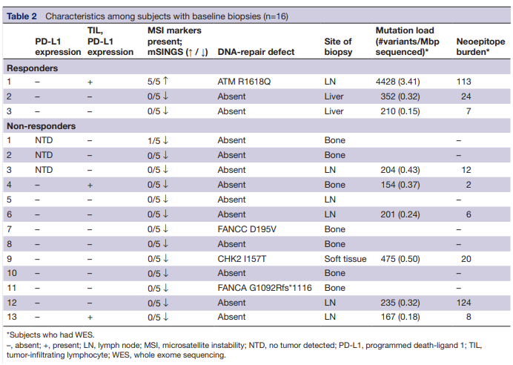
16 | FALSE | FALSE | normal | normal | normal | normal | normal | normal | normal | normal | normal | normal | normal | normal | normal

