Sheet1
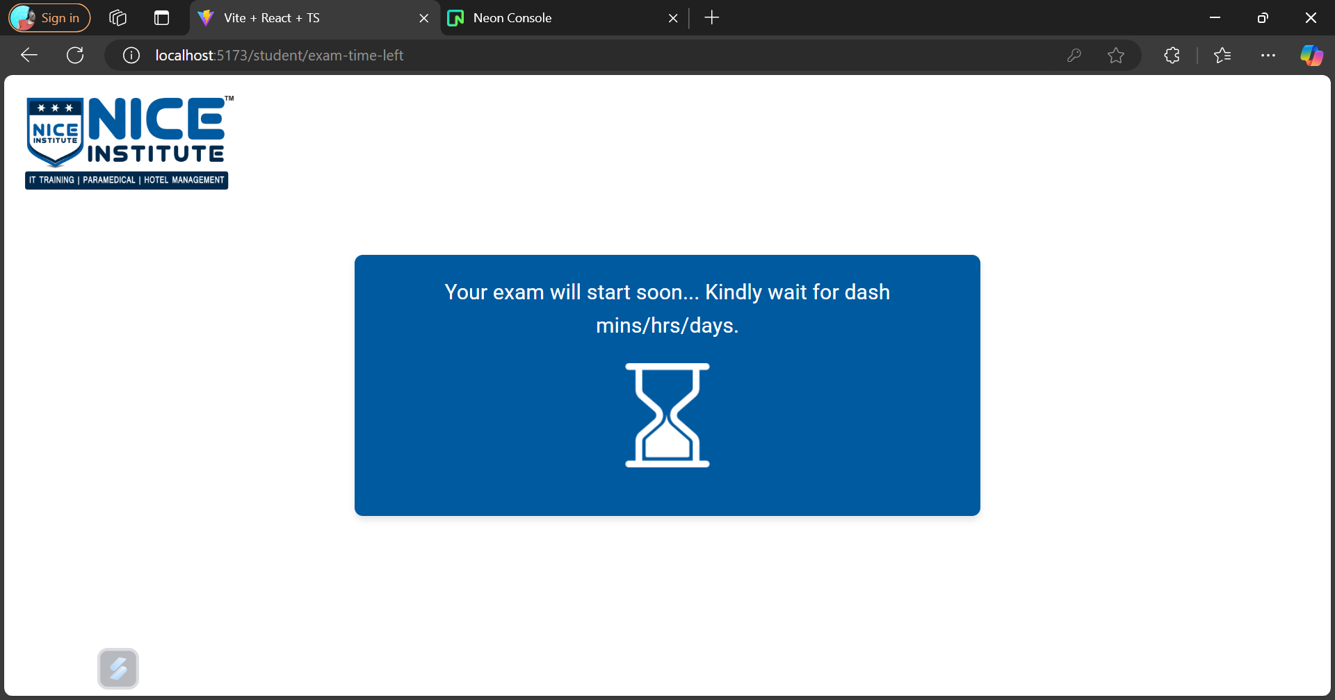
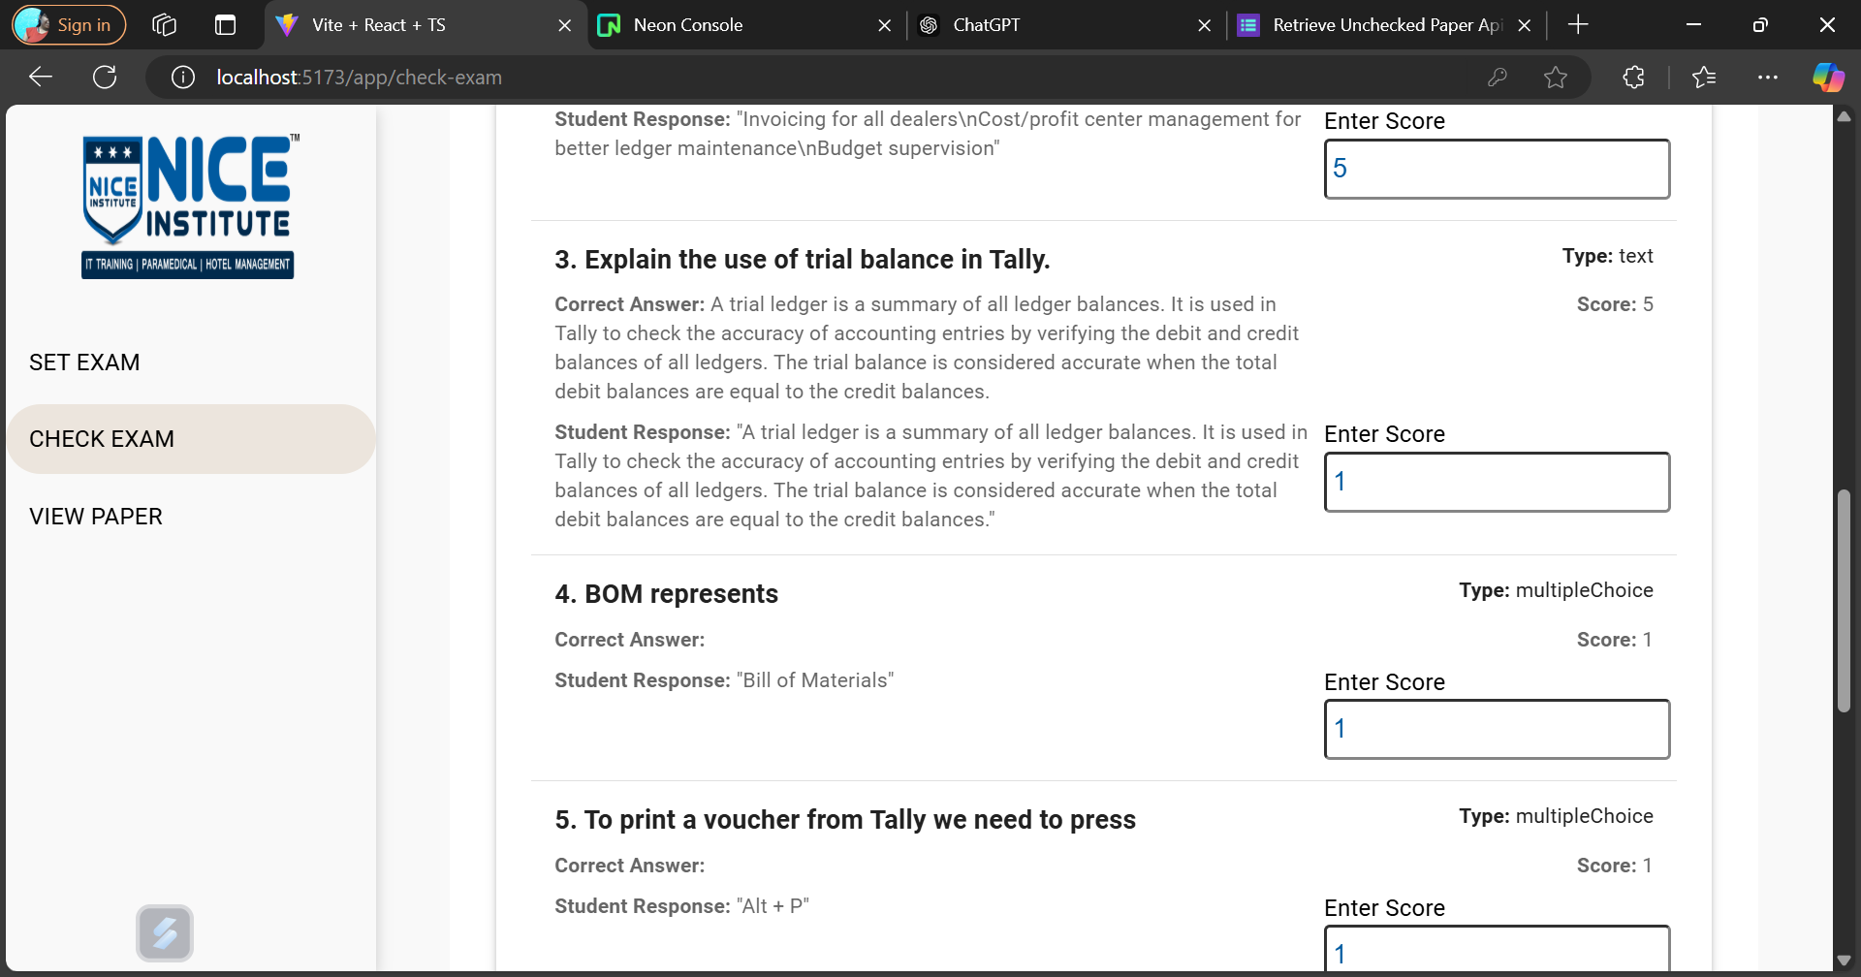
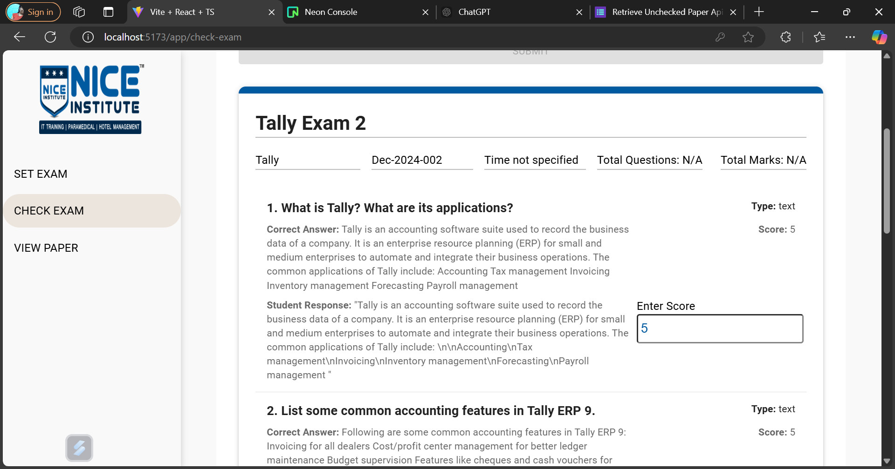
Feature Name / Page name

Registration | For student Registration 1) from admin , name and phone no fetch 2) student ne mail jai when register kare

Set Exam | Question type MCQ : options placeholder , correct answer container Question type : Text : correct answer container Question type : checkbox : correct answer container , options placeholder Check code according to month and year hide scroll bar on question text submit btn n add question should be inline when user submitting form it shows loading symbol make components of each question type | 1. submit : form/create Post API 2. when it enters paper code at that time only it check its value
Check paper | When page appears that time only fetch values for all drop down Modify look or ui of for checking and submitting the paper | 1. for particular course which paper are unchecked 2. fetch the paper details for checking 3. submit paper after checking

View paper | When page appears that time only fetch values for all drop down Modify the ui | 1. for particular course which paper are there 2. fetch the paper details for viewing only

Admin | Assign paper Reshedule the exam | 1. Assign a paper for exam to student 2. Reschedule exam API

Give exam | Task 1. Can give exams at time or between timmer of the exam --> Give timmer 2. Show timmer if student come early 3. Show Message for rescheduling the exam if student come after the exam time 4. Show the results for that exam if student attempted time that to apo app render thai jai exam in payload to submit exam change user id and form id | 1. fetching paper details if there is time 2. showing results

