Sheet2
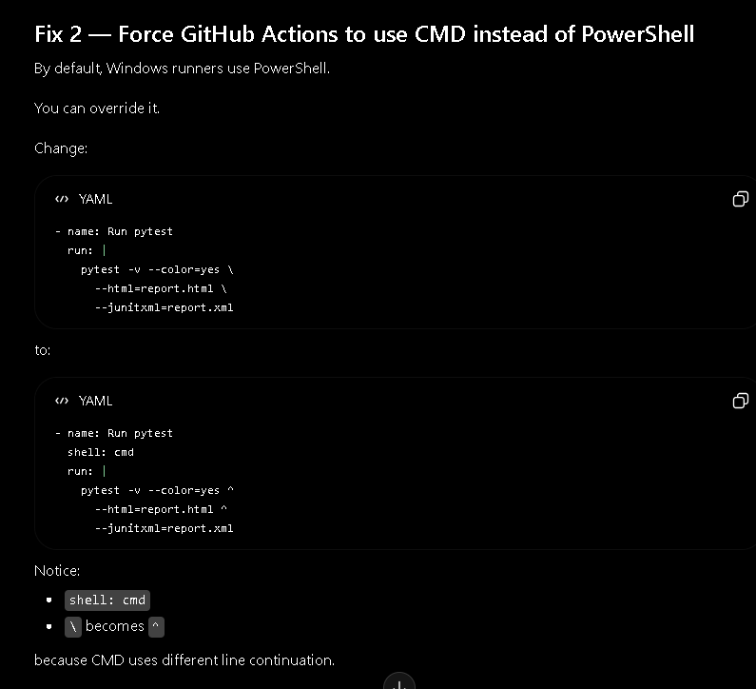
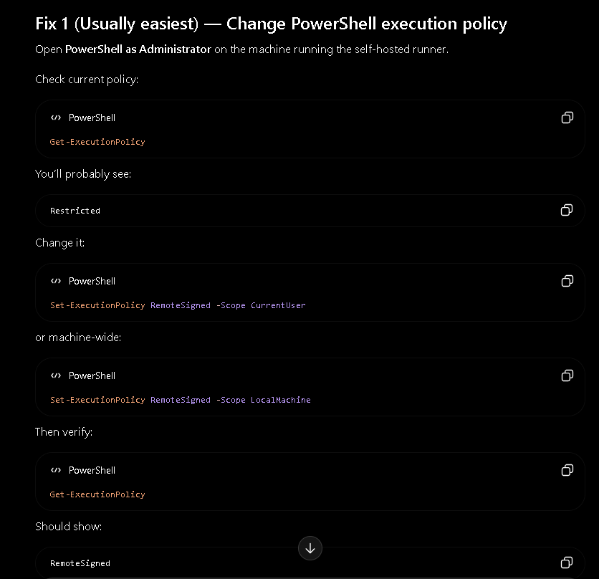
how to create self-hosted github on my machine
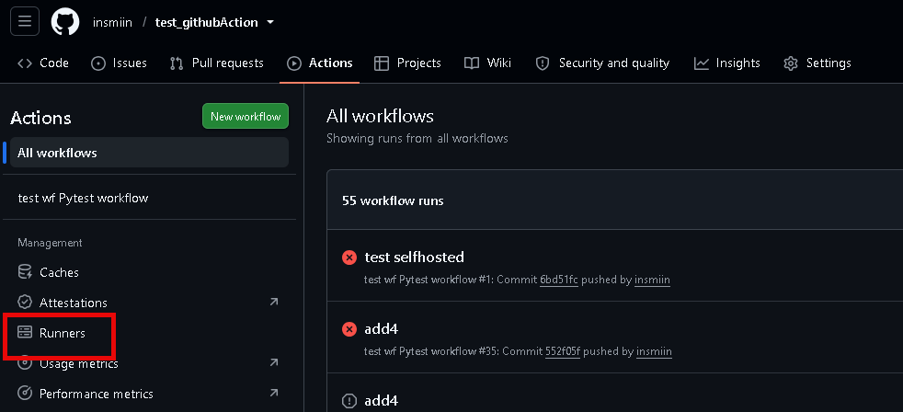

open up your poweshell, cd to any folder. Then paste in below command one by one
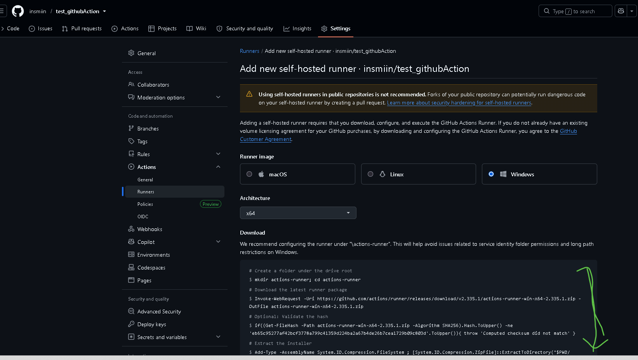

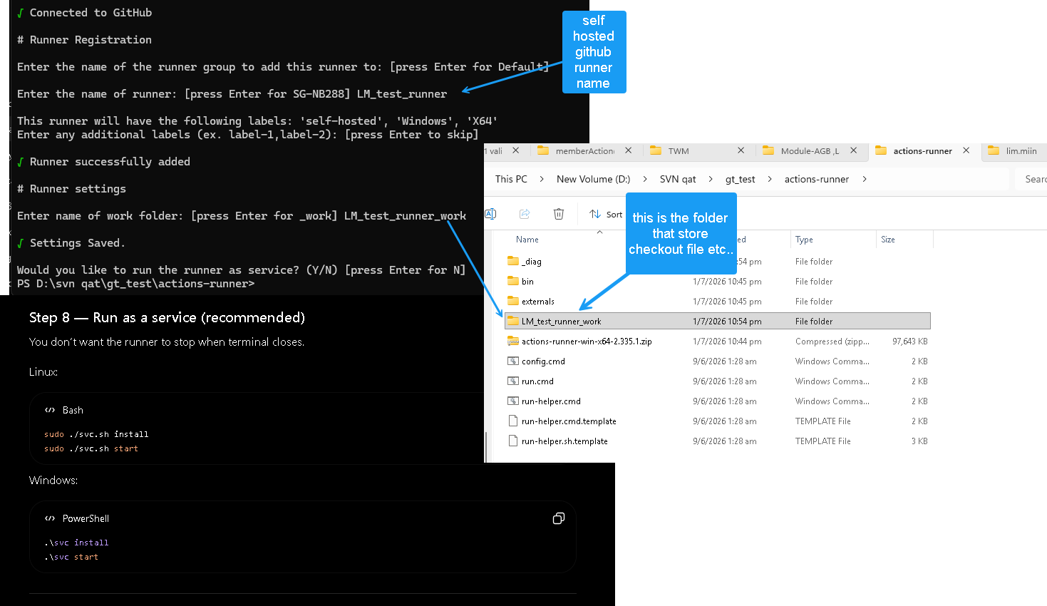

Your workflow is running on a Windows self-hosted runner, and GitHub Actions is using PowerShell by default.
when you trigger github action workflow, you might encounter windows powershell execution policy.
by default, windows runners use powershell.
u may change the windows powershell execution pllicy using fix 1. fix 2 if u wan it to use CMD. Look up github for more info(like u wan to use bash shelll instead blah22)

