England
Kingdom of England

Player: Jack the Eagleheart

Total Gold | Technology Points |  |  |  |  | English Decisions
15 | 1 |  |  |  |  | Name | Conditions | Effect | Completed |  | Name | Conditions | Effect | Completed
Prestige | Gold Income | Total Population | Tech Points Income |  |  | Unite the Kingdom of Scotland and England | Occupy province "1" "Scotland" | Change country name to Great Britain Gain 3 Farmer, 3 Artisian and 3 Soldier Population is a selected province | NO |  | Finish War of the Roses | Date is after 1400 | Lose 2 soldier pop in every province. Lose 1 aristocrat pop in every province. Gain 4 artisian pop in Wessex and South England. | NO
7 | 1 | 129 | 2 |  |  | Unite Clans of Ireland | Occupy province "5" "Ireland" | Gain 1 Artisian and 1 Soldier Population in a selected province. | NO |  | Found the House of Tudor | Date is after 1450 | Lose 1 soldier pop in every province. Gain 5 prestige. Gain 3 aristocrat in York and Mercia | NO
 |  |  |  |  |  | Britannia Rules the Wawes | Have at least 20 Carrack | Gain 10 prestige. | NO |  | Longbow Range | Have atleast 8000 Longbowman | Gain 5 prestige. | NO
General |  |  |  |  |  | Occupy Giblatar | Occupy province "27" "Giblatar" | Gain 5 soldier pop in Gibraltar. Gain 3 soldier pop in London. Gain 5 prestige. | NO |  | Increase Our Reach | Occupy province "15" "Flanders" | Gain 2 artisian pop in London. Gain 1 soldier pop in London. Gain 5 prestige. | NO
Income Efficiency | 0.3 |  | Maximum Army Capacity | 2 |  | Form the Church of England | Date is bigger than 1500 | Gain 15 gold. Gain 1 Intellectual in a selected province. | NO |  | Restore Angevin Empire | Occupy province "9" "Ile-de-France" | Gain 10 Soldier Pop in London. Gain 5 Aristocrat pop in London. Gain 5 prestige. | NO
Food Surplus | 2 | 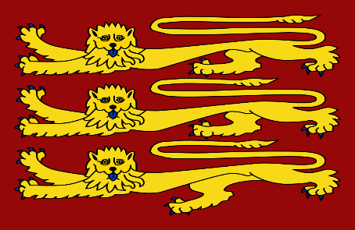 | Maximum Navy Capacity | 2 |  | Construct Tower of London | Have 40 Gold | Gain 3 soldier pop in London. | NO |  | Smash the House of Valois | Destroy France | Gain 5 Soldier Pop in London. Gain 5 Aristocrat pop in London. Gain 10 prestige. | NO
Total Field Army | 700 |  | Max Mobilization Phases | 1 |  | Form branch of the Knigths of the Saint George | Have 50 Gold | Gain 1000 Musketeer. | NO |  | Discover Americas | Discover a province from N.America | Gain 3 prestige. Gain 1 intellectual pop in London. Gain 30 gold. | NO
Total Posibble Army | 8385 | 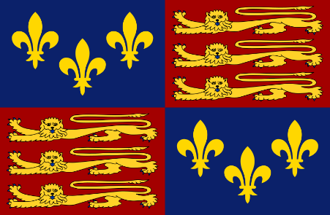 | Diplomatic Reputation | 3 |  | Open the University of Oxford | Have 350 Gold | Gain 0.5 technology efficiency. Gain 2 intellectual in London. | NO |  | Discover Carrabian Islands | Discover a province from Carrabians | Choose a province from Carrabian Islands and gain it as a core instantly. Gain 4 farmer pop in that location. | NO
Turns for Rezerve Recovery | 14 |  | Maximum Navy Forcelimit | 25 |  | Form English East Indies | Occupy a province from Hindustan | Gain 10 prestige, 5 artisian, 5 soldier and 5 capitalist population in london. | NO |  | Form Thirtheen Colonies | Colonize at least 3 province from N.America | Gain 4 military and 4 farmer population in 3 selected N.America colonies. | NO
Total Navy | 18 |  | Food Trade Income | 0 |  | Occupy Malta | Occupy province "36" "Malta" | Gain 5 soldier pop in Malta. Gain 3 Castles in Malta. Gain 5 prestige. | NO |  | Form Canada | Colonize at least 2 province from Canada | Gain 2 military and 2 farmer population in 2 selected Canada colonies. | NO
Generals and Admirals | 2 |  | Gold Trade Income | 0 |  | Build HMS Victory | Have atleast 50 Ship-of-the-Line | Gain 30 prestige. | NO |  | Form British Raj | Occupy at least 5 province from Hindustan | Gain 5 military and 2 farmer population in 3 selected Hindustan Provinces. Gain 3 Capitalist in Wessex and London | NO
Mobilization Efficiency | 270 | Great Britain |  |  |  | Introduce Early Dreathnoughts | Have at least 500 Gold. Date is bigger than 1890. | Gain 1 Battleship. Gain 15 prestige. Gain 10 soldier pop in London. | NO |  | Southern Africa | Occupy or colonize at least 2 province from Cape Area. | Gain 3 artisian and 3 farmer population in 2 selected Cape Provinces. Gain 1 Capitalist in London | NO
Teachnology |  | 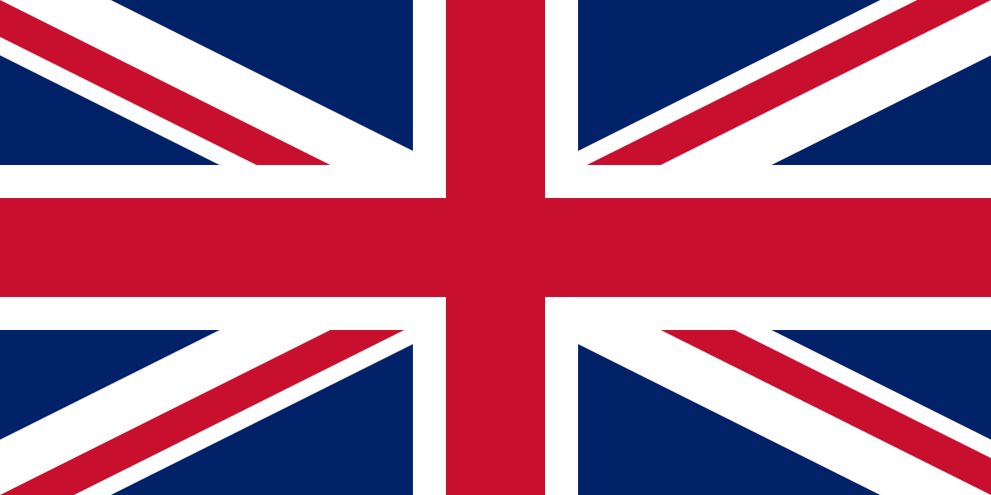 |  |  |  | Found Royal Indian Army | Have 500 Gold Date is bigger than 1821 | Gain 5 soldier pop in every province in India and Malacca. | NO |  | Early Industrial Revolution | Have at least 10 factories. | Gain 12 craftsman population in London, Wessex, Mercia, Wales and Northumbria. | NO
Teachnology Efficiency | 0.2 |  | Intellectuals | 1 |  | Introduce Conscription | Have 1000 Gold Date is bigger than 1821 | Gain 5 soldier pop in every province in Scotland, Wales, England and Ireland. | NO |  | Victorian Era | Have at least 30 factories. Have at least 100k Soldiers. | Gain 10 craftsman and soldier population in London, Wessex, Mercia, Wales and Northumbria. Gain 5 intellectual and capitalist population in London. | NO
Teachnology Points Genearated | 5 |  |  |  |  | ANSAC | Have 1000 Gold Date is bigger than 1900 | Gain 15 soldier pop in every province in New Zeeland and Australia. Gain 15000 Infantry. | NO |  | Early Tank Experiments | Have at least 1000 Tank Unit. | Gain 25 Research Points. Gain 500 Tank Unit. Gain 2 Intellectuals in London. | NO

 |  | TOTAL POSIBBLE ARMY CAPACITY | Current Field Army
 |  | 8385 | 700 |  |  |  |  |  |  | Navies
 | Levy (Reserve) (Non-Mobilized) | Permanent Army (Reserve) (Professional Army) | Raised Armies |  |  |  | TOTAL SHIPS |  |  | English Royal Navy
TOTAL | 6885 | 800 | 0 | 700 |  |  | Navy |  | Admiral | Horatio Nelson
Medieval-Age (1300 - 1821) | Levy | Professional | Levy | Professional |  | TOTAL | 18 |  | Location | North Atlantic
Levy | 3443 |  |  |  |  | Medieval-Age (1300 - 1821) |  |  | Current Mission | Trade Protection
Spearman | 1722 | 200 |  | 200 |  | Galley |  |  | TOTAL | 6
Swordsman | 1148 | 300 |  | 300 |  | Merchantman | 12 |  | Medieval-Age (1300 - 1821)
Archer | 574 |  |  |  |  | Carrack | 6 |  | Galley
Longbowman |  | 300 |  | 200 |  | Imperial-Age (1821 - 1904) |  |  | Merchantman
Musketeers |  |  |  |  |  | Brig |  |  | Carrack | 6
Janissary |  |  |  |  |  | Ship-of-the-Line |  |  | Imperial-Age (1821 - 1904)
Knigths | 1300 |  |  |  |  | Modern-Age (1904 - ) |  |  | Brig
Siege Engines |  |  |  |  |  | Convoy |  |  | Ship-of-the-Line
Imperial-Age (1821 - 1904) |  |  |  |  |  | Destroyer |  |  | Modern-Age (1904 - )
Line Infantry |  |  |  |  |  | Cruiser |  |  | Convoy
Guards Infantry |  |  |  |  |  | Battleship |  |  | Destroyer
Dragoon |  |  |  |  |  | Carrier |  |  | Cruiser
Cannon |  |  |  |  |  |  |  |  | Battleship
Modern-Age (1904 - ) |  |  |  |  |  |  |  |  | Carrier
Infantry
Artilery
Panzer
Aircraft

 | Field Armies
 | 1st Royal Army | 2nd Army | 3rd Army | 4th Army | 5th Army | 6th Army | 7th Army | 8th Army | 9th Army | 10th Army
Commander of the Army | Henry V of England
Current Location | Wessex/England
Current Mission | Suppressing Rebels
TOTAL | 700
Medieval-Age (1300 - 1821)
Levy
Spearman | 200
Swordsman | 300
Archer
Longbowman | 200
Musketeers
Jannisaries
Knigths
Siege Engines
Imperial-Age (1821 - 1904)
Line Infantry
Guards Infantry
Dragoon
Cannon
Modern-Age (1904 - )
Rifle Infantry
Specialist Infantry
Panzer
Aircraft

Army Commanders | Navy Commanders
Henry V of England (EXP:6 MRL:5 TAC:9) | Horatio Nelson (EXP:6 MRL:5 TAC:9)

