HLP
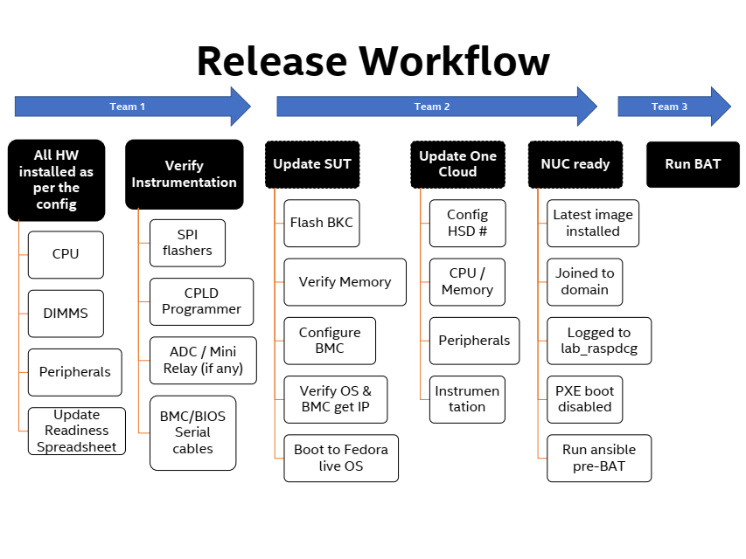
Actual

2023-01-18 | Prepare work bench (space, power, network) |  |  |  | Wu, Yunpeng/Zhou, Yulin
 | Prepare Tools, 小理线材料 |  |  |  | Tech Leads
 | Download HSD to Sharepoint |  |  |  | Ian Liu
 | Record PN# for AVC/BNC POK/Board/CC |  |  |  | Guo, Linlin

DAY1 | Unpack AVC MB/CC (注意: 不要丢任何东西，除了空盒子, Jiang Dianhui检查) |  |  |  | Tech Leads/Jiang, Dianhui
 | Place MB/CC to designated bench/shelf location |  |  |  | Guo Linlin
 | Collect Host/BMC MAC addresses (Write hostname on box) |  |  |  | Guo Linlin
 | Give one board to Chu, Xingrong to replace the BB in SH010 zz14l47007s0603 |  |  |  | Chu, Xingrong
 | DDI registration |  |  |  | Gao, Kuan
 | Register asset information |  |  |  | Ju Yujing/Lin Wenyan
 | Check board TA# |  | No need for TA# M35124-007, PBA# M23789-302 |  | Zhou, Yulin

DAY2 | Check out CPU, DIMM, M.2, Pre-kitting bag from Lin, Wenyan
 | Bring up SUT
 | Update PDU outlet name per naming convension |  |  | do by RASP engineers
 | Update One Cloud |  |  | do by RASP engineers
 | Run BAT |  |  | do by RASP engineers

BAT Pre-requisite
 | NUC | Latest Image installed |  | OK
 |  | Joined to domain |  | Gao Kuan will follow up |  |  | SUT1 | SUT2 | SUT3
 |  | Logged to lab_raspdcg |  | Login ID |  | 9:00-10:00 | Board, DIMM, LOM, Jumper, CPU
 |  | PXE boot disabled |  | Zhu, Yuanyuan will follow up |  | 10:00-11:00 | Flash BKC, QC, Boot
 |  | Run ansible pre-BAT |  | N/A |  | 11:00-12:00 | Debug / ITP, Instruments
 | BMC | Config BMC |  | add debug user account |  | 12:00-13:00 |  | Lunch
 |  |  |  |  |  | 13:00-14:00 | Debug / Load OS, VR Rework
 |  |  |  |  |  | 14:00-15:00 | Update One Cloud
 |  |  |  |  |  | 2h | Run BAT
 |  |  |  |  |  | 0.5h | Dinner
 |  |  |  |  |  | 0.5h | Back to Bench, Bring Online
 |  |  |  |  |  | 0.5h | Update PDU socket name, Tracker

Purchase
品名 | 规格(直径) | 数量 | Status | Delivered to
胜为电脑理线带 魔术贴桌面收纳固定整理免打孔 绕线器数据线网线电源线扎带自粘式10 |  | 30
得力(deli)30mm*3m纳米强力无痕魔力胶带 透明家用车用无痕双面胶 33601 可重复使用 |  | 30
佳能 Glad 密封袋特大号10个 食品袋 收纳衣物整理袋 密实袋 HP638C | https://item.jd.com/100024534638.html | 10 boxes (10pcs per box) | Received 100pcs | Lin, Wenyan
麦锐欧 防静电自封袋 硬盘包装袋 电子器件主板屏蔽自封袋 双层 100个/包 13*18cm | https://i-item.jd.com/100032680447.html#crumb-wrap | 5 boxes (100pcs per box) | Received 500pcs | Lin, Wenyan
绿联（UGREEN）包线管 | 20mm | 25 PCS | Received 25pcs | Lin, Wenyan
绿联（UGREEN）包线管 | 40mm | 112 PCS | Received 164pcs | Guo, Linlin
绿联（UGREEN）包线管 | 60mm | 26 PCS | N/A
HDMI to VGA cables | https://item.jd.com/100031846590.html#crumb-wrap | 10 | Received 10pcs | Lin, Wenyan
Power cord P002-002 | https://item.jd.com/10037565763973.html#crumb-wrap | 420
heatsink锡膏
Printer label 9MM black word in yellow ground |  | 30 | Received 22pcs | Lin, Wenyan
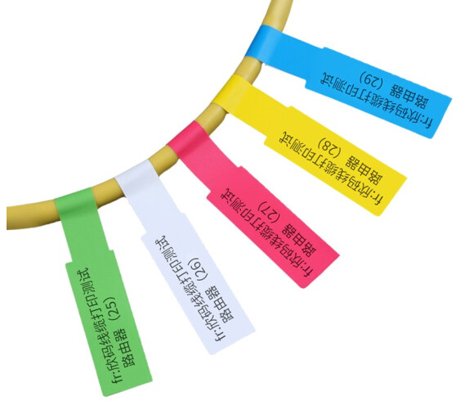
Sinmark A4 network cable labeling |  | 5 | Received 5pcs | Lin, Wenyan
PO 3500082711 | PO 3500084478
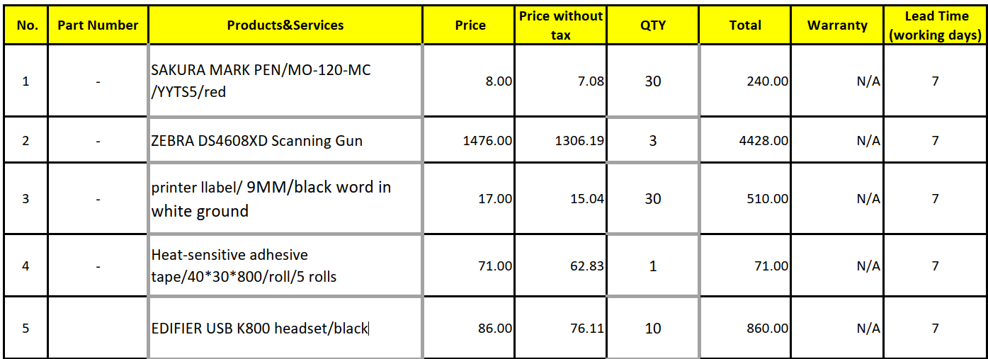
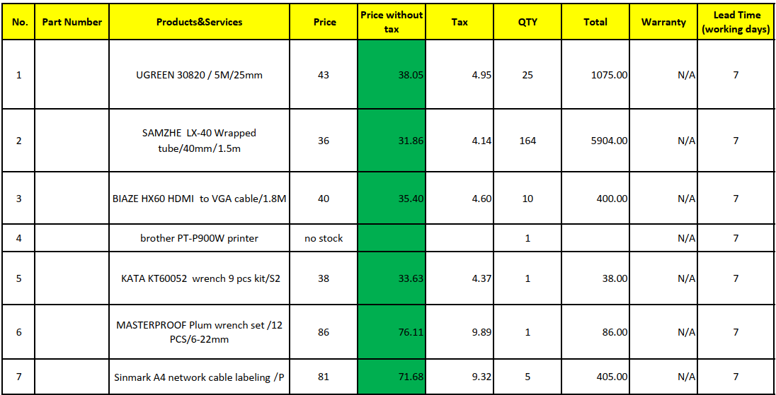

机器吊牌 |  | 500
扭力扳手的刀头 | https://item.jd.com/10065888110412.html#crumb-wrap | 5
Air blowing ball | https://item.jd.com/1275780.html | 3

BNC Shipment
Sample Description | 2022 WW46 | 2022 WW47 | 2022 WW48 | 2022 WW49 | 2022 WW50 | 2022 WW51 | 2022 WW52 | 2022 WW53 | 2023 WW1 | 2023 WW2 | 2023 WW3 | 2023 WW4 | 2023 WW5 | 2023 WW6 | 2023 WW7 | 2023 WW8 | 2023 WW9 | 2023 WW10 | 2023 WW11 | 2023 WW12 | 2023 WW13 | 2023 WW14 | 2023 WW15 | 2023 WW16 | 2023 WW17 | 2023 WW18 | 2023 WW19 | 2023 WW20 | 2023 WW21 | 2023 WW22 | 2023 WW23 | 2023 WW24
BNC 4S POK | 0 | 0 | 0 | 0 | 0 | 0 | 16 | 16 | 16 | 16 | 16 | 16 | 16 | 16 | 16 | 16 | 16 | 16 | 16 | 16 | 16 | 16 | 16 | 16 | 16 | 16 | 16 | 16 | 16 | 16 | 16 | 16
BNC 4U CC | 0 | 0 | 0 | 0 | 0 | 0 | 20 | 20 | 20 | 20 | 20 | 20 | 20 | 20 | 20 | 20 | 21 | 21 | 49 | 55 | 55 | 55 | 75 | 78 | 88 | 88 | 88 | 88 | 88 | 88 | 88 | 88
BNC 8S POK | 0 | 0 | 0 | 0 | 0 | 0 | 0 | 0 | 0 | 0 | 0 | 0 | 0 | 0 | 0 | 0 | 0 | 0 | 0 | 0 | 0 | 0 | 0 | 6 | 6 | 6 | 6 | 6 | 6 | 6 | 6 | 6
BNC Modular Board | 0 | 0 | 0 | 0 | 0 | 0 | 0 | 0 | 0 | 0 | 0 | 0 | 0 | 0 | 0 | 0 | 5 | 10 | 14 | 44 | 44 | 44 | 46 | 47 | 47 | 47 | 47 | 47 | 57 | 57 | 62 | 62
BNC POK | 10 | 10 | 10 | 10 | 10 | 10 | 20 | 20 | 20 | 20 | 20 | 20 | 20 | 20 | 38 | 48 | 48 | 48 | 66 | 66 | 86 | 86 | 86 | 86 | 86 | 86 | 86 | 86 | 86 | 86 | 86 | 86
BNC RP Board | 0 | 10 | 10 | 10 | 10 | 55 | 55 | 55 | 55 | 55 | 55 | 55 | 55 | 55 | 55 | 65 | 80 | 80 | 90 | 100 | 110 | 110 | 110 | 110 | 110 | 110 | 110 | 110 | 110 | 110 | 110 | 110

