STL Checklist
Filename | Preview | Checked and Available | Not Needed

Folder: Electronics_Bay\Controller_Mounts
BIGDIPPER_bracket_set.stl | 
BTT_MOT_EXP_bracket.stl | 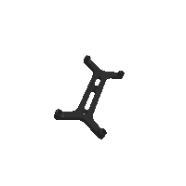
Duet2_Duet3Mini5_bracket_set.stl | 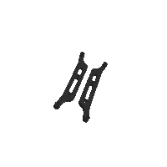
GTR_bracket_set.stl | 
Octopus_bracket_set.stl | 
S6_bracket_set.stl | 
SKR_bracket_inline_set.stl | 
SKR_Pro_bracket_set.stl | 
Spider_bracket_set.stl | 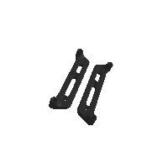

Folder: Electronics_Bay
lrs_200_psu_bracket_x2.stl | 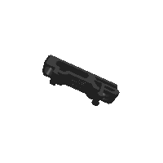

Folder: Electronics_Bay\Other_PS_Mounts
UHP_200_Mount_x2.stl | 
UHP_350_Mount_x2.stl | 

Folder: Electronics_Bay
pcb_din_clip_x3.stl | 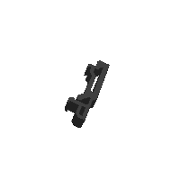
PSU_stabilizer_50mm.stl | 
raspberrypi_bracket.stl | 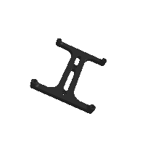
rs25_psu_bracket.stl | 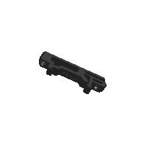
wago_221-415_mount_3by5.stl | 

Folder: Exhaust_Filter
[a]_exhaust_fan_grill.stl | 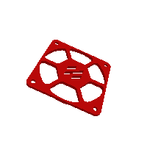
[a]_exhaust_filter_mount_x2.stl | 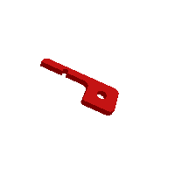
[a]_filter_access_cover.stl | 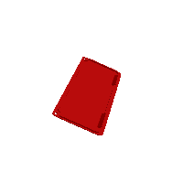
exhaust_filter_grill.stl | 
exhaust_filter_housing.stl | 

Folder: Gantry
[a]_z_belt_clip_lower_x4.stl | 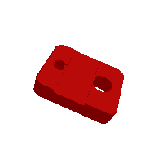
[a]_z_belt_clip_upper_x4.stl | 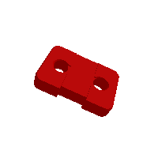

Folder: Gantry\AB_Drive_Units
[a]_cable_cover.stl | 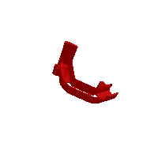
[a]_z_chain_retainer_bracket_x2.stl | 
a_drive_frame_lower.stl | 
a_drive_frame_upper.stl | 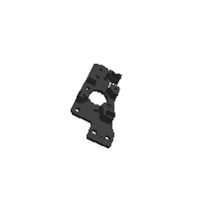
b_drive_frame_lower.stl | 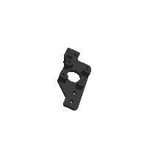
b_drive_frame_upper.stl | 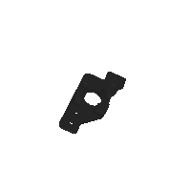

Folder: Gantry\Front_Idlers
[a]_tensioner_left.stl | 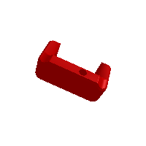
[a]_tensioner_right.stl | 
front_idler_left_lower.stl | 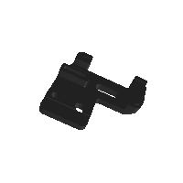
front_idler_left_upper.stl | 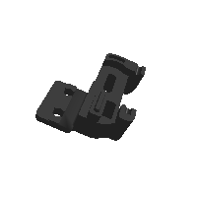
front_idler_right_lower.stl | 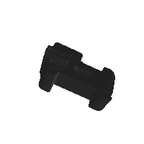
front_idler_right_upper.stl | 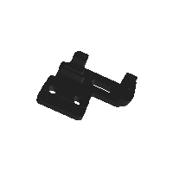

Folder: Gantry\X_Axis\X_Carriage
pinda_adapter.stl | 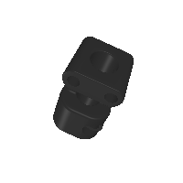
probe_retainer_bracket.stl | 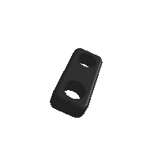
probe_retainer_bracket_9mm.stl | 
x_frame_V2TR_MGN12_left.stl | 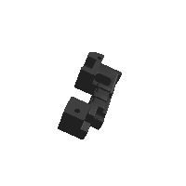
x_frame_V2TR_MGN12_right.stl | 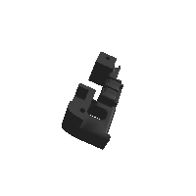

Folder: Gantry\X_Axis\XY_Joints
[a]_endstop_pod_D2F_switch.stl | 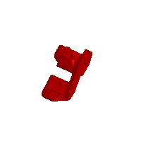
[a]_endstop_pod_hall_effect.stl | 
[a]_xy_joint_cable_bridge_2hole.stl | 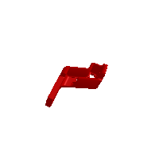
[a]_xy_joint_cable_bridge_3hole.stl | 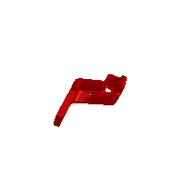
xy_joint_left_lower_MGN12.stl | 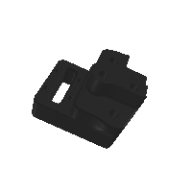
xy_joint_left_upper_MGN12.stl | 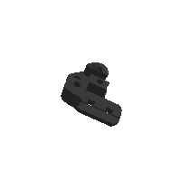
xy_joint_right_lower_MGN12.stl | 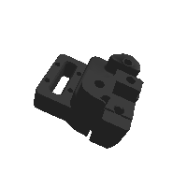
xy_joint_right_upper_MGN12.stl | 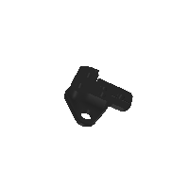

Folder: Gantry
z_chain_bottom_anchor.stl | 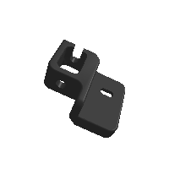
z_chain_guide.stl | 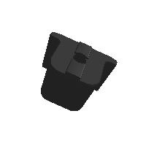

Folder: Gantry\Z_Joints
z_joint_lower_x4.stl | 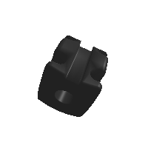
z_joint_upper_hall_effect.stl | 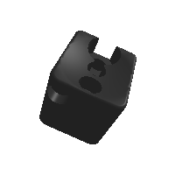
z_joint_upper_x4.stl | 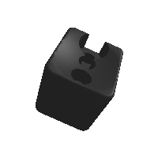

Folder: Panel_Mounting
bottom_panel_clip_x4.stl | 
bottom_panel_hinge_x2.stl | 
corner_panel_clip_4mm_x8.stl | 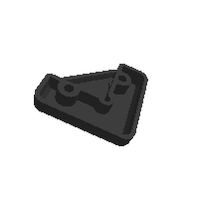
corner_panel_clip_6mm_x8.stl | 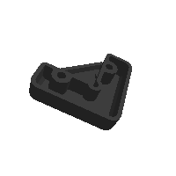
deck_support_3mm_x8.stl | 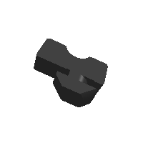
deck_support_4mm_x8.stl | 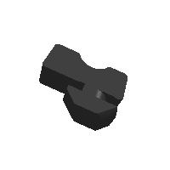

Folder: Panel_Mounting\Front_Doors
door_hinge_x6.stl | 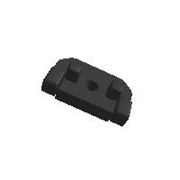
handle_a_x2.stl | 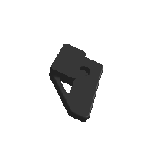
handle_b_x2.stl | 
latch_x2.stl | 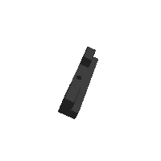

Folder: Panel_Mounting
midspan_panel_clip_4mm_x7.stl | 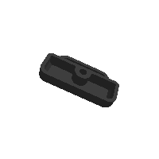
midspan_panel_clip_6mm_x8.stl | 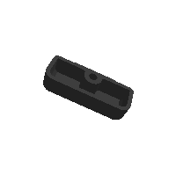
z_belt_cover_a_x2.stl | 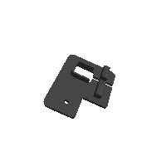
z_belt_cover_b_x2.stl | 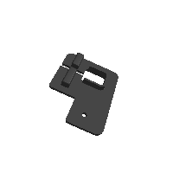

Folder: Skirts\250
front_skirt_a_250.stl | 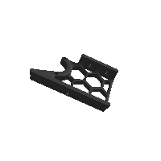
front_skirt_b_250.stl | 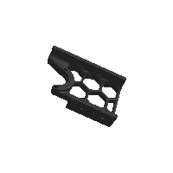
rear_center_skirt_250.stl | 
side_skirt_a_250_x2.stl | 
side_skirt_b_250_x2.stl | 

Folder: Skirts\300
front_skirt_a_300.stl | 
front_skirt_b_300.stl | 
rear_center_skirt_300.stl | 
side_skirt_a_300_x2.stl | 
side_skirt_b_300_x2.stl | 

Folder: Skirts\350
front_skirt_a_350.stl | 
front_skirt_b_350.stl | 
rear_center_skirt_350.stl | 
side_skirt_a_350_x2.stl | 
side_skirt_b_350_x2.stl | 

Folder: Skirts
[a]_belt_guard_a_x2.stl | 
[a]_belt_guard_b_x2.stl | 
[a]_btt_knob_light_shield.stl | 
[a]_fan_grill_a_x2.stl | 
[a]_fan_grill_b_x2.stl | 
[a]_fan_grill_open_optional_x2.stl | 
[a]_fan_grill_retainer_x2.stl | 
[a]_keystone_blank_insert.stl | 
[a]_mini12864_case_front_insert.stl | 
[a]_mini12864_case_hinge.stl | 
keystone_panel.stl | 
mini12864_case_front.stl | 
mini12864_case_rear.stl | 
power_inlet_filtered.stl | 
power_inlet_IECGS_1.2mm.stl | 
power_inlet_IECGS_1mm.stl | 

Folder: Spool_Management
bowden_retainer.stl | 
spool_holder.stl | 

Folder: Superceded_Parts
[a]_stopgap_80T_hubbed_gear.stl | 
[a]_z_tensioner_x4_6mm.stl | 

Folder: Superceded_Parts\Frame_Brackets
dual_ramps_bracket_frame.stl | 
duet_duex_bracket_frame_x2.stl | 
lrs_bracket_frame.stl | 
mks_gen_1.4_bracket_frame_x2.stl | 
mks_gen_L_bracket_frame_x2.stl | 
raspberry_pi_bracket.stl | 
rs_25_psu_bracket_frame.stl | 
rs_35_bracket_frame.stl | 
skr_1.3_bracket_frame.stl | 
skr_mini_e3_bracket_frame.stl | 

Folder: Superceded_Parts\MGN9_X
[a]_belt_clamp_MGN9_x2.stl | 
x_carriage_frame_left_MGN9.stl | 
x_carriage_frame_right_MGN9.stl | 
x_carriage_pivot_block_MGN9.stl | 
xy_joint_left_lower_MGN9.stl | 
xy_joint_left_upper_MGN9.stl | 
xy_joint_right_lower_MGN9.stl | 
xy_joint_right_upper_MGN9.stl | 

Folder: Superceded_Parts\ZipChain\XY
zipchain2_xy_end.stl | 
zipchain2_xy_link_a.stl | 
zipchain2_xy_link_b.stl | 

Folder: Superceded_Parts\ZipChain\Z
zipchain2_z_end.stl | 
zipchain2_z_link_a.stl | 
zipchain2_z_link_b.stl | 
zipchain2_z_link_b_locking.stl | 

Folder: Test_Prints
Filament_Card.stl | 
Filament_Card_Caddy_25.stl | 
Heatset_Practice.stl | 
Voron_Design_Cube_v7.stl | 

Folder: Tools
bottom_panel_template.stl | 
MGN12_rail_guide_x2.stl | 
MGN9_rail_guide_x2.stl | 
pulley_jig.stl | 

Folder: Z_Drive
[a]_belt_tensioner_a_x2.stl | 
[a]_belt_tensioner_b_x2.stl | 
[a]_z_drive_baseplate_a_x2.stl | 
[a]_z_drive_baseplate_b_x2.stl | 
z_drive_main_a_x2.stl | 
z_drive_main_b_x2.stl | 
z_drive_retainer_a_x2.stl | 
z_drive_retainer_b_x2.stl | 
z_motor_mount_a_x2.stl | 
z_motor_mount_b_x2.stl | 

Folder: Z_Endstop
nozzle_probe.stl | 

Folder: Z_Idlers
[a]_z_tensioner_9mm_x4.stl | 
z_tensioner_bracket_a_x2.stl | 
z_tensioner_bracket_b_x2.stl | 

