기구제공정보
G코드 수순
1 | G90
2 | G28
3 | T0
4 | G0 Z200 F600
5 | G0 X160 Y180 F2400 (노즐1 촬영)
6 | G0 X165 Y180 F2400 (노즐1-1 촬영)
7 | T1
8 | G0 X160 Y180 F2400 (노즐2 촬영)
9 | G코드 입력

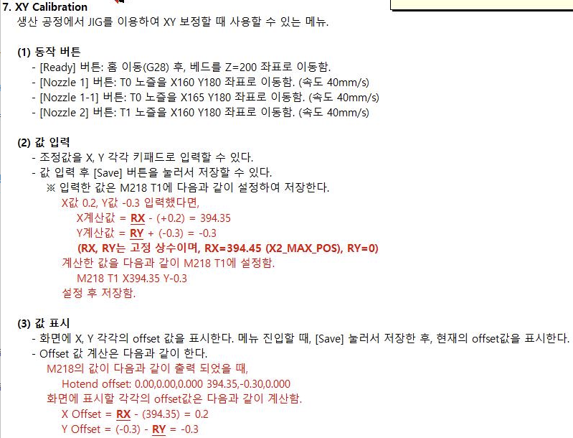
작업 수순
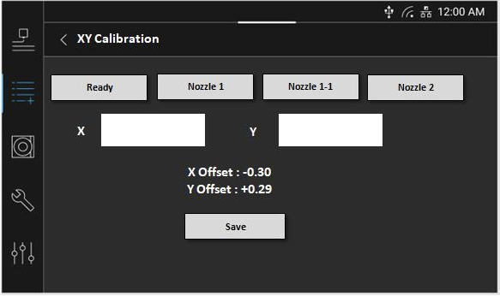

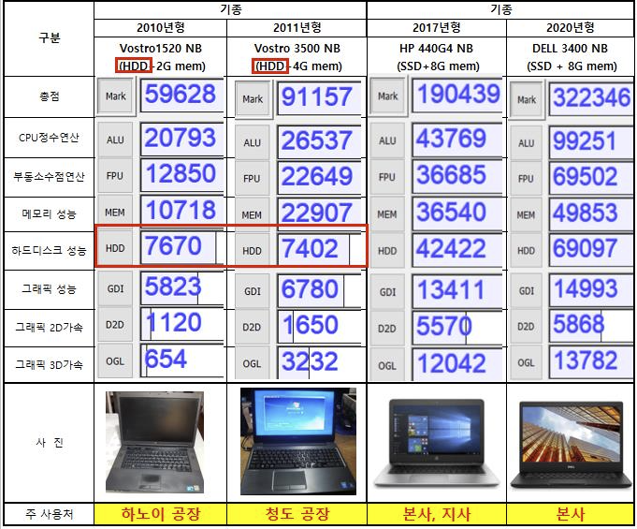
PC 사양

log_지그
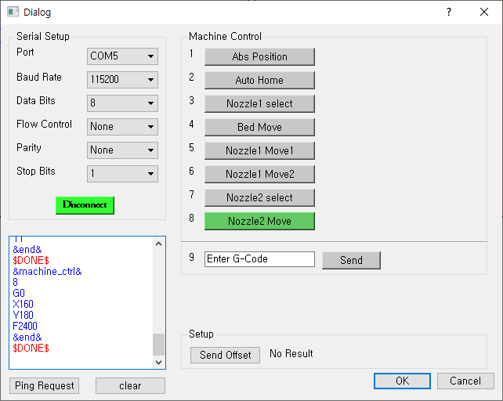
지그 통신 로그 | 지그 터미널 로그
&ping_req& | SerialDialog __init__ enter
$PING$ | SerialReadThread __init__ enter
&ready& | QWaitCondition enter...
$READY$ | QWaitCondition exit...
&machine_ctrl& | SerialReadThread __init__ exit
1 | run_fill_serial_info
G90
&end& | _get_available_port
$DONE$ | get_port_path
&machine_ctrl& | _open
2 | _open
G28 | _open
&end& | _open
$DONE$ | _open
&machine_ctrl& | _open
3 | _open
T0 | _open
&end& | _open
$DONE$ | _open
&machine_ctrl& | SerialDialog __init__ exit
4 | connect_serial
G0 | serial_info : {'port_name': 'COM5', 'baudrate': 115200, 'data_bits': 8, 'flow_control': 0, 'parity': 0, 'stop_bits': 1}
Z200 | _open
F600 | Trying to create a QVariant instance of QMetaType::Void type, an invalid QVariant will be constructed instead
&end& | set_status : True
$DONE$ | Tx : &ping_req&
&machine_ctrl& | Rx(org) : $PING$
5 | 8
G0 | Tx : &ready&
X160 | Rx(org) : $READY$
Y180 | 9
F2400 | Tx : &machine_ctrl&
&end& | Tx : 1
$DONE$ | Tx : G90
&machine_ctrl& | Tx : &end&
6 | Rx(org) : $DONE$
G0 | 8
X165 | Tx : &machine_ctrl&
Y180 | Tx : 2
F2400 | Tx : G28
&end& | Tx : &end&
$DONE$ | Rx(org) : $DONE$
&machine_ctrl& | 8
7 | Tx : &machine_ctrl&
T1 | Tx : 3
&end& | Tx : T0
$DONE$ | Tx : &end&
&machine_ctrl& | Rx(org) : $DONE$6
8 | Rx(org) :
G0 | 2
X160 | Tx : &machine_ctrl&
Y180 | Tx : 4
F2400 | Tx : G0
&end& | Tx : Z200
$DONE$ | Tx : F600
 | Tx : &end&
 | Rx(org) : $DONE$
 | 8
 | Tx : &machine_ctrl&
 | Tx : 5
 | Tx : G0
 | Tx : X160
 | Tx : Y180
 | Tx : F2400
 | Tx : &end&
 | Rx(org) : $DONE$
 | 8
 | Tx : &machine_ctrl&
 | Tx : 6
 | Tx : G0
 | Tx : X165
 | Tx : Y180
 | Tx : F2400
 | Tx : &end&
 | Rx(org) : $DONE$
 | 8
 | Tx : &machine_ctrl&
 | Tx : 7
 | Tx : T1
 | Tx : &end&
 | Rx(org) : $DONE$
 | 8
 | Tx : &machine_ctrl&
 | Tx : 8
 | Tx : G0
 | Tx : X160
 | Tx : Y180
 | Tx : F2400
 | Tx : &end&
 | Rx(org) : $DONE$
 | 8

