기구제공정보
G코드 수순
1 | G90
2 | G28
3 | T0
4 | G0 Z200 F600
5 | G0 X160 Y180 F2400 (노즐1 촬영)
6 | G0 X165 Y180 F2400 (노즐1-1 촬영)
7 | T1
8 | G0 X160 Y180 F2400 (노즐2 촬영)
9 | G코드 입력

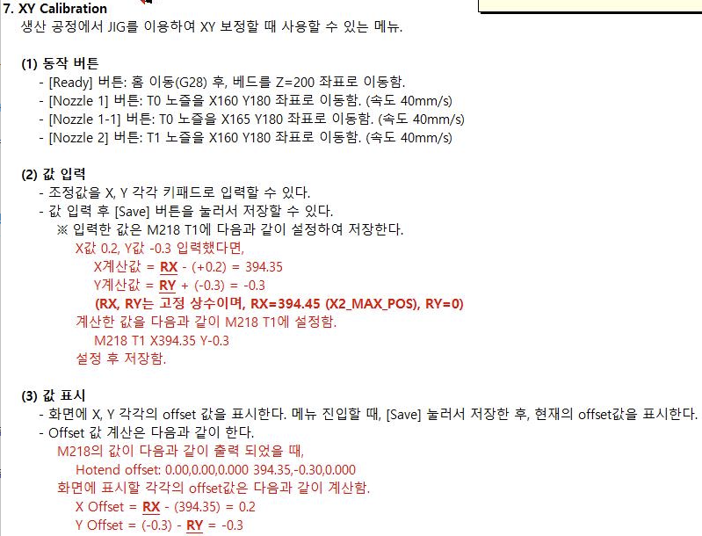
작업 수순
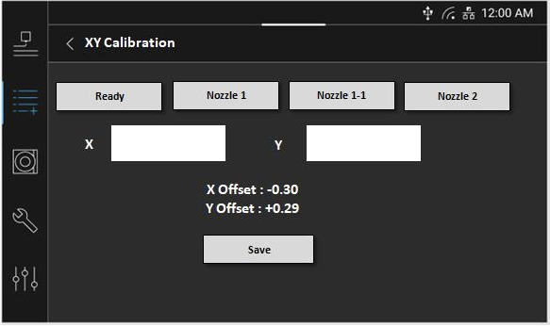

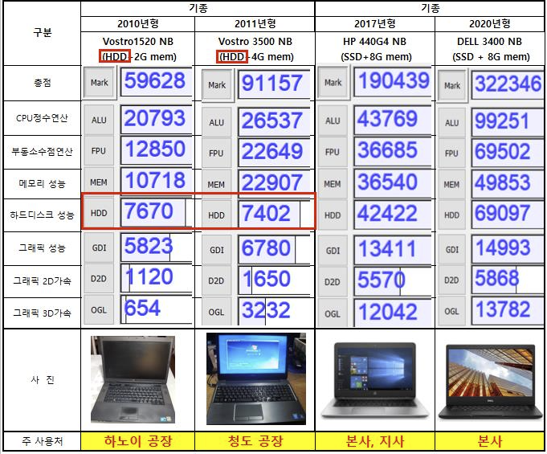
PC 사양

