DW Data Volumes
 | Analytics Backbone Data Model
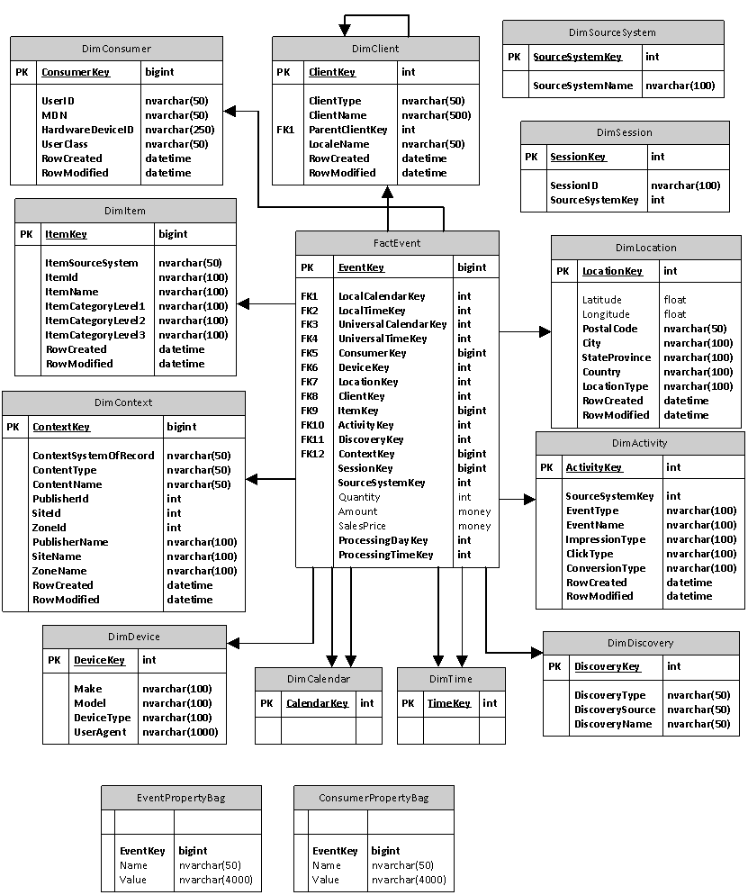

Feed Type | Source System | Fact / Dimension | Expected Volume |  |  |  |  | Extraction Mechanism | Size (MB)
Transactions feeds | Tracker |  | Campaign Volume | Salespeople | Campaigns per | Total | Period
 |  | FactEvent: Ad Request | 1,000,000 | 20 | 5 | 100,000,000 | per day | Relational Tracker / Staging DB | 14,305
 |  | FactEvent: Impression | 500,000 | 20 | 5 | 50,000,000 | per day | Relational Tracker / Staging DB | 7,153
 |  | FactEvent: Click | 7,500 | 20 | 5 | 750,000 | per day | Relational Tracker / Staging DB | 107
 |  | FactEvent: Action | 3,750 | 20 | 5 | 375,000 | per day | Relational Tracker / Staging DB | 54
 |  | FactEvent: Recommendation | 10,000,000 | 20 | 5 | 1,000,000,000 | per day | Relational Tracker / Staging DB | 7,629
Dimension feeds | Mocean |  | Volume | Salespeople | Campaigns per | Total (concurrent) | Period
(Reference feeds) |  | DimClient: Advertisers |  | 20 | 20 | 400 | per month | API (http://developer.moceanmobile.com/Mocean_REST_API_Documentation) | 7,000
 |  | DimDiscovery: Campaigns |  | 20 | 20 | 400 | per month | API (http://developer.moceanmobile.com/Mocean_REST_API_Documentation)
 |  | DimItem: Creatives/ Ads | 4 | 20 | 20 | 1,600 | per month | API (http://developer.moceanmobile.com/Mocean_REST_API_Documentation)
 |  | DimClient: Publishers |  |  |  | 1,000 | per month | API (http://developer.moceanmobile.com/Mocean_REST_API_Documentation)
 |  | DimContext: Sites |  |  |  | 10,000 | per month | API (http://developer.moceanmobile.com/Mocean_REST_API_Documentation)
 |  | DimContext: Zones |  |  |  | 40,000 | per month | API (http://developer.moceanmobile.com/Mocean_REST_API_Documentation)

 | Offer Manager
 |  | DimItem: Creatives / Ads | 4 | 20 | 20 | 1,600 | per month | API

Enhancements feeds |  |  | Rows | Attributes |  |  | Frequency
(extend Dimensions) | comScore (Online/ Mobile Audience Surveys) | dimContext, dimClient | 1,500,000 | 1,000 |  |  | daily | API
 | ESRI (Geo Community Attributes) | dimLocation | 8,000,000 | 1,000 |  |  | annual | flat file extract | 5,000
 | Radian6 (Social Media Buzz) | dimClient, dimContext | ? | ? |  |  | daily | API
 | DMOZ (Site content / context) | dimContext | 1,000,000 | 10 |  |  | weekly | flat file extract + Sophia API
 | WURFL (Device Profiles) | dimDevice | 10,000 | 100 |  |  | daily/weekly | API | 20
 | Poynt (Intent Attributes) | dimLocation |  |  |  |  |  | flat file extract
 | Mobile App Attributes | dimContext |  |  |  |  |  | API
 | MaxMind | DimLocation, DimCarrier
Predictive Analytics |  |  | Rows | Attributes |  |  | Frequency
Objects feeds | Analytics UI | Strategy | 100 |  |  |  | weekly/monthly
 | Analytics UI | Strategy Task | 500 |  |  |  | weekly/monthly
 | Analytics UI | Template | 500 |  |  |  | weekly/monthly
 | Analytics UI | Model | 200 |  |  |  | hourly
 | Analytics UI | Scorecard | 400 |  |  |  | hourly

data providers | SP
 | flat file extracts
 | API for comscore, CACI, flat file extracts
DW | historical DW (1,2 hours)
 | txn | 9,000,000 | capacity
 | campaign | 5,000 | capacity
 | sites | 500,000 | capacity | (up to 1500000)

