HIV.DT.02 Test Using Algorithm
 | Note: This tab has three decision support tables: 1) Test [mother] for HIV using testing algorithm (in ANC settings); 2) Testing for HIV using testing algorithm (for individuals ≥18 months of age) 3) Managing indeterminate test results: standard operating procedure (Fig. 2.8 of 2021 source below) Not charted is the "Simplified infant diagnosis algorithm" from Fig. 2.7 of 2021 source below. Sources: • Consolidated Guidelines on HIV Testing Services. 2019. • Consolidated guidelines on HIV prevention, testing, treatment, service delivery and monitoring: recommendations for a public health approach (2021)

 | Decision ID | HIV.DT.02 Test [mother] for HIV using testing algorithm (in ANC settings)
 | Business Rule | HIV status ≠ HIV positive
 | Trigger | HIV.B7. Test for HIV using testing algorithm, HIV.C4. Test for HIV using HIV testing algorithm, HIV.D.11. Retest using HIV algorithm, HIV.E4. Test [mother] for HIV using HIV testing algorithm

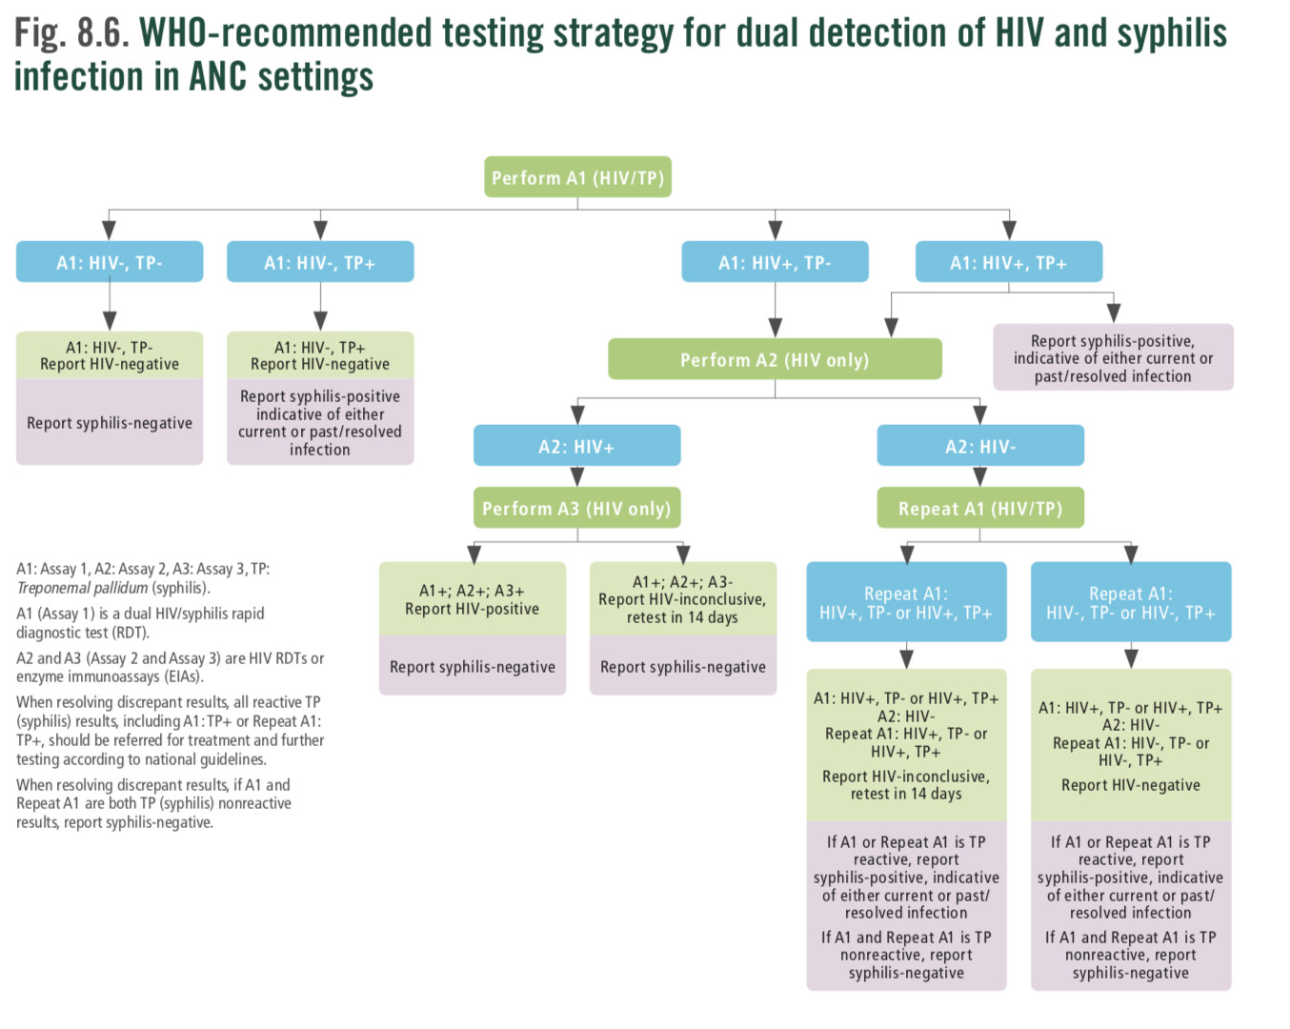
 | Input |  |  |  |  |  |  | Output - Next Steps | Output - Results | Action | Annotations | References and notes
 | Assay number = Assay 1 | Type of test performed = Dual HIV/syphilis rapid test | Test result of HIV assay 1 = Non-reactive |  |  | Test result of syphillis assay 1 = Syphilis negative |  |  | HIV test result = HIV negative Syphilis diagnosis = Syphilis negative | Report syphilis diagnosis of negative. Report HIV test result of HIV negative |  | Consolidated Guidelines on HIV Testing Services. 2019. Fig. 2 WHO universal HIV testing strategy. 8.4.2 Multiplex testing for HIV-1 and other infections. Figure 8.6 WHO recommended testing strategy for dual detection of HIV and syphilis in ANC settings.
 |  |  |  |  |  | Test result of syphillis assay 1 = Syphilis positive |  |  | HIV test result = HIV negative Syphilis diagnosis = Syphilis positive Syphilis counselling and treatment = TRUE | Report syphilis diagnosis of positive Report HIV test result of HIV negative | The positive syphilis result is indicative of either a current or a past/resolved infection. Referred for syphilis treatment and further testing according to national guidelines.
 |  |  | Test result of HIV assay 1 = Reactive |  |  | Test result of syphillis assay 1 = Syphilis positive |  | Next Assay number to perform = Assay 2 Next HIV test type = Rapid diagnostic test for HIV | Syphilis diagnosis = Syphilis positive Syphilis counselling and treatment = TRUE | Perform Assay 2 with an HIV-only test Report as syphilis positive Perform syphilis counselling and treatment or refer | The positive syphilis result is indicative of either a current or a past/resolved infection.
 | Assay number = Assay 2 | Type of test performed = Rapid diagnostic test for HIV | Test result of HIV assay 1 = Reactive | Test result of HIV assay 2 = Non-reactive |  | Test result of syphillis assay 1 = Syphilis negative |  | Next "Assay number" to perform = Assay 1 repeated Next "HIV test type" = Dual HIV/Syphilis RDT" |  | Repeat Assay 1 with a Dual HIV/Syphilis RDT | A negative syphilis test result should have already been recorded.
 |  |  |  | Test result of HIV assay 2 = Reactive |  | Test result of syphillis assay 1 = Syphilis negative |  | Next Assay number to perform = Assay 3 Next HIV test type = Rapid diagnostic test for HIV |  | Perform Assay 3 with an HIV-only test | A negative syphilis test result should have already been recorded.
 |  |  |  |  |  | Test result of syphillis assay 1 = Syphilis positive |  | Next Assay number to perform = Assay 3 Next HIV test type = Rapid diagnostic test for HIV | Syphilis diagnosis = Syphilis positive Syphilis counselling and treatment = TRUE | Perform Assay 3 with an HIV-only test | The positive syphilis result is indicative of either a current or a past/resolved infection.
 | Assay number = Assay 3 | Type of test performed = Rapid diagnostic test for HIV | Test result of HIV assay 1 = Reactive | Test result of HIV assay 2 = Reactive | Test result of HIV assay 3 = Non-reactive | Test result of syphillis assay 1 = Syphilis negative |  |  | HIV test result = HIV inconclusive TRUE Recommended follow-up date = Visit date + 14 days | Report as HIV inconclusive Schedule follow-up testing visit in 14 days Report as syphilis negative | A negative syphilis test result should have already been recorded.
 |  |  |  |  | Test result of HIV assay 3 = Reactive | Test result of syphillis assay 1 = Syphilis positive |  |  | HIV test result = HIV positive Syphilis diagnosis = Syphilis positive | Report as HIV positive Report as syphilis positive
 | Assay number = Assay 1 repeated | Type of test performed = Dual HIV/syphilis rapid test | Test result of HIV assay 1 = Reactive | Test result of HIV assay 2 = Non-reactive | Test result of HIV assay 1 repeated = Non-reactive | Test result of syphillis assay 1 = Syphilis negative | Test result of syphillis assay 1 repeated = Syphilis negative |  | HIV test result = HIV negative Syphilis diagnosis = Syphilis negative | Report as HIV negative Report as syphilis negative | If A1 or Repeat A1 is TP reactive, report syphilis- positive, indicative of either a current or past/ resolved infection. If A1 and Repeat A1 is TP nonreactive, report syphilis-negative.
c |  |  |  |  |  | Test result of syphillis assay 1 repeated = Syphilis positive |  |  | HIV test result = HIV negative Syphilis diagnosis = Syphilis positive Syphilis counselling and treatment = TRUE | Report HIV negative Report as syphilis positive Perform syphilis counselling and treatment or refer | If A1 or Repeat A1 is TP reactive, report syphilis- positive, indicative of either a current or past/resolved infection If A1 and Repeat A1 is TP nonreactive, report syphilis-negative
c |  |  |  |  |  | Test result of syphillis assay 1 repeated = Syphilis positive |  |  | HIV test result = HIV negative Syphilis diagnosis = Syphilis positive Syphilis counselling and treatment = TRUE | Report HIV negative Report as syphilis positive Perform syphilis counselling and treatment or refer | If A1 or Repeat A1 is TP reactive, report syphilis- positive, indicative of either a current or past/resolved infection If A1 and Repeat A1 is TP nonreactive, report syphilis-negative
 |  |  |  |  | Test result of HIV assay 1 repeated = Reactive | Test result of syphillis assay 1 = Syphilis negative | Test result of syphillis assay 1 repeated = Syphilis negative |  | HIV test result = HIV inconclusive Syphilis diagnosis = Syphilis negative Recommended follow-up date = Visit date + 14 days | Report as HIV-inconclusive Schedule follow-up testing visit in 14 days Report as syphilis negative | If A1 or Repeat A1 is TP reactive, report syphilis- positive, indicative of either current or past/ resolved infection If A1 and Repeat A1 is TP nonreactive, report syphilis-negative
 |  |  |  |  |  | Test result of syphillis assay 1 repeated = Syphilis positive |  |  | HIV test result = HIV inconclusive Syphilis diagnosis = Syphilis positive Syphilis counselling and treatment = TRUE | Report as HIV-inconclusive, retest in 14 days Schedule follow-up HIV testing visit in 14 days Report as syphilis positive Perform syphilis counselling and treatment or refer | If A1 or Repeat A1 is TP reactive, report syphilis- positive, indicative of either current or past/ resolved infection If A1 and Repeat A1 is TP nonreactive, report syphilis-negative
 |  |  |  |  |  | Test result of syphillis assay 1 repeated = Syphilis positive |  |  | HIV test result = HIV inconclusive Syphilis diagnosis = Syphilis positive Syphilis counselling and treatment = TRUE | Report as HIV-inconclusive, retest in 14 days Schedule follow-up HIV testing visit in 14 days Report as syphilis positive Perform syphilis counselling and treatment or refer | If A1 or Repeat A1 is TP reactive, report syphilis- positive, indicative of either current or past/ resolved infection If A1 and Repeat A1 is TP nonreactive, report syphilis-negative

 | Decision ID | HIV.DT.02 Test using testing algorithm (among people ≥18 months of age)
 | Business Rule | HIV status ≠ HIV positive
 | Trigger | HIV.B7. Test for HIV using testing algorithm, HIV.C4. Test for HIV using testing algorithm, HIV.D.11 Retest using HIV strategy
 | Input |  |  |  |  |  |  | Output |  | Action | Annotations | References and notes
 | WHO standard testing strategy for HIV-1 diagnosis (among people ≥18 months of age)
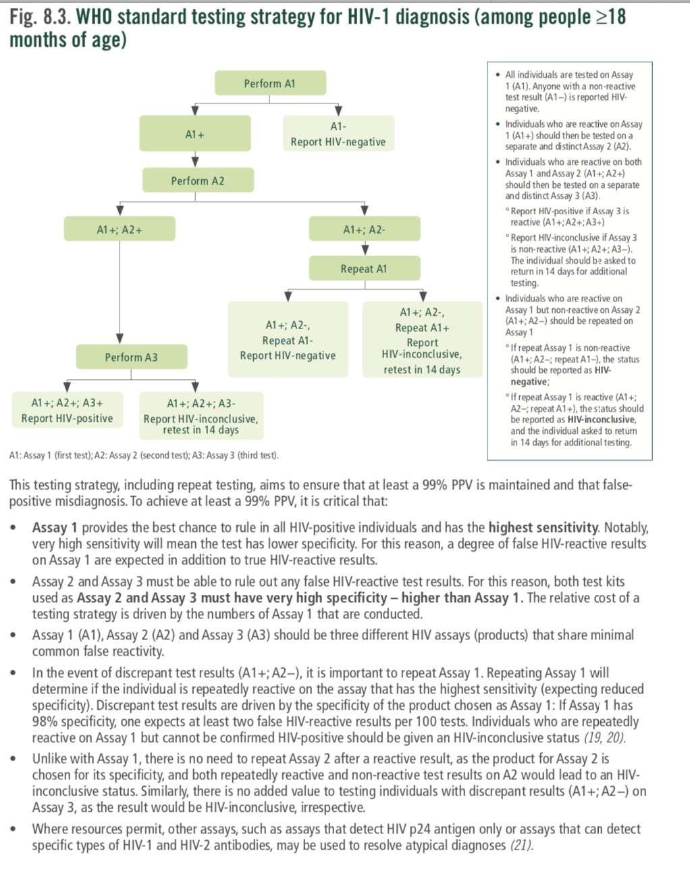
 | Assay number = Assay 1 | Type of test performed = Rapid diagnostic test for HIV | Test result of HIV assay 1 = Non-reactive |  |  |  |  |  | HIV test result = HIV Negative Actions = Report HIV-negative | Report as HIV-negative | All individuals are tested on Assay 1 (A1). Anyone with a non-reactive test result (A1−) is reported as HIV-negative. | Consolidated Guidelines on HIV Testing Services (2019): Fig. 8.3. WHO standard testing strategy for HIV-1 diagnosis (among people ≥18 months of age). Fig. 2. WHO universal HIV testing strategy.
 |  |  | Test result of HIV assay 1 = Reactive |  |  |  |  | Next "Assay number" to perform = Assay 2 | Visit date + 14 days Actions = Perform Assay 2 | Perform Assay 2 | All individuals are tested on Assay 1 (A1). Individuals who are reactive on Assay 1 (A1+) should then be tested on a separate and distinct Assay 2 (A2).
 | Assay number = Assay 2 |  | Test result of HIV assay 1 = Reactive | Test result of HIV assay 2 = Non-reactive |  |  |  | Next Assay number to perform = Assay 1 repeated | Repeat Assay 1 | Repeat Assay 1 | Individuals who are reactive on Assay 1 but non-reactive on Assay 2 (A1+; A2−) should be repeated on Assay 1 In the event of discrepant test results (A1+; A2−), it is important to repeat Assay 1. Repeating Assay 1 will determine if the individual is repeatedly reactive on the assay that has the highest sensitivity
 |  |  | Test result of HIV assay 1 = Reactive | Test result of HIV assay 2 = Reactive |  |  |  | Next Assay number to perform = Assay 3 | Perform Assay 3 | Perform Assay 3 | Individuals who are reactive on both Assay 1 and Assay 2 (A1+; A2+) should then be tested on a separate and distinct Assay 3 (A3).
 | Assay number = Assay 1 repeated |  |  | Test result of HIV assay 2 = Non-reactive | Test result of HIV assay 1 repeated = Non-reactive |  |  |  | HIV test result = HIV Negative Actions = Report HIV negative | Report as HIV negative | If repeat Assay 1 is non-reactive (A1+; A2−; repeat A1–), the status should be reported as HIV negative;.
 |  |  |  |  | Test result of HIV assay 1 repeated = Reactive |  |  |  | HIV test result = HIV-Inconclusive Recommended follow up date = Visit date + 14 days Actions = Report HIV-inconclusive, retest in 14 days | Report as HIV-inconclusive; retest in 14 days | If repeat Assay 1 is reactive (A1+; A2–; repeat A1+), the status should be reported as HIV-inconclusive, and the individual asked to return in 14 days for additional testing.
 | Assay number = Assay 3 |  |  | Test result of HIV assay 2 = Reactive | Test result of HIV assay 3 = Non-reactive |  |  |  | HIV test result = HIV-Inconclusive Recommended follow up date = Visit date + 14 days Actions = Report HIV-inconclusive, retest in 14 days | Report HIV-inconclusive, retest in 14 days | ° Report HIV-inconclusive if Assay 3 is non-reactive (A1+; A2+; A3−). The individual should be asked to return in 14 days for additional testing.
 |  |  |  |  | Test result of HIV assay 3 = Reactive |  |  |  | HIV test result = HIV positive Actions = Report HIV-positive | Report as HIV-positive | ° Report as HIV-positive if Assay 3 is reactive (A1+; A2+; A3+).
 | Assay number = Assay 1 | Type of test performed = Enzyme immunoassay | Test result of HIV assay 1 = Non-reactive |  |  |  |  |  | HIV test result = HIV Negative Actions = Report HIV-negative | Report as HIV-negative | • All individuals are tested on Assay 1 (A1). Anyone with a non-reactive test result (A1−) is reported as HIV negative.
 |  |  | Test result of HIV assay 1 = Reactive |  |  |  |  | Next Assay number to perform = Assay 2 | Visit date + 14 days Actions = Perform Assay 2 | Perform Assay 2 | All individuals are tested on Assay 1 (A1). Individuals who are reactive on Assay 1 (A1+) should then be tested on a separate and distinct Assay 2 (A2).
 | Assay number = Assay 2 |  | Test result of HIV assay 1 = Reactive | Test result of HIV assay 2 = Non-reactive |  |  |  | Next Assay number to perform = Assay 1 repeated | Visit date + 14 days Actions = Repeat Assay 1 | Repeat Assay 1 | Individuals who are reactive on Assay 1 but non-reactive on Assay 2 (A1+; A2−) should be repeated on Assay 1 In the event of discrepant test results (A1+; A2−), it is important to repeat Assay 1. Repeating Assay 1 will determine if the individual is repeatedly reactive on the assay that has the highest sensitivity
 |  |  | Test result of HIV assay 1 = Reactive | Test result of HIV assay 2 = Reactive |  |  |  | Next Assay number to perform = Assay 3 | Actions = Perform Assay 3 | Perform Assay 3 | Individuals who are reactive on both Assay 1 and Assay 2 (A1+; A2+) should then be tested on a separate and distinct Assay 3 (A3).
 | Assay number = Assay 1 repeated |  |  | Test result of HIV assay 2 = Non-reactive | Test result of HIV assay 1 repeated = Non-reactive |  |  |  | HIV test result = HIV-Inconclusive Recommended follow up date = Visit date + 14 days Actions = Report HIV-inconclusive, retest in 14 days | Report as HIV negative | If repeat Assay 1 is non-reactive (A1+; A2−; repeat A1–), the status should be reported as HIV negative.
 |  |  |  |  | Test result of HIV assay 1 repeated = Reactive |  |  |  | HIV test result = HIV-Inconclusive Recommended follow up date = Visit date + 14 days Actions = Report HIV-inconclusive, retest in 14 days | Report HIV-inconclusive; retest in 14 days. | If repeat Assay 1 is reactive (A1+; A2–; repeat A1+), the status should be reported as HIV-inconclusive, and the individual asked to return in 14 days for additional testing.
 | Assay number = Assay 3 |  |  | Test result of HIV assay 2 = Reactive | Test result of HIV assay 3 = Non-reactive |  |  |  | HIV test result = HIV-Inconclusive Recommended follow up date = Visit date + 14 days Actions = Report HIV-inconclusive, retest in 14 days | Report HIV-inconclusive; retest in 14 days. | If Assay 3 is non-reactive (A1+; A2+; A3−), the HIV status should be reported as HIV-inconclusive, and the indicidual asked to return in 14 days for additional testing.
 |  |  |  |  | Test result of HIV assay 3 = Reactive |  |  |  | HIV test result = HIV positive Actions = Report HIV-positive | Report as HIV-positive | If Assay 3 is reactive (A1+; A2+; A3+), report as HIV-positive.

 | Decision ID | HIV.DT.02 Test [infant] for HIV using testing algorithm; Managing indeterminate test results: standard operating procedure
 | Business Rule | HIV status ≠ HIV positive AND Age of Infant < 18 months
 | Trigger | HIV.E12. Test [infant] using HIV testing algorithm, HIV.F8. Test [infant] for HIV using HIV testing algorithm
 | Input |  |  |  |  |  |  | Output |  | Action | Annotations | References and notes
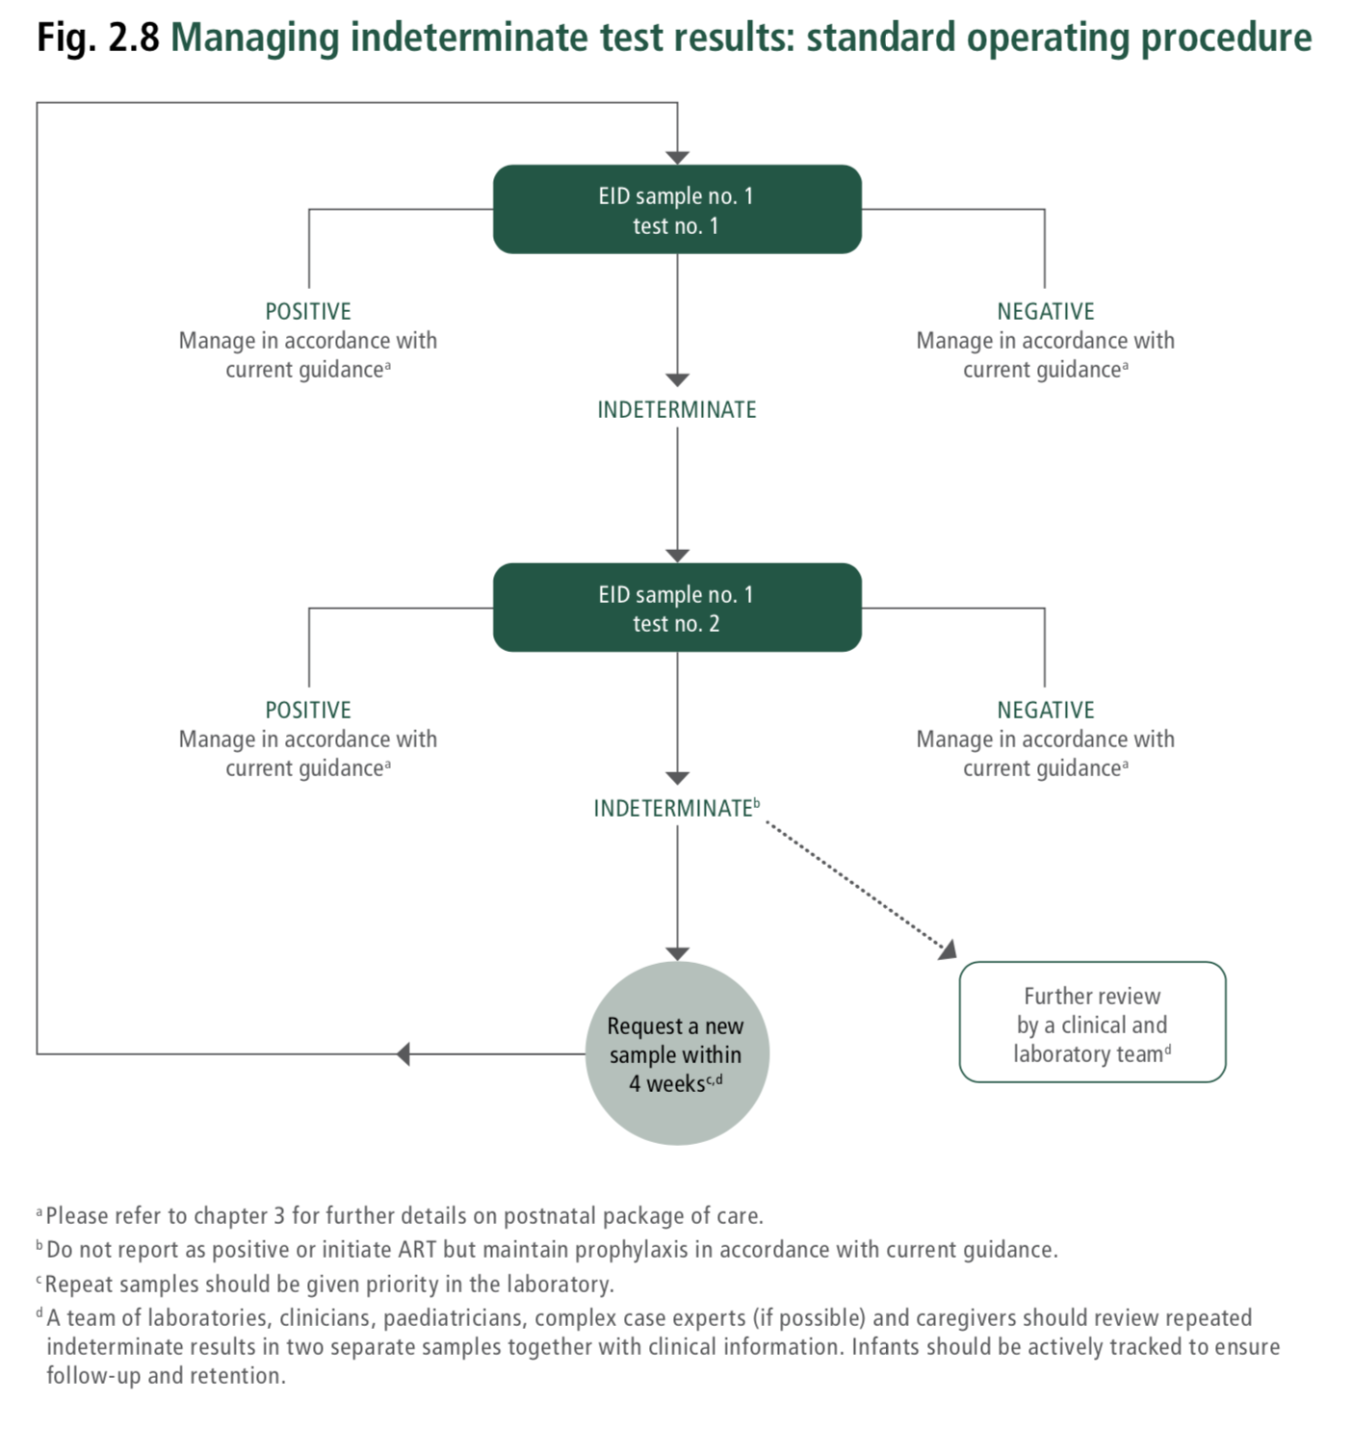
 | EID sample number = EID sample 1 | EID test number = EID Test number 1 | EID test number 1 test result = Negative |  |  |  |  |  | HIV test result = HIV negative | Manage in accordance with current guidance | Please refer to chapter 3 (Consolidated guidelines on HIV prevention, testing, treatment, service delivery and monitoring: recommendations for a public health approach (2021)) for further details on postnatal package of care. | Consolidated guidelines on HIV prevention, testing, treatment, service delivery and monitoring: recommendations for a public health approach (2021); Fig. 2.8 Managing indeterminate test results: standard operating procedure.
 |  |  | EID test number 1 test result = Indeterminate |  |  |  |  | Next Assay number to perform = EID test number 2 | HIV test result = Inconclusive | Perform test no. 2 using EID sample no. 1 | All indeterminate tests should be repeat tested on the same specimen, if and when available. If the same specimen cannot be repeat tested, then a new specimen should be requested and tested as quickly as possible.
 |  |  | EID test number 1 test result = Positive |  |  |  |  |  | HIV test result = HIV positive | Manage in accordance with current guidance | Please refer to chapter 3 (Consolidated guidelines on HIV prevention, testing, treatment, service delivery and monitoring: recommendations for a public health approach (2021)) for further details on postnatal package of care.
 |  | EID test number = EID Test number 2 | EID test number 2 test result = Negative |  |  |  |  |  | HIV test result = HIV negative | Manage in accordance with current guidance | Please refer to chapter 3 (Consolidated guidelines on HIV prevention, testing, treatment, service delivery and monitoring: recommendations for a public health approach (2021)) for further details on postnatal package of care.
 |  |  | EID test number 2 test result = Indeterminate |  |  |  |  |  | HIV test result = Inconclusive | Request a new sample within four weeks. Do not report as positive or initiate ART but maintain prophylaxis in accordance with current guidance. Conduct further review by a clinical and laboratory team. | For specimens with two indeterminate test results, a new sample should be requested. For infants repeatedly testing indeterminate, it is suggested that a team of experts review clinical and test information to determine the best follow-up care. Request a new sample within 4 weeks. Do not report as positive or initiate ART but maintain prophylaxis in accordance with current guidance. Further review by a clinical and laboratory team. A team of laboratories, clinicians or paediatricians, complex case experts (if possible) and caregivers should review repeated indeterminate results in two separate samples together with clinical information. Infants should be actively tracked to ensure follow-up and retention.
 |  |  | EID test number 2 test result = Positive |  |  |  |  |  | HIV test result = HIV positive | Manage in accordance with current guidance | Please refer to chapter 3 (Consolidated guidelines on HIV prevention, testing, treatment, service delivery and monitoring: recommendations for a public health approach (2021)) for further details on postnatal package of care.

