Rubric
Student Name

Student No

Beyond |  | A+ | 9-10
Outstanding |  | A | 8-9 |  |  |  |  |  |  |  | Answers 85%
Excellent |  | A- | 7-8 |  |  |  |  |  |  |  | Presentation 15%
Very Good |  | B | 6-7
Good |  | C | 5-6
Satisfactory |  | D | 4-5
Unsatisfactory |  | MF | 3.5
Very Poor |  | F

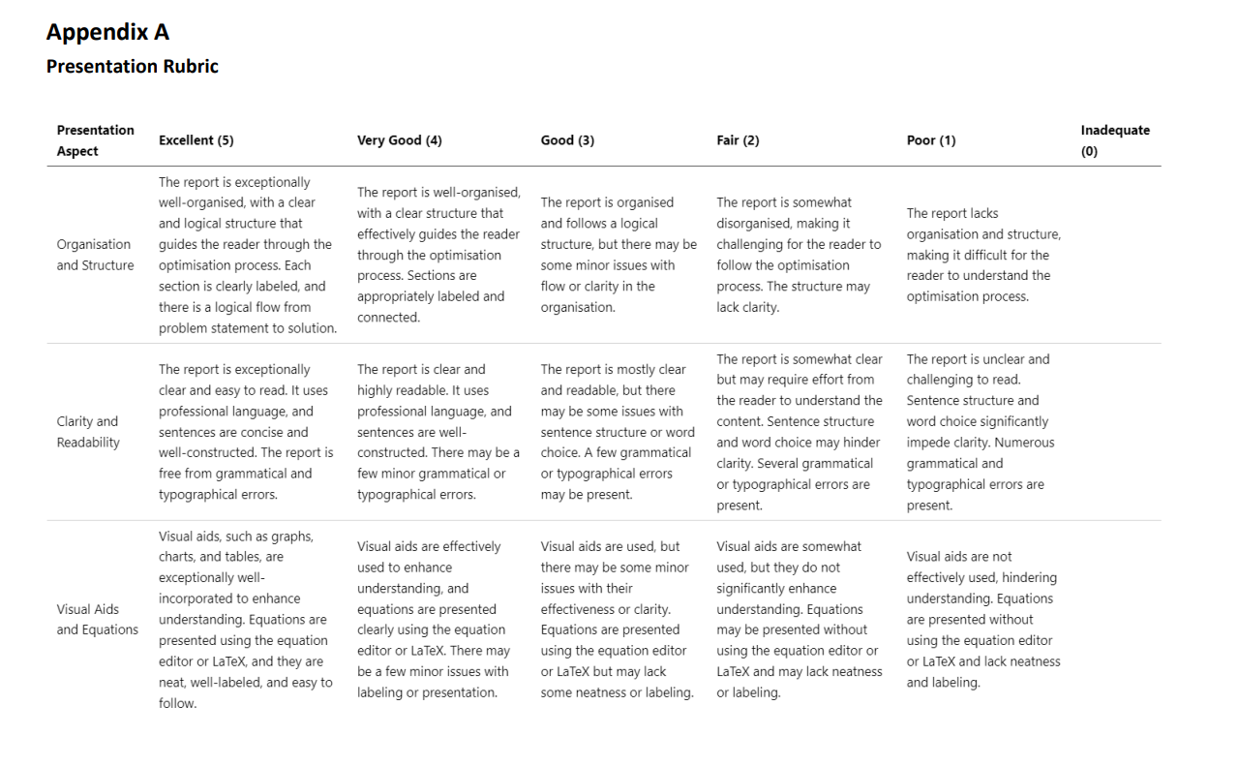
 | Possible Marks | F | MF | D | C | B | A- | A | A+ | Mark | Notes
Q1a | 10
Q1b | 4
Q1c | 10
Q1d | 6
Q2a | 15
Q2b | 5
Q2c | 10
Q3a | 10
Q3b | 10
Q3c | 10
Q3d | 10
Answers
Organisation and Structure | 6
Clarity and Readability | 6
Visual Aids and Equations | 3

ScaledPresentation | 15
Scaled Answers | 85

Total

