Step 1 PCR
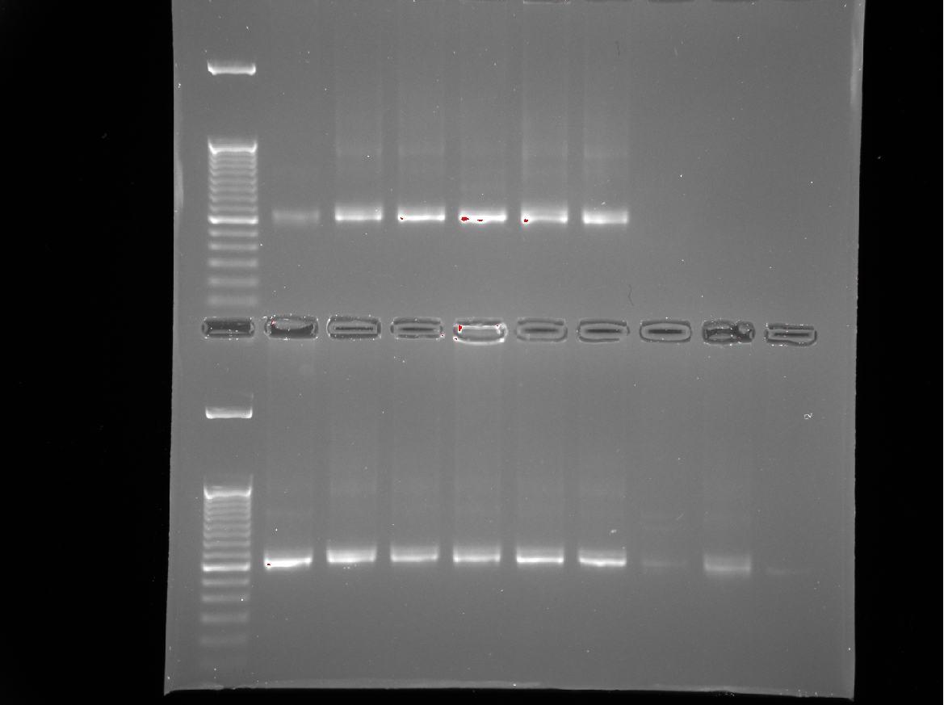
layout for 16S:
 | 1 | 2 | 3 | 4 | 5 | 6 | 7 | 8 | 9 | 10 | 11 | 12
A | 1 | 9 | 16 | 24 | 32 | 40 | 48 | 56 | 63 | / | / | /
B | 2 | 10 | 17 | 25 | 33 | 41 | 49 | 57 | 64 | / | / | /
C | 3 | blank | 18 | 26 | 34 | 42 | 50 | 58 | 65 | / | / | /
D | 4 | 11 | 19 | 27 | 35 | 43 | 51 | 59 | 66 | / | / | /
E | 5 | 12 | 20 | 28 | 36 | 44 | 52 - don’t use | blank | 67 | / | / | /
F | 6 | 13 | 21 | 29 | 37 | 45 - don’t use | 53 | 60 | 68 | / | / | /
16S 1-68: test gel
G | 7 | 14 | 22 | 30 | 38 | 46 | 54 | 61 | PCRNEG | / | / | /
H | 8 | 15 | 23 | 31 | 39 | 47 | 55 | 62 | / | / | / | /

 | 1 | 2 | 3 | 4 | 5 | 6 | 7 | 8 | 9 | 10 | 11 | 12
A | 69 | 77 | 85 | 93 | 101 | 109 | 117 | 125 | PCRNEG | / | / | /
B | 70 | 78 | 86 | 94 | 102 | 110 | 118 | 126 | / | / | / | /
C | 71 | 79 | 87 | 95 | 103 | 111 | 119 | 127 | / | / | / | /
D | 72 | 80 | 88 | 96 | 104 | 112 | 120 | 128 | / | / | / | /
E | 73 | 81 | 89 | 97 | 105 | 113 | 121 | 129 | / | / | / | /
16S 69-135: test gel
F | 74 | 82 | 90 | 98 | 106 | 114 | 122 | 130 | / | / | / | /
G | 75 | 83 | 91 | 99 | 107 | 115 | 123 | 131 | / | / | / | /
H | 76 | 84 | 92 | 100 | 108 | 116 | 124 | 132 | / | / | / | /

 | 133 | ... done seperately as forgot this row on plate 2. in an x8 strip
 | 134
 | 135
 | BLANK
 | BLANK
 | PCRNEG

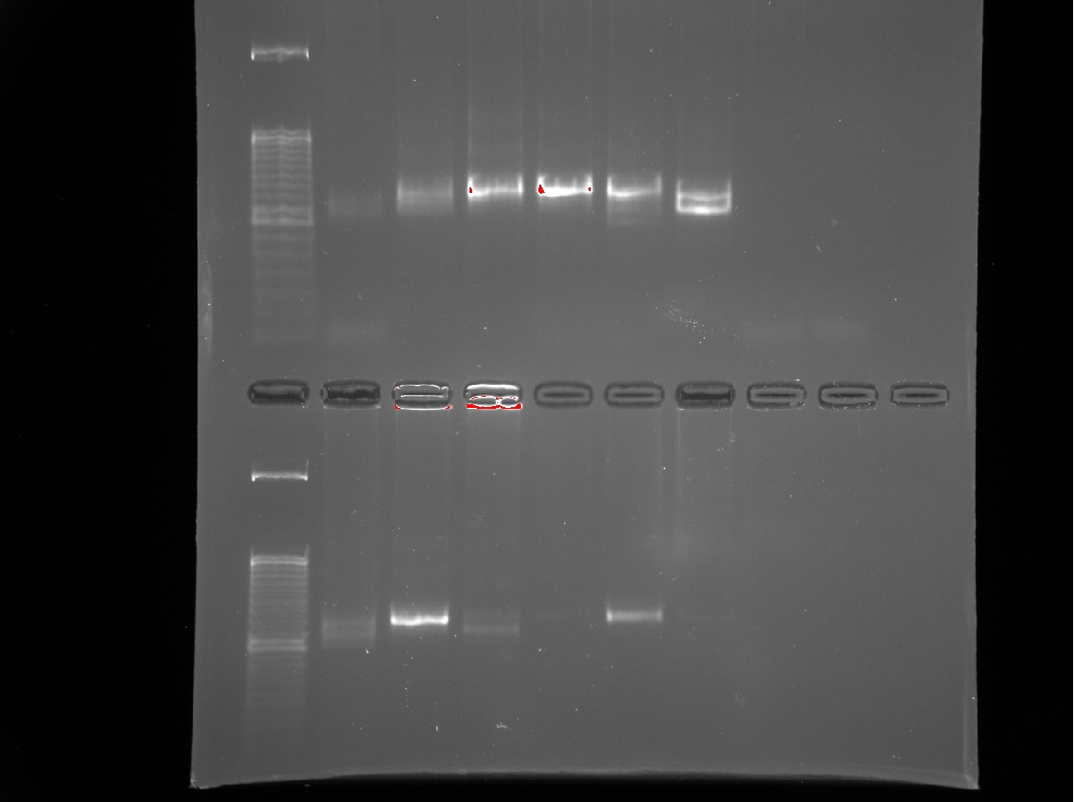
layout for ITS:
 | 1 | 2 | 3 | 4 | 5 | 6 | 7 | 8 | 9 | 10 | 11 | 12
A | 1 | 9 | 16 | 24 | 32 | 40 | 48 | 56 | 63 | / | / | /
B | 2 | 10 | 17 | 25 | 33 | 41 | 49 | 57 | 64 | / | / | /
C | 3 | blank | 18 | 26 | 34 | 42 | 50 | 58 | 65 | / | / | /
D | 4 | 11 | 19 | 27 | 35 | 43 | 51 | 59 | 66 | / | / | /
E | 5 | 12 | 20 | 28 | 36 | 44 | 52 - don’t use | blank | 67 | / | / | /
F | 6 | 13 | 21 | 29 | 37 | 45 - don’t use | 53 | 60 | 68 | / | / | /
ITS 1-68: test gel
G | 7 | 14 | 22 | 30 | 38 | 46 | 54 | 61 | PCRNEG | / | / | /
H | 8 | 15 | 23 | 31 | 39 | 47 | 55 | 62 | / | / | / | /

 | 1 | 2 | 3 | 4 | 5 | 6 | 7 | 8 | 9 | 10 | 11 | 12
A | 69 | 77 | 85 | 93 | 101 | 109 | 117 | 125 | 133 | / | / | /
B | 70 | 78 | 86 | 94 | 102 | 110 | 118 | 126 | 134 | / | / | /
C | 71 | 79 | 87 | 95 | 103 | 111 | 119 | 127 | 135 | / | / | /
D | 72 | 80 | 88 | 96 | 104 | 112 | 120 | 128 | BLANK | / | / | /
E | 73 | 81 | 89 | 97 | 105 | 113 | 121 | 129 | PCRNEG | / | / | /
ITS 69-135: test gel
F | 74 | 82 | 90 | 98 | 106 | 114 | 122 | 130 | PCRNEG | / | / | /
G | 75 | 83 | 91 | 99 | 107 | 115 | 123 | 131 | / | / | / | /
H | 76 | 84 | 92 | 100 | 108 | 116 | 124 | 132 | / | / | / | /

Step 2 PCR
Indexes | Seq | samples
Plate 3 | ITS | 1-68
Plate 4 | 16S | 1-68
Plate 5 | ITS | 69-135
Plate 6 | 16S | 69-135
Plate 7 | COI LC | 1-68
Plate 8 | COI BR | 1-68
Plate 9 | COI LC | 69-135
Plate 10 | COI BR | 69-135

Protocol:
Vrxn – 18 uL

 | 1x | 30x | 76x | 71x | 74x
2x Buffer mix | 9 | 270 | 684 | 639 | 666
Fusion Primers (working) | 1.44 | - | - | 1.44 | 1.44
3G KAPA polymerase | 0.144 | 4.32 | 10.944 | 10.224 | 10.656
MilliQ PCR grade | 5.616 | 168.48 | 426.816 | 398.736 | 415.584
DNA template | 1.8 |  |  | 1.8 | 1.8
TOTAL | 18 |  | 1368 | 18 | 18

layout for 16S:

 | 1 | 2 | 3 | 4 | 5 | 6 | 7 | 8 | 9 | 10 | 11 | 12
A | 1 | 9 | 16 | 24 | 32 | 40 | 48 | 56 | 63 | PCRNEG2 | / | /
B | 2 | 10 | 17 | 25 | 33 | 41 | 49 | 57 | 64 | / | / | /
C | 3 | blank | 18 | 26 | 34 | 42 | 50 | 58 | 65 | / | / | /
D | 4 | 11 | 19 | 27 | 35 | 43 | 51 | 59 | 66 | / | / | /
E | 5 | 12 | 20 | 28 | 36 | 44 | 52 - don’t use | blank | 67 | / | / | /
F | 6 | 13 | 21 | 29 | 37 | 45 - don’t use | 53 | 60 | 68 | / | / | /
G | 7 | 14 | 22 | 30 | 38 | 46 | 54 | 61 | PCRNEG | / | / | /
H | 8 | 15 | 23 | 31 | 39 | 47 | 55 | 62 | PCRNEG2 | / | / | /

16S 1-68: test gel
16S 69-135: test gel
 | 1 | 2 | 3 | 4 | 5 | 6 | 7 | 8 | 9 | 10 | 11 | 12
A | 69 | 77 | 85 | 93 | 101 | 109 | 117 | 125 | 133 | PCRNEG2 | / | /
B | 70 | 78 | 86 | 94 | 102 | 110 | 118 | 126 | 134 | / | / | /
C | 71 | 79 | 87 | 95 | 103 | 111 | 119 | 127 | 135 | / | / | /
D | 72 | 80 | 88 | 96 | 104 | 112 | 120 | 128 | BLANK | / | / | /
E | 73 | 81 | 89 | 97 | 105 | 113 | 121 | 129 | BLANK | / | / | /
F | 74 | 82 | 90 | 98 | 106 | 114 | 122 | 130 | PCRNEG | / | / | /
G | 75 | 83 | 91 | 99 | 107 | 115 | 123 | 131 | PCRNEG | / | / | /
H | 76 | 84 | 92 | 100 | 108 | 116 | 124 | 132 | PCRNEG2 | / | / | /

layout for ITS:

 | 1 | 2 | 3 | 4 | 5 | 6 | 7 | 8 | 9 | 10 | 11 | 12
A | 1 | 9 | 16 | 24 | 32 | 40 | 48 | 56 | 63 | PCRNEG2 | / | /
B | 2 | 10 | 17 | 25 | 33 | 41 | 49 | 57 | 64 | / | / | /
C | 3 | blank | 18 | 26 | 34 | 42 | 50 | 58 | 65 | / | / | /
D | 4 | 11 | 19 | 27 | 35 | 43 | 51 | 59 | 66 | / | / | /
E | 5 | 12 | 20 | 28 | 36 | 44 | 52 - don’t use | blank | 67 | / | / | /
F | 6 | 13 | 21 | 29 | 37 | 45 - don’t use | 53 | 60 | 68 | / | / | /
G | 7 | 14 | 22 | 30 | 38 | 46 | 54 | 61 | PCRNEG | / | / | /
H | 8 | 15 | 23 | 31 | 39 | 47 | 55 | 62 | PCRNEG2 | / | / | /
ITS 1-68: test gel
ITS 69-135: test gel
 | 1 | 2 | 3 | 4 | 5 | 6 | 7 | 8 | 9 | 10 | 11 | 12
A | 69 | 77 | 85 | 93 | 101 | 109 | 117 | 125 | 133 | PCRNEG2 | / | /
B | 70 | 78 | 86 | 94 | 102 | 110 | 118 | 126 | 134 | / | / | /
C | 71 | 79 | 87 | 95 | 103 | 111 | 119 | 127 | 135 | / | / | /
D | 72 | 80 | 88 | 96 | 104 | 112 | 120 | 128 | BLANK | / | / | /
E | 73 | 81 | 89 | 97 | 105 | 113 | 121 | 129 | BLANK | / | / | /
F | 74 | 82 | 90 | 98 | 106 | 114 | 122 | 130 | PCRNEG | / | / | /
G | 75 | 83 | 91 | 99 | 107 | 115 | 123 | 131 | PCRNEG | / | / | /
H | 76 | 84 | 92 | 100 | 108 | 116 | 124 | 132 | PCRNEG2 | / | / | /

