Hoja 2
Wall · E Components

Hardware Components | June 2024 | Nicolás Plascencia Valenzuela
🔩 |  | Electronics & Control
No | QTY | Component | Description | Function in Project | Why This Component? | Photo
1 | x1 | ESP-WROOM-32 Dev Board 38pins | Dual-core microcontroller with Wi-Fi & Bluetooth by Espressif. Acts as the central processing unit for all logic, communication, and control tasks. | Acts as the brain of the robot, managing sensor input, motor control, communication, and logic. | Chosen for its wireless capabilities, performance, and large community. Ideal for embedded robotics.
2 | x1 | Double H-bridge L293 DIP-16 | Dual H-Bridge motor driver capable of driving two DC motors or one stepper motor. Supports bidirectional control. | Drives the left and right DC motors to enable robot locomotion. | Simple integration with microcontrollers, handles small DC motors efficiently.
3 | x1 | TIP31C & 2N2222 Transistors | TIP31C: Medium-power NPN BJT, rated for 3A collector current, 40V Vce. 2N2222: Low-power NPN BJT with 800mA max current and fast switching. | TIP31C: Used as a switch for the laser. Receives signal from ESP32 and allows higher current to activate the laser safely. 2N2222: Used to switch the relay for the Taser. Prevented dangerous startup behavior by blocking activation from unintended ESP32 boot signal. | Allows safe control of higher loads using GPIO signals. | 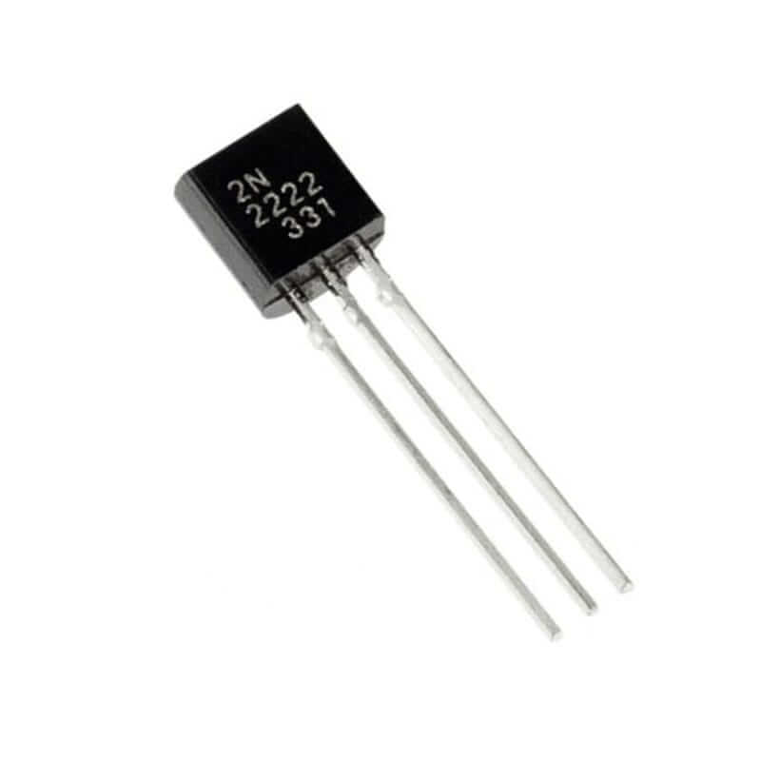 | 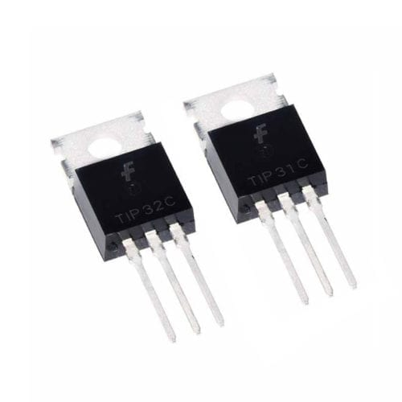
4 | x1 | 5V Relay Module (1 channel) | Electromechanical switch that isolates and controls high-voltage circuits using low-voltage control. | Activates the Taser circuit when triggered. | Ensures electrical safety and modularity. Initially problematic, later replaced by transistor system.
5 | x2 | LM2596 Step-Down Regulator | Step-down voltage regulator, input up to 35V, output adjustable, 3A max. | Converts 7.4V from battery to 3.3V for logic-level devices and 6V to Motors and High Voltaje Generator | Maintains stable 3.3V for ESP32 and logic circuits from 7.4V Li-ion pack.
6 | x1 | High Voltage Generator (Taser) | Generates high-voltage pulses (~10kV) | Powers the simulated “Taser” mechanism in the arm. | Mainly for curiosity and add a funny touch :)
🔋 |  | Power System
No | QTY | Component | Description | Function in Project | Why This Component? | Photo
7 | x1 | 18650 Battery Pack (2S1P, 7.4V 2200mAh) | Rechargeable lithium-ion battery pack configured as 2 cells in series for 7.4V output. | Provides main power supply for motors, logic, and peripherals. | Provides sufficient capacity and current for both logic and motors.
8 | x1 | 1A 8.4V Charger | Standard Li-ion battery charger for 2S (7.4V) configurations. | Recharges the main battery pack. | Matched to battery chemistry and voltage.
9 | x1 | M430 Voltmeter & Ammeter | Measures and displays real-time voltage and current of the power supply. | Monitors battery status and power draw. | Prevents undervoltage and ensures safe operation.
⚙️ |  | Mechanical Actuation & Movement
No | QTY | Component | Description | Function in Project | Why This Component? | Photo
10 |  | SG90 Micro Servo (Head) | Compact analog servo with ~180° movement range, low power consumption. | Controls lightweight parts like the neck articulation. | Budget-friendly and sufficient for one head. Future upgrade required. | 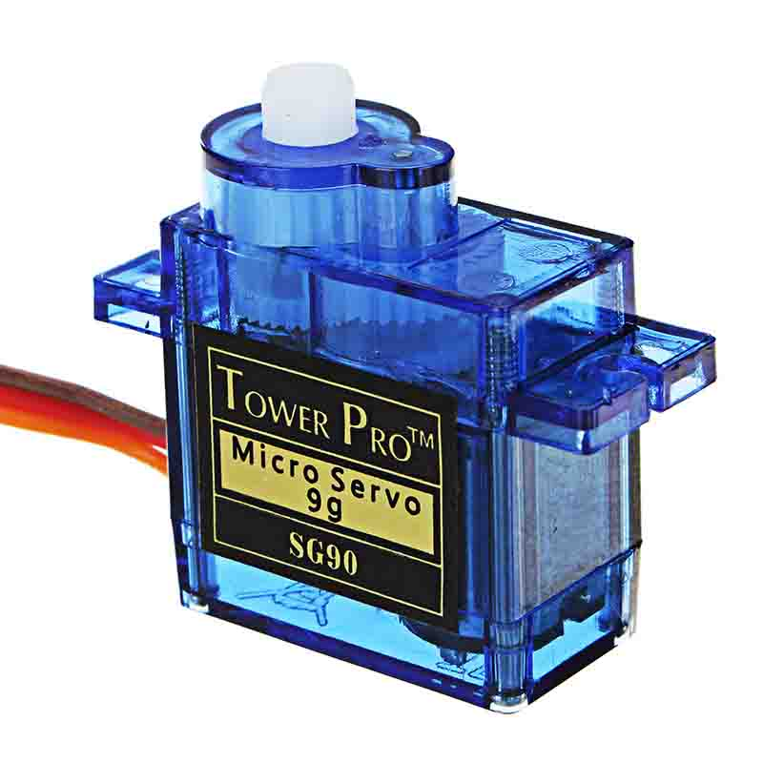
11 |  | MG996R Servo (Arms) | High-torque digital servo with metal gears, rotation of ~180°, operating at 4.8–7.2V. | Controls the arm movement for expression and motion. | Chosen for torque, accessibility and capacity, though near operational limit. Future upgrade required. | 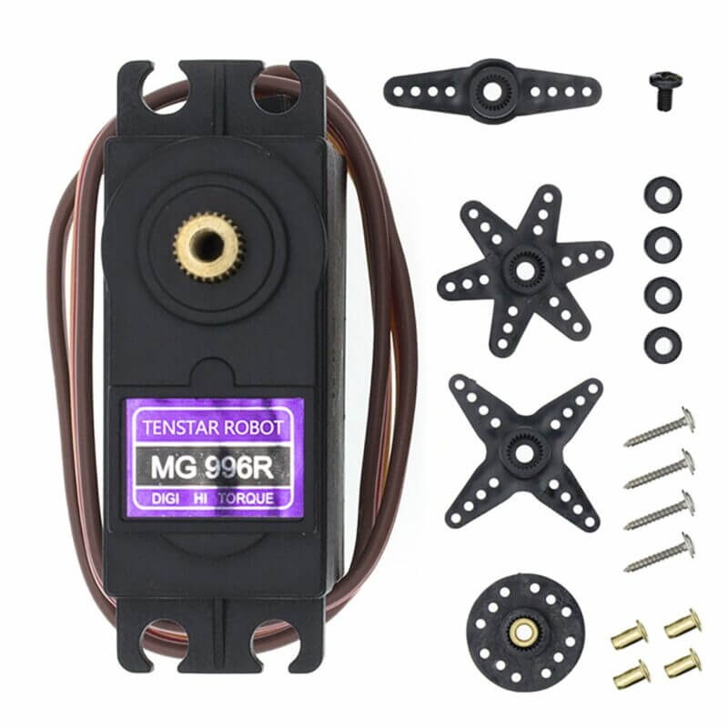
12 |  | Yellow Gear Motors (L-shaped) | Main movement system | Main movement system. Future upgrade required. | Low-cost motors with adequate torque. Limited for heavy load. | 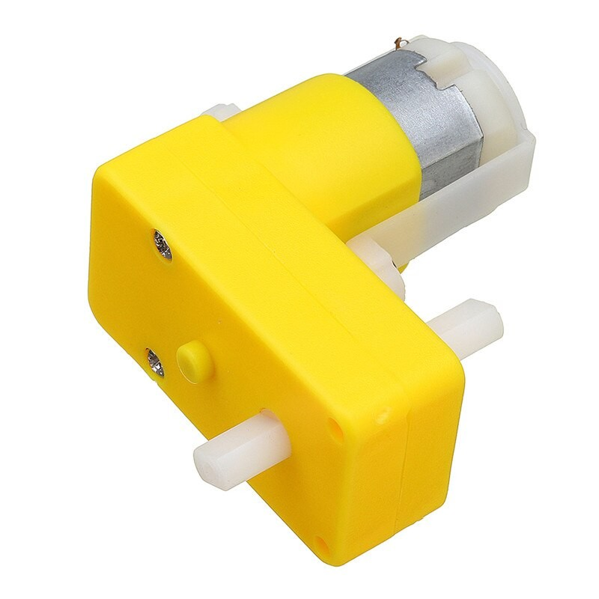
13 |  | Plastic Track System | Pre-assembled plastic track mechanism with wheels. | Provides traction, but due to poor fit, not fully functional. | Bought pre-assembled for ease; unfortunately, poorly designed, with wheels often slipping out.
🖌️ |  | 3D Design & Materials
No | QTY | Component | Description | Function in Project | Why This Component? | Photo
14 |  | Fusion 360 Design | Autodesk Fusion is a commercial computer-aided design (CAD), has built-in capabilities for 3D modeling, collaboration, simulation and documentation. | Used to Design WALL·E’s body, arms, and head components. | Ensures accurate fit, modularity, and presentation quality.
15 |  | PLA Filament (Black, Yellow, Silver) | Thermoplastic material used for 3D printing parts. | Used to print WALL·E’s body, arms, and head components. | Lightweight, good finish, and easy to post-process.
16 |  | M4 Brass Inserts | Brass components used to reinforce screw holes in 3D printed parts. | Provides stronger and reusable screw threading in PLA pieces. | Avoids plastic cracking and adds professionalism.
💡 |  | Auxiliary & Visual Effects
No | QTY | Component | Description | Function in Project | Why This Component? | Photo
17 |  | DFPlayer Mini | MP3 audio playback module with onboard microSD and speaker support. | Plays sound effects or voice commands from WALL·E. | Allows autonomous sound effects stored on microSD.
18 |  | 5mm Laser Diode (Red) | Compact red diode laser module operating at 5V. | Aesthetic effect used in the arm for visual targeting. | Aesthetic enhancement and directional indicator.
19 |  | RGB LED (Common Anode) | Multi-color LED with 4 pins: one common anode and R/G/B cathodes. | Indicates Safe mode, green for safe, red for taser activated | For simplicity and a lot of documentation online
20 | x3 | DPDT Switch | Double Pole Double Throw switch with two stable ON states. | Ensures manual override for safe operation. | A classic Switch
21 |  | 4Ohm 3W speaker | Audio playback speaker, conected to DF player mini | Audio output for Sound effects and music | Maximum power and resistance supported by the DF player mini
22 |  | Xbox Series Controller | Wireless Bluetooth gamepad compatible with ESP32 via BLE. Offers analog and digital input. | Used as the remote controller to wirelessly operate WALL·E's movement and features. | Chosen for its BLE compatibility, precision, and ergonomic design. Easy to integrate and intuitive for real-time control.

