1. Title Page
[Instacart Grocery Basket Analysis]

Date: 9/6/2022
Analyst Name: Igor Odarchuk

Contents:
Population Flow
Consistency checks
Wrangling steps
Column derivations
Visualizations
Recommendations

2. Population Flow
Title page

Population flow

Exclusion flag
Condition: max_order <
Obervations to be removed:
Final total count of order_products_all:

Orders_products_combined
Orders_products_merged
orders_products_customers.pkl

Total:
Total:
Total:

1.) The grey boxes in the first row of the population flow represent the original data sets as they were when you downloaded them. In the Total fields you need to add the count of the rows when you imported the data set into Jupyter.
2.) The second row of boxes (coloured) represents the data sets after you manipulated them, e.g., removed missing values and duplicates. In the Total fields you need to add the count of the rows after conducting these operations. This offers a visual oveview of how the data flows throughout the data consistency checks.
3.) The third row, where also the arrows are coloured, represents the merges you performed between the datasets. In the Total fields you need to add the count of the rows in the merged datasets, so that you end up with the final dataset (in the red box). Keep in mind the final dataset should be without exclusions (based on the exclusion flag).

3. Consistency checks
 |  |  |  | Title page
Consistency checks

Dataset | Missing values | Missing values treatment | Duplicates
orders | days_since_prior_order column contained a missing values | missing values have been filtered out | no duplicates
products | product_name contained 16 missing values | missing values have been filtered out | 5 product_id duplicates have been removed
orders_products_prior | days_since_prior_order column contained a missing values | missing values have been filtered out | no duplicates
customers | no missing values | no missing values | no duplicates

4. Wrangling steps
 |  |  |  | Title page
Wrangling steps

Columns dropped | Columns renamed | Columns' type changed | Comment/Reason
n/a | order_dow' changed to 'orders_day_of_week' | n/a | improve legibility
'eval_set' | n/a | n/a | empty information
'Unnamed: 0' | n/a | n/a | empty information
n/a | n/a | 'first_name' was converted into a string | contained mixed values

5. Column derivations
 |  |  |  | Title page

Column derivations and aggregations

In this tab you should add tables below that the frequences of flags/label variables that you produced after deriving them. NB: don't do this for continuous variables, only for flags.
Dataset | New column | Column/s it was derived from | Conditions
orders_products_combined.pkl | 'price_range_loc' | 'prices' | if price is >15, label = high-ranged product. If price <= 15 & price > 5, label = mid-range product. If price <= 5, label = low-range product
orders_products_combined.pkl | 'busiest_day' | 'orders_day_of_week' | if values (0,1) = busiest days. If values (4,3) = least busy. Everything else = regularly busy
orders_products_combined.pkl | 'busiest_hours' | 'order_hour_of_day' | if values (10,11,14,15,13,12,16,9,17) then label = most orders. If values (8,18,19,20,7,21,22) then label = average orders. Remaining values = fewest orders
orders_products_combined.pkl | 'max_order' | 'user_id' & 'order_number' | Max quantity of orders sper user
orders_products_combined.pkl | 'loyalty_flag' | 'max_order' | If max order >40, loyalty flag = loyal. If max orders <=40, loyalty flag = regular customer. If loyalty flag <=10, loyalty flag = new customer
orders_products_combined.pkl | 'mean_price' | 'prices' | user_id & prices mean transformed
orders_products_combined.pkl | 'spender_flag | 'prices' | If mean_price >= 10, spender flag high spender. If mean_price is <10, spender flag = low spender
orders_products_combined.pkl | 'median_frequency' | 'days_since_prior_order' | user_id and days_since_prior_order median transformed
orders_products_combined.pkl | 'frequency_flag' | 'median_frequency' | If median frequency >20, then frequency flag = non-frequent customer. If frequency flag is <20, then frequency flag = regular customer. If frequency flag is <=10, then frequency flag = frequent customer
orders_products_customers.pkl | 'region' | 'state' | https://simple.wikipedia.org/wiki/List_of_regions_of_the_United_States
orders_products_customers.pkl | 'age_group' | 'age' | (<= 39 = young adult), (<= 59 & > 39 = middle age adult), (>59 = senior adult)
orders_products_customers.pkl | 'income_group' | 'income' | (<= $53413 = low income). (<= $156600 & > $53413 = middleincome). (> 156600 = upper income)
orders_products_customers.pkl | 'meat_eater' | 'department_id' | If value (12) = meat eater. Remaining values = non-meat eater
orders_products_customers.pkl | 'parent_status' | 'dependants' | if value (0), then single adult. If value (1), then young parent. Remaining values = older parent.

6. Visualizations
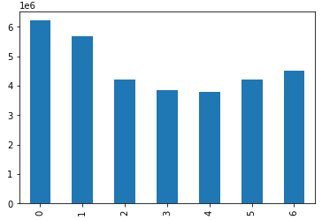

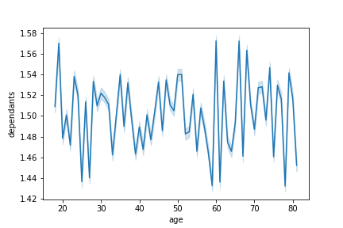
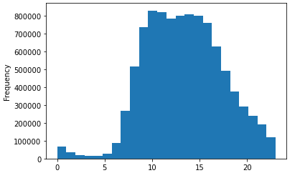
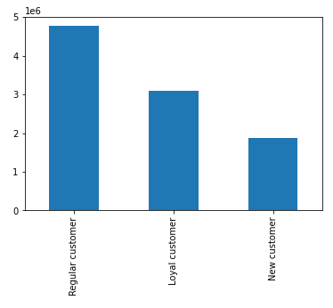
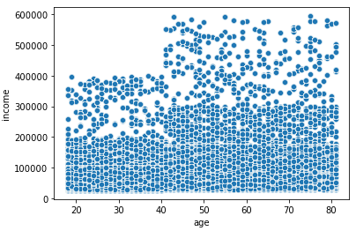
Title page

Visualisations

In this tab you should include all the visualtions from Exercises 4.9 and 4.10, alongside the questions from the project brief that they answer. Include any commentary on the relationship between different variables.

The following bar charts are visualizations of customer profiles in the analysis. We can see that middle-income individuals make up the overwhelming number of Instacart customers, and there is a fairly even distribution between the age groups. Next, we see that older parents (more than two children) make up the majority of sales. Two departments I looked at were alcohol and meat. From the chart, not many people order alcohol or meat through Instacart. Married customers make up the majority of customers followed by single customers, divorced/widowed, and customers lovining with parents/siblings.

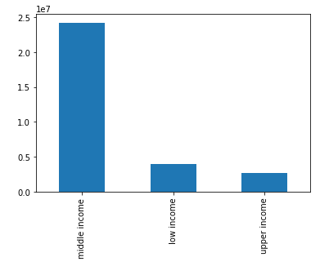
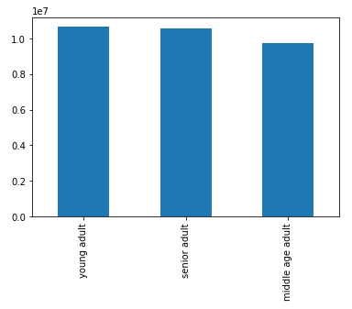
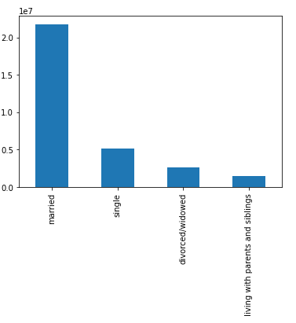
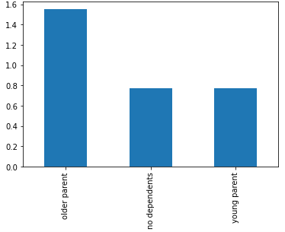
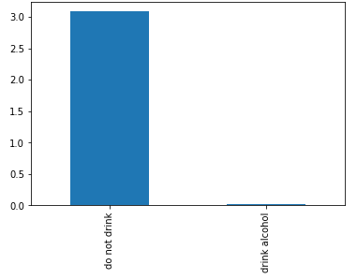
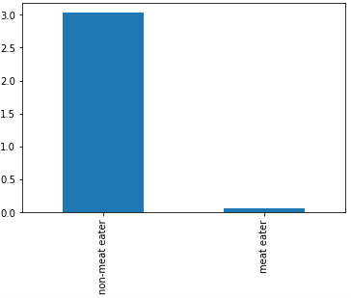

The following charts compare the customer profiles among the regions, and they all follow a similar trend. Region 3 is the greatest in each profile, followed by regions 3, 2, and 1. Customers don't seem to differentiate much among the regions.

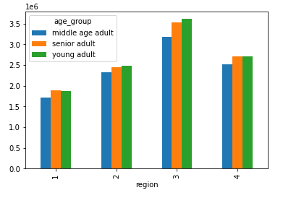
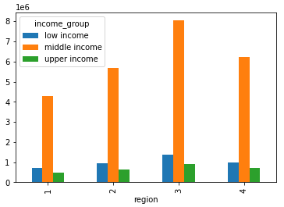
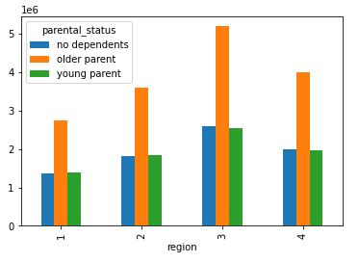
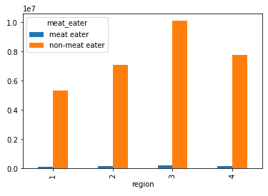
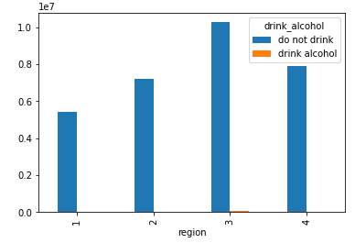

The first bar chart shows the number of orders throughout the week. We can see more orders are made during the weekends and fewer during the weekdays. Next, the histogram shows the use frequencies of prices. Most products fall under $15. Looking at the following histogram, we can see a few things. Orders are made throughout the entire day. We can also see that the number of orders exponentially increases around 06:00 and begins to drop around 17:00. The graph is symmetrical. The following chart shows us the distribution of customer orders in terms of loyalty. The next line chart shows us the relationship between age and dependents. As age increases, so does the number of dependents. The following scatter plot shows a relationship between age and income among Instacart customers. Generally speaking, as age increases, so does income.

7. Recommendations
 |  |  | Title page

Recommendations

In this tab you should include any recommendations you would made to Instcart in terms of their marketing strategy based on the questions posed in the brief. Every key question has been covered in the Tasks of the Exercises - here you need to add an item - a visualisation or table/crosstable that is showing the answer in the data, acompanied by a comment from you. Please, list the questions below and add the answer underneath.

Key Questions | Answers | Visualization
The sales team needs to know what the busiest days of the week and hours of the day are in order to schedule ads at times when there are fewer orders. | Saturday is the busiest, followed by Sunday, Friday, Thursday, Monday, Tuesday, and Wednesday. The most active hours of the day start from 8 am to 5 pm. Recommendations would be to schedule ads Monday, Tuesday, Wednesday, and Thursday.
They also want to know whether there are particular times of the day when people spend the most money, as this might inform the type of products they advertise at these times. | People spend the most money early in the day between 1 am, and 5 am. It does seem strange that people would place orders early in the morning. But many people do place orders days in advance through Instacart. | 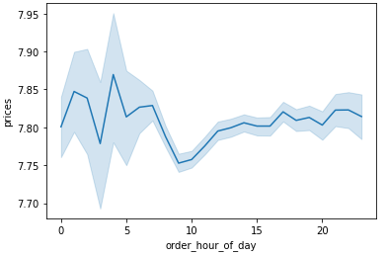
Instacart has a lot of products with different price tags. Marketing and sales want to use simpler price range groupings to help direct their efforts. | A column based on price grouping has been created. Prices <= 5 are classified as 'Low range product', prices >5 and <= 15 are classified as Mid-range product, and products >15 are classified are 'High range product'.
Are there certain types of products that are more popular than others? The marketing and sales teams want to know which departments have the highest frequency of product orders. | There are certain types of products that are more popular than others. For example, the top 5 departments in terms of highest frequency start from produce, dairy/eggs, snacks, beverages, and frozen. | 
What’s the distribution among users in regards to their brand loyalty | Regular customers make up 52%, loyal customers make up 32%, and new customers make up 16%. | 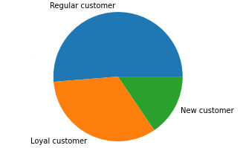
Are there differences in ordering habits based on a customer’s loyalty status? | Yes, there are differences in ordering habits based on a customer's loyalty status. Loyal customers have more than 40 orders, regular customers have between 10 - 40 orders, and new customers have fewer than 10 orders. Although the number of orders differs the average spending does not. | 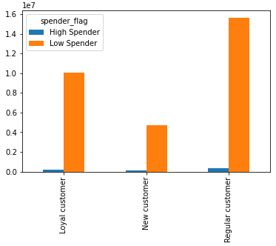
Are there differences in ordering habits based on a customer’s region? | The following chart compares the customer orders among the regions, and they all follow a similar trend. Region 3 gets the most significant number of orders, followed by regions 3, 2, and 1. Customers don't seem to differ much among the regions. | 