Question(5)
Store's 2012 Revenue by Department

Brand | Berlin Natural Bakery

Revenue | Department
Time Period | Perishable Foods | Grand Total | Instruction: Please create a dynamic pivot table as the picture below in the yellow range A5 and answer question.
Qtr1 | 21.2 | 21.2
1月 | 13.8 | 13.8
2月 | 7.4 | 7.4
Qtr2 | 19.4 | 19.4
4月 | 4.8 | 4.8
6月 | 14.6 | 14.6
Qtr3 | 46.776 | 46.776 | What is the revenue of White Wave Q3 total revenue?
7月 | 17.676 | 17.676 |  | $75.46
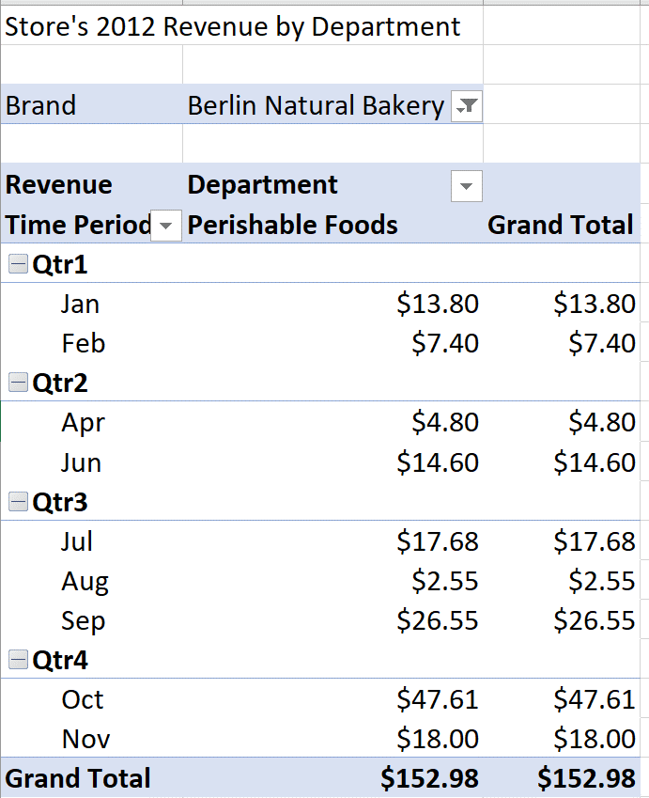
8月 | 2.55 | 2.55
9月 | 26.55 | 26.55
Qtr4 | 65.605 | 65.605
10月 | 47.605 | 47.605
11月 | 18 | 18
Grand Total | 152.981 | 152.981

