Thalamic
Table 1 Predicted number of thalamocortical boutons per excitatory neuron (Meyer 2010b)
 | VPM boutons per neuron |  | POm boutons per neuron |  | TC boutons per neuron (VPM + POm) |  | Total dendritic length per neuron (um) |  | Spines per neuron |  | Ratio of spines occupied by VPM (%) | Mean distance between VPM boutons along dendrites (um) | Ratio of spines occupied by POm (%) | Mean distance between POm boutons along dendrite (um)
Type of excitatory neuron | mean | std | mean | std | mean | std | mean | std | mean | std | mean | mean | mean | mean
L2 pyramid (n=7) | 16 | 14 | 75 | 33 | 92 | 36 | 4309 | 1716 | 2155 | 858 | 1 | 265 | 3 | 57 | L23_PC
L3 pyramid (n=9) | 222 | 131 | 63 | 16 | 285 | 132 | 5947 | 1147 | 2973 | 574 | 7 | 27 | 2 | 95 | L23_PC
L4 star pyramid (n=6) | 197 | 46 | 57 | 46 | 254 | 65 | 3553 | 732 | 1777 | 366 | 11 | 18 | 3 | 62 | L4_SP - L4_PC
L4 spiny stellate (n=7) | 188 | 60 | 22 | 10 | 210 | 61 | 2549 | 648 | 1275 | 324 | 15 | 14 | 2 | 116 | L4_SS
L5 slender tufted (n=20) | 150 | 50 | 269 | 121 | 420 | 131 | 5774 | 1749 | 2887 | 874 | 5 | 38 | 9 | 21 | L5_STPC-UTPC
L5 thick tufted (n=22) | 299 | 99 | 277 | 67 | 576 | 120 | 10356 | 1917 | 5178 | 959 | 6 | 35 | 5 | 37 | L5_TTPC1-TTPC2
L6A pyramid (n=11) | 131 | 66 | 66 | 42 | 197 | 79 | 3908 | 794 | 1954 | 397 | 7 | 30 | 3 | 59 | L6_*

Table 2 Predicted number of thalamocortical boutons in the subcellular innervation domains
Domain | L2 |  | L3 |  | L4sp |  | L5sl |  | L5th |  | L6
 | VPM | POm | VPM | POm | VPM | POm | VPM | POm | VPM | POm | VPM | POm
Tuft | 1 | 44 | 0 | 22 | 0 | 3 | 1 | 25 | 12 | 68 | 5 | 4
Distal apic oblique dend | 9 | 28 | 7 | 15 | 9 | 2 | 17 | 2 | 54 | 6 | 14 | 25
Proximal apic obliq dend |  |  | 163 | 21 | 119 | 9 | 101 | 118 | 116 | 165 | 97 | 33
basal dendrites | 6 | 3 | 52 | 5 | 69 | 43 | 31 | 124 | 118 | 37 | 15 | 5
Sum | 16 | 75 | 222 | 63 | 197 | 57 | 150 | 269 | 299 | 277 | 131 | 66

https://bbp.epfl.ch/nexus/cell-atlas/
Primary somatosensory area, barrel field |  |  |  | neuro_dmt-library/data/sscx_mouse/ - DeFelipe |  |  |  |  |  | RATIO | ERROR(%)
Volume | 10.38 | mm3 |  | Volume | 0.0975 | mm3 |  |  |  | 107
Neurons | 844131 | ± 104 345 |  | Neurons | 7859 |  |  |  |  | 837011 | 0.84
Excitatory | 678044 | ± 59 107 |  | Exc | 6445 |  |  |  |  | 686449 | -1.24
Inhibitory | 166087 | ± 45 239 |  | Inh | 1414 |  |  |  |  | 150561 | 9.35

 | Numbers |  |  | Densities
S1 barrel field by layers | Neurons | Excitatory | Inhibitory | Neurons | Excitatory | Inhibitory
L1 | 48379 | 0 | 48379 | 46772 | 0 | 46772 | 1.03 | mm3
L23 | 252136 | 200524 | 51612 | 84957 | 67567 | 17391 | 2.97
L4 | 139151 | 125828 | 13323 | 101665 | 91931 | 9734 | 1.37
L5 | 189147 | 157033 | 32114 | 76973 | 63904 | 13069 | 2.46
L6a | 189566 | 171488 | 18078 | 87722 | 79356 | 8366 | 2.16
L6b | 4835 | 4397 | 438 | 60520 | 55038 | 5482 | 0.08
 |  |  |  |  |  |  | 10.07
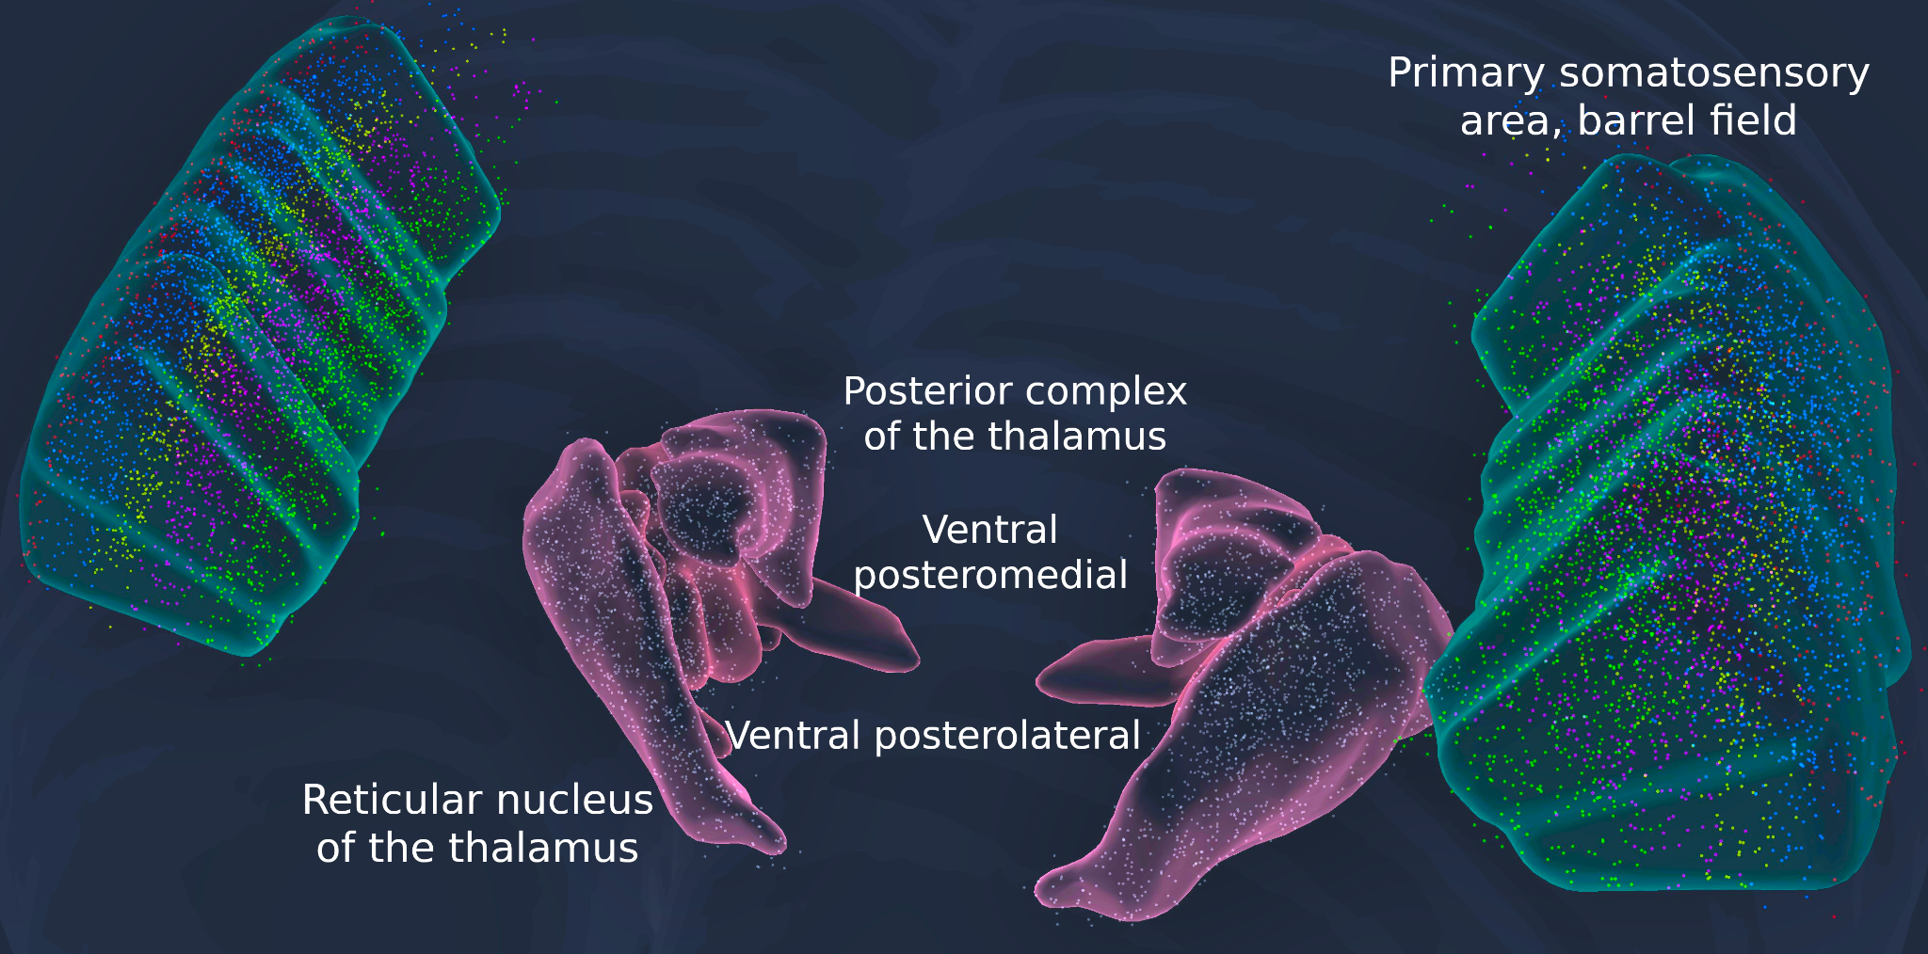
Ventral posterolateral nucleus of the thalamus
Volume | 0.93 | mm3
Neurons | 56769 | ± 3 291
Excitatory | 55444 | ± 3 214
Inhibitory | 1325 | ± 77

Ventral posteromedial nucleus of the thalamus
Volume | 1.3 | mm3
Neurons | 99163 | ± 4 548
Excitatory | 99163 | ± 4 548
Inhibitory | 0 | 0

Posterior complex of the thalamus
Volume | 1.12 | mm3
Neurons | 69475 | ± 1 013
Excitatory | 69475 | ± 1 013
Inhibitory | 0 | 0

Reticular nucleus of the thalamus
Volume | 1.53 | mm3
Neurons | 105965 | ± 4 299
Excitatory | 105965 | ± 4 299
Inhibitory | 0 | 0

Primary somatosensory area |  |  |  | neuro_dmt-library/data/sscx_mouse/ - DeFelipe |  |  |  |  |  | RATIO | ERROR(%)
Volume | 31.23 | mm3 |  | Volume | 0.0975 | mm3 |  |  |  | 320
Neurons | 2408059 | ± 291 357 |  | Neurons | 7859 |  |  |  |  | 2518289 | -4.58
Excitatory | 1907329 | ± 157 609 |  | Exc | 6445 |  |  |  |  | 2065299 | -8.28
Inhibitory | 500730 | ± 133 748 |  | Inh | 1414 |  |  |  |  | 452990 | 9.53

Primary somatosensory area, lower limb |  |  |  | neuro_dmt-library/data/sscx_mouse/ - DeFelipe |  |  |  |  |  | RATIO | ERROR(%)
Volume | 3.26 | mm3 |  | Volume | 0.0975 | mm3 |  |  |  | 33
Neurons | 243377 | ± 15 222 |  | Neurons | 7859 |  |  |  |  | 262876 | -8.01
Excitatory | 192225 | ± 9 568 |  | Exc | 6445 |  |  |  |  | 215590 | -12.16
Inhibitory | 51152 | ± 5 654 |  | Inh | 1414 |  |  |  |  | 47286 | 7.56

 |  |  |  |  |  | RATIO OF CT->TRN/TC->TRN = 10:1 cell projections
Pre |  | Post |  | Current (pA)

Area | cell type | Area | subarea_feedbackProj | Cells | Mice
S1 | PT | thalamus | PO_S1 | 13.2+-13.8 | 39.3+-29.9
S1 | CT | thalamus | PO_S1 | 9.6+-7.7 | 14.7+-8.9
S1 | CT | thalamus | VPL | 39.5+-21.5 | 73.1+-43.4
data['BBP_S1']['pops'] = {
NGF1': 'L1_NGC-DA', # L1
IT2': 'L23_PC', 'PV2': 'L23_LBC', 'SOM2': 'L23_MC', 'VIP2': 'L23_BP', 'NGF2': 'L23_NGC-DA', # L2
IT3': 'L23_PC', 'PV3': 'L23_LBC', 'SOM3': 'L23_MC', 'VIP3': 'L23_BP', 'NGF3': 'L23_NGC-DA', # L3
ITP4': 'L4_PC', 'ITS4': 'L4_SS', 'PV4': 'L4_LBC', 'SOM4': 'L4_MC', 'VIP4': 'L4_BP', 'NGF4': 'L4_NGC-DA', # L4
IT5A': 'L5_UTPC', 'CT5A': 'L6_TPC_L4', 'PV5A': 'L5_LBC', 'SOM5A': 'L5_MC', 'VIP5A': 'L5_BP', 'NGF5A': 'L5_NGC-DA', # L5A
IT5B': 'L5_UTPC', 'CT5B': 'L6_TPC_L4', 'PT5B': 'L5_TTPC2', 'PV5B': 'L5_LBC', 'SOM5B': 'L5_MC', 'VIP5B': 'L5_BP', 'NGF5B': 'L5_NGC-DA', # L5B
IT6': 'L6_TPC_L1', 'CT6': 'L6_TPC_L4', 'PV6': 'L6_LBC', 'SOM6': 'L6_MC', 'VIP6': 'L6_BP', 'NGF6': 'L6_NGC-DA'} # L6

CT5A': 'L6_TPC_L4' | CT5B': 'L6_TPC_L4' |  |  | , 'PT5B': 'L5_TTPC2', |  |  | CT6': 'L6_TPC_L4',
312 |  |  |  | 553
Layer-by-layer bouton density profiles (Meyer et al., 2010b)
12 synapses/connection on L5 pyramidal neurons
8.1 ± 4.2 synapses/connection on L4PCs

each thalamic fiber innervates 903 ± 66 neurons
(n = 100 fibers; 775 ± 57 excitatory and 83 ± 11 inhibitory neurons)

In total, we found that thalamic fibers form ~2 million synapses in the central microcircuit(~1% of synapses across all layers).

 |  |  | PRE
 |  |  | ss_RTN_o | ss_RTN_m | ss_RTN_i | VPL_sTC | VPM_sTC | POm_sTC_s1
 |  | ss_RTN_o | 3383 | 0 | 0 | 3320 | 0 | 0
 |  | ss_RTN_m | 0 | 6198 | 0 | 0 | 12278 | 0
Num conn | POST | ss_RTN_i | 0 | 0 | 8717 | 0 | 0 | 6850
 |  | VPL_sTC | 23752 | 0 | 0 | 0 | 0 | 0
 |  | VPM_sTC | 0 | 26898 | 0 | 0 | 0 | 0
 |  | POm_sTC_s1 | 0 | 0 | 15300 | 0 | 0 | 0

 |  |  | PRE
 |  |  | ss_RTN_o | ss_RTN_m | ss_RTN_i | VPL_sTC | VPM_sTC | POm_sTC_s1 |  | N
 |  | ss_RTN_o | 9 | 0 | 0 | 9 | 0 | 0 |  | 382
 |  | ss_RTN_m | 0 | 16 | 0 | 0 | 32 | 0 |  | 382
Convergence | POST | ss_RTN_i | 0 | 0 | 11 | 0 | 0 | 9 |  | 765
 |  | VPL_sTC | 36 | 0 | 0 | 0 | 0 | 0 |  | 656
 |  | VPM_sTC | 0 | 32 | 0 | 0 | 0 | 0 |  | 839
 |  | POm_sTC_s1 | 0 | 0 | 22 | 0 | 0 | 0 |  | 685

 |  | N | 382 | 382 | 765 | 656 | 839 | 685

 | ss_RTN_o | 1688 | ss_RTN_m | 1766 | ss_RTN_i | 1844 | VPL_sTC | 2000 | VPM_sTC | 2156 | POm_sTC_s1 | 2312
 | ss_RTN_o | 1766 | ss_RTN_m | 1844 | ss_RTN_i | 2000 | VPL_sTC | 2156 | VPM_sTC | 2312 | POm_sTC_s1 | 2624
heights | RTN_o | 78 | RTN_m | 78 | RTN_i | 156 | VPL_sTC | 156 | VPM_sTC | 156 | POm_sTC | 312 | um

footprint for each pop in the respective innervation site

RTN->RTN | 264.63 | Lam, 2006
RTN->VPL | 64.33 | Lam, 2007
RTN->VPM | 64.33 |  | estimated from RTN->VPL
RTN->POM | 102.49
VPL->RTN | 97.67 | Lam, 2011
VPM->RTN | 103.57
POM_S->RTN | 149.31

