syn-ex
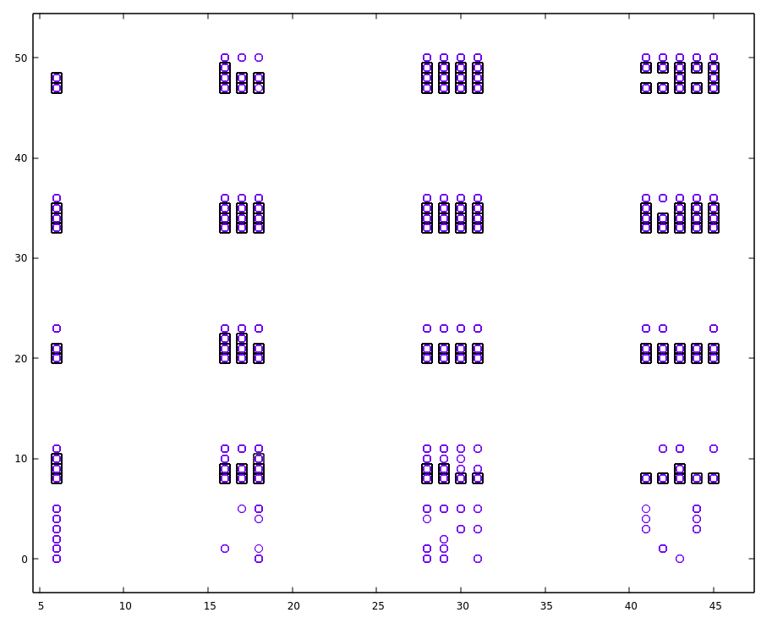
 |  |  |  |  |  |  |  |  |  |  | 117 circles | 114 squares
ConnectionType | gsyn | Std | t_decay | Std | Num in tsv | ConnectionType | gsyn | Std | t_decay | Std
L23_PC:L23_PC | 0.68 | 0.46 | 1.7 | 0.14 | 119 | L23_PC:L23_PC | 0.68 | 0.25 | 1.74 | 0.10
L4_exc:L4_exc | 0.68 | 0.45 | 1.7 | 0.14 | 120 | L4_exc:L4_exc | 0.68 | 0.24 | 1.74 | 0.10
L4_SS:L23_PC | 0.19 | 0.12 | 1.7 | 0.14 | 121 | L4_SS:L23_PC | 0.18 | 0.07 | 1.74 | 0.10
L5_TTPC:L5_TTPC | 1.5 | 1.05 | 1.7 | 0.14 | 123 | L5_TTPC:L5_TTPC | 1.58 | 0.57 | 1.74 | 0.10
L5_STPC:L5_STPC | 0.8 | 0.53 | 1.7 | 0.14 | 122 | L5_STPC:L5_STPC | 0.86 | 0.29 | 1.74 | 0.10
exc:exc | 0.72 | 0.5 | 1.7 | 0.14 | 116 | exc:exc | 0.79 | 0.28 | 1.74 | 0.10
L5_TTPC:L5_MC | 0.11 | 0.08 | 1.7 | 0.14 | 133 | exc:MC | 0.12 | 0.04 | 1.74 | 0.10
L5_PC-SBC:L5_ChC | 0.72 | 0.5 | 1.7 | 0.14 | 118 | exc:SBC - ChC | 0.73 | 0.26 | 1.74 | 0.10
exc:inh | 0.43 | 0.28 | 1.7 | 0.14 | 114 – 117 | exc:inh | 0.42 | 0.15 | 1.74 | 0.10
 |  |  |  |  | 115 – 134 | exc :LBC – NBC | 0.73 | 0.26 | 1.74 | 0.10
 |  |  |  |  | [126:129] | L6_(TPC-IPC:TPC-IPC-BPC) | 0.79 | 0.28 | 1.74 | 0.10
 |  |  |  |  | 132 | L6_TPC: L6_(DBC-LBC-NBC-SBC) | 0.73 | 0.26 | 1.74 | 0.10
 |  |  |  |  | 131 | L6_IPC: L6_(DBC-LBC-NBC-SBC) | 0.72 | 0.26 | 1.74 | 0.10

ConnectionType | gsyn | Std | t_decay | Std | Num in tsv | ConnectionType | gsyn | Std | t_decay | Std
inh:inh | 0.83 | 0.55 | 8.3 | 2.2 | 1 | inh:inh | 0.83 | 0.30 | 8.30 | 1.19
 |  |  |  |  | 0 | L6_(DBC-LBC-NBC-SBC) | 0.83 | 0.30 | 10.41 | 3.34
L5_MC:L5_TTPC | 0.75 | 0.32 | 8.3 | 2.2 | 9 | MC:exc | 0.75 | 0.17 | 8.30 | 1.20
 |  |  |  |  | 8 | BTC-DBC-BP:exc | 0.75 | 0.17 | 8.29 | 1.20
 |  |  |  |  | 13 | L6_MC:L6_IPC | 0.75 | 0.17 | 10.48 | 3.28
L23_(LBC-NBC-ChC):L23_PC | 0.91 | 0.61 | 8.3 | 2.2 | 5 | LBC-NBC-SBC:exc | 0.91 | 0.33 | 6.39 | 0.92
 |  |  |  |  | 10 | NBC-SBC:exc | 0.90 | 0.33 | 8.27 | 1.47
 |  |  |  |  | 3 | SBC-L6_(LBC-NBC):exc | 0.91 | 0.32 | 10.35 | 3.30
 |  |  |  |  | 4 | SBC:exc | 0.89 | 0.32 | 8.24 | 1.16
inh:exc | 0.83 | 0.2 | 8.3 | 2.2 | 11 | NGC:exc | 0.85 | 0.30 | 36.55 | 0.71
 |  |  |  |  | 12 | ChC:exc | 2.97 | 0.95 | 8.55 | 1.03

ConnectionType | gsynM | gsynStd |  |  | t_decayM | t_decayStd |  |  | #syn
0 | 0.83 | 0.30 | 0.28 | 1.38 | 10.41 | 3.34 | 4.20 | 16.60 | 8658
1 | 0.83 | 0.30 | 0.28 | 1.38 | 8.30 | 1.19 | 6.10 | 10.50 | 171846
3 | 0.91 | 0.32 | 0.30 | 1.52 | 10.35 | 3.30 | 4.21 | 16.60 | 1752
4 | 0.89 | 0.32 | 0.31 | 1.52 | 8.24 | 1.16 | 6.10 | 10.49 | 716
5 | 0.91 | 0.33 | 0.30 | 1.52 | 6.39 | 0.92 | 4.70 | 8.10 | 9739
8 | 0.75 | 0.17 | 0.43 | 1.06 | 8.29 | 1.20 | 6.10 | 10.50 | 5205
9 | 0.75 | 0.17 | 0.43 | 1.06 | 8.30 | 1.20 | 6.10 | 10.50 | 12643
10 | 0.90 | 0.33 | 0.30 | 1.52 | 8.27 | 1.47 | 5.60 | 11.00 | 9343
11 | 0.85 | 0.30 | 0.28 | 1.37 | 36.55 | 0.71 | 35.20 | 37.78 | 314
12 | 2.97 | 0.95 | 1.03 | 4.65 | 8.55 | 1.03 | 6.46 | 10.36 | 29
13 | 0.75 | 0.17 | 0.43 | 1.06 | 10.48 | 3.28 | 4.25 | 16.58 | 258
114 | 0.42 | 0.15 | 0.14 | 0.70 | 1.74 | 0.10 | 1.56 | 1.92 | 25679
115 | 0.73 | 0.26 | 0.25 | 1.21 | 1.74 | 0.10 | 1.56 | 1.92 | 102876
116 | 0.79 | 0.28 | 0.26 | 1.32 | 1.74 | 0.10 | 1.56 | 1.92 | 91305
117 | 0.42 | 0.15 | 0.14 | 0.70 | 1.74 | 0.10 | 1.56 | 1.92 | 101901
118 | 0.73 | 0.26 | 0.25 | 1.20 | 1.74 | 0.10 | 1.56 | 1.92 | 70215
119 | 0.68 | 0.25 | 0.22 | 1.14 | 1.74 | 0.10 | 1.56 | 1.92 | 2515
120 | 0.68 | 0.24 | 0.23 | 1.13 | 1.74 | 0.10 | 1.56 | 1.92 | 4589
121 | 0.18 | 0.07 | 0.06 | 0.31 | 1.73 | 0.10 | 1.56 | 1.91 | 192
122 | 0.86 | 0.29 | 0.28 | 1.40 | 1.75 | 0.09 | 1.56 | 1.92 | 196
123 | 1.58 | 0.57 | 0.52 | 2.62 | 1.74 | 0.10 | 1.56 | 1.92 | 13549
126 | 0.79 | 0.28 | 0.27 | 1.32 | 1.74 | 0.10 | 1.56 | 1.92 | 2133
127 | 0.79 | 0.28 | 0.27 | 1.32 | 1.74 | 0.10 | 1.56 | 1.92 | 1455
128 | 0.79 | 0.29 | 0.26 | 1.32 | 1.74 | 0.10 | 1.56 | 1.92 | 1003
129 | 0.80 | 0.28 | 0.26 | 1.32 | 1.74 | 0.10 | 1.56 | 1.92 | 1771
131 | 0.72 | 0.26 | 0.25 | 1.21 | 1.74 | 0.10 | 1.56 | 1.92 | 15468
132 | 0.73 | 0.26 | 0.25 | 1.20 | 1.74 | 0.10 | 1.56 | 1.92 | 14671
133 | 0.12 | 0.04 | 0.04 | 0.20 | 1.74 | 0.10 | 1.56 | 1.92 | 112943
134 | 0.73 | 0.26 | 0.25 | 1.21 | 1.74 | 0.10 | 1.56 | 1.92 | 65064

