Invoice
THANK YOU FOR VISTING SHOP MART


INVOICE DATE | ITEM PURCHASED | QUANTITY | PRICE/KG | AMOUNT

CLIENT NAME

INVOICE NUMBER

EMAIL ID

TOTAL AMOUNT $

A BIENTOT

Documentation
WELCOME TO SHOPMART |  |  | Created by:
 |  |  | Manju Nagaraj Rudrappa
 |  |  | Jatanpalsingh Dewgun
POINT OF SALE system stereotype |  |  | Paulina Valencia
Our project consists in a POS (Point of sales) stereotype. It will help a user choose between 15 different products, select the amount of kilograms he/she wants to buy, and then proceed to checkout by printing an invoice with the purchase details.

The general structure of the project consists in the following:
1. There are 15 different images, with details about them in an Excel sheet called "Products". Each picture represents a product and has a product code, product name and unitary price
2. Every picture is assigned to a button in the userform and when the user clicks on it, a window pops up asking the user to select the amount (in kg) of the desired product.
3. Once the user types in the amount of kg he/she wants, by clicking "Ok" the product and quantity will be added to a Listbox. The user can select as many products as desired.
4. After selecting all the desired products, the user can "Print Invoice". This will pop up a window asking for a name and then another window asking for an email.
5. A PDF version of the invoice will be created with all the purchasing details.
6. All the details about the purchases will be maintained in a sheet called "Historical Data" , in order to analyse which product is sold more or less at the end of the day.
7. All the purchasing details will be cleared for the next purchase.

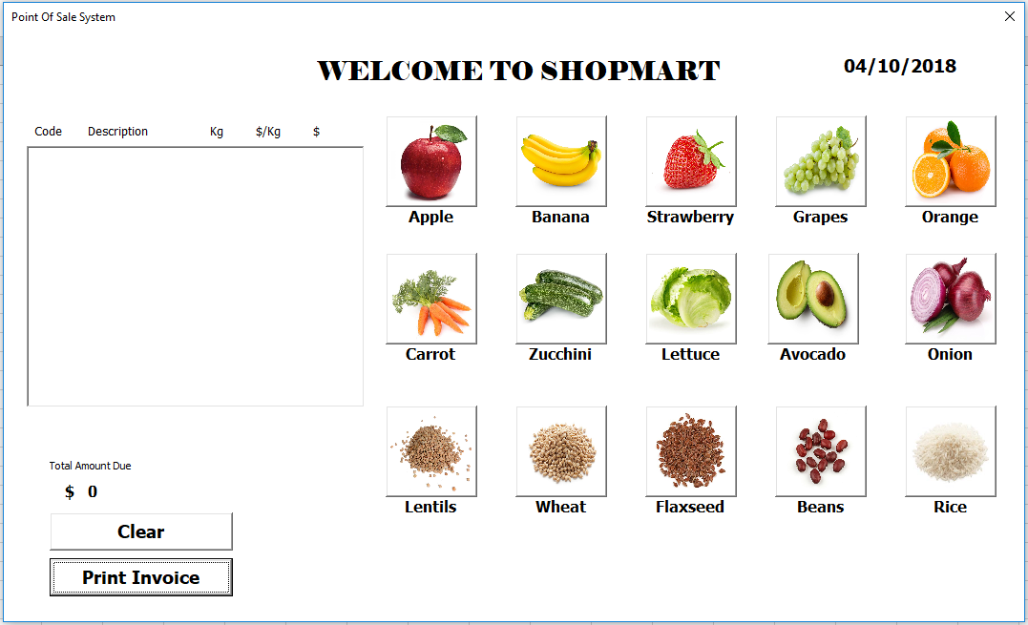
The comments received in class included:
 |  | Final version:
First version: | Comments received from discussion:
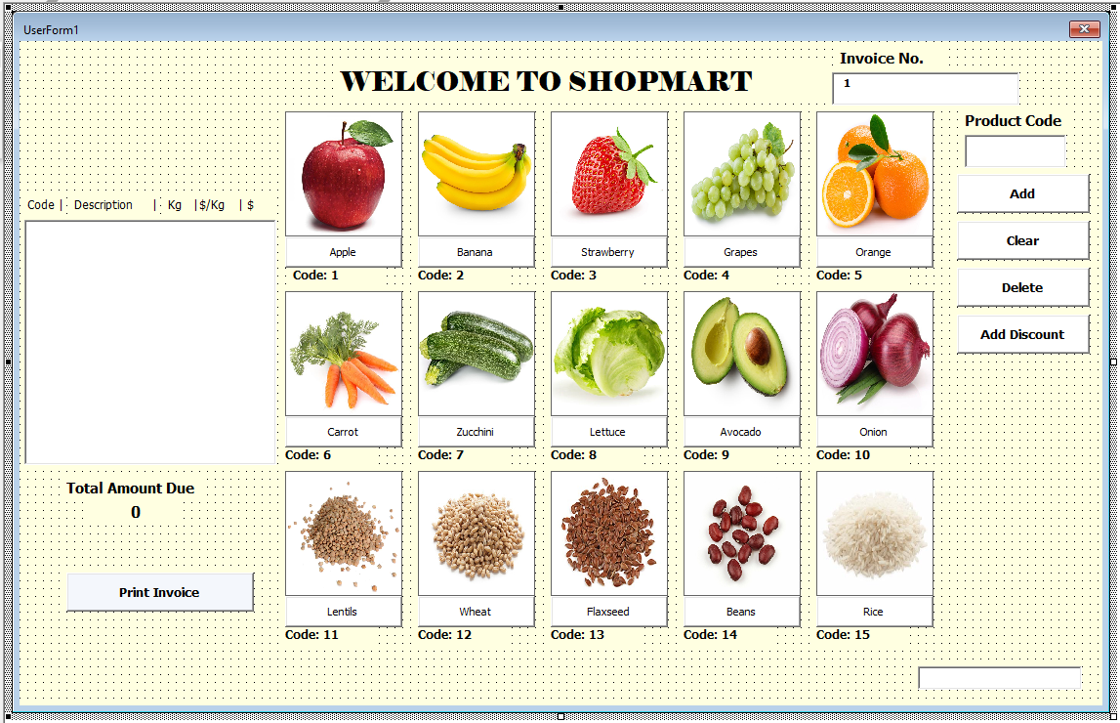
 | Maybe think of changing the "Invoice No" to something more relevant like "Date"

 | Try to simplify these buttons so that the user doesn't have too many options. The discount is not that helpful because the user can't be able to choose wether he/she wants it or not.

 | Try to change the code so that the user can click on the desired product instead of having to manually write the product code.

Optimisation Techniques Used in the Project

1. Turning Off AutoCalculation and Screen Updation; Here, we turn off the autocalculation and the screen updation to make sure Excel does not repetitively refresh and recalculate everytime data is written in a worksheet

2. Don't Select; We do not repetitively make use of the Select Command as they are not required while controlling Excel from VBA.

3. Using Matching Data Types; As we make use of matching data types, we make sure that we are minimising the risk of having bugs.

4. Performing Explicit Conversions rather than Implicit Conversions; We make use of the "CDbl" to avoid wasting time by letting VBA find the type and make the decision itself.

5. Using Left$ instead of Left; We use the "$" to optimize the "LEFT" function to eliminate the two variant-to-string conversions.

6. Avoiding Use of "ActiveSheet"; We make use of the sheet name instead of "ActiveSheet". This is because the ActiveSheet function takes into consideration the sheet which is currently open and this may cause issues when we're working with multiple sheets by taking in the wrong values.
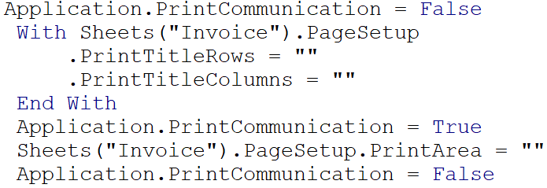

7. Using Arrays; We make use of arrays as they tend to be more efficient, transfer information easily from Array to a specified range (and vice versa) and help us save on the time it takes Excel to read and write cells one after the other.

References:
https://www.youtube.com/watch?v=ruEV5O4hFXA

