Sheet1
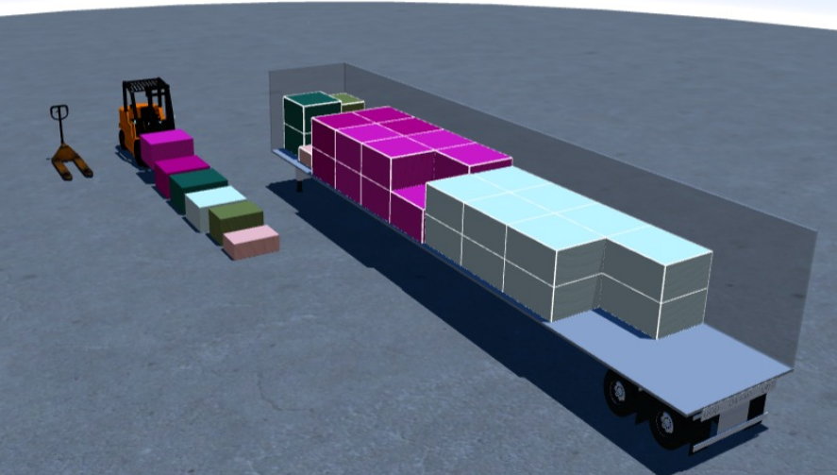
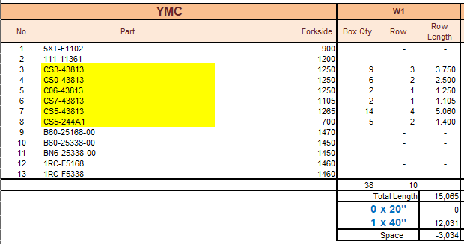
 |  |  |  |  |  |  |  |  | Mesurment | Net Weight | Gross Weight
GROSS WIGHT | UNIT WEIGHT |  | qty | BOX | Length | width | height |  | 1000000000 | 1000
359.32 | 1076 | CS043813020080 | 1920 | 6 | 1250 | 1150 | 750 |  | 6.47 | 2065.92 | 2155.92 | ungu tua | nxyjs
345.56 | 2066 | CS343813Y00080 | 1440 | 9 | 1250 | 1150 | 751 |  | 9.72 | 2975.04 | 3110.04 | ungu muda
362.84 | 1087 | C0643813030080 | 640 | 2 | 1250 | 1150 | 750 |  | 2.16 | 695.68 | 725.68 | hijau tua
202.7 | 2030 | CS743813100080 | 180 | 2 | 1105 | 815 | 685 |  | 1.23 | 365.4 | 405.4 | hijau muda
404 | 3150 | CS543813W00080 | 1680 | 14 | 1265 | 1110 | 660 |  | 12.97 | 5292 | 5656 | putih
135 | 1040 | CS5244A1W00080 | 600 | 5 | 1135 | 700 | 400 |  | 1.59 | 624 | 675 | pink
 |  |  |  | 38 |  |  |  | total | 34.138 | 12018.04 | 12728.04

