Sheet1
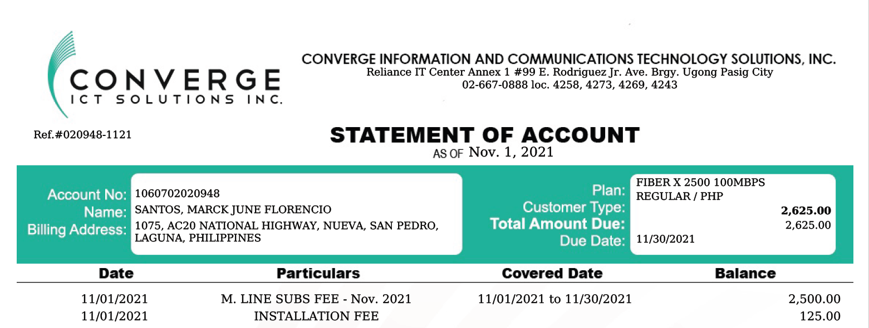
 |  | INTERNET ALLOWANCE
NAME OF EMPLOYEE | PERIOD (WFH) | ALLOWANCE PER DAY | # OF WORKING DAYS | TOTAL
MA. OLIVIA SANTOS | OCT. 16-31, 2021 | 83.87 | 11 | 922.58

