Changes in catchment areas
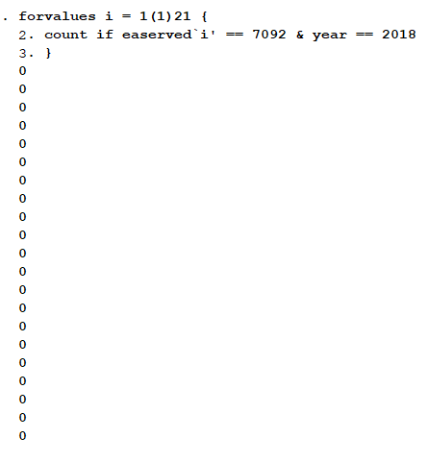
 | There seems to be no change to the catchment areas. When comparing matching facility IDs between 2017 and 2018, all are consistent except for one facility.
 | The other differences arise when a facility isn't interviewed in one year but is interviewed in the other.
 | Maybe a data entry error? There are no values in easerved2, so there's no difference in order

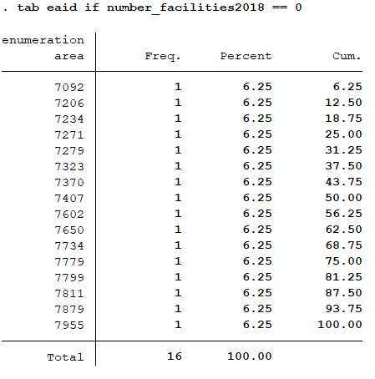

 | The problem is actually EAIDs that go from 3 to fewer, or nonzero to zero (83 - 67 = 16 EAs)

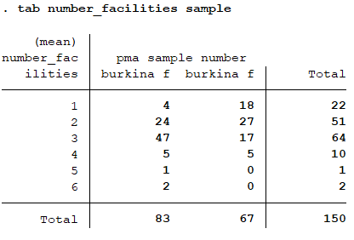

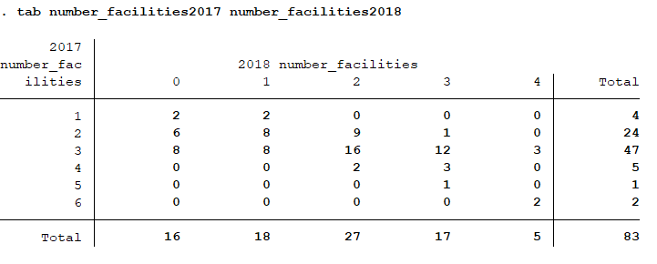

There are women in EA 7092 in both years:

But no facilities interviewed in 7092 in 2018
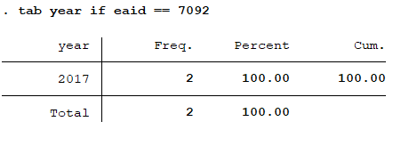

Or facilities in 2018 serving 7092:

Checking facility count
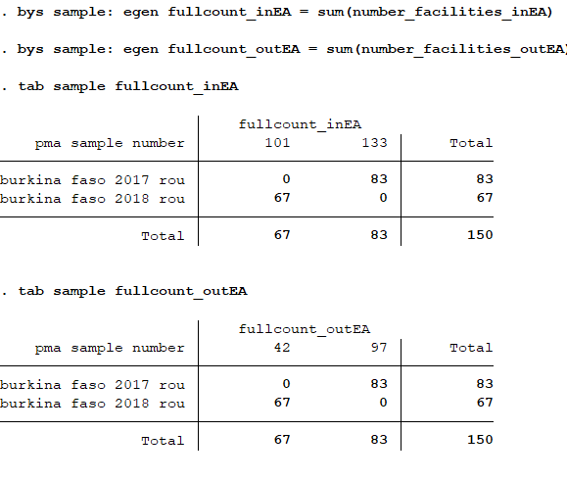
forvalues i = 1(1)18 {
replace easerved`i' = . if easerved`i' > 90000 | Replace with missing if NIU or not interviewed
replace easerved`i' = . if easerved`i' == eaid | Replace with missing if the Easerved is the same as the EA the facility is located in
}

egen eaids_served = rownonmiss(easerved1-easerved18) | Count the EAs the facility serves outside its own
bys sample: egen fullcount = sum(eaids_served) | counts the excess EAs served in each sample

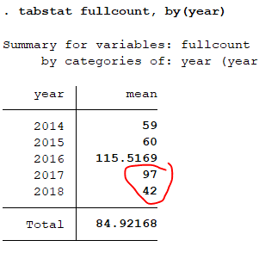
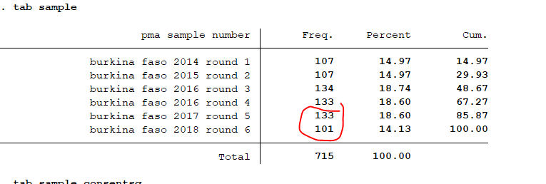

 |  | The sum of number_facilities_inEA should equal 133 and 101 for 2017 and 2018, respectively

The sum of number_facilities_outEA should equal 97 and 42 for 2017 and 2018, respectively

Comparing counts between rounds
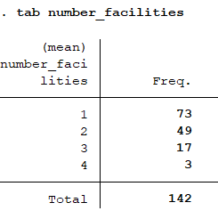
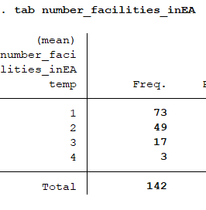
Previous version | New version

